📊 Executive Summary
IndiaFirst Bank — Executive KPI Dashboard 2020–2024

₹785.14Cr |  | ₹526.53Cr |  | 7.83% |  | 3000 | 3766
Total Deposits |  | Loan Book |  | GNPA % |  | Total Customers | Active Accounts

45388 |  | ₹427.81Cr |  | 0.9% |  | 713.0 | 3.01/5
Transactions |  | Txn Volume |  | Fraud Rate |  | Avg Credit Score | CSAT Score

Monthly Business Trend
txn_month | txn_year | txn_count | volume_crore | active_customers | fraud_count
2020-01 | 2020 | 817 | 7.95 | 692 | 7
2020-02 | 2020 | 687 | 6.26 | 595 | 3
2020-03 | 2020 | 737 | 6.8 | 642 | 5
2020-04 | 2020 | 778 | 7.88 | 647 | 6
2020-05 | 2020 | 802 | 7.27 | 676 | 5
2020-06 | 2020 | 773 | 7.78 | 663 | 8
2020-07 | 2020 | 792 | 7.47 | 673 | 4
2020-08 | 2020 | 763 | 6.75 | 661 | 7
2020-09 | 2020 | 790 | 8.22 | 660 | 10
2020-10 | 2020 | 742 | 7.54 | 630 | 10
2020-11 | 2020 | 764 | 6.99 | 650 | 3
2020-12 | 2020 | 820 | 7.53 | 681 | 4
2021-01 | 2021 | 781 | 6.05 | 675 | 3
2021-02 | 2021 | 656 | 6.18 | 579 | 2
2021-03 | 2021 | 794 | 7.2 | 669 | 4
2021-04 | 2021 | 676 | 6.26 | 573 | 1
2021-05 | 2021 | 802 | 7.53 | 684 | 6
2021-06 | 2021 | 720 | 6.86 | 628 | 2
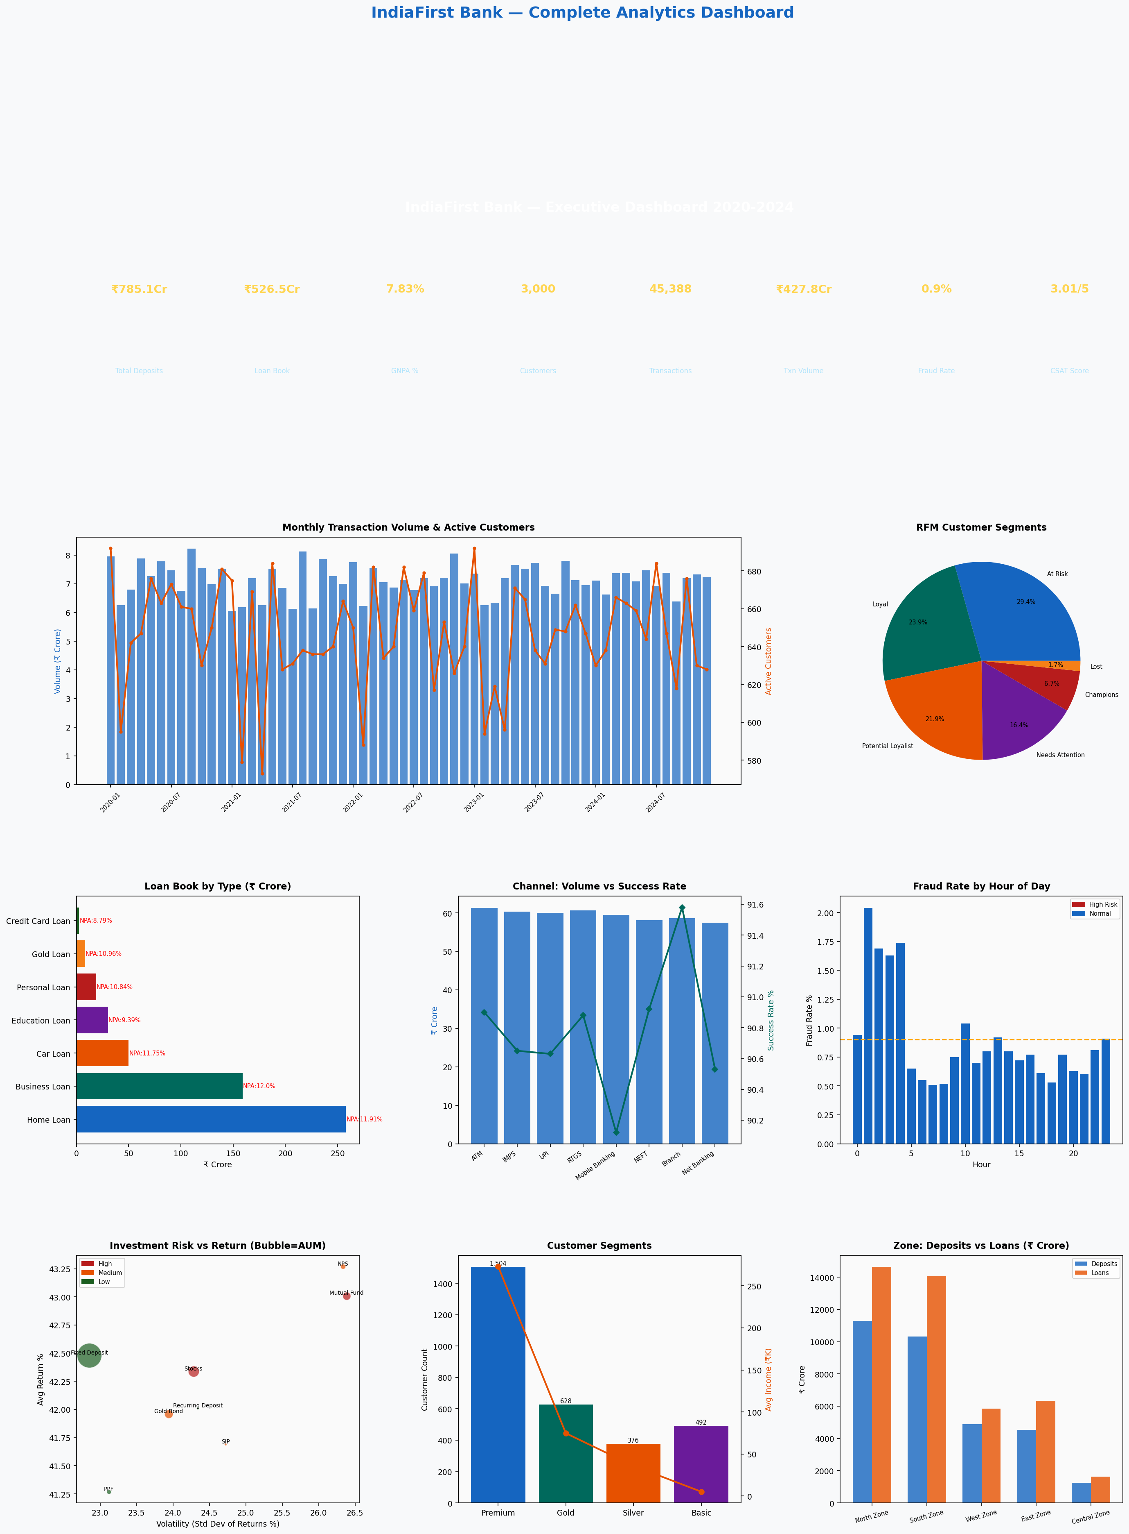
2021-07 | 2021 | 725 | 6.12 | 631 | 4
2021-08 | 2021 | 757 | 8.12 | 638 | 9
2021-09 | 2021 | 740 | 6.14 | 636 | 8
2021-10 | 2021 | 746 | 7.86 | 636 | 6
2021-11 | 2021 | 748 | 7.27 | 640 | 5
2021-12 | 2021 | 773 | 7 | 664 | 5
2022-01 | 2022 | 762 | 7.75 | 650 | 8
2022-02 | 2022 | 696 | 6.23 | 588 | 1
2022-03 | 2022 | 799 | 7.56 | 682 | 7
2022-04 | 2022 | 742 | 7.05 | 634 | 5
2022-05 | 2022 | 761 | 6.87 | 640 | 5
2022-06 | 2022 | 811 | 7.14 | 682 | 5
2022-07 | 2022 | 751 | 6.79 | 659 | 1
2022-08 | 2022 | 778 | 7.2 | 679 | 5
2022-09 | 2022 | 718 | 6.91 | 617 | 3
2022-10 | 2022 | 777 | 7.21 | 653 | 3
2022-11 | 2022 | 729 | 8.05 | 626 | 9
2022-12 | 2022 | 751 | 7.01 | 640 | 6
2023-01 | 2023 | 828 | 7.35 | 692 | 3
2023-02 | 2023 | 697 | 6.26 | 594 | 4
2023-03 | 2023 | 722 | 6.34 | 619 | 4
2023-04 | 2023 | 690 | 7.2 | 596 | 4
2023-05 | 2023 | 787 | 7.65 | 671 | 6
2023-06 | 2023 | 770 | 7.53 | 665 | 7
2023-07 | 2023 | 754 | 7.73 | 638 | 6
2023-08 | 2023 | 724 | 6.92 | 631 | 6
2023-09 | 2023 | 745 | 6.66 | 649 | 3
2023-10 | 2023 | 762 | 7.8 | 648 | 6
2023-11 | 2023 | 783 | 7.12 | 662 | 4
2023-12 | 2023 | 774 | 6.96 | 647 | 7
2024-01 | 2024 | 743 | 7.11 | 630 | 8
2024-02 | 2024 | 745 | 6.63 | 638 | 3
2024-03 | 2024 | 774 | 7.37 | 666 | 2
2024-04 | 2024 | 791 | 7.38 | 663 | 4
2024-05 | 2024 | 753 | 7.09 | 659 | 4
2024-06 | 2024 | 735 | 7.47 | 644 | 3
2024-07 | 2024 | 807 | 6.93 | 684 | 7
2024-08 | 2024 | 760 | 7.39 | 647 | 4
2024-09 | 2024 | 717 | 6.39 | 618 | 4
2024-10 | 2024 | 787 | 7.2 | 676 | 4
2024-11 | 2024 | 738 | 7.33 | 630 | 7
2024-12 | 2024 | 744 | 7.22 | 628 | 4

