Executive Summary
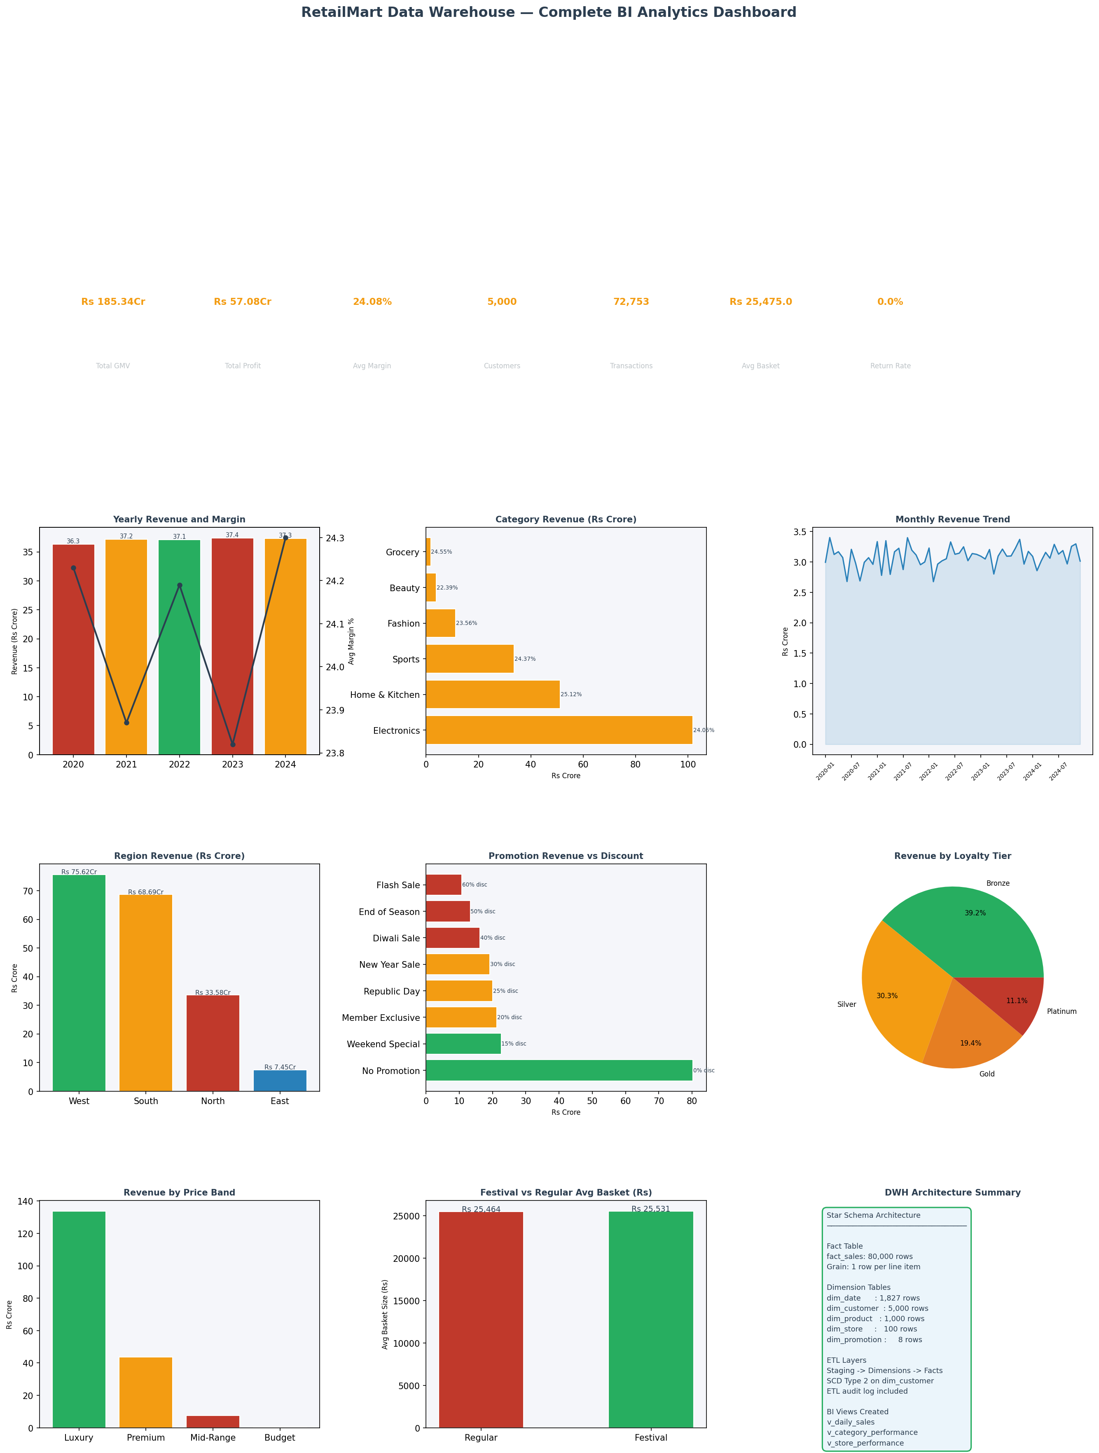
RetailMart DWH — Executive BI Dashboard 2020-2024

Yearly Performance
year | revenue_crore | profit_crore | avg_margin | customers
2020 | 36.34 | 11.12 | 24.23 | 4728
2021 | 37.2 | 11.34 | 23.87 | 4739
2022 | 37.08 | 11.51 | 24.19 | 4707
2023 | 37.39 | 11.62 | 23.82 | 4700
2024 | 37.33 | 11.5 | 24.3 | 4723

