Executive Summary
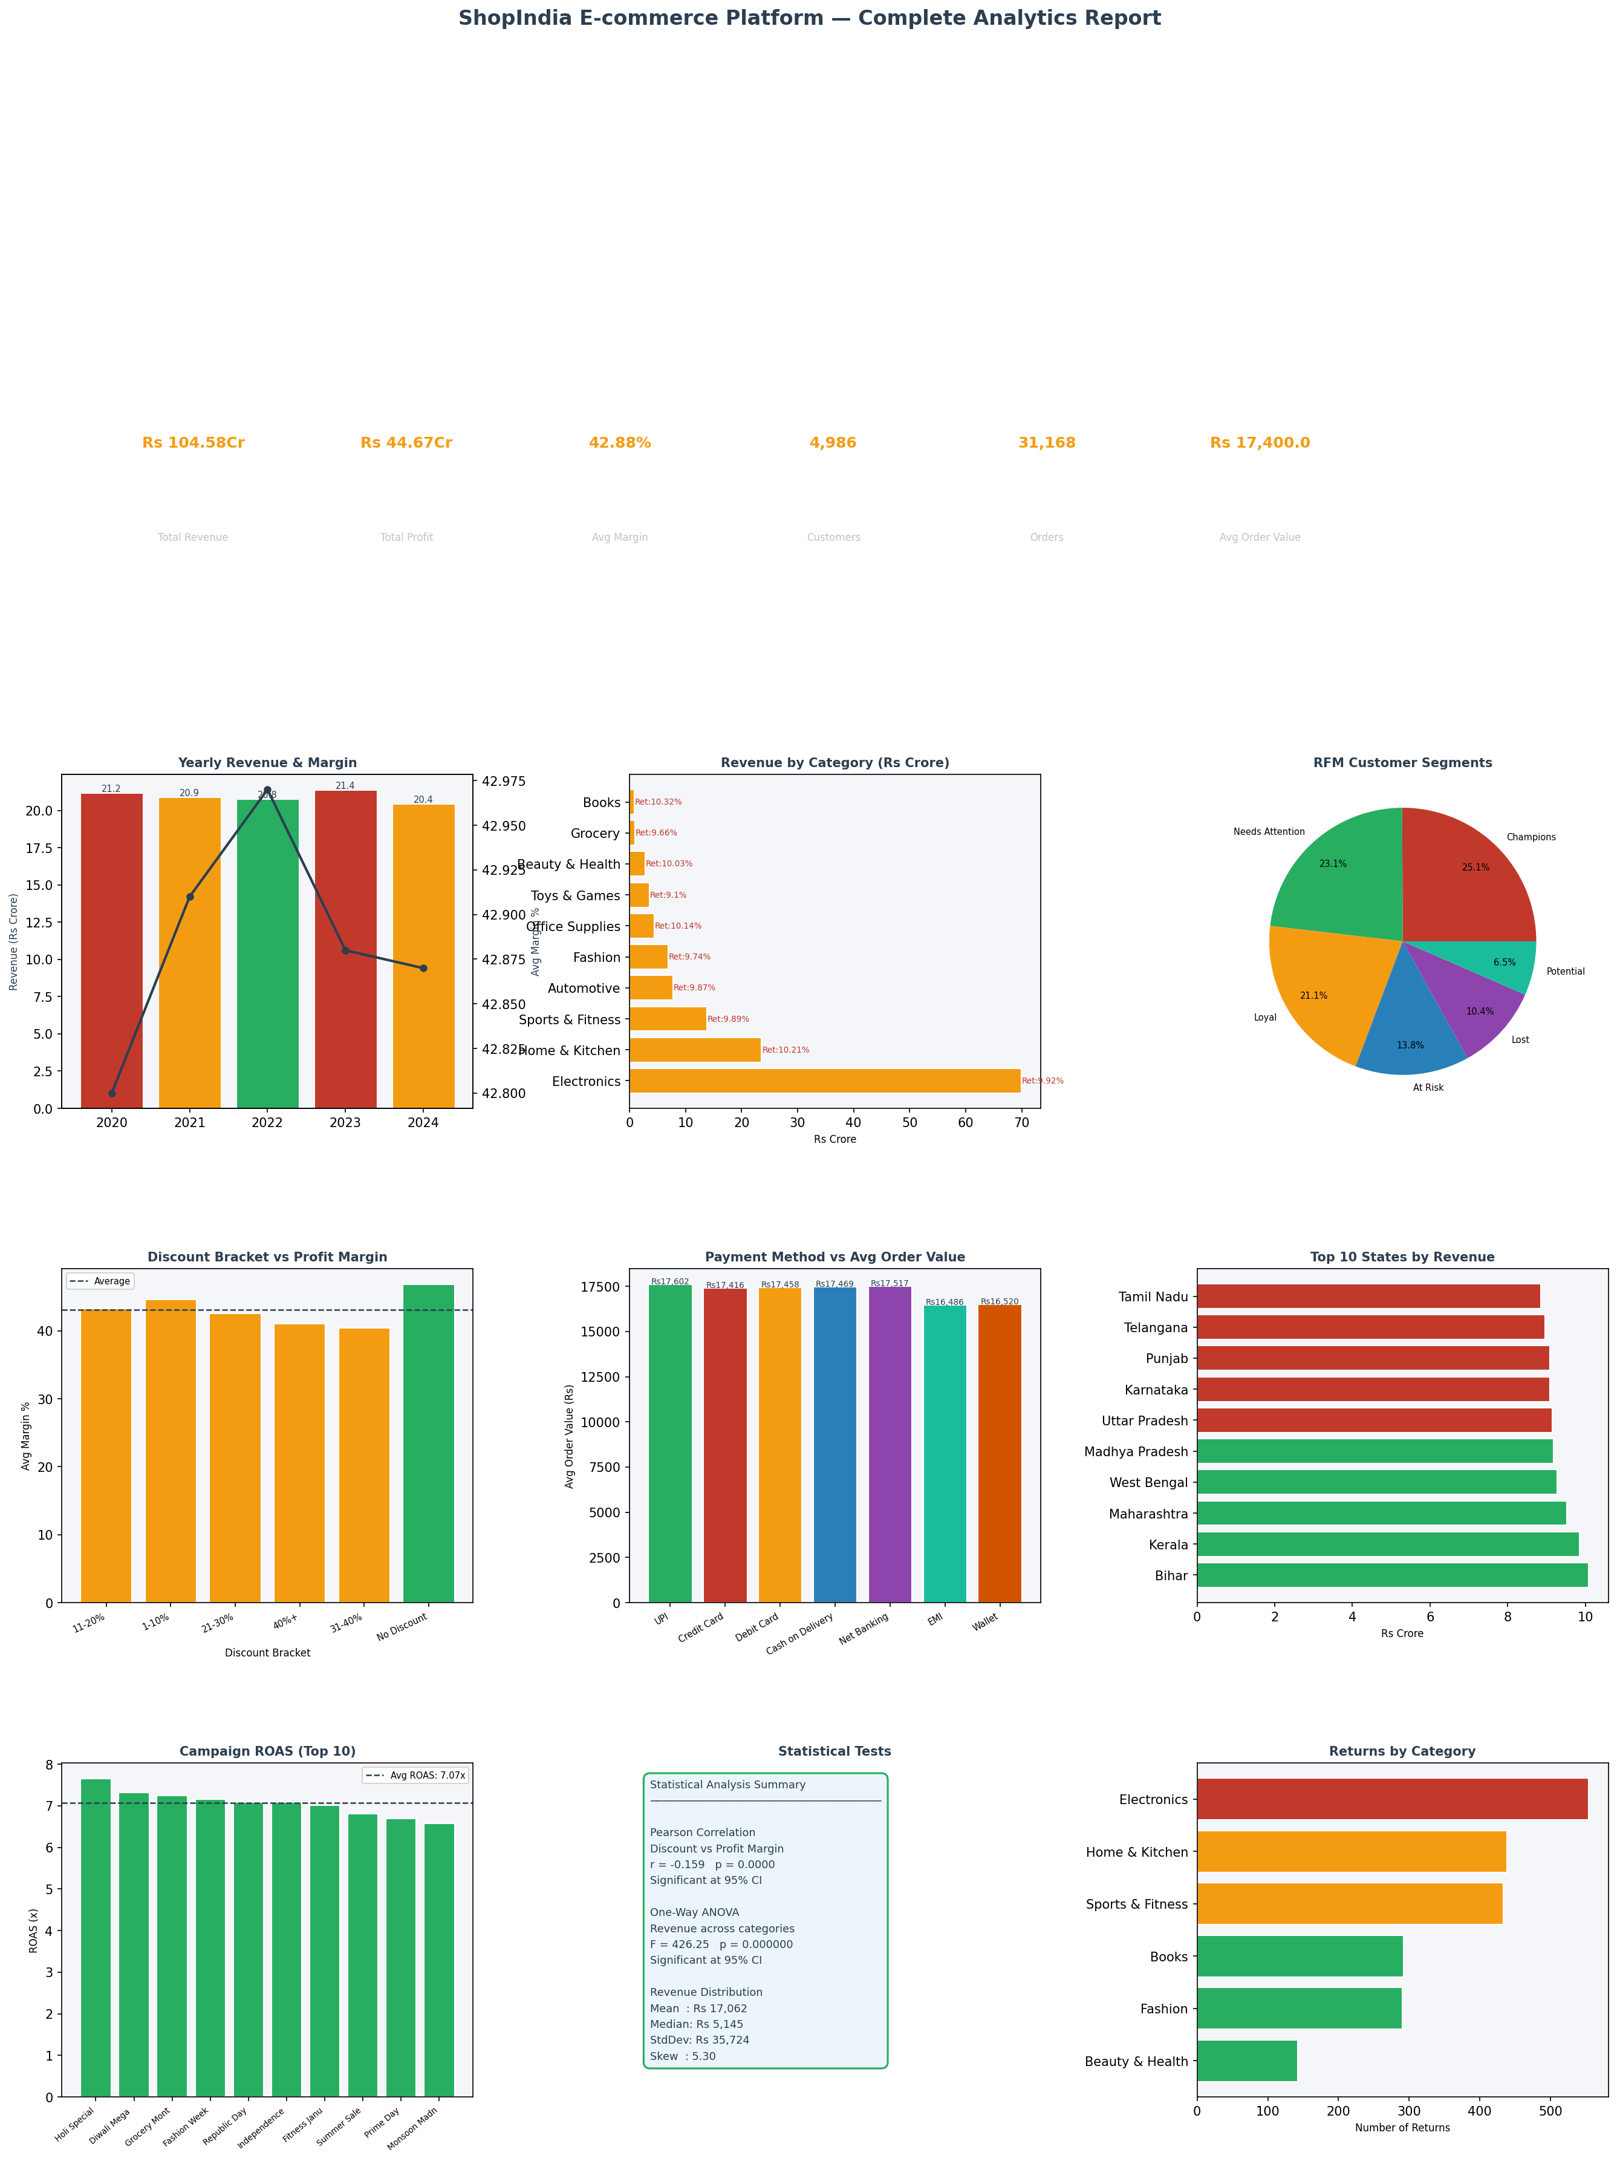
ShopIndia E-commerce — Executive Summary 2020-2024

Year-wise Performance
order_year | orders | revenue_crore | profit_crore | avg_margin | aov
2020 | 6318 | 21.17 | 9 | 42.8 | 17621
2021 | 6173 | 20.87 | 8.9 | 42.91 | 17403
2022 | 6271 | 20.75 | 8.91 | 42.97 | 17190
2023 | 6292 | 21.36 | 9.15 | 42.88 | 17480
2024 | 6114 | 20.44 | 8.71 | 42.87 | 17306

