Executive Summary
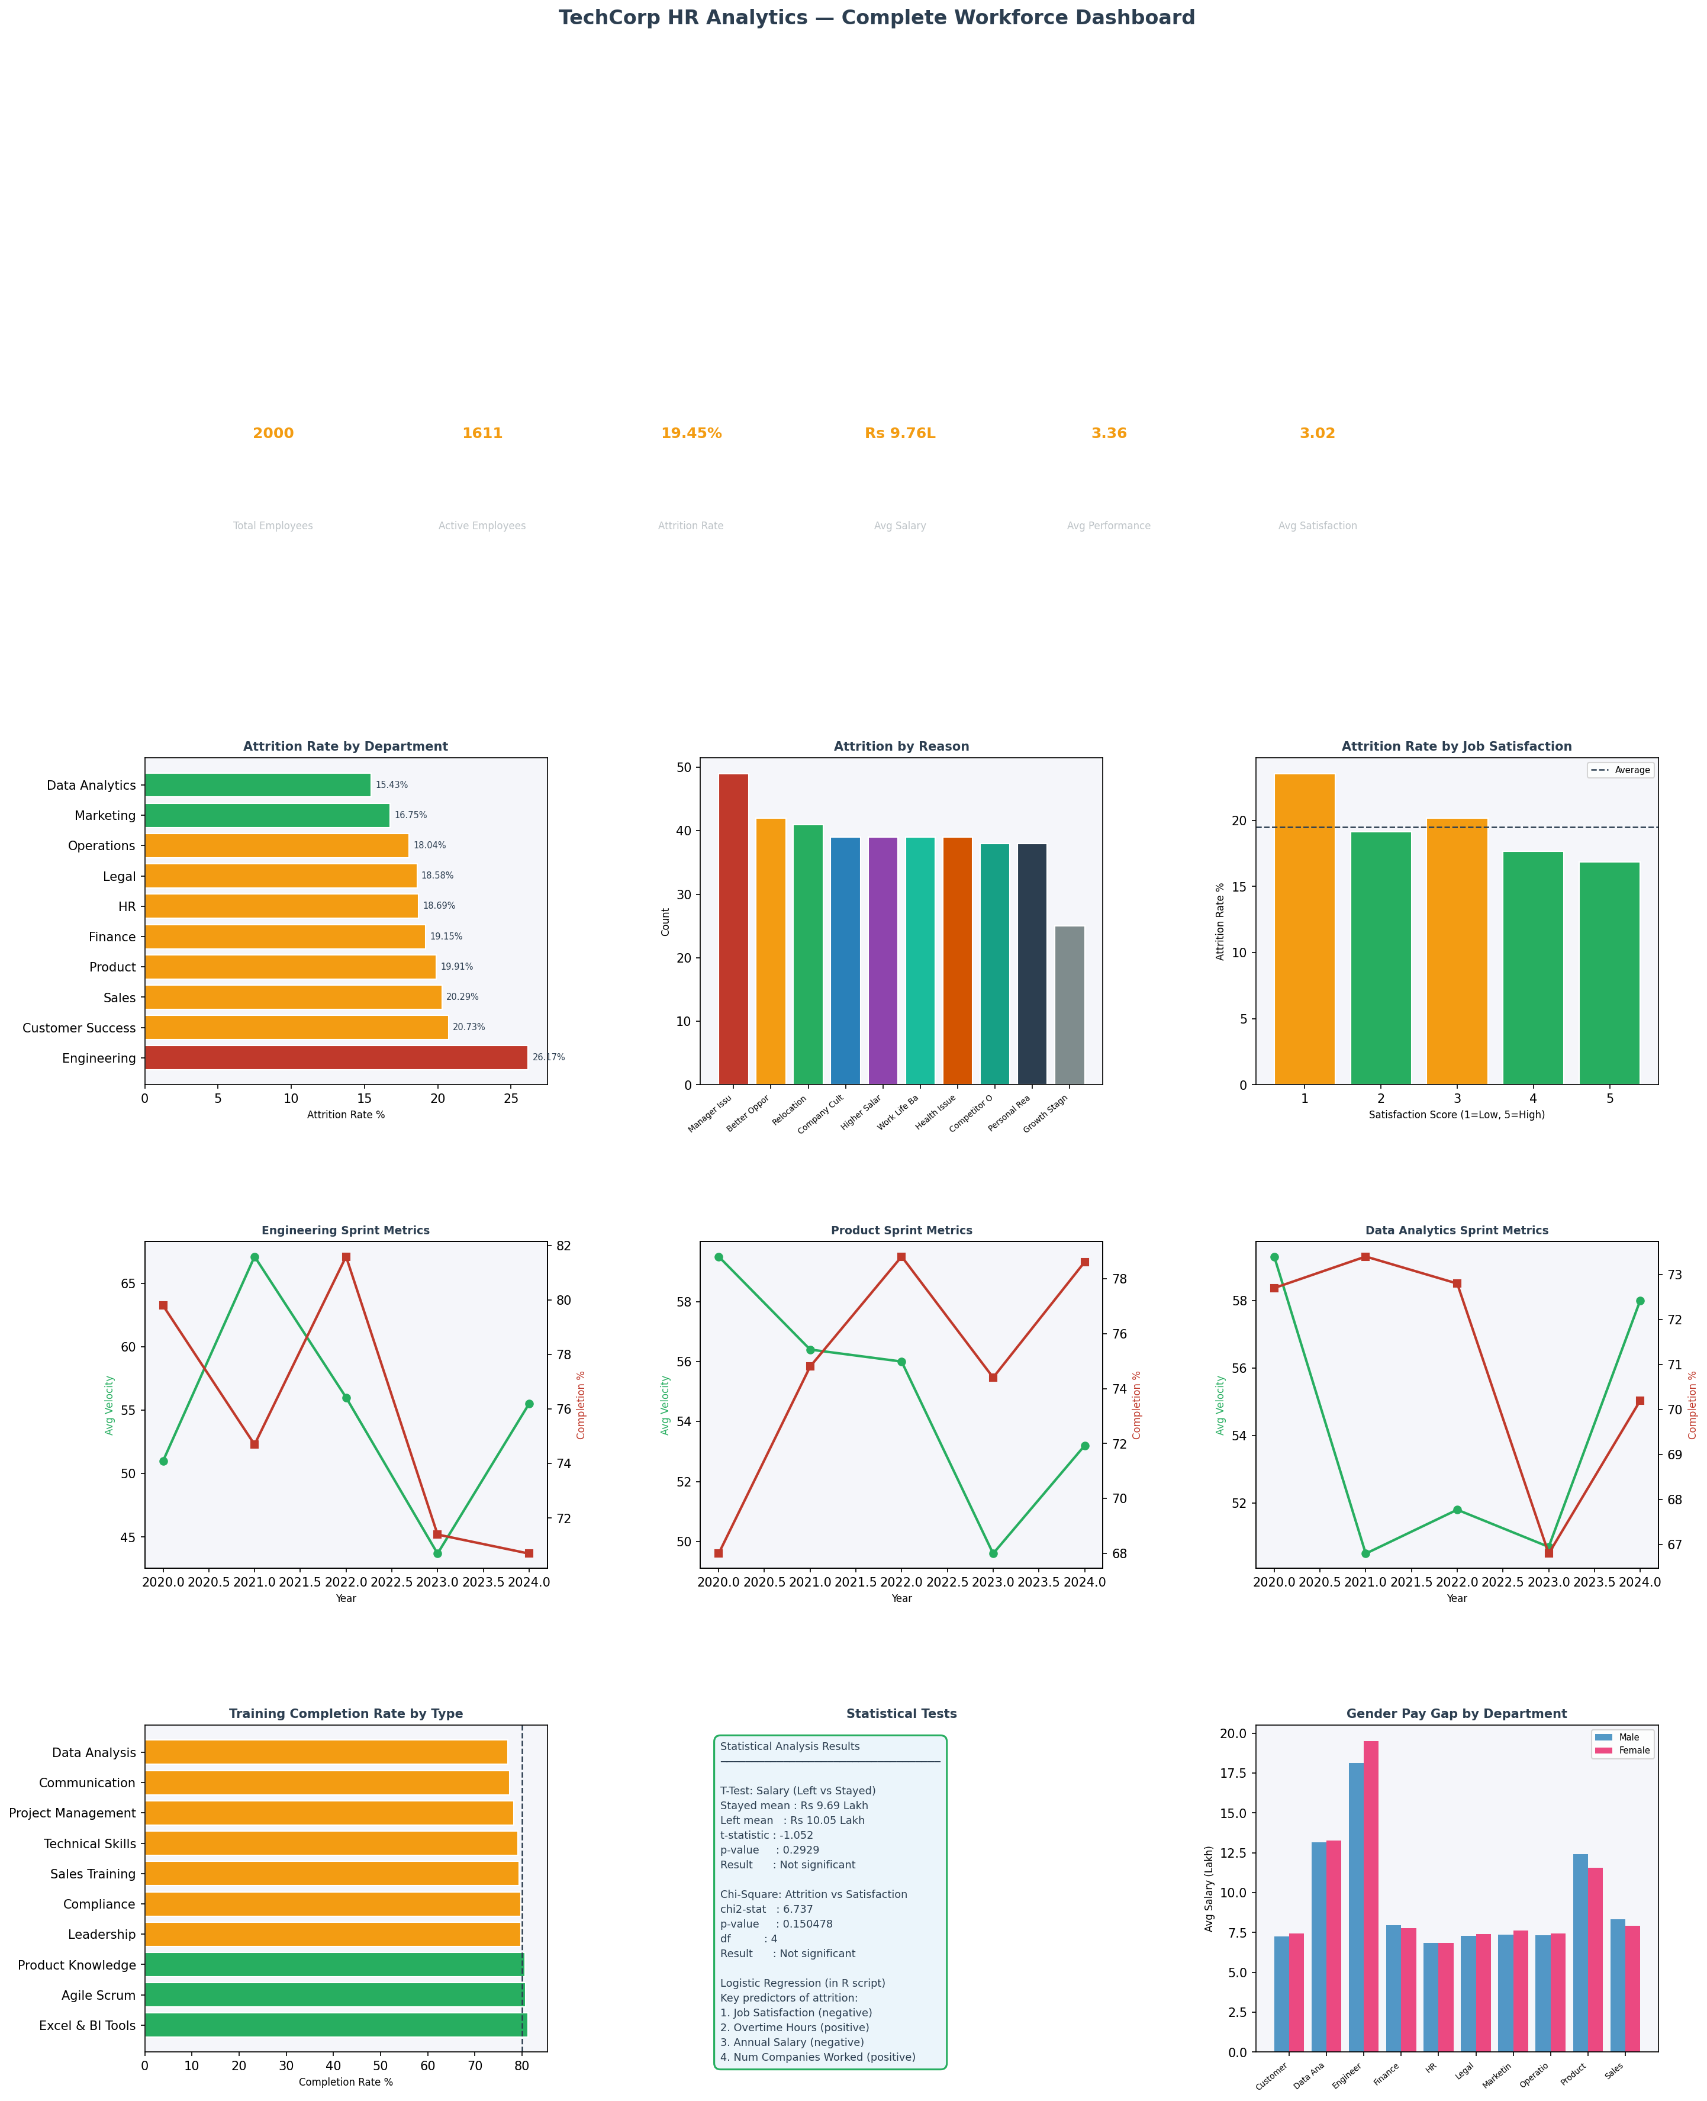
TechCorp HR Analytics — Executive Summary

Department Overview
department | headcount | left_count | att_rate | avg_sal
Engineering | 214 | 56 | 26.17 | 18.85
Customer Success | 193 | 40 | 20.73 | 7.35
Sales | 207 | 42 | 20.29 | 8.17
Product | 226 | 45 | 19.91 | 12.01
Finance | 188 | 36 | 19.15 | 7.88
HR | 198 | 37 | 18.69 | 6.85
Legal | 183 | 34 | 18.58 | 7.35
Operations | 194 | 35 | 18.04 | 7.38
Marketing | 209 | 35 | 16.75 | 7.46
Data Analytics | 188 | 29 | 15.43 | 13.22

