Excel Screen
Windows+Shift+S(Screen Capture)-Windows Feature
 |  | Quick Access Toolbar |  |  | Control Button
 |  |  | TABS
 |  |  |  | Title Bar

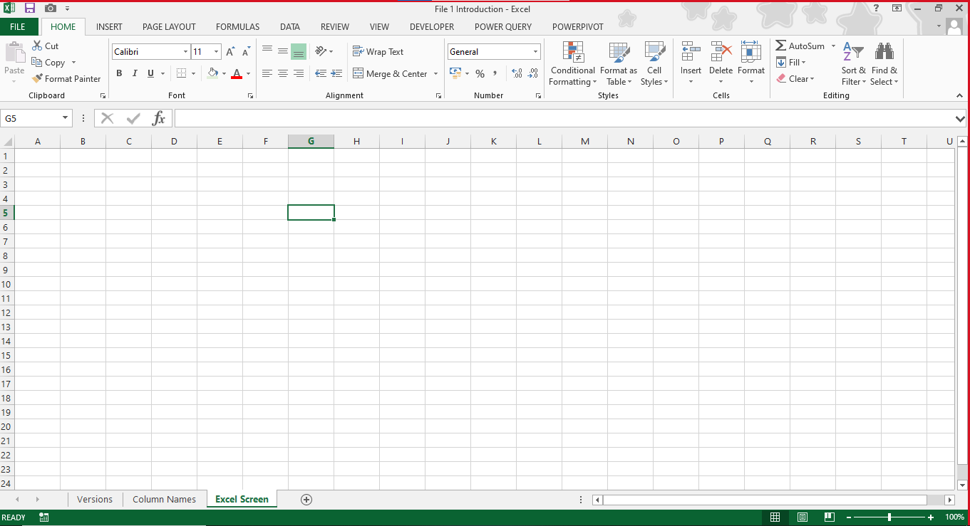

 | Backstage View

 | Ribbon
 |  |  |  |  |  | Ribbon Hide
 |  |  |  |  |  | Double Click at any Tab for Show it back
 | Name Box
 |  |  |  |  |  | Formulabar

 | Row Numbers

Groups
Column Names

Formula Bar

Sheet Tabs(Default 1)
New Sheet Insert
Inc/Dec Sheet Tab Area
Scroll Bars

 | Sheet Navigation Button

Zoom Slider & Percentage
Status Bar
Sheet Views

