send-coef
index | 1 | sendcoef | for reproduce freq
parallelism | 40 |  | java -jar -Xmx40000m wavelet.jar /share/flink/tmp/sendcoefk10coef.txt /share/flink/tmp/freqs/sendcoefk10coeffreq.txt
k | 10
EntryClass | main.java.calculation.exact.sendcoef.BaselineImpl
program argument(input k output) | /share/flink/tmp/dataset245.txt 10 /share/flink/tmp/sendcoefk10coef.txt 2
Duration |  |  |  | main.java.generator.CalculateSSE
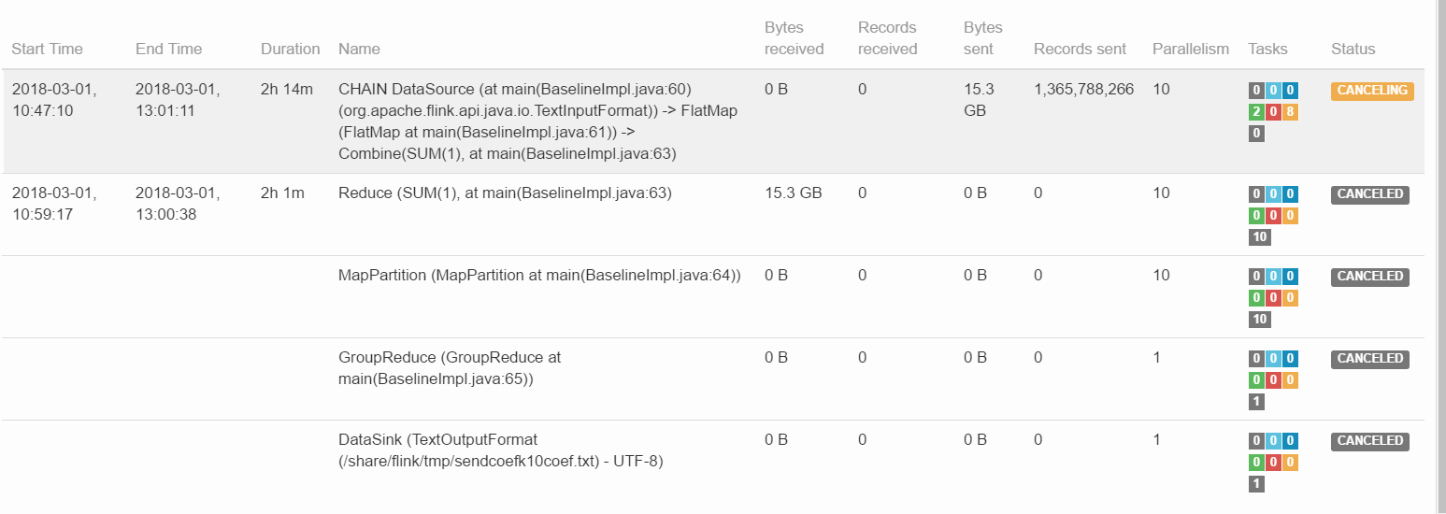
SSE |  |  |  | /share/flink/tmp/freqs/dataset245freq.txt /share/flink/tmp/freqs/sendcoefk10coeffreq.txt /share/flink/tmp/sendcoefk10sse.txt

