Sheet1
index |  | sendv | for reproduce freq
parallelism | 40 |  | java -jar -Xmx40000m wavelet.jar /share/flink/tmp/sendvk50coef.txt /share/flink/tmp/freqs/sendvk50coeffreq.txt
k | 50
EntryClass
program argument(input k output) | /share/flink/tmp/dataset245.txt 50 /share/flink/tmp/sendvk50coef.txt
Duration |  |  |  | main.java.generator.CalculateSSE
SSE |  |  |  | /share/flink/tmp/freqs/dataset245freq.txt /share/flink/tmp/freqs/sendvk50coeffreq.txt /share/flink/tmp/sendvk50sse.txt

index |  | improveds | for reproduce freq
parallelism | 40 |  | java -jar -Xmx40000m wavelet.jar /share/flink/tmp/improvedsk30e4coef.txt /share/flink/tmp/freqs/improvedsk30e4coeffreq.txt
k | 30
e(10^-) | 4 | 0.0001
EntryClass
program argument(input k ee output) | /share/flink/tmp/dataset245.txt 30 0.00010 /share/flink/tmp/improvedsk30e4coef.txt
Duration |  |  |  | main.java.generator.CalculateSSE
SSE |  |  |  | /share/flink/tmp/freqs/dataset245freq.txt /share/flink/tmp/freqs/improvedsk30e4coeffreq.txt /share/flink/tmp/improvedsk30e4sse.txt
Running time (seconds): vary k
SSE: vary k
 | k
 | 10 | 20 | 30 | 40 | 50
sendv | 1800 | 1860 | 1855 | 1907 | 1840
basic-s | 731 | 822 | 610 | 609 | 637
improved-s | 558 | 550 | 538 | 542 | 536
twoLevel-s | 760 | 484 | 502 | 668 | 509

 | k
 | 10 | 20 | 30 | 40 | 50
sendv | 700062878179 | 583796393311 | 572219126720 | 550712093674 | 544444457240
basic-s | 701201023371 | 585087116118 | 573524349366 | 553686184134 | 545792371032
improved-s | 702153860976 | 584306725090 | 554247600964 | 547810006561 | 535607820286
twoLevel-s | 700911821068 | 641819667007 | 661022747985 | 656251133849 | 613990735498

Running time(seconds): vary ε
SSE: vary ε
 | ε
 | 0.1 | 0.01 | 0.001 | 0.0001
basic-s | 355 | 386 | 462 | 610
improved-s | 521 | 461 | 496 | 538
twoLevel-s | 528 | 521 | 623 | 502

 | ε
 | 0.1 | 0.01 | 0.001 | 0.0001
basic-s | 2.6866162583E+15 | 1643963023519 | 573181449951 | 573524349366
improved-s | 2.7352840013E+15 | 1479305784769 | 776794331363 | 554247600964
twoLevel-s | 1.0935270158E+16 | 71407816464769 | 1807026300605 | 661022747985

communication cost(between mapper and reducer, K bytes sent)
 | k
 | 10 | 20 | 30 | 40 | 50
communication cost(K bytes sent)
 | communication cost(between mapper and reducer, K bytes sent) |  |  | sendv
 |  | 0 | 10 | 9531555
 |  |  | 20 | 9531555
 |  |  | 30 | 9531555
 |  |  | 40 | 9531555
 |  |  | 50 | 9531555
communication cost(K bytes sent)
 | communication cost(between mapper and reducer, K bytes sent)
714 |  | 0 | 0.1
704 |  |  | 0.01
720 |  |  | 0.001
705 |  |  | 0.0001
sendv | 9531555 | 9531555 | 9531555 | 9531555 | 9531555
basic-s | 1132462 | 1132462 | 1132462 | 1132462 | 1132462
improved-s | 3 | 3 | 3 | 3 | 3
twoLevel-s | 714 | 704 | 720 | 705 | 741
communication cost(between mapper and reducer, K bytes sent)
 | ε
 | 0.1 | 0.01 | 0.001 | 0.0001
basic-s | 2.87 | 118 | 11776 | 1132462
improved-s | 2.51 | 0.012 | 0.192 | 3
twoLevel-s | 1.32 | 8.71 | 75.5 | 720

send-coef
index | 1 | sendcoef | for reproduce freq
parallelism | 40 |  | java -jar -Xmx40000m wavelet.jar /share/flink/tmp/sendcoefk10coef.txt /share/flink/tmp/freqs/sendcoefk10coeffreq.txt
k | 10
EntryClass | main.java.calculation.exact.sendcoef.BaselineImpl
program argument(input k output) | /share/flink/tmp/dataset245.txt 10 /share/flink/tmp/sendcoefk10coef.txt 2
Duration |  |  |  | main.java.generator.CalculateSSE
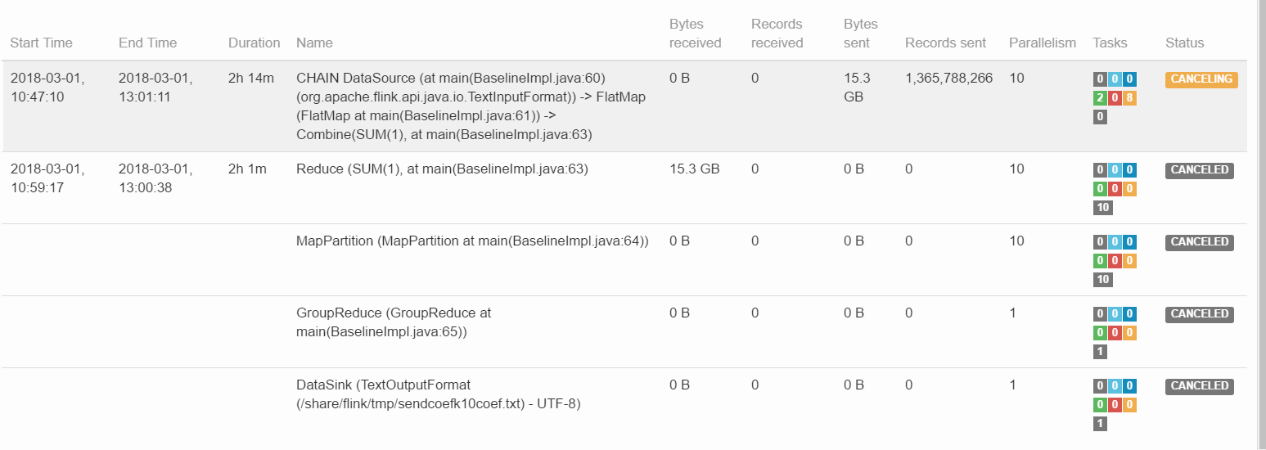
SSE |  |  |  | /share/flink/tmp/freqs/dataset245freq.txt /share/flink/tmp/freqs/sendcoefk10coeffreq.txt /share/flink/tmp/sendcoefk10sse.txt

