STARSchemaFactDimension
 |  | Refund Amt |  | In Data Warehouse Modeling, a star schema and a snowflake schema consists of Fact and Dimension tables.
Pune to MMCT | 210.48 | 60 | 150.48 | Fact Table:
MMCT to Meerut | 1,300.48 | 1030 | 270.48 | It contains all the primary keys of the dimension and associated facts or measures(is a property on which calculations can be made) like quantity sold, amount sold and average sales.
Meerut to MMCT | 1,300.48 | 1030 | 270.48 | Dimension Tables:
MMCT to Pune | 240.48 | 90 | 150.48 | Dimension tables provides descriptive information for all the measurements recorded in fact table.
MMCT to NZM | 7,469.16 | 6660 | 809.16 | Dimensions are relatively very small as comparison of fact table.
Meerut to MMCT | 6,709.16 | 5900 | 809.16 | Commonly used dimensions are people, products, place and time.
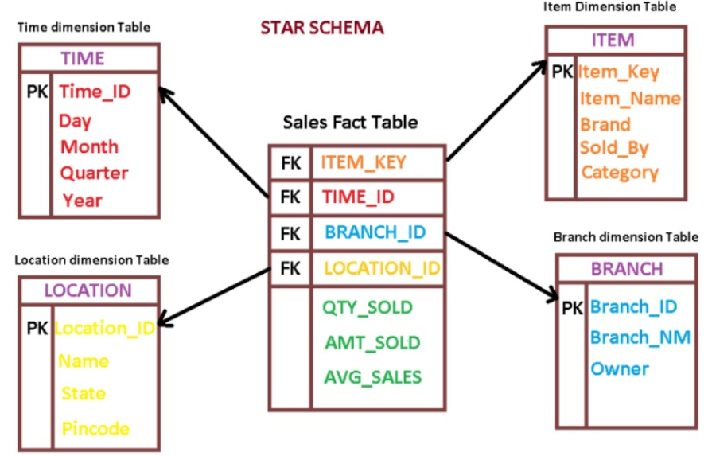
Pune to NZM | 7,849.16 | 0
NZM to Pune | 7,849.16 | 0

 | 32928.56 | 14770 | Loss
 | 17230.24 | 14770 | 2460.24

Sheet4
https://www.guru99.com/teradata-tutorial.html
MPP vs. SMP
MPP | SMP
MPP - Massively Parallel Processing. It is Computer system which is attached to many independent arithmetic units or entire microprocessors, that run in parallel. | Symmetric Multi-Processing. In an SMP processing system, the CPU's share the same memory, and as a result code running in one system may affect the memory used by another.
Databases can expand by adding new CPUs. | SMP databases generally use one CPU to perform database searches.
In an MPP environment, performance is improved because no resources must be shared among physical computers. | The workload for a parallel job is distributed across the processors in the system.
Performance of a Massive parallel processing system is linear. However, it will increase in proportion to the number of nodes. | SMP databases can run on multiple servers. However, will share another resource.

Difference between Teradata and other RDBMS
 | TERADATA | Other RDBMS
Architectures | Follows Shared Nothing Architecture. | Shared Everything and allows resource contention.
Processes | MIPS [Millions of Instructions/sec] | KIPS [Thousands of instructions/sec]
Indexes | Better Distribution and Retrieval | Only offers FASI Retrieval
Parallelism | Supports Un-conditional parallelism. | Parallelism is conditional and unpredictable
Bulk Load | Teradata allows bulk load. | Allows only limited bulk load.
Scalability | Linear scalability with a slope of one | Scalability with diminishing returns
Database buffer | A single database buffer used by all UoP's. (A unite of parallelism). A single data store accessed by all UoP's | Query Controller ships functions to UoP's that own the data
Stores | It stores TERA BYTES[Billions of rows] | GIGA BYTES[Millions of rows]
 |  |  | What is Teradata? Teradata is massively parallel open processing system for developing large-scale data warehousing applications. Teradata is an open system. It can run on Unix/Linux/Windows server platform. This tool provides support to multiple data warehouse operations at the same time to different clients. Teradata Corporation is an American IT firm. It is a vendor of analytic data platforms, application, and other related services. The firm develops a product to consolidate data from the various source and make the data available for analysis. | Why Teradata? Teradata offers a full suite of service which focuses on Data Warehousing The system is built on open architecture. So whenever any faster devices are made available, it can be incorporated into the already build architecture. Teradata supports 50+ petabytes of data. Single operation view for a large Teradata multi-node system using Service Workstation Compatible with wide range of BI tool to fetch data. It can act as a single point of control for the DBA to manage the database. High performance, diverse queries, in-database analytics and sophisticated workload management Teradata allows you to get the same data on multiple deployment options
 | 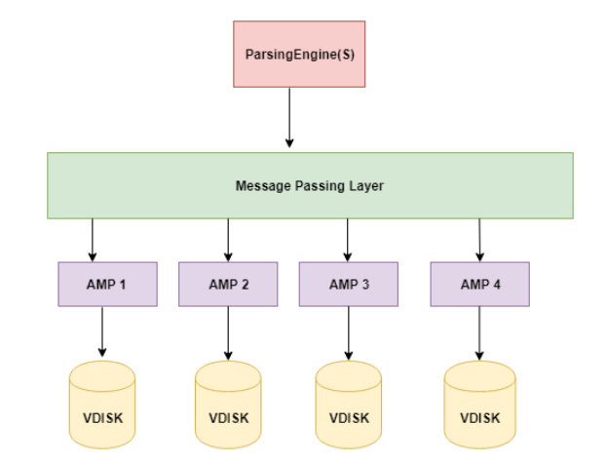 |  | Applications of Teradata: Customer Data Management: Helps to maintain long-lasting relationships with customers. Master Data Management: Helps to develop an environment where master data can be used, synchronized, and stored. Finance and Performance Management: Helps organization to improve the speed and quality of financial reporting. It reduces finance infrastructure costs, and proactively manage enterprise performance. Supply Chain Management: Improve supply chain operations which help to improved customer service, reduced cycle times, and lower inventories. Demand Chain Management: Helps to Increase customer service levels and sales. It also helps companies to predict the demand for their store item accurately. | Features of Teradata: Teradata offers following powerful features: 1. Linear Scalability: Offers linear scalability when dealing with large volumes of data by adding nodes to increase the performance of the system. 2. Unlimited Parallelism: Teradata is based on MPP (Massively Parallel Processing Architecture). So, it is designed to be parallel since the beginning. It can divide a large task into smaller tasks and run them in parallel 3. Mature Optimizer: Teradata Optimizer can handle up to 64 joins in a query. 4. Low TCO: Tera data has a low total cost of ownership. It is easy to setup, maintain, and administrate. 5. Load & Unload utilities: Teradata provides load & unload utilities to move data into/from Teradata System. 6. Connectivity: This MPP system can connect to channel-attached systems like a mainframe or network-attached systems. 7. SQL: Teradata supports SQL to interact with the data stored in tables. It provides its extension. 8. Robust Utilities: Teradata provides robust utilities to import/export data from/to Teradata systems like FastExport, FastLoad, MultiLoad, and TPT. 9. Automatic Distribution: Teradata can distribute the data to the disks automatically with no manual intervention.
 |  |  | Conclusion Teradata is massively parallel open processing system for developing large-scale data warehousing applications Teradata was a division of NCR Corporation. It incorporated in 1979 but parted away from NCR in October 2007 Teradata offers a full suite of service which focuses on Data Warehousing Teradata offers linear scalability when dealing with large volumes of data by adding nodes to increase the performance of the system. Three important components of Teradata are 1. Parsing Engine 2.MPP 3. Access Module Processors (AMPs Teradata offers a complete range of product suite to meet Data warehousing and ETL needs of any organization Teradata application mainly used for Supply Chain Management, Master Data Management, Demand Chain Management, etc. | Teradata – Architecture Teradata architecture is a Massively Parallel Processing Architecture. Three important components of Teradata are: Parsing Engine BYNET Access Module Processors (AMPs). Teradata Architecture Diagram:
 |  |  |  | Storage Architecture Parsing Engine: The Parsing Engine parses the queries and prepares the execution plan. It manages sessions for users. It optimizes & sends a request to the users. So, when the client executes queries for inserting records, Parsing Engine sends the records to Message Passing layer. Message passing layer or BYNET is a software and hardware component. It offers networking capability. It also retrieves the records and sends the row to the target AMP. AMP:AMP stands for Access Module Processor. It stores records on these disks. AMP conduct following activities: 1. Manages a portion of the database 2. Manages a portion of each table 3. Perform all the task associated with generating result set such as sort, aggregation and join 4. Perform lock and Space management Retrieval Architecture - When the client runs queries to retrieve records, the Parsing engine sends a request to BYNET. Then BYNET sends the retrieval request to appropriate AMPs. AMPs search their disks in parallel and recognize the required records and send to BYNET. BYNET sends the records to Parsing Engine which in turn will send to the client.
Teradata Warehouse Product Suite
Teradata offers a complete range of product suite to meet Data warehousing and ETL needs of any organization. Important Teradata products are mentioned below:
Product suite name | Usage | Tool links
Analytics | Teradata Analytics Platform | Analytics PlatformAnalytics on Hadoop (Aster)Analytics Portfolio (Aster)
Cloud | High-impact hybrid cloud solutions that help any businesses | Cloud, HybridCloud, Managed (Hadoop) IntelliCloud
Data Ingestion | Simplify Big Data Streaming | ListenerData Mover
Data Management | Data management tools used for data protection and recoverability. | Backup and RestoreData MoverColumnar
Database | Real-time, system analysis tools for DBA for ease of monitoring and system managing. | Database (Teradata)Database (Teradata Express, a Free Download)
Eco system Management | Eco system tool helps you to Manage your Teradata environment. | Ecosystem Manager Unity
Workload Management | Workload management tools help you to keep pace with growing business and user demands. | Active System Manager (TASM)Workload Management
SQL Query Engine | It is a powerful SQL Engine for Hadoop and More | Presto (Free Download)
Load & Unload Utilities | Fast, fully parallel extract and load utilities. The only products which offer automatic check-point restart and one-step load from mainframes. | Parallel Transporter (TPT) FastLoadMultiLoad
UDA enabling software | This kind of tools allows Processing Across all Workload Engines. | QueryGrid Listener Teradata AppCenter

