Tabelle1
 |  | Feed |  | Recycle |  | REACIN |  | REACOUT |  | LIQ |  | VAP |  | Purge
 | mol-mass / g/mol | mol-% | mass-% | mol-% | mass-% | mol-% | mass-% | mol-% | mass-% | mol-% | mass-% | mol-% | mass-% | mol-% | mass-%
CO2 | 44 | 12% | 56% | 4% | 27% | 5% | 31% | 4% | 25% | 2% | 3% | 4% | 27% | 4% | 27%
CO | 28 | 4% | 12% | 0% | 1% | 1% | 2% | 0% | 1% | 0% | 0% | 0% | 1% | 0% | 1%
H2 | 2 | 79% | 17% | 86% | 27% | 85% | 26% | 84% | 25% | 3% | 0% | 86% | 27% | 86% | 27%
N2 | 28 | 5% | 15% | 10% | 45% | 10% | 41% | 10% | 41% | 0% | 0% | 10% | 45% | 10% | 45%
MeOH | 32 | 0% | 0% | 0% | 0% | 0% | 0% | 1% | 6% | 55% | 68% | 0% | 0% | 0% | 0%
Water | 18 | 0% | 0% | 0% | 0% | 0% | 0% | 1% | 3% | 39% | 27% | 0% | 0% | 0% | 0%
 |  | mole-flow / kmol/h | mass-flow / kg/h | mole-flow / kmol/h | mass-flow / kg/h | mole-flow / kmol/h | mass-flow / kg/h | mole-flow / kmol/h | mass-flow / kg/h | mole-flow / kmol/h | mass-flow / kg/h | mole-flow / kmol/h | mass-flow / kg/h | mole-flow / kmol/h | mass-flow / kg/h
CO2 |  | 63.92 | 2812.4 | 192.06 | 8450.5 | 255.97 | 11262.9 | 204.78 | 9010.3 | 2.62 | 115.1 | 202.16 | 8895.2 | 10.11 | 444.8
CO |  | 21.31 | 596.6 | 8 | 237.3 | 29.78 | 833.9 | 8.93 | 250.2 | 0.01 | 0.4 | 8.92 | 249.8 | 0.45 | 12.5
H2 |  | 421.86 | 843.7 | 4220.59 | 8441.2 | 4642.45 | 9284.9 | 4447.17 | 8894.3 | 4.45 | 8.9 | 4442.73 | 8885.5 | 222.14 | 444.3
N2 |  | 26.69 | 747.3 | 497.13 | 13919.8 | 523.82 | 14667.0 | 523.82 | 14667.0 | 0.52 | 14.7 | 523.30 | 14652.4 | 26.16 | 732.6
MeOH |  | 0.00 | 0.0 | 0.69 | 22.1 | 0.69 | 22.1 | 72.73 | 2327.5 | 72.01 | 2304.2 | 0.73 | 23.3 | 0.04 | 1.2
Water |  | 0.00 | 0.0 | 0.49 | 8.8 | 0.49 | 8.8 | 51.69 | 930.3 | 51.17 | 921.0 | 0.52 | 9.3 | 0.03 | 0.5
 |  | total mole-flow / kmol/h | total mass-flow / kg/h | total mole-flow / kmol/h | total mass-flow / kg/h | total mole-flow / kmol/h | total mass-flow / kg/h | total mole-flow / kmol/h | total mass-flow / kg/h | total mole-flow / kmol/h | total mass-flow / kg/h | total mole-flow / kmol/h | total mass-flow / kg/h | total mole-flow / kmol/h | total mass-flow / kg/h
total |  | 533.8 | 5000.0 | 4919.4 | 31079.6 | 5453.2 | 36079.6 | 5309.1 | 36079.6 | 130.8 | 3364.2 | 5178.4 | 32715.4 | 258.9 | 1635.8
Calculation Section |  |  |  |  |  | CO2-conversion | 20% |  |  | CO2-mol% in Liq | 2% |  |  | Split Purge | 5%
 |  |  |  |  |  | CO-conversion | 70% |  |  | CO-mol% in Liq | 0.0%
 |  |  |  |  |  |  |  |  |  | Split: N2/H2 in Liq | 0.1%
 |  |  |  |  |  |  |  |  |  | Split: MeOH in Liq | 99%
 |  |  |  |  |  |  |  |  |  | Split: H2O in Liq | 99%

Characteristic Numbers |  | H2/CO2 ratio (mol) | 6.60 | H2/CO2 ratio (mol) | 21.98 | H2/CO2 ratio (mol) | 18.14 | H2/CO2 ratio (mol) | 21.72 | H2/CO2 ratio (mol) | 1.70 | H2/CO2 ratio (mol) | 21.98 | H2/CO2 ratio (mol) | 21.98
 |  | H2/CO ratio (mol) | 19.80 | Recycle/Feed ratio (mol) | 9.2 | SN | 15.35 |  |  | MeOH capacity / t/day | 55.30
 |  |  | 4.2 |  |  |  |  |  |  | MeOH capacity / kt/a | 18.4

 | User entries |  | 6917.8220787 | 9932.7605862 | 144%
 |  |  | 34673.630464 | 90618.636986 | 261%
SN | 4.2
Inerts | 0.05 | 0.039915966387
CO2/CO | 3
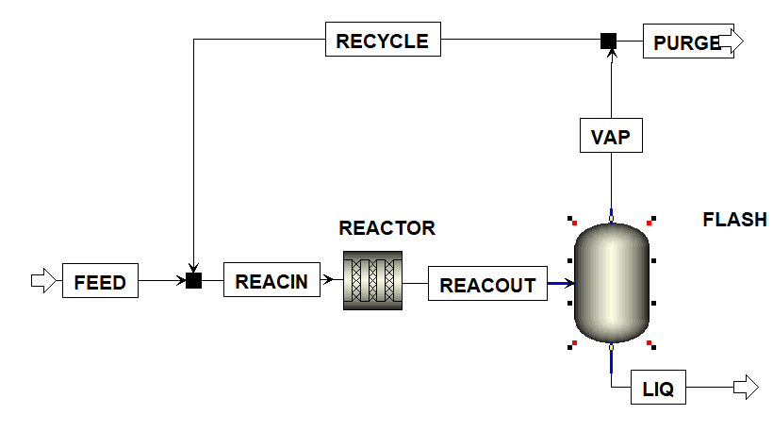
 |  |  |  |  |  |  | mol-% | mass-%
 |  |  |  |  |  |  | 0% | 0%
 |  |  |  |  |  |  | 0% | 0%
 |  |  |  |  |  |  | 0% | 0%
 |  |  |  |  |  |  | 0% | 0%
 |  |  |  |  |  |  | 0% | 0%
 |  |  |  |  |  |  | 0% | 0%
 |  |  |  |  |  |  | mole-flow / kmol/h | mass-flow / kg/h
 |  |  |  |  |  |  | 0.00 | 0.0
 |  |  |  |  |  |  | 0 | 0.0
 |  |  |  |  |  |  | 0.00 | 0.0
 |  |  |  |  |  |  | 0.00 | 0.0
 |  |  |  |  |  |  | 0.00 | 0.0
 |  |  |  |  |  |  | 0.00 | 0.0
 |  |  |  |  |  |  | total mole-flow / kmol/h | total mass-flow / kg/h
 |  |  |  |  |  |  | 0.0 | 0.0

