Market Analysis
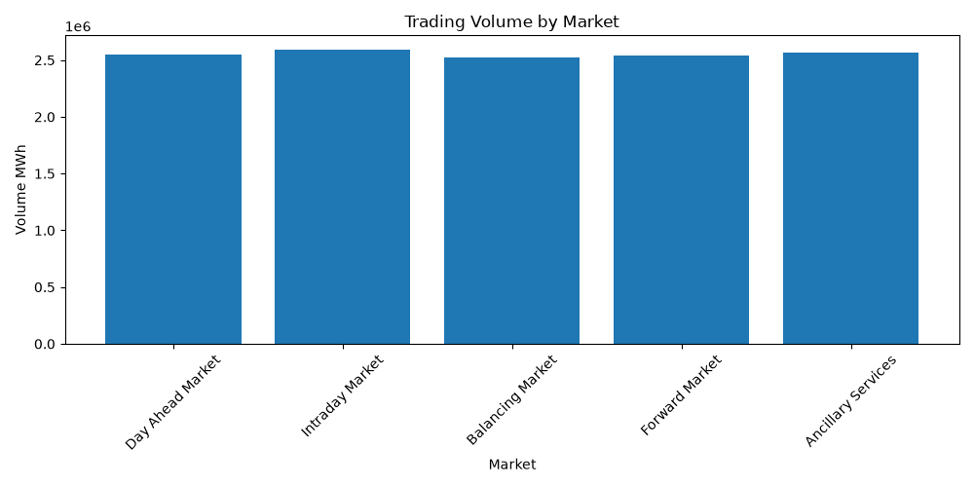
market_name | total_trades | total_volume_mwh | total_trade_value | average_trade_price
Day Ahead Market | 9971 | 2551213 | 236659956.89 | 92.96
Intraday Market | 10083 | 2588151 | 242086241.82 | 93.32
Balancing Market | 9895 | 2526804 | 234536848.83 | 92.75
Forward Market | 9949 | 2541125 | 235272344.26 | 92.8
Ancillary Services | 10102 | 2564895 | 240044447.32 | 93.33

Trader Performance
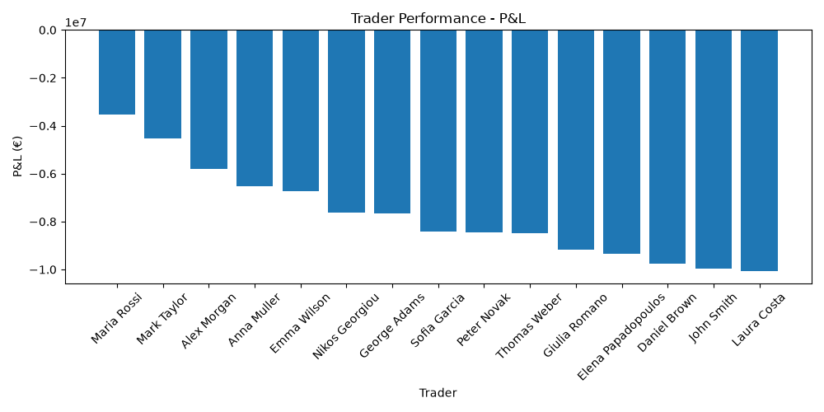
trader_name | total_trades | volume_mwh | pnl
Alex Morgan | 3370 | 891005 | -5798221.7
Maria Rossi | 3345 | 848902 | -3516396.65
John Smith | 3289 | 833165 | -9964680.07
Elena Papadopoulos | 3328 | 841897 | -9346945.56
Thomas Weber | 3295 | 837645 | -8497411.98
Sofia Garcia | 3300 | 849411 | -8416270.04
Daniel Brown | 3322 | 863079 | -9742762.99
Anna Muller | 3270 | 833407 | -6507405.21
Nikos Georgiou | 3383 | 838366 | -7612202.39
Laura Costa | 3366 | 841389 | -10075329.3
Mark Taylor | 3365 | 865661 | -4536989.04
Giulia Romano | 3333 | 860603 | -9167626.78
Peter Novak | 3386 | 861902 | -8464019.07
Emma Wilson | 3363 | 867637 | -6745156.15
George Adams | 3285 | 838119 | -7673369.75

Renewable Analysis
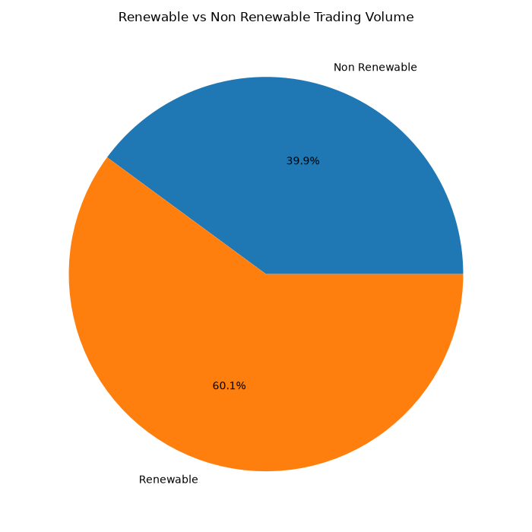
energy_type | traded_volume | trade_value
Non Renewable | 5098067 | 474834856.95
Renewable | 7674121 | 713764982.17

