sezione
Sezione
 |  |  |  | XCPTi
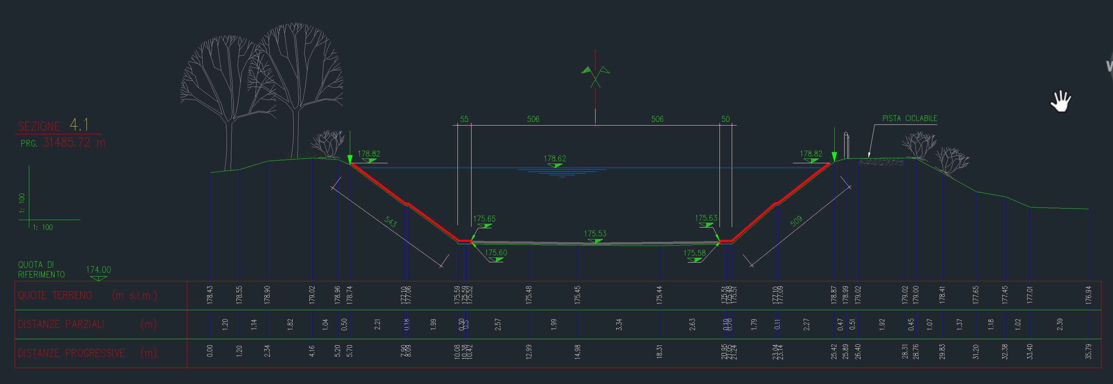 |  |  |  | A real number that is the distance relative to the left bank of the stream channel (when looking downstream) for the eight points (XCPT1 through XCPT8) used to describe the geometry of this segment of the stream channel. By definition, location XCPT1 represents the left edge of the channel cross section, and its value should be set equal to 0.0; values XCPT2 through XCPT8 should be equal to or greater than the previous distance.
 |  |  |  | ZCPTi
Sezione CAPV
 |  |  |  | A real number that is the height relative to the top of the lowest elevation of the streambed (thalweg). One value (ZCPT1 through ZCPT8) is needed for each of the eight horizontal distances defined by XCPTi. The location of the thalweg (set equal to 0.0) can be any location from XCPT2 through XCPT7.
Parametri per ICALC = 2
XCPT1 | 0 | ZCPT1 | 3.29
XCPT2 | 2.39 | ZCPT2 | 1.8
XCPT3 | 4.38 | ZCPT3 | 0.2
XCPT4 | 4.73 | ZCPT4 | 0.1
XCPT5 | 9.29 | ZCPT5 | 0
XCPT6 | 15.26 | ZCPT6 | 0.1
XCPT7 | 15.56 | ZCPT7 | 0.2
XCPT8 | 19.73 | ZCPT8 | 3.29

