ProjectScopeSpecification
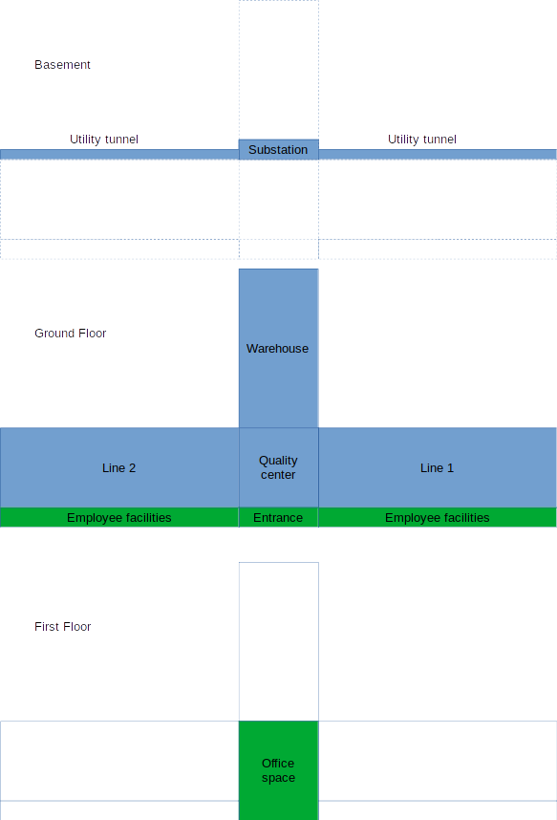
Specifications
Production Facility
 | Building
 |  | Site preparation |  |  |  |  | 30000
 |  | Industrial Construction |  |  |  |  | 16000
 |  |  | Production hall
 |  |  | L1 | 12x20x20 | 40 | 120 | 4800 | m2
 |  |  | L2 | 12x20x20 | 40 | 120 | 4800
 |  |  | Warehouse | 8x20x20 | 40 | 80 | 3200
 |  |  | Quality center | 16x10x10 | 40 | 40 | 1600
 |  |  | Substations |  | 40 | 10 | 400
 |  |  | Utility tunnel |  | 240 | 5 | 1200
 |  | Civil construction |  |  |  |  | 4800
 |  |  | Entrance |  | 40 | 10 | 400
 |  |  | Employee facilities |  | 10 | 240 | 2400
 |  |  | Office space |  | 40 | 50 | 2000
 |  | Roads & lanscaping |  |  |  |  | 10000

ERP
 | Modules
 |  | CRM
 |  | Invoicing
 |  | Sales
 |  | Portal
 |  | Accounting
 |  | Project
 |  | Inventory
 |  | Manufacturing
 |  | Purchase
 |  | Timesheet
 |  | Expenses
 |  | Recruitment
 |  | Maintenance
 |  | Quality
 |  | PLM
 |  | Documents
 |  | eLearning
 |  | IoT box
 | Processes
 |  | Commercial
 |  | Manufacturing
 |  | Logistics
 |  | HR

