Packing Orientation Guide
Orientation ID | Orientation Name | Image (Insert Picture Here) | Stable? (Yes/No) | Risk Notes | Approved (✓)
O1 | Open Face Up | 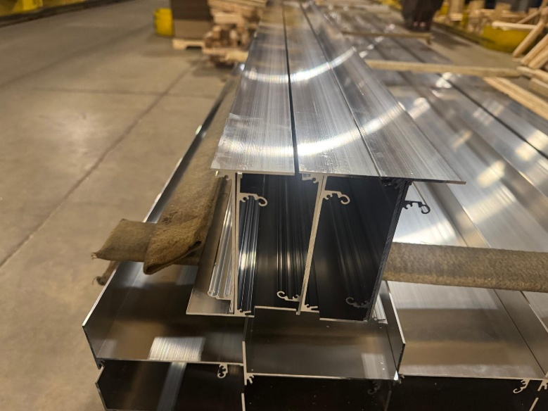
O2 | Open Face Down | 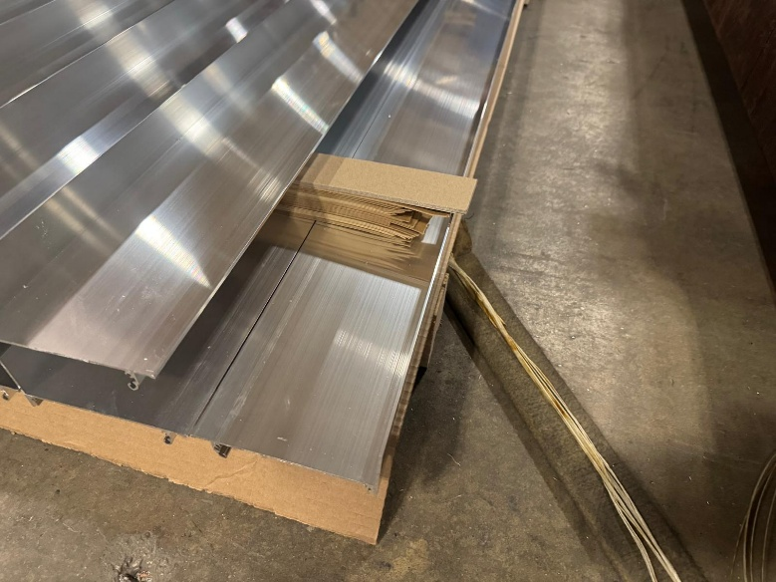
O3 | Side Left | 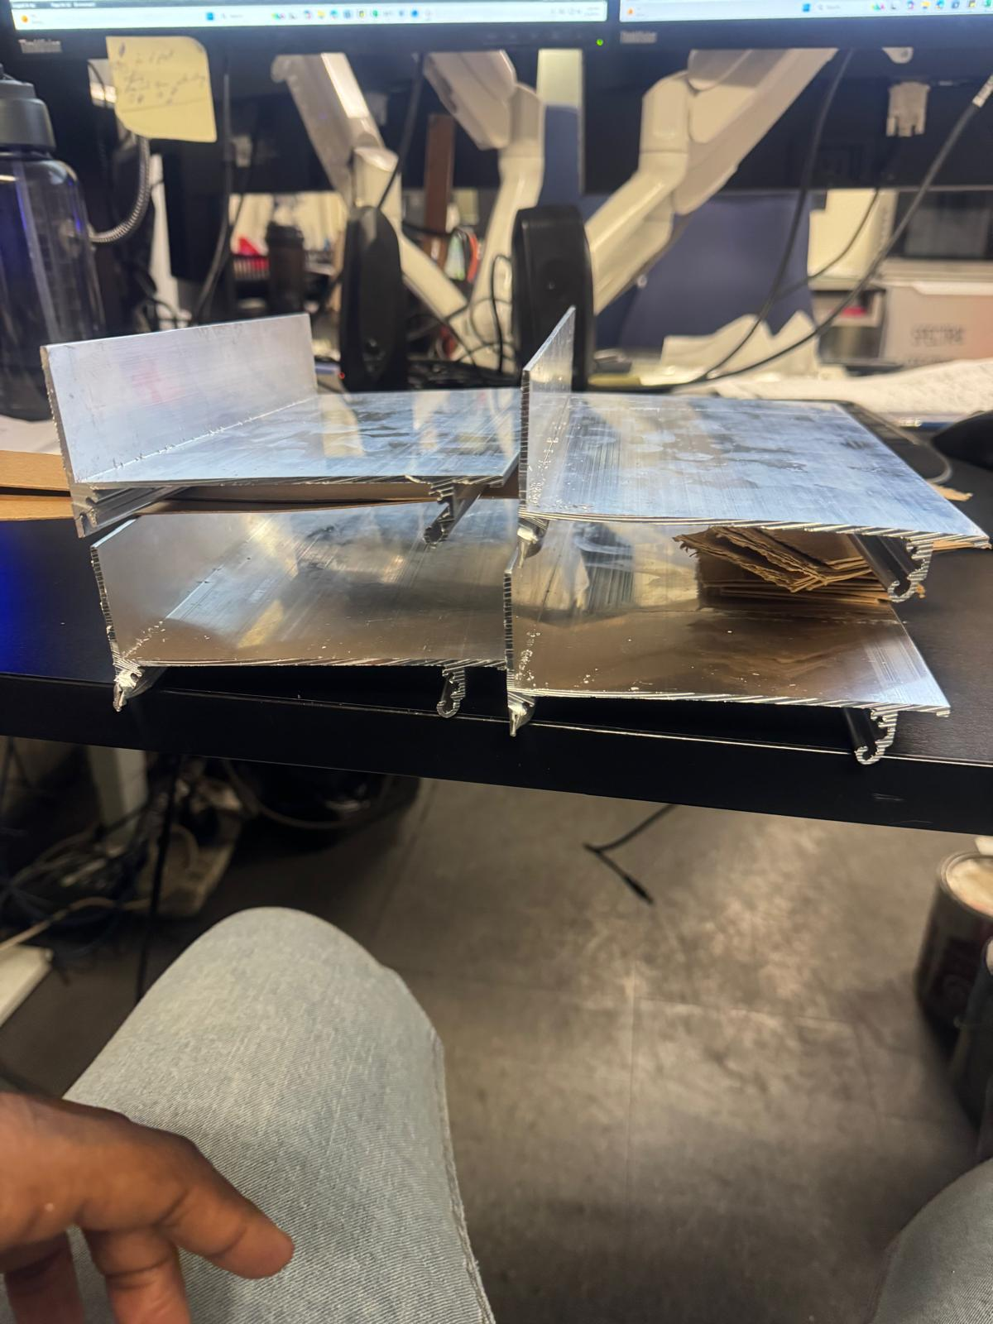
O4 | Side Right
O5 | 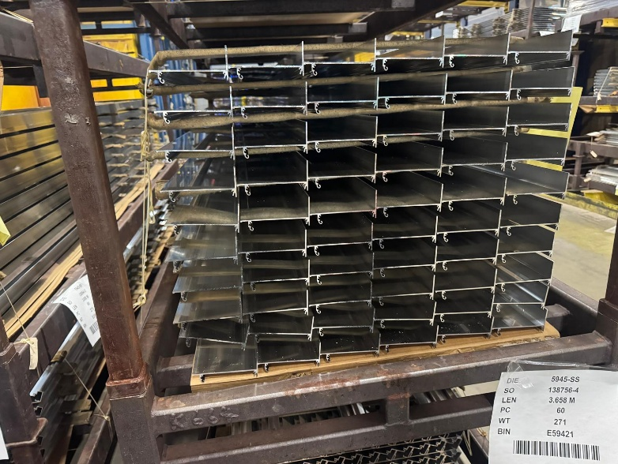 Nested Stack

