ASCII CHART
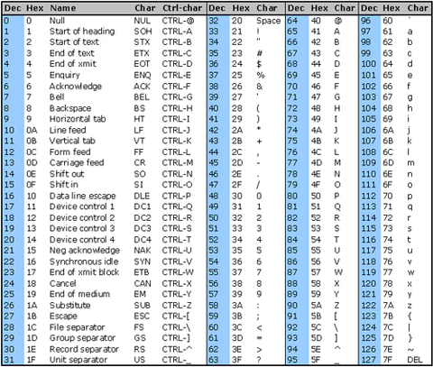

Sheet5
FAT | Fats are made from individual fatty acid molecules attached to glycerol, a 3-carbon backbone. The most common type of fat is called a triglyceride, or triacylglycerol, which contains 3 fatty acids attached to the backbone and resembles a fork without the handle. | 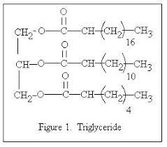
CLR | The corrected value or corrected lactometer reading (CLR) is obtained from the standard table for corresponding temperature.A lactometer is a tiny glass device used to measure the cleanliness or quality of milk. It determines the density of milk in relation to water. If the specific gravity of a milk specimen falls inside the acceptable parameters, the milk is considered pure.
SNF | SNF or solids not fat is that nutrient portion present in milk which is other than milk fat and water. It consists of protein (primarily casein and lactalbumin), carbohydrates (primarily lactose), and minerals (including calcium and phosphorus. When SNF is combined with milk fat, then it is called total solids.

