data
 | names | target | type | equipment | difficulty | image_1 | image_2
0 | 1 Leg Pushup | Chest | Strength | Body Only | Beginner |  | 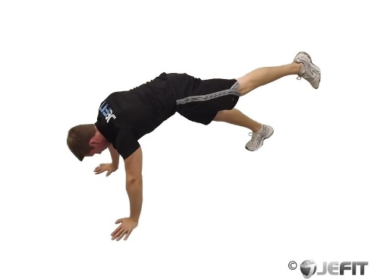 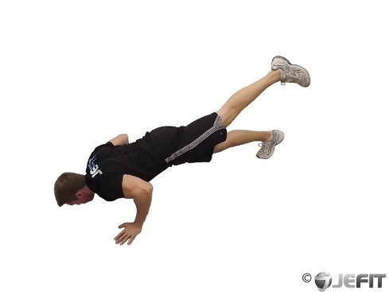
1 | 90 90 Hamstring | Upper Legs | Stretching | Body Only | Beginner |  | 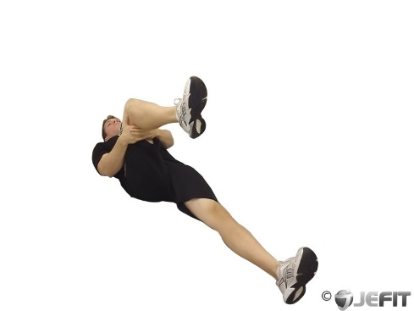 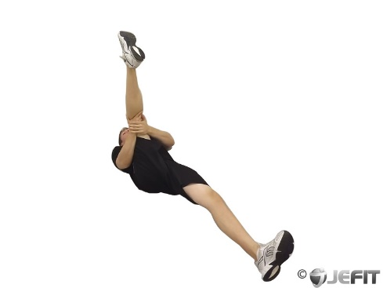
2 | Ab Crunch Machine | Abs | Strength | Machine - Strength | Beginner |  | 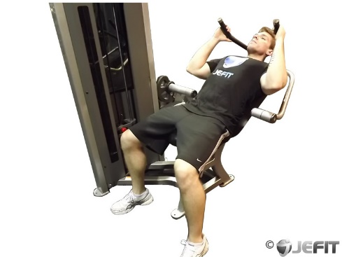 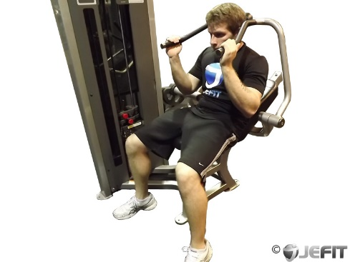
3 | Ab Draw Leg Slide | Abs | Strength | Body Only | Intermediate |  | 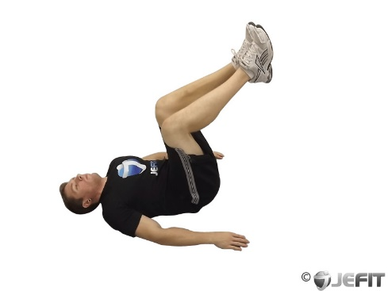 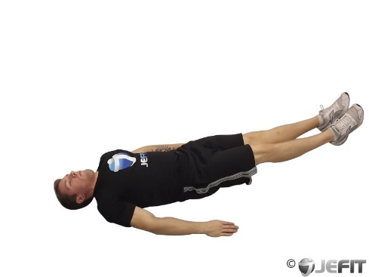
4 | Abdominal Pendulum | Abs | Strength | Body Only | Beginner |  | 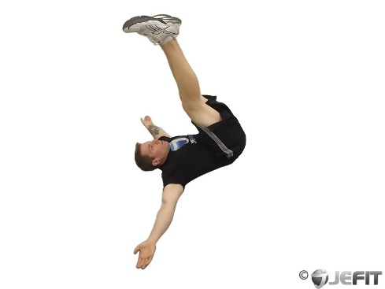 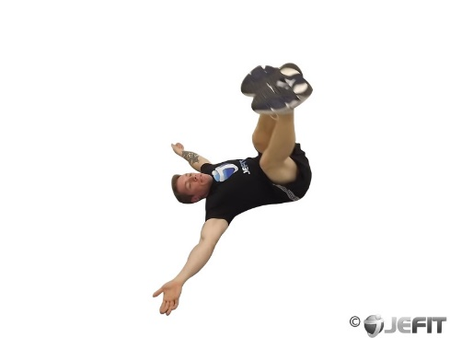
5 | Aerobics | Cardio | Cardio | Others | Beginner |  | 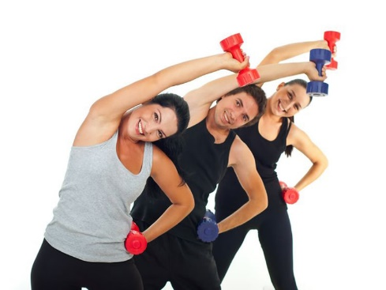
6 | Air Bike | Abs | Strength | Body Only | Beginner |  | 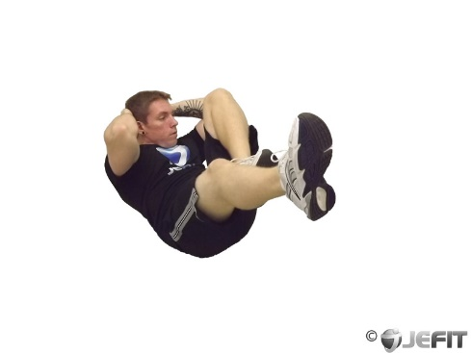 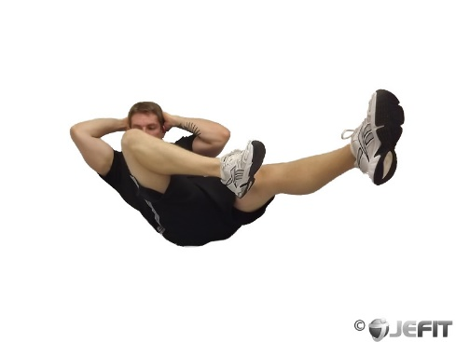
7 | All Fours Squad Stretch | Upper Legs | Stretching | Body Only | Intermediate |  | 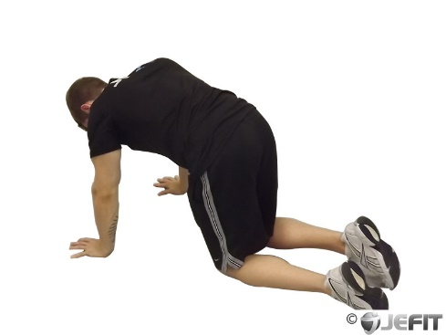 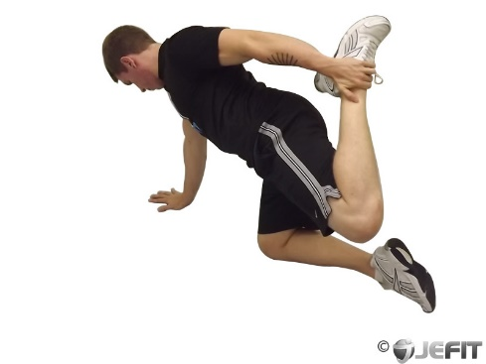
8 | Alternate Heel Touchers | Abs | Strength | Body Only | Beginner |  | 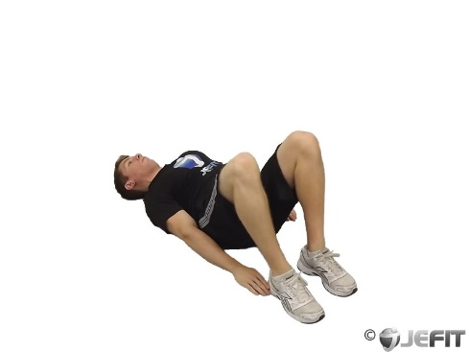 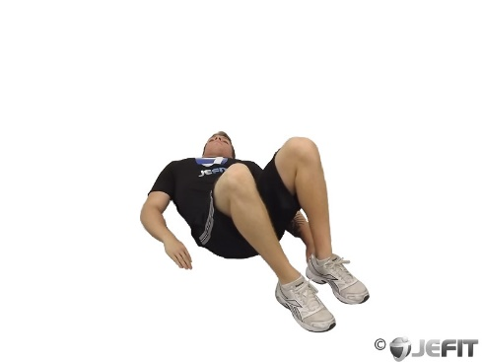
9 | Alternate Leg Bridge | Abs | Strength | Body Only | Intermediate |  | 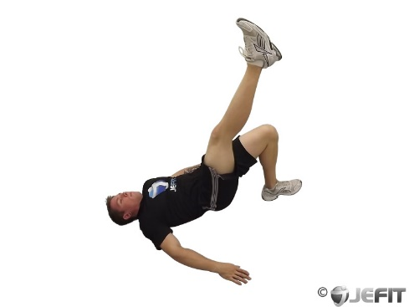 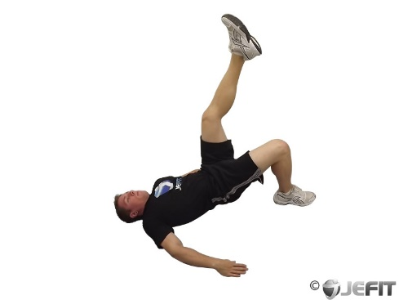
10 | 1 Leg Pushup | Chest | Strength | Body Only | Beginner
11 | 90 90 Hamstring | Upper Legs | Stretching | Body Only | Beginner
12 | Ab Crunch Machine | Abs | Strength | Machine - Strength | Beginner
13 | Ab Draw Leg Slide | Abs | Strength | Body Only | Intermediate
14 | Abdominal Pendulum | Abs | Strength | Body Only | Beginner
15 | Aerobics | Cardio | Cardio | Others | Beginner
16 | Air Bike | Abs | Strength | Body Only | Beginner
17 | All Fours Squad Stretch | Upper Legs | Stretching | Body Only | Intermediate
18 | Alternate Heel Touchers | Abs | Strength | Body Only | Beginner
19 | Alternate Leg Bridge | Abs | Strength | Body Only | Intermediate
20 | 1 Leg Pushup | Chest | Strength | Body Only | Beginner
21 | 90 90 Hamstring | Upper Legs | Stretching | Body Only | Beginner
22 | Ab Crunch Machine | Abs | Strength | Machine - Strength | Beginner
23 | Ab Draw Leg Slide | Abs | Strength | Body Only | Intermediate
24 | Abdominal Pendulum | Abs | Strength | Body Only | Beginner
25 | Aerobics | Cardio | Cardio | Others | Beginner
26 | Air Bike | Abs | Strength | Body Only | Beginner
27 | All Fours Squad Stretch | Upper Legs | Stretching | Body Only | Intermediate
28 | Alternate Heel Touchers | Abs | Strength | Body Only | Beginner
29 | Alternate Leg Bridge | Abs | Strength | Body Only | Intermediate
30 | 1 Leg Pushup | Chest | Strength | Body Only | Beginner
31 | 90 90 Hamstring | Upper Legs | Stretching | Body Only | Beginner
32 | Ab Crunch Machine | Abs | Strength | Machine - Strength | Beginner
33 | Ab Draw Leg Slide | Abs | Strength | Body Only | Intermediate
34 | Abdominal Pendulum | Abs | Strength | Body Only | Beginner
35 | Aerobics | Cardio | Cardio | Others | Beginner
36 | Air Bike | Abs | Strength | Body Only | Beginner
37 | All Fours Squad Stretch | Upper Legs | Stretching | Body Only | Intermediate
38 | Alternate Heel Touchers | Abs | Strength | Body Only | Beginner
39 | Alternate Leg Bridge | Abs | Strength | Body Only | Intermediate
40 | 1 Leg Pushup | Chest | Strength | Body Only | Beginner
41 | 90 90 Hamstring | Upper Legs | Stretching | Body Only | Beginner
42 | Ab Crunch Machine | Abs | Strength | Machine - Strength | Beginner
43 | Ab Draw Leg Slide | Abs | Strength | Body Only | Intermediate
44 | Abdominal Pendulum | Abs | Strength | Body Only | Beginner
45 | Aerobics | Cardio | Cardio | Others | Beginner
46 | Air Bike | Abs | Strength | Body Only | Beginner
47 | All Fours Squad Stretch | Upper Legs | Stretching | Body Only | Intermediate
48 | Alternate Heel Touchers | Abs | Strength | Body Only | Beginner
49 | Alternate Leg Bridge | Abs | Strength | Body Only | Intermediate
50 | 1 Leg Pushup | Chest | Strength | Body Only | Beginner
51 | 90 90 Hamstring | Upper Legs | Stretching | Body Only | Beginner
52 | Ab Crunch Machine | Abs | Strength | Machine - Strength | Beginner
53 | Ab Draw Leg Slide | Abs | Strength | Body Only | Intermediate
54 | Abdominal Pendulum | Abs | Strength | Body Only | Beginner
55 | Aerobics | Cardio | Cardio | Others | Beginner
56 | Air Bike | Abs | Strength | Body Only | Beginner
57 | All Fours Squad Stretch | Upper Legs | Stretching | Body Only | Intermediate
58 | Alternate Heel Touchers | Abs | Strength | Body Only | Beginner
59 | Alternate Leg Bridge | Abs | Strength | Body Only | Intermediate
60 | 1 Leg Pushup | Chest | Strength | Body Only | Beginner
61 | 90 90 Hamstring | Upper Legs | Stretching | Body Only | Beginner
62 | Ab Crunch Machine | Abs | Strength | Machine - Strength | Beginner
63 | Ab Draw Leg Slide | Abs | Strength | Body Only | Intermediate
64 | Abdominal Pendulum | Abs | Strength | Body Only | Beginner
65 | Aerobics | Cardio | Cardio | Others | Beginner
66 | Air Bike | Abs | Strength | Body Only | Beginner
67 | All Fours Squad Stretch | Upper Legs | Stretching | Body Only | Intermediate
68 | Alternate Heel Touchers | Abs | Strength | Body Only | Beginner
69 | Alternate Leg Bridge | Abs | Strength | Body Only | Intermediate
70 | 1 Leg Pushup | Chest | Strength | Body Only | Beginner
71 | 90 90 Hamstring | Upper Legs | Stretching | Body Only | Beginner
72 | Ab Crunch Machine | Abs | Strength | Machine - Strength | Beginner
73 | Ab Draw Leg Slide | Abs | Strength | Body Only | Intermediate
74 | Abdominal Pendulum | Abs | Strength | Body Only | Beginner
75 | Aerobics | Cardio | Cardio | Others | Beginner
76 | Air Bike | Abs | Strength | Body Only | Beginner
77 | All Fours Squad Stretch | Upper Legs | Stretching | Body Only | Intermediate
78 | Alternate Heel Touchers | Abs | Strength | Body Only | Beginner
79 | Alternate Leg Bridge | Abs | Strength | Body Only | Intermediate
80 | 1 Leg Pushup | Chest | Strength | Body Only | Beginner
81 | 90 90 Hamstring | Upper Legs | Stretching | Body Only | Beginner
82 | Ab Crunch Machine | Abs | Strength | Machine - Strength | Beginner
83 | Ab Draw Leg Slide | Abs | Strength | Body Only | Intermediate
84 | Abdominal Pendulum | Abs | Strength | Body Only | Beginner
85 | Aerobics | Cardio | Cardio | Others | Beginner
86 | Air Bike | Abs | Strength | Body Only | Beginner
87 | All Fours Squad Stretch | Upper Legs | Stretching | Body Only | Intermediate
88 | Alternate Heel Touchers | Abs | Strength | Body Only | Beginner
89 | Alternate Leg Bridge | Abs | Strength | Body Only | Intermediate
90 | 1 Leg Pushup | Chest | Strength | Body Only | Beginner
91 | 90 90 Hamstring | Upper Legs | Stretching | Body Only | Beginner
92 | Ab Crunch Machine | Abs | Strength | Machine - Strength | Beginner
93 | Ab Draw Leg Slide | Abs | Strength | Body Only | Intermediate
94 | Abdominal Pendulum | Abs | Strength | Body Only | Beginner
95 | Aerobics | Cardio | Cardio | Others | Beginner
96 | Air Bike | Abs | Strength | Body Only | Beginner
97 | All Fours Squad Stretch | Upper Legs | Stretching | Body Only | Intermediate
98 | Alternate Heel Touchers | Abs | Strength | Body Only | Beginner
99 | Alternate Leg Bridge | Abs | Strength | Body Only | Intermediate
100 | 1 Leg Pushup | Chest | Strength | Body Only | Beginner
101 | 90 90 Hamstring | Upper Legs | Stretching | Body Only | Beginner
102 | Ab Crunch Machine | Abs | Strength | Machine - Strength | Beginner
103 | Ab Draw Leg Slide | Abs | Strength | Body Only | Intermediate
104 | Abdominal Pendulum | Abs | Strength | Body Only | Beginner
105 | Aerobics | Cardio | Cardio | Others | Beginner
106 | Air Bike | Abs | Strength | Body Only | Beginner
107 | All Fours Squad Stretch | Upper Legs | Stretching | Body Only | Intermediate
108 | Alternate Heel Touchers | Abs | Strength | Body Only | Beginner
109 | Alternate Leg Bridge | Abs | Strength | Body Only | Intermediate
110 | 1 Leg Pushup | Chest | Strength | Body Only | Beginner
111 | 90 90 Hamstring | Upper Legs | Stretching | Body Only | Beginner
112 | Ab Crunch Machine | Abs | Strength | Machine - Strength | Beginner
113 | Ab Draw Leg Slide | Abs | Strength | Body Only | Intermediate
114 | Abdominal Pendulum | Abs | Strength | Body Only | Beginner
115 | Aerobics | Cardio | Cardio | Others | Beginner
116 | Air Bike | Abs | Strength | Body Only | Beginner
117 | All Fours Squad Stretch | Upper Legs | Stretching | Body Only | Intermediate
118 | Alternate Heel Touchers | Abs | Strength | Body Only | Beginner
119 | Alternate Leg Bridge | Abs | Strength | Body Only | Intermediate
120 | 1 Leg Pushup | Chest | Strength | Body Only | Beginner
121 | 90 90 Hamstring | Upper Legs | Stretching | Body Only | Beginner
122 | Ab Crunch Machine | Abs | Strength | Machine - Strength | Beginner
123 | Ab Draw Leg Slide | Abs | Strength | Body Only | Intermediate
124 | Abdominal Pendulum | Abs | Strength | Body Only | Beginner
125 | Aerobics | Cardio | Cardio | Others | Beginner
126 | Air Bike | Abs | Strength | Body Only | Beginner
127 | All Fours Squad Stretch | Upper Legs | Stretching | Body Only | Intermediate
128 | Alternate Heel Touchers | Abs | Strength | Body Only | Beginner
129 | Alternate Leg Bridge | Abs | Strength | Body Only | Intermediate
130 | 1 Leg Pushup | Chest | Strength | Body Only | Beginner
131 | 90 90 Hamstring | Upper Legs | Stretching | Body Only | Beginner
132 | Ab Crunch Machine | Abs | Strength | Machine - Strength | Beginner
133 | Ab Draw Leg Slide | Abs | Strength | Body Only | Intermediate
134 | Abdominal Pendulum | Abs | Strength | Body Only | Beginner
135 | Aerobics | Cardio | Cardio | Others | Beginner
136 | Air Bike | Abs | Strength | Body Only | Beginner
137 | All Fours Squad Stretch | Upper Legs | Stretching | Body Only | Intermediate
138 | Alternate Heel Touchers | Abs | Strength | Body Only | Beginner
139 | Alternate Leg Bridge | Abs | Strength | Body Only | Intermediate
140 | 1 Leg Pushup | Chest | Strength | Body Only | Beginner
141 | 90 90 Hamstring | Upper Legs | Stretching | Body Only | Beginner
142 | Ab Crunch Machine | Abs | Strength | Machine - Strength | Beginner
143 | Ab Draw Leg Slide | Abs | Strength | Body Only | Intermediate
144 | Abdominal Pendulum | Abs | Strength | Body Only | Beginner
145 | Aerobics | Cardio | Cardio | Others | Beginner
146 | Air Bike | Abs | Strength | Body Only | Beginner
147 | All Fours Squad Stretch | Upper Legs | Stretching | Body Only | Intermediate
148 | Alternate Heel Touchers | Abs | Strength | Body Only | Beginner
149 | Alternate Leg Bridge | Abs | Strength | Body Only | Intermediate
150 | 1 Leg Pushup | Chest | Strength | Body Only | Beginner
151 | 90 90 Hamstring | Upper Legs | Stretching | Body Only | Beginner
152 | Ab Crunch Machine | Abs | Strength | Machine - Strength | Beginner
153 | Ab Draw Leg Slide | Abs | Strength | Body Only | Intermediate
154 | Abdominal Pendulum | Abs | Strength | Body Only | Beginner
155 | Aerobics | Cardio | Cardio | Others | Beginner
156 | Air Bike | Abs | Strength | Body Only | Beginner
157 | All Fours Squad Stretch | Upper Legs | Stretching | Body Only | Intermediate
158 | Alternate Heel Touchers | Abs | Strength | Body Only | Beginner
159 | Alternate Leg Bridge | Abs | Strength | Body Only | Intermediate
160 | 1 Leg Pushup | Chest | Strength | Body Only | Beginner
161 | 90 90 Hamstring | Upper Legs | Stretching | Body Only | Beginner
162 | Ab Crunch Machine | Abs | Strength | Machine - Strength | Beginner
163 | Ab Draw Leg Slide | Abs | Strength | Body Only | Intermediate
164 | Abdominal Pendulum | Abs | Strength | Body Only | Beginner
165 | Aerobics | Cardio | Cardio | Others | Beginner
166 | Air Bike | Abs | Strength | Body Only | Beginner
167 | All Fours Squad Stretch | Upper Legs | Stretching | Body Only | Intermediate
168 | Alternate Heel Touchers | Abs | Strength | Body Only | Beginner
169 | Alternate Leg Bridge | Abs | Strength | Body Only | Intermediate
170 | 1 Leg Pushup | Chest | Strength | Body Only | Beginner
171 | 90 90 Hamstring | Upper Legs | Stretching | Body Only | Beginner
172 | Ab Crunch Machine | Abs | Strength | Machine - Strength | Beginner
173 | Ab Draw Leg Slide | Abs | Strength | Body Only | Intermediate
174 | Abdominal Pendulum | Abs | Strength | Body Only | Beginner
175 | Aerobics | Cardio | Cardio | Others | Beginner
176 | Air Bike | Abs | Strength | Body Only | Beginner
177 | All Fours Squad Stretch | Upper Legs | Stretching | Body Only | Intermediate
178 | Alternate Heel Touchers | Abs | Strength | Body Only | Beginner
179 | Alternate Leg Bridge | Abs | Strength | Body Only | Intermediate
180 | 1 Leg Pushup | Chest | Strength | Body Only | Beginner
181 | 90 90 Hamstring | Upper Legs | Stretching | Body Only | Beginner
182 | Ab Crunch Machine | Abs | Strength | Machine - Strength | Beginner
183 | Ab Draw Leg Slide | Abs | Strength | Body Only | Intermediate
184 | Abdominal Pendulum | Abs | Strength | Body Only | Beginner
185 | Aerobics | Cardio | Cardio | Others | Beginner
186 | Air Bike | Abs | Strength | Body Only | Beginner
187 | All Fours Squad Stretch | Upper Legs | Stretching | Body Only | Intermediate
188 | Alternate Heel Touchers | Abs | Strength | Body Only | Beginner
189 | Alternate Leg Bridge | Abs | Strength | Body Only | Intermediate
190 | 1 Leg Pushup | Chest | Strength | Body Only | Beginner
191 | 90 90 Hamstring | Upper Legs | Stretching | Body Only | Beginner
192 | Ab Crunch Machine | Abs | Strength | Machine - Strength | Beginner
193 | Ab Draw Leg Slide | Abs | Strength | Body Only | Intermediate
194 | Abdominal Pendulum | Abs | Strength | Body Only | Beginner
195 | Aerobics | Cardio | Cardio | Others | Beginner
196 | Air Bike | Abs | Strength | Body Only | Beginner
197 | All Fours Squad Stretch | Upper Legs | Stretching | Body Only | Intermediate
198 | Alternate Heel Touchers | Abs | Strength | Body Only | Beginner
199 | Alternate Leg Bridge | Abs | Strength | Body Only | Intermediate
200 | 1 Leg Pushup | Chest | Strength | Body Only | Beginner
201 | 90 90 Hamstring | Upper Legs | Stretching | Body Only | Beginner
202 | Ab Crunch Machine | Abs | Strength | Machine - Strength | Beginner
203 | Ab Draw Leg Slide | Abs | Strength | Body Only | Intermediate
204 | Abdominal Pendulum | Abs | Strength | Body Only | Beginner
205 | Aerobics | Cardio | Cardio | Others | Beginner
206 | Air Bike | Abs | Strength | Body Only | Beginner
207 | All Fours Squad Stretch | Upper Legs | Stretching | Body Only | Intermediate
208 | Alternate Heel Touchers | Abs | Strength | Body Only | Beginner
209 | Alternate Leg Bridge | Abs | Strength | Body Only | Intermediate
210 | 1 Leg Pushup | Chest | Strength | Body Only | Beginner
211 | 90 90 Hamstring | Upper Legs | Stretching | Body Only | Beginner
212 | Ab Crunch Machine | Abs | Strength | Machine - Strength | Beginner
213 | Ab Draw Leg Slide | Abs | Strength | Body Only | Intermediate
214 | Abdominal Pendulum | Abs | Strength | Body Only | Beginner
215 | Aerobics | Cardio | Cardio | Others | Beginner
216 | Air Bike | Abs | Strength | Body Only | Beginner
217 | All Fours Squad Stretch | Upper Legs | Stretching | Body Only | Intermediate
218 | Alternate Heel Touchers | Abs | Strength | Body Only | Beginner
219 | Alternate Leg Bridge | Abs | Strength | Body Only | Intermediate
220 | 1 Leg Pushup | Chest | Strength | Body Only | Beginner
221 | 90 90 Hamstring | Upper Legs | Stretching | Body Only | Beginner
222 | Ab Crunch Machine | Abs | Strength | Machine - Strength | Beginner
223 | Ab Draw Leg Slide | Abs | Strength | Body Only | Intermediate
224 | Abdominal Pendulum | Abs | Strength | Body Only | Beginner
225 | Aerobics | Cardio | Cardio | Others | Beginner
226 | Air Bike | Abs | Strength | Body Only | Beginner
227 | All Fours Squad Stretch | Upper Legs | Stretching | Body Only | Intermediate
228 | Alternate Heel Touchers | Abs | Strength | Body Only | Beginner
229 | Alternate Leg Bridge | Abs | Strength | Body Only | Intermediate
230 | 1 Leg Pushup | Chest | Strength | Body Only | Beginner
231 | 90 90 Hamstring | Upper Legs | Stretching | Body Only | Beginner
232 | Ab Crunch Machine | Abs | Strength | Machine - Strength | Beginner
233 | Ab Draw Leg Slide | Abs | Strength | Body Only | Intermediate
234 | Abdominal Pendulum | Abs | Strength | Body Only | Beginner
235 | Aerobics | Cardio | Cardio | Others | Beginner
236 | Air Bike | Abs | Strength | Body Only | Beginner
237 | All Fours Squad Stretch | Upper Legs | Stretching | Body Only | Intermediate
238 | Alternate Heel Touchers | Abs | Strength | Body Only | Beginner
239 | Alternate Leg Bridge | Abs | Strength | Body Only | Intermediate
240 | 1 Leg Pushup | Chest | Strength | Body Only | Beginner
241 | 90 90 Hamstring | Upper Legs | Stretching | Body Only | Beginner
242 | Ab Crunch Machine | Abs | Strength | Machine - Strength | Beginner
243 | Ab Draw Leg Slide | Abs | Strength | Body Only | Intermediate
244 | Abdominal Pendulum | Abs | Strength | Body Only | Beginner
245 | Aerobics | Cardio | Cardio | Others | Beginner
246 | Air Bike | Abs | Strength | Body Only | Beginner
247 | All Fours Squad Stretch | Upper Legs | Stretching | Body Only | Intermediate
248 | Alternate Heel Touchers | Abs | Strength | Body Only | Beginner
249 | Alternate Leg Bridge | Abs | Strength | Body Only | Intermediate
250 | 1 Leg Pushup | Chest | Strength | Body Only | Beginner
251 | 90 90 Hamstring | Upper Legs | Stretching | Body Only | Beginner
252 | Ab Crunch Machine | Abs | Strength | Machine - Strength | Beginner
253 | Ab Draw Leg Slide | Abs | Strength | Body Only | Intermediate
254 | Abdominal Pendulum | Abs | Strength | Body Only | Beginner
255 | Aerobics | Cardio | Cardio | Others | Beginner
256 | Air Bike | Abs | Strength | Body Only | Beginner
257 | All Fours Squad Stretch | Upper Legs | Stretching | Body Only | Intermediate
258 | Alternate Heel Touchers | Abs | Strength | Body Only | Beginner
259 | Alternate Leg Bridge | Abs | Strength | Body Only | Intermediate
260 | 1 Leg Pushup | Chest | Strength | Body Only | Beginner
261 | 90 90 Hamstring | Upper Legs | Stretching | Body Only | Beginner
262 | Ab Crunch Machine | Abs | Strength | Machine - Strength | Beginner
263 | Ab Draw Leg Slide | Abs | Strength | Body Only | Intermediate
264 | Abdominal Pendulum | Abs | Strength | Body Only | Beginner
265 | Aerobics | Cardio | Cardio | Others | Beginner
266 | Air Bike | Abs | Strength | Body Only | Beginner
267 | All Fours Squad Stretch | Upper Legs | Stretching | Body Only | Intermediate
268 | Alternate Heel Touchers | Abs | Strength | Body Only | Beginner
269 | Alternate Leg Bridge | Abs | Strength | Body Only | Intermediate
270 | 1 Leg Pushup | Chest | Strength | Body Only | Beginner
271 | 90 90 Hamstring | Upper Legs | Stretching | Body Only | Beginner
272 | Ab Crunch Machine | Abs | Strength | Machine - Strength | Beginner
273 | Ab Draw Leg Slide | Abs | Strength | Body Only | Intermediate
274 | Abdominal Pendulum | Abs | Strength | Body Only | Beginner
275 | Aerobics | Cardio | Cardio | Others | Beginner
276 | Air Bike | Abs | Strength | Body Only | Beginner
277 | All Fours Squad Stretch | Upper Legs | Stretching | Body Only | Intermediate
278 | Alternate Heel Touchers | Abs | Strength | Body Only | Beginner
279 | Alternate Leg Bridge | Abs | Strength | Body Only | Intermediate
280 | 1 Leg Pushup | Chest | Strength | Body Only | Beginner
281 | 90 90 Hamstring | Upper Legs | Stretching | Body Only | Beginner
282 | Ab Crunch Machine | Abs | Strength | Machine - Strength | Beginner
283 | Ab Draw Leg Slide | Abs | Strength | Body Only | Intermediate
284 | Abdominal Pendulum | Abs | Strength | Body Only | Beginner
285 | Aerobics | Cardio | Cardio | Others | Beginner
286 | Air Bike | Abs | Strength | Body Only | Beginner
287 | All Fours Squad Stretch | Upper Legs | Stretching | Body Only | Intermediate
288 | Alternate Heel Touchers | Abs | Strength | Body Only | Beginner
289 | Alternate Leg Bridge | Abs | Strength | Body Only | Intermediate
290 | 1 Leg Pushup | Chest | Strength | Body Only | Beginner
291 | 90 90 Hamstring | Upper Legs | Stretching | Body Only | Beginner
292 | Ab Crunch Machine | Abs | Strength | Machine - Strength | Beginner
293 | Ab Draw Leg Slide | Abs | Strength | Body Only | Intermediate
294 | Abdominal Pendulum | Abs | Strength | Body Only | Beginner
295 | Aerobics | Cardio | Cardio | Others | Beginner
296 | Air Bike | Abs | Strength | Body Only | Beginner
297 | All Fours Squad Stretch | Upper Legs | Stretching | Body Only | Intermediate
298 | Alternate Heel Touchers | Abs | Strength | Body Only | Beginner
299 | Alternate Leg Bridge | Abs | Strength | Body Only | Intermediate
300 | 1 Leg Pushup | Chest | Strength | Body Only | Beginner
301 | 90 90 Hamstring | Upper Legs | Stretching | Body Only | Beginner
302 | Ab Crunch Machine | Abs | Strength | Machine - Strength | Beginner
303 | Ab Draw Leg Slide | Abs | Strength | Body Only | Intermediate
304 | Abdominal Pendulum | Abs | Strength | Body Only | Beginner
305 | Aerobics | Cardio | Cardio | Others | Beginner
306 | Air Bike | Abs | Strength | Body Only | Beginner
307 | All Fours Squad Stretch | Upper Legs | Stretching | Body Only | Intermediate
308 | Alternate Heel Touchers | Abs | Strength | Body Only | Beginner
309 | Alternate Leg Bridge | Abs | Strength | Body Only | Intermediate
310 | 1 Leg Pushup | Chest | Strength | Body Only | Beginner
311 | 90 90 Hamstring | Upper Legs | Stretching | Body Only | Beginner
312 | Ab Crunch Machine | Abs | Strength | Machine - Strength | Beginner
313 | Ab Draw Leg Slide | Abs | Strength | Body Only | Intermediate
314 | Abdominal Pendulum | Abs | Strength | Body Only | Beginner
315 | Aerobics | Cardio | Cardio | Others | Beginner
316 | Air Bike | Abs | Strength | Body Only | Beginner
317 | All Fours Squad Stretch | Upper Legs | Stretching | Body Only | Intermediate
318 | Alternate Heel Touchers | Abs | Strength | Body Only | Beginner
319 | Alternate Leg Bridge | Abs | Strength | Body Only | Intermediate
320 | 1 Leg Pushup | Chest | Strength | Body Only | Beginner
321 | 90 90 Hamstring | Upper Legs | Stretching | Body Only | Beginner
322 | Ab Crunch Machine | Abs | Strength | Machine - Strength | Beginner
323 | Ab Draw Leg Slide | Abs | Strength | Body Only | Intermediate
324 | Abdominal Pendulum | Abs | Strength | Body Only | Beginner
325 | Aerobics | Cardio | Cardio | Others | Beginner
326 | Air Bike | Abs | Strength | Body Only | Beginner
327 | All Fours Squad Stretch | Upper Legs | Stretching | Body Only | Intermediate
328 | Alternate Heel Touchers | Abs | Strength | Body Only | Beginner
329 | Alternate Leg Bridge | Abs | Strength | Body Only | Intermediate
330 | 1 Leg Pushup | Chest | Strength | Body Only | Beginner
331 | 90 90 Hamstring | Upper Legs | Stretching | Body Only | Beginner
332 | Ab Crunch Machine | Abs | Strength | Machine - Strength | Beginner
333 | Ab Draw Leg Slide | Abs | Strength | Body Only | Intermediate
334 | Abdominal Pendulum | Abs | Strength | Body Only | Beginner
335 | Aerobics | Cardio | Cardio | Others | Beginner
336 | Air Bike | Abs | Strength | Body Only | Beginner
337 | All Fours Squad Stretch | Upper Legs | Stretching | Body Only | Intermediate
338 | Alternate Heel Touchers | Abs | Strength | Body Only | Beginner
339 | Alternate Leg Bridge | Abs | Strength | Body Only | Intermediate
340 | 1 Leg Pushup | Chest | Strength | Body Only | Beginner
341 | 90 90 Hamstring | Upper Legs | Stretching | Body Only | Beginner
342 | Ab Crunch Machine | Abs | Strength | Machine - Strength | Beginner
343 | Ab Draw Leg Slide | Abs | Strength | Body Only | Intermediate
344 | Abdominal Pendulum | Abs | Strength | Body Only | Beginner
345 | Aerobics | Cardio | Cardio | Others | Beginner
346 | Air Bike | Abs | Strength | Body Only | Beginner
347 | All Fours Squad Stretch | Upper Legs | Stretching | Body Only | Intermediate
348 | Alternate Heel Touchers | Abs | Strength | Body Only | Beginner
349 | Alternate Leg Bridge | Abs | Strength | Body Only | Intermediate
350 | 1 Leg Pushup | Chest | Strength | Body Only | Beginner
351 | 90 90 Hamstring | Upper Legs | Stretching | Body Only | Beginner
352 | Ab Crunch Machine | Abs | Strength | Machine - Strength | Beginner
353 | Ab Draw Leg Slide | Abs | Strength | Body Only | Intermediate
354 | Abdominal Pendulum | Abs | Strength | Body Only | Beginner
355 | Aerobics | Cardio | Cardio | Others | Beginner
356 | Air Bike | Abs | Strength | Body Only | Beginner
357 | All Fours Squad Stretch | Upper Legs | Stretching | Body Only | Intermediate
358 | Alternate Heel Touchers | Abs | Strength | Body Only | Beginner
359 | Alternate Leg Bridge | Abs | Strength | Body Only | Intermediate
360 | 1 Leg Pushup | Chest | Strength | Body Only | Beginner
361 | 90 90 Hamstring | Upper Legs | Stretching | Body Only | Beginner
362 | Ab Crunch Machine | Abs | Strength | Machine - Strength | Beginner
363 | Ab Draw Leg Slide | Abs | Strength | Body Only | Intermediate
364 | Abdominal Pendulum | Abs | Strength | Body Only | Beginner
365 | Aerobics | Cardio | Cardio | Others | Beginner
366 | Air Bike | Abs | Strength | Body Only | Beginner
367 | All Fours Squad Stretch | Upper Legs | Stretching | Body Only | Intermediate
368 | Alternate Heel Touchers | Abs | Strength | Body Only | Beginner
369 | Alternate Leg Bridge | Abs | Strength | Body Only | Intermediate
370 | 1 Leg Pushup | Chest | Strength | Body Only | Beginner
371 | 90 90 Hamstring | Upper Legs | Stretching | Body Only | Beginner
372 | Ab Crunch Machine | Abs | Strength | Machine - Strength | Beginner
373 | Ab Draw Leg Slide | Abs | Strength | Body Only | Intermediate
374 | Abdominal Pendulum | Abs | Strength | Body Only | Beginner
375 | Aerobics | Cardio | Cardio | Others | Beginner
376 | Air Bike | Abs | Strength | Body Only | Beginner
377 | All Fours Squad Stretch | Upper Legs | Stretching | Body Only | Intermediate
378 | Alternate Heel Touchers | Abs | Strength | Body Only | Beginner
379 | Alternate Leg Bridge | Abs | Strength | Body Only | Intermediate
380 | 1 Leg Pushup | Chest | Strength | Body Only | Beginner
381 | 90 90 Hamstring | Upper Legs | Stretching | Body Only | Beginner
382 | Ab Crunch Machine | Abs | Strength | Machine - Strength | Beginner
383 | Ab Draw Leg Slide | Abs | Strength | Body Only | Intermediate
384 | Abdominal Pendulum | Abs | Strength | Body Only | Beginner
385 | Aerobics | Cardio | Cardio | Others | Beginner
386 | Air Bike | Abs | Strength | Body Only | Beginner
387 | All Fours Squad Stretch | Upper Legs | Stretching | Body Only | Intermediate
388 | Alternate Heel Touchers | Abs | Strength | Body Only | Beginner
389 | Alternate Leg Bridge | Abs | Strength | Body Only | Intermediate
390 | 1 Leg Pushup | Chest | Strength | Body Only | Beginner
391 | 90 90 Hamstring | Upper Legs | Stretching | Body Only | Beginner
392 | Ab Crunch Machine | Abs | Strength | Machine - Strength | Beginner
393 | Ab Draw Leg Slide | Abs | Strength | Body Only | Intermediate
394 | Abdominal Pendulum | Abs | Strength | Body Only | Beginner
395 | Aerobics | Cardio | Cardio | Others | Beginner
396 | Air Bike | Abs | Strength | Body Only | Beginner
397 | All Fours Squad Stretch | Upper Legs | Stretching | Body Only | Intermediate
398 | Alternate Heel Touchers | Abs | Strength | Body Only | Beginner
399 | Alternate Leg Bridge | Abs | Strength | Body Only | Intermediate
400 | 1 Leg Pushup | Chest | Strength | Body Only | Beginner
401 | 90 90 Hamstring | Upper Legs | Stretching | Body Only | Beginner
402 | Ab Crunch Machine | Abs | Strength | Machine - Strength | Beginner
403 | Ab Draw Leg Slide | Abs | Strength | Body Only | Intermediate
404 | Abdominal Pendulum | Abs | Strength | Body Only | Beginner
405 | Aerobics | Cardio | Cardio | Others | Beginner
406 | Air Bike | Abs | Strength | Body Only | Beginner
407 | All Fours Squad Stretch | Upper Legs | Stretching | Body Only | Intermediate
408 | Alternate Heel Touchers | Abs | Strength | Body Only | Beginner
409 | Alternate Leg Bridge | Abs | Strength | Body Only | Intermediate
410 | 1 Leg Pushup | Chest | Strength | Body Only | Beginner
411 | 90 90 Hamstring | Upper Legs | Stretching | Body Only | Beginner
412 | Ab Crunch Machine | Abs | Strength | Machine - Strength | Beginner
413 | Ab Draw Leg Slide | Abs | Strength | Body Only | Intermediate
414 | Abdominal Pendulum | Abs | Strength | Body Only | Beginner
415 | Aerobics | Cardio | Cardio | Others | Beginner
416 | Air Bike | Abs | Strength | Body Only | Beginner
417 | All Fours Squad Stretch | Upper Legs | Stretching | Body Only | Intermediate
418 | Alternate Heel Touchers | Abs | Strength | Body Only | Beginner
419 | Alternate Leg Bridge | Abs | Strength | Body Only | Intermediate
420 | 1 Leg Pushup | Chest | Strength | Body Only | Beginner
421 | 90 90 Hamstring | Upper Legs | Stretching | Body Only | Beginner
422 | Ab Crunch Machine | Abs | Strength | Machine - Strength | Beginner
423 | Ab Draw Leg Slide | Abs | Strength | Body Only | Intermediate
424 | Abdominal Pendulum | Abs | Strength | Body Only | Beginner
425 | Aerobics | Cardio | Cardio | Others | Beginner
426 | Air Bike | Abs | Strength | Body Only | Beginner
427 | All Fours Squad Stretch | Upper Legs | Stretching | Body Only | Intermediate
428 | Alternate Heel Touchers | Abs | Strength | Body Only | Beginner
429 | Alternate Leg Bridge | Abs | Strength | Body Only | Intermediate
430 | 1 Leg Pushup | Chest | Strength | Body Only | Beginner
431 | 90 90 Hamstring | Upper Legs | Stretching | Body Only | Beginner
432 | Ab Crunch Machine | Abs | Strength | Machine - Strength | Beginner
433 | Ab Draw Leg Slide | Abs | Strength | Body Only | Intermediate
434 | Abdominal Pendulum | Abs | Strength | Body Only | Beginner
435 | Aerobics | Cardio | Cardio | Others | Beginner
436 | Air Bike | Abs | Strength | Body Only | Beginner
437 | All Fours Squad Stretch | Upper Legs | Stretching | Body Only | Intermediate
438 | Alternate Heel Touchers | Abs | Strength | Body Only | Beginner
439 | Alternate Leg Bridge | Abs | Strength | Body Only | Intermediate
440 | 1 Leg Pushup | Chest | Strength | Body Only | Beginner
441 | 90 90 Hamstring | Upper Legs | Stretching | Body Only | Beginner
442 | Ab Crunch Machine | Abs | Strength | Machine - Strength | Beginner
443 | Ab Draw Leg Slide | Abs | Strength | Body Only | Intermediate
444 | Abdominal Pendulum | Abs | Strength | Body Only | Beginner
445 | Aerobics | Cardio | Cardio | Others | Beginner
446 | Air Bike | Abs | Strength | Body Only | Beginner
447 | All Fours Squad Stretch | Upper Legs | Stretching | Body Only | Intermediate
448 | Alternate Heel Touchers | Abs | Strength | Body Only | Beginner
449 | Alternate Leg Bridge | Abs | Strength | Body Only | Intermediate
450 | 1 Leg Pushup | Chest | Strength | Body Only | Beginner
451 | 90 90 Hamstring | Upper Legs | Stretching | Body Only | Beginner
452 | Ab Crunch Machine | Abs | Strength | Machine - Strength | Beginner
453 | Ab Draw Leg Slide | Abs | Strength | Body Only | Intermediate
454 | Abdominal Pendulum | Abs | Strength | Body Only | Beginner
455 | Aerobics | Cardio | Cardio | Others | Beginner
456 | Air Bike | Abs | Strength | Body Only | Beginner
457 | All Fours Squad Stretch | Upper Legs | Stretching | Body Only | Intermediate
458 | Alternate Heel Touchers | Abs | Strength | Body Only | Beginner
459 | Alternate Leg Bridge | Abs | Strength | Body Only | Intermediate
460 | 1 Leg Pushup | Chest | Strength | Body Only | Beginner
461 | 90 90 Hamstring | Upper Legs | Stretching | Body Only | Beginner
462 | Ab Crunch Machine | Abs | Strength | Machine - Strength | Beginner
463 | Ab Draw Leg Slide | Abs | Strength | Body Only | Intermediate
464 | Abdominal Pendulum | Abs | Strength | Body Only | Beginner
465 | Aerobics | Cardio | Cardio | Others | Beginner
466 | Air Bike | Abs | Strength | Body Only | Beginner
467 | All Fours Squad Stretch | Upper Legs | Stretching | Body Only | Intermediate
468 | Alternate Heel Touchers | Abs | Strength | Body Only | Beginner
469 | Alternate Leg Bridge | Abs | Strength | Body Only | Intermediate
470 | 1 Leg Pushup | Chest | Strength | Body Only | Beginner
471 | 90 90 Hamstring | Upper Legs | Stretching | Body Only | Beginner
472 | Ab Crunch Machine | Abs | Strength | Machine - Strength | Beginner
473 | Ab Draw Leg Slide | Abs | Strength | Body Only | Intermediate
474 | Abdominal Pendulum | Abs | Strength | Body Only | Beginner
475 | Aerobics | Cardio | Cardio | Others | Beginner
476 | Air Bike | Abs | Strength | Body Only | Beginner
477 | All Fours Squad Stretch | Upper Legs | Stretching | Body Only | Intermediate
478 | Alternate Heel Touchers | Abs | Strength | Body Only | Beginner
479 | Alternate Leg Bridge | Abs | Strength | Body Only | Intermediate
480 | 1 Leg Pushup | Chest | Strength | Body Only | Beginner
481 | 90 90 Hamstring | Upper Legs | Stretching | Body Only | Beginner
482 | Ab Crunch Machine | Abs | Strength | Machine - Strength | Beginner
483 | Ab Draw Leg Slide | Abs | Strength | Body Only | Intermediate
484 | Abdominal Pendulum | Abs | Strength | Body Only | Beginner
485 | Aerobics | Cardio | Cardio | Others | Beginner
486 | Air Bike | Abs | Strength | Body Only | Beginner
487 | All Fours Squad Stretch | Upper Legs | Stretching | Body Only | Intermediate
488 | Alternate Heel Touchers | Abs | Strength | Body Only | Beginner
489 | Alternate Leg Bridge | Abs | Strength | Body Only | Intermediate
490 | 1 Leg Pushup | Chest | Strength | Body Only | Beginner
491 | 90 90 Hamstring | Upper Legs | Stretching | Body Only | Beginner
492 | Ab Crunch Machine | Abs | Strength | Machine - Strength | Beginner
493 | Ab Draw Leg Slide | Abs | Strength | Body Only | Intermediate
494 | Abdominal Pendulum | Abs | Strength | Body Only | Beginner
495 | Aerobics | Cardio | Cardio | Others | Beginner
496 | Air Bike | Abs | Strength | Body Only | Beginner
497 | All Fours Squad Stretch | Upper Legs | Stretching | Body Only | Intermediate
498 | Alternate Heel Touchers | Abs | Strength | Body Only | Beginner
499 | Alternate Leg Bridge | Abs | Strength | Body Only | Intermediate
500 | 1 Leg Pushup | Chest | Strength | Body Only | Beginner
501 | 90 90 Hamstring | Upper Legs | Stretching | Body Only | Beginner
502 | Ab Crunch Machine | Abs | Strength | Machine - Strength | Beginner
503 | Ab Draw Leg Slide | Abs | Strength | Body Only | Intermediate
504 | Abdominal Pendulum | Abs | Strength | Body Only | Beginner
505 | Aerobics | Cardio | Cardio | Others | Beginner
506 | Air Bike | Abs | Strength | Body Only | Beginner
507 | All Fours Squad Stretch | Upper Legs | Stretching | Body Only | Intermediate
508 | Alternate Heel Touchers | Abs | Strength | Body Only | Beginner
509 | Alternate Leg Bridge | Abs | Strength | Body Only | Intermediate
510 | 1 Leg Pushup | Chest | Strength | Body Only | Beginner
511 | 90 90 Hamstring | Upper Legs | Stretching | Body Only | Beginner
512 | Ab Crunch Machine | Abs | Strength | Machine - Strength | Beginner
513 | Ab Draw Leg Slide | Abs | Strength | Body Only | Intermediate
514 | Abdominal Pendulum | Abs | Strength | Body Only | Beginner
515 | Aerobics | Cardio | Cardio | Others | Beginner
516 | Air Bike | Abs | Strength | Body Only | Beginner
517 | All Fours Squad Stretch | Upper Legs | Stretching | Body Only | Intermediate
518 | Alternate Heel Touchers | Abs | Strength | Body Only | Beginner
519 | Alternate Leg Bridge | Abs | Strength | Body Only | Intermediate
520 | 1 Leg Pushup | Chest | Strength | Body Only | Beginner
521 | 90 90 Hamstring | Upper Legs | Stretching | Body Only | Beginner
522 | Ab Crunch Machine | Abs | Strength | Machine - Strength | Beginner
523 | Ab Draw Leg Slide | Abs | Strength | Body Only | Intermediate
524 | Abdominal Pendulum | Abs | Strength | Body Only | Beginner
525 | Aerobics | Cardio | Cardio | Others | Beginner
526 | Air Bike | Abs | Strength | Body Only | Beginner
527 | All Fours Squad Stretch | Upper Legs | Stretching | Body Only | Intermediate
528 | Alternate Heel Touchers | Abs | Strength | Body Only | Beginner
529 | Alternate Leg Bridge | Abs | Strength | Body Only | Intermediate
530 | 1 Leg Pushup | Chest | Strength | Body Only | Beginner
531 | 90 90 Hamstring | Upper Legs | Stretching | Body Only | Beginner
532 | Ab Crunch Machine | Abs | Strength | Machine - Strength | Beginner
533 | Ab Draw Leg Slide | Abs | Strength | Body Only | Intermediate
534 | Abdominal Pendulum | Abs | Strength | Body Only | Beginner
535 | Aerobics | Cardio | Cardio | Others | Beginner
536 | Air Bike | Abs | Strength | Body Only | Beginner
537 | All Fours Squad Stretch | Upper Legs | Stretching | Body Only | Intermediate
538 | Alternate Heel Touchers | Abs | Strength | Body Only | Beginner
539 | Alternate Leg Bridge | Abs | Strength | Body Only | Intermediate
540 | 1 Leg Pushup | Chest | Strength | Body Only | Beginner
541 | 90 90 Hamstring | Upper Legs | Stretching | Body Only | Beginner
542 | Ab Crunch Machine | Abs | Strength | Machine - Strength | Beginner
543 | Ab Draw Leg Slide | Abs | Strength | Body Only | Intermediate
544 | Abdominal Pendulum | Abs | Strength | Body Only | Beginner
545 | Aerobics | Cardio | Cardio | Others | Beginner
546 | Air Bike | Abs | Strength | Body Only | Beginner
547 | All Fours Squad Stretch | Upper Legs | Stretching | Body Only | Intermediate
548 | Alternate Heel Touchers | Abs | Strength | Body Only | Beginner
549 | Alternate Leg Bridge | Abs | Strength | Body Only | Intermediate
550 | 1 Leg Pushup | Chest | Strength | Body Only | Beginner
551 | 90 90 Hamstring | Upper Legs | Stretching | Body Only | Beginner
552 | Ab Crunch Machine | Abs | Strength | Machine - Strength | Beginner
553 | Ab Draw Leg Slide | Abs | Strength | Body Only | Intermediate
554 | Abdominal Pendulum | Abs | Strength | Body Only | Beginner
555 | Aerobics | Cardio | Cardio | Others | Beginner
556 | Air Bike | Abs | Strength | Body Only | Beginner
557 | All Fours Squad Stretch | Upper Legs | Stretching | Body Only | Intermediate
558 | Alternate Heel Touchers | Abs | Strength | Body Only | Beginner
559 | Alternate Leg Bridge | Abs | Strength | Body Only | Intermediate
560 | 1 Leg Pushup | Chest | Strength | Body Only | Beginner
561 | 90 90 Hamstring | Upper Legs | Stretching | Body Only | Beginner
562 | Ab Crunch Machine | Abs | Strength | Machine - Strength | Beginner
563 | Ab Draw Leg Slide | Abs | Strength | Body Only | Intermediate
564 | Abdominal Pendulum | Abs | Strength | Body Only | Beginner
565 | Aerobics | Cardio | Cardio | Others | Beginner
566 | Air Bike | Abs | Strength | Body Only | Beginner
567 | All Fours Squad Stretch | Upper Legs | Stretching | Body Only | Intermediate
568 | Alternate Heel Touchers | Abs | Strength | Body Only | Beginner
569 | Alternate Leg Bridge | Abs | Strength | Body Only | Intermediate
570 | 1 Leg Pushup | Chest | Strength | Body Only | Beginner
571 | 90 90 Hamstring | Upper Legs | Stretching | Body Only | Beginner
572 | Ab Crunch Machine | Abs | Strength | Machine - Strength | Beginner
573 | Ab Draw Leg Slide | Abs | Strength | Body Only | Intermediate
574 | Abdominal Pendulum | Abs | Strength | Body Only | Beginner
575 | Aerobics | Cardio | Cardio | Others | Beginner
576 | Air Bike | Abs | Strength | Body Only | Beginner
577 | All Fours Squad Stretch | Upper Legs | Stretching | Body Only | Intermediate
578 | Alternate Heel Touchers | Abs | Strength | Body Only | Beginner
579 | Alternate Leg Bridge | Abs | Strength | Body Only | Intermediate
580 | 1 Leg Pushup | Chest | Strength | Body Only | Beginner
581 | 90 90 Hamstring | Upper Legs | Stretching | Body Only | Beginner
582 | Ab Crunch Machine | Abs | Strength | Machine - Strength | Beginner
583 | Ab Draw Leg Slide | Abs | Strength | Body Only | Intermediate
584 | Abdominal Pendulum | Abs | Strength | Body Only | Beginner
585 | Aerobics | Cardio | Cardio | Others | Beginner
586 | Air Bike | Abs | Strength | Body Only | Beginner
587 | All Fours Squad Stretch | Upper Legs | Stretching | Body Only | Intermediate
588 | Alternate Heel Touchers | Abs | Strength | Body Only | Beginner
589 | Alternate Leg Bridge | Abs | Strength | Body Only | Intermediate
590 | 1 Leg Pushup | Chest | Strength | Body Only | Beginner
591 | 90 90 Hamstring | Upper Legs | Stretching | Body Only | Beginner
592 | Ab Crunch Machine | Abs | Strength | Machine - Strength | Beginner
593 | Ab Draw Leg Slide | Abs | Strength | Body Only | Intermediate
594 | Abdominal Pendulum | Abs | Strength | Body Only | Beginner
595 | Aerobics | Cardio | Cardio | Others | Beginner
596 | Air Bike | Abs | Strength | Body Only | Beginner
597 | All Fours Squad Stretch | Upper Legs | Stretching | Body Only | Intermediate
598 | Alternate Heel Touchers | Abs | Strength | Body Only | Beginner
599 | Alternate Leg Bridge | Abs | Strength | Body Only | Intermediate
600 | 1 Leg Pushup | Chest | Strength | Body Only | Beginner
601 | 90 90 Hamstring | Upper Legs | Stretching | Body Only | Beginner
602 | Ab Crunch Machine | Abs | Strength | Machine - Strength | Beginner
603 | Ab Draw Leg Slide | Abs | Strength | Body Only | Intermediate
604 | Abdominal Pendulum | Abs | Strength | Body Only | Beginner
605 | Aerobics | Cardio | Cardio | Others | Beginner
606 | Air Bike | Abs | Strength | Body Only | Beginner
607 | All Fours Squad Stretch | Upper Legs | Stretching | Body Only | Intermediate
608 | Alternate Heel Touchers | Abs | Strength | Body Only | Beginner
609 | Alternate Leg Bridge | Abs | Strength | Body Only | Intermediate
610 | 1 Leg Pushup | Chest | Strength | Body Only | Beginner
611 | 90 90 Hamstring | Upper Legs | Stretching | Body Only | Beginner
612 | Ab Crunch Machine | Abs | Strength | Machine - Strength | Beginner
613 | Ab Draw Leg Slide | Abs | Strength | Body Only | Intermediate
614 | Abdominal Pendulum | Abs | Strength | Body Only | Beginner
615 | Aerobics | Cardio | Cardio | Others | Beginner
616 | Air Bike | Abs | Strength | Body Only | Beginner
617 | All Fours Squad Stretch | Upper Legs | Stretching | Body Only | Intermediate
618 | Alternate Heel Touchers | Abs | Strength | Body Only | Beginner
619 | Alternate Leg Bridge | Abs | Strength | Body Only | Intermediate
620 | 1 Leg Pushup | Chest | Strength | Body Only | Beginner
621 | 90 90 Hamstring | Upper Legs | Stretching | Body Only | Beginner
622 | Ab Crunch Machine | Abs | Strength | Machine - Strength | Beginner
623 | Ab Draw Leg Slide | Abs | Strength | Body Only | Intermediate
624 | Abdominal Pendulum | Abs | Strength | Body Only | Beginner
625 | Aerobics | Cardio | Cardio | Others | Beginner
626 | Air Bike | Abs | Strength | Body Only | Beginner
627 | All Fours Squad Stretch | Upper Legs | Stretching | Body Only | Intermediate
628 | Alternate Heel Touchers | Abs | Strength | Body Only | Beginner
629 | Alternate Leg Bridge | Abs | Strength | Body Only | Intermediate
630 | 1 Leg Pushup | Chest | Strength | Body Only | Beginner
631 | 90 90 Hamstring | Upper Legs | Stretching | Body Only | Beginner
632 | Ab Crunch Machine | Abs | Strength | Machine - Strength | Beginner
633 | Ab Draw Leg Slide | Abs | Strength | Body Only | Intermediate
634 | Abdominal Pendulum | Abs | Strength | Body Only | Beginner
635 | Aerobics | Cardio | Cardio | Others | Beginner
636 | Air Bike | Abs | Strength | Body Only | Beginner
637 | All Fours Squad Stretch | Upper Legs | Stretching | Body Only | Intermediate
638 | Alternate Heel Touchers | Abs | Strength | Body Only | Beginner
639 | Alternate Leg Bridge | Abs | Strength | Body Only | Intermediate
640 | 1 Leg Pushup | Chest | Strength | Body Only | Beginner
641 | 90 90 Hamstring | Upper Legs | Stretching | Body Only | Beginner
642 | Ab Crunch Machine | Abs | Strength | Machine - Strength | Beginner
643 | Ab Draw Leg Slide | Abs | Strength | Body Only | Intermediate
644 | Abdominal Pendulum | Abs | Strength | Body Only | Beginner
645 | Aerobics | Cardio | Cardio | Others | Beginner
646 | Air Bike | Abs | Strength | Body Only | Beginner
647 | All Fours Squad Stretch | Upper Legs | Stretching | Body Only | Intermediate
648 | Alternate Heel Touchers | Abs | Strength | Body Only | Beginner
649 | Alternate Leg Bridge | Abs | Strength | Body Only | Intermediate
650 | 1 Leg Pushup | Chest | Strength | Body Only | Beginner
651 | 90 90 Hamstring | Upper Legs | Stretching | Body Only | Beginner
652 | Ab Crunch Machine | Abs | Strength | Machine - Strength | Beginner
653 | Ab Draw Leg Slide | Abs | Strength | Body Only | Intermediate
654 | Abdominal Pendulum | Abs | Strength | Body Only | Beginner
655 | Aerobics | Cardio | Cardio | Others | Beginner
656 | Air Bike | Abs | Strength | Body Only | Beginner
657 | All Fours Squad Stretch | Upper Legs | Stretching | Body Only | Intermediate
658 | Alternate Heel Touchers | Abs | Strength | Body Only | Beginner
659 | Alternate Leg Bridge | Abs | Strength | Body Only | Intermediate
660 | 1 Leg Pushup | Chest | Strength | Body Only | Beginner
661 | 90 90 Hamstring | Upper Legs | Stretching | Body Only | Beginner
662 | Ab Crunch Machine | Abs | Strength | Machine - Strength | Beginner
663 | Ab Draw Leg Slide | Abs | Strength | Body Only | Intermediate
664 | Abdominal Pendulum | Abs | Strength | Body Only | Beginner
665 | Aerobics | Cardio | Cardio | Others | Beginner
666 | Air Bike | Abs | Strength | Body Only | Beginner
667 | All Fours Squad Stretch | Upper Legs | Stretching | Body Only | Intermediate
668 | Alternate Heel Touchers | Abs | Strength | Body Only | Beginner
669 | Alternate Leg Bridge | Abs | Strength | Body Only | Intermediate
670 | 1 Leg Pushup | Chest | Strength | Body Only | Beginner
671 | 90 90 Hamstring | Upper Legs | Stretching | Body Only | Beginner
672 | Ab Crunch Machine | Abs | Strength | Machine - Strength | Beginner
673 | Ab Draw Leg Slide | Abs | Strength | Body Only | Intermediate
674 | Abdominal Pendulum | Abs | Strength | Body Only | Beginner
675 | Aerobics | Cardio | Cardio | Others | Beginner
676 | Air Bike | Abs | Strength | Body Only | Beginner
677 | All Fours Squad Stretch | Upper Legs | Stretching | Body Only | Intermediate
678 | Alternate Heel Touchers | Abs | Strength | Body Only | Beginner
679 | Alternate Leg Bridge | Abs | Strength | Body Only | Intermediate
680 | 1 Leg Pushup | Chest | Strength | Body Only | Beginner
681 | 90 90 Hamstring | Upper Legs | Stretching | Body Only | Beginner
682 | Ab Crunch Machine | Abs | Strength | Machine - Strength | Beginner
683 | Ab Draw Leg Slide | Abs | Strength | Body Only | Intermediate
684 | Abdominal Pendulum | Abs | Strength | Body Only | Beginner
685 | Aerobics | Cardio | Cardio | Others | Beginner
686 | Air Bike | Abs | Strength | Body Only | Beginner
687 | All Fours Squad Stretch | Upper Legs | Stretching | Body Only | Intermediate
688 | Alternate Heel Touchers | Abs | Strength | Body Only | Beginner
689 | Alternate Leg Bridge | Abs | Strength | Body Only | Intermediate
690 | 1 Leg Pushup | Chest | Strength | Body Only | Beginner
691 | 90 90 Hamstring | Upper Legs | Stretching | Body Only | Beginner
692 | Ab Crunch Machine | Abs | Strength | Machine - Strength | Beginner
693 | Ab Draw Leg Slide | Abs | Strength | Body Only | Intermediate
694 | Abdominal Pendulum | Abs | Strength | Body Only | Beginner
695 | Aerobics | Cardio | Cardio | Others | Beginner
696 | Air Bike | Abs | Strength | Body Only | Beginner
697 | All Fours Squad Stretch | Upper Legs | Stretching | Body Only | Intermediate
698 | Alternate Heel Touchers | Abs | Strength | Body Only | Beginner
699 | Alternate Leg Bridge | Abs | Strength | Body Only | Intermediate
700 | 1 Leg Pushup | Chest | Strength | Body Only | Beginner
701 | 90 90 Hamstring | Upper Legs | Stretching | Body Only | Beginner
702 | Ab Crunch Machine | Abs | Strength | Machine - Strength | Beginner
703 | Ab Draw Leg Slide | Abs | Strength | Body Only | Intermediate
704 | Abdominal Pendulum | Abs | Strength | Body Only | Beginner
705 | Aerobics | Cardio | Cardio | Others | Beginner
706 | Air Bike | Abs | Strength | Body Only | Beginner
707 | All Fours Squad Stretch | Upper Legs | Stretching | Body Only | Intermediate
708 | Alternate Heel Touchers | Abs | Strength | Body Only | Beginner
709 | Alternate Leg Bridge | Abs | Strength | Body Only | Intermediate
710 | 1 Leg Pushup | Chest | Strength | Body Only | Beginner
711 | 90 90 Hamstring | Upper Legs | Stretching | Body Only | Beginner
712 | Ab Crunch Machine | Abs | Strength | Machine - Strength | Beginner
713 | Ab Draw Leg Slide | Abs | Strength | Body Only | Intermediate
714 | Abdominal Pendulum | Abs | Strength | Body Only | Beginner
715 | Aerobics | Cardio | Cardio | Others | Beginner
716 | Air Bike | Abs | Strength | Body Only | Beginner
717 | All Fours Squad Stretch | Upper Legs | Stretching | Body Only | Intermediate
718 | Alternate Heel Touchers | Abs | Strength | Body Only | Beginner
719 | Alternate Leg Bridge | Abs | Strength | Body Only | Intermediate
720 | 1 Leg Pushup | Chest | Strength | Body Only | Beginner
721 | 90 90 Hamstring | Upper Legs | Stretching | Body Only | Beginner
722 | Ab Crunch Machine | Abs | Strength | Machine - Strength | Beginner
723 | Ab Draw Leg Slide | Abs | Strength | Body Only | Intermediate
724 | Abdominal Pendulum | Abs | Strength | Body Only | Beginner
725 | Aerobics | Cardio | Cardio | Others | Beginner
726 | Air Bike | Abs | Strength | Body Only | Beginner
727 | All Fours Squad Stretch | Upper Legs | Stretching | Body Only | Intermediate
728 | Alternate Heel Touchers | Abs | Strength | Body Only | Beginner
729 | Alternate Leg Bridge | Abs | Strength | Body Only | Intermediate
730 | 1 Leg Pushup | Chest | Strength | Body Only | Beginner
731 | 90 90 Hamstring | Upper Legs | Stretching | Body Only | Beginner
732 | Ab Crunch Machine | Abs | Strength | Machine - Strength | Beginner
733 | Ab Draw Leg Slide | Abs | Strength | Body Only | Intermediate
734 | Abdominal Pendulum | Abs | Strength | Body Only | Beginner
735 | Aerobics | Cardio | Cardio | Others | Beginner
736 | Air Bike | Abs | Strength | Body Only | Beginner
737 | All Fours Squad Stretch | Upper Legs | Stretching | Body Only | Intermediate
738 | Alternate Heel Touchers | Abs | Strength | Body Only | Beginner
739 | Alternate Leg Bridge | Abs | Strength | Body Only | Intermediate
740 | 1 Leg Pushup | Chest | Strength | Body Only | Beginner
741 | 90 90 Hamstring | Upper Legs | Stretching | Body Only | Beginner
742 | Ab Crunch Machine | Abs | Strength | Machine - Strength | Beginner
743 | Ab Draw Leg Slide | Abs | Strength | Body Only | Intermediate
744 | Abdominal Pendulum | Abs | Strength | Body Only | Beginner
745 | Aerobics | Cardio | Cardio | Others | Beginner
746 | Air Bike | Abs | Strength | Body Only | Beginner
747 | All Fours Squad Stretch | Upper Legs | Stretching | Body Only | Intermediate
748 | Alternate Heel Touchers | Abs | Strength | Body Only | Beginner
749 | Alternate Leg Bridge | Abs | Strength | Body Only | Intermediate
750 | 1 Leg Pushup | Chest | Strength | Body Only | Beginner
751 | 90 90 Hamstring | Upper Legs | Stretching | Body Only | Beginner
752 | Ab Crunch Machine | Abs | Strength | Machine - Strength | Beginner
753 | Ab Draw Leg Slide | Abs | Strength | Body Only | Intermediate
754 | Abdominal Pendulum | Abs | Strength | Body Only | Beginner
755 | Aerobics | Cardio | Cardio | Others | Beginner
756 | Air Bike | Abs | Strength | Body Only | Beginner
757 | All Fours Squad Stretch | Upper Legs | Stretching | Body Only | Intermediate
758 | Alternate Heel Touchers | Abs | Strength | Body Only | Beginner
759 | Alternate Leg Bridge | Abs | Strength | Body Only | Intermediate
760 | 1 Leg Pushup | Chest | Strength | Body Only | Beginner
761 | 90 90 Hamstring | Upper Legs | Stretching | Body Only | Beginner
762 | Ab Crunch Machine | Abs | Strength | Machine - Strength | Beginner
763 | Ab Draw Leg Slide | Abs | Strength | Body Only | Intermediate
764 | Abdominal Pendulum | Abs | Strength | Body Only | Beginner
765 | Aerobics | Cardio | Cardio | Others | Beginner
766 | Air Bike | Abs | Strength | Body Only | Beginner
767 | All Fours Squad Stretch | Upper Legs | Stretching | Body Only | Intermediate
768 | Alternate Heel Touchers | Abs | Strength | Body Only | Beginner
769 | Alternate Leg Bridge | Abs | Strength | Body Only | Intermediate
770 | 1 Leg Pushup | Chest | Strength | Body Only | Beginner
771 | 90 90 Hamstring | Upper Legs | Stretching | Body Only | Beginner
772 | Ab Crunch Machine | Abs | Strength | Machine - Strength | Beginner
773 | Ab Draw Leg Slide | Abs | Strength | Body Only | Intermediate
774 | Abdominal Pendulum | Abs | Strength | Body Only | Beginner
775 | Aerobics | Cardio | Cardio | Others | Beginner
776 | Air Bike | Abs | Strength | Body Only | Beginner
777 | All Fours Squad Stretch | Upper Legs | Stretching | Body Only | Intermediate
778 | Alternate Heel Touchers | Abs | Strength | Body Only | Beginner
779 | Alternate Leg Bridge | Abs | Strength | Body Only | Intermediate
780 | 1 Leg Pushup | Chest | Strength | Body Only | Beginner
781 | 90 90 Hamstring | Upper Legs | Stretching | Body Only | Beginner
782 | Ab Crunch Machine | Abs | Strength | Machine - Strength | Beginner
783 | Ab Draw Leg Slide | Abs | Strength | Body Only | Intermediate
784 | Abdominal Pendulum | Abs | Strength | Body Only | Beginner
785 | Aerobics | Cardio | Cardio | Others | Beginner
786 | Air Bike | Abs | Strength | Body Only | Beginner
787 | All Fours Squad Stretch | Upper Legs | Stretching | Body Only | Intermediate
788 | Alternate Heel Touchers | Abs | Strength | Body Only | Beginner
789 | Alternate Leg Bridge | Abs | Strength | Body Only | Intermediate
790 | 1 Leg Pushup | Chest | Strength | Body Only | Beginner
791 | 90 90 Hamstring | Upper Legs | Stretching | Body Only | Beginner
792 | Ab Crunch Machine | Abs | Strength | Machine - Strength | Beginner
793 | Ab Draw Leg Slide | Abs | Strength | Body Only | Intermediate
794 | Abdominal Pendulum | Abs | Strength | Body Only | Beginner
795 | Aerobics | Cardio | Cardio | Others | Beginner
796 | Air Bike | Abs | Strength | Body Only | Beginner
797 | All Fours Squad Stretch | Upper Legs | Stretching | Body Only | Intermediate
798 | Alternate Heel Touchers | Abs | Strength | Body Only | Beginner
799 | Alternate Leg Bridge | Abs | Strength | Body Only | Intermediate
800 | 1 Leg Pushup | Chest | Strength | Body Only | Beginner
801 | 90 90 Hamstring | Upper Legs | Stretching | Body Only | Beginner
802 | Ab Crunch Machine | Abs | Strength | Machine - Strength | Beginner
803 | Ab Draw Leg Slide | Abs | Strength | Body Only | Intermediate
804 | Abdominal Pendulum | Abs | Strength | Body Only | Beginner
805 | Aerobics | Cardio | Cardio | Others | Beginner
806 | Air Bike | Abs | Strength | Body Only | Beginner
807 | All Fours Squad Stretch | Upper Legs | Stretching | Body Only | Intermediate
808 | Alternate Heel Touchers | Abs | Strength | Body Only | Beginner
809 | Alternate Leg Bridge | Abs | Strength | Body Only | Intermediate
810 | 1 Leg Pushup | Chest | Strength | Body Only | Beginner
811 | 90 90 Hamstring | Upper Legs | Stretching | Body Only | Beginner
812 | Ab Crunch Machine | Abs | Strength | Machine - Strength | Beginner
813 | Ab Draw Leg Slide | Abs | Strength | Body Only | Intermediate
814 | Abdominal Pendulum | Abs | Strength | Body Only | Beginner
815 | Aerobics | Cardio | Cardio | Others | Beginner
816 | Air Bike | Abs | Strength | Body Only | Beginner
817 | All Fours Squad Stretch | Upper Legs | Stretching | Body Only | Intermediate
818 | Alternate Heel Touchers | Abs | Strength | Body Only | Beginner
819 | Alternate Leg Bridge | Abs | Strength | Body Only | Intermediate
820 | 1 Leg Pushup | Chest | Strength | Body Only | Beginner
821 | 90 90 Hamstring | Upper Legs | Stretching | Body Only | Beginner
822 | Ab Crunch Machine | Abs | Strength | Machine - Strength | Beginner
823 | Ab Draw Leg Slide | Abs | Strength | Body Only | Intermediate
824 | Abdominal Pendulum | Abs | Strength | Body Only | Beginner
825 | Aerobics | Cardio | Cardio | Others | Beginner
826 | Air Bike | Abs | Strength | Body Only | Beginner
827 | All Fours Squad Stretch | Upper Legs | Stretching | Body Only | Intermediate
828 | Alternate Heel Touchers | Abs | Strength | Body Only | Beginner
829 | Alternate Leg Bridge | Abs | Strength | Body Only | Intermediate
830 | 1 Leg Pushup | Chest | Strength | Body Only | Beginner
831 | 90 90 Hamstring | Upper Legs | Stretching | Body Only | Beginner
832 | Ab Crunch Machine | Abs | Strength | Machine - Strength | Beginner
833 | Ab Draw Leg Slide | Abs | Strength | Body Only | Intermediate
834 | Abdominal Pendulum | Abs | Strength | Body Only | Beginner
835 | Aerobics | Cardio | Cardio | Others | Beginner
836 | Air Bike | Abs | Strength | Body Only | Beginner
837 | All Fours Squad Stretch | Upper Legs | Stretching | Body Only | Intermediate
838 | Alternate Heel Touchers | Abs | Strength | Body Only | Beginner
839 | Alternate Leg Bridge | Abs | Strength | Body Only | Intermediate
840 | 1 Leg Pushup | Chest | Strength | Body Only | Beginner
841 | 90 90 Hamstring | Upper Legs | Stretching | Body Only | Beginner
842 | Ab Crunch Machine | Abs | Strength | Machine - Strength | Beginner
843 | Ab Draw Leg Slide | Abs | Strength | Body Only | Intermediate
844 | Abdominal Pendulum | Abs | Strength | Body Only | Beginner
845 | Aerobics | Cardio | Cardio | Others | Beginner
846 | Air Bike | Abs | Strength | Body Only | Beginner
847 | All Fours Squad Stretch | Upper Legs | Stretching | Body Only | Intermediate
848 | Alternate Heel Touchers | Abs | Strength | Body Only | Beginner
849 | Alternate Leg Bridge | Abs | Strength | Body Only | Intermediate
850 | 1 Leg Pushup | Chest | Strength | Body Only | Beginner
851 | 90 90 Hamstring | Upper Legs | Stretching | Body Only | Beginner
852 | Ab Crunch Machine | Abs | Strength | Machine - Strength | Beginner
853 | Ab Draw Leg Slide | Abs | Strength | Body Only | Intermediate
854 | Abdominal Pendulum | Abs | Strength | Body Only | Beginner
855 | Aerobics | Cardio | Cardio | Others | Beginner
856 | Air Bike | Abs | Strength | Body Only | Beginner
857 | All Fours Squad Stretch | Upper Legs | Stretching | Body Only | Intermediate
858 | Alternate Heel Touchers | Abs | Strength | Body Only | Beginner
859 | Alternate Leg Bridge | Abs | Strength | Body Only | Intermediate
860 | 1 Leg Pushup | Chest | Strength | Body Only | Beginner
861 | 90 90 Hamstring | Upper Legs | Stretching | Body Only | Beginner
862 | Ab Crunch Machine | Abs | Strength | Machine - Strength | Beginner
863 | Ab Draw Leg Slide | Abs | Strength | Body Only | Intermediate
864 | Abdominal Pendulum | Abs | Strength | Body Only | Beginner
865 | Aerobics | Cardio | Cardio | Others | Beginner
866 | Air Bike | Abs | Strength | Body Only | Beginner
867 | All Fours Squad Stretch | Upper Legs | Stretching | Body Only | Intermediate
868 | Alternate Heel Touchers | Abs | Strength | Body Only | Beginner
869 | Alternate Leg Bridge | Abs | Strength | Body Only | Intermediate
870 | 1 Leg Pushup | Chest | Strength | Body Only | Beginner
871 | 90 90 Hamstring | Upper Legs | Stretching | Body Only | Beginner
872 | Ab Crunch Machine | Abs | Strength | Machine - Strength | Beginner
873 | Ab Draw Leg Slide | Abs | Strength | Body Only | Intermediate
874 | Abdominal Pendulum | Abs | Strength | Body Only | Beginner
875 | Aerobics | Cardio | Cardio | Others | Beginner
876 | Air Bike | Abs | Strength | Body Only | Beginner
877 | All Fours Squad Stretch | Upper Legs | Stretching | Body Only | Intermediate
878 | Alternate Heel Touchers | Abs | Strength | Body Only | Beginner
879 | Alternate Leg Bridge | Abs | Strength | Body Only | Intermediate
880 | 1 Leg Pushup | Chest | Strength | Body Only | Beginner
881 | 90 90 Hamstring | Upper Legs | Stretching | Body Only | Beginner
882 | Ab Crunch Machine | Abs | Strength | Machine - Strength | Beginner
883 | Ab Draw Leg Slide | Abs | Strength | Body Only | Intermediate
884 | Abdominal Pendulum | Abs | Strength | Body Only | Beginner
885 | Aerobics | Cardio | Cardio | Others | Beginner
886 | Air Bike | Abs | Strength | Body Only | Beginner
887 | All Fours Squad Stretch | Upper Legs | Stretching | Body Only | Intermediate
888 | Alternate Heel Touchers | Abs | Strength | Body Only | Beginner
889 | Alternate Leg Bridge | Abs | Strength | Body Only | Intermediate
890 | 1 Leg Pushup | Chest | Strength | Body Only | Beginner
...

