Sheet2
 | verlet |  |  |  | euler
Wavenumber uncertainties - Nitrogen
Energy uncertainties - Nitrogen
dt = 0.00001 | particle | wavenumber | energy uncertainty |  | particle | wavenumber | energy uncertainty
 | oxygen | 1522.898 | -2.099E-11 |  | oxygen | 1522.898 | -2.603E-06
 | nitrogen | 2282.831 | -3.985E-11 |  | nitrogen | 2282.831 | -3.338E-06

 | v_0
 | oxygen | 1522.898
 | nitrogen | 2282.831

 | verlet |  |  |  |  | euler |  |  | same data as tables to the left but organised for plotting (all %uncertainties)

 | nitrogen |  |  |  |  | nitrogen |  |  | nitrogen wave number |  |  | n2 energies
 | dts | Δwavenumber% | Δenergy% |  |  | dts | Δwavenumber% | Δenergy% | dts | verlet | euler | dts | verlet | euler
 | 0.01 | 0.12415651436 | 0.0039736923397 |  |  | 0.01 | 0.098841791626 | 0.33689151013 | 0.01000 | 0.12415651436 | 0.098841791626 | 0.01 | 0.0039736923397 | 0.33689151013
 | 0.001 | 0.11706048125 | 3.97E-05 |  |  | 0.001 | 0.11706048125 | 0.033408578628 | 0.00100 | 0.11706048125 | 0.11706048125 | 0.001 | 3.9726943085E-05 | 0.033408578628
 | 0.0001 | 0.066445182724 | 3.97E-07 |  |  | 0.0001 | 0.066445183 | 0.0033381945867 | 0.00010 | 0.066445182724 | 0.066445182724 | 0.0001 | 3.9727148155E-07 | 0.0033381945867
 | 0.00001 | 1.39E-13 | 3.99E-09 |  |  | 0.00001 | 1.39E-13 | 0.00033379297995 | 0.00001 | 1.3944228703E-13 | 1.3944228703E-13 | 0.00001 | 3.9853186311E-09 | 0.00033379297995

 | oxygen |  |  |  |  | oxygen |  |  | oxygen wave nymbers |  |  | 02 energies
 | dts | Δwavenumber% | Δenergy% |  |  | dts | Δwavenumber% | Δenergy% | dts | verlet | euler | dts | verlet | euler
 | 0.01 | 0.11014870075 | 0.0020903309668 |  |  | 0.01 | 0.084091659909 | 0.26242971316 | 0.01 | 0.11014870075 | 0.084091659909 | 0.01 | 0.0020903309668 | 0.26242971316
 | 0.001 | 0.1012145749 | 2.09E-05 |  |  | 0.001 | 0.1012145749 | 0.026053602173 | 0.001 | 0.1012145749 | 0.1012145749 | 0.001 | 2.0900668692E-05 | 0.026053602173
 | 0.0001 | 0.11641443539 | 2.09E-07 |  |  | 0.0001 | 0.11641443539 | 0.0026035165697 | 0.0001 | 0.11641443539 | 0.11641443539 | 0.0001 | 2.0900763661E-07 | 0.0026035165697
 | 0.00001 | 7.47E-14 | 2.10E-09 |  |  | 0.00001 | 7.47E-14 | 0.0002603332791 | 0.00001 | 7.4651622787E-14 | 7.4651622787E-14 | 0.00001 | 2.09874232E-09 | 0.0002603332791
Wavenumber uncertainties - oxygen
Energy uncertainties - Oxygen

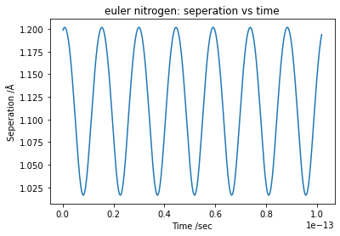

 |  |  | Nitrogen euler

 |  |  | delta E / E_0 | 0.00336672
 |  |  | % uncertainty | 0.33667170255

 |  |  | wavenum | 2285.0871763
 |  |  | uncertainty % | -0.098841791626



 |  |  | nitrogen verlet

 |  |  | delta E / E_0 | 3.97E-05
 |  |  | % uncertainty | 3.97E-03

 |  |  | wavenum | 2285.6650686
 |  |  | uncertainty % | -0.12415651436

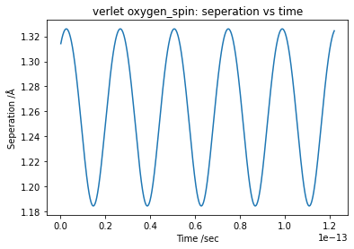
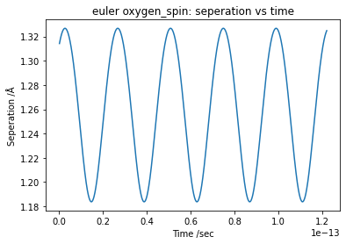

 |  |  | oxygen spin - verlet |  |  |  | oxygen spin - euler

 |  |  | delta E / E_0 | 8.12E-06 |  |  | delta E / E_0 | 0.0020379374272
 |  |  | % uncertainty | 8.12E-04 |  |  | % uncertainty | 0.20379374272

 |  |  | wavenum | 1383.2888447 |  |  | wavenum | 1382.8319939
 |  |  | uncertainty % | 9.1673591158 |  |  | uncertainty % | 9.1973578863

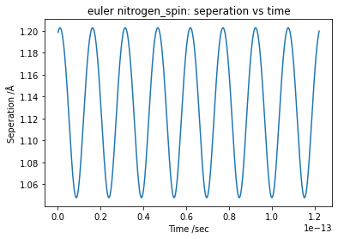
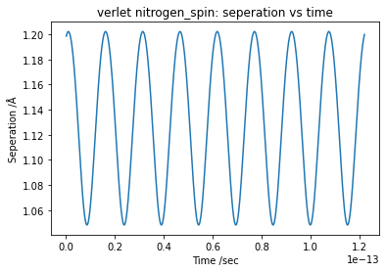
 |  |  | nitrogen spin - verlet |  |  |  | nitrogen spin - euler

 |  |  | delta E / E_0 | 2.43E-05 |  |  | delta E / E_0 | 0.0024256395331
 |  |  | % uncertainty | 2.43E-03 |  |  | % uncertainty | 0.24256395331

 |  |  | wavenum | 2187.5585828 |  |  | wavenum | 2186.908531
 |  |  | uncertainty % | 4.1734237678 |  |  | uncertainty % | 4.2018994594

