SPEC&부품
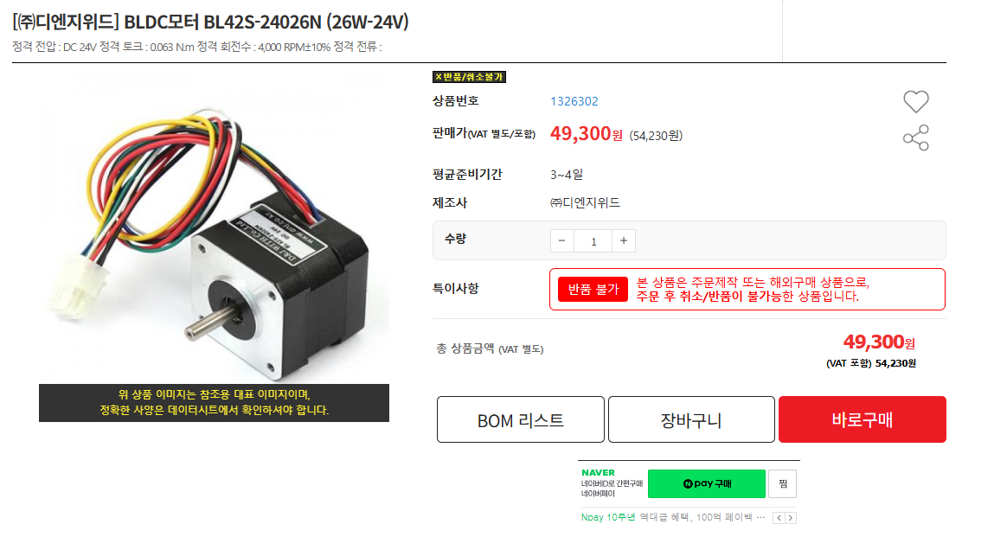
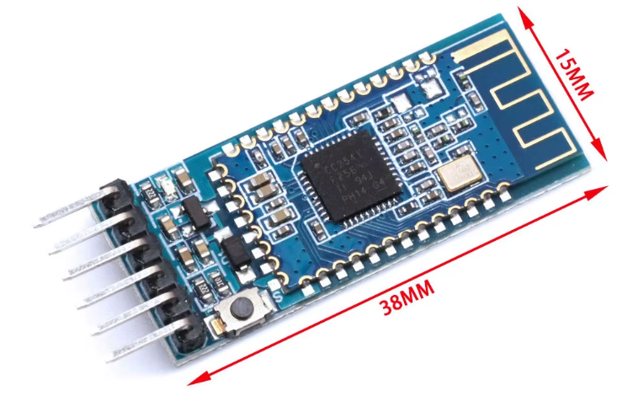
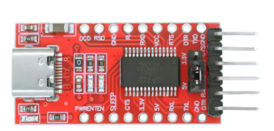

인버터 사양 |  | 모터 사양
DC 전압 | 24~55V | DC 전압 | 36V
Maximum Output Peak Curent | 30A | Power | 350W
Max Output Current | 17A RMS | RPM | 650RPM |  |  | 블루투스 모듈 https://ko.aliexpress.com/item/1005007169000303.html?spm=a2g0o.order_list.order_list_main.53.2423140fGh3YzE&gatewayAdapt=glo2kor | UART to USB 모듈 https://ko.aliexpress.com/item/1005007032662578.html?spm=a2g0o.order_list.order_list_main.38.2423140fGh3YzE&gatewayAdapt=glo2kor
Switching Frequency | 10~20kHz | Max Torque | 20N.m
function | 6-step, FOC | 무게 | 약 4kg
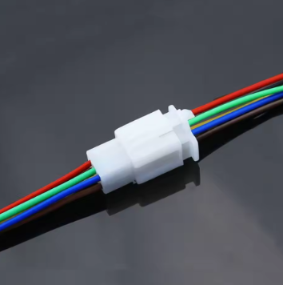
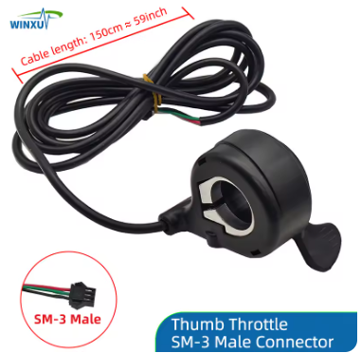
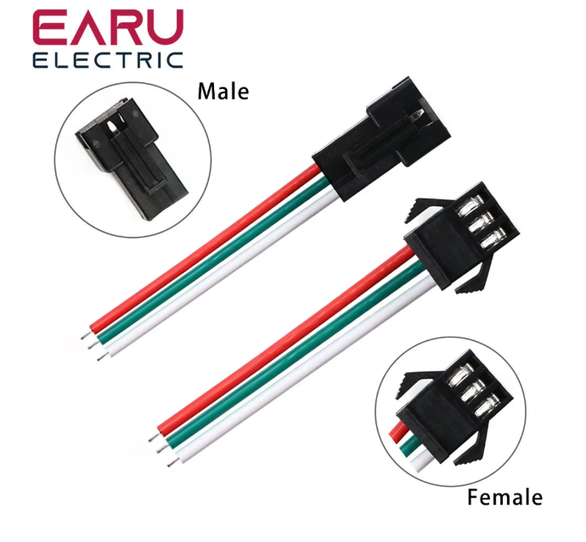
MCU | ST32F767 | Type | BLDC

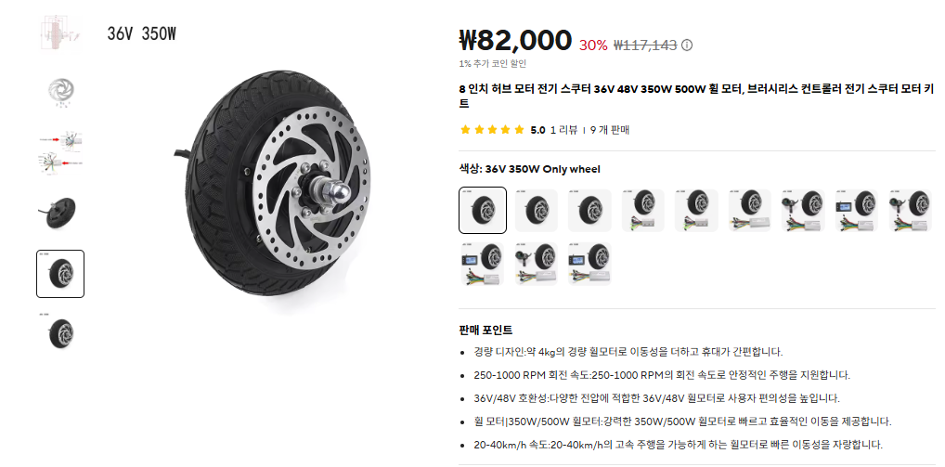

 |  |  |  | 홀 센서 커넥터&케이블 20AWG https://ko.aliexpress.com/item/1005006496533992.html?spm=a2g0o.order_list.order_list_main.4.2435140fpvMbfW&gatewayAdapt=glo2kor | 쓰로틀, 3Pin, SM-3, 24AWG https://ko.aliexpress.com/item/1005006580798024.html?spm=a2g0o.order_list.order_list_main.22.2423140fGh3YzE&gatewayAdapt=glo2kor

HSI
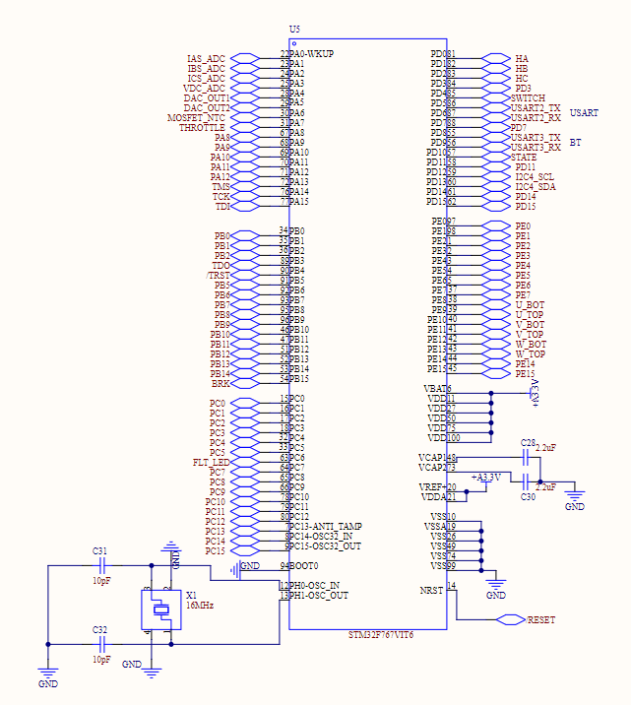
PIN Num | PIN Name | Sig Name | Alternate Function | Discription
22 | PA0 | IAS_ADC | ADC1, IN0 | abc상 전류 측정
23 | PA1 | IBS_ADC | ADC2, IN1
24 | PA2 | ICS_ADC | ADC3, IN2
25 | PA3 | VDC_ADC | ADC3, IN3 | Battery Voltage Sensing
28 | PA4 | DAC_OUT1 | DAC_OUT1 | DAC1
29 | PA5 | DAC_OUT2 | DAC_OUT2 | DAC2
30 | PA6 | MOSFET_NTC | ADC1, IN6 | MOSFET 온도 측정
31 | PA7 | THROTTLE | ADC2, IN7 | 쓰로틀 전압 측정
84 | PC6 | FLT_LED | Output | Fault 신호 알림
85 | PD4 | SWITCH | Input | 스위치
86 | PD5 | USART2_TX | USART2_TX | UART 모듈 통신
87 | PD6 | USART2_RX | USART2_RX
55 | PD8 | USART3_TX | USART3_TX | 블루투스 모듈 통신
56 | PD9 | USART3_RX | USART3_RX
59 | PD12 | I2C4_SCL | I2C4_SCL | EEPROM
60 | PD13 | I2C4_SDA | I2C4_SDA
38 | PE8 | U_BOT | TIM1_CH1N | U상 Bottom
39 | PE9 | U_TOP | TIM1_CH1 | U상 Top
40 | PE10 | V_BOT | TIM1_CH2N | V상 Bottom
41 | PE11 | V_TOP | TIM1_CH2 | V상 Top
42 | PE12 | W_BOT | TIM1_CH3N | W상 Bottom
43 | PE13 | W_TOP | TIM1_CH3 | W상 Top
72 | PA13 | TMS | JTMS-SWDIO | JTAG
76 | PA14 | TCK | JTCK-SWCLK
77 | PA15 | TDI | JTDI

Clock
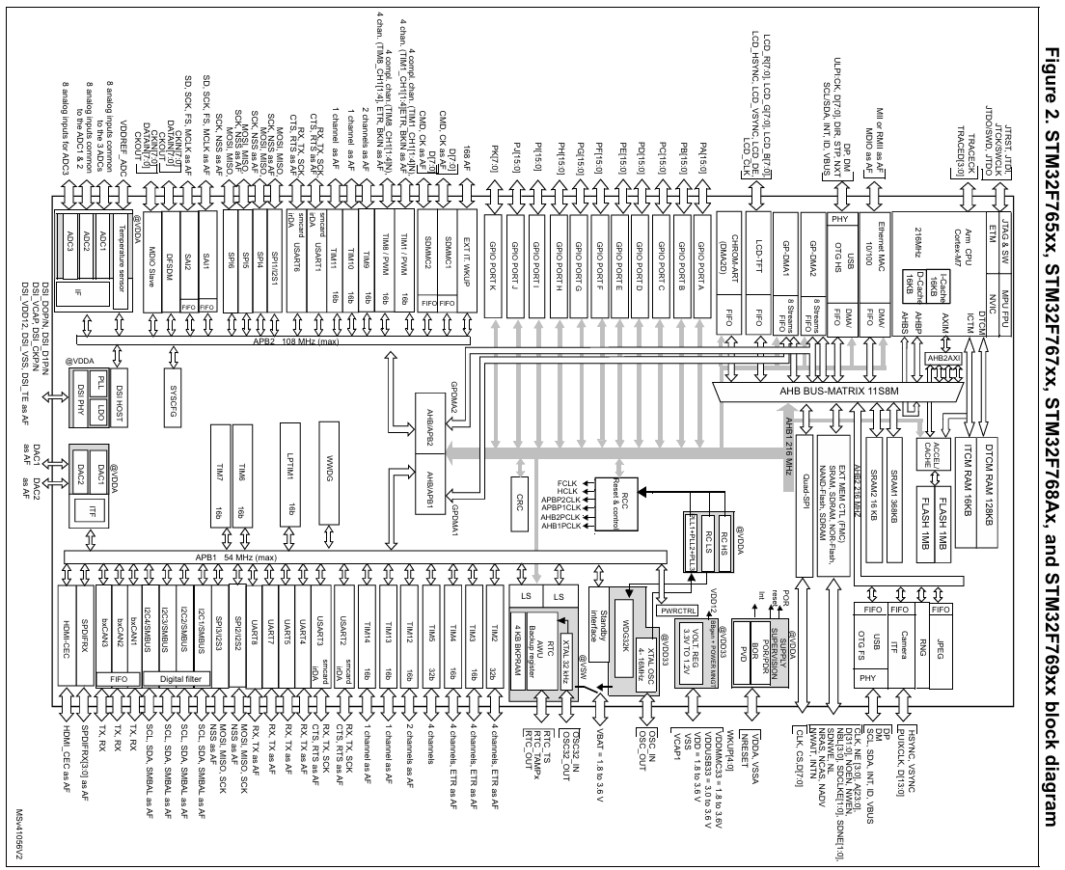
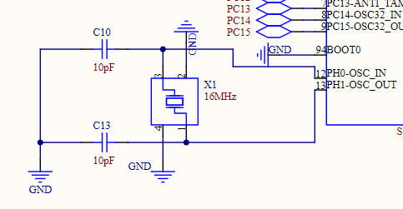
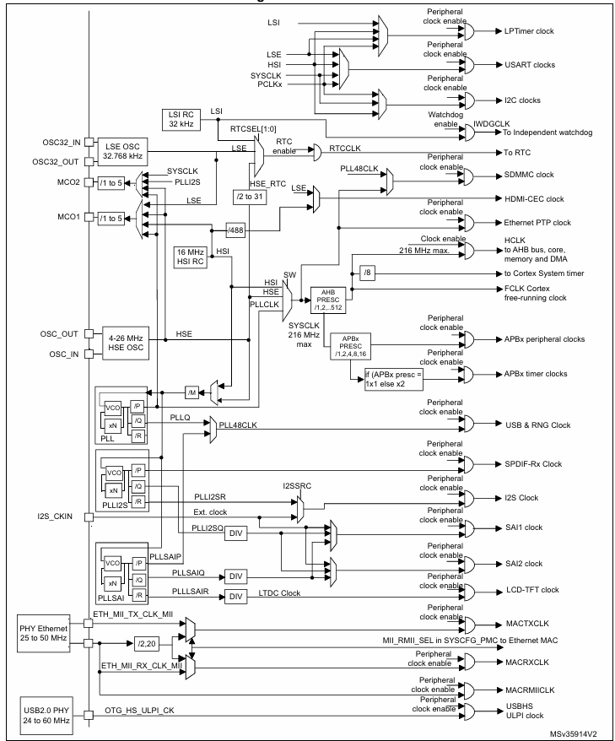

외부 크리스털(HSE) = 16MHz
SYSCLK = 216MHz
AHB = 216MHz
APB1/APB2 = 54MHz

ADC
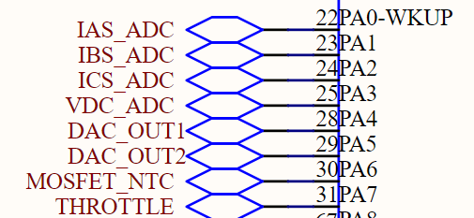
IAS,IBS,ICS,Throttle --> 타이머 인터럽트(50usec)
VDC,NTC --> 10ms Task

Timer
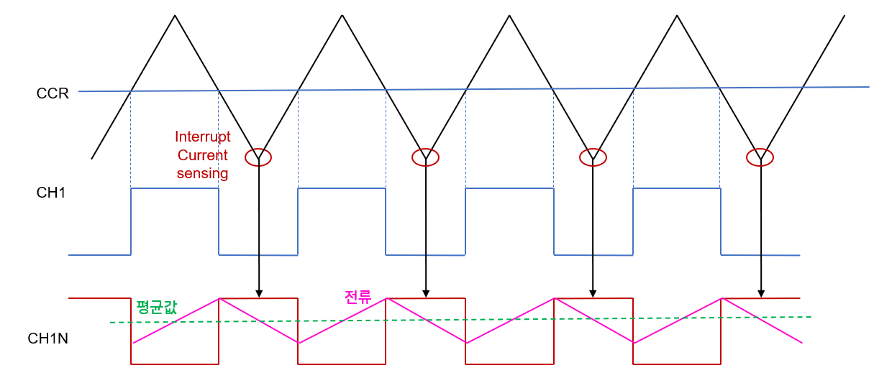

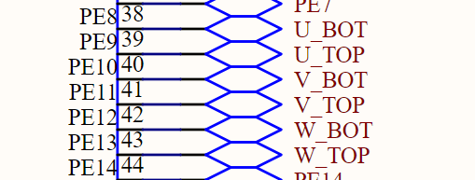

Clock = 216MHz
Center Align PWM
PWM mode 2
Switching Frequency = 20kHz

쓰로틀
1.1 | 200
1.2 | 540
1.3 | 880
1.4 | 1220
1.5 | 1560
1.6 | 1900
1.7 | 2240
1.8 | 2580
1.9 | 2920
2 | 3260
2.1 | 3600
2.2 | 3940
2.3 | 4280
2.4 | 4620
2.5 | 4960
2.6 | 5300

