Amber_Sprint_Sprint 1
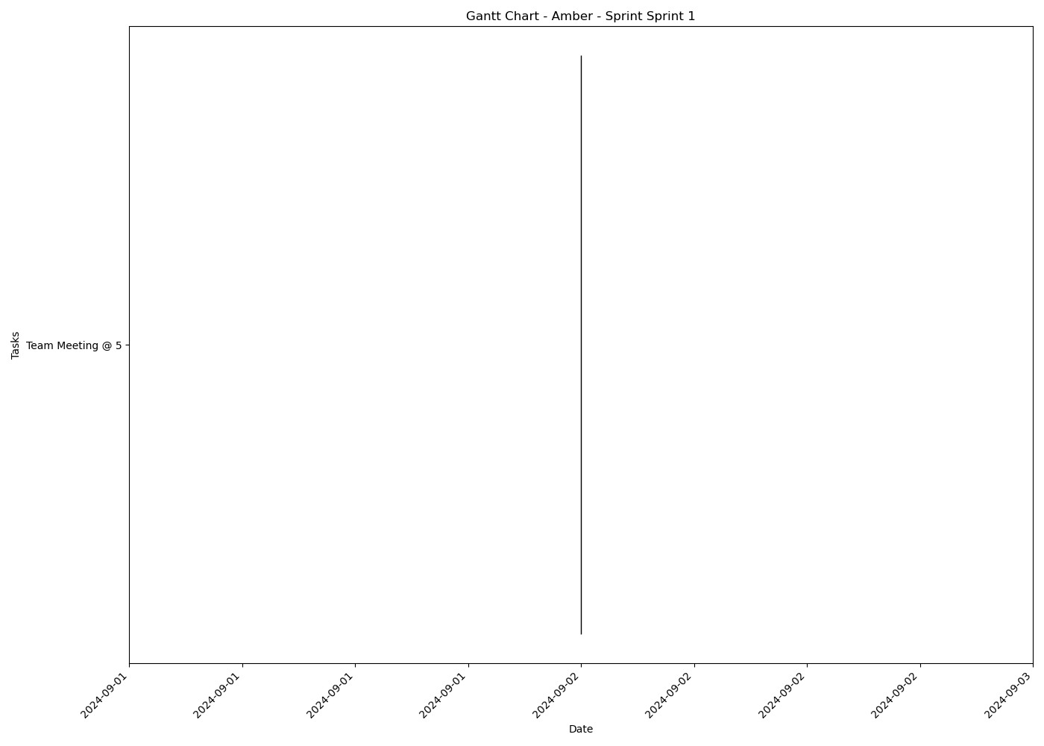
Task | Assignees | Start date | End date | Sprint | Status | Hours Completed | Corrective Action
Team Meeting @ 5 | Aidan, Carly, Diego, John, Matthew, Amber | 2024-09-02 | 2024-09-02 | Sprint 1 | Done | 1
 |  |  |  |  | Total Hours | 1

Amber_Sprint_Sprint 2
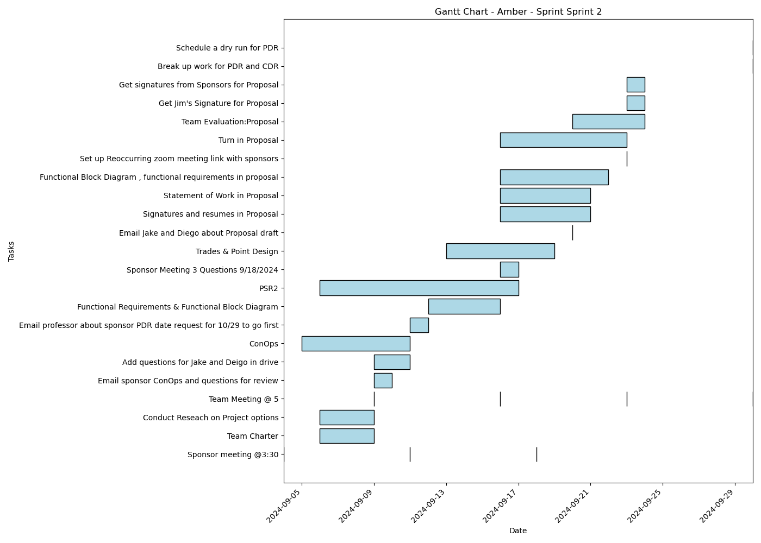
Task | Assignees | Start date | End date | Sprint | Status | Hours Completed | Corrective Action
Sponsor meeting @3:30 | Aidan, Carly, Diego, John, Matthew, Amber | 2024-09-04 | 2024-09-04 | Sprint 2 | Done | 0.5
Team Charter | John, Amber | 2024-09-06 | 2024-09-09 | Sprint 2 | Done | 3
Conduct Reseach on Project options | Aidan, Carly, Diego, John, Matthew, Amber | 2024-09-06 | 2024-09-09 | Sprint 2 | Done | 2
Team Meeting @ 5 | Aidan, Carly, Diego, John, Matthew, Amber | 2024-09-09 | 2024-09-09 | Sprint 2 | Done | 1
Email sponsor ConOps and questions for review | Amber | 2024-09-09 | 2024-09-10 | Sprint 2 | Done | 0.25
Add questions for Jake and Deigo in drive | Aidan, Carly, Diego, John, Matthew, Amber | 2024-09-09 | 2024-09-11 | Sprint 2 | Done | 1
ConOps | Diego, Amber | 2024-09-05 | 2024-09-11 | Sprint 2 | Done | 5
Sponsor meeting @3:30 | Aidan, Carly, Diego, John, Matthew, Amber | 2024-09-11 | 2024-09-11 | Sprint 2 | Done | 0.5
Email professor about sponsor PDR date request for 10/29 to go first | Amber | 2024-09-11 | 2024-09-12 | Sprint 2 | Done | 0.25
Team Meeting @ 5 | Aidan, Carly, Diego, John, Matthew, Amber | 2024-09-16 | 2024-09-16 | Sprint 2 | Done | 1
Functional Requirements & Functional Block Diagram | Aidan, Diego, Amber | 2024-09-12 | 2024-09-16 | Sprint 2 | Done | 3
PSR2 | Aidan, Carly, Diego, John, Matthew, Amber | 2024-09-06 | 2024-09-17 | Sprint 2 | Done | 2
Sponsor Meeting 3 Questions 9/18/2024 | Aidan, Carly, Diego, John, Matthew, Amber | 2024-09-16 | 2024-09-17 | Sprint 2 | Done | 0.5
Sponsor meeting @3:30 | Aidan, Carly, Diego, John, Matthew, Amber | 2024-09-18 | 2024-09-18 | Sprint 2 | Done | 0.5
Trades & Point Design | Aidan, Carly, Diego, John, Matthew, Amber | 2024-09-13 | 2024-09-19 | Sprint 2 | Done | 2
Email Jake and Diego about Proposal draft | Amber | 2024-09-20 | 2024-09-20 | Sprint 2 | Done | 0.25
Signatures and resumes in Proposal | Aidan, Carly, Diego, John, Matthew, Amber | 2024-09-16 | 2024-09-21 | Sprint 2 | Done | 0.5
Statement of Work in Proposal | Amber | 2024-09-16 | 2024-09-21 | Sprint 2 | Done
Functional Block Diagram , functional requirements in proposal | Diego, Amber | 2024-09-16 | 2024-09-22 | Sprint 2 | Done | 3
Set up Reoccurring zoom meeting link with sponsors | Amber | 2024-09-23 | 2024-09-23 | Sprint 2 | Done | 0.25
Turn in Proposal | Carly, John, Matthew, Amber | 2024-09-16 | 2024-09-23 | Sprint 2 | Done | 0.25
Team Meeting @ 5 | Aidan, Carly, Diego, John, Matthew, Amber | 2024-09-23 | 2024-09-23 | Sprint 2 | Done | 1
Team Evaluation:Proposal | Aidan, Carly, Diego, John, Matthew, Amber | 2024-09-20 | 2024-09-24 | Sprint 2 | Done | 1.75
Get Jim's Signature for Proposal | Amber | 2024-09-23 | 2024-09-24 | Sprint 2 | Done | 0.25
Get signatures from Sponsors for Proposal | Amber | 2024-09-23 | 2024-09-24 | Sprint 2 | Done | 0.5
Break up work for PDR and CDR | Amber | 2024-09-30 | 2024-09-30 | Sprint 2 | Todo
Team Meeting @ 5 | Aidan, Carly, Diego, John, Matthew, Amber | 2024-09-30 | 2024-09-30 | Sprint 2 | Todo | 1
Schedule a dry run for PDR | Amber | 2024-09-30 | 2024-09-30 | Sprint 2 | Todo
 |  |  |  |  | Total Hours | 31.25

Amber_Sprint_Sprint 3
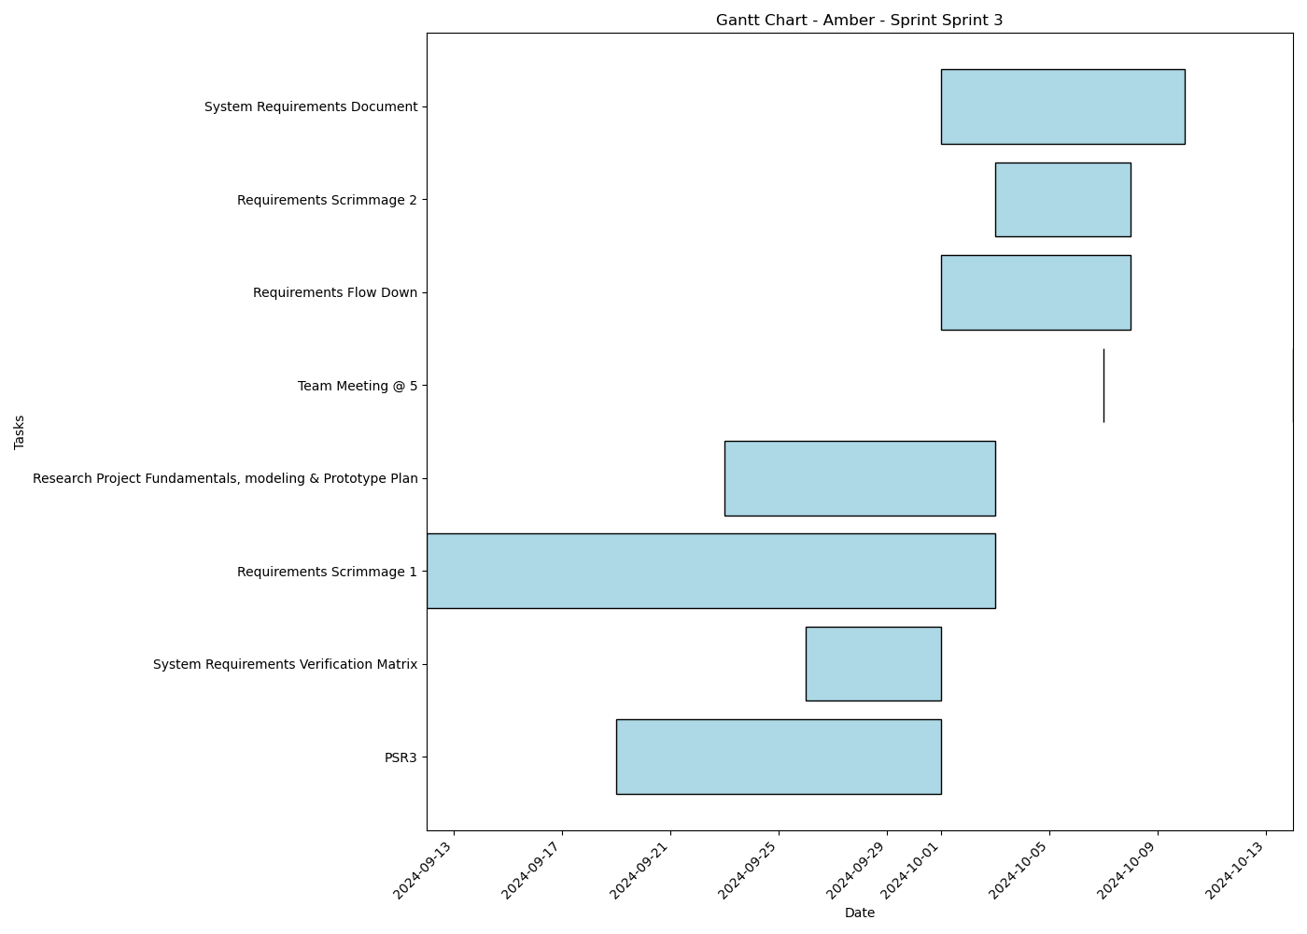
Task | Assignees | Start date | End date | Sprint | Status | Hours Completed | Corrective Action
PSR3 | Aidan, Carly, Diego, John, Matthew, Amber | 2024-09-19 | 2024-10-01 | Sprint 3 | In Progress | 1
System Requirements Verification Matrix | Aidan, Carly, Diego, John, Matthew, Amber | 2024-09-26 | 2024-10-01 | Sprint 3 | In Review | 0.5
Requirements Scrimmage 1 | Aidan, Carly, Diego, John, Matthew, Amber | 2024-09-12 | 2024-10-03 | Sprint 3 | Todo | 0.5
Research Project Fundamentals, modeling & Prototype Plan | Aidan, Carly, Diego, John, Matthew, Amber | 2024-09-23 | 2024-10-03 | Sprint 3 | Todo
Team Meeting @ 5 | Aidan, Carly, Diego, John, Matthew, Amber | 2024-10-07 | 2024-10-07 | Sprint 3 | Todo | 1
Requirements Flow Down | Aidan, Carly, Diego, John, Matthew, Amber | 2024-10-01 | 2024-10-08 | Sprint 3 | Todo
Requirements Scrimmage 2 | Aidan, Carly, Diego, John, Matthew, Amber | 2024-10-03 | 2024-10-08 | Sprint 3 | Todo
System Requirements Document | Aidan, Carly, Diego, John, Matthew, Amber | 2024-10-01 | 2024-10-10 | Sprint 3 | Todo
Team Meeting @ 5 | Aidan, Carly, Diego, John, Matthew, Amber | 2024-10-14 | 2024-10-14 | Sprint 3 | Todo | 1
 |  |  |  |  | Total Hours | 4

Amber_Sprint_Sprint 4
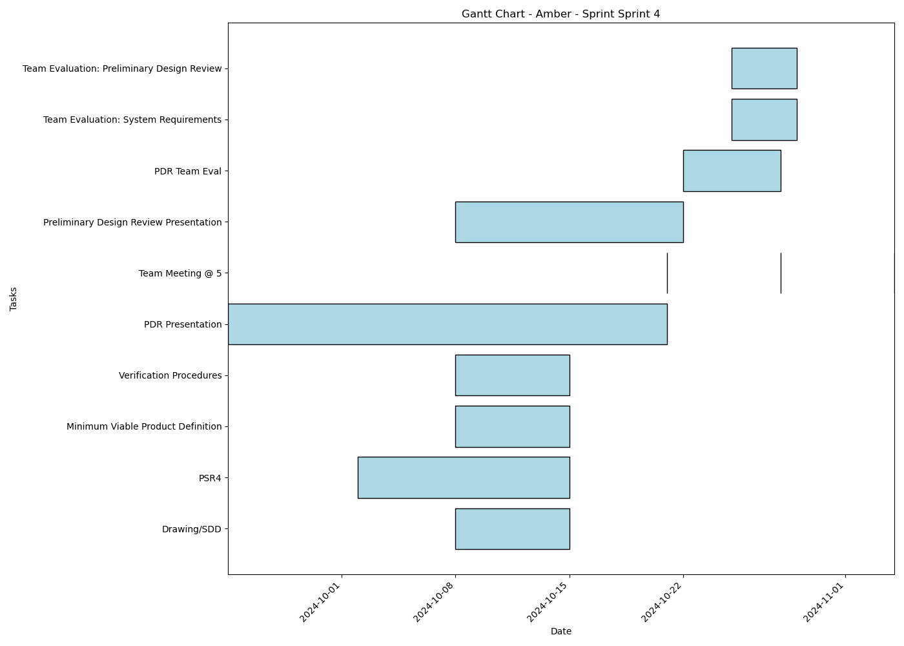
Task | Assignees | Start date | End date | Sprint | Status | Hours Completed | Corrective Action
Drawing/SDD | Aidan, Carly, Diego, John, Matthew, Amber | 2024-10-08 | 2024-10-15 | Sprint 4 | Todo
PSR4 | Aidan, Carly, Diego, John, Matthew, Amber | 2024-10-02 | 2024-10-15 | Sprint 4 | Todo
Minimum Viable Product Definition | Aidan, Carly, Diego, John, Matthew, Amber | 2024-10-08 | 2024-10-15 | Sprint 4 | Todo
Verification Procedures | Aidan, Carly, Diego, John, Matthew, Amber | 2024-10-08 | 2024-10-15 | Sprint 4 | Todo
PDR Presentation | Aidan, Carly, Diego, John, Matthew, Amber | 2024-09-24 | 2024-10-21 | Sprint 4 | Todo
Team Meeting @ 5 | Aidan, Carly, Diego, John, Matthew, Amber | 2024-10-21 | 2024-10-21 | Sprint 4 | Todo | 1
Preliminary Design Review Presentation | Aidan, Carly, Diego, John, Matthew, Amber | 2024-10-08 | 2024-10-22 | Sprint 4 | Todo
Team Meeting @ 5 | Aidan, Carly, Diego, John, Matthew, Amber | 2024-10-28 | 2024-10-28 | Sprint 4 | Todo | 1
PDR Team Eval | Aidan, Carly, Diego, John, Matthew, Amber | 2024-10-22 | 2024-10-28 | Sprint 4 | Todo
Team Evaluation: System Requirements | Aidan, Carly, Diego, John, Matthew, Amber | 2024-10-25 | 2024-10-29 | Sprint 4 | Todo
Team Evaluation: Preliminary Design Review | Aidan, Carly, Diego, John, Matthew, Amber | 2024-10-25 | 2024-10-29 | Sprint 4 | Todo
Team Meeting @ 5 | Aidan, Carly, Diego, John, Matthew, Amber | 2024-11-04 | 2024-11-04 | Sprint 4 | Todo | 1
 |  |  |  |  | Total Hours | 3

Amber_Sprint_Sprint 5
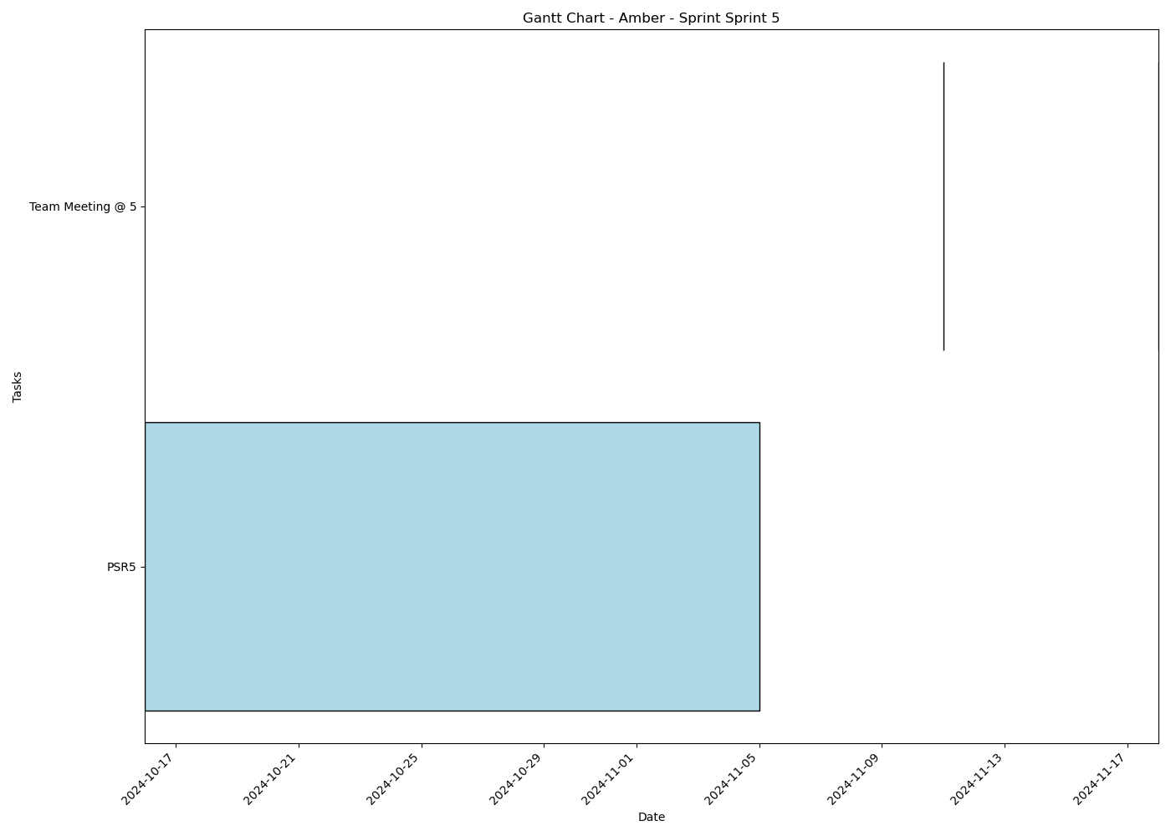
Task | Assignees | Start date | End date | Sprint | Status | Hours Completed | Corrective Action
PSR5 | Aidan, Carly, Diego, John, Matthew, Amber | 2024-10-16 | 2024-11-05 | Sprint 5 | Todo
Team Meeting @ 5 | Aidan, Carly, Diego, John, Matthew, Amber | 2024-11-11 | 2024-11-11 | Sprint 5 | Todo | 1
Team Meeting @ 5 | Aidan, Carly, Diego, John, Matthew, Amber | 2024-11-18 | 2024-11-18 | Sprint 5 | Todo | 1
 |  |  |  |  | Total Hours | 2

Amber_Sprint_Sprint 6
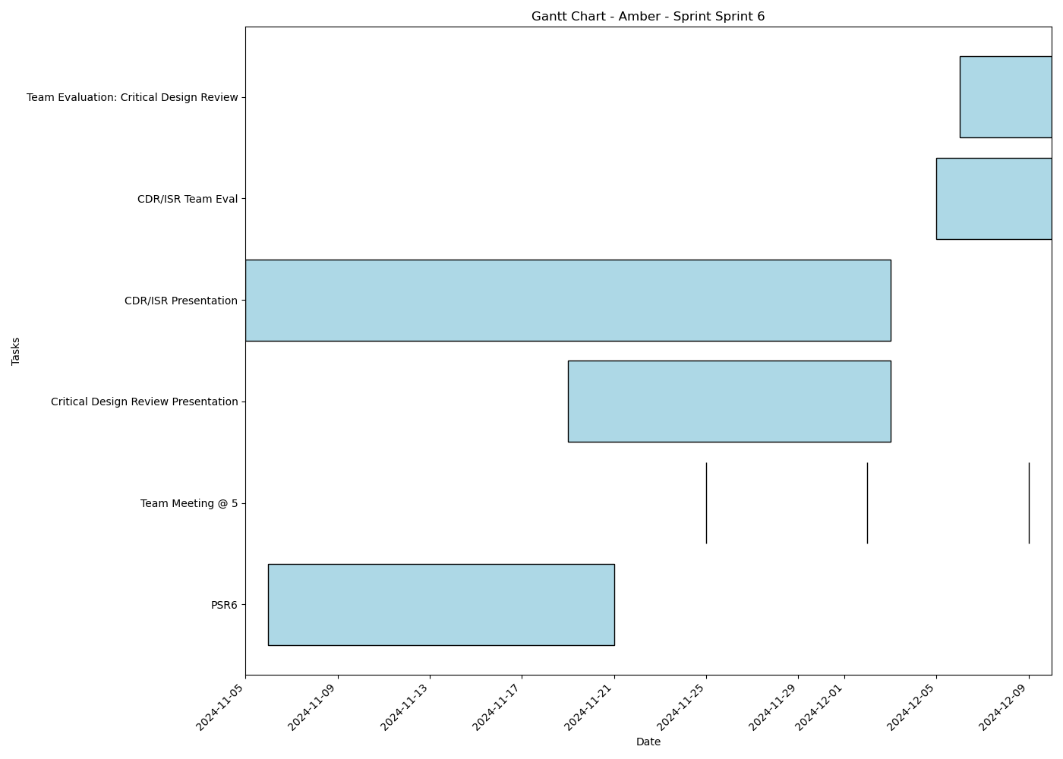
Task | Assignees | Start date | End date | Sprint | Status | Hours Completed | Corrective Action
PSR6 | Aidan, Carly, Diego, John, Matthew, Amber | 2024-11-06 | 2024-11-21 | Sprint 6 | Todo
Team Meeting @ 5 | Aidan, Carly, Diego, John, Matthew, Amber | 2024-11-25 | 2024-11-25 | Sprint 6 | Todo | 1
Team Meeting @ 5 | Aidan, Carly, Diego, John, Matthew, Amber | 2024-12-02 | 2024-12-02 | Sprint 6 | Todo | 1
Critical Design Review Presentation | Aidan, Carly, Diego, John, Matthew, Amber | 2024-11-19 | 2024-12-03 | Sprint 6 | Todo
CDR/ISR Presentation | Aidan, Carly, Diego, John, Matthew, Amber | 2024-11-05 | 2024-12-03 | Sprint 6 | Todo
Team Meeting @ 5 | Aidan, Carly, Diego, John, Matthew, Amber | 2024-12-09 | 2024-12-09 | Sprint 6 | Todo | 1
CDR/ISR Team Eval | Aidan, Carly, Diego, John, Matthew, Amber | 2024-12-05 | 2024-12-10 | Sprint 6 | Todo
Team Evaluation: Critical Design Review | Aidan, Carly, Diego, John, Matthew, Amber | 2024-12-06 | 2024-12-10 | Sprint 6 | Todo
 |  |  |  |  | Total Hours | 3

Diego_Sprint_Sprint 1

Task | Assignees | Start date | End date | Sprint | Status | Hours Completed | Corrective Action
Team Meeting @ 5 | Aidan, Carly, Diego, John, Matthew, Amber | 2024-09-02 | 2024-09-02 | Sprint 1 | Done | 1
 |  |  |  |  | Total Hours | 1

Diego_Sprint_Sprint 2
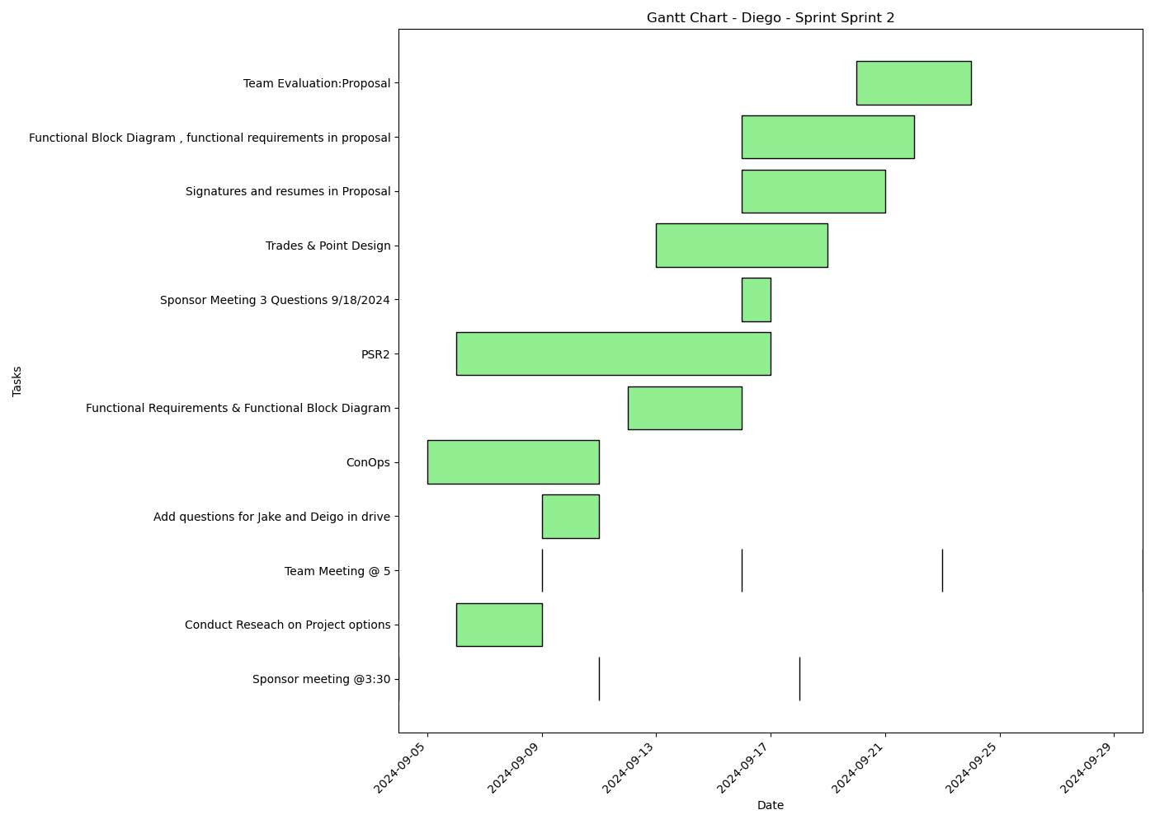
Task | Assignees | Start date | End date | Sprint | Status | Hours Completed | Corrective Action
Sponsor meeting @3:30 | Aidan, Carly, Diego, John, Matthew, Amber | 2024-09-04 | 2024-09-04 | Sprint 2 | Done | 0.5
Conduct Reseach on Project options | Aidan, Carly, Diego, John, Matthew, Amber | 2024-09-06 | 2024-09-09 | Sprint 2 | Done | 2
Team Meeting @ 5 | Aidan, Carly, Diego, John, Matthew, Amber | 2024-09-09 | 2024-09-09 | Sprint 2 | Done | 1
Add questions for Jake and Deigo in drive | Aidan, Carly, Diego, John, Matthew, Amber | 2024-09-09 | 2024-09-11 | Sprint 2 | Done | 1
ConOps | Diego, Amber | 2024-09-05 | 2024-09-11 | Sprint 2 | Done | 5
Sponsor meeting @3:30 | Aidan, Carly, Diego, John, Matthew, Amber | 2024-09-11 | 2024-09-11 | Sprint 2 | Done | 0.5
Team Meeting @ 5 | Aidan, Carly, Diego, John, Matthew, Amber | 2024-09-16 | 2024-09-16 | Sprint 2 | Done | 1
Functional Requirements & Functional Block Diagram | Aidan, Diego, Amber | 2024-09-12 | 2024-09-16 | Sprint 2 | Done | 3
PSR2 | Aidan, Carly, Diego, John, Matthew, Amber | 2024-09-06 | 2024-09-17 | Sprint 2 | Done | 2
Sponsor Meeting 3 Questions 9/18/2024 | Aidan, Carly, Diego, John, Matthew, Amber | 2024-09-16 | 2024-09-17 | Sprint 2 | Done | 0.5
Sponsor meeting @3:30 | Aidan, Carly, Diego, John, Matthew, Amber | 2024-09-18 | 2024-09-18 | Sprint 2 | Done | 0.5
Trades & Point Design | Aidan, Carly, Diego, John, Matthew, Amber | 2024-09-13 | 2024-09-19 | Sprint 2 | Done | 2
Signatures and resumes in Proposal | Aidan, Carly, Diego, John, Matthew, Amber | 2024-09-16 | 2024-09-21 | Sprint 2 | Done | 0.5
Functional Block Diagram , functional requirements in proposal | Diego, Amber | 2024-09-16 | 2024-09-22 | Sprint 2 | Done | 3
Team Meeting @ 5 | Aidan, Carly, Diego, John, Matthew, Amber | 2024-09-23 | 2024-09-23 | Sprint 2 | Done | 1
Team Evaluation:Proposal | Aidan, Carly, Diego, John, Matthew, Amber | 2024-09-20 | 2024-09-24 | Sprint 2 | Done | 1.75
Team Meeting @ 5 | Aidan, Carly, Diego, John, Matthew, Amber | 2024-09-30 | 2024-09-30 | Sprint 2 | Todo | 1
 |  |  |  |  | Total Hours | 26.25

Diego_Sprint_Sprint 3
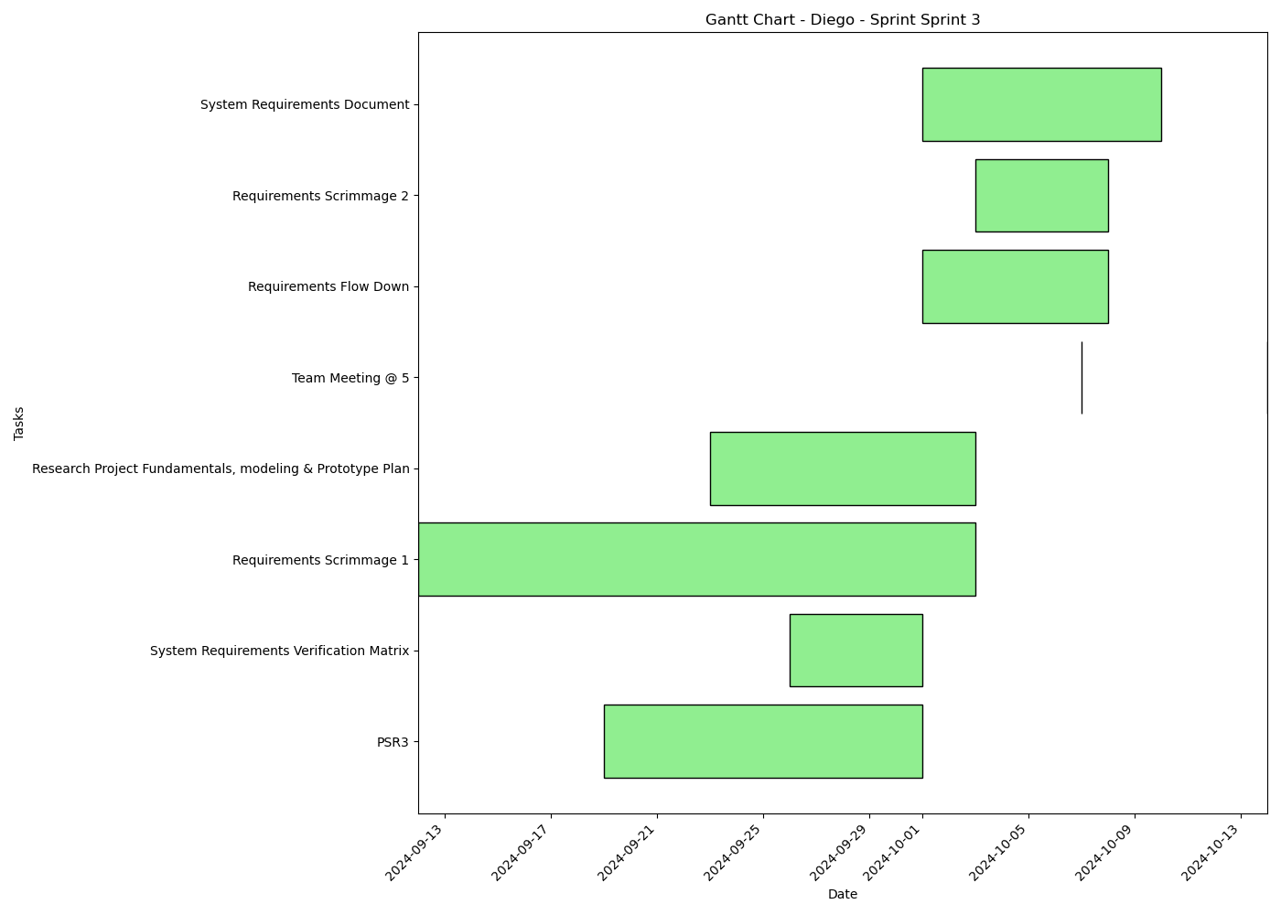
Task | Assignees | Start date | End date | Sprint | Status | Hours Completed | Corrective Action
PSR3 | Aidan, Carly, Diego, John, Matthew, Amber | 2024-09-19 | 2024-10-01 | Sprint 3 | In Progress | 1
System Requirements Verification Matrix | Aidan, Carly, Diego, John, Matthew, Amber | 2024-09-26 | 2024-10-01 | Sprint 3 | In Review | 0.5
Requirements Scrimmage 1 | Aidan, Carly, Diego, John, Matthew, Amber | 2024-09-12 | 2024-10-03 | Sprint 3 | Todo | 0.5
Research Project Fundamentals, modeling & Prototype Plan | Aidan, Carly, Diego, John, Matthew, Amber | 2024-09-23 | 2024-10-03 | Sprint 3 | Todo
Team Meeting @ 5 | Aidan, Carly, Diego, John, Matthew, Amber | 2024-10-07 | 2024-10-07 | Sprint 3 | Todo | 1
Requirements Flow Down | Aidan, Carly, Diego, John, Matthew, Amber | 2024-10-01 | 2024-10-08 | Sprint 3 | Todo
Requirements Scrimmage 2 | Aidan, Carly, Diego, John, Matthew, Amber | 2024-10-03 | 2024-10-08 | Sprint 3 | Todo
System Requirements Document | Aidan, Carly, Diego, John, Matthew, Amber | 2024-10-01 | 2024-10-10 | Sprint 3 | Todo
Team Meeting @ 5 | Aidan, Carly, Diego, John, Matthew, Amber | 2024-10-14 | 2024-10-14 | Sprint 3 | Todo | 1
 |  |  |  |  | Total Hours | 4

Diego_Sprint_Sprint 4
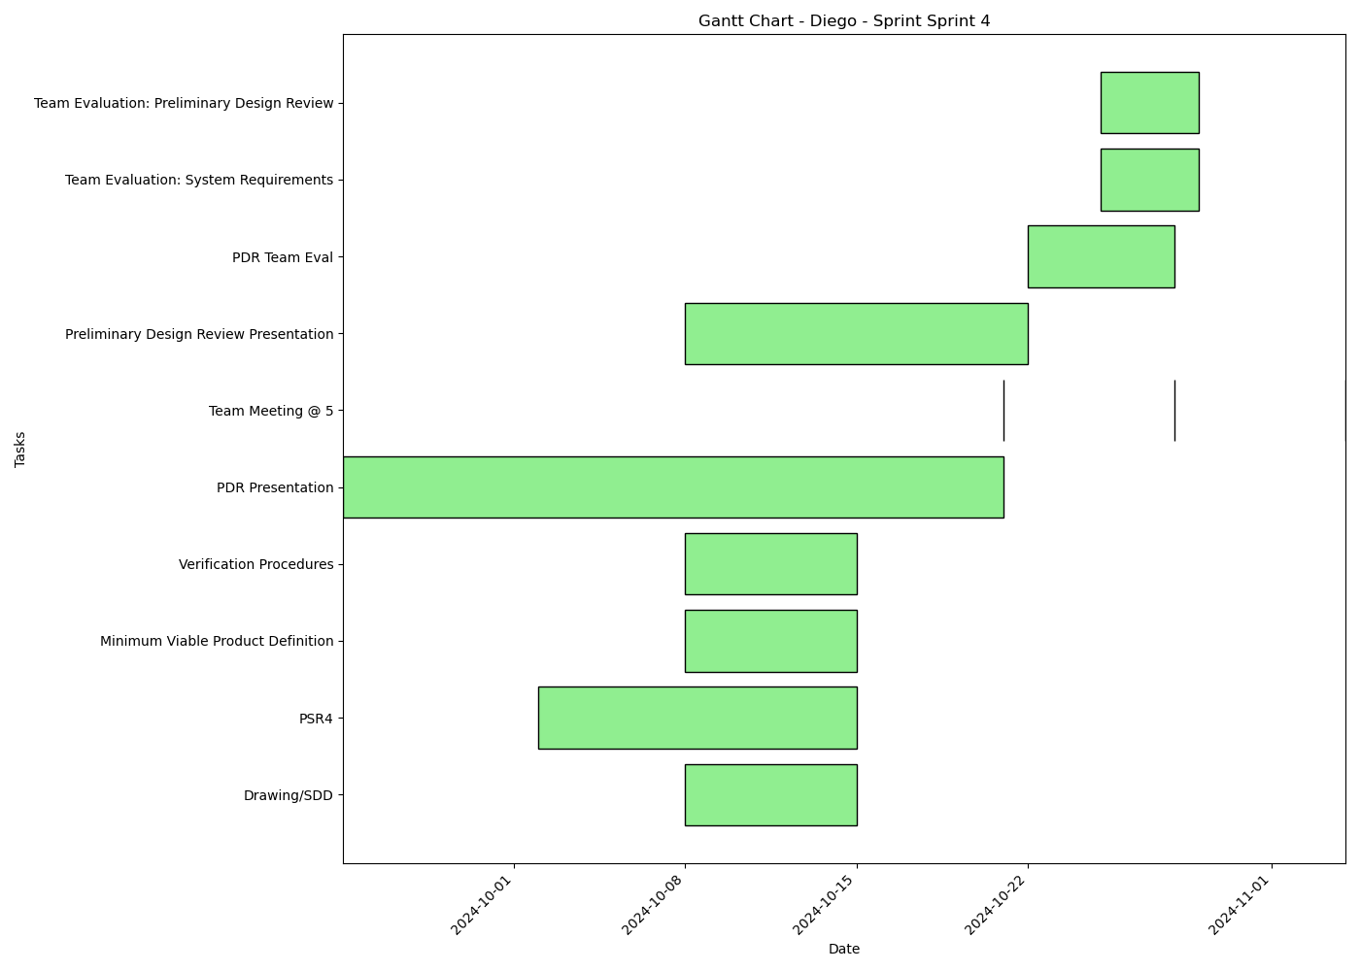
Task | Assignees | Start date | End date | Sprint | Status | Hours Completed | Corrective Action
Drawing/SDD | Aidan, Carly, Diego, John, Matthew, Amber | 2024-10-08 | 2024-10-15 | Sprint 4 | Todo
PSR4 | Aidan, Carly, Diego, John, Matthew, Amber | 2024-10-02 | 2024-10-15 | Sprint 4 | Todo
Minimum Viable Product Definition | Aidan, Carly, Diego, John, Matthew, Amber | 2024-10-08 | 2024-10-15 | Sprint 4 | Todo
Verification Procedures | Aidan, Carly, Diego, John, Matthew, Amber | 2024-10-08 | 2024-10-15 | Sprint 4 | Todo
PDR Presentation | Aidan, Carly, Diego, John, Matthew, Amber | 2024-09-24 | 2024-10-21 | Sprint 4 | Todo
Team Meeting @ 5 | Aidan, Carly, Diego, John, Matthew, Amber | 2024-10-21 | 2024-10-21 | Sprint 4 | Todo | 1
Preliminary Design Review Presentation | Aidan, Carly, Diego, John, Matthew, Amber | 2024-10-08 | 2024-10-22 | Sprint 4 | Todo
Team Meeting @ 5 | Aidan, Carly, Diego, John, Matthew, Amber | 2024-10-28 | 2024-10-28 | Sprint 4 | Todo | 1
PDR Team Eval | Aidan, Carly, Diego, John, Matthew, Amber | 2024-10-22 | 2024-10-28 | Sprint 4 | Todo
Team Evaluation: System Requirements | Aidan, Carly, Diego, John, Matthew, Amber | 2024-10-25 | 2024-10-29 | Sprint 4 | Todo
Team Evaluation: Preliminary Design Review | Aidan, Carly, Diego, John, Matthew, Amber | 2024-10-25 | 2024-10-29 | Sprint 4 | Todo
Team Meeting @ 5 | Aidan, Carly, Diego, John, Matthew, Amber | 2024-11-04 | 2024-11-04 | Sprint 4 | Todo | 1
 |  |  |  |  | Total Hours | 3

Diego_Sprint_Sprint 5
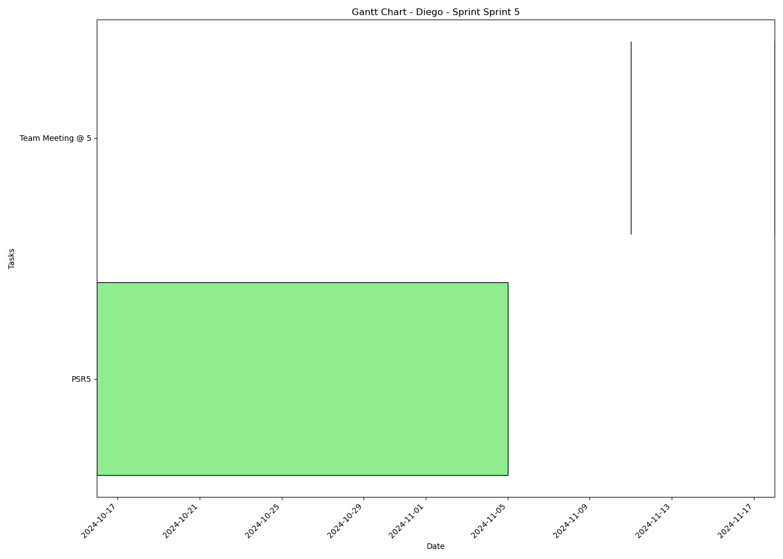
Task | Assignees | Start date | End date | Sprint | Status | Hours Completed | Corrective Action
PSR5 | Aidan, Carly, Diego, John, Matthew, Amber | 2024-10-16 | 2024-11-05 | Sprint 5 | Todo
Team Meeting @ 5 | Aidan, Carly, Diego, John, Matthew, Amber | 2024-11-11 | 2024-11-11 | Sprint 5 | Todo | 1
Team Meeting @ 5 | Aidan, Carly, Diego, John, Matthew, Amber | 2024-11-18 | 2024-11-18 | Sprint 5 | Todo | 1
 |  |  |  |  | Total Hours | 2

Diego_Sprint_Sprint 6
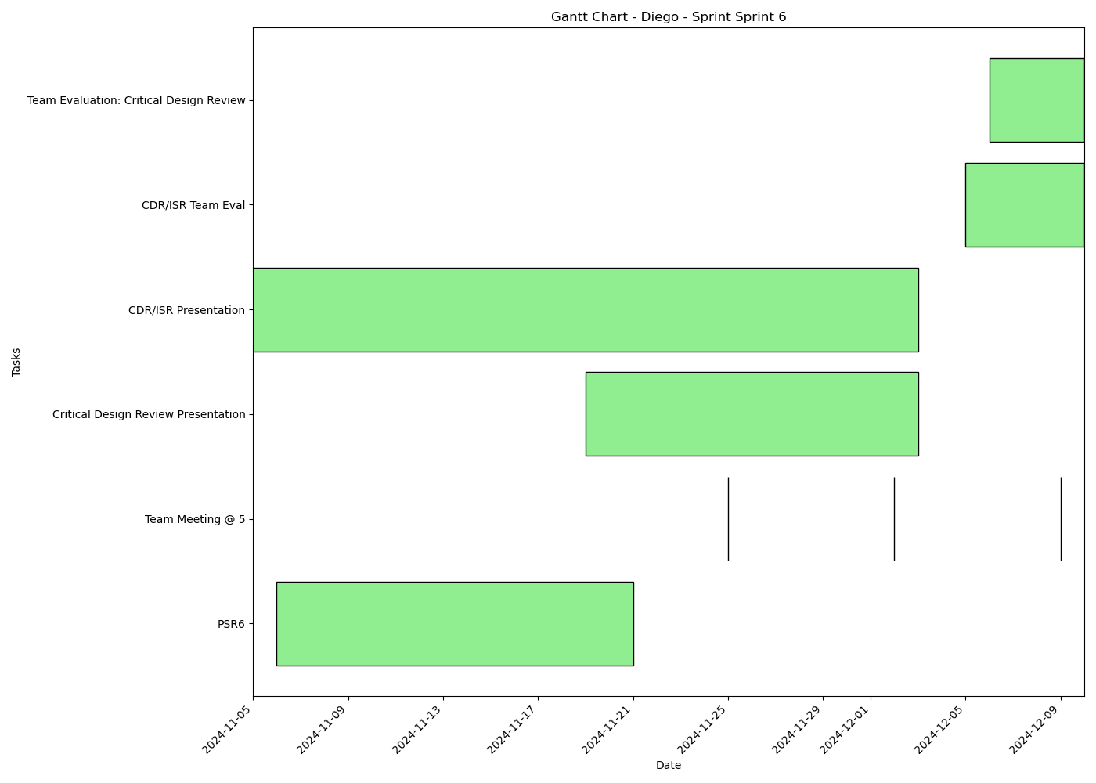
Task | Assignees | Start date | End date | Sprint | Status | Hours Completed | Corrective Action
PSR6 | Aidan, Carly, Diego, John, Matthew, Amber | 2024-11-06 | 2024-11-21 | Sprint 6 | Todo
Team Meeting @ 5 | Aidan, Carly, Diego, John, Matthew, Amber | 2024-11-25 | 2024-11-25 | Sprint 6 | Todo | 1
Team Meeting @ 5 | Aidan, Carly, Diego, John, Matthew, Amber | 2024-12-02 | 2024-12-02 | Sprint 6 | Todo | 1
Critical Design Review Presentation | Aidan, Carly, Diego, John, Matthew, Amber | 2024-11-19 | 2024-12-03 | Sprint 6 | Todo
CDR/ISR Presentation | Aidan, Carly, Diego, John, Matthew, Amber | 2024-11-05 | 2024-12-03 | Sprint 6 | Todo
Team Meeting @ 5 | Aidan, Carly, Diego, John, Matthew, Amber | 2024-12-09 | 2024-12-09 | Sprint 6 | Todo | 1
CDR/ISR Team Eval | Aidan, Carly, Diego, John, Matthew, Amber | 2024-12-05 | 2024-12-10 | Sprint 6 | Todo
Team Evaluation: Critical Design Review | Aidan, Carly, Diego, John, Matthew, Amber | 2024-12-06 | 2024-12-10 | Sprint 6 | Todo
 |  |  |  |  | Total Hours | 3

Carly_Sprint_Sprint 1

Task | Assignees | Start date | End date | Sprint | Status | Hours Completed | Corrective Action
Team Meeting @ 5 | Aidan, Carly, Diego, John, Matthew, Amber | 2024-09-02 | 2024-09-02 | Sprint 1 | Done | 1
 |  |  |  |  | Total Hours | 1

Carly_Sprint_Sprint 2
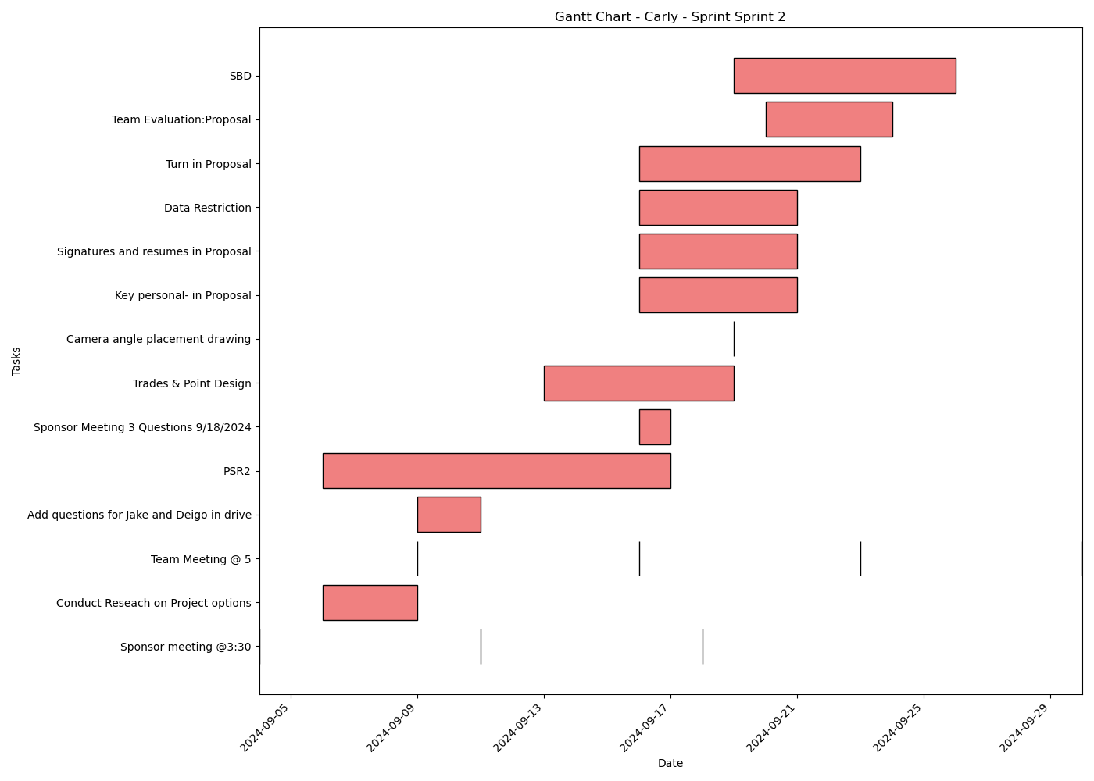
Task | Assignees | Start date | End date | Sprint | Status | Hours Completed | Corrective Action
Sponsor meeting @3:30 | Aidan, Carly, Diego, John, Matthew, Amber | 2024-09-04 | 2024-09-04 | Sprint 2 | Done | 0.5
Conduct Reseach on Project options | Aidan, Carly, Diego, John, Matthew, Amber | 2024-09-06 | 2024-09-09 | Sprint 2 | Done | 2
Team Meeting @ 5 | Aidan, Carly, Diego, John, Matthew, Amber | 2024-09-09 | 2024-09-09 | Sprint 2 | Done | 1
Add questions for Jake and Deigo in drive | Aidan, Carly, Diego, John, Matthew, Amber | 2024-09-09 | 2024-09-11 | Sprint 2 | Done | 1
Sponsor meeting @3:30 | Aidan, Carly, Diego, John, Matthew, Amber | 2024-09-11 | 2024-09-11 | Sprint 2 | Done | 0.5
Team Meeting @ 5 | Aidan, Carly, Diego, John, Matthew, Amber | 2024-09-16 | 2024-09-16 | Sprint 2 | Done | 1
PSR2 | Aidan, Carly, Diego, John, Matthew, Amber | 2024-09-06 | 2024-09-17 | Sprint 2 | Done | 2
Sponsor Meeting 3 Questions 9/18/2024 | Aidan, Carly, Diego, John, Matthew, Amber | 2024-09-16 | 2024-09-17 | Sprint 2 | Done | 0.5
Sponsor meeting @3:30 | Aidan, Carly, Diego, John, Matthew, Amber | 2024-09-18 | 2024-09-18 | Sprint 2 | Done | 0.5
Trades & Point Design | Aidan, Carly, Diego, John, Matthew, Amber | 2024-09-13 | 2024-09-19 | Sprint 2 | Done | 2
Camera angle placement drawing | Carly, John | 2024-09-19 | 2024-09-19 | Sprint 2 | Done | 1
Key personal- in Proposal | Carly | 2024-09-16 | 2024-09-21 | Sprint 2 | Done | 0.5
Signatures and resumes in Proposal | Aidan, Carly, Diego, John, Matthew, Amber | 2024-09-16 | 2024-09-21 | Sprint 2 | Done | 0.5
Data Restriction | Carly | 2024-09-16 | 2024-09-21 | Sprint 2 | Done | 0.25
Turn in Proposal | Carly, John, Matthew, Amber | 2024-09-16 | 2024-09-23 | Sprint 2 | Done | 0.25
Team Meeting @ 5 | Aidan, Carly, Diego, John, Matthew, Amber | 2024-09-23 | 2024-09-23 | Sprint 2 | Done | 1
Team Evaluation:Proposal | Aidan, Carly, Diego, John, Matthew, Amber | 2024-09-20 | 2024-09-24 | Sprint 2 | Done | 1.75
SBD | Carly | 2024-09-19 | 2024-09-26 | Sprint 2 | Done | 2.5
Team Meeting @ 5 | Aidan, Carly, Diego, John, Matthew, Amber | 2024-09-30 | 2024-09-30 | Sprint 2 | Todo | 1
 |  |  |  |  | Total Hours | 19.75

Carly_Sprint_Sprint 3
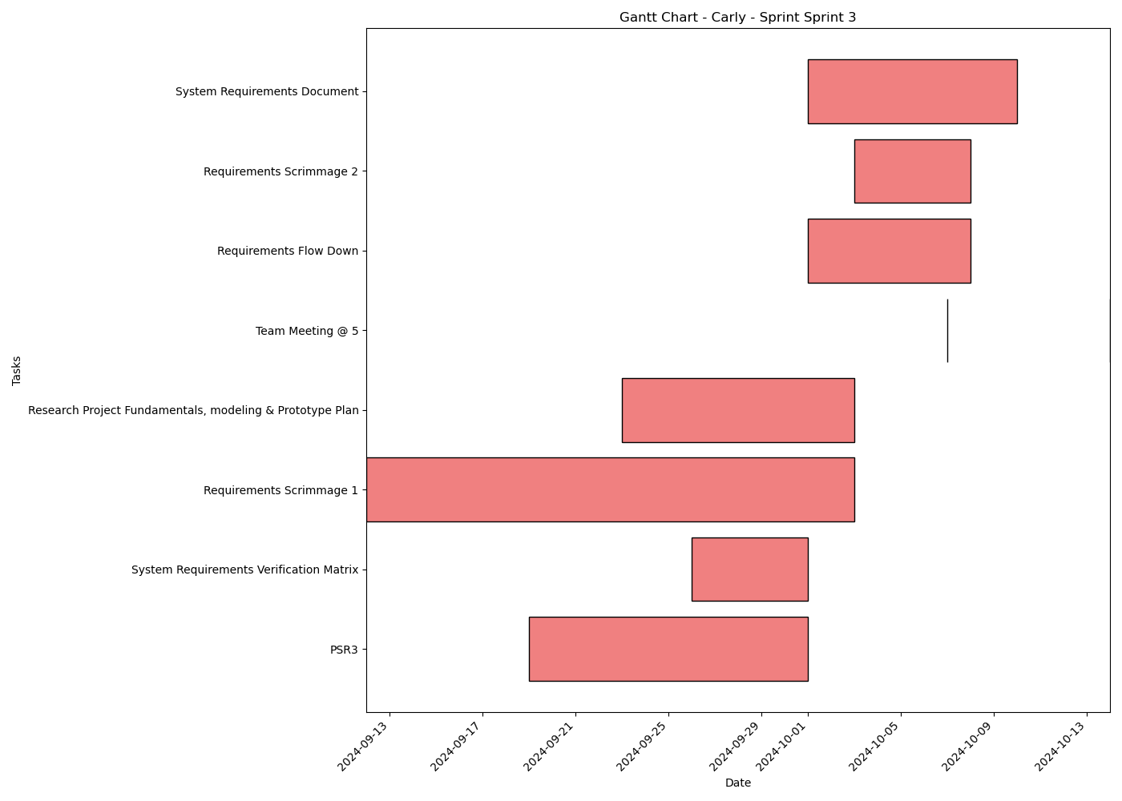
Task | Assignees | Start date | End date | Sprint | Status | Hours Completed | Corrective Action
PSR3 | Aidan, Carly, Diego, John, Matthew, Amber | 2024-09-19 | 2024-10-01 | Sprint 3 | In Progress | 1
System Requirements Verification Matrix | Aidan, Carly, Diego, John, Matthew, Amber | 2024-09-26 | 2024-10-01 | Sprint 3 | In Review | 0.5
Requirements Scrimmage 1 | Aidan, Carly, Diego, John, Matthew, Amber | 2024-09-12 | 2024-10-03 | Sprint 3 | Todo | 0.5
Research Project Fundamentals, modeling & Prototype Plan | Aidan, Carly, Diego, John, Matthew, Amber | 2024-09-23 | 2024-10-03 | Sprint 3 | Todo
Team Meeting @ 5 | Aidan, Carly, Diego, John, Matthew, Amber | 2024-10-07 | 2024-10-07 | Sprint 3 | Todo | 1
Requirements Flow Down | Aidan, Carly, Diego, John, Matthew, Amber | 2024-10-01 | 2024-10-08 | Sprint 3 | Todo
Requirements Scrimmage 2 | Aidan, Carly, Diego, John, Matthew, Amber | 2024-10-03 | 2024-10-08 | Sprint 3 | Todo
System Requirements Document | Aidan, Carly, Diego, John, Matthew, Amber | 2024-10-01 | 2024-10-10 | Sprint 3 | Todo
Team Meeting @ 5 | Aidan, Carly, Diego, John, Matthew, Amber | 2024-10-14 | 2024-10-14 | Sprint 3 | Todo | 1
 |  |  |  |  | Total Hours | 4

Carly_Sprint_Sprint 4
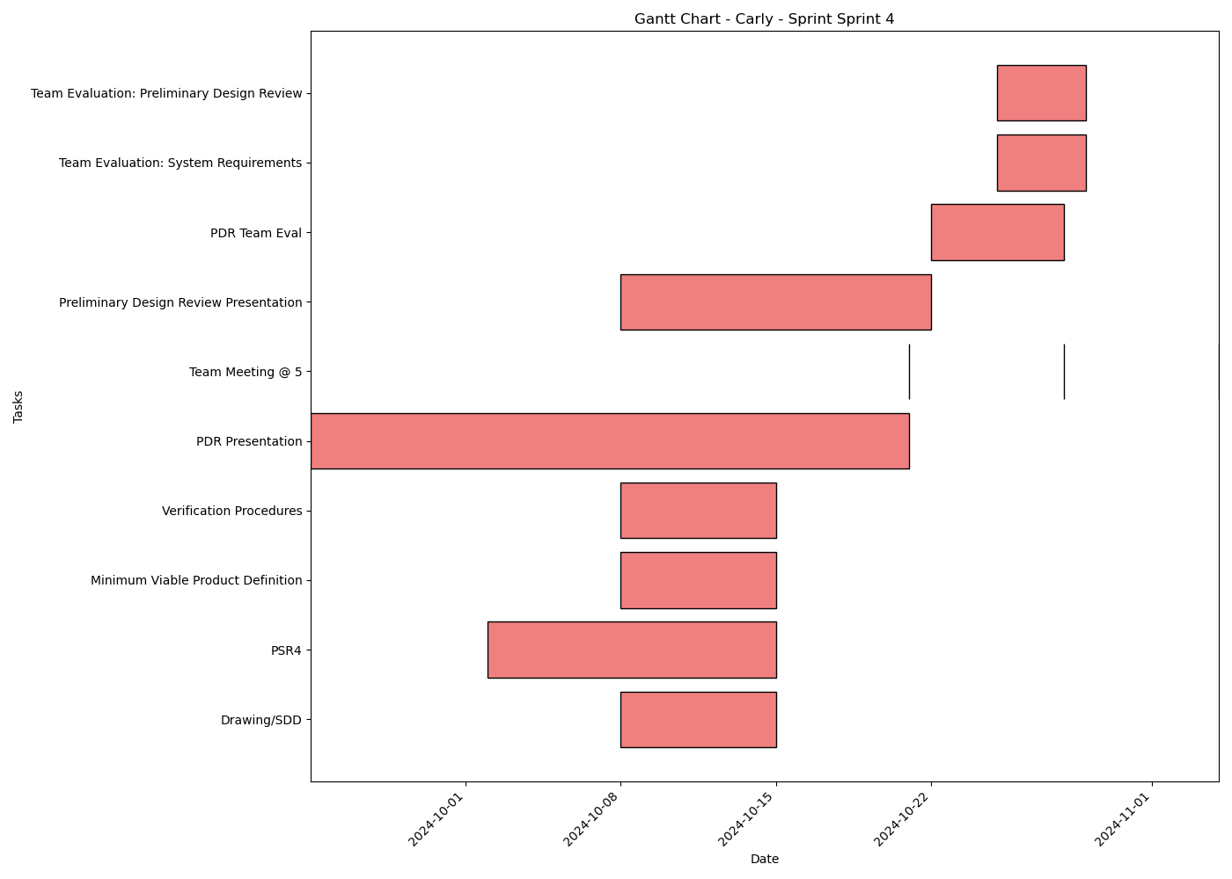
Task | Assignees | Start date | End date | Sprint | Status | Hours Completed | Corrective Action
Drawing/SDD | Aidan, Carly, Diego, John, Matthew, Amber | 2024-10-08 | 2024-10-15 | Sprint 4 | Todo
PSR4 | Aidan, Carly, Diego, John, Matthew, Amber | 2024-10-02 | 2024-10-15 | Sprint 4 | Todo
Minimum Viable Product Definition | Aidan, Carly, Diego, John, Matthew, Amber | 2024-10-08 | 2024-10-15 | Sprint 4 | Todo
Verification Procedures | Aidan, Carly, Diego, John, Matthew, Amber | 2024-10-08 | 2024-10-15 | Sprint 4 | Todo
PDR Presentation | Aidan, Carly, Diego, John, Matthew, Amber | 2024-09-24 | 2024-10-21 | Sprint 4 | Todo
Team Meeting @ 5 | Aidan, Carly, Diego, John, Matthew, Amber | 2024-10-21 | 2024-10-21 | Sprint 4 | Todo | 1
Preliminary Design Review Presentation | Aidan, Carly, Diego, John, Matthew, Amber | 2024-10-08 | 2024-10-22 | Sprint 4 | Todo
Team Meeting @ 5 | Aidan, Carly, Diego, John, Matthew, Amber | 2024-10-28 | 2024-10-28 | Sprint 4 | Todo | 1
PDR Team Eval | Aidan, Carly, Diego, John, Matthew, Amber | 2024-10-22 | 2024-10-28 | Sprint 4 | Todo
Team Evaluation: System Requirements | Aidan, Carly, Diego, John, Matthew, Amber | 2024-10-25 | 2024-10-29 | Sprint 4 | Todo
Team Evaluation: Preliminary Design Review | Aidan, Carly, Diego, John, Matthew, Amber | 2024-10-25 | 2024-10-29 | Sprint 4 | Todo
Team Meeting @ 5 | Aidan, Carly, Diego, John, Matthew, Amber | 2024-11-04 | 2024-11-04 | Sprint 4 | Todo | 1
 |  |  |  |  | Total Hours | 3

Carly_Sprint_Sprint 5
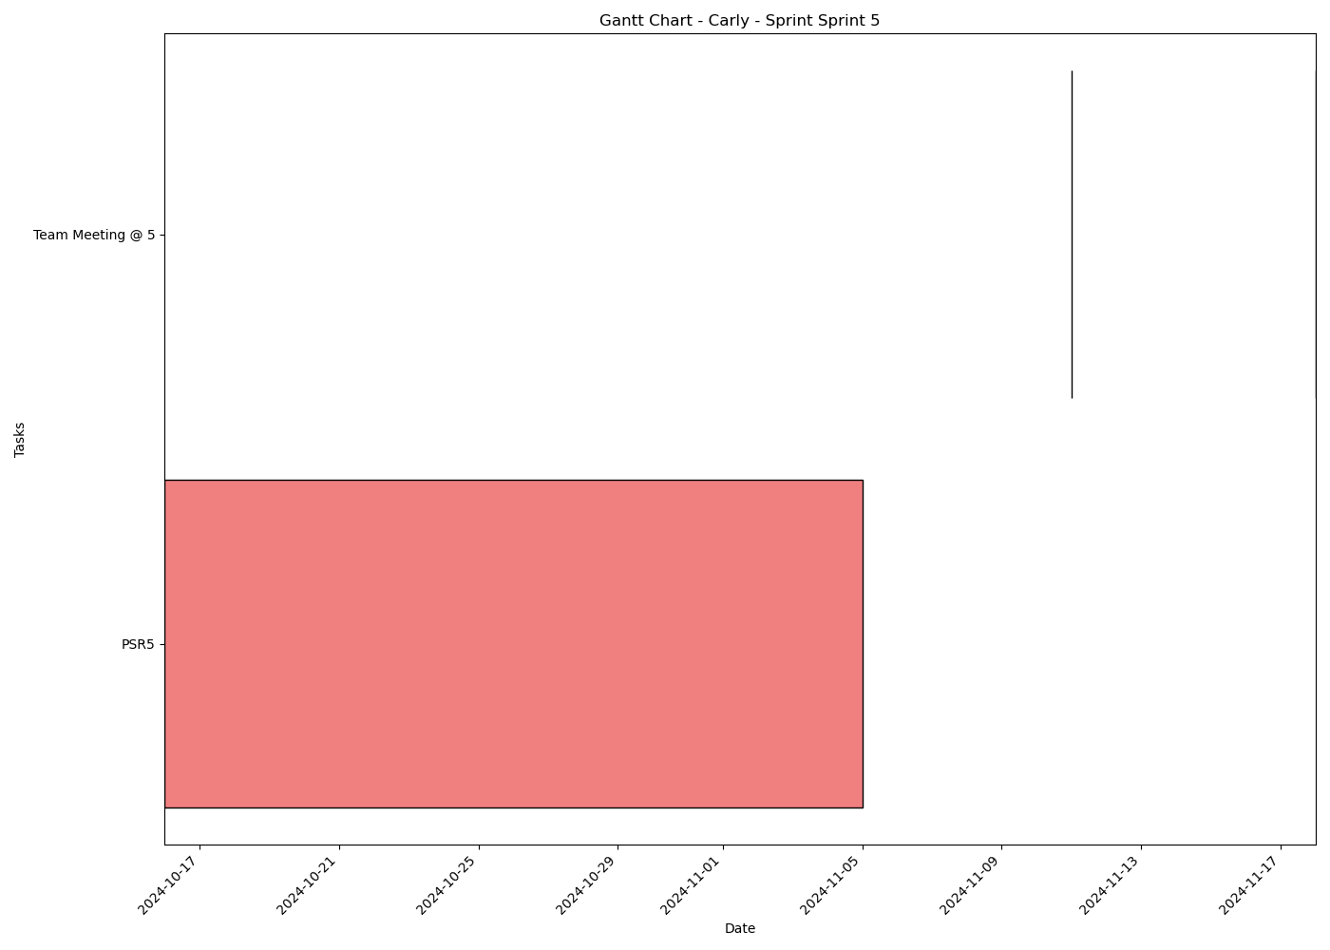
Task | Assignees | Start date | End date | Sprint | Status | Hours Completed | Corrective Action
PSR5 | Aidan, Carly, Diego, John, Matthew, Amber | 2024-10-16 | 2024-11-05 | Sprint 5 | Todo
Team Meeting @ 5 | Aidan, Carly, Diego, John, Matthew, Amber | 2024-11-11 | 2024-11-11 | Sprint 5 | Todo | 1
Team Meeting @ 5 | Aidan, Carly, Diego, John, Matthew, Amber | 2024-11-18 | 2024-11-18 | Sprint 5 | Todo | 1
 |  |  |  |  | Total Hours | 2

Carly_Sprint_Sprint 6
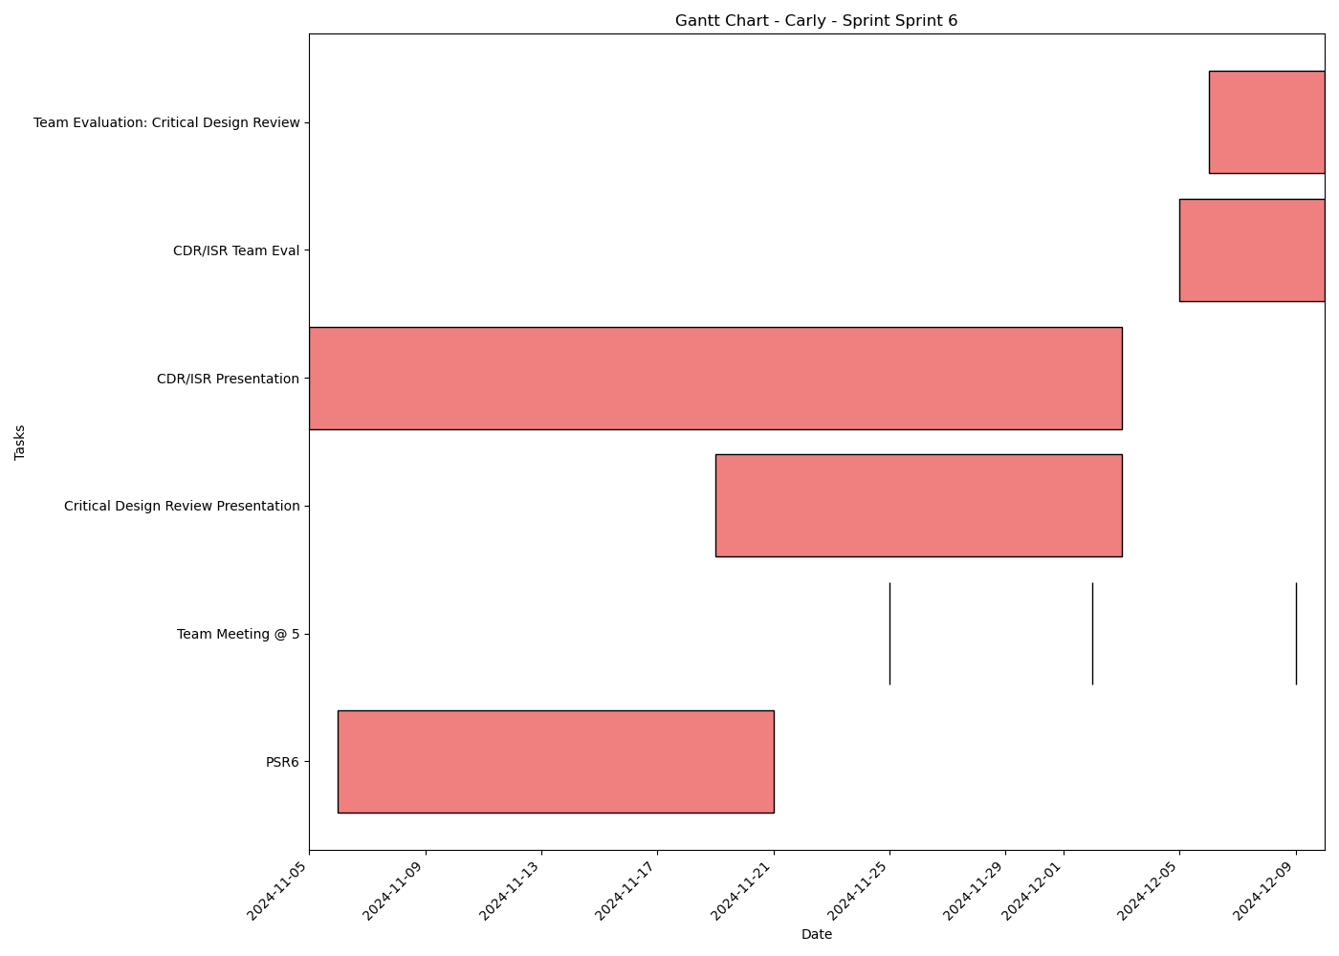
Task | Assignees | Start date | End date | Sprint | Status | Hours Completed | Corrective Action
PSR6 | Aidan, Carly, Diego, John, Matthew, Amber | 2024-11-06 | 2024-11-21 | Sprint 6 | Todo
Team Meeting @ 5 | Aidan, Carly, Diego, John, Matthew, Amber | 2024-11-25 | 2024-11-25 | Sprint 6 | Todo | 1
Team Meeting @ 5 | Aidan, Carly, Diego, John, Matthew, Amber | 2024-12-02 | 2024-12-02 | Sprint 6 | Todo | 1
Critical Design Review Presentation | Aidan, Carly, Diego, John, Matthew, Amber | 2024-11-19 | 2024-12-03 | Sprint 6 | Todo
CDR/ISR Presentation | Aidan, Carly, Diego, John, Matthew, Amber | 2024-11-05 | 2024-12-03 | Sprint 6 | Todo
Team Meeting @ 5 | Aidan, Carly, Diego, John, Matthew, Amber | 2024-12-09 | 2024-12-09 | Sprint 6 | Todo | 1
CDR/ISR Team Eval | Aidan, Carly, Diego, John, Matthew, Amber | 2024-12-05 | 2024-12-10 | Sprint 6 | Todo
Team Evaluation: Critical Design Review | Aidan, Carly, Diego, John, Matthew, Amber | 2024-12-06 | 2024-12-10 | Sprint 6 | Todo
 |  |  |  |  | Total Hours | 3

Matthew_Sprint_Sprint 1
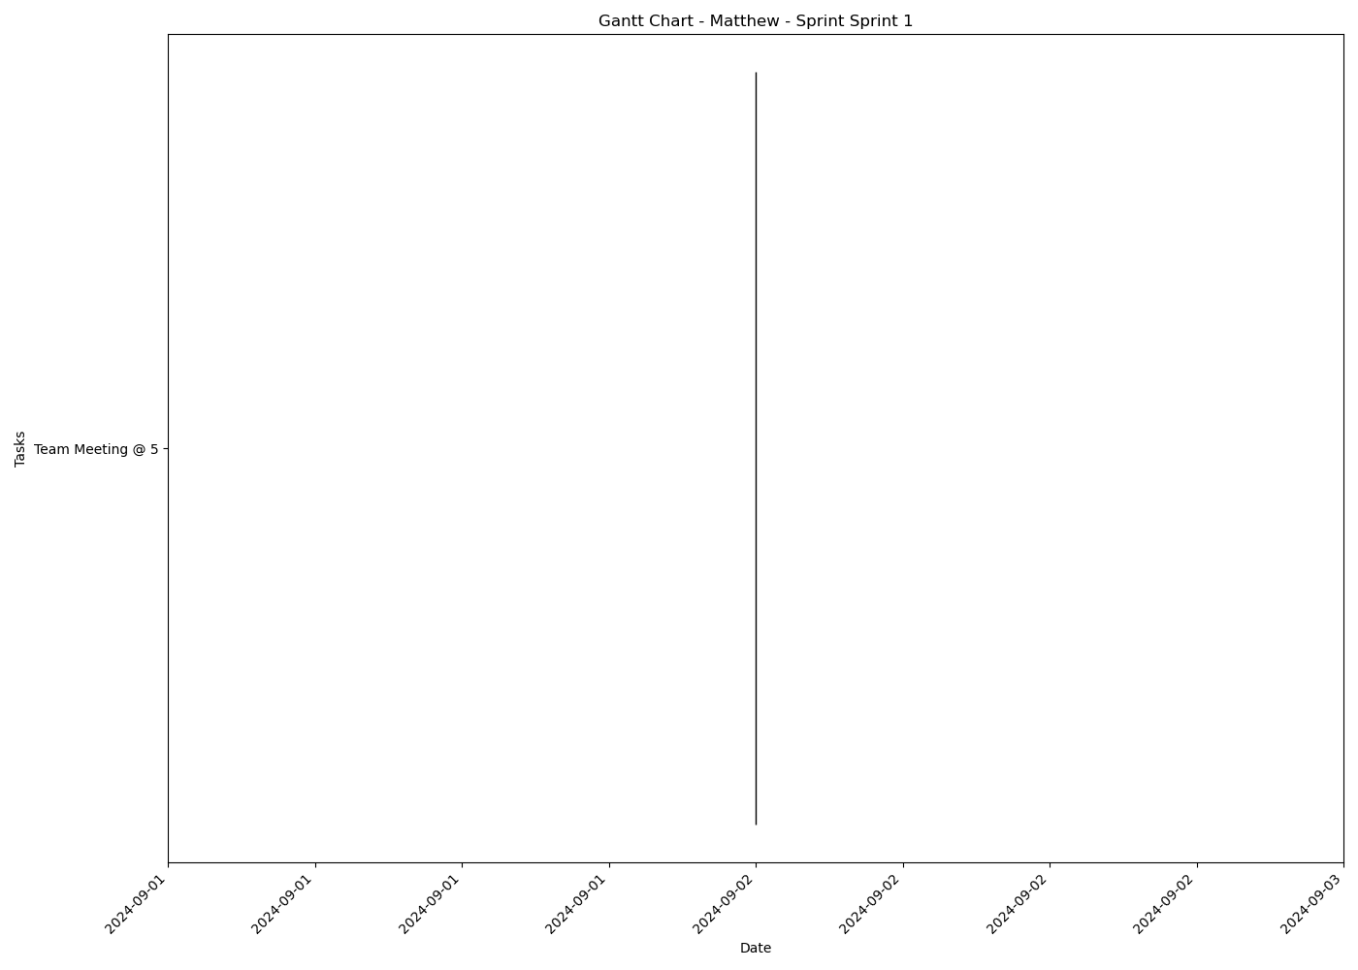
Task | Assignees | Start date | End date | Sprint | Status | Hours Completed | Corrective Action
Team Meeting @ 5 | Aidan, Carly, Diego, John, Matthew, Amber | 2024-09-02 | 2024-09-02 | Sprint 1 | Done | 1
 |  |  |  |  | Total Hours | 1

Matthew_Sprint_Sprint 2
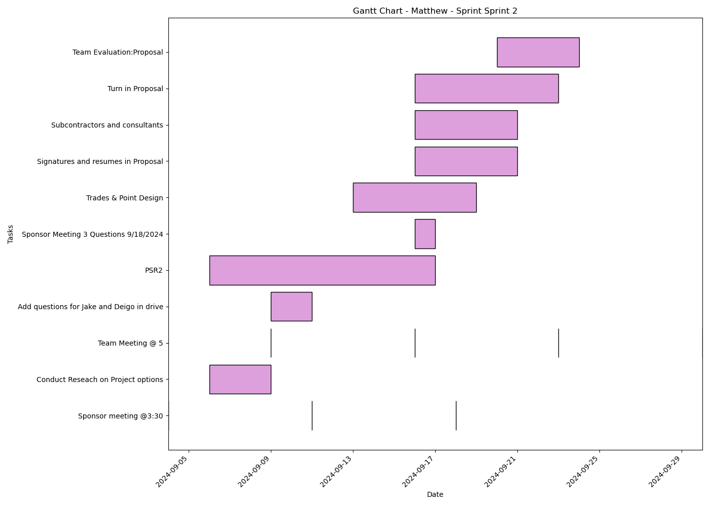
Task | Assignees | Start date | End date | Sprint | Status | Hours Completed | Corrective Action
Sponsor meeting @3:30 | Aidan, Carly, Diego, John, Matthew, Amber | 2024-09-04 | 2024-09-04 | Sprint 2 | Done | 0.5
Conduct Reseach on Project options | Aidan, Carly, Diego, John, Matthew, Amber | 2024-09-06 | 2024-09-09 | Sprint 2 | Done | 2
Team Meeting @ 5 | Aidan, Carly, Diego, John, Matthew, Amber | 2024-09-09 | 2024-09-09 | Sprint 2 | Done | 1
Add questions for Jake and Deigo in drive | Aidan, Carly, Diego, John, Matthew, Amber | 2024-09-09 | 2024-09-11 | Sprint 2 | Done | 1
Sponsor meeting @3:30 | Aidan, Carly, Diego, John, Matthew, Amber | 2024-09-11 | 2024-09-11 | Sprint 2 | Done | 0.5
Team Meeting @ 5 | Aidan, Carly, Diego, John, Matthew, Amber | 2024-09-16 | 2024-09-16 | Sprint 2 | Done | 1
PSR2 | Aidan, Carly, Diego, John, Matthew, Amber | 2024-09-06 | 2024-09-17 | Sprint 2 | Done | 2
Sponsor Meeting 3 Questions 9/18/2024 | Aidan, Carly, Diego, John, Matthew, Amber | 2024-09-16 | 2024-09-17 | Sprint 2 | Done | 0.5
Sponsor meeting @3:30 | Aidan, Carly, Diego, John, Matthew, Amber | 2024-09-18 | 2024-09-18 | Sprint 2 | Done | 0.5
Trades & Point Design | Aidan, Carly, Diego, John, Matthew, Amber | 2024-09-13 | 2024-09-19 | Sprint 2 | Done | 2
Signatures and resumes in Proposal | Aidan, Carly, Diego, John, Matthew, Amber | 2024-09-16 | 2024-09-21 | Sprint 2 | Done | 0.5
Subcontractors and consultants | Matthew | 2024-09-16 | 2024-09-21 | Sprint 2 | Done | 0.25
Turn in Proposal | Carly, John, Matthew, Amber | 2024-09-16 | 2024-09-23 | Sprint 2 | Done | 0.25
Team Meeting @ 5 | Aidan, Carly, Diego, John, Matthew, Amber | 2024-09-23 | 2024-09-23 | Sprint 2 | Done | 1
Team Evaluation:Proposal | Aidan, Carly, Diego, John, Matthew, Amber | 2024-09-20 | 2024-09-24 | Sprint 2 | Done | 1.75
Team Meeting @ 5 | Aidan, Carly, Diego, John, Matthew, Amber | 2024-09-30 | 2024-09-30 | Sprint 2 | Todo | 1
 |  |  |  |  | Total Hours | 15.75

Matthew_Sprint_Sprint 3
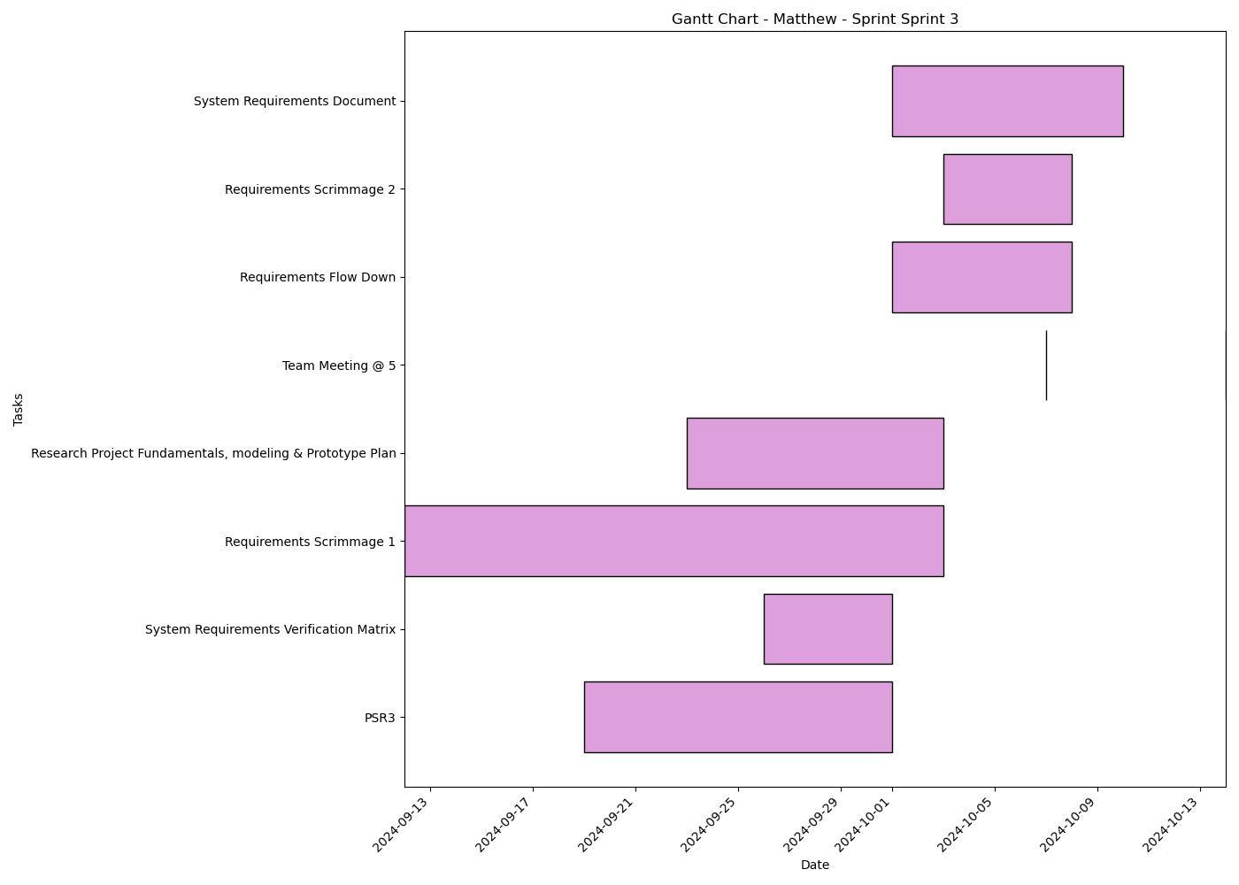
Task | Assignees | Start date | End date | Sprint | Status | Hours Completed | Corrective Action
PSR3 | Aidan, Carly, Diego, John, Matthew, Amber | 2024-09-19 | 2024-10-01 | Sprint 3 | In Progress | 1
System Requirements Verification Matrix | Aidan, Carly, Diego, John, Matthew, Amber | 2024-09-26 | 2024-10-01 | Sprint 3 | In Review | 0.5
Requirements Scrimmage 1 | Aidan, Carly, Diego, John, Matthew, Amber | 2024-09-12 | 2024-10-03 | Sprint 3 | Todo | 0.5
Research Project Fundamentals, modeling & Prototype Plan | Aidan, Carly, Diego, John, Matthew, Amber | 2024-09-23 | 2024-10-03 | Sprint 3 | Todo
Team Meeting @ 5 | Aidan, Carly, Diego, John, Matthew, Amber | 2024-10-07 | 2024-10-07 | Sprint 3 | Todo | 1
Requirements Flow Down | Aidan, Carly, Diego, John, Matthew, Amber | 2024-10-01 | 2024-10-08 | Sprint 3 | Todo
Requirements Scrimmage 2 | Aidan, Carly, Diego, John, Matthew, Amber | 2024-10-03 | 2024-10-08 | Sprint 3 | Todo
System Requirements Document | Aidan, Carly, Diego, John, Matthew, Amber | 2024-10-01 | 2024-10-10 | Sprint 3 | Todo
Team Meeting @ 5 | Aidan, Carly, Diego, John, Matthew, Amber | 2024-10-14 | 2024-10-14 | Sprint 3 | Todo | 1
 |  |  |  |  | Total Hours | 4

Matthew_Sprint_Sprint 4
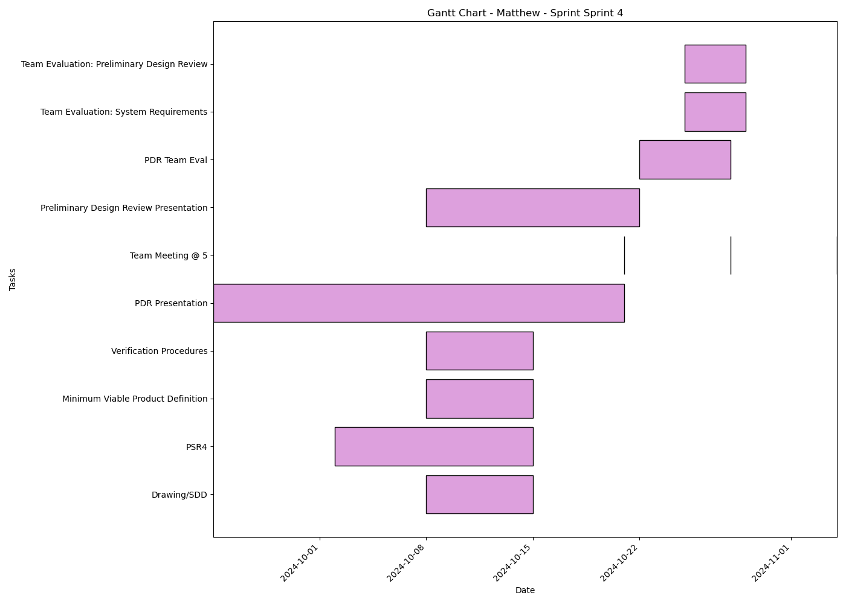
Task | Assignees | Start date | End date | Sprint | Status | Hours Completed | Corrective Action
Drawing/SDD | Aidan, Carly, Diego, John, Matthew, Amber | 2024-10-08 | 2024-10-15 | Sprint 4 | Todo
PSR4 | Aidan, Carly, Diego, John, Matthew, Amber | 2024-10-02 | 2024-10-15 | Sprint 4 | Todo
Minimum Viable Product Definition | Aidan, Carly, Diego, John, Matthew, Amber | 2024-10-08 | 2024-10-15 | Sprint 4 | Todo
Verification Procedures | Aidan, Carly, Diego, John, Matthew, Amber | 2024-10-08 | 2024-10-15 | Sprint 4 | Todo
PDR Presentation | Aidan, Carly, Diego, John, Matthew, Amber | 2024-09-24 | 2024-10-21 | Sprint 4 | Todo
Team Meeting @ 5 | Aidan, Carly, Diego, John, Matthew, Amber | 2024-10-21 | 2024-10-21 | Sprint 4 | Todo | 1
Preliminary Design Review Presentation | Aidan, Carly, Diego, John, Matthew, Amber | 2024-10-08 | 2024-10-22 | Sprint 4 | Todo
Team Meeting @ 5 | Aidan, Carly, Diego, John, Matthew, Amber | 2024-10-28 | 2024-10-28 | Sprint 4 | Todo | 1
PDR Team Eval | Aidan, Carly, Diego, John, Matthew, Amber | 2024-10-22 | 2024-10-28 | Sprint 4 | Todo
Team Evaluation: System Requirements | Aidan, Carly, Diego, John, Matthew, Amber | 2024-10-25 | 2024-10-29 | Sprint 4 | Todo
Team Evaluation: Preliminary Design Review | Aidan, Carly, Diego, John, Matthew, Amber | 2024-10-25 | 2024-10-29 | Sprint 4 | Todo
Team Meeting @ 5 | Aidan, Carly, Diego, John, Matthew, Amber | 2024-11-04 | 2024-11-04 | Sprint 4 | Todo | 1
 |  |  |  |  | Total Hours | 3

Matthew_Sprint_Sprint 5
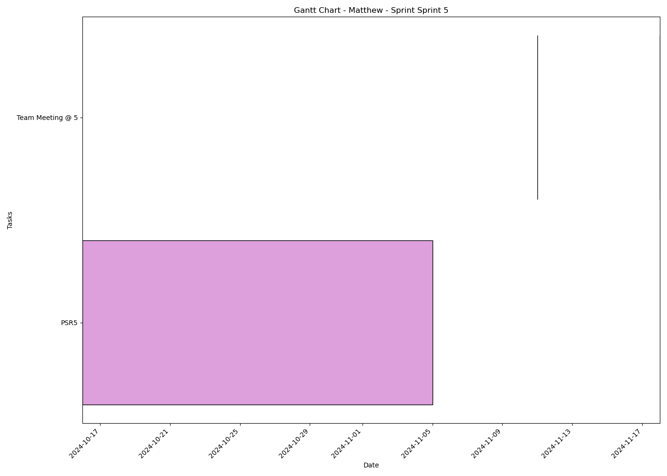
Task | Assignees | Start date | End date | Sprint | Status | Hours Completed | Corrective Action
PSR5 | Aidan, Carly, Diego, John, Matthew, Amber | 2024-10-16 | 2024-11-05 | Sprint 5 | Todo
Team Meeting @ 5 | Aidan, Carly, Diego, John, Matthew, Amber | 2024-11-11 | 2024-11-11 | Sprint 5 | Todo | 1
Team Meeting @ 5 | Aidan, Carly, Diego, John, Matthew, Amber | 2024-11-18 | 2024-11-18 | Sprint 5 | Todo | 1
 |  |  |  |  | Total Hours | 2

Matthew_Sprint_Sprint 6
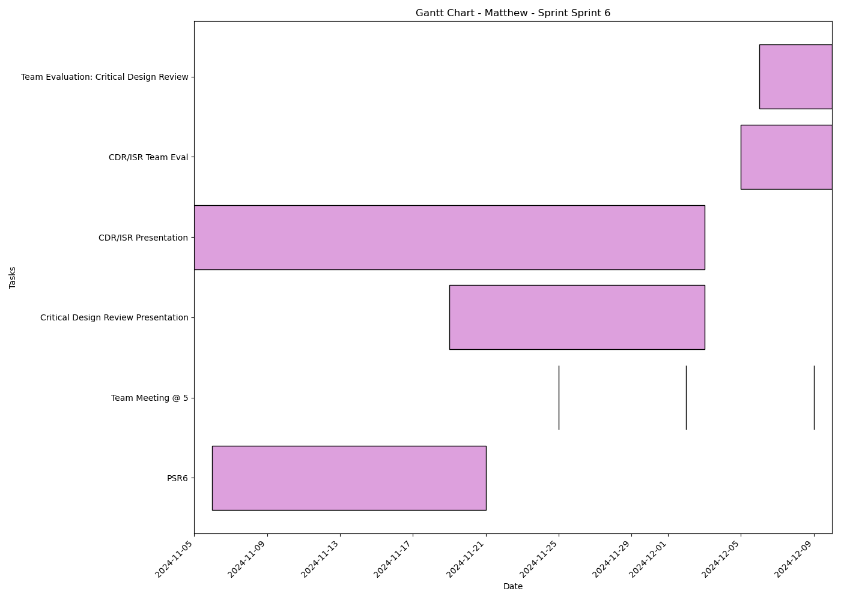
Task | Assignees | Start date | End date | Sprint | Status | Hours Completed | Corrective Action
PSR6 | Aidan, Carly, Diego, John, Matthew, Amber | 2024-11-06 | 2024-11-21 | Sprint 6 | Todo
Team Meeting @ 5 | Aidan, Carly, Diego, John, Matthew, Amber | 2024-11-25 | 2024-11-25 | Sprint 6 | Todo | 1
Team Meeting @ 5 | Aidan, Carly, Diego, John, Matthew, Amber | 2024-12-02 | 2024-12-02 | Sprint 6 | Todo | 1
Critical Design Review Presentation | Aidan, Carly, Diego, John, Matthew, Amber | 2024-11-19 | 2024-12-03 | Sprint 6 | Todo
CDR/ISR Presentation | Aidan, Carly, Diego, John, Matthew, Amber | 2024-11-05 | 2024-12-03 | Sprint 6 | Todo
Team Meeting @ 5 | Aidan, Carly, Diego, John, Matthew, Amber | 2024-12-09 | 2024-12-09 | Sprint 6 | Todo | 1
CDR/ISR Team Eval | Aidan, Carly, Diego, John, Matthew, Amber | 2024-12-05 | 2024-12-10 | Sprint 6 | Todo
Team Evaluation: Critical Design Review | Aidan, Carly, Diego, John, Matthew, Amber | 2024-12-06 | 2024-12-10 | Sprint 6 | Todo
 |  |  |  |  | Total Hours | 3

Aidan_Sprint_Sprint 1

Task | Assignees | Start date | End date | Sprint | Status | Hours Completed | Corrective Action
Team Meeting @ 5 | Aidan, Carly, Diego, John, Matthew, Amber | 2024-09-02 | 2024-09-02 | Sprint 1 | Done | 1
 |  |  |  |  | Total Hours | 1

Aidan_Sprint_Sprint 2
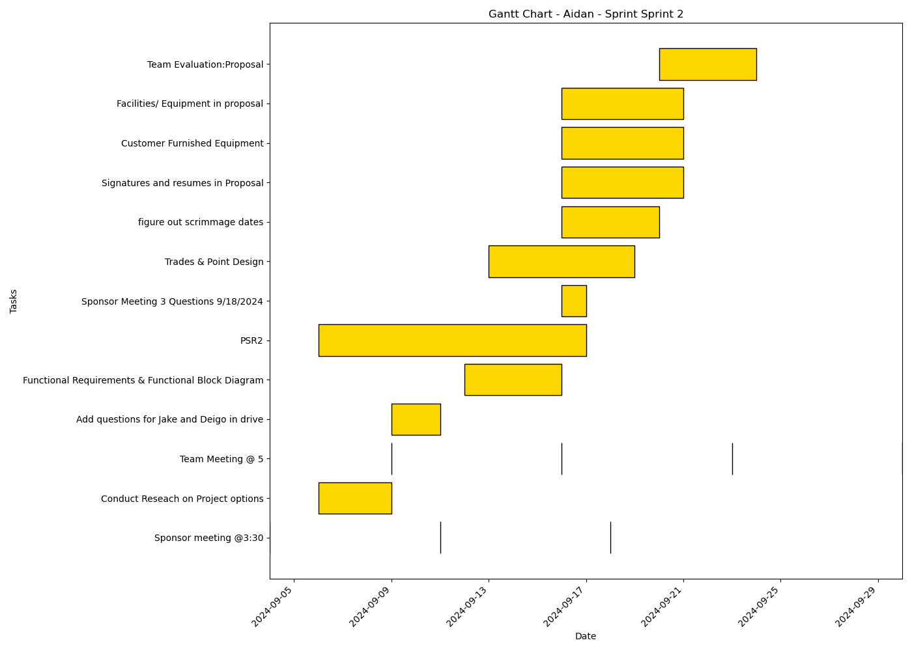
Task | Assignees | Start date | End date | Sprint | Status | Hours Completed | Corrective Action
Sponsor meeting @3:30 | Aidan, Carly, Diego, John, Matthew, Amber | 2024-09-04 | 2024-09-04 | Sprint 2 | Done | 0.5
Conduct Reseach on Project options | Aidan, Carly, Diego, John, Matthew, Amber | 2024-09-06 | 2024-09-09 | Sprint 2 | Done | 2
Team Meeting @ 5 | Aidan, Carly, Diego, John, Matthew, Amber | 2024-09-09 | 2024-09-09 | Sprint 2 | Done | 1
Add questions for Jake and Deigo in drive | Aidan, Carly, Diego, John, Matthew, Amber | 2024-09-09 | 2024-09-11 | Sprint 2 | Done | 1
Sponsor meeting @3:30 | Aidan, Carly, Diego, John, Matthew, Amber | 2024-09-11 | 2024-09-11 | Sprint 2 | Done | 0.5
Team Meeting @ 5 | Aidan, Carly, Diego, John, Matthew, Amber | 2024-09-16 | 2024-09-16 | Sprint 2 | Done | 1
Functional Requirements & Functional Block Diagram | Aidan, Diego, Amber | 2024-09-12 | 2024-09-16 | Sprint 2 | Done | 3
PSR2 | Aidan, Carly, Diego, John, Matthew, Amber | 2024-09-06 | 2024-09-17 | Sprint 2 | Done | 2
Sponsor Meeting 3 Questions 9/18/2024 | Aidan, Carly, Diego, John, Matthew, Amber | 2024-09-16 | 2024-09-17 | Sprint 2 | Done | 0.5
Sponsor meeting @3:30 | Aidan, Carly, Diego, John, Matthew, Amber | 2024-09-18 | 2024-09-18 | Sprint 2 | Done | 0.5
Trades & Point Design | Aidan, Carly, Diego, John, Matthew, Amber | 2024-09-13 | 2024-09-19 | Sprint 2 | Done | 2
figure out scrimmage dates | Aidan | 2024-09-16 | 2024-09-20 | Sprint 2 | Done | 0.25
Signatures and resumes in Proposal | Aidan, Carly, Diego, John, Matthew, Amber | 2024-09-16 | 2024-09-21 | Sprint 2 | Done | 0.5
Customer Furnished Equipment | Aidan | 2024-09-16 | 2024-09-21 | Sprint 2 | Done | 0.5
Facilities/ Equipment in proposal | Aidan | 2024-09-16 | 2024-09-21 | Sprint 2 | Done | 0.5
Team Meeting @ 5 | Aidan, Carly, Diego, John, Matthew, Amber | 2024-09-23 | 2024-09-23 | Sprint 2 | Done | 1
Team Evaluation:Proposal | Aidan, Carly, Diego, John, Matthew, Amber | 2024-09-20 | 2024-09-24 | Sprint 2 | Done | 1.75
Team Meeting @ 5 | Aidan, Carly, Diego, John, Matthew, Amber | 2024-09-30 | 2024-09-30 | Sprint 2 | Todo | 1
 |  |  |  |  | Total Hours | 19.5

Aidan_Sprint_Sprint 3
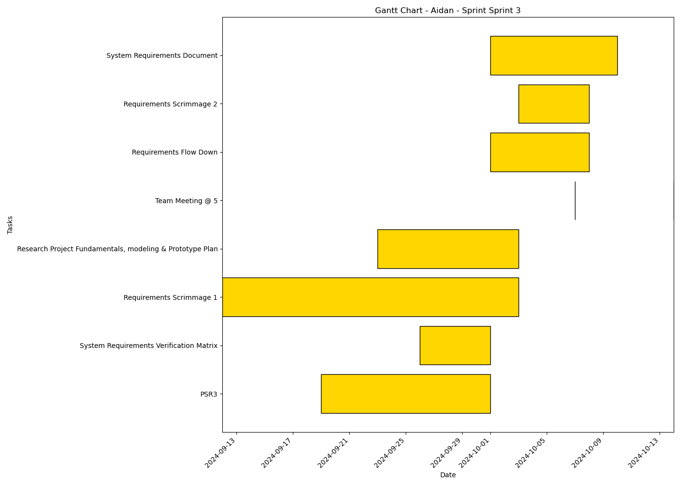
Task | Assignees | Start date | End date | Sprint | Status | Hours Completed | Corrective Action
PSR3 | Aidan, Carly, Diego, John, Matthew, Amber | 2024-09-19 | 2024-10-01 | Sprint 3 | In Progress | 1
System Requirements Verification Matrix | Aidan, Carly, Diego, John, Matthew, Amber | 2024-09-26 | 2024-10-01 | Sprint 3 | In Review | 0.5
Requirements Scrimmage 1 | Aidan, Carly, Diego, John, Matthew, Amber | 2024-09-12 | 2024-10-03 | Sprint 3 | Todo | 0.5
Research Project Fundamentals, modeling & Prototype Plan | Aidan, Carly, Diego, John, Matthew, Amber | 2024-09-23 | 2024-10-03 | Sprint 3 | Todo
Team Meeting @ 5 | Aidan, Carly, Diego, John, Matthew, Amber | 2024-10-07 | 2024-10-07 | Sprint 3 | Todo | 1
Requirements Flow Down | Aidan, Carly, Diego, John, Matthew, Amber | 2024-10-01 | 2024-10-08 | Sprint 3 | Todo
Requirements Scrimmage 2 | Aidan, Carly, Diego, John, Matthew, Amber | 2024-10-03 | 2024-10-08 | Sprint 3 | Todo
System Requirements Document | Aidan, Carly, Diego, John, Matthew, Amber | 2024-10-01 | 2024-10-10 | Sprint 3 | Todo
Team Meeting @ 5 | Aidan, Carly, Diego, John, Matthew, Amber | 2024-10-14 | 2024-10-14 | Sprint 3 | Todo | 1
 |  |  |  |  | Total Hours | 4

Aidan_Sprint_Sprint 4

Task | Assignees | Start date | End date | Sprint | Status | Hours Completed | Corrective Action
Drawing/SDD | Aidan, Carly, Diego, John, Matthew, Amber | 2024-10-08 | 2024-10-15 | Sprint 4 | Todo
PSR4 | Aidan, Carly, Diego, John, Matthew, Amber | 2024-10-02 | 2024-10-15 | Sprint 4 | Todo
Minimum Viable Product Definition | Aidan, Carly, Diego, John, Matthew, Amber | 2024-10-08 | 2024-10-15 | Sprint 4 | Todo
Verification Procedures | Aidan, Carly, Diego, John, Matthew, Amber | 2024-10-08 | 2024-10-15 | Sprint 4 | Todo
PDR Presentation | Aidan, Carly, Diego, John, Matthew, Amber | 2024-09-24 | 2024-10-21 | Sprint 4 | Todo
Team Meeting @ 5 | Aidan, Carly, Diego, John, Matthew, Amber | 2024-10-21 | 2024-10-21 | Sprint 4 | Todo | 1
Preliminary Design Review Presentation | Aidan, Carly, Diego, John, Matthew, Amber | 2024-10-08 | 2024-10-22 | Sprint 4 | Todo
Team Meeting @ 5 | Aidan, Carly, Diego, John, Matthew, Amber | 2024-10-28 | 2024-10-28 | Sprint 4 | Todo | 1
PDR Team Eval | Aidan, Carly, Diego, John, Matthew, Amber | 2024-10-22 | 2024-10-28 | Sprint 4 | Todo
Team Evaluation: System Requirements | Aidan, Carly, Diego, John, Matthew, Amber | 2024-10-25 | 2024-10-29 | Sprint 4 | Todo
Team Evaluation: Preliminary Design Review | Aidan, Carly, Diego, John, Matthew, Amber | 2024-10-25 | 2024-10-29 | Sprint 4 | Todo
Team Meeting @ 5 | Aidan, Carly, Diego, John, Matthew, Amber | 2024-11-04 | 2024-11-04 | Sprint 4 | Todo | 1
 |  |  |  |  | Total Hours | 3

Aidan_Sprint_Sprint 5
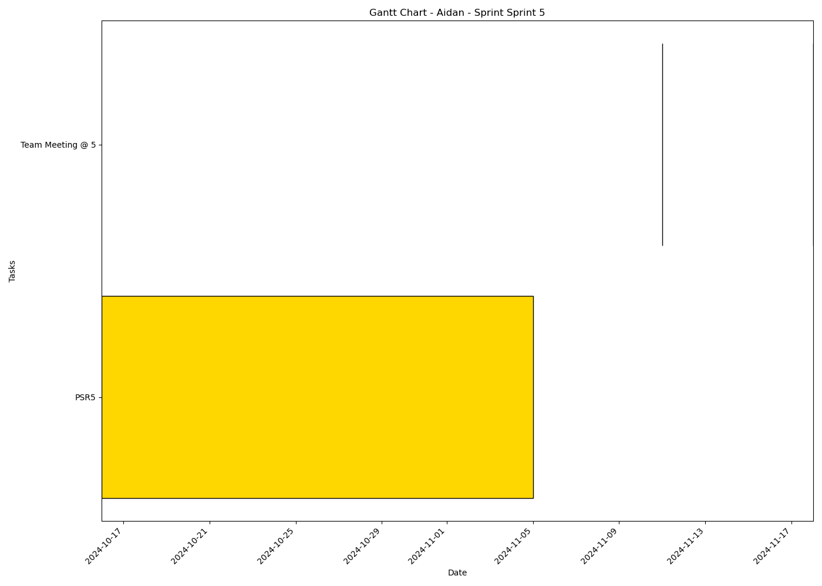
Task | Assignees | Start date | End date | Sprint | Status | Hours Completed | Corrective Action
PSR5 | Aidan, Carly, Diego, John, Matthew, Amber | 2024-10-16 | 2024-11-05 | Sprint 5 | Todo
Team Meeting @ 5 | Aidan, Carly, Diego, John, Matthew, Amber | 2024-11-11 | 2024-11-11 | Sprint 5 | Todo | 1
Team Meeting @ 5 | Aidan, Carly, Diego, John, Matthew, Amber | 2024-11-18 | 2024-11-18 | Sprint 5 | Todo | 1
 |  |  |  |  | Total Hours | 2

Aidan_Sprint_Sprint 6
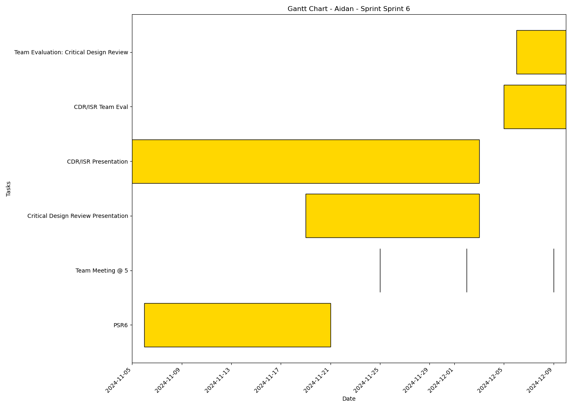
Task | Assignees | Start date | End date | Sprint | Status | Hours Completed | Corrective Action
PSR6 | Aidan, Carly, Diego, John, Matthew, Amber | 2024-11-06 | 2024-11-21 | Sprint 6 | Todo
Team Meeting @ 5 | Aidan, Carly, Diego, John, Matthew, Amber | 2024-11-25 | 2024-11-25 | Sprint 6 | Todo | 1
Team Meeting @ 5 | Aidan, Carly, Diego, John, Matthew, Amber | 2024-12-02 | 2024-12-02 | Sprint 6 | Todo | 1
Critical Design Review Presentation | Aidan, Carly, Diego, John, Matthew, Amber | 2024-11-19 | 2024-12-03 | Sprint 6 | Todo
CDR/ISR Presentation | Aidan, Carly, Diego, John, Matthew, Amber | 2024-11-05 | 2024-12-03 | Sprint 6 | Todo
Team Meeting @ 5 | Aidan, Carly, Diego, John, Matthew, Amber | 2024-12-09 | 2024-12-09 | Sprint 6 | Todo | 1
CDR/ISR Team Eval | Aidan, Carly, Diego, John, Matthew, Amber | 2024-12-05 | 2024-12-10 | Sprint 6 | Todo
Team Evaluation: Critical Design Review | Aidan, Carly, Diego, John, Matthew, Amber | 2024-12-06 | 2024-12-10 | Sprint 6 | Todo
 |  |  |  |  | Total Hours | 3

John_Sprint_Sprint 1

Task | Assignees | Start date | End date | Sprint | Status | Hours Completed | Corrective Action
Team Meeting @ 5 | Aidan, Carly, Diego, John, Matthew, Amber | 2024-09-02 | 2024-09-02 | Sprint 1 | Done | 1
 |  |  |  |  | Total Hours | 1

John_Sprint_Sprint 2
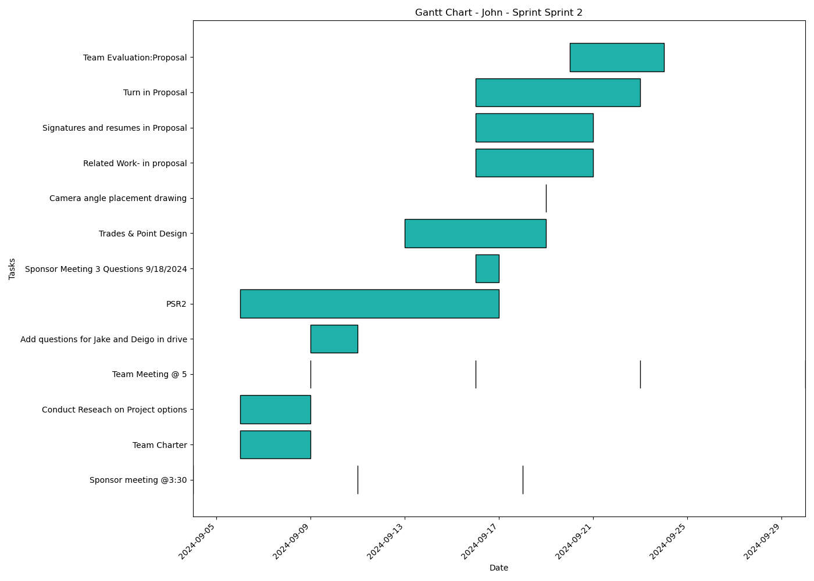
Task | Assignees | Start date | End date | Sprint | Status | Hours Completed | Corrective Action
Sponsor meeting @3:30 | Aidan, Carly, Diego, John, Matthew, Amber | 2024-09-04 | 2024-09-04 | Sprint 2 | Done | 0.5
Team Charter | John, Amber | 2024-09-06 | 2024-09-09 | Sprint 2 | Done | 3
Conduct Reseach on Project options | Aidan, Carly, Diego, John, Matthew, Amber | 2024-09-06 | 2024-09-09 | Sprint 2 | Done | 2
Team Meeting @ 5 | Aidan, Carly, Diego, John, Matthew, Amber | 2024-09-09 | 2024-09-09 | Sprint 2 | Done | 1
Add questions for Jake and Deigo in drive | Aidan, Carly, Diego, John, Matthew, Amber | 2024-09-09 | 2024-09-11 | Sprint 2 | Done | 1
Sponsor meeting @3:30 | Aidan, Carly, Diego, John, Matthew, Amber | 2024-09-11 | 2024-09-11 | Sprint 2 | Done | 0.5
Team Meeting @ 5 | Aidan, Carly, Diego, John, Matthew, Amber | 2024-09-16 | 2024-09-16 | Sprint 2 | Done | 1
PSR2 | Aidan, Carly, Diego, John, Matthew, Amber | 2024-09-06 | 2024-09-17 | Sprint 2 | Done | 2
Sponsor Meeting 3 Questions 9/18/2024 | Aidan, Carly, Diego, John, Matthew, Amber | 2024-09-16 | 2024-09-17 | Sprint 2 | Done | 0.5
Sponsor meeting @3:30 | Aidan, Carly, Diego, John, Matthew, Amber | 2024-09-18 | 2024-09-18 | Sprint 2 | Done | 0.5
Trades & Point Design | Aidan, Carly, Diego, John, Matthew, Amber | 2024-09-13 | 2024-09-19 | Sprint 2 | Done | 2
Camera angle placement drawing | Carly, John | 2024-09-19 | 2024-09-19 | Sprint 2 | Done | 1
Related Work- in proposal | John | 2024-09-16 | 2024-09-21 | Sprint 2 | Done | 2
Signatures and resumes in Proposal | Aidan, Carly, Diego, John, Matthew, Amber | 2024-09-16 | 2024-09-21 | Sprint 2 | Done | 0.5
Turn in Proposal | Carly, John, Matthew, Amber | 2024-09-16 | 2024-09-23 | Sprint 2 | Done | 0.25
Team Meeting @ 5 | Aidan, Carly, Diego, John, Matthew, Amber | 2024-09-23 | 2024-09-23 | Sprint 2 | Done | 1
Team Evaluation:Proposal | Aidan, Carly, Diego, John, Matthew, Amber | 2024-09-20 | 2024-09-24 | Sprint 2 | Done | 1.75
Team Meeting @ 5 | Aidan, Carly, Diego, John, Matthew, Amber | 2024-09-30 | 2024-09-30 | Sprint 2 | Todo | 1
 |  |  |  |  | Total Hours | 21.5

John_Sprint_Sprint 3
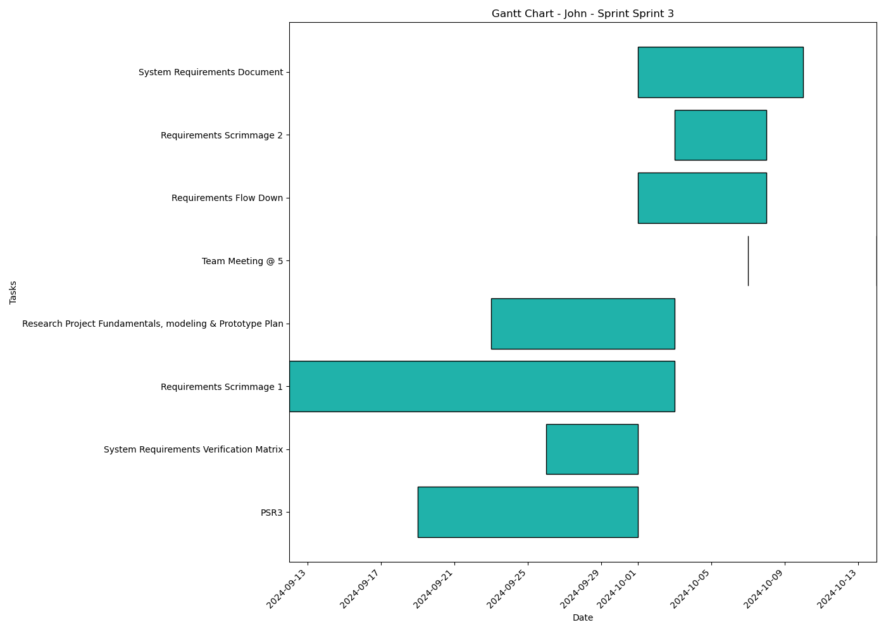
Task | Assignees | Start date | End date | Sprint | Status | Hours Completed | Corrective Action
PSR3 | Aidan, Carly, Diego, John, Matthew, Amber | 2024-09-19 | 2024-10-01 | Sprint 3 | In Progress | 1
System Requirements Verification Matrix | Aidan, Carly, Diego, John, Matthew, Amber | 2024-09-26 | 2024-10-01 | Sprint 3 | In Review | 0.5
Requirements Scrimmage 1 | Aidan, Carly, Diego, John, Matthew, Amber | 2024-09-12 | 2024-10-03 | Sprint 3 | Todo | 0.5
Research Project Fundamentals, modeling & Prototype Plan | Aidan, Carly, Diego, John, Matthew, Amber | 2024-09-23 | 2024-10-03 | Sprint 3 | Todo
Team Meeting @ 5 | Aidan, Carly, Diego, John, Matthew, Amber | 2024-10-07 | 2024-10-07 | Sprint 3 | Todo | 1
Requirements Flow Down | Aidan, Carly, Diego, John, Matthew, Amber | 2024-10-01 | 2024-10-08 | Sprint 3 | Todo
Requirements Scrimmage 2 | Aidan, Carly, Diego, John, Matthew, Amber | 2024-10-03 | 2024-10-08 | Sprint 3 | Todo
System Requirements Document | Aidan, Carly, Diego, John, Matthew, Amber | 2024-10-01 | 2024-10-10 | Sprint 3 | Todo
Team Meeting @ 5 | Aidan, Carly, Diego, John, Matthew, Amber | 2024-10-14 | 2024-10-14 | Sprint 3 | Todo | 1
 |  |  |  |  | Total Hours | 4

John_Sprint_Sprint 4

Task | Assignees | Start date | End date | Sprint | Status | Hours Completed | Corrective Action
Drawing/SDD | Aidan, Carly, Diego, John, Matthew, Amber | 2024-10-08 | 2024-10-15 | Sprint 4 | Todo
PSR4 | Aidan, Carly, Diego, John, Matthew, Amber | 2024-10-02 | 2024-10-15 | Sprint 4 | Todo
Minimum Viable Product Definition | Aidan, Carly, Diego, John, Matthew, Amber | 2024-10-08 | 2024-10-15 | Sprint 4 | Todo
Verification Procedures | Aidan, Carly, Diego, John, Matthew, Amber | 2024-10-08 | 2024-10-15 | Sprint 4 | Todo
PDR Presentation | Aidan, Carly, Diego, John, Matthew, Amber | 2024-09-24 | 2024-10-21 | Sprint 4 | Todo
Team Meeting @ 5 | Aidan, Carly, Diego, John, Matthew, Amber | 2024-10-21 | 2024-10-21 | Sprint 4 | Todo | 1
Preliminary Design Review Presentation | Aidan, Carly, Diego, John, Matthew, Amber | 2024-10-08 | 2024-10-22 | Sprint 4 | Todo
Team Meeting @ 5 | Aidan, Carly, Diego, John, Matthew, Amber | 2024-10-28 | 2024-10-28 | Sprint 4 | Todo | 1
PDR Team Eval | Aidan, Carly, Diego, John, Matthew, Amber | 2024-10-22 | 2024-10-28 | Sprint 4 | Todo
Team Evaluation: System Requirements | Aidan, Carly, Diego, John, Matthew, Amber | 2024-10-25 | 2024-10-29 | Sprint 4 | Todo
Team Evaluation: Preliminary Design Review | Aidan, Carly, Diego, John, Matthew, Amber | 2024-10-25 | 2024-10-29 | Sprint 4 | Todo
Team Meeting @ 5 | Aidan, Carly, Diego, John, Matthew, Amber | 2024-11-04 | 2024-11-04 | Sprint 4 | Todo | 1
 |  |  |  |  | Total Hours | 3

John_Sprint_Sprint 5
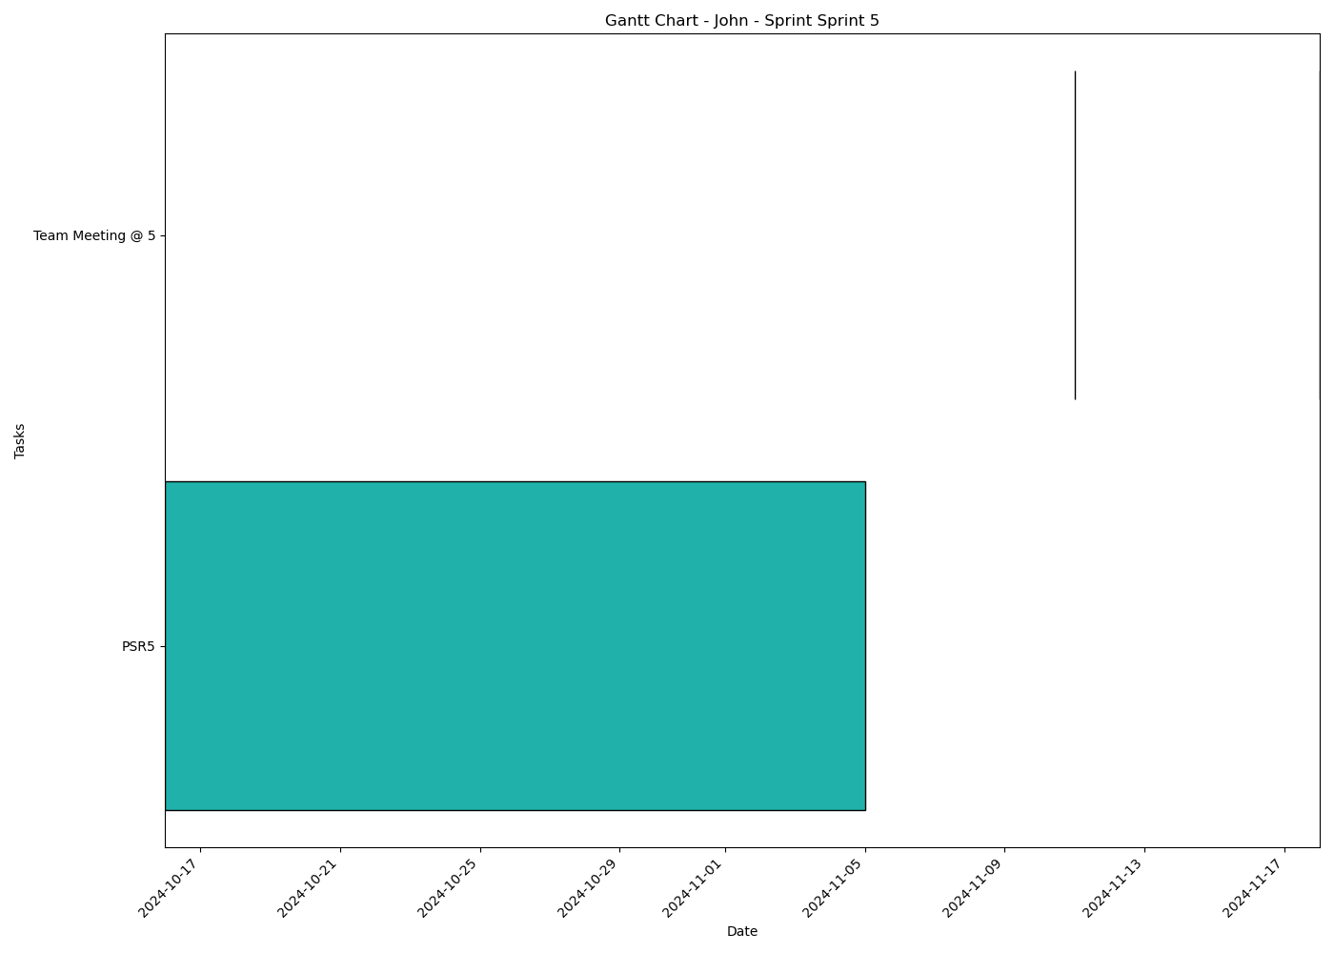
Task | Assignees | Start date | End date | Sprint | Status | Hours Completed | Corrective Action
PSR5 | Aidan, Carly, Diego, John, Matthew, Amber | 2024-10-16 | 2024-11-05 | Sprint 5 | Todo
Team Meeting @ 5 | Aidan, Carly, Diego, John, Matthew, Amber | 2024-11-11 | 2024-11-11 | Sprint 5 | Todo | 1
Team Meeting @ 5 | Aidan, Carly, Diego, John, Matthew, Amber | 2024-11-18 | 2024-11-18 | Sprint 5 | Todo | 1
 |  |  |  |  | Total Hours | 2

John_Sprint_Sprint 6
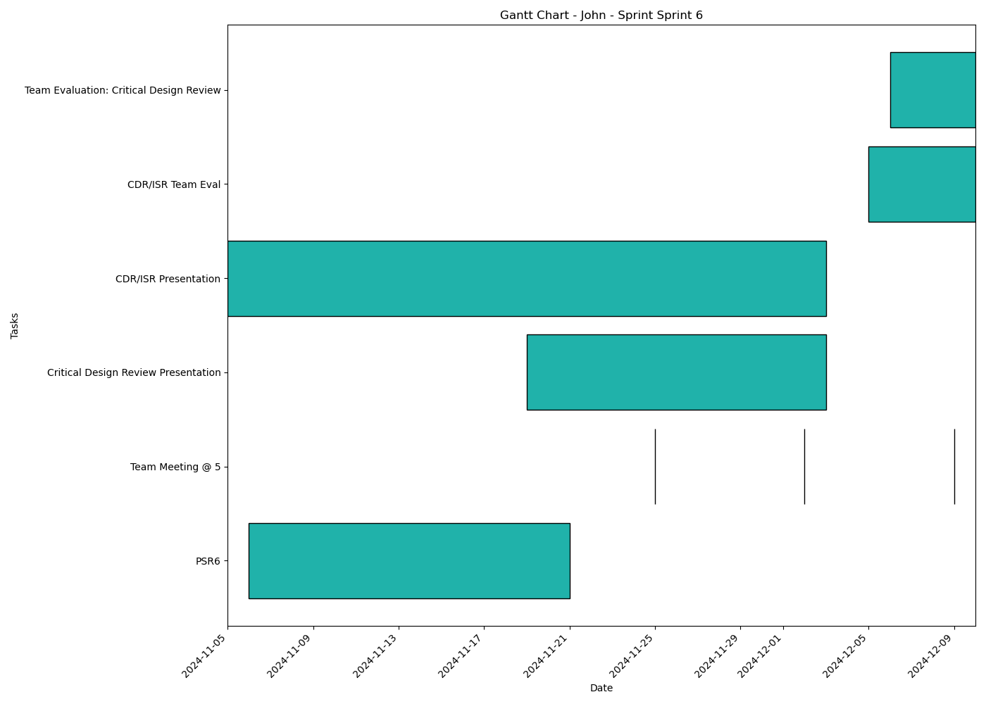
Task | Assignees | Start date | End date | Sprint | Status | Hours Completed | Corrective Action
PSR6 | Aidan, Carly, Diego, John, Matthew, Amber | 2024-11-06 | 2024-11-21 | Sprint 6 | Todo
Team Meeting @ 5 | Aidan, Carly, Diego, John, Matthew, Amber | 2024-11-25 | 2024-11-25 | Sprint 6 | Todo | 1
Team Meeting @ 5 | Aidan, Carly, Diego, John, Matthew, Amber | 2024-12-02 | 2024-12-02 | Sprint 6 | Todo | 1
Critical Design Review Presentation | Aidan, Carly, Diego, John, Matthew, Amber | 2024-11-19 | 2024-12-03 | Sprint 6 | Todo
CDR/ISR Presentation | Aidan, Carly, Diego, John, Matthew, Amber | 2024-11-05 | 2024-12-03 | Sprint 6 | Todo
Team Meeting @ 5 | Aidan, Carly, Diego, John, Matthew, Amber | 2024-12-09 | 2024-12-09 | Sprint 6 | Todo | 1
CDR/ISR Team Eval | Aidan, Carly, Diego, John, Matthew, Amber | 2024-12-05 | 2024-12-10 | Sprint 6 | Todo
Team Evaluation: Critical Design Review | Aidan, Carly, Diego, John, Matthew, Amber | 2024-12-06 | 2024-12-10 | Sprint 6 | Todo
 |  |  |  |  | Total Hours | 3

