Amber
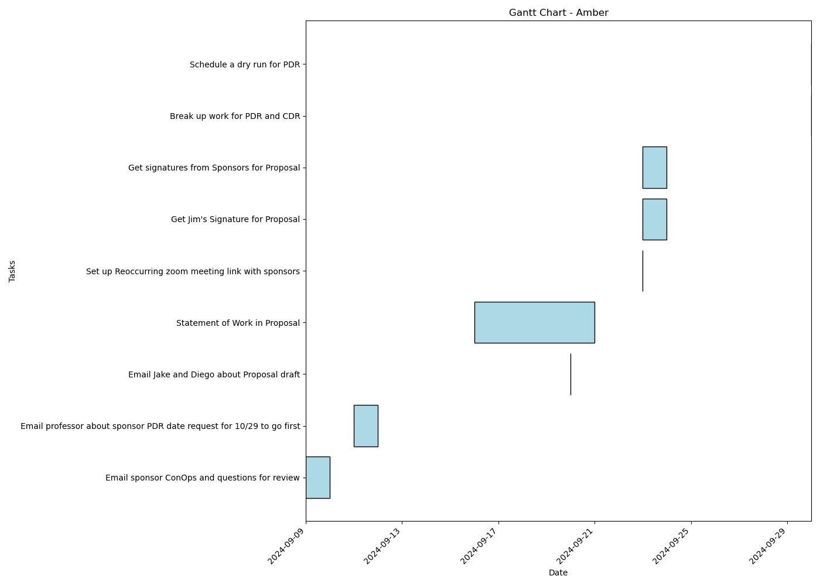
Task | Assignees | Start date | End date | Sprint | Status | Hours Completed | Corrective Action
Email sponsor ConOps and questions for review | Amber | 2024-09-09 | 2024-09-10 | Sprint 2 | Done | 0.25
Email professor about sponsor PDR date request for 10/29 to go first | Amber | 2024-09-11 | 2024-09-12 | Sprint 2 | Done | 0.25
Email Jake and Diego about Proposal draft | Amber | 2024-09-20 | 2024-09-20 | Sprint 2 | Done | 0.25
Statement of Work in Proposal | Amber | 2024-09-16 | 2024-09-21 | Sprint 2 | Done
Set up Reoccurring zoom meeting link with sponsors | Amber | 2024-09-23 | 2024-09-23 | Sprint 2 | Done | 0.25
Get Jim's Signature for Proposal | Amber | 2024-09-23 | 2024-09-24 | Sprint 2 | Done | 0.25
Get signatures from Sponsors for Proposal | Amber | 2024-09-23 | 2024-09-24 | Sprint 2 | Done | 0.5
Break up work for PDR and CDR | Amber | 2024-09-30 | 2024-09-30 | Sprint 2 | Todo
Schedule a dry run for PDR | Amber | 2024-09-30 | 2024-09-30 | Sprint 2 | Todo
 |  |  |  |  | Total Hours | 1.75

Carly
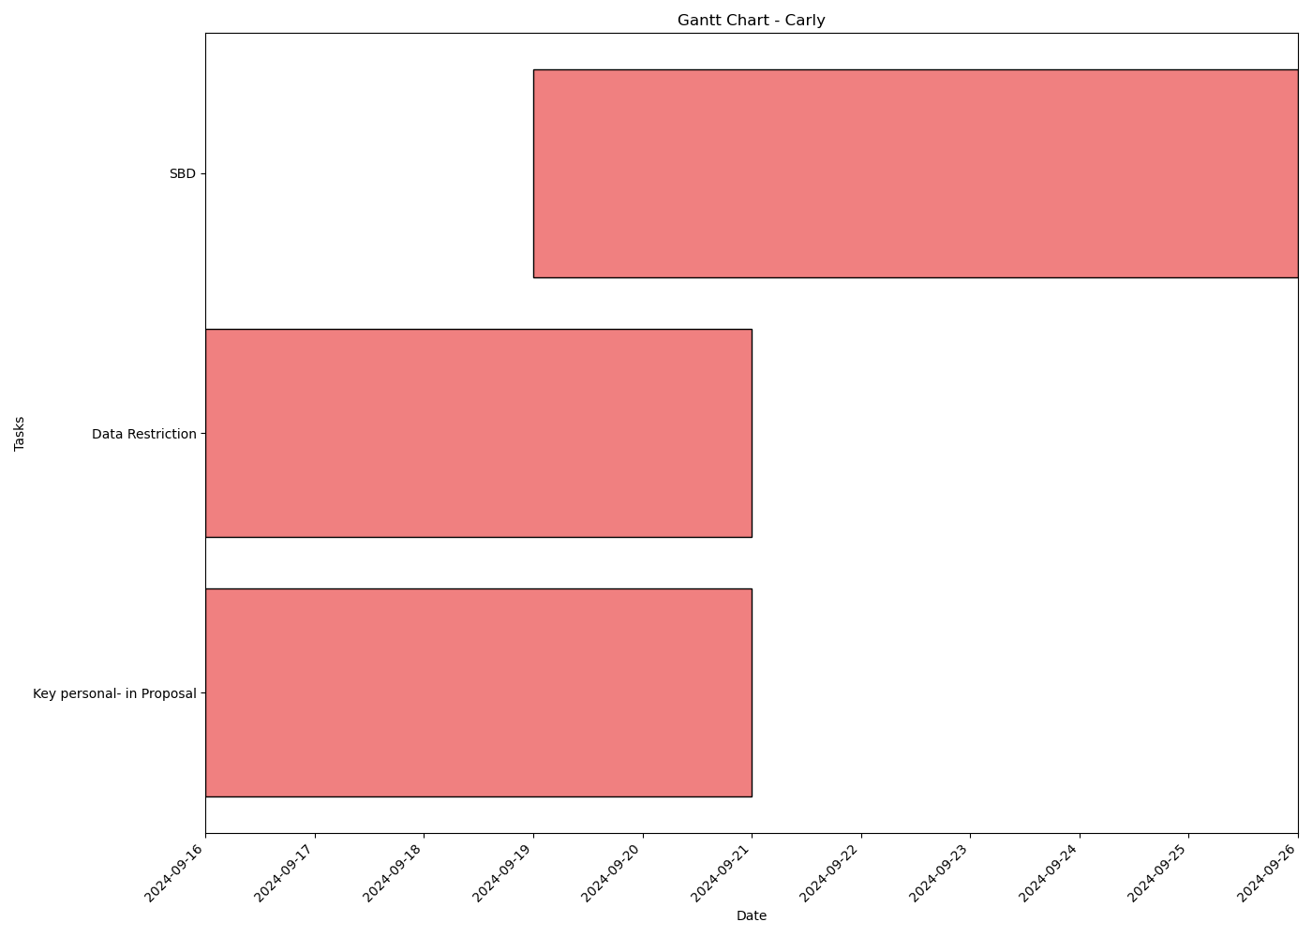
Task | Assignees | Start date | End date | Sprint | Status | Hours Completed | Corrective Action
Key personal- in Proposal | Carly | 2024-09-16 | 2024-09-21 | Sprint 2 | Done | 0.5
Data Restriction | Carly | 2024-09-16 | 2024-09-21 | Sprint 2 | Done | 0.25
SBD | Carly | 2024-09-19 | 2024-09-26 | Sprint 2 | Done | 2.5
 |  |  |  |  | Total Hours | 3.25

Matthew
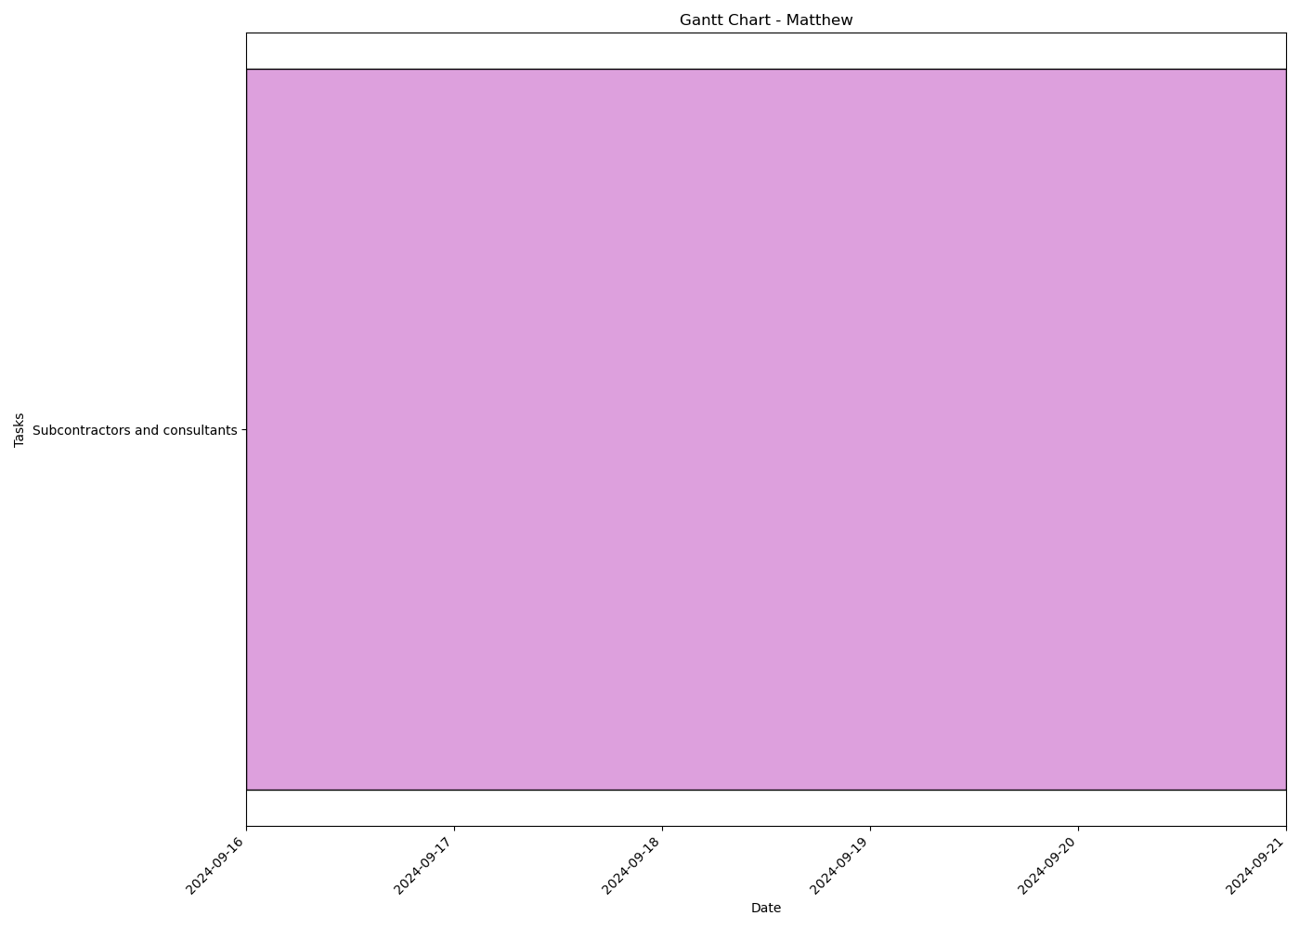
Task | Assignees | Start date | End date | Sprint | Status | Hours Completed | Corrective Action
Subcontractors and consultants | Matthew | 2024-09-16 | 2024-09-21 | Sprint 2 | Done | 0.25
 |  |  |  |  | Total Hours | 0.25

Aidan
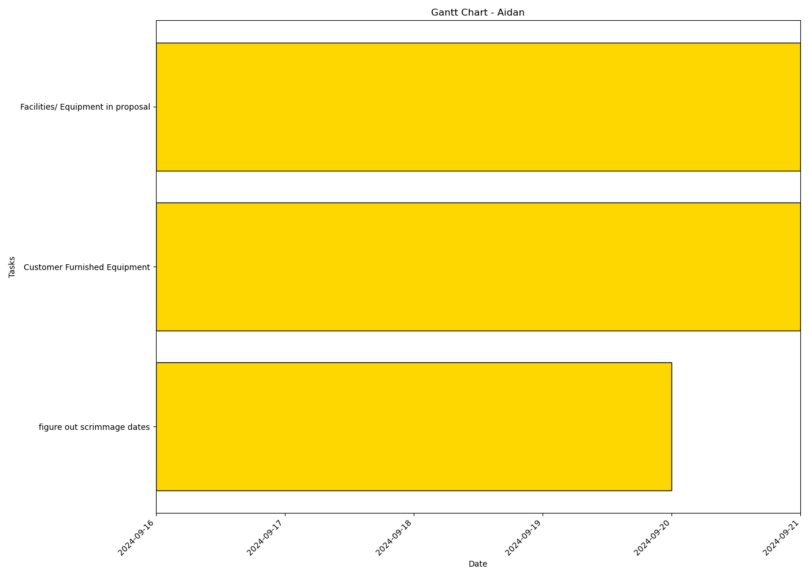
Task | Assignees | Start date | End date | Sprint | Status | Hours Completed | Corrective Action
figure out scrimmage dates | Aidan | 2024-09-16 | 2024-09-20 | Sprint 2 | Done | 0.25
Customer Furnished Equipment | Aidan | 2024-09-16 | 2024-09-21 | Sprint 2 | Done | 0.5
Facilities/ Equipment in proposal | Aidan | 2024-09-16 | 2024-09-21 | Sprint 2 | Done | 0.5
 |  |  |  |  | Total Hours | 1.25

John
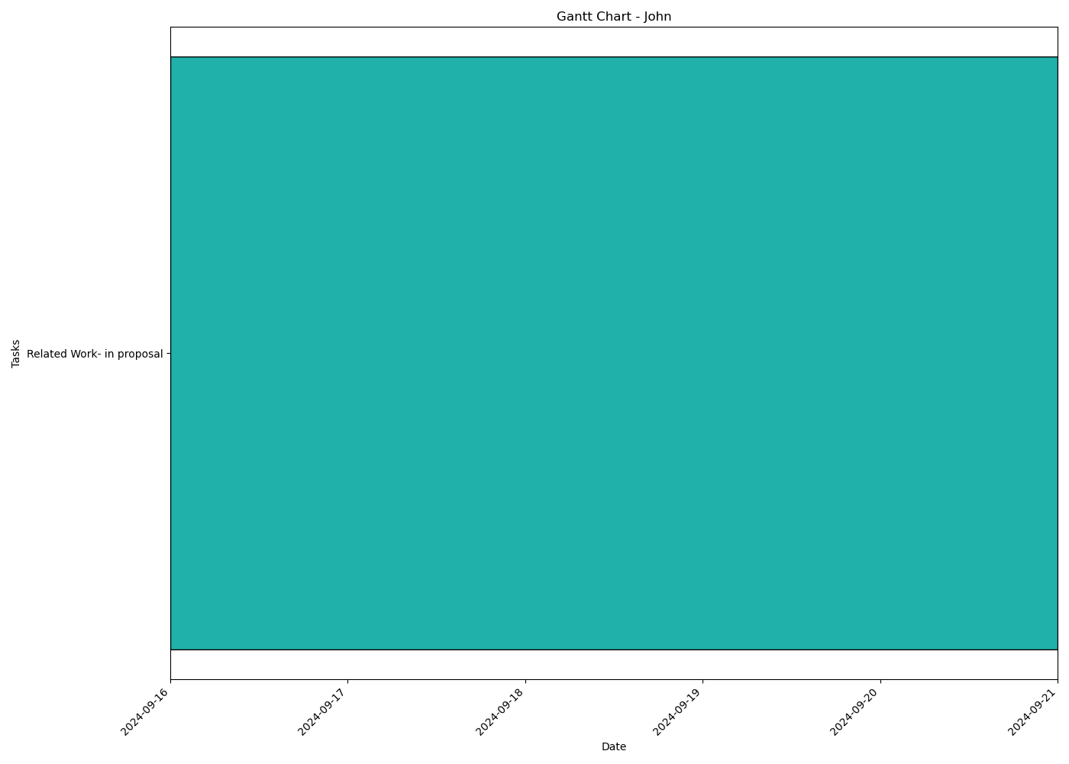
Task | Assignees | Start date | End date | Sprint | Status | Hours Completed | Corrective Action
Related Work- in proposal | John | 2024-09-16 | 2024-09-21 | Sprint 2 | Done | 2
 |  |  |  |  | Total Hours | 2

