Amber_Sprint_Sprint 1
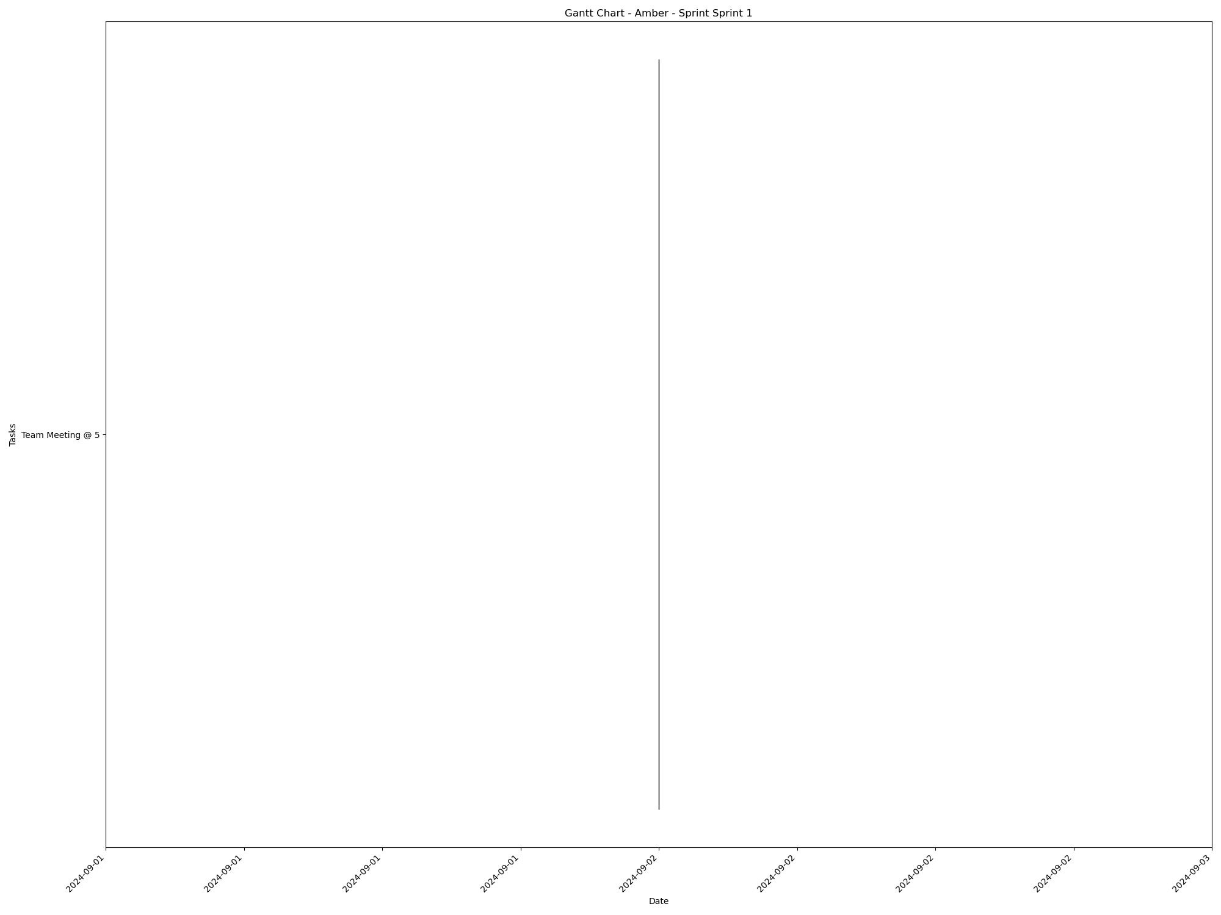
Task | Assignees | Start date | End date | Sprint | Status | Hours Completed | Corrective Action
Team Meeting @ 5 | Aidan, Carly, Diego, John, Matthew, Amber | 2024-09-02 | 2024-09-02 | Sprint 1 | Done | 1
 |  |  |  |  | Total Hours | 1

Amber_Sprint_Sprint 2
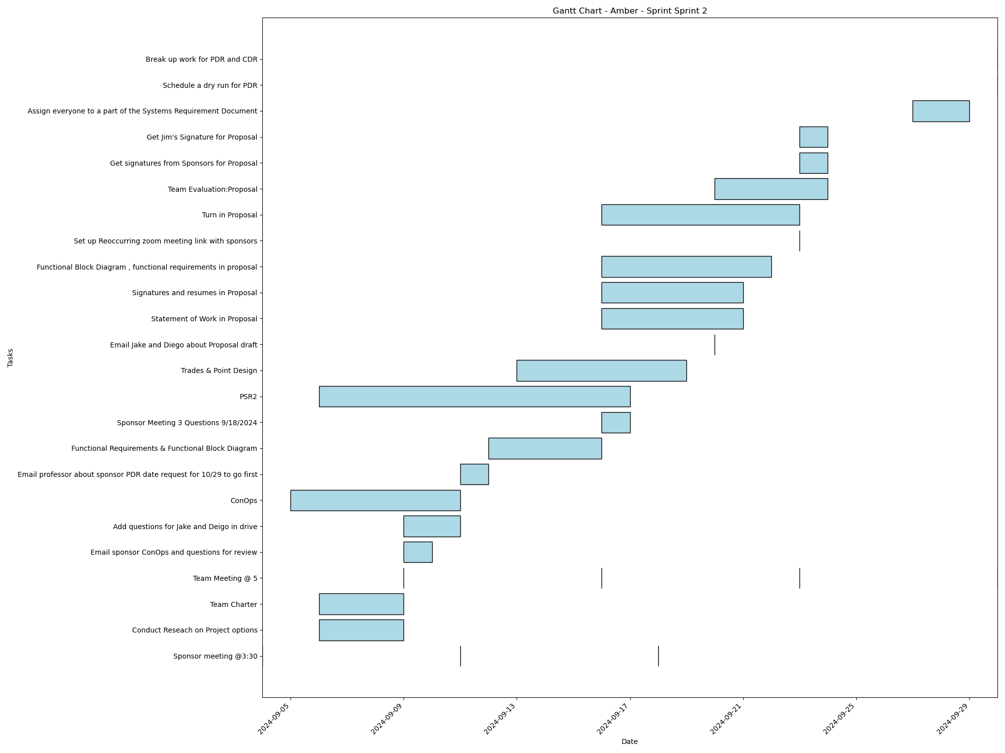
Task | Assignees | Start date | End date | Sprint | Status | Hours Completed | Corrective Action
Sponsor meeting @3:30 | Aidan, Carly, Diego, John, Matthew, Amber | 2024-09-04 | 2024-09-04 | Sprint 2 | Done | 0.5
Conduct Reseach on Project options | Aidan, Carly, Diego, John, Matthew, Amber | 2024-09-06 | 2024-09-09 | Sprint 2 | Done | 2
Team Charter | John, Amber | 2024-09-06 | 2024-09-09 | Sprint 2 | Done | 3
Team Meeting @ 5 | Aidan, Carly, Diego, John, Matthew, Amber | 2024-09-09 | 2024-09-09 | Sprint 2 | Done | 1
Email sponsor ConOps and questions for review | Amber | 2024-09-09 | 2024-09-10 | Sprint 2 | Done | 0.25
Sponsor meeting @3:30 | Aidan, Carly, Diego, John, Matthew, Amber | 2024-09-11 | 2024-09-11 | Sprint 2 | Done | 0.5
Add questions for Jake and Deigo in drive | Aidan, Carly, Diego, John, Matthew, Amber | 2024-09-09 | 2024-09-11 | Sprint 2 | Done | 1
ConOps | Diego, Amber | 2024-09-05 | 2024-09-11 | Sprint 2 | Done | 5
Email professor about sponsor PDR date request for 10/29 to go first | Amber | 2024-09-11 | 2024-09-12 | Sprint 2 | Done | 0.25
Functional Requirements & Functional Block Diagram | Aidan, Diego, Amber | 2024-09-12 | 2024-09-16 | Sprint 2 | Done | 3
Team Meeting @ 5 | Aidan, Carly, Diego, John, Matthew, Amber | 2024-09-16 | 2024-09-16 | Sprint 2 | Done | 1
Sponsor Meeting 3 Questions 9/18/2024 | Aidan, Carly, Diego, John, Matthew, Amber | 2024-09-16 | 2024-09-17 | Sprint 2 | Done | 0.5
PSR2 | Aidan, Carly, Diego, John, Matthew, Amber | 2024-09-06 | 2024-09-17 | Sprint 2 | Done | 2
Sponsor meeting @3:30 | Aidan, Carly, Diego, John, Matthew, Amber | 2024-09-18 | 2024-09-18 | Sprint 2 | Done | 0.5
Trades & Point Design | Aidan, Carly, Diego, John, Matthew, Amber | 2024-09-13 | 2024-09-19 | Sprint 2 | Done | 2
Email Jake and Diego about Proposal draft | Amber | 2024-09-20 | 2024-09-20 | Sprint 2 | Done | 0.25
Statement of Work in Proposal | Amber | 2024-09-16 | 2024-09-21 | Sprint 2 | Done | 0.5
Signatures and resumes in Proposal | Aidan, Carly, Diego, John, Matthew, Amber | 2024-09-16 | 2024-09-21 | Sprint 2 | Done | 0.5
Functional Block Diagram , functional requirements in proposal | Diego, Amber | 2024-09-16 | 2024-09-22 | Sprint 2 | Done | 3
Set up Reoccurring zoom meeting link with sponsors | Amber | 2024-09-23 | 2024-09-23 | Sprint 2 | Done | 0.25
Team Meeting @ 5 | Aidan, Carly, Diego, John, Matthew, Amber | 2024-09-23 | 2024-09-23 | Sprint 2 | Done | 1
Turn in Proposal | Carly, John, Matthew, Amber | 2024-09-16 | 2024-09-23 | Sprint 2 | Done | 0.25
Team Evaluation:Proposal | Aidan, Carly, Diego, John, Matthew, Amber | 2024-09-20 | 2024-09-24 | Sprint 2 | Done | 1.75
Get signatures from Sponsors for Proposal | Amber | 2024-09-23 | 2024-09-24 | Sprint 2 | Done | 0.5
Get Jim's Signature for Proposal | Amber | 2024-09-23 | 2024-09-24 | Sprint 2 | Done | 0.25
Assign everyone to a part of the Systems Requirement Document | Amber | 2024-09-27 | 2024-09-29 | Sprint 2 | Done | 0.5
Team Meeting @ 5 | Aidan, Carly, Diego, John, Matthew, Amber | 2024-09-30 | 2024-09-30 | Sprint 2 | Done | 1
Schedule a dry run for PDR | Amber | 2024-09-30 | 2024-09-30 | Sprint 2 | Todo
Break up work for PDR and CDR | Amber | 2024-09-30 | 2024-09-30 | Sprint 2 | Done | 1
 |  |  |  |  | Total Hours | 33.25

Amber_Sprint_Sprint 3
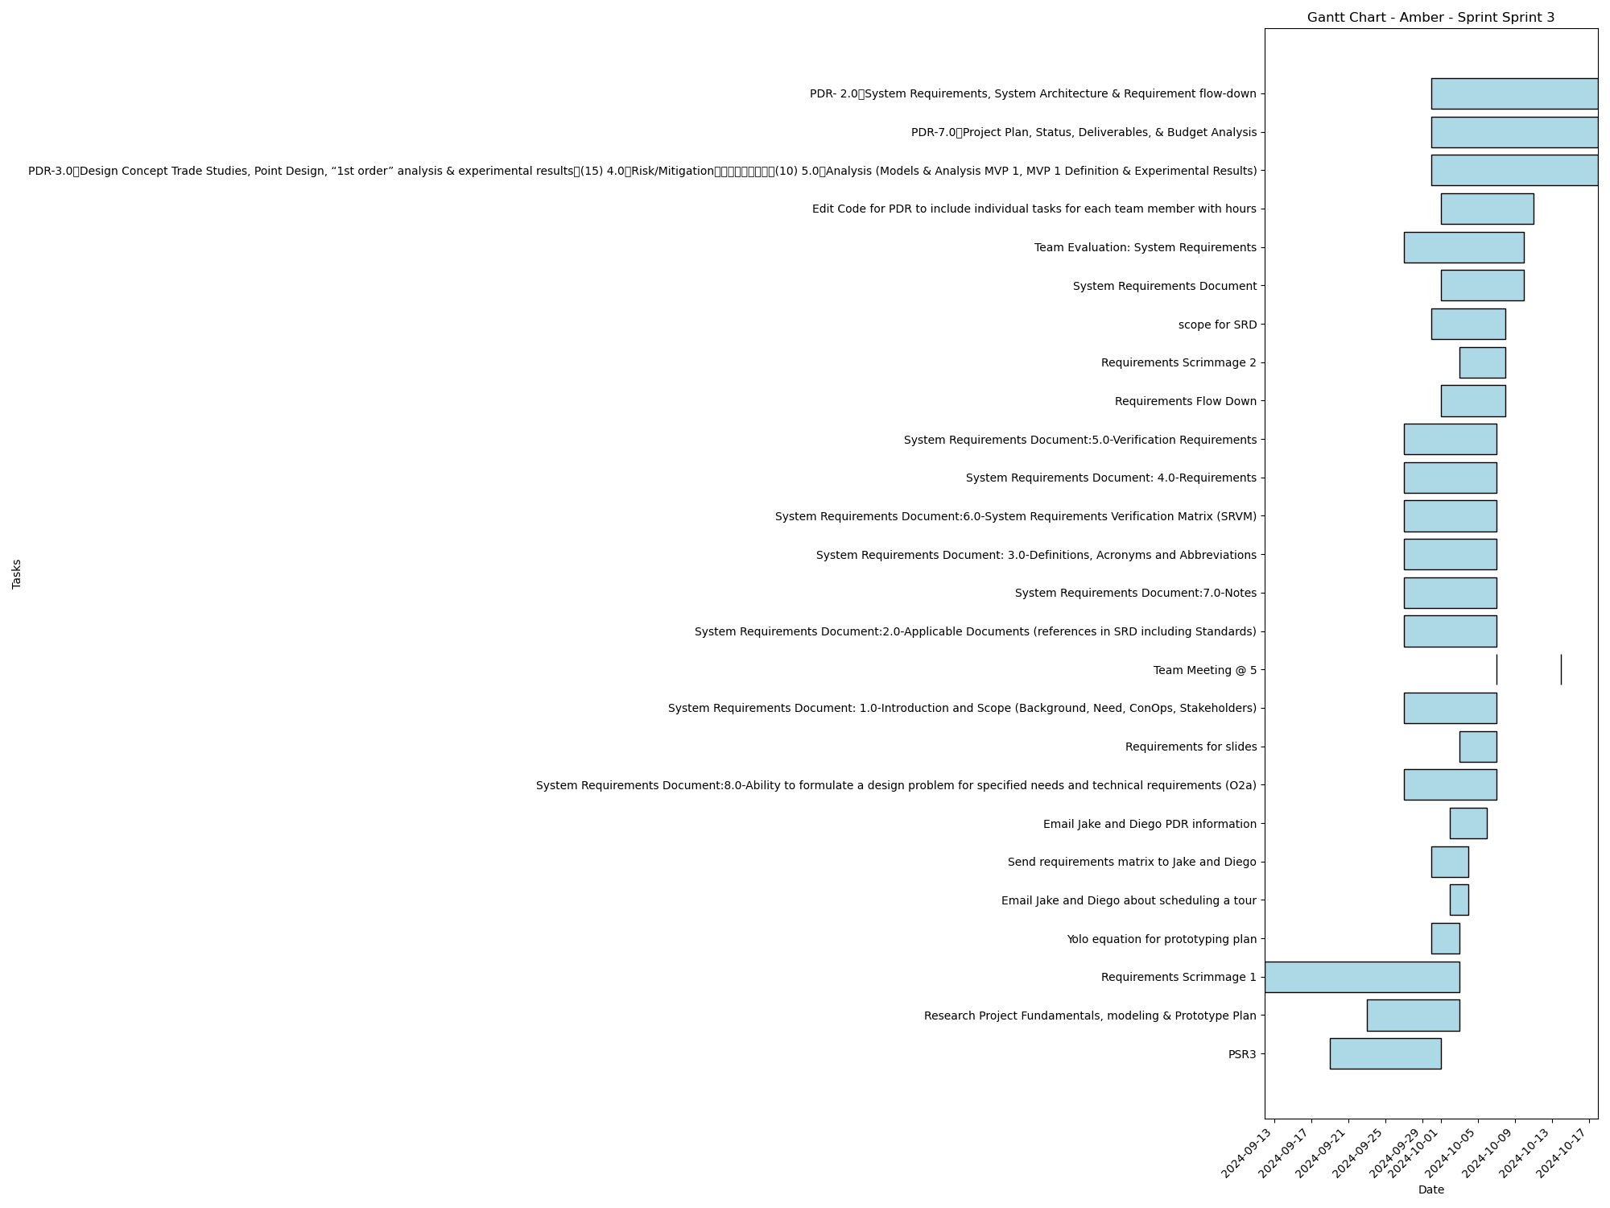
Task | Assignees | Start date | End date | Sprint | Status | Hours Completed | Corrective Action
PSR3 | Aidan, Carly, Diego, John, Matthew, Amber | 2024-09-19 | 2024-10-01 | Sprint 3 | Done | 1
Research Project Fundamentals, modeling & Prototype Plan | Aidan, Carly, Diego, John, Matthew, Amber | 2024-09-23 | 2024-10-03 | Sprint 3 | Done | 1.5
Requirements Scrimmage 1 | Aidan, Carly, Diego, John, Matthew, Amber | 2024-09-12 | 2024-10-03 | Sprint 3 | Done | 0.5
Yolo equation for prototyping plan | Amber | 2024-09-30 | 2024-10-03 | Sprint 3 | Done | 0.25
Email Jake and Diego about scheduling a tour | Amber | 2024-10-02 | 2024-10-04 | Sprint 3 | Done | 0.25
Send requirements matrix to Jake and Diego | Amber | 2024-09-30 | 2024-10-04 | Sprint 3 | Done | 0.25
Email Jake and Diego PDR information | Amber | 2024-10-02 | 2024-10-06 | Sprint 3 | Done | 0.25
System Requirements Document:8.0-Ability to formulate a design problem for specified needs and technical requirements (O2a) | Aidan, Carly, Diego, John, Matthew, Amber | 2024-09-27 | 2024-10-07 | Sprint 3 | Done
Requirements for slides | Amber | 2024-10-03 | 2024-10-07 | Sprint 3 | Done | 0.5
System Requirements Document: 1.0-Introduction and Scope (Background, Need, ConOps, Stakeholders) | Aidan, Carly, Diego, John, Matthew, Amber | 2024-09-27 | 2024-10-07 | Sprint 3 | Done
Team Meeting @ 5 | Aidan, Carly, Diego, John, Matthew, Amber | 2024-10-07 | 2024-10-07 | Sprint 3 | Todo | 1
System Requirements Document:2.0-Applicable Documents (references in SRD including Standards) | Aidan, Carly, Diego, John, Matthew, Amber | 2024-09-27 | 2024-10-07 | Sprint 3 | Done
System Requirements Document:7.0-Notes | Aidan, Carly, Diego, John, Matthew, Amber | 2024-09-27 | 2024-10-07 | Sprint 3 | Done
System Requirements Document: 3.0-Definitions, Acronyms and Abbreviations | Aidan, Carly, Diego, John, Matthew, Amber | 2024-09-27 | 2024-10-07 | Sprint 3 | Done
System Requirements Document:6.0-System Requirements Verification Matrix (SRVM) | Aidan, Carly, Diego, John, Matthew, Amber | 2024-09-27 | 2024-10-07 | Sprint 3 | Done
System Requirements Document: 4.0-Requirements | Aidan, Carly, Diego, John, Matthew, Amber | 2024-09-27 | 2024-10-07 | Sprint 3 | Done
System Requirements Document:5.0-Verification Requirements | Aidan, Carly, Diego, John, Matthew, Amber | 2024-09-27 | 2024-10-07 | Sprint 3 | Done
Requirements Flow Down | Aidan, Carly, Diego, John, Matthew, Amber | 2024-10-01 | 2024-10-08 | Sprint 3 | Done | 1
Requirements Scrimmage 2 | Aidan, Carly, Diego, John, Matthew, Amber | 2024-10-03 | 2024-10-08 | Sprint 3 | Done | 1
scope for SRD | Amber | 2024-09-30 | 2024-10-08 | Sprint 3 | Done | 0.25
System Requirements Document | Aidan, Carly, Diego, John, Matthew, Amber | 2024-10-01 | 2024-10-10 | Sprint 3 | Done | 2
Team Evaluation: System Requirements | Aidan, Carly, Diego, John, Matthew, Amber | 2024-09-27 | 2024-10-10 | Sprint 3 | Todo
Edit Code for PDR to include individual tasks for each team member with hours | Amber | 2024-10-01 | 2024-10-11 | Sprint 3 | Done | 1
Team Meeting @ 5 | Aidan, Carly, Diego, John, Matthew, Amber | 2024-10-14 | 2024-10-14 | Sprint 3 | Todo | 1
PDR-3.0 Design Concept Trade Studies, Point Design, “1st order” analysis & experimental results (15) 4.0 Risk/Mitigation (10) 5.0 Analysis (Models & Analysis MVP 1, MVP 1 Definition & Experimental Results) | Aidan, Carly, Diego, John, Matthew, Amber | 2024-09-30 | 2024-10-18 | Sprint 3 | Todo
PDR-7.0 Project Plan, Status, Deliverables, & Budget Analysis | Diego, Amber | 2024-09-30 | 2024-10-18 | Sprint 3 | Todo
PDR- 2.0 System Requirements, System Architecture & Requirement flow-down | Aidan, Carly, Diego, John, Matthew, Amber | 2024-09-30 | 2024-10-18 | Sprint 3 | Todo
 |  |  |  |  | Total Hours | 11.75

Amber_Sprint_Sprint 4
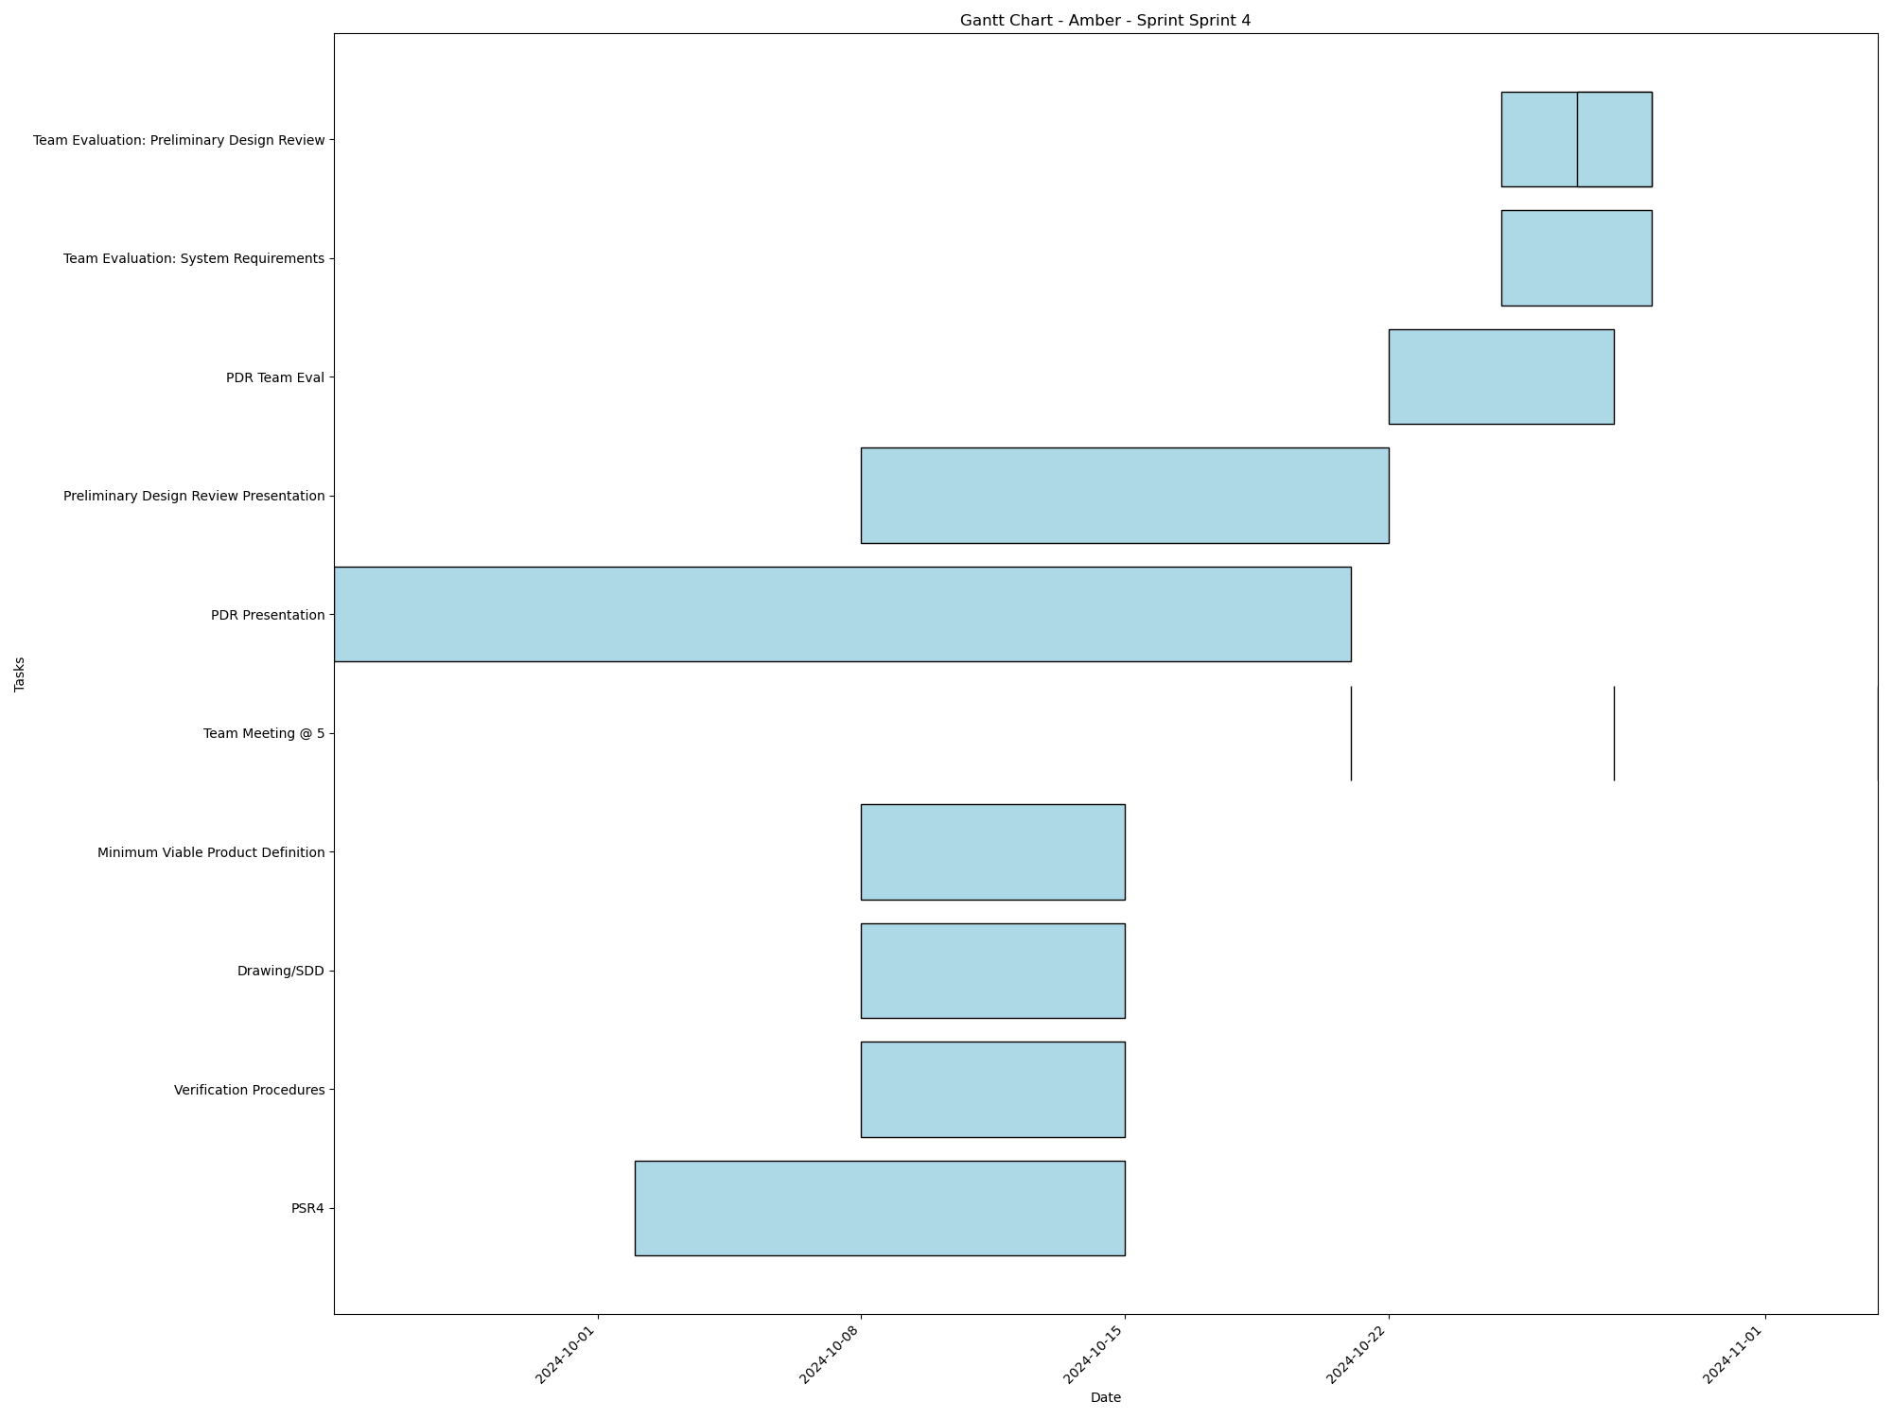
Task | Assignees | Start date | End date | Sprint | Status | Hours Completed | Corrective Action
PSR4 | Aidan, Carly, Diego, John, Matthew, Amber | 2024-10-02 | 2024-10-15 | Sprint 4 | In Progress
Verification Procedures | Aidan, Carly, Diego, John, Matthew, Amber | 2024-10-08 | 2024-10-15 | Sprint 4 | Todo
Drawing/SDD | Matthew, Amber | 2024-10-08 | 2024-10-15 | Sprint 4 | In Progress
Minimum Viable Product Definition | Aidan, Carly, Diego, John, Matthew, Amber | 2024-10-08 | 2024-10-15 | Sprint 4 | In Progress
Team Meeting @ 5 | Aidan, Carly, Diego, John, Matthew, Amber | 2024-10-21 | 2024-10-21 | Sprint 4 | Todo | 1
PDR Presentation | Aidan, Carly, Diego, John, Matthew, Amber | 2024-09-24 | 2024-10-21 | Sprint 4 | In Progress
Preliminary Design Review Presentation | Aidan, Carly, Diego, John, Matthew, Amber | 2024-10-08 | 2024-10-22 | Sprint 4 | Todo
Team Meeting @ 5 | Aidan, Carly, Diego, John, Matthew, Amber | 2024-10-28 | 2024-10-28 | Sprint 4 | Todo | 1
PDR Team Eval | Aidan, Carly, Diego, John, Matthew, Amber | 2024-10-22 | 2024-10-28 | Sprint 4 | Todo
Team Evaluation: System Requirements | Aidan, Carly, Diego, John, Matthew, Amber | 2024-10-25 | 2024-10-29 | Sprint 4 | Todo
Team Evaluation: Preliminary Design Review | Aidan, Carly, Diego, John, Matthew, Amber | 2024-10-25 | 2024-10-29 | Sprint 4 | Todo
Team Evaluation: Preliminary Design Review | Aidan, Carly, Diego, John, Matthew, Amber | 2024-10-27 | 2024-10-29 | Sprint 4 | Todo
Team Meeting @ 5 | Aidan, Carly, Diego, John, Matthew, Amber | 2024-11-04 | 2024-11-04 | Sprint 4 | Todo | 1
 |  |  |  |  | Total Hours | 3

Amber_Sprint_Sprint 5
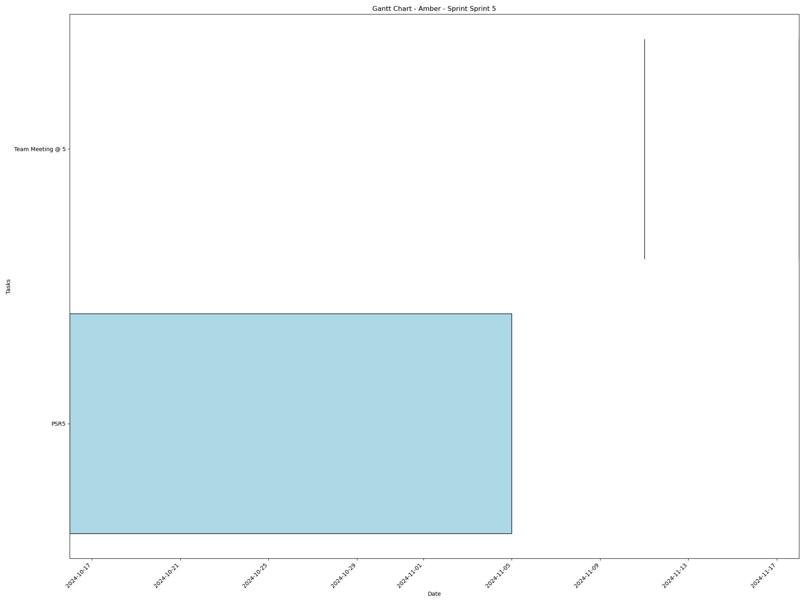
Task | Assignees | Start date | End date | Sprint | Status | Hours Completed | Corrective Action
PSR5 | Aidan, Carly, Diego, John, Matthew, Amber | 2024-10-16 | 2024-11-05 | Sprint 5 | Todo
Team Meeting @ 5 | Aidan, Carly, Diego, John, Matthew, Amber | 2024-11-11 | 2024-11-11 | Sprint 5 | Todo | 1
Team Meeting @ 5 | Aidan, Carly, Diego, John, Matthew, Amber | 2024-11-18 | 2024-11-18 | Sprint 5 | Todo | 1
 |  |  |  |  | Total Hours | 2

Amber_Sprint_Sprint 6
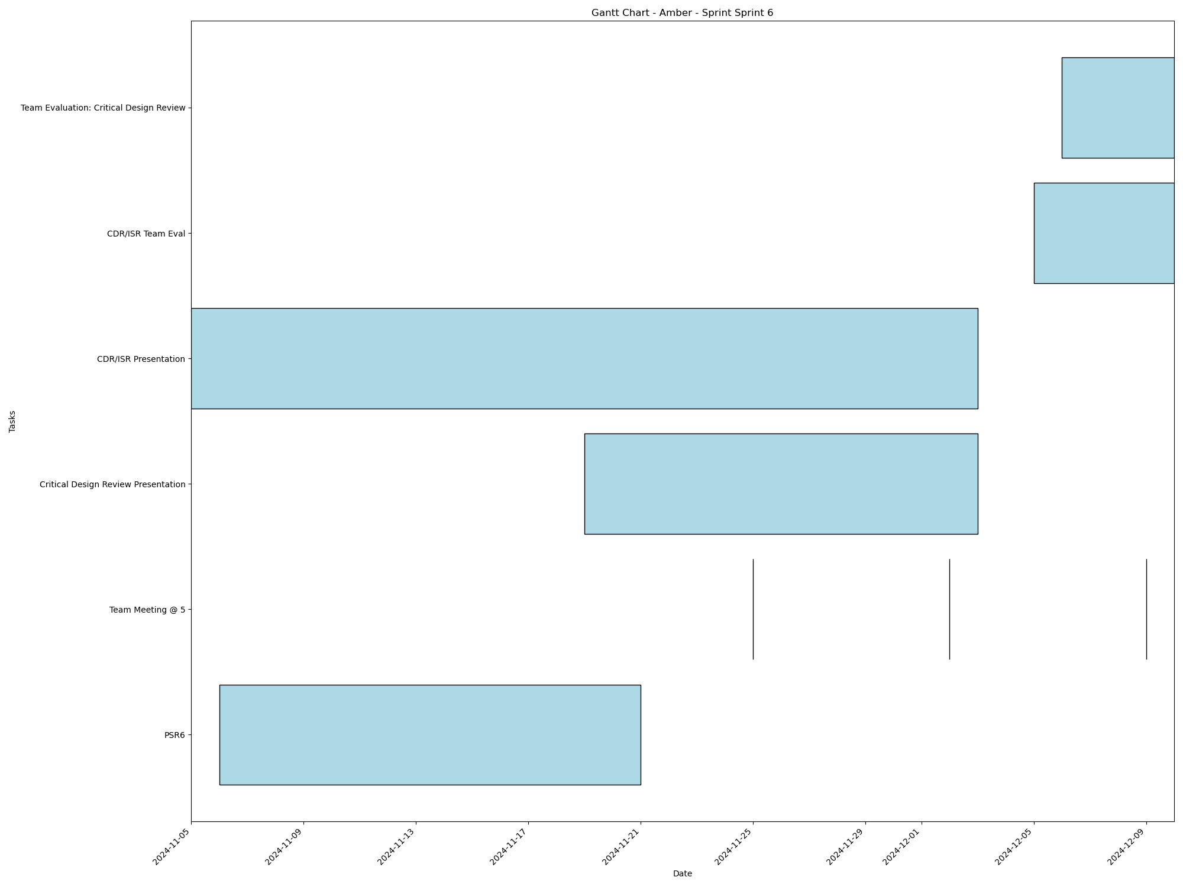
Task | Assignees | Start date | End date | Sprint | Status | Hours Completed | Corrective Action
PSR6 | Aidan, Carly, Diego, John, Matthew, Amber | 2024-11-06 | 2024-11-21 | Sprint 6 | Todo
Team Meeting @ 5 | Aidan, Carly, Diego, John, Matthew, Amber | 2024-11-25 | 2024-11-25 | Sprint 6 | Todo | 1
Team Meeting @ 5 | Aidan, Carly, Diego, John, Matthew, Amber | 2024-12-02 | 2024-12-02 | Sprint 6 | Todo | 1
Critical Design Review Presentation | Aidan, Carly, Diego, John, Matthew, Amber | 2024-11-19 | 2024-12-03 | Sprint 6 | Todo
CDR/ISR Presentation | Aidan, Carly, Diego, John, Matthew, Amber | 2024-11-05 | 2024-12-03 | Sprint 6 | Todo
Team Meeting @ 5 | Aidan, Carly, Diego, John, Matthew, Amber | 2024-12-09 | 2024-12-09 | Sprint 6 | Todo | 1
CDR/ISR Team Eval | Aidan, Carly, Diego, John, Matthew, Amber | 2024-12-05 | 2024-12-10 | Sprint 6 | Todo
Team Evaluation: Critical Design Review | Aidan, Carly, Diego, John, Matthew, Amber | 2024-12-06 | 2024-12-10 | Sprint 6 | Todo
 |  |  |  |  | Total Hours | 3

Diego_Sprint_Sprint 1

Task | Assignees | Start date | End date | Sprint | Status | Hours Completed | Corrective Action
Team Meeting @ 5 | Aidan, Carly, Diego, John, Matthew, Amber | 2024-09-02 | 2024-09-02 | Sprint 1 | Done | 1
 |  |  |  |  | Total Hours | 1

Diego_Sprint_Sprint 2
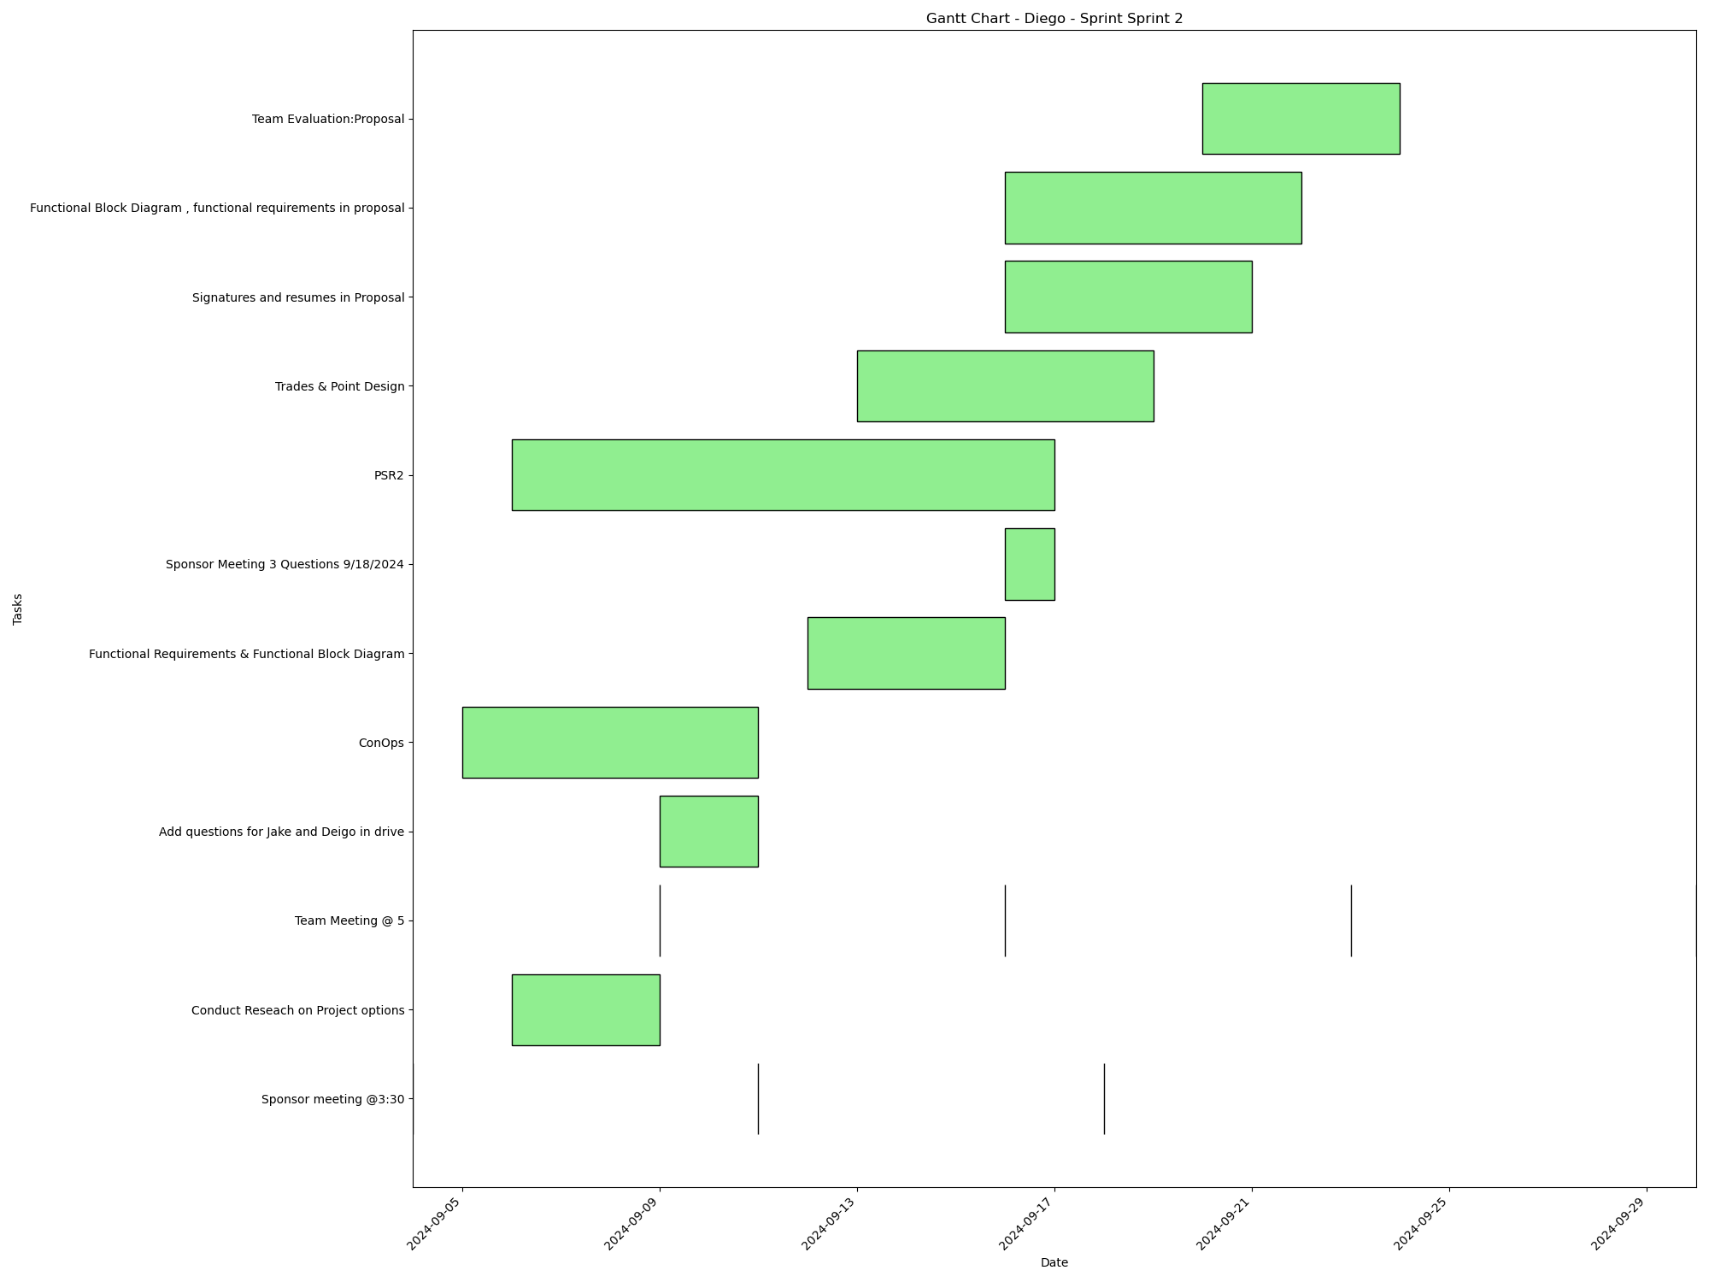
Task | Assignees | Start date | End date | Sprint | Status | Hours Completed | Corrective Action
Sponsor meeting @3:30 | Aidan, Carly, Diego, John, Matthew, Amber | 2024-09-04 | 2024-09-04 | Sprint 2 | Done | 0.5
Conduct Reseach on Project options | Aidan, Carly, Diego, John, Matthew, Amber | 2024-09-06 | 2024-09-09 | Sprint 2 | Done | 2
Team Meeting @ 5 | Aidan, Carly, Diego, John, Matthew, Amber | 2024-09-09 | 2024-09-09 | Sprint 2 | Done | 1
Sponsor meeting @3:30 | Aidan, Carly, Diego, John, Matthew, Amber | 2024-09-11 | 2024-09-11 | Sprint 2 | Done | 0.5
Add questions for Jake and Deigo in drive | Aidan, Carly, Diego, John, Matthew, Amber | 2024-09-09 | 2024-09-11 | Sprint 2 | Done | 1
ConOps | Diego, Amber | 2024-09-05 | 2024-09-11 | Sprint 2 | Done | 5
Functional Requirements & Functional Block Diagram | Aidan, Diego, Amber | 2024-09-12 | 2024-09-16 | Sprint 2 | Done | 3
Team Meeting @ 5 | Aidan, Carly, Diego, John, Matthew, Amber | 2024-09-16 | 2024-09-16 | Sprint 2 | Done | 1
Sponsor Meeting 3 Questions 9/18/2024 | Aidan, Carly, Diego, John, Matthew, Amber | 2024-09-16 | 2024-09-17 | Sprint 2 | Done | 0.5
PSR2 | Aidan, Carly, Diego, John, Matthew, Amber | 2024-09-06 | 2024-09-17 | Sprint 2 | Done | 2
Sponsor meeting @3:30 | Aidan, Carly, Diego, John, Matthew, Amber | 2024-09-18 | 2024-09-18 | Sprint 2 | Done | 0.5
Trades & Point Design | Aidan, Carly, Diego, John, Matthew, Amber | 2024-09-13 | 2024-09-19 | Sprint 2 | Done | 2
Signatures and resumes in Proposal | Aidan, Carly, Diego, John, Matthew, Amber | 2024-09-16 | 2024-09-21 | Sprint 2 | Done | 0.5
Functional Block Diagram , functional requirements in proposal | Diego, Amber | 2024-09-16 | 2024-09-22 | Sprint 2 | Done | 3
Team Meeting @ 5 | Aidan, Carly, Diego, John, Matthew, Amber | 2024-09-23 | 2024-09-23 | Sprint 2 | Done | 1
Team Evaluation:Proposal | Aidan, Carly, Diego, John, Matthew, Amber | 2024-09-20 | 2024-09-24 | Sprint 2 | Done | 1.75
Team Meeting @ 5 | Aidan, Carly, Diego, John, Matthew, Amber | 2024-09-30 | 2024-09-30 | Sprint 2 | Done | 1
 |  |  |  |  | Total Hours | 26.25

Diego_Sprint_Sprint 3
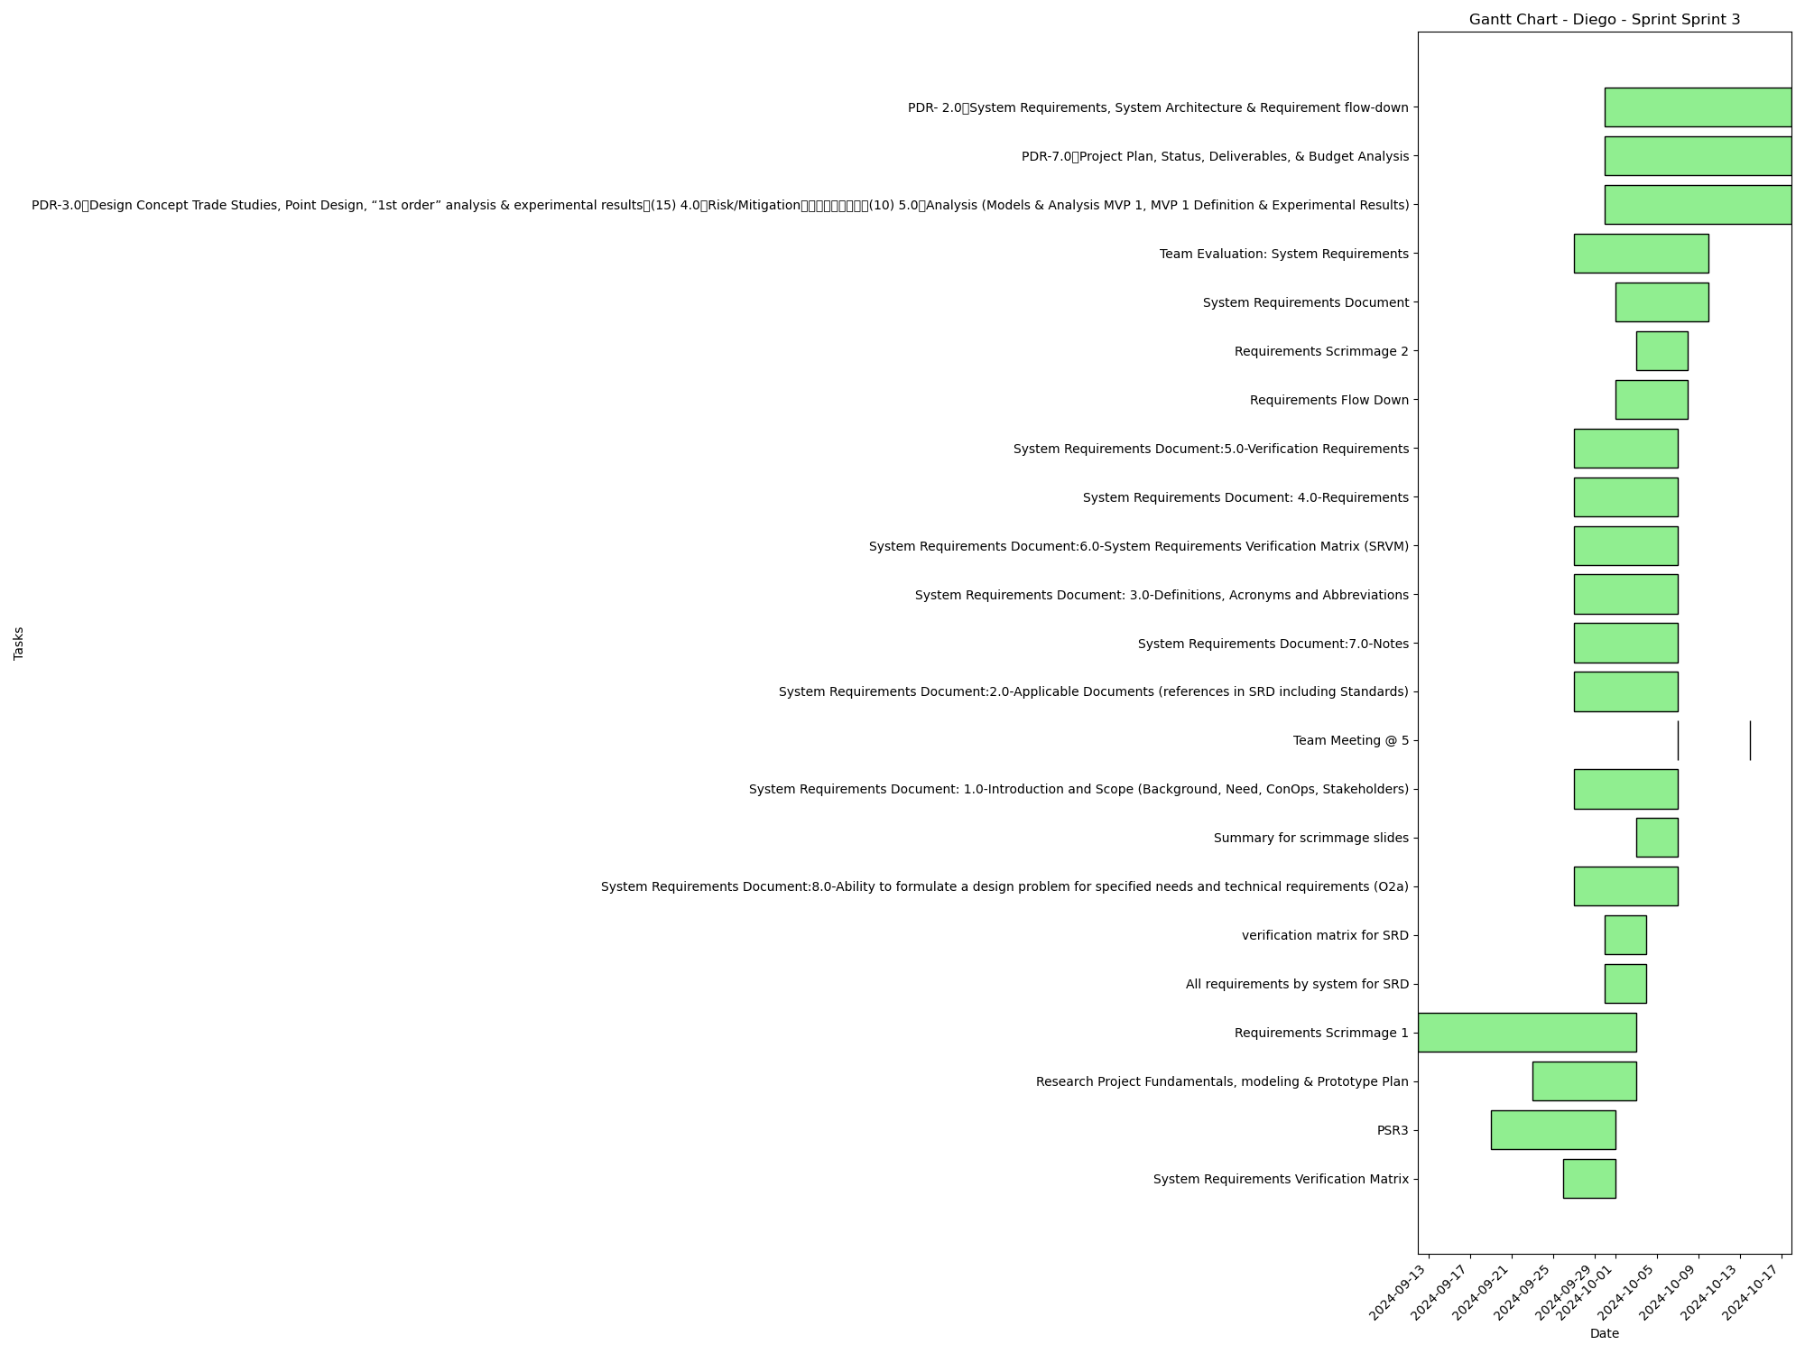
Task | Assignees | Start date | End date | Sprint | Status | Hours Completed | Corrective Action
System Requirements Verification Matrix | Diego | 2024-09-26 | 2024-10-01 | Sprint 3 | Done | 0.5
PSR3 | Aidan, Carly, Diego, John, Matthew, Amber | 2024-09-19 | 2024-10-01 | Sprint 3 | Done | 1
Research Project Fundamentals, modeling & Prototype Plan | Aidan, Carly, Diego, John, Matthew, Amber | 2024-09-23 | 2024-10-03 | Sprint 3 | Done | 1.5
Requirements Scrimmage 1 | Aidan, Carly, Diego, John, Matthew, Amber | 2024-09-12 | 2024-10-03 | Sprint 3 | Done | 0.5
All requirements by system for SRD | Diego | 2024-09-30 | 2024-10-04 | Sprint 3 | Done
verification matrix for SRD | Diego | 2024-09-30 | 2024-10-04 | Sprint 3 | Done
System Requirements Document:8.0-Ability to formulate a design problem for specified needs and technical requirements (O2a) | Aidan, Carly, Diego, John, Matthew, Amber | 2024-09-27 | 2024-10-07 | Sprint 3 | Done
Summary for scrimmage slides | Diego | 2024-10-03 | 2024-10-07 | Sprint 3 | Done
System Requirements Document: 1.0-Introduction and Scope (Background, Need, ConOps, Stakeholders) | Aidan, Carly, Diego, John, Matthew, Amber | 2024-09-27 | 2024-10-07 | Sprint 3 | Done
Team Meeting @ 5 | Aidan, Carly, Diego, John, Matthew, Amber | 2024-10-07 | 2024-10-07 | Sprint 3 | Todo | 1
System Requirements Document:2.0-Applicable Documents (references in SRD including Standards) | Aidan, Carly, Diego, John, Matthew, Amber | 2024-09-27 | 2024-10-07 | Sprint 3 | Done
System Requirements Document:7.0-Notes | Aidan, Carly, Diego, John, Matthew, Amber | 2024-09-27 | 2024-10-07 | Sprint 3 | Done
System Requirements Document: 3.0-Definitions, Acronyms and Abbreviations | Aidan, Carly, Diego, John, Matthew, Amber | 2024-09-27 | 2024-10-07 | Sprint 3 | Done
System Requirements Document:6.0-System Requirements Verification Matrix (SRVM) | Aidan, Carly, Diego, John, Matthew, Amber | 2024-09-27 | 2024-10-07 | Sprint 3 | Done
System Requirements Document: 4.0-Requirements | Aidan, Carly, Diego, John, Matthew, Amber | 2024-09-27 | 2024-10-07 | Sprint 3 | Done
System Requirements Document:5.0-Verification Requirements | Aidan, Carly, Diego, John, Matthew, Amber | 2024-09-27 | 2024-10-07 | Sprint 3 | Done
Requirements Flow Down | Aidan, Carly, Diego, John, Matthew, Amber | 2024-10-01 | 2024-10-08 | Sprint 3 | Done | 1
Requirements Scrimmage 2 | Aidan, Carly, Diego, John, Matthew, Amber | 2024-10-03 | 2024-10-08 | Sprint 3 | Done | 1
System Requirements Document | Aidan, Carly, Diego, John, Matthew, Amber | 2024-10-01 | 2024-10-10 | Sprint 3 | Done | 2
Team Evaluation: System Requirements | Aidan, Carly, Diego, John, Matthew, Amber | 2024-09-27 | 2024-10-10 | Sprint 3 | Todo
Team Meeting @ 5 | Aidan, Carly, Diego, John, Matthew, Amber | 2024-10-14 | 2024-10-14 | Sprint 3 | Todo | 1
PDR-3.0 Design Concept Trade Studies, Point Design, “1st order” analysis & experimental results (15) 4.0 Risk/Mitigation (10) 5.0 Analysis (Models & Analysis MVP 1, MVP 1 Definition & Experimental Results) | Aidan, Carly, Diego, John, Matthew, Amber | 2024-09-30 | 2024-10-18 | Sprint 3 | Todo
PDR-7.0 Project Plan, Status, Deliverables, & Budget Analysis | Diego, Amber | 2024-09-30 | 2024-10-18 | Sprint 3 | Todo
PDR- 2.0 System Requirements, System Architecture & Requirement flow-down | Aidan, Carly, Diego, John, Matthew, Amber | 2024-09-30 | 2024-10-18 | Sprint 3 | Todo
 |  |  |  |  | Total Hours | 9.5

Diego_Sprint_Sprint 4
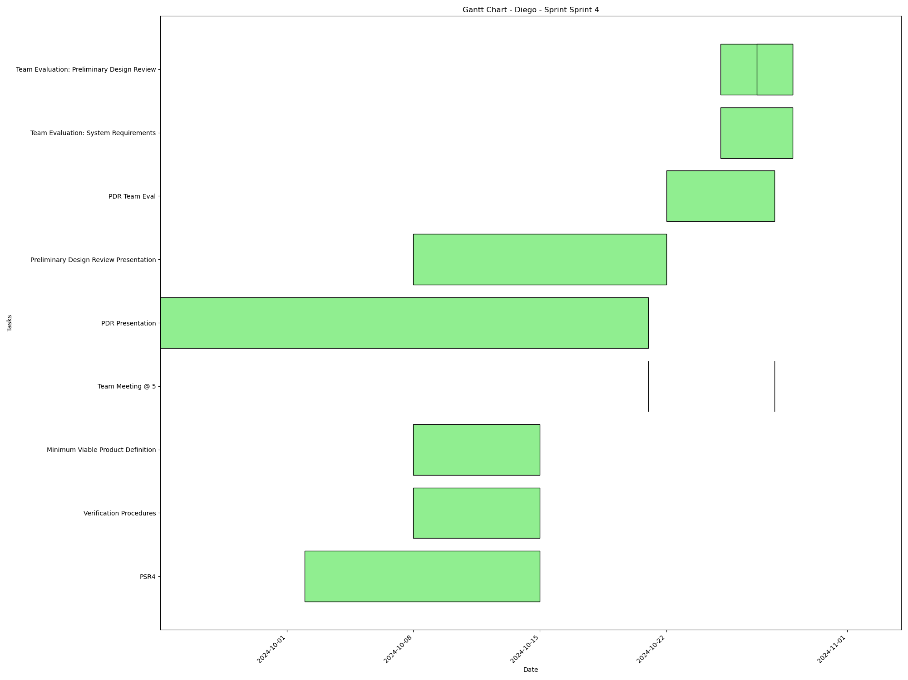
Task | Assignees | Start date | End date | Sprint | Status | Hours Completed | Corrective Action
PSR4 | Aidan, Carly, Diego, John, Matthew, Amber | 2024-10-02 | 2024-10-15 | Sprint 4 | In Progress
Verification Procedures | Aidan, Carly, Diego, John, Matthew, Amber | 2024-10-08 | 2024-10-15 | Sprint 4 | Todo
Minimum Viable Product Definition | Aidan, Carly, Diego, John, Matthew, Amber | 2024-10-08 | 2024-10-15 | Sprint 4 | In Progress
Team Meeting @ 5 | Aidan, Carly, Diego, John, Matthew, Amber | 2024-10-21 | 2024-10-21 | Sprint 4 | Todo | 1
PDR Presentation | Aidan, Carly, Diego, John, Matthew, Amber | 2024-09-24 | 2024-10-21 | Sprint 4 | In Progress
Preliminary Design Review Presentation | Aidan, Carly, Diego, John, Matthew, Amber | 2024-10-08 | 2024-10-22 | Sprint 4 | Todo
Team Meeting @ 5 | Aidan, Carly, Diego, John, Matthew, Amber | 2024-10-28 | 2024-10-28 | Sprint 4 | Todo | 1
PDR Team Eval | Aidan, Carly, Diego, John, Matthew, Amber | 2024-10-22 | 2024-10-28 | Sprint 4 | Todo
Team Evaluation: System Requirements | Aidan, Carly, Diego, John, Matthew, Amber | 2024-10-25 | 2024-10-29 | Sprint 4 | Todo
Team Evaluation: Preliminary Design Review | Aidan, Carly, Diego, John, Matthew, Amber | 2024-10-25 | 2024-10-29 | Sprint 4 | Todo
Team Evaluation: Preliminary Design Review | Aidan, Carly, Diego, John, Matthew, Amber | 2024-10-27 | 2024-10-29 | Sprint 4 | Todo
Team Meeting @ 5 | Aidan, Carly, Diego, John, Matthew, Amber | 2024-11-04 | 2024-11-04 | Sprint 4 | Todo | 1
 |  |  |  |  | Total Hours | 3

Diego_Sprint_Sprint 5
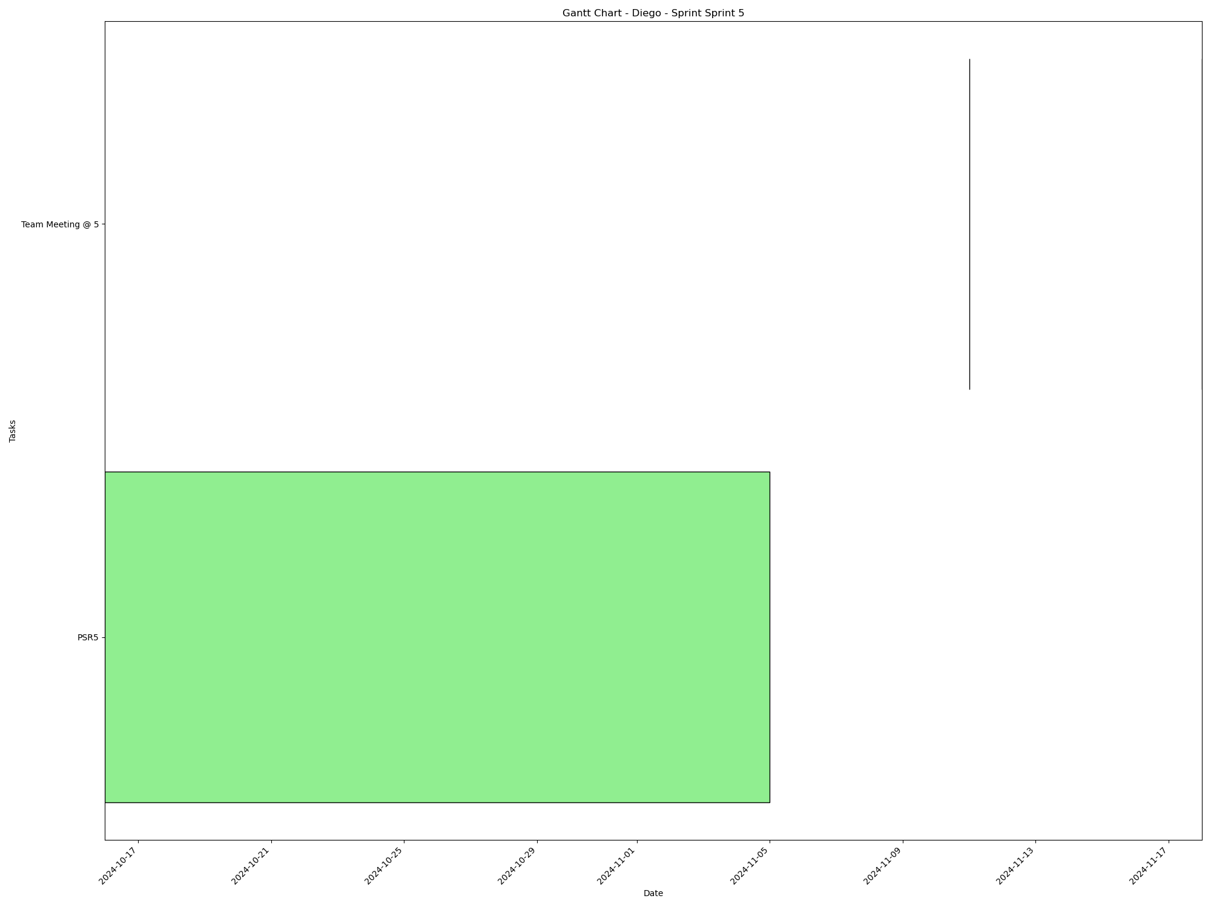
Task | Assignees | Start date | End date | Sprint | Status | Hours Completed | Corrective Action
PSR5 | Aidan, Carly, Diego, John, Matthew, Amber | 2024-10-16 | 2024-11-05 | Sprint 5 | Todo
Team Meeting @ 5 | Aidan, Carly, Diego, John, Matthew, Amber | 2024-11-11 | 2024-11-11 | Sprint 5 | Todo | 1
Team Meeting @ 5 | Aidan, Carly, Diego, John, Matthew, Amber | 2024-11-18 | 2024-11-18 | Sprint 5 | Todo | 1
 |  |  |  |  | Total Hours | 2

Diego_Sprint_Sprint 6
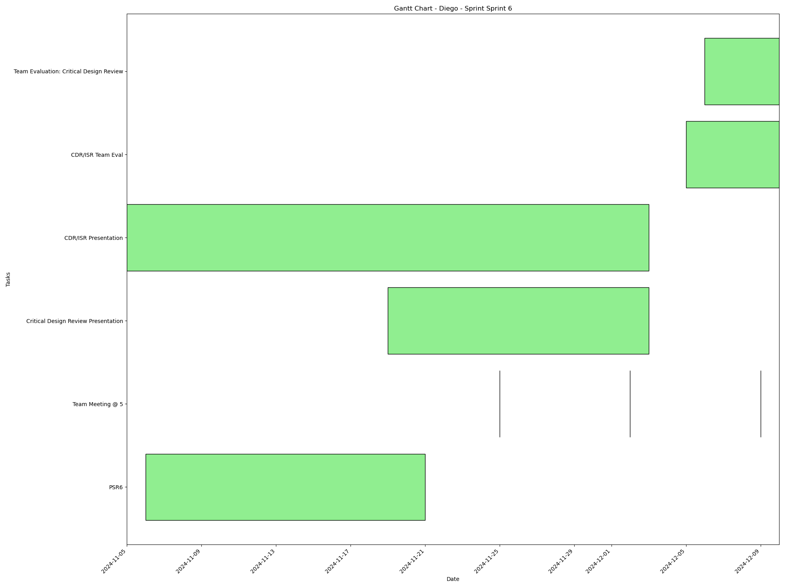
Task | Assignees | Start date | End date | Sprint | Status | Hours Completed | Corrective Action
PSR6 | Aidan, Carly, Diego, John, Matthew, Amber | 2024-11-06 | 2024-11-21 | Sprint 6 | Todo
Team Meeting @ 5 | Aidan, Carly, Diego, John, Matthew, Amber | 2024-11-25 | 2024-11-25 | Sprint 6 | Todo | 1
Team Meeting @ 5 | Aidan, Carly, Diego, John, Matthew, Amber | 2024-12-02 | 2024-12-02 | Sprint 6 | Todo | 1
Critical Design Review Presentation | Aidan, Carly, Diego, John, Matthew, Amber | 2024-11-19 | 2024-12-03 | Sprint 6 | Todo
CDR/ISR Presentation | Aidan, Carly, Diego, John, Matthew, Amber | 2024-11-05 | 2024-12-03 | Sprint 6 | Todo
Team Meeting @ 5 | Aidan, Carly, Diego, John, Matthew, Amber | 2024-12-09 | 2024-12-09 | Sprint 6 | Todo | 1
CDR/ISR Team Eval | Aidan, Carly, Diego, John, Matthew, Amber | 2024-12-05 | 2024-12-10 | Sprint 6 | Todo
Team Evaluation: Critical Design Review | Aidan, Carly, Diego, John, Matthew, Amber | 2024-12-06 | 2024-12-10 | Sprint 6 | Todo
 |  |  |  |  | Total Hours | 3

Carly_Sprint_Sprint 1

Task | Assignees | Start date | End date | Sprint | Status | Hours Completed | Corrective Action
Team Meeting @ 5 | Aidan, Carly, Diego, John, Matthew, Amber | 2024-09-02 | 2024-09-02 | Sprint 1 | Done | 1
 |  |  |  |  | Total Hours | 1

Carly_Sprint_Sprint 2
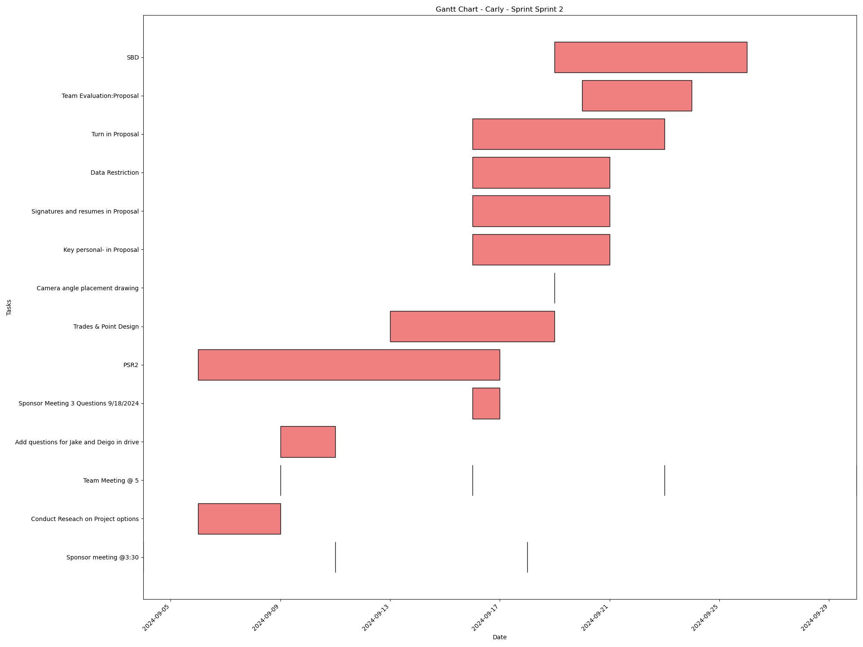
Task | Assignees | Start date | End date | Sprint | Status | Hours Completed | Corrective Action
Sponsor meeting @3:30 | Aidan, Carly, Diego, John, Matthew, Amber | 2024-09-04 | 2024-09-04 | Sprint 2 | Done | 0.5
Conduct Reseach on Project options | Aidan, Carly, Diego, John, Matthew, Amber | 2024-09-06 | 2024-09-09 | Sprint 2 | Done | 2
Team Meeting @ 5 | Aidan, Carly, Diego, John, Matthew, Amber | 2024-09-09 | 2024-09-09 | Sprint 2 | Done | 1
Sponsor meeting @3:30 | Aidan, Carly, Diego, John, Matthew, Amber | 2024-09-11 | 2024-09-11 | Sprint 2 | Done | 0.5
Add questions for Jake and Deigo in drive | Aidan, Carly, Diego, John, Matthew, Amber | 2024-09-09 | 2024-09-11 | Sprint 2 | Done | 1
Team Meeting @ 5 | Aidan, Carly, Diego, John, Matthew, Amber | 2024-09-16 | 2024-09-16 | Sprint 2 | Done | 1
Sponsor Meeting 3 Questions 9/18/2024 | Aidan, Carly, Diego, John, Matthew, Amber | 2024-09-16 | 2024-09-17 | Sprint 2 | Done | 0.5
PSR2 | Aidan, Carly, Diego, John, Matthew, Amber | 2024-09-06 | 2024-09-17 | Sprint 2 | Done | 2
Sponsor meeting @3:30 | Aidan, Carly, Diego, John, Matthew, Amber | 2024-09-18 | 2024-09-18 | Sprint 2 | Done | 0.5
Trades & Point Design | Aidan, Carly, Diego, John, Matthew, Amber | 2024-09-13 | 2024-09-19 | Sprint 2 | Done | 2
Camera angle placement drawing | Carly, John | 2024-09-19 | 2024-09-19 | Sprint 2 | Done | 1
Key personal- in Proposal | Carly | 2024-09-16 | 2024-09-21 | Sprint 2 | Done | 0.5
Signatures and resumes in Proposal | Aidan, Carly, Diego, John, Matthew, Amber | 2024-09-16 | 2024-09-21 | Sprint 2 | Done | 0.5
Data Restriction | Carly | 2024-09-16 | 2024-09-21 | Sprint 2 | Done | 0.25
Team Meeting @ 5 | Aidan, Carly, Diego, John, Matthew, Amber | 2024-09-23 | 2024-09-23 | Sprint 2 | Done | 1
Turn in Proposal | Carly, John, Matthew, Amber | 2024-09-16 | 2024-09-23 | Sprint 2 | Done | 0.25
Team Evaluation:Proposal | Aidan, Carly, Diego, John, Matthew, Amber | 2024-09-20 | 2024-09-24 | Sprint 2 | Done | 1.75
SBD | Carly | 2024-09-19 | 2024-09-26 | Sprint 2 | Done | 2.5
Team Meeting @ 5 | Aidan, Carly, Diego, John, Matthew, Amber | 2024-09-30 | 2024-09-30 | Sprint 2 | Done | 1
 |  |  |  |  | Total Hours | 19.75

Carly_Sprint_Sprint 3
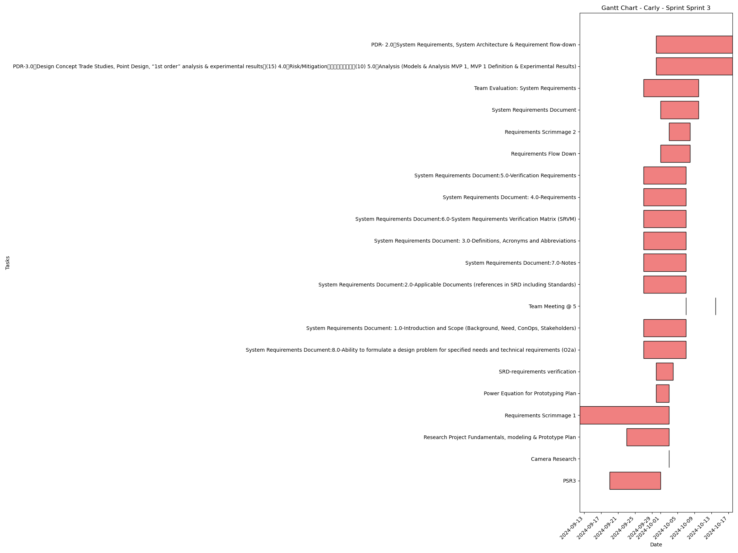
Task | Assignees | Start date | End date | Sprint | Status | Hours Completed | Corrective Action
PSR3 | Aidan, Carly, Diego, John, Matthew, Amber | 2024-09-19 | 2024-10-01 | Sprint 3 | Done | 1
Camera Research | Carly | 2024-10-03 | 2024-10-03 | Sprint 3 | Done | 1.5
Research Project Fundamentals, modeling & Prototype Plan | Aidan, Carly, Diego, John, Matthew, Amber | 2024-09-23 | 2024-10-03 | Sprint 3 | Done | 1.5
Requirements Scrimmage 1 | Aidan, Carly, Diego, John, Matthew, Amber | 2024-09-12 | 2024-10-03 | Sprint 3 | Done | 0.5
Power Equation for Prototyping Plan | Carly, John | 2024-09-30 | 2024-10-03 | Sprint 3 | Done | 0.5
SRD-requirements verification | Carly | 2024-09-30 | 2024-10-04 | Sprint 3 | Done | 1
System Requirements Document:8.0-Ability to formulate a design problem for specified needs and technical requirements (O2a) | Aidan, Carly, Diego, John, Matthew, Amber | 2024-09-27 | 2024-10-07 | Sprint 3 | Done
System Requirements Document: 1.0-Introduction and Scope (Background, Need, ConOps, Stakeholders) | Aidan, Carly, Diego, John, Matthew, Amber | 2024-09-27 | 2024-10-07 | Sprint 3 | Done
Team Meeting @ 5 | Aidan, Carly, Diego, John, Matthew, Amber | 2024-10-07 | 2024-10-07 | Sprint 3 | Todo | 1
System Requirements Document:2.0-Applicable Documents (references in SRD including Standards) | Aidan, Carly, Diego, John, Matthew, Amber | 2024-09-27 | 2024-10-07 | Sprint 3 | Done
System Requirements Document:7.0-Notes | Aidan, Carly, Diego, John, Matthew, Amber | 2024-09-27 | 2024-10-07 | Sprint 3 | Done
System Requirements Document: 3.0-Definitions, Acronyms and Abbreviations | Aidan, Carly, Diego, John, Matthew, Amber | 2024-09-27 | 2024-10-07 | Sprint 3 | Done
System Requirements Document:6.0-System Requirements Verification Matrix (SRVM) | Aidan, Carly, Diego, John, Matthew, Amber | 2024-09-27 | 2024-10-07 | Sprint 3 | Done
System Requirements Document: 4.0-Requirements | Aidan, Carly, Diego, John, Matthew, Amber | 2024-09-27 | 2024-10-07 | Sprint 3 | Done
System Requirements Document:5.0-Verification Requirements | Aidan, Carly, Diego, John, Matthew, Amber | 2024-09-27 | 2024-10-07 | Sprint 3 | Done
Requirements Flow Down | Aidan, Carly, Diego, John, Matthew, Amber | 2024-10-01 | 2024-10-08 | Sprint 3 | Done | 1
Requirements Scrimmage 2 | Aidan, Carly, Diego, John, Matthew, Amber | 2024-10-03 | 2024-10-08 | Sprint 3 | Done | 1
System Requirements Document | Aidan, Carly, Diego, John, Matthew, Amber | 2024-10-01 | 2024-10-10 | Sprint 3 | Done | 2
Team Evaluation: System Requirements | Aidan, Carly, Diego, John, Matthew, Amber | 2024-09-27 | 2024-10-10 | Sprint 3 | Todo
Team Meeting @ 5 | Aidan, Carly, Diego, John, Matthew, Amber | 2024-10-14 | 2024-10-14 | Sprint 3 | Todo | 1
PDR-3.0 Design Concept Trade Studies, Point Design, “1st order” analysis & experimental results (15) 4.0 Risk/Mitigation (10) 5.0 Analysis (Models & Analysis MVP 1, MVP 1 Definition & Experimental Results) | Aidan, Carly, Diego, John, Matthew, Amber | 2024-09-30 | 2024-10-18 | Sprint 3 | Todo
PDR- 2.0 System Requirements, System Architecture & Requirement flow-down | Aidan, Carly, Diego, John, Matthew, Amber | 2024-09-30 | 2024-10-18 | Sprint 3 | Todo
 |  |  |  |  | Total Hours | 12

Carly_Sprint_Sprint 4
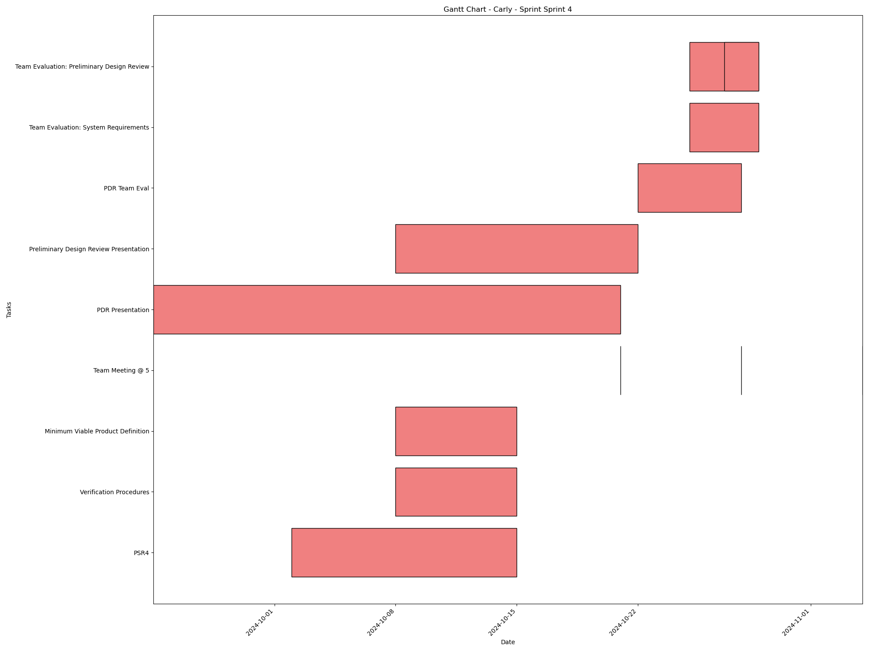
Task | Assignees | Start date | End date | Sprint | Status | Hours Completed | Corrective Action
PSR4 | Aidan, Carly, Diego, John, Matthew, Amber | 2024-10-02 | 2024-10-15 | Sprint 4 | In Progress
Verification Procedures | Aidan, Carly, Diego, John, Matthew, Amber | 2024-10-08 | 2024-10-15 | Sprint 4 | Todo
Minimum Viable Product Definition | Aidan, Carly, Diego, John, Matthew, Amber | 2024-10-08 | 2024-10-15 | Sprint 4 | In Progress
Team Meeting @ 5 | Aidan, Carly, Diego, John, Matthew, Amber | 2024-10-21 | 2024-10-21 | Sprint 4 | Todo | 1
PDR Presentation | Aidan, Carly, Diego, John, Matthew, Amber | 2024-09-24 | 2024-10-21 | Sprint 4 | In Progress
Preliminary Design Review Presentation | Aidan, Carly, Diego, John, Matthew, Amber | 2024-10-08 | 2024-10-22 | Sprint 4 | Todo
Team Meeting @ 5 | Aidan, Carly, Diego, John, Matthew, Amber | 2024-10-28 | 2024-10-28 | Sprint 4 | Todo | 1
PDR Team Eval | Aidan, Carly, Diego, John, Matthew, Amber | 2024-10-22 | 2024-10-28 | Sprint 4 | Todo
Team Evaluation: System Requirements | Aidan, Carly, Diego, John, Matthew, Amber | 2024-10-25 | 2024-10-29 | Sprint 4 | Todo
Team Evaluation: Preliminary Design Review | Aidan, Carly, Diego, John, Matthew, Amber | 2024-10-25 | 2024-10-29 | Sprint 4 | Todo
Team Evaluation: Preliminary Design Review | Aidan, Carly, Diego, John, Matthew, Amber | 2024-10-27 | 2024-10-29 | Sprint 4 | Todo
Team Meeting @ 5 | Aidan, Carly, Diego, John, Matthew, Amber | 2024-11-04 | 2024-11-04 | Sprint 4 | Todo | 1
 |  |  |  |  | Total Hours | 3

Carly_Sprint_Sprint 5
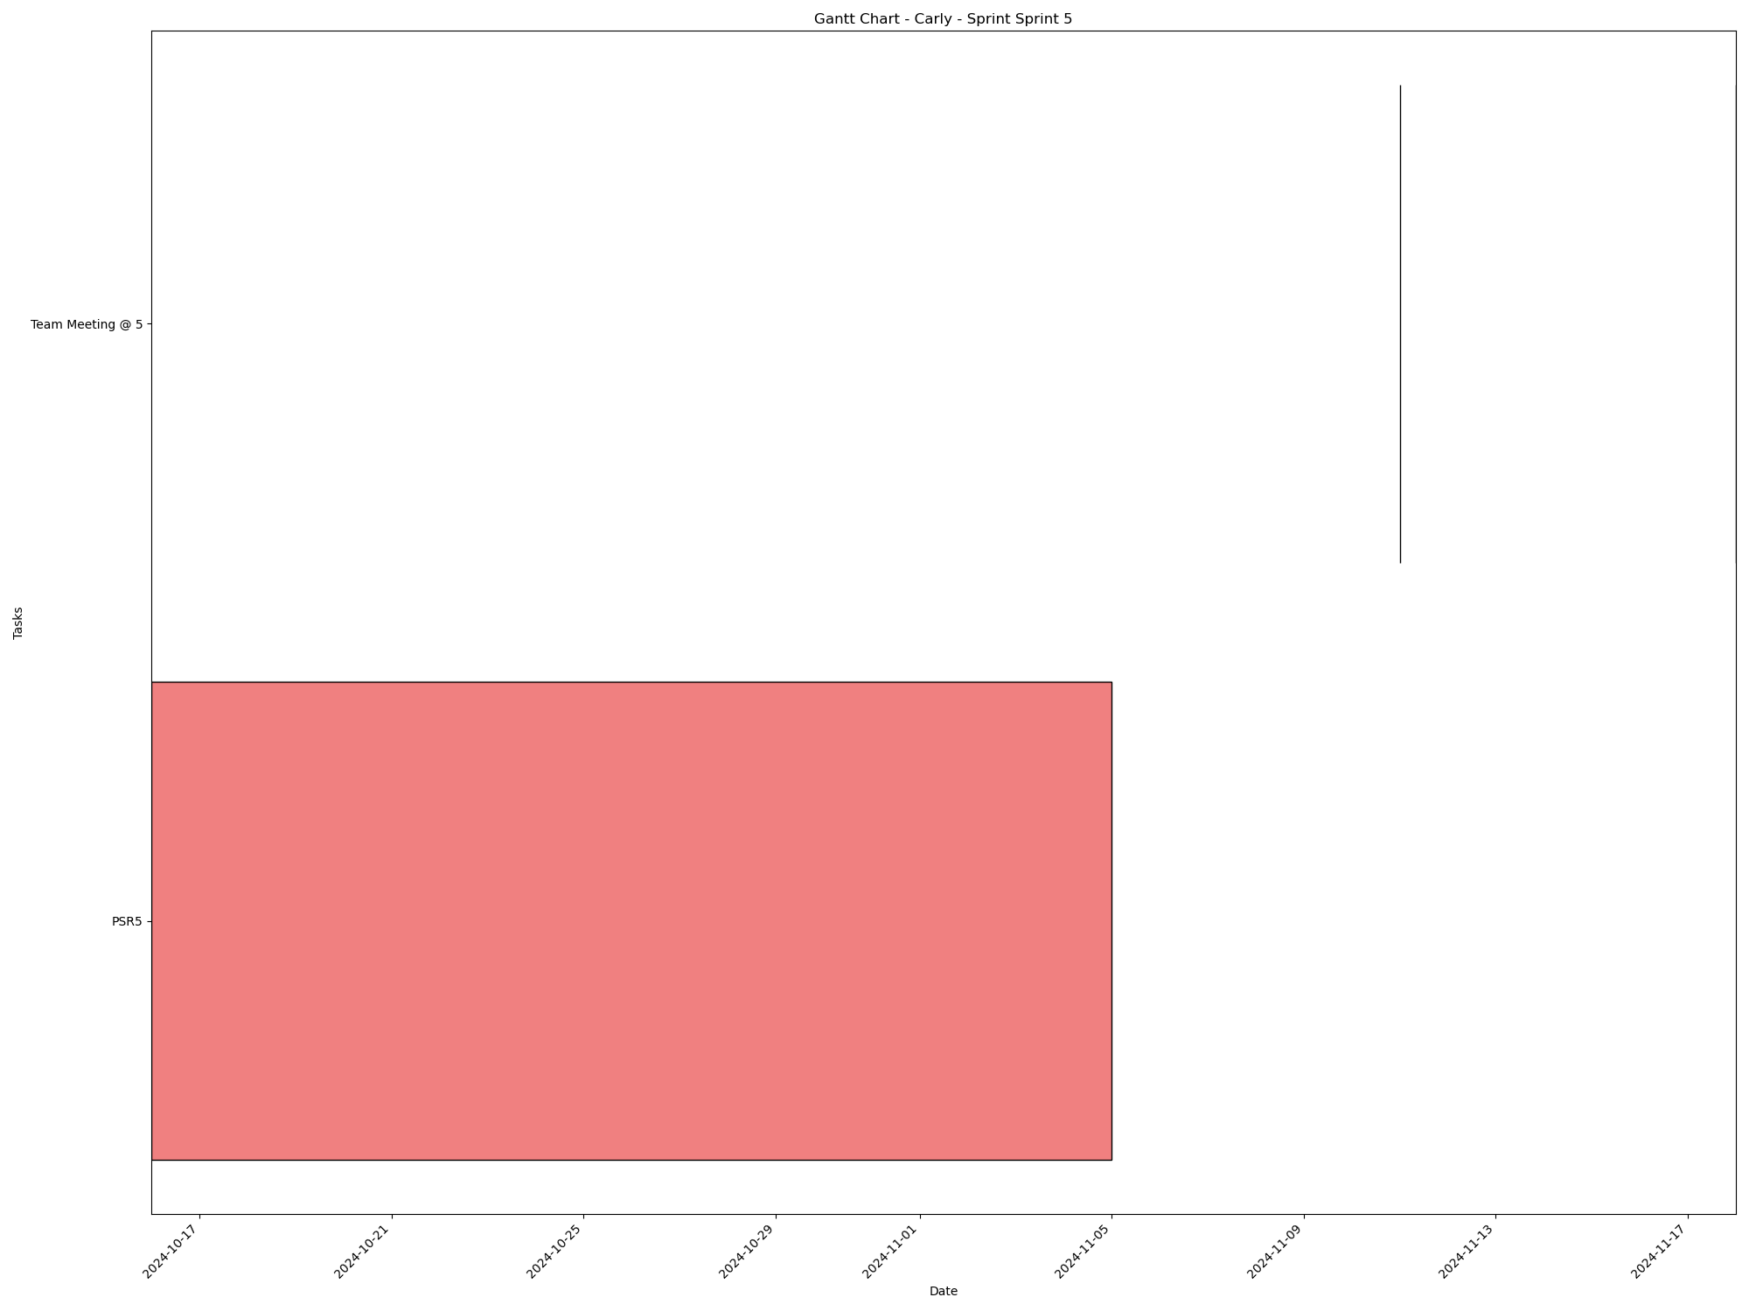
Task | Assignees | Start date | End date | Sprint | Status | Hours Completed | Corrective Action
PSR5 | Aidan, Carly, Diego, John, Matthew, Amber | 2024-10-16 | 2024-11-05 | Sprint 5 | Todo
Team Meeting @ 5 | Aidan, Carly, Diego, John, Matthew, Amber | 2024-11-11 | 2024-11-11 | Sprint 5 | Todo | 1
Team Meeting @ 5 | Aidan, Carly, Diego, John, Matthew, Amber | 2024-11-18 | 2024-11-18 | Sprint 5 | Todo | 1
 |  |  |  |  | Total Hours | 2

Carly_Sprint_Sprint 6
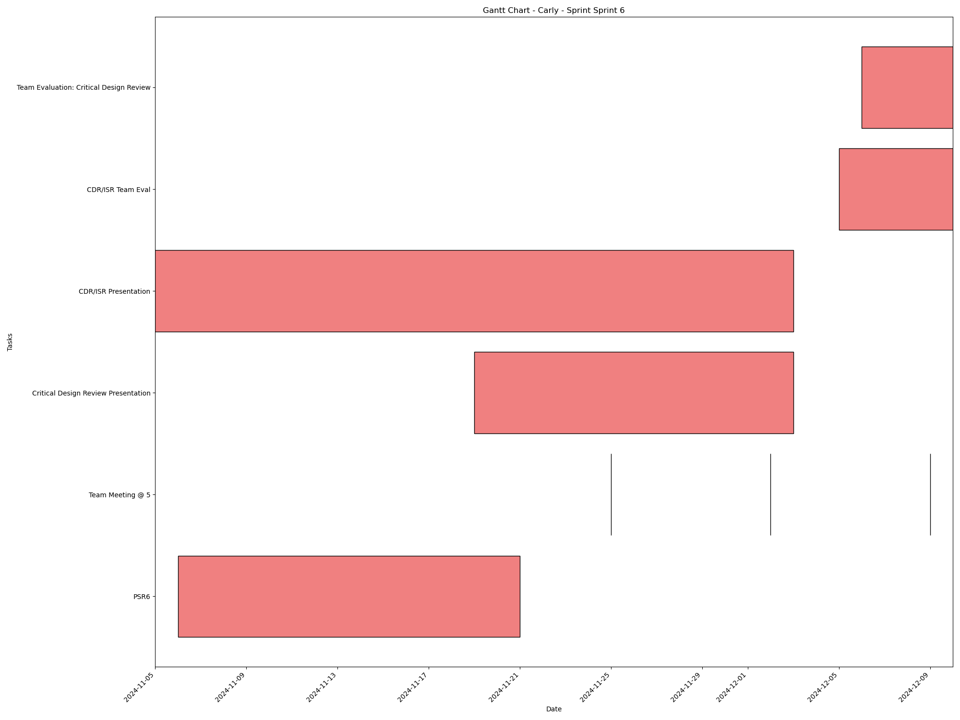
Task | Assignees | Start date | End date | Sprint | Status | Hours Completed | Corrective Action
PSR6 | Aidan, Carly, Diego, John, Matthew, Amber | 2024-11-06 | 2024-11-21 | Sprint 6 | Todo
Team Meeting @ 5 | Aidan, Carly, Diego, John, Matthew, Amber | 2024-11-25 | 2024-11-25 | Sprint 6 | Todo | 1
Team Meeting @ 5 | Aidan, Carly, Diego, John, Matthew, Amber | 2024-12-02 | 2024-12-02 | Sprint 6 | Todo | 1
Critical Design Review Presentation | Aidan, Carly, Diego, John, Matthew, Amber | 2024-11-19 | 2024-12-03 | Sprint 6 | Todo
CDR/ISR Presentation | Aidan, Carly, Diego, John, Matthew, Amber | 2024-11-05 | 2024-12-03 | Sprint 6 | Todo
Team Meeting @ 5 | Aidan, Carly, Diego, John, Matthew, Amber | 2024-12-09 | 2024-12-09 | Sprint 6 | Todo | 1
CDR/ISR Team Eval | Aidan, Carly, Diego, John, Matthew, Amber | 2024-12-05 | 2024-12-10 | Sprint 6 | Todo
Team Evaluation: Critical Design Review | Aidan, Carly, Diego, John, Matthew, Amber | 2024-12-06 | 2024-12-10 | Sprint 6 | Todo
 |  |  |  |  | Total Hours | 3

Matthew_Sprint_Sprint 1
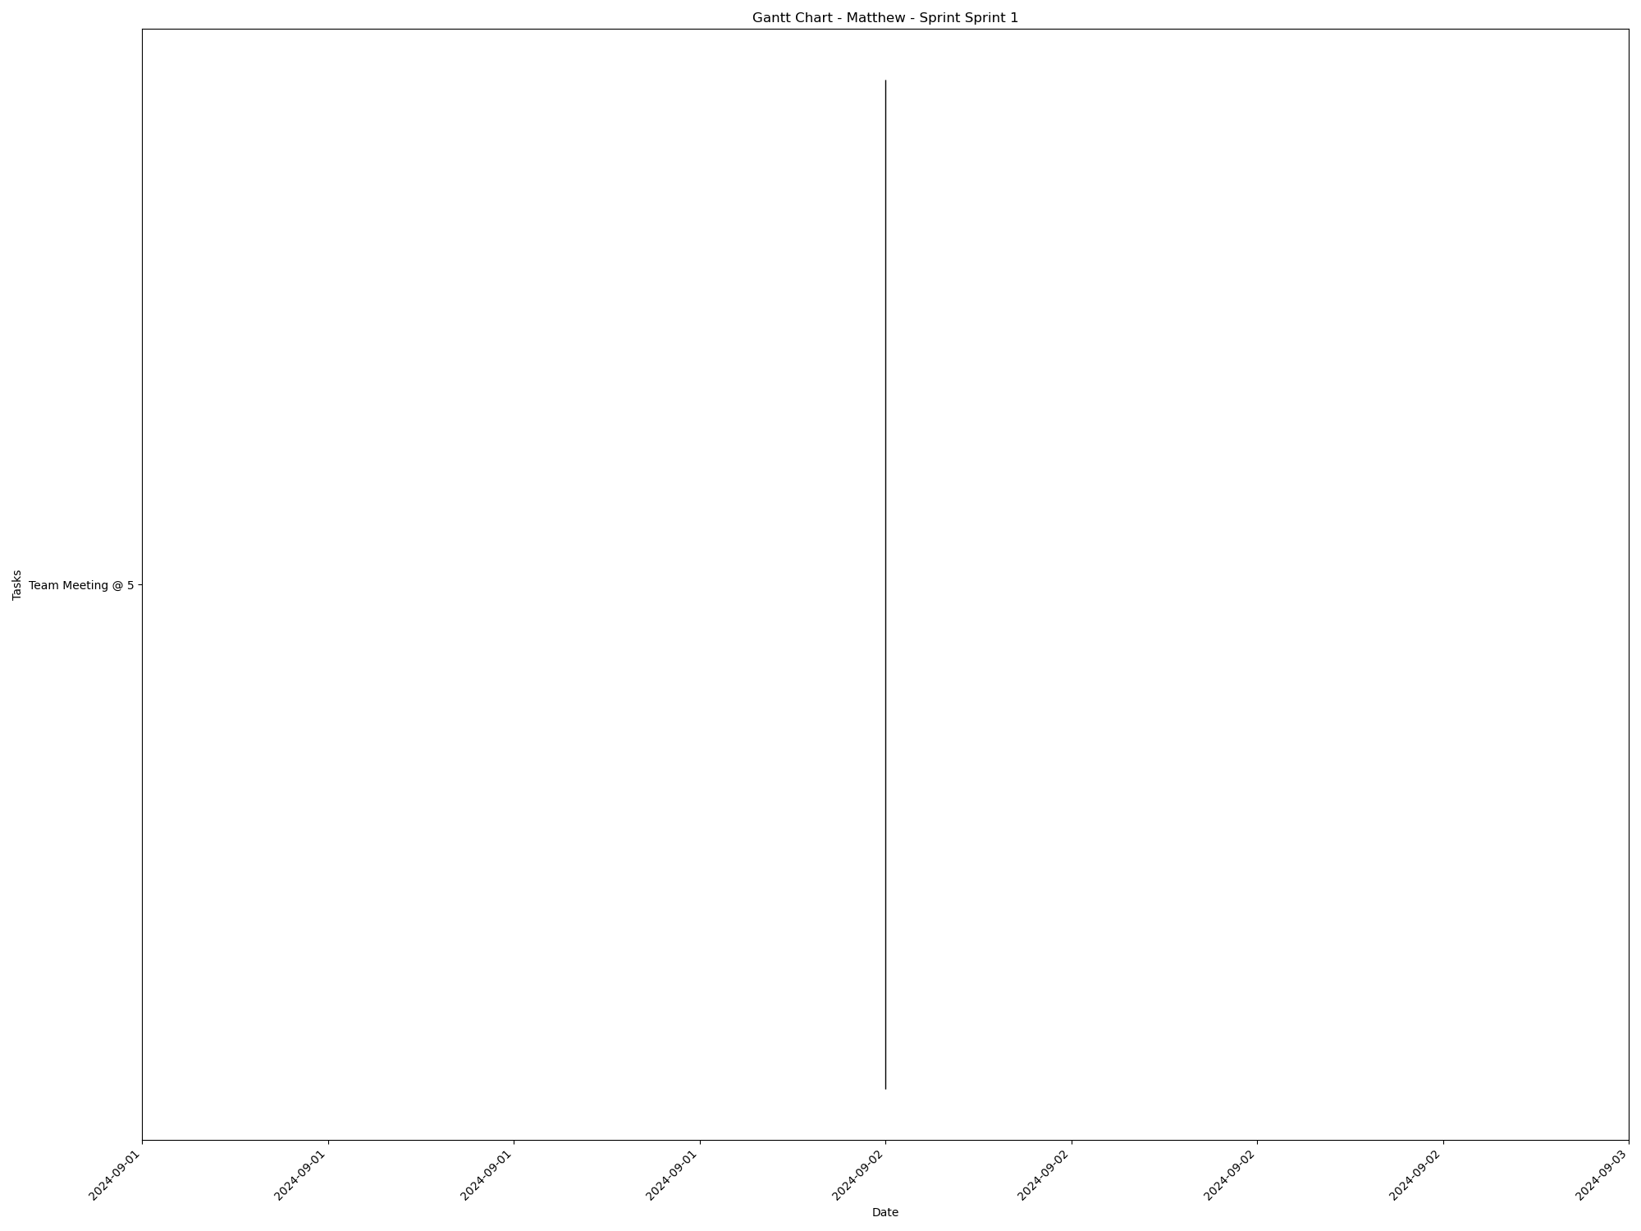
Task | Assignees | Start date | End date | Sprint | Status | Hours Completed | Corrective Action
Team Meeting @ 5 | Aidan, Carly, Diego, John, Matthew, Amber | 2024-09-02 | 2024-09-02 | Sprint 1 | Done | 1
 |  |  |  |  | Total Hours | 1

Matthew_Sprint_Sprint 2
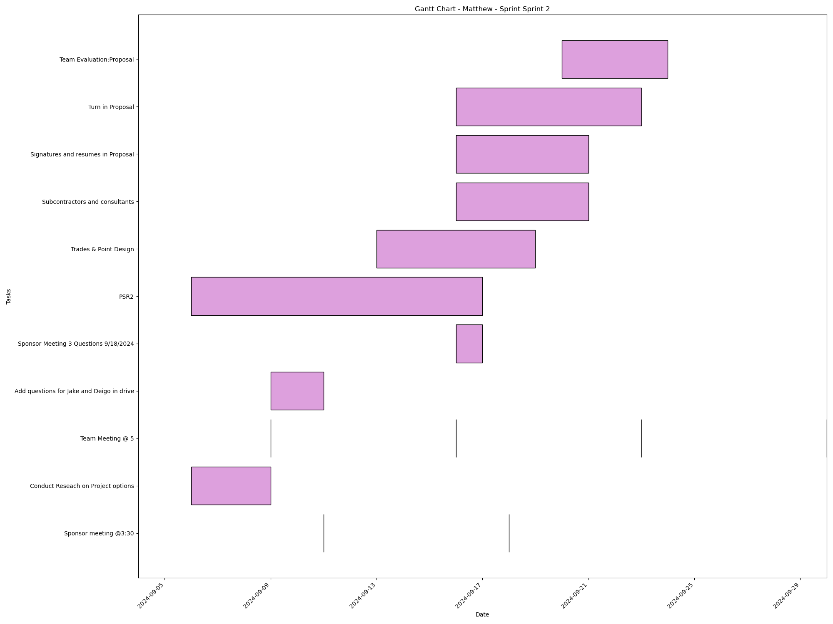
Task | Assignees | Start date | End date | Sprint | Status | Hours Completed | Corrective Action
Sponsor meeting @3:30 | Aidan, Carly, Diego, John, Matthew, Amber | 2024-09-04 | 2024-09-04 | Sprint 2 | Done | 0.5
Conduct Reseach on Project options | Aidan, Carly, Diego, John, Matthew, Amber | 2024-09-06 | 2024-09-09 | Sprint 2 | Done | 2
Team Meeting @ 5 | Aidan, Carly, Diego, John, Matthew, Amber | 2024-09-09 | 2024-09-09 | Sprint 2 | Done | 1
Sponsor meeting @3:30 | Aidan, Carly, Diego, John, Matthew, Amber | 2024-09-11 | 2024-09-11 | Sprint 2 | Done | 0.5
Add questions for Jake and Deigo in drive | Aidan, Carly, Diego, John, Matthew, Amber | 2024-09-09 | 2024-09-11 | Sprint 2 | Done | 1
Team Meeting @ 5 | Aidan, Carly, Diego, John, Matthew, Amber | 2024-09-16 | 2024-09-16 | Sprint 2 | Done | 1
Sponsor Meeting 3 Questions 9/18/2024 | Aidan, Carly, Diego, John, Matthew, Amber | 2024-09-16 | 2024-09-17 | Sprint 2 | Done | 0.5
PSR2 | Aidan, Carly, Diego, John, Matthew, Amber | 2024-09-06 | 2024-09-17 | Sprint 2 | Done | 2
Sponsor meeting @3:30 | Aidan, Carly, Diego, John, Matthew, Amber | 2024-09-18 | 2024-09-18 | Sprint 2 | Done | 0.5
Trades & Point Design | Aidan, Carly, Diego, John, Matthew, Amber | 2024-09-13 | 2024-09-19 | Sprint 2 | Done | 2
Subcontractors and consultants | Matthew | 2024-09-16 | 2024-09-21 | Sprint 2 | Done | 0.25
Signatures and resumes in Proposal | Aidan, Carly, Diego, John, Matthew, Amber | 2024-09-16 | 2024-09-21 | Sprint 2 | Done | 0.5
Team Meeting @ 5 | Aidan, Carly, Diego, John, Matthew, Amber | 2024-09-23 | 2024-09-23 | Sprint 2 | Done | 1
Turn in Proposal | Carly, John, Matthew, Amber | 2024-09-16 | 2024-09-23 | Sprint 2 | Done | 0.25
Team Evaluation:Proposal | Aidan, Carly, Diego, John, Matthew, Amber | 2024-09-20 | 2024-09-24 | Sprint 2 | Done | 1.75
Team Meeting @ 5 | Aidan, Carly, Diego, John, Matthew, Amber | 2024-09-30 | 2024-09-30 | Sprint 2 | Done | 1
 |  |  |  |  | Total Hours | 15.75

Matthew_Sprint_Sprint 3
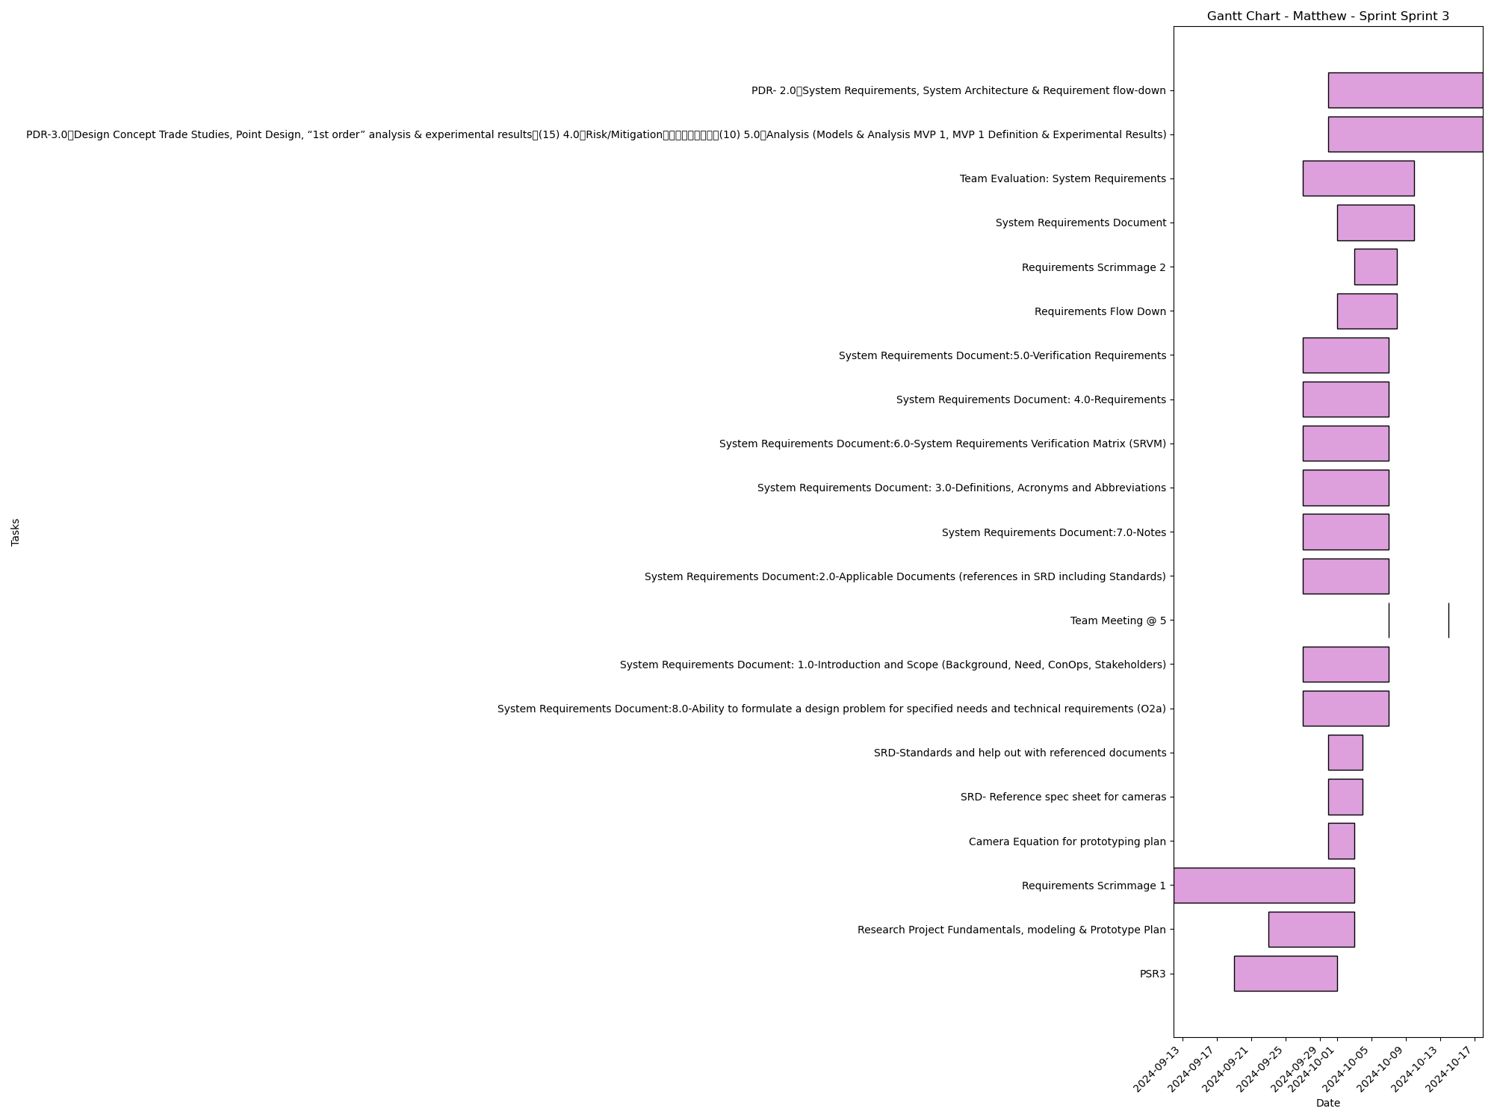
Task | Assignees | Start date | End date | Sprint | Status | Hours Completed | Corrective Action
PSR3 | Aidan, Carly, Diego, John, Matthew, Amber | 2024-09-19 | 2024-10-01 | Sprint 3 | Done | 1
Research Project Fundamentals, modeling & Prototype Plan | Aidan, Carly, Diego, John, Matthew, Amber | 2024-09-23 | 2024-10-03 | Sprint 3 | Done | 1.5
Requirements Scrimmage 1 | Aidan, Carly, Diego, John, Matthew, Amber | 2024-09-12 | 2024-10-03 | Sprint 3 | Done | 0.5
Camera Equation for prototyping plan | Matthew | 2024-09-30 | 2024-10-03 | Sprint 3 | Done | 0.25
SRD- Reference spec sheet for cameras | Matthew | 2024-09-30 | 2024-10-04 | Sprint 3 | Done
SRD-Standards and help out with referenced documents | Matthew | 2024-09-30 | 2024-10-04 | Sprint 3 | Done
System Requirements Document:8.0-Ability to formulate a design problem for specified needs and technical requirements (O2a) | Aidan, Carly, Diego, John, Matthew, Amber | 2024-09-27 | 2024-10-07 | Sprint 3 | Done
System Requirements Document: 1.0-Introduction and Scope (Background, Need, ConOps, Stakeholders) | Aidan, Carly, Diego, John, Matthew, Amber | 2024-09-27 | 2024-10-07 | Sprint 3 | Done
Team Meeting @ 5 | Aidan, Carly, Diego, John, Matthew, Amber | 2024-10-07 | 2024-10-07 | Sprint 3 | Todo | 1
System Requirements Document:2.0-Applicable Documents (references in SRD including Standards) | Aidan, Carly, Diego, John, Matthew, Amber | 2024-09-27 | 2024-10-07 | Sprint 3 | Done
System Requirements Document:7.0-Notes | Aidan, Carly, Diego, John, Matthew, Amber | 2024-09-27 | 2024-10-07 | Sprint 3 | Done
System Requirements Document: 3.0-Definitions, Acronyms and Abbreviations | Aidan, Carly, Diego, John, Matthew, Amber | 2024-09-27 | 2024-10-07 | Sprint 3 | Done
System Requirements Document:6.0-System Requirements Verification Matrix (SRVM) | Aidan, Carly, Diego, John, Matthew, Amber | 2024-09-27 | 2024-10-07 | Sprint 3 | Done
System Requirements Document: 4.0-Requirements | Aidan, Carly, Diego, John, Matthew, Amber | 2024-09-27 | 2024-10-07 | Sprint 3 | Done
System Requirements Document:5.0-Verification Requirements | Aidan, Carly, Diego, John, Matthew, Amber | 2024-09-27 | 2024-10-07 | Sprint 3 | Done
Requirements Flow Down | Aidan, Carly, Diego, John, Matthew, Amber | 2024-10-01 | 2024-10-08 | Sprint 3 | Done | 1
Requirements Scrimmage 2 | Aidan, Carly, Diego, John, Matthew, Amber | 2024-10-03 | 2024-10-08 | Sprint 3 | Done | 1
System Requirements Document | Aidan, Carly, Diego, John, Matthew, Amber | 2024-10-01 | 2024-10-10 | Sprint 3 | Done | 2
Team Evaluation: System Requirements | Aidan, Carly, Diego, John, Matthew, Amber | 2024-09-27 | 2024-10-10 | Sprint 3 | Todo
Team Meeting @ 5 | Aidan, Carly, Diego, John, Matthew, Amber | 2024-10-14 | 2024-10-14 | Sprint 3 | Todo | 1
PDR-3.0 Design Concept Trade Studies, Point Design, “1st order” analysis & experimental results (15) 4.0 Risk/Mitigation (10) 5.0 Analysis (Models & Analysis MVP 1, MVP 1 Definition & Experimental Results) | Aidan, Carly, Diego, John, Matthew, Amber | 2024-09-30 | 2024-10-18 | Sprint 3 | Todo
PDR- 2.0 System Requirements, System Architecture & Requirement flow-down | Aidan, Carly, Diego, John, Matthew, Amber | 2024-09-30 | 2024-10-18 | Sprint 3 | Todo
 |  |  |  |  | Total Hours | 9.25

Matthew_Sprint_Sprint 4
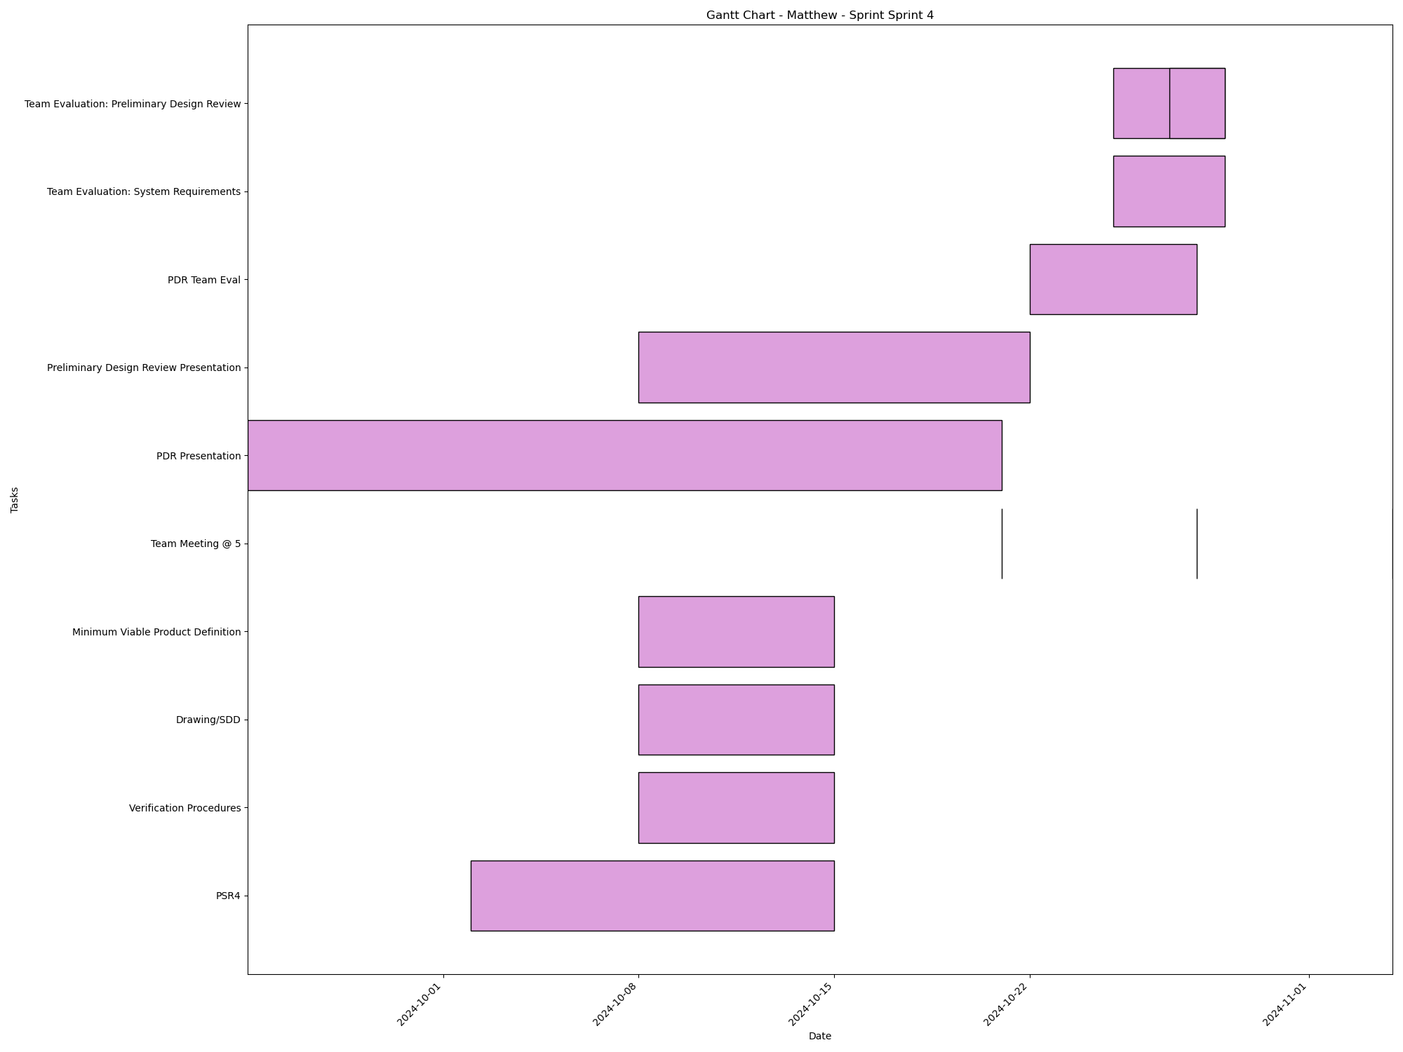
Task | Assignees | Start date | End date | Sprint | Status | Hours Completed | Corrective Action
PSR4 | Aidan, Carly, Diego, John, Matthew, Amber | 2024-10-02 | 2024-10-15 | Sprint 4 | In Progress
Verification Procedures | Aidan, Carly, Diego, John, Matthew, Amber | 2024-10-08 | 2024-10-15 | Sprint 4 | Todo
Drawing/SDD | Matthew, Amber | 2024-10-08 | 2024-10-15 | Sprint 4 | In Progress
Minimum Viable Product Definition | Aidan, Carly, Diego, John, Matthew, Amber | 2024-10-08 | 2024-10-15 | Sprint 4 | In Progress
Team Meeting @ 5 | Aidan, Carly, Diego, John, Matthew, Amber | 2024-10-21 | 2024-10-21 | Sprint 4 | Todo | 1
PDR Presentation | Aidan, Carly, Diego, John, Matthew, Amber | 2024-09-24 | 2024-10-21 | Sprint 4 | In Progress
Preliminary Design Review Presentation | Aidan, Carly, Diego, John, Matthew, Amber | 2024-10-08 | 2024-10-22 | Sprint 4 | Todo
Team Meeting @ 5 | Aidan, Carly, Diego, John, Matthew, Amber | 2024-10-28 | 2024-10-28 | Sprint 4 | Todo | 1
PDR Team Eval | Aidan, Carly, Diego, John, Matthew, Amber | 2024-10-22 | 2024-10-28 | Sprint 4 | Todo
Team Evaluation: System Requirements | Aidan, Carly, Diego, John, Matthew, Amber | 2024-10-25 | 2024-10-29 | Sprint 4 | Todo
Team Evaluation: Preliminary Design Review | Aidan, Carly, Diego, John, Matthew, Amber | 2024-10-25 | 2024-10-29 | Sprint 4 | Todo
Team Evaluation: Preliminary Design Review | Aidan, Carly, Diego, John, Matthew, Amber | 2024-10-27 | 2024-10-29 | Sprint 4 | Todo
Team Meeting @ 5 | Aidan, Carly, Diego, John, Matthew, Amber | 2024-11-04 | 2024-11-04 | Sprint 4 | Todo | 1
 |  |  |  |  | Total Hours | 3

Matthew_Sprint_Sprint 5
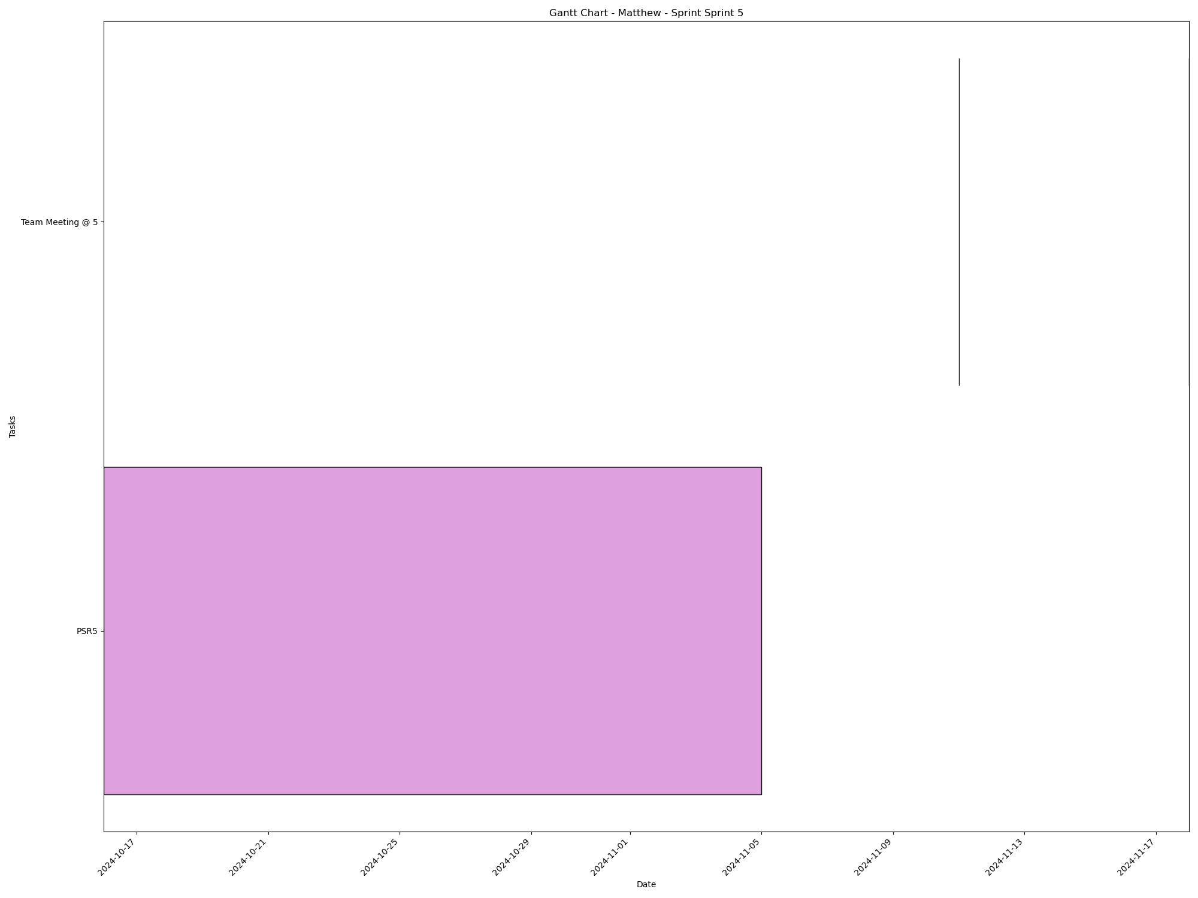
Task | Assignees | Start date | End date | Sprint | Status | Hours Completed | Corrective Action
PSR5 | Aidan, Carly, Diego, John, Matthew, Amber | 2024-10-16 | 2024-11-05 | Sprint 5 | Todo
Team Meeting @ 5 | Aidan, Carly, Diego, John, Matthew, Amber | 2024-11-11 | 2024-11-11 | Sprint 5 | Todo | 1
Team Meeting @ 5 | Aidan, Carly, Diego, John, Matthew, Amber | 2024-11-18 | 2024-11-18 | Sprint 5 | Todo | 1
 |  |  |  |  | Total Hours | 2

Matthew_Sprint_Sprint 6
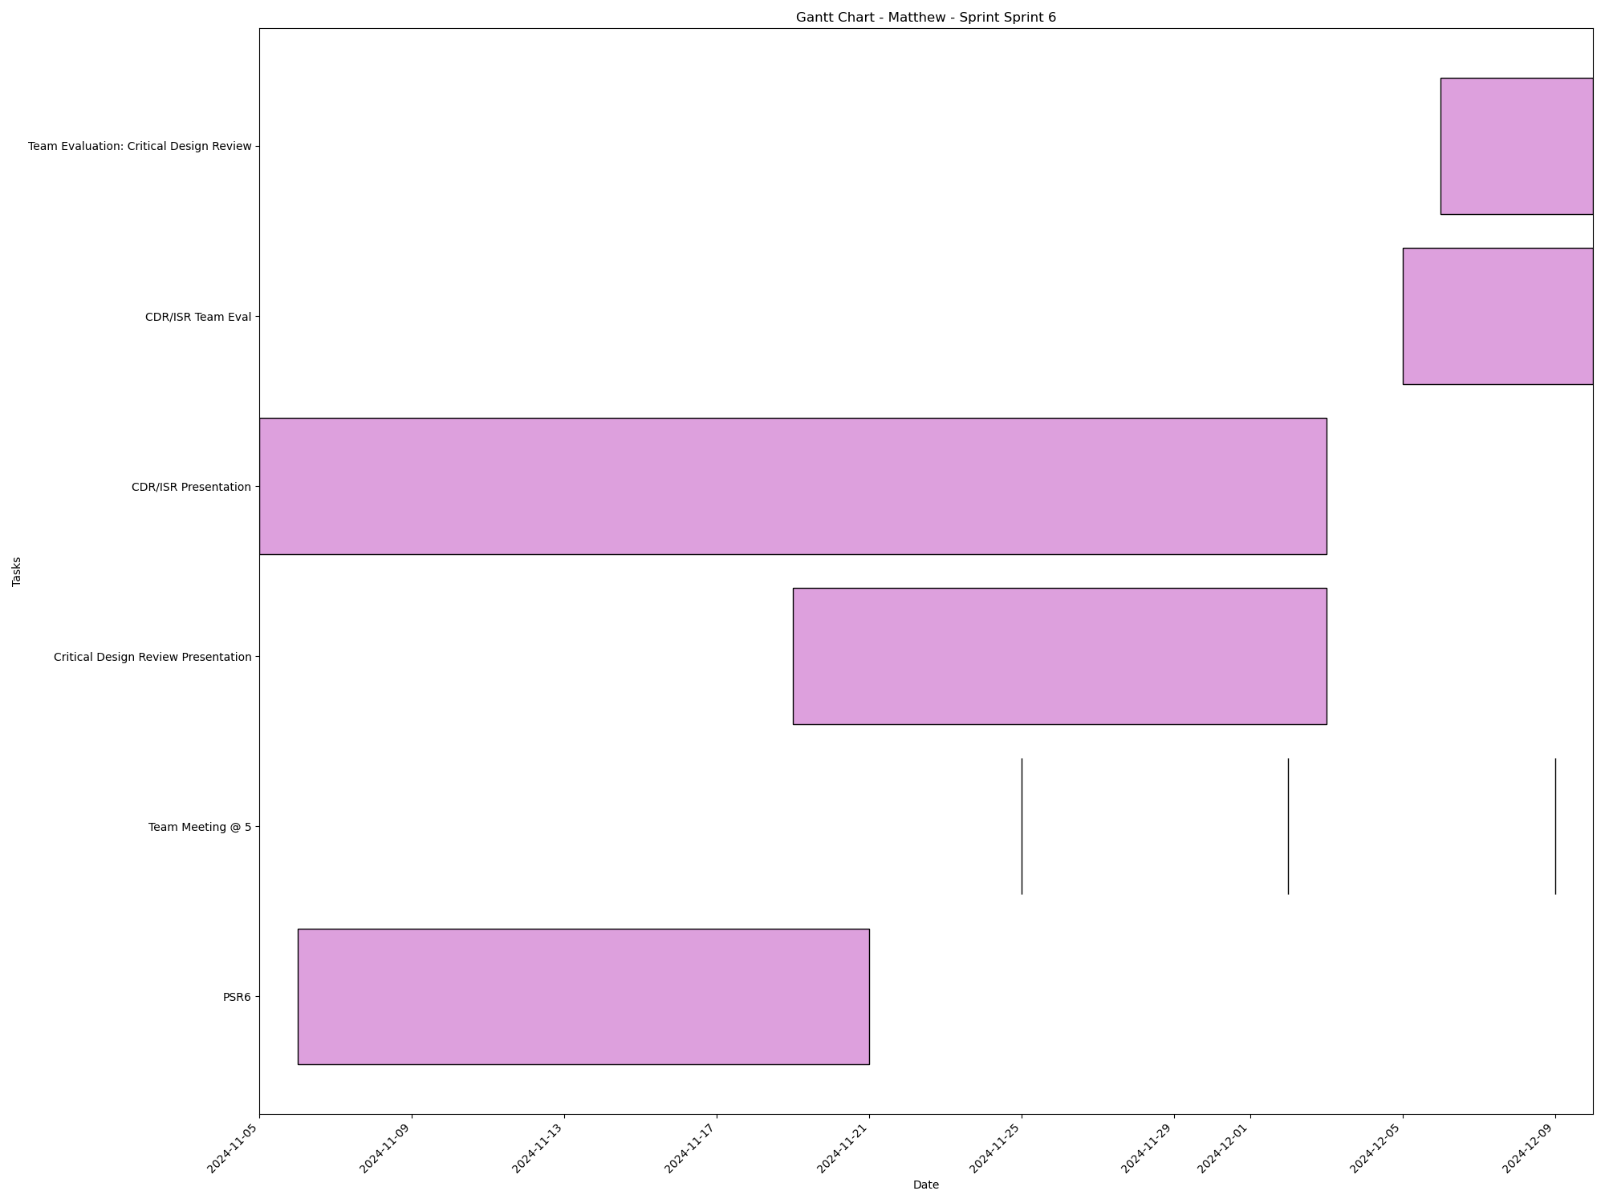
Task | Assignees | Start date | End date | Sprint | Status | Hours Completed | Corrective Action
PSR6 | Aidan, Carly, Diego, John, Matthew, Amber | 2024-11-06 | 2024-11-21 | Sprint 6 | Todo
Team Meeting @ 5 | Aidan, Carly, Diego, John, Matthew, Amber | 2024-11-25 | 2024-11-25 | Sprint 6 | Todo | 1
Team Meeting @ 5 | Aidan, Carly, Diego, John, Matthew, Amber | 2024-12-02 | 2024-12-02 | Sprint 6 | Todo | 1
Critical Design Review Presentation | Aidan, Carly, Diego, John, Matthew, Amber | 2024-11-19 | 2024-12-03 | Sprint 6 | Todo
CDR/ISR Presentation | Aidan, Carly, Diego, John, Matthew, Amber | 2024-11-05 | 2024-12-03 | Sprint 6 | Todo
Team Meeting @ 5 | Aidan, Carly, Diego, John, Matthew, Amber | 2024-12-09 | 2024-12-09 | Sprint 6 | Todo | 1
CDR/ISR Team Eval | Aidan, Carly, Diego, John, Matthew, Amber | 2024-12-05 | 2024-12-10 | Sprint 6 | Todo
Team Evaluation: Critical Design Review | Aidan, Carly, Diego, John, Matthew, Amber | 2024-12-06 | 2024-12-10 | Sprint 6 | Todo
 |  |  |  |  | Total Hours | 3

Aidan_Sprint_Sprint 1

Task | Assignees | Start date | End date | Sprint | Status | Hours Completed | Corrective Action
Team Meeting @ 5 | Aidan, Carly, Diego, John, Matthew, Amber | 2024-09-02 | 2024-09-02 | Sprint 1 | Done | 1
 |  |  |  |  | Total Hours | 1

Aidan_Sprint_Sprint 2
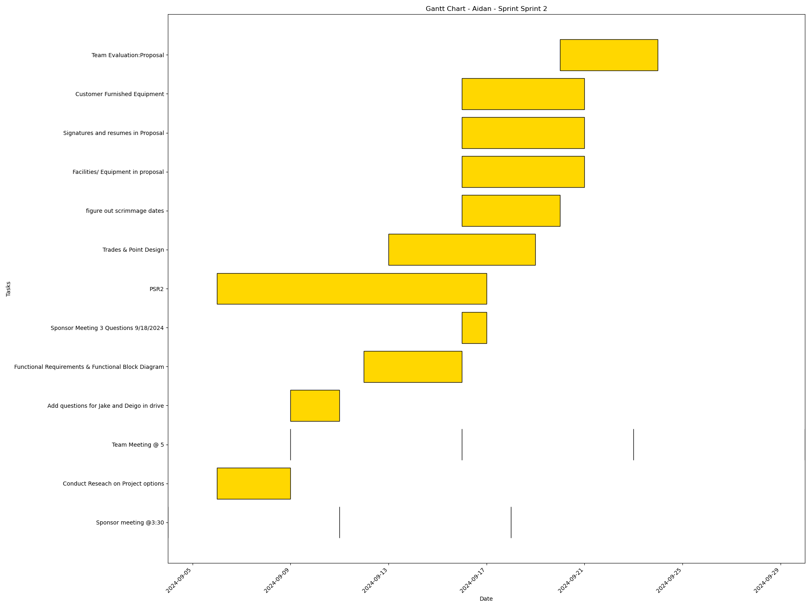
Task | Assignees | Start date | End date | Sprint | Status | Hours Completed | Corrective Action
Sponsor meeting @3:30 | Aidan, Carly, Diego, John, Matthew, Amber | 2024-09-04 | 2024-09-04 | Sprint 2 | Done | 0.5
Conduct Reseach on Project options | Aidan, Carly, Diego, John, Matthew, Amber | 2024-09-06 | 2024-09-09 | Sprint 2 | Done | 2
Team Meeting @ 5 | Aidan, Carly, Diego, John, Matthew, Amber | 2024-09-09 | 2024-09-09 | Sprint 2 | Done | 1
Sponsor meeting @3:30 | Aidan, Carly, Diego, John, Matthew, Amber | 2024-09-11 | 2024-09-11 | Sprint 2 | Done | 0.5
Add questions for Jake and Deigo in drive | Aidan, Carly, Diego, John, Matthew, Amber | 2024-09-09 | 2024-09-11 | Sprint 2 | Done | 1
Functional Requirements & Functional Block Diagram | Aidan, Diego, Amber | 2024-09-12 | 2024-09-16 | Sprint 2 | Done | 3
Team Meeting @ 5 | Aidan, Carly, Diego, John, Matthew, Amber | 2024-09-16 | 2024-09-16 | Sprint 2 | Done | 1
Sponsor Meeting 3 Questions 9/18/2024 | Aidan, Carly, Diego, John, Matthew, Amber | 2024-09-16 | 2024-09-17 | Sprint 2 | Done | 0.5
PSR2 | Aidan, Carly, Diego, John, Matthew, Amber | 2024-09-06 | 2024-09-17 | Sprint 2 | Done | 2
Sponsor meeting @3:30 | Aidan, Carly, Diego, John, Matthew, Amber | 2024-09-18 | 2024-09-18 | Sprint 2 | Done | 0.5
Trades & Point Design | Aidan, Carly, Diego, John, Matthew, Amber | 2024-09-13 | 2024-09-19 | Sprint 2 | Done | 2
figure out scrimmage dates | Aidan | 2024-09-16 | 2024-09-20 | Sprint 2 | Done | 0.25
Facilities/ Equipment in proposal | Aidan | 2024-09-16 | 2024-09-21 | Sprint 2 | Done | 0.5
Signatures and resumes in Proposal | Aidan, Carly, Diego, John, Matthew, Amber | 2024-09-16 | 2024-09-21 | Sprint 2 | Done | 0.5
Customer Furnished Equipment | Aidan | 2024-09-16 | 2024-09-21 | Sprint 2 | Done | 0.5
Team Meeting @ 5 | Aidan, Carly, Diego, John, Matthew, Amber | 2024-09-23 | 2024-09-23 | Sprint 2 | Done | 1
Team Evaluation:Proposal | Aidan, Carly, Diego, John, Matthew, Amber | 2024-09-20 | 2024-09-24 | Sprint 2 | Done | 1.75
Team Meeting @ 5 | Aidan, Carly, Diego, John, Matthew, Amber | 2024-09-30 | 2024-09-30 | Sprint 2 | Done | 1
 |  |  |  |  | Total Hours | 19.5

Aidan_Sprint_Sprint 3
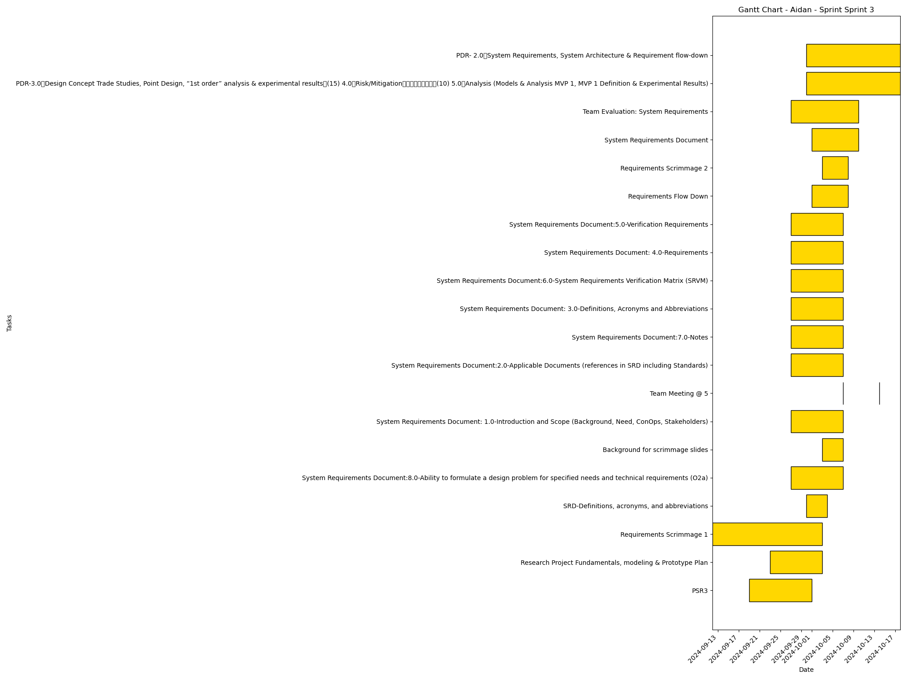
Task | Assignees | Start date | End date | Sprint | Status | Hours Completed | Corrective Action
PSR3 | Aidan, Carly, Diego, John, Matthew, Amber | 2024-09-19 | 2024-10-01 | Sprint 3 | Done | 1
Research Project Fundamentals, modeling & Prototype Plan | Aidan, Carly, Diego, John, Matthew, Amber | 2024-09-23 | 2024-10-03 | Sprint 3 | Done | 1.5
Requirements Scrimmage 1 | Aidan, Carly, Diego, John, Matthew, Amber | 2024-09-12 | 2024-10-03 | Sprint 3 | Done | 0.5
SRD-Definitions, acronyms, and abbreviations | Aidan | 2024-09-30 | 2024-10-04 | Sprint 3 | Done
System Requirements Document:8.0-Ability to formulate a design problem for specified needs and technical requirements (O2a) | Aidan, Carly, Diego, John, Matthew, Amber | 2024-09-27 | 2024-10-07 | Sprint 3 | Done
Background for scrimmage slides | Aidan | 2024-10-03 | 2024-10-07 | Sprint 3 | Done
System Requirements Document: 1.0-Introduction and Scope (Background, Need, ConOps, Stakeholders) | Aidan, Carly, Diego, John, Matthew, Amber | 2024-09-27 | 2024-10-07 | Sprint 3 | Done
Team Meeting @ 5 | Aidan, Carly, Diego, John, Matthew, Amber | 2024-10-07 | 2024-10-07 | Sprint 3 | Todo | 1
System Requirements Document:2.0-Applicable Documents (references in SRD including Standards) | Aidan, Carly, Diego, John, Matthew, Amber | 2024-09-27 | 2024-10-07 | Sprint 3 | Done
System Requirements Document:7.0-Notes | Aidan, Carly, Diego, John, Matthew, Amber | 2024-09-27 | 2024-10-07 | Sprint 3 | Done
System Requirements Document: 3.0-Definitions, Acronyms and Abbreviations | Aidan, Carly, Diego, John, Matthew, Amber | 2024-09-27 | 2024-10-07 | Sprint 3 | Done
System Requirements Document:6.0-System Requirements Verification Matrix (SRVM) | Aidan, Carly, Diego, John, Matthew, Amber | 2024-09-27 | 2024-10-07 | Sprint 3 | Done
System Requirements Document: 4.0-Requirements | Aidan, Carly, Diego, John, Matthew, Amber | 2024-09-27 | 2024-10-07 | Sprint 3 | Done
System Requirements Document:5.0-Verification Requirements | Aidan, Carly, Diego, John, Matthew, Amber | 2024-09-27 | 2024-10-07 | Sprint 3 | Done
Requirements Flow Down | Aidan, Carly, Diego, John, Matthew, Amber | 2024-10-01 | 2024-10-08 | Sprint 3 | Done | 1
Requirements Scrimmage 2 | Aidan, Carly, Diego, John, Matthew, Amber | 2024-10-03 | 2024-10-08 | Sprint 3 | Done | 1
System Requirements Document | Aidan, Carly, Diego, John, Matthew, Amber | 2024-10-01 | 2024-10-10 | Sprint 3 | Done | 2
Team Evaluation: System Requirements | Aidan, Carly, Diego, John, Matthew, Amber | 2024-09-27 | 2024-10-10 | Sprint 3 | Todo
Team Meeting @ 5 | Aidan, Carly, Diego, John, Matthew, Amber | 2024-10-14 | 2024-10-14 | Sprint 3 | Todo | 1
PDR-3.0 Design Concept Trade Studies, Point Design, “1st order” analysis & experimental results (15) 4.0 Risk/Mitigation (10) 5.0 Analysis (Models & Analysis MVP 1, MVP 1 Definition & Experimental Results) | Aidan, Carly, Diego, John, Matthew, Amber | 2024-09-30 | 2024-10-18 | Sprint 3 | Todo
PDR- 2.0 System Requirements, System Architecture & Requirement flow-down | Aidan, Carly, Diego, John, Matthew, Amber | 2024-09-30 | 2024-10-18 | Sprint 3 | Todo
 |  |  |  |  | Total Hours | 9

Aidan_Sprint_Sprint 4
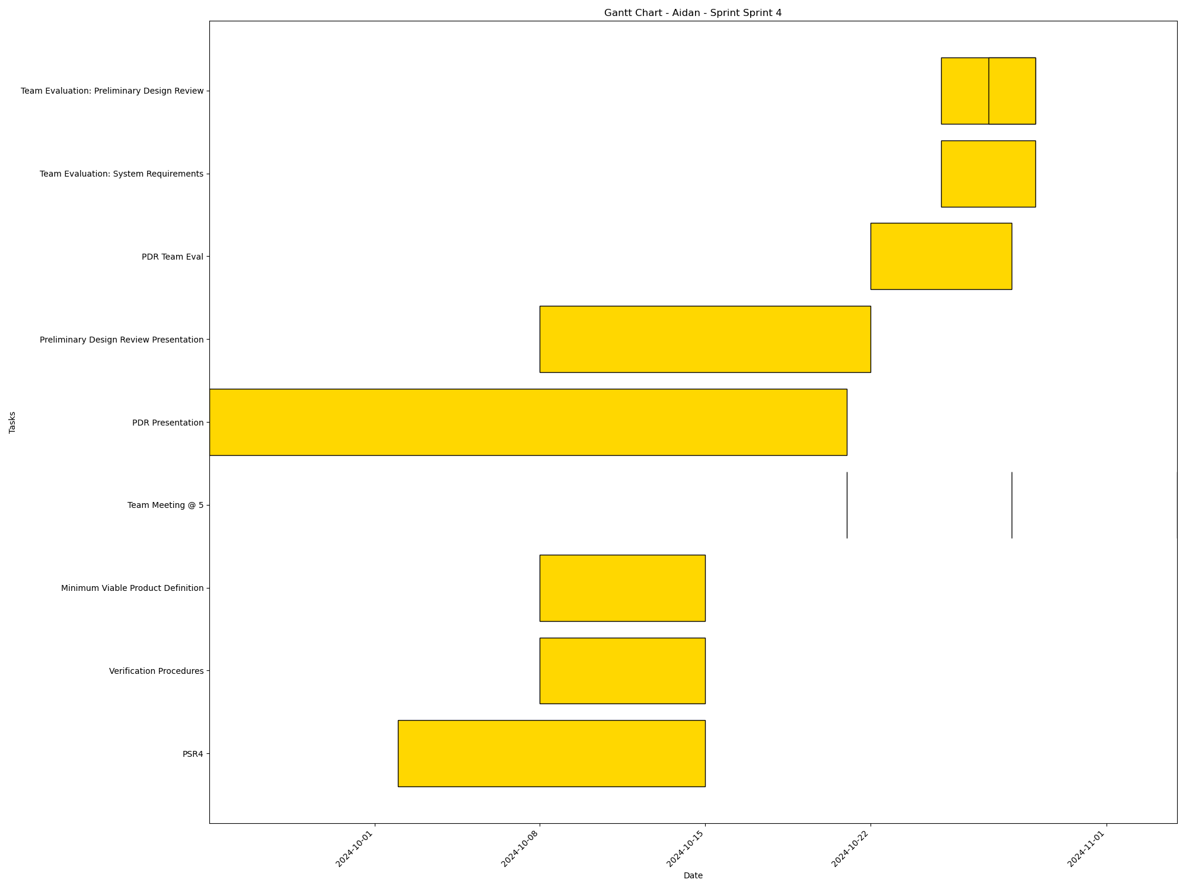
Task | Assignees | Start date | End date | Sprint | Status | Hours Completed | Corrective Action
PSR4 | Aidan, Carly, Diego, John, Matthew, Amber | 2024-10-02 | 2024-10-15 | Sprint 4 | In Progress
Verification Procedures | Aidan, Carly, Diego, John, Matthew, Amber | 2024-10-08 | 2024-10-15 | Sprint 4 | Todo
Minimum Viable Product Definition | Aidan, Carly, Diego, John, Matthew, Amber | 2024-10-08 | 2024-10-15 | Sprint 4 | In Progress
Team Meeting @ 5 | Aidan, Carly, Diego, John, Matthew, Amber | 2024-10-21 | 2024-10-21 | Sprint 4 | Todo | 1
PDR Presentation | Aidan, Carly, Diego, John, Matthew, Amber | 2024-09-24 | 2024-10-21 | Sprint 4 | In Progress
Preliminary Design Review Presentation | Aidan, Carly, Diego, John, Matthew, Amber | 2024-10-08 | 2024-10-22 | Sprint 4 | Todo
Team Meeting @ 5 | Aidan, Carly, Diego, John, Matthew, Amber | 2024-10-28 | 2024-10-28 | Sprint 4 | Todo | 1
PDR Team Eval | Aidan, Carly, Diego, John, Matthew, Amber | 2024-10-22 | 2024-10-28 | Sprint 4 | Todo
Team Evaluation: System Requirements | Aidan, Carly, Diego, John, Matthew, Amber | 2024-10-25 | 2024-10-29 | Sprint 4 | Todo
Team Evaluation: Preliminary Design Review | Aidan, Carly, Diego, John, Matthew, Amber | 2024-10-25 | 2024-10-29 | Sprint 4 | Todo
Team Evaluation: Preliminary Design Review | Aidan, Carly, Diego, John, Matthew, Amber | 2024-10-27 | 2024-10-29 | Sprint 4 | Todo
Team Meeting @ 5 | Aidan, Carly, Diego, John, Matthew, Amber | 2024-11-04 | 2024-11-04 | Sprint 4 | Todo | 1
 |  |  |  |  | Total Hours | 3

Aidan_Sprint_Sprint 5
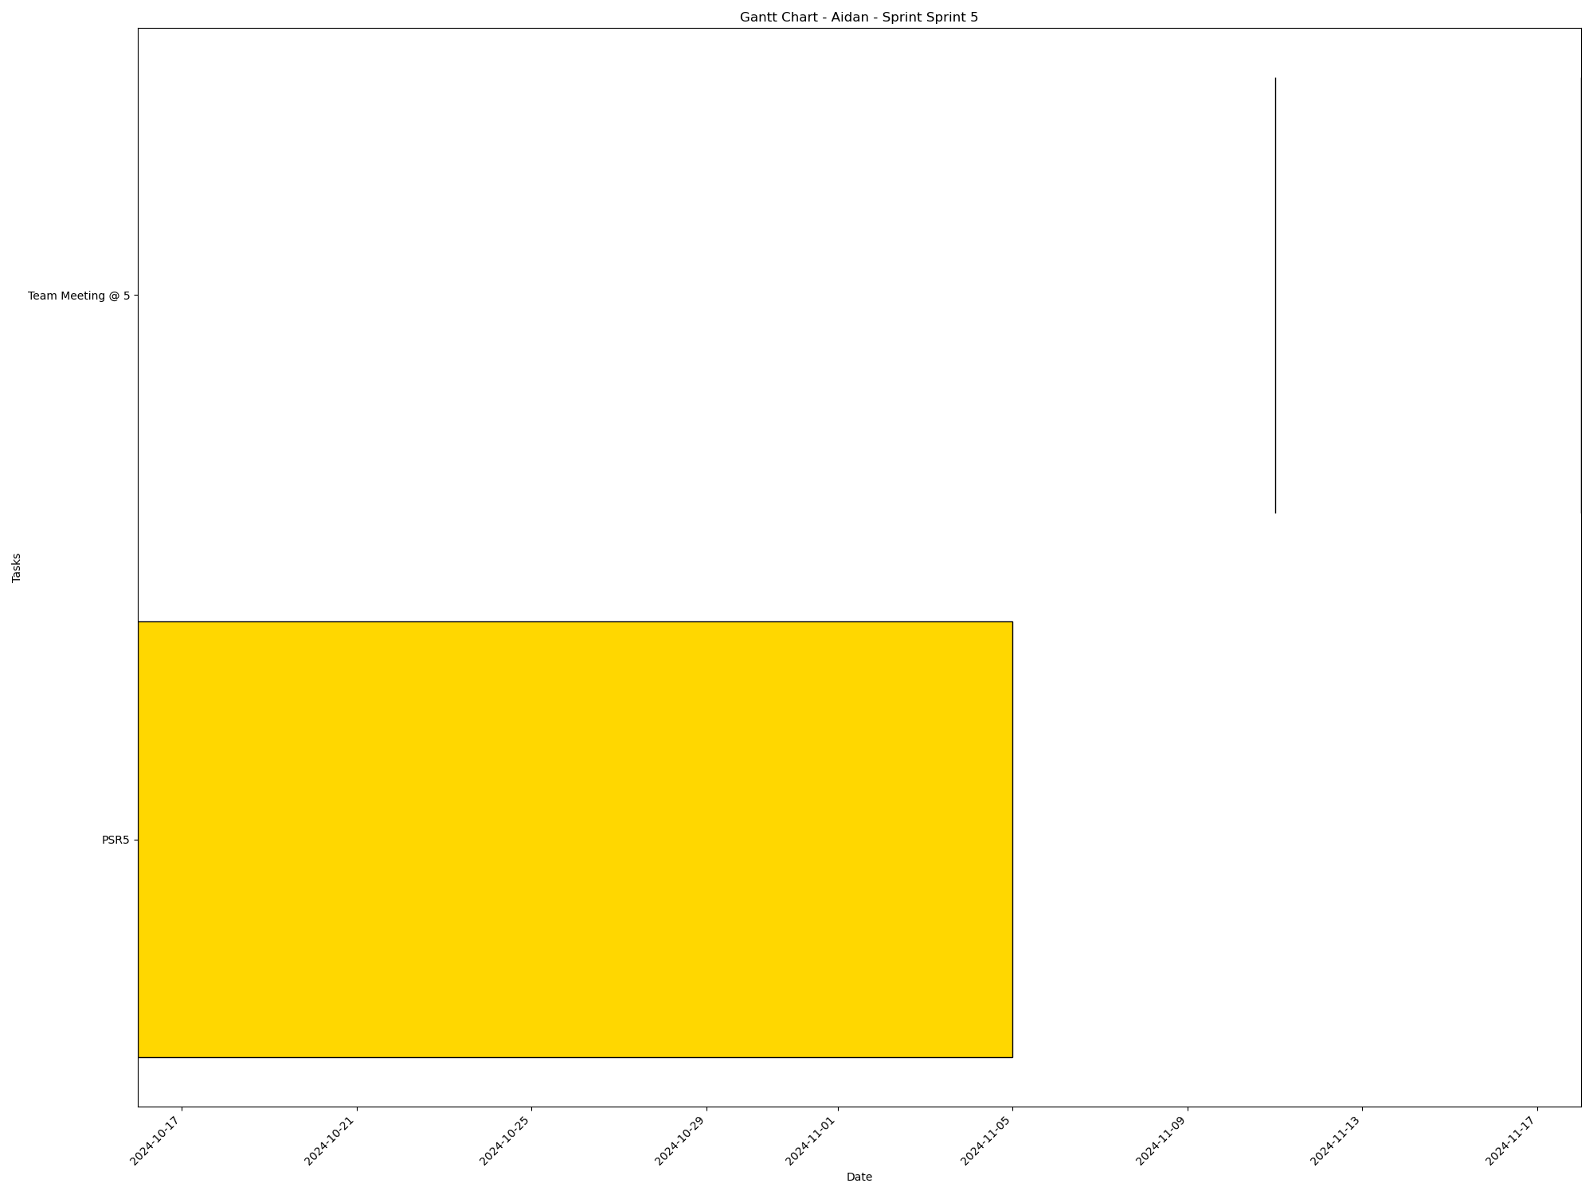
Task | Assignees | Start date | End date | Sprint | Status | Hours Completed | Corrective Action
PSR5 | Aidan, Carly, Diego, John, Matthew, Amber | 2024-10-16 | 2024-11-05 | Sprint 5 | Todo
Team Meeting @ 5 | Aidan, Carly, Diego, John, Matthew, Amber | 2024-11-11 | 2024-11-11 | Sprint 5 | Todo | 1
Team Meeting @ 5 | Aidan, Carly, Diego, John, Matthew, Amber | 2024-11-18 | 2024-11-18 | Sprint 5 | Todo | 1
 |  |  |  |  | Total Hours | 2

Aidan_Sprint_Sprint 6
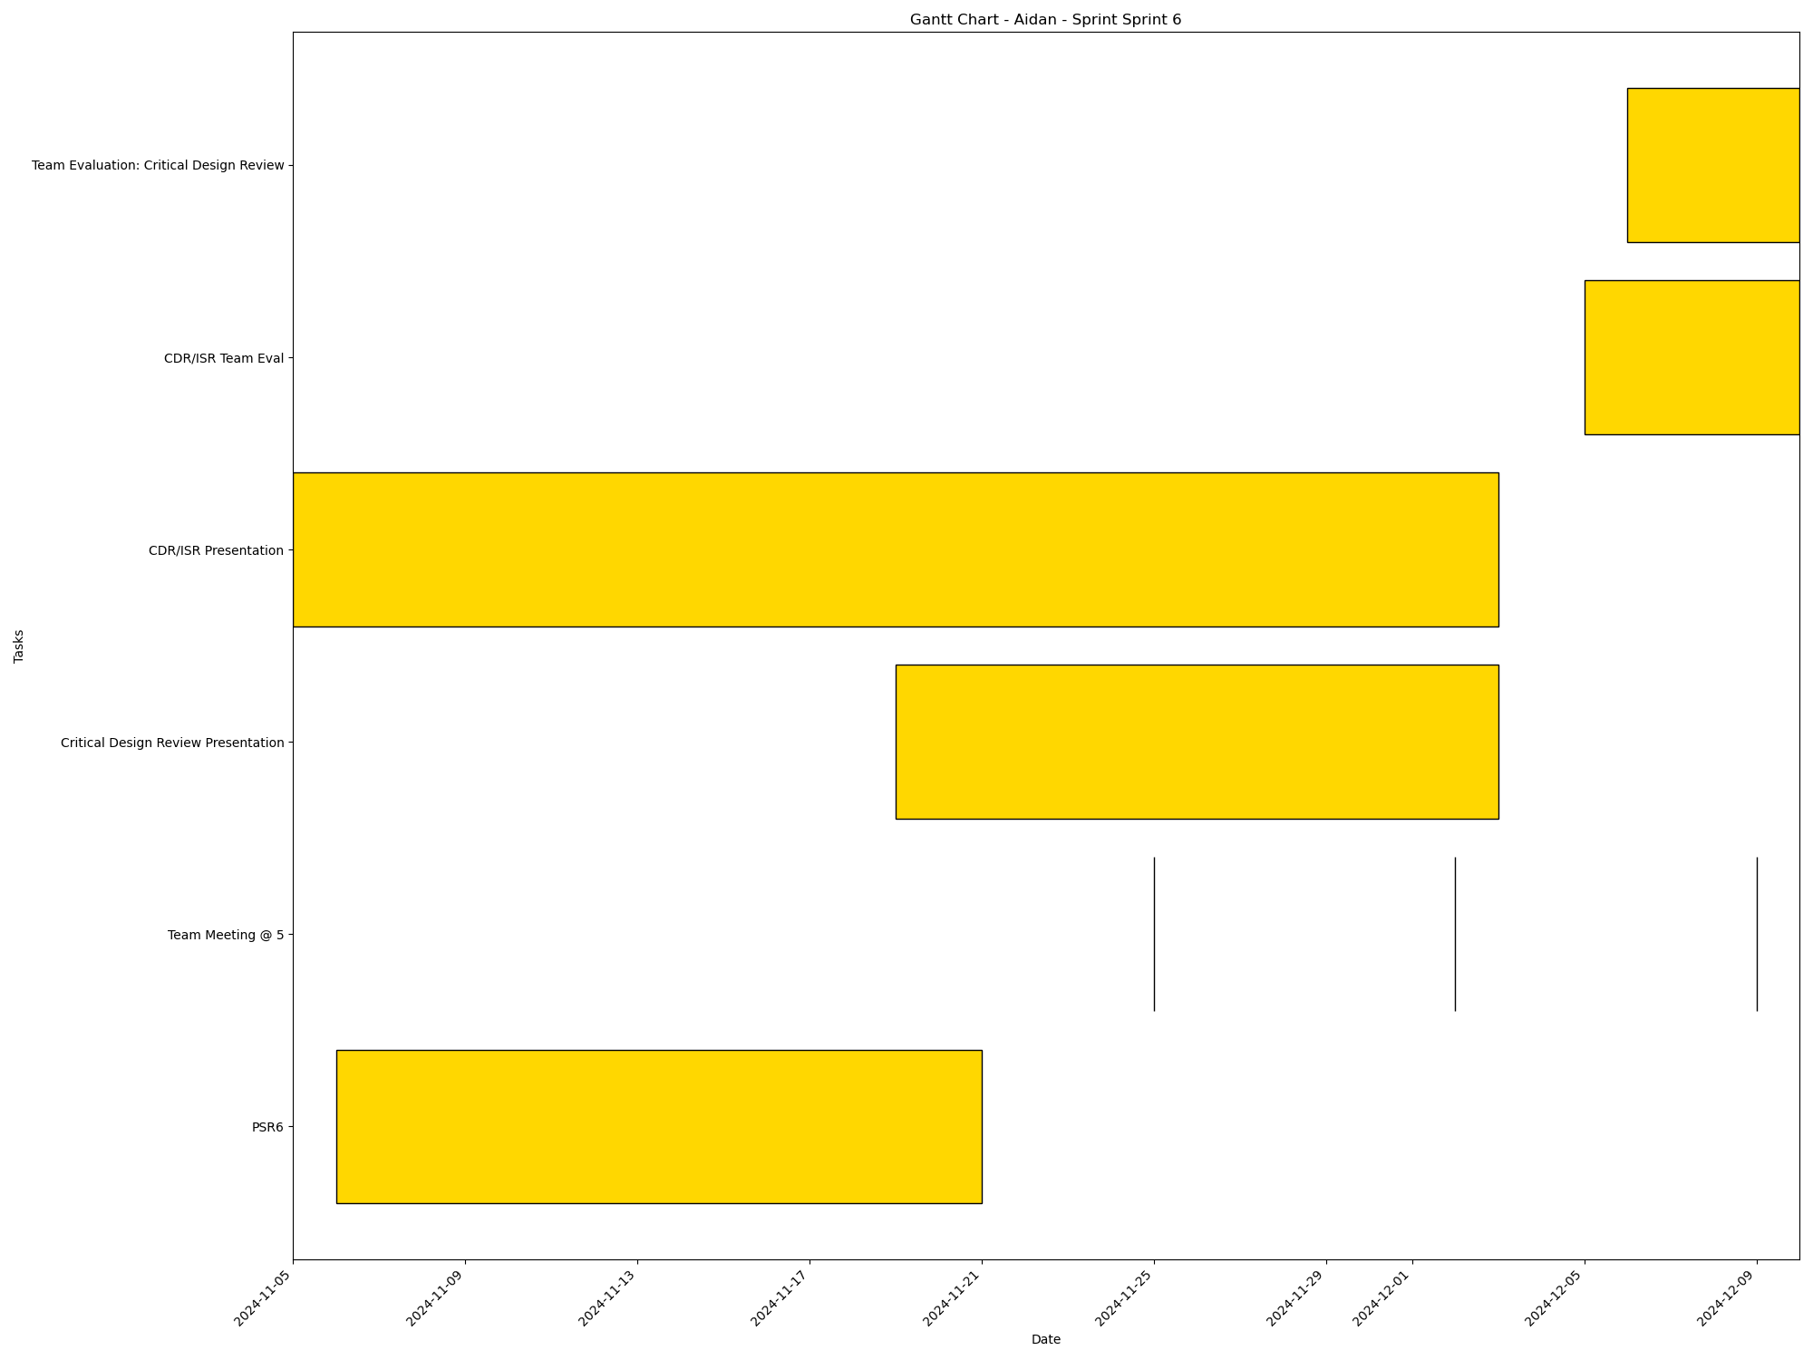
Task | Assignees | Start date | End date | Sprint | Status | Hours Completed | Corrective Action
PSR6 | Aidan, Carly, Diego, John, Matthew, Amber | 2024-11-06 | 2024-11-21 | Sprint 6 | Todo
Team Meeting @ 5 | Aidan, Carly, Diego, John, Matthew, Amber | 2024-11-25 | 2024-11-25 | Sprint 6 | Todo | 1
Team Meeting @ 5 | Aidan, Carly, Diego, John, Matthew, Amber | 2024-12-02 | 2024-12-02 | Sprint 6 | Todo | 1
Critical Design Review Presentation | Aidan, Carly, Diego, John, Matthew, Amber | 2024-11-19 | 2024-12-03 | Sprint 6 | Todo
CDR/ISR Presentation | Aidan, Carly, Diego, John, Matthew, Amber | 2024-11-05 | 2024-12-03 | Sprint 6 | Todo
Team Meeting @ 5 | Aidan, Carly, Diego, John, Matthew, Amber | 2024-12-09 | 2024-12-09 | Sprint 6 | Todo | 1
CDR/ISR Team Eval | Aidan, Carly, Diego, John, Matthew, Amber | 2024-12-05 | 2024-12-10 | Sprint 6 | Todo
Team Evaluation: Critical Design Review | Aidan, Carly, Diego, John, Matthew, Amber | 2024-12-06 | 2024-12-10 | Sprint 6 | Todo
 |  |  |  |  | Total Hours | 3

John_Sprint_Sprint 1

Task | Assignees | Start date | End date | Sprint | Status | Hours Completed | Corrective Action
Team Meeting @ 5 | Aidan, Carly, Diego, John, Matthew, Amber | 2024-09-02 | 2024-09-02 | Sprint 1 | Done | 1
 |  |  |  |  | Total Hours | 1

John_Sprint_Sprint 2
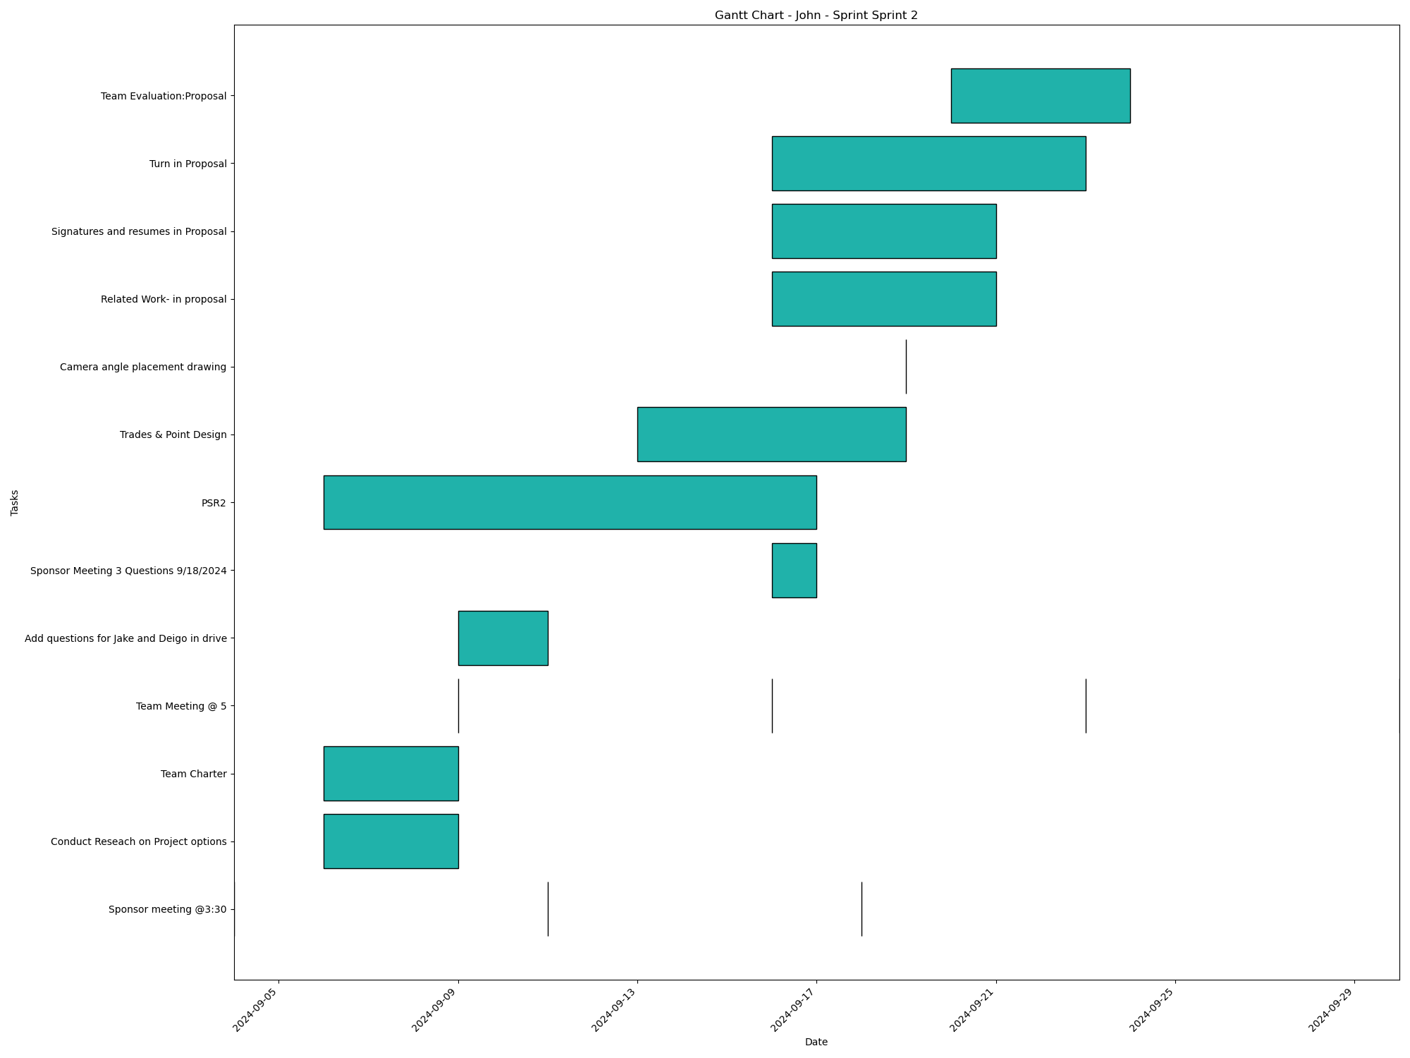
Task | Assignees | Start date | End date | Sprint | Status | Hours Completed | Corrective Action
Sponsor meeting @3:30 | Aidan, Carly, Diego, John, Matthew, Amber | 2024-09-04 | 2024-09-04 | Sprint 2 | Done | 0.5
Conduct Reseach on Project options | Aidan, Carly, Diego, John, Matthew, Amber | 2024-09-06 | 2024-09-09 | Sprint 2 | Done | 2
Team Charter | John, Amber | 2024-09-06 | 2024-09-09 | Sprint 2 | Done | 3
Team Meeting @ 5 | Aidan, Carly, Diego, John, Matthew, Amber | 2024-09-09 | 2024-09-09 | Sprint 2 | Done | 1
Sponsor meeting @3:30 | Aidan, Carly, Diego, John, Matthew, Amber | 2024-09-11 | 2024-09-11 | Sprint 2 | Done | 0.5
Add questions for Jake and Deigo in drive | Aidan, Carly, Diego, John, Matthew, Amber | 2024-09-09 | 2024-09-11 | Sprint 2 | Done | 1
Team Meeting @ 5 | Aidan, Carly, Diego, John, Matthew, Amber | 2024-09-16 | 2024-09-16 | Sprint 2 | Done | 1
Sponsor Meeting 3 Questions 9/18/2024 | Aidan, Carly, Diego, John, Matthew, Amber | 2024-09-16 | 2024-09-17 | Sprint 2 | Done | 0.5
PSR2 | Aidan, Carly, Diego, John, Matthew, Amber | 2024-09-06 | 2024-09-17 | Sprint 2 | Done | 2
Sponsor meeting @3:30 | Aidan, Carly, Diego, John, Matthew, Amber | 2024-09-18 | 2024-09-18 | Sprint 2 | Done | 0.5
Trades & Point Design | Aidan, Carly, Diego, John, Matthew, Amber | 2024-09-13 | 2024-09-19 | Sprint 2 | Done | 2
Camera angle placement drawing | Carly, John | 2024-09-19 | 2024-09-19 | Sprint 2 | Done | 1
Related Work- in proposal | John | 2024-09-16 | 2024-09-21 | Sprint 2 | Done | 2
Signatures and resumes in Proposal | Aidan, Carly, Diego, John, Matthew, Amber | 2024-09-16 | 2024-09-21 | Sprint 2 | Done | 0.5
Team Meeting @ 5 | Aidan, Carly, Diego, John, Matthew, Amber | 2024-09-23 | 2024-09-23 | Sprint 2 | Done | 1
Turn in Proposal | Carly, John, Matthew, Amber | 2024-09-16 | 2024-09-23 | Sprint 2 | Done | 0.25
Team Evaluation:Proposal | Aidan, Carly, Diego, John, Matthew, Amber | 2024-09-20 | 2024-09-24 | Sprint 2 | Done | 1.75
Team Meeting @ 5 | Aidan, Carly, Diego, John, Matthew, Amber | 2024-09-30 | 2024-09-30 | Sprint 2 | Done | 1
 |  |  |  |  | Total Hours | 21.5

John_Sprint_Sprint 3
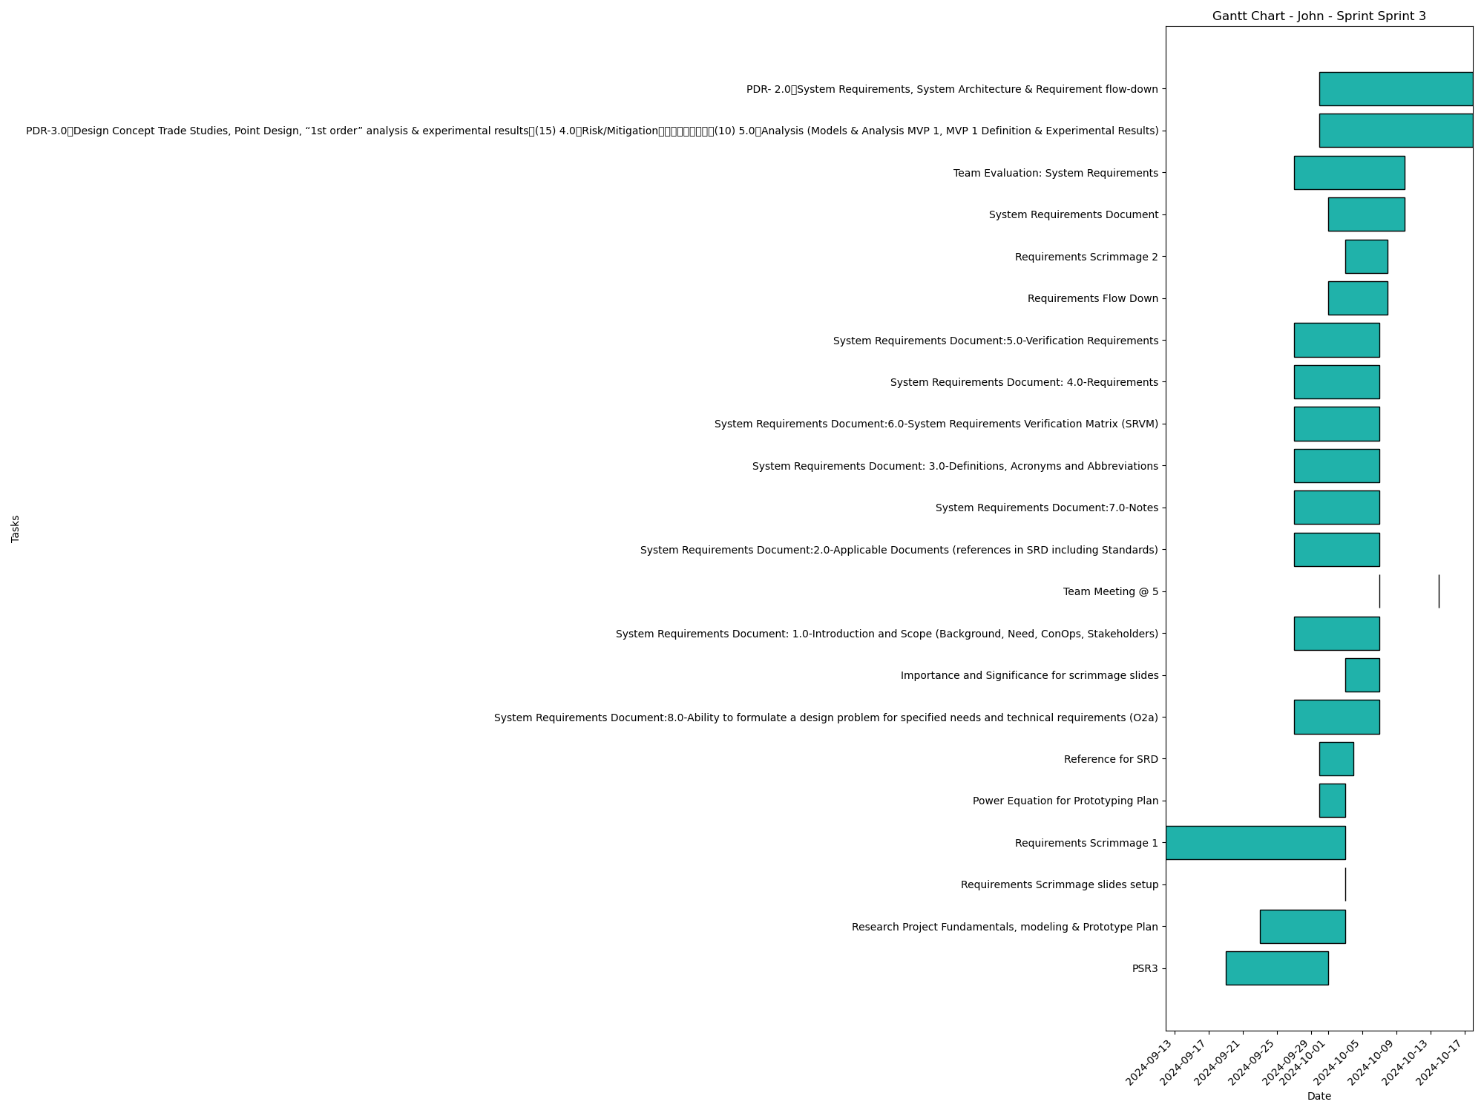
Task | Assignees | Start date | End date | Sprint | Status | Hours Completed | Corrective Action
PSR3 | Aidan, Carly, Diego, John, Matthew, Amber | 2024-09-19 | 2024-10-01 | Sprint 3 | Done | 1
Research Project Fundamentals, modeling & Prototype Plan | Aidan, Carly, Diego, John, Matthew, Amber | 2024-09-23 | 2024-10-03 | Sprint 3 | Done | 1.5
Requirements Scrimmage slides setup | John | 2024-10-03 | 2024-10-03 | Sprint 3 | Done | 1
Requirements Scrimmage 1 | Aidan, Carly, Diego, John, Matthew, Amber | 2024-09-12 | 2024-10-03 | Sprint 3 | Done | 0.5
Power Equation for Prototyping Plan | Carly, John | 2024-09-30 | 2024-10-03 | Sprint 3 | Done | 0.5
Reference for SRD | John | 2024-09-30 | 2024-10-04 | Sprint 3 | Done
System Requirements Document:8.0-Ability to formulate a design problem for specified needs and technical requirements (O2a) | Aidan, Carly, Diego, John, Matthew, Amber | 2024-09-27 | 2024-10-07 | Sprint 3 | Done
Importance and Significance for scrimmage slides | John | 2024-10-03 | 2024-10-07 | Sprint 3 | Done
System Requirements Document: 1.0-Introduction and Scope (Background, Need, ConOps, Stakeholders) | Aidan, Carly, Diego, John, Matthew, Amber | 2024-09-27 | 2024-10-07 | Sprint 3 | Done
Team Meeting @ 5 | Aidan, Carly, Diego, John, Matthew, Amber | 2024-10-07 | 2024-10-07 | Sprint 3 | Todo | 1
System Requirements Document:2.0-Applicable Documents (references in SRD including Standards) | Aidan, Carly, Diego, John, Matthew, Amber | 2024-09-27 | 2024-10-07 | Sprint 3 | Done
System Requirements Document:7.0-Notes | Aidan, Carly, Diego, John, Matthew, Amber | 2024-09-27 | 2024-10-07 | Sprint 3 | Done
System Requirements Document: 3.0-Definitions, Acronyms and Abbreviations | Aidan, Carly, Diego, John, Matthew, Amber | 2024-09-27 | 2024-10-07 | Sprint 3 | Done
System Requirements Document:6.0-System Requirements Verification Matrix (SRVM) | Aidan, Carly, Diego, John, Matthew, Amber | 2024-09-27 | 2024-10-07 | Sprint 3 | Done
System Requirements Document: 4.0-Requirements | Aidan, Carly, Diego, John, Matthew, Amber | 2024-09-27 | 2024-10-07 | Sprint 3 | Done
System Requirements Document:5.0-Verification Requirements | Aidan, Carly, Diego, John, Matthew, Amber | 2024-09-27 | 2024-10-07 | Sprint 3 | Done
Requirements Flow Down | Aidan, Carly, Diego, John, Matthew, Amber | 2024-10-01 | 2024-10-08 | Sprint 3 | Done | 1
Requirements Scrimmage 2 | Aidan, Carly, Diego, John, Matthew, Amber | 2024-10-03 | 2024-10-08 | Sprint 3 | Done | 1
System Requirements Document | Aidan, Carly, Diego, John, Matthew, Amber | 2024-10-01 | 2024-10-10 | Sprint 3 | Done | 2
Team Evaluation: System Requirements | Aidan, Carly, Diego, John, Matthew, Amber | 2024-09-27 | 2024-10-10 | Sprint 3 | Todo
Team Meeting @ 5 | Aidan, Carly, Diego, John, Matthew, Amber | 2024-10-14 | 2024-10-14 | Sprint 3 | Todo | 1
PDR-3.0 Design Concept Trade Studies, Point Design, “1st order” analysis & experimental results (15) 4.0 Risk/Mitigation (10) 5.0 Analysis (Models & Analysis MVP 1, MVP 1 Definition & Experimental Results) | Aidan, Carly, Diego, John, Matthew, Amber | 2024-09-30 | 2024-10-18 | Sprint 3 | Todo
PDR- 2.0 System Requirements, System Architecture & Requirement flow-down | Aidan, Carly, Diego, John, Matthew, Amber | 2024-09-30 | 2024-10-18 | Sprint 3 | Todo
 |  |  |  |  | Total Hours | 10.5

John_Sprint_Sprint 4
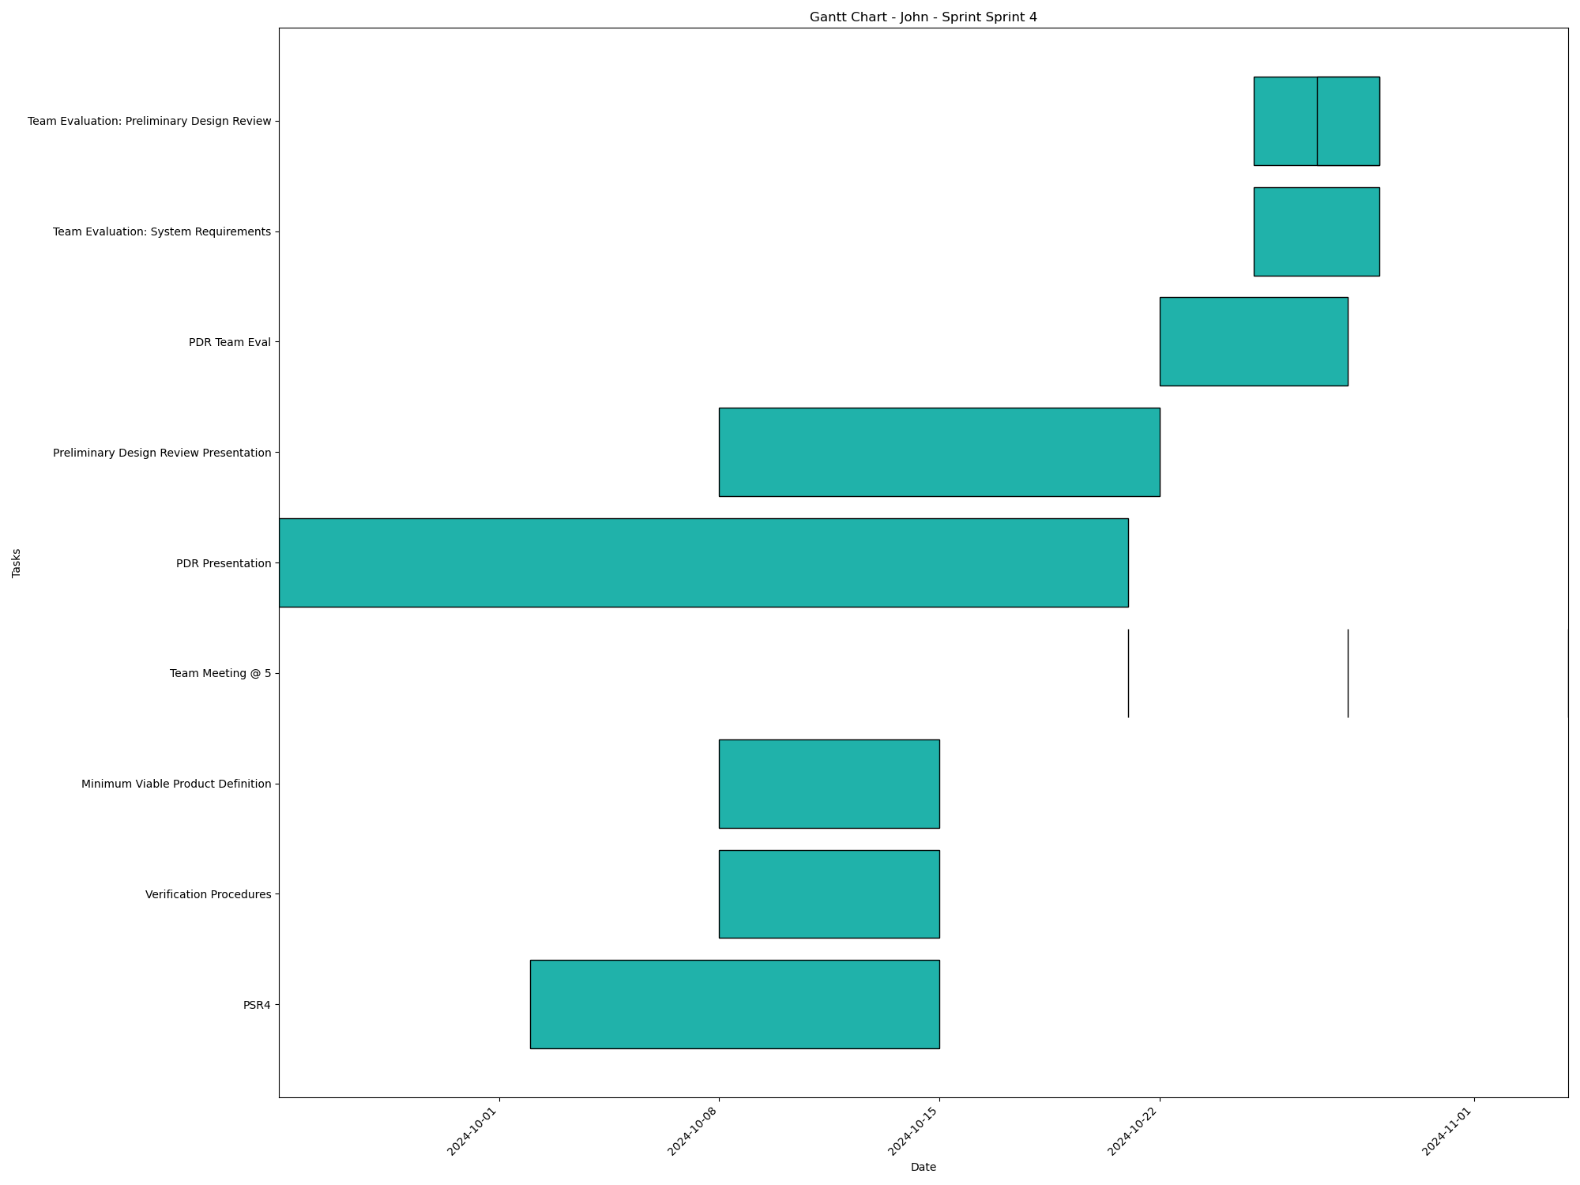
Task | Assignees | Start date | End date | Sprint | Status | Hours Completed | Corrective Action
PSR4 | Aidan, Carly, Diego, John, Matthew, Amber | 2024-10-02 | 2024-10-15 | Sprint 4 | In Progress
Verification Procedures | Aidan, Carly, Diego, John, Matthew, Amber | 2024-10-08 | 2024-10-15 | Sprint 4 | Todo
Minimum Viable Product Definition | Aidan, Carly, Diego, John, Matthew, Amber | 2024-10-08 | 2024-10-15 | Sprint 4 | In Progress
Team Meeting @ 5 | Aidan, Carly, Diego, John, Matthew, Amber | 2024-10-21 | 2024-10-21 | Sprint 4 | Todo | 1
PDR Presentation | Aidan, Carly, Diego, John, Matthew, Amber | 2024-09-24 | 2024-10-21 | Sprint 4 | In Progress
Preliminary Design Review Presentation | Aidan, Carly, Diego, John, Matthew, Amber | 2024-10-08 | 2024-10-22 | Sprint 4 | Todo
Team Meeting @ 5 | Aidan, Carly, Diego, John, Matthew, Amber | 2024-10-28 | 2024-10-28 | Sprint 4 | Todo | 1
PDR Team Eval | Aidan, Carly, Diego, John, Matthew, Amber | 2024-10-22 | 2024-10-28 | Sprint 4 | Todo
Team Evaluation: System Requirements | Aidan, Carly, Diego, John, Matthew, Amber | 2024-10-25 | 2024-10-29 | Sprint 4 | Todo
Team Evaluation: Preliminary Design Review | Aidan, Carly, Diego, John, Matthew, Amber | 2024-10-25 | 2024-10-29 | Sprint 4 | Todo
Team Evaluation: Preliminary Design Review | Aidan, Carly, Diego, John, Matthew, Amber | 2024-10-27 | 2024-10-29 | Sprint 4 | Todo
Team Meeting @ 5 | Aidan, Carly, Diego, John, Matthew, Amber | 2024-11-04 | 2024-11-04 | Sprint 4 | Todo | 1
 |  |  |  |  | Total Hours | 3

John_Sprint_Sprint 5
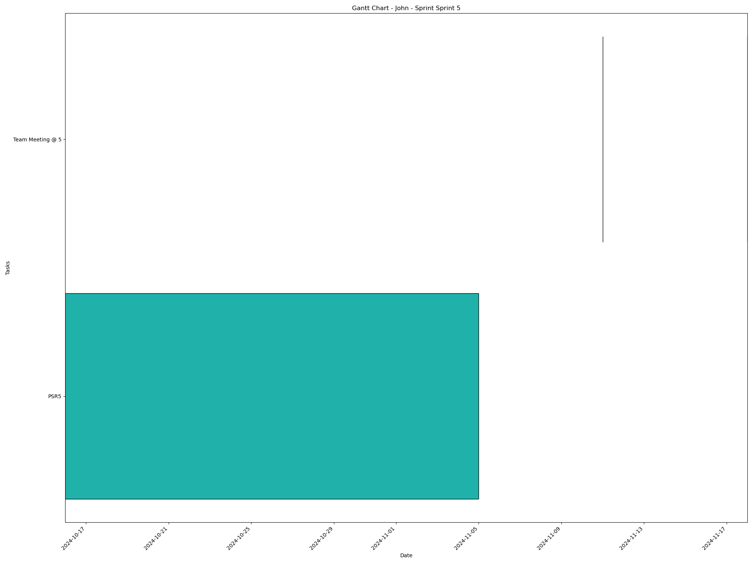
Task | Assignees | Start date | End date | Sprint | Status | Hours Completed | Corrective Action
PSR5 | Aidan, Carly, Diego, John, Matthew, Amber | 2024-10-16 | 2024-11-05 | Sprint 5 | Todo
Team Meeting @ 5 | Aidan, Carly, Diego, John, Matthew, Amber | 2024-11-11 | 2024-11-11 | Sprint 5 | Todo | 1
Team Meeting @ 5 | Aidan, Carly, Diego, John, Matthew, Amber | 2024-11-18 | 2024-11-18 | Sprint 5 | Todo | 1
 |  |  |  |  | Total Hours | 2

John_Sprint_Sprint 6
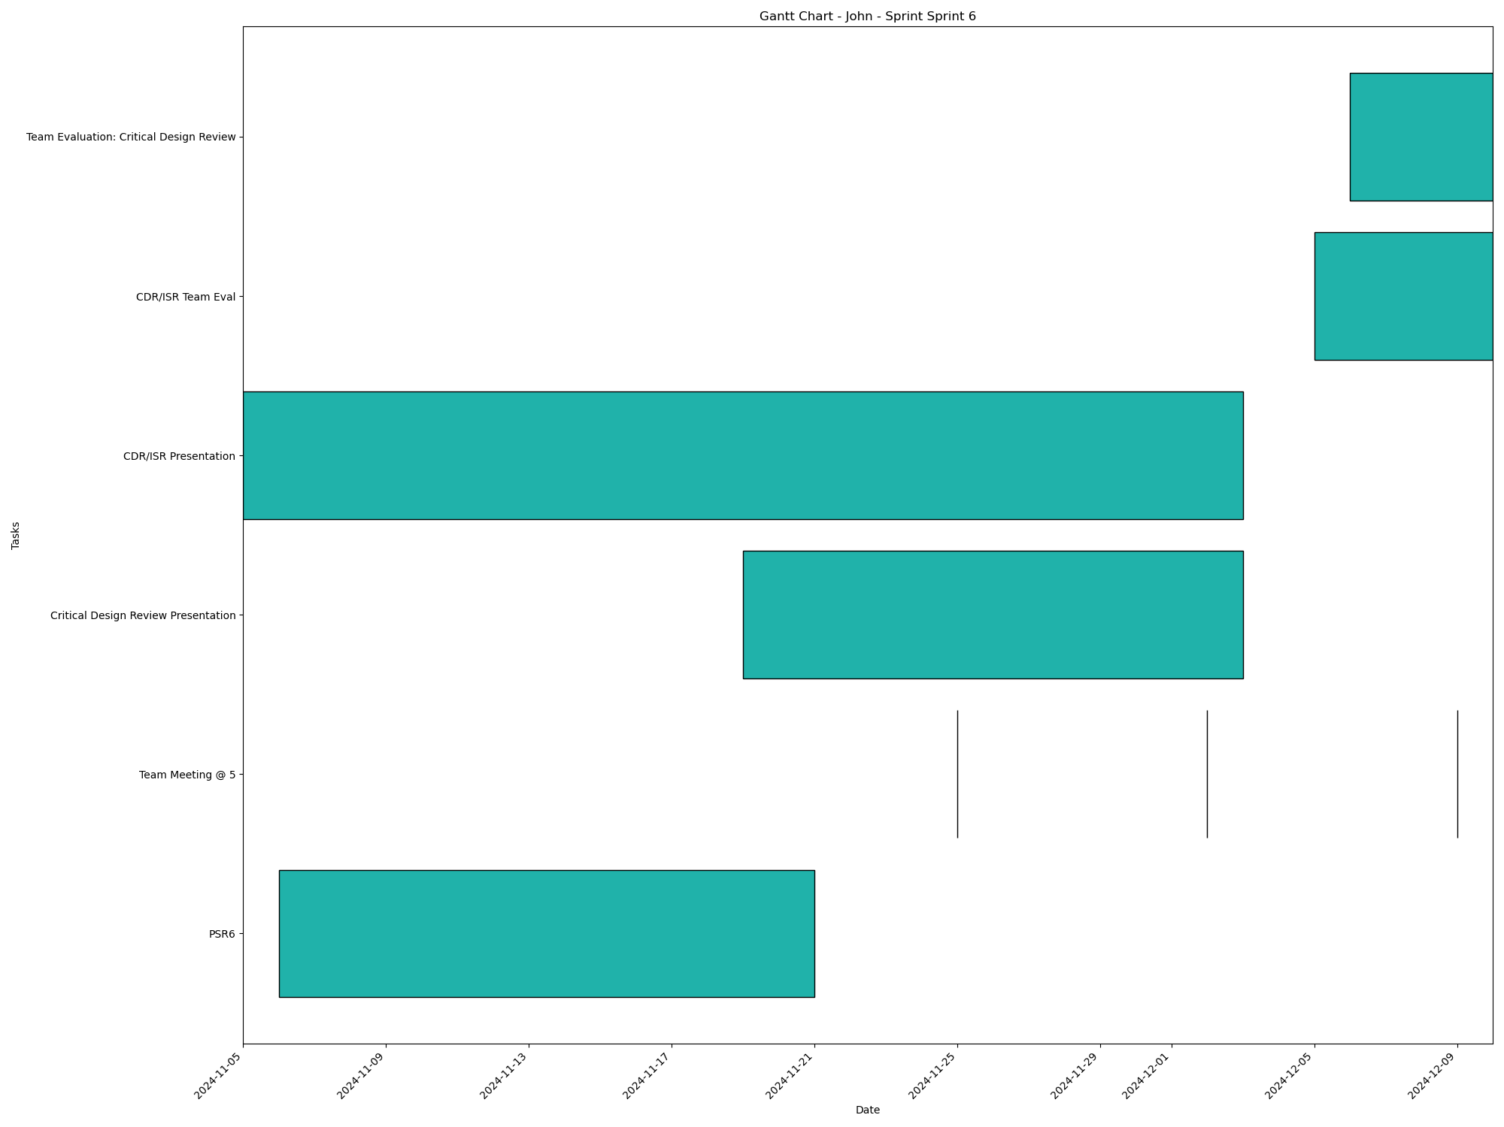
Task | Assignees | Start date | End date | Sprint | Status | Hours Completed | Corrective Action
PSR6 | Aidan, Carly, Diego, John, Matthew, Amber | 2024-11-06 | 2024-11-21 | Sprint 6 | Todo
Team Meeting @ 5 | Aidan, Carly, Diego, John, Matthew, Amber | 2024-11-25 | 2024-11-25 | Sprint 6 | Todo | 1
Team Meeting @ 5 | Aidan, Carly, Diego, John, Matthew, Amber | 2024-12-02 | 2024-12-02 | Sprint 6 | Todo | 1
Critical Design Review Presentation | Aidan, Carly, Diego, John, Matthew, Amber | 2024-11-19 | 2024-12-03 | Sprint 6 | Todo
CDR/ISR Presentation | Aidan, Carly, Diego, John, Matthew, Amber | 2024-11-05 | 2024-12-03 | Sprint 6 | Todo
Team Meeting @ 5 | Aidan, Carly, Diego, John, Matthew, Amber | 2024-12-09 | 2024-12-09 | Sprint 6 | Todo | 1
CDR/ISR Team Eval | Aidan, Carly, Diego, John, Matthew, Amber | 2024-12-05 | 2024-12-10 | Sprint 6 | Todo
Team Evaluation: Critical Design Review | Aidan, Carly, Diego, John, Matthew, Amber | 2024-12-06 | 2024-12-10 | Sprint 6 | Todo
 |  |  |  |  | Total Hours | 3

