Sprint Sprint 1

Task | Assignees | Start date | End date | Sprint | Status | Hours Completed | Corrective Action
Team Meeting @ 5 | Aidan, Carly, Diego, John, Matthew, Amber | 2024-09-02 | 2024-09-02 | Sprint 1 | Done | 1
 |  |  |  |  | Total Hours | 1

 |  |  |  |  | TODO Count | 0
 |  |  |  |  | In Progress Count | 0
 |  |  |  |  | Done Count | 1

Sprint Sprint 2
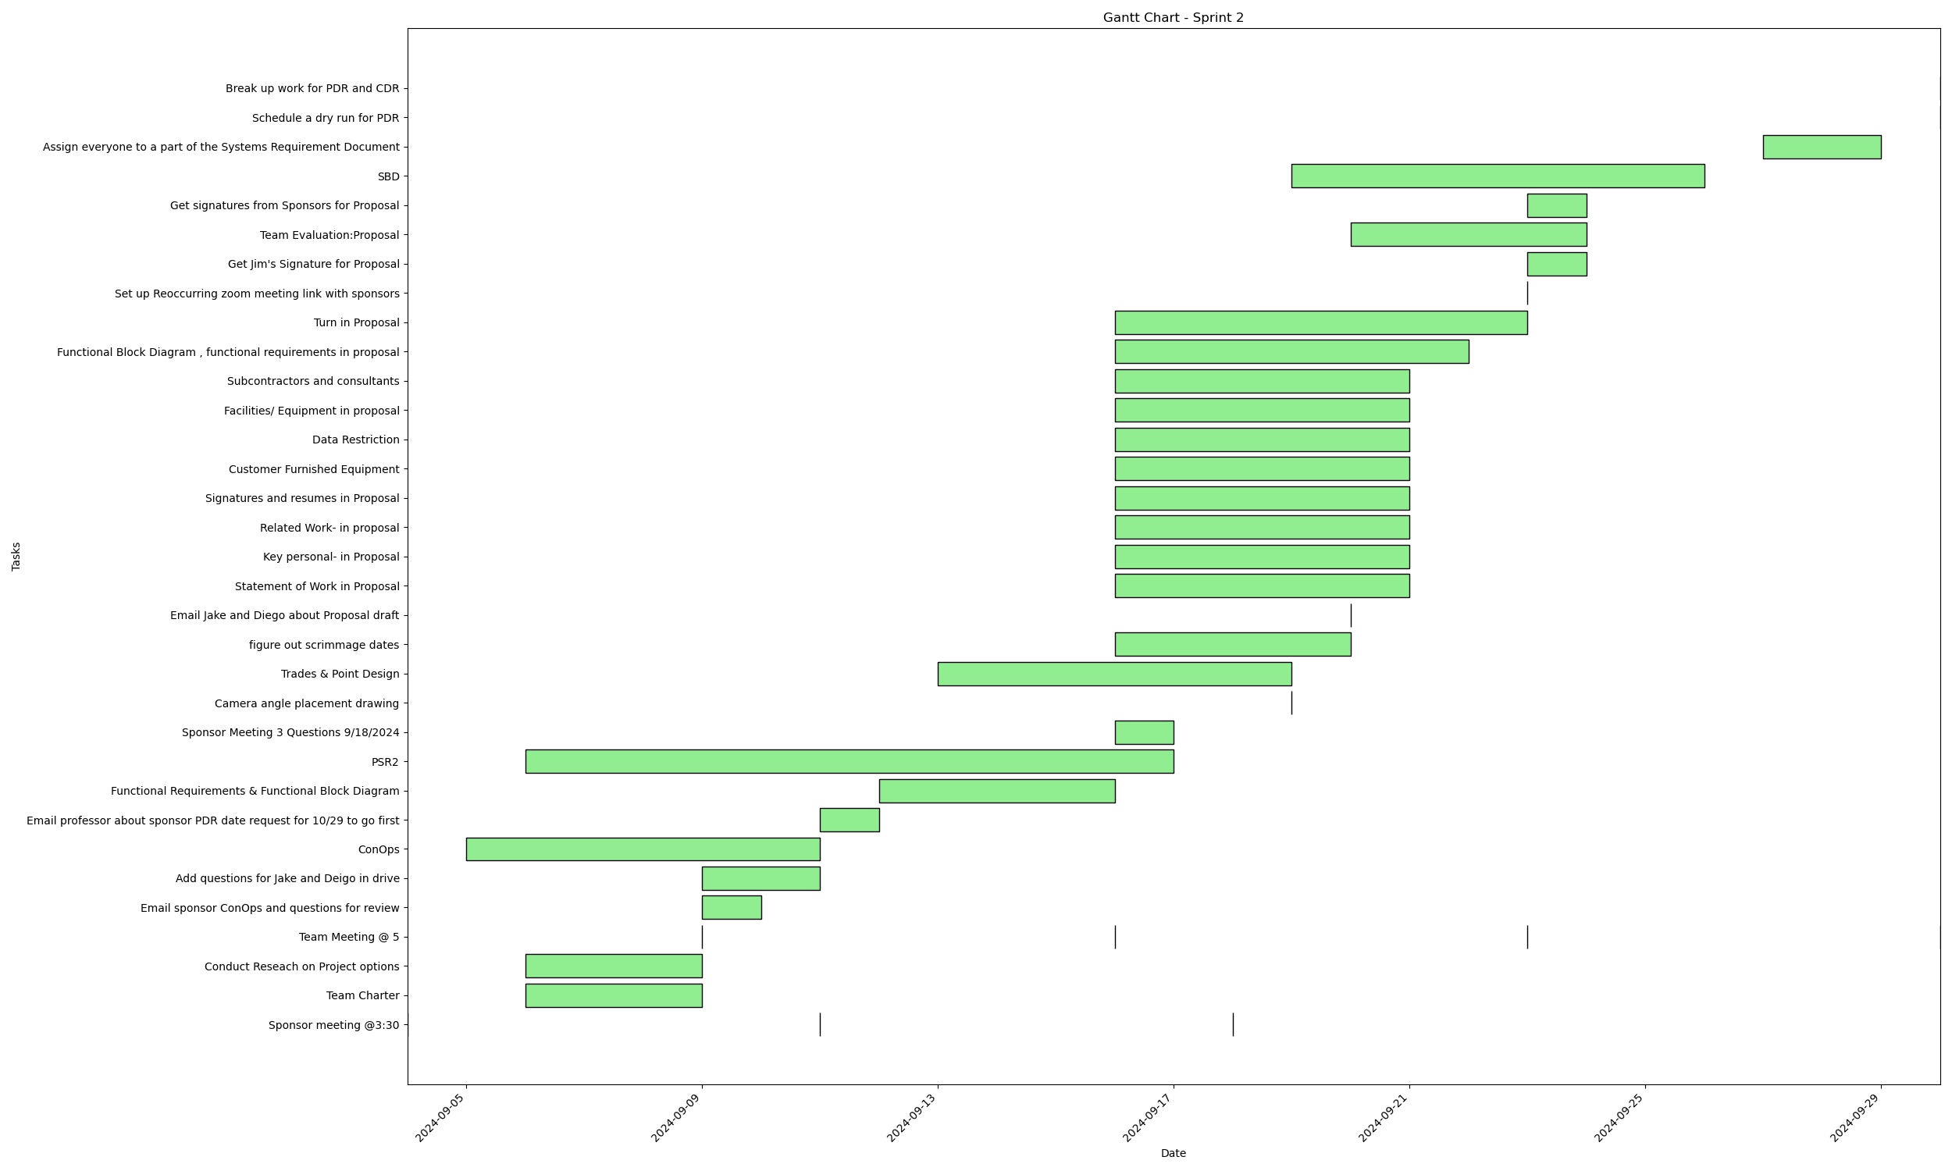
Task | Assignees | Start date | End date | Sprint | Status | Hours Completed | Corrective Action
Sponsor meeting @3:30 | Aidan, Carly, Diego, John, Matthew, Amber | 2024-09-04 | 2024-09-04 | Sprint 2 | Done | 0.5
Team Charter | John, Amber | 2024-09-06 | 2024-09-09 | Sprint 2 | Done | 3
Conduct Reseach on Project options | Aidan, Carly, Diego, John, Matthew, Amber | 2024-09-06 | 2024-09-09 | Sprint 2 | Done | 2
Team Meeting @ 5 | Aidan, Carly, Diego, John, Matthew, Amber | 2024-09-09 | 2024-09-09 | Sprint 2 | Done | 1
Email sponsor ConOps and questions for review | Amber | 2024-09-09 | 2024-09-10 | Sprint 2 | Done | 0.25
Add questions for Jake and Deigo in drive | Aidan, Carly, Diego, John, Matthew, Amber | 2024-09-09 | 2024-09-11 | Sprint 2 | Done | 1
ConOps | Diego, Amber | 2024-09-05 | 2024-09-11 | Sprint 2 | Done | 5
Sponsor meeting @3:30 | Aidan, Carly, Diego, John, Matthew, Amber | 2024-09-11 | 2024-09-11 | Sprint 2 | Done | 0.5
Email professor about sponsor PDR date request for 10/29 to go first | Amber | 2024-09-11 | 2024-09-12 | Sprint 2 | Done | 0.25
Functional Requirements & Functional Block Diagram | Aidan, Diego, Amber | 2024-09-12 | 2024-09-16 | Sprint 2 | Done | 3
Team Meeting @ 5 | Aidan, Carly, Diego, John, Matthew, Amber | 2024-09-16 | 2024-09-16 | Sprint 2 | Done | 1
PSR2 | Aidan, Carly, Diego, John, Matthew, Amber | 2024-09-06 | 2024-09-17 | Sprint 2 | Done | 2
Sponsor Meeting 3 Questions 9/18/2024 | Aidan, Carly, Diego, John, Matthew, Amber | 2024-09-16 | 2024-09-17 | Sprint 2 | Done | 0.5
Sponsor meeting @3:30 | Aidan, Carly, Diego, John, Matthew, Amber | 2024-09-18 | 2024-09-18 | Sprint 2 | Done | 0.5
Camera angle placement drawing | Carly, John | 2024-09-19 | 2024-09-19 | Sprint 2 | Done | 1
Trades & Point Design | Aidan, Carly, Diego, John, Matthew, Amber | 2024-09-13 | 2024-09-19 | Sprint 2 | Done | 2
figure out scrimmage dates | Aidan | 2024-09-16 | 2024-09-20 | Sprint 2 | Done | 0.25
Email Jake and Diego about Proposal draft | Amber | 2024-09-20 | 2024-09-20 | Sprint 2 | Done | 0.25
Statement of Work in Proposal | Amber | 2024-09-16 | 2024-09-21 | Sprint 2 | Done | 0.5
Key personal- in Proposal | Carly | 2024-09-16 | 2024-09-21 | Sprint 2 | Done | 0.5
Related Work- in proposal | John | 2024-09-16 | 2024-09-21 | Sprint 2 | Done | 1
Signatures and resumes in Proposal | Aidan, Carly, Diego, John, Matthew, Amber | 2024-09-16 | 2024-09-21 | Sprint 2 | Done | 0.5
Customer Furnished Equipment | Aidan | 2024-09-16 | 2024-09-21 | Sprint 2 | Done | 0.5
Data Restriction | Carly | 2024-09-16 | 2024-09-21 | Sprint 2 | Done | 0.25
Facilities/ Equipment in proposal | Aidan | 2024-09-16 | 2024-09-21 | Sprint 2 | Done | 0.5
Subcontractors and consultants | Matthew | 2024-09-16 | 2024-09-21 | Sprint 2 | Done | 0.25
Functional Block Diagram , functional requirements in proposal | Diego, Amber | 2024-09-16 | 2024-09-22 | Sprint 2 | Done | 3
Turn in Proposal | Carly, John, Matthew, Amber | 2024-09-16 | 2024-09-23 | Sprint 2 | Done | 0.25
Team Meeting @ 5 | Aidan, Carly, Diego, John, Matthew, Amber | 2024-09-23 | 2024-09-23 | Sprint 2 | Done | 1
Set up Reoccurring zoom meeting link with sponsors | Amber | 2024-09-23 | 2024-09-23 | Sprint 2 | Done | 0.25
Get Jim's Signature for Proposal | Amber | 2024-09-23 | 2024-09-24 | Sprint 2 | Done | 0.25
Team Evaluation:Proposal | Aidan, Carly, Diego, John, Matthew, Amber | 2024-09-20 | 2024-09-24 | Sprint 2 | Done | 1.75
Get signatures from Sponsors for Proposal | Amber | 2024-09-23 | 2024-09-24 | Sprint 2 | Done | 0.5
SBD | Carly | 2024-09-19 | 2024-09-26 | Sprint 2 | Done | 2.5
Assign everyone to a part of the Systems Requirement Document | Amber | 2024-09-27 | 2024-09-29 | Sprint 2 | Done | 0.5
Team Meeting @ 5 | Aidan, Carly, Diego, John, Matthew, Amber | 2024-09-30 | 2024-09-30 | Sprint 2 | Done | 1
Schedule a dry run for PDR | Amber | 2024-09-30 | 2024-09-30 | Sprint 2 | Done
Break up work for PDR and CDR | Amber | 2024-09-30 | 2024-09-30 | Sprint 2 | Done | 1
 |  |  |  |  | Total Hours | 40

 |  |  |  |  | TODO Count | 0
 |  |  |  |  | In Progress Count | 0
 |  |  |  |  | Done Count | 38

Sprint Sprint 3
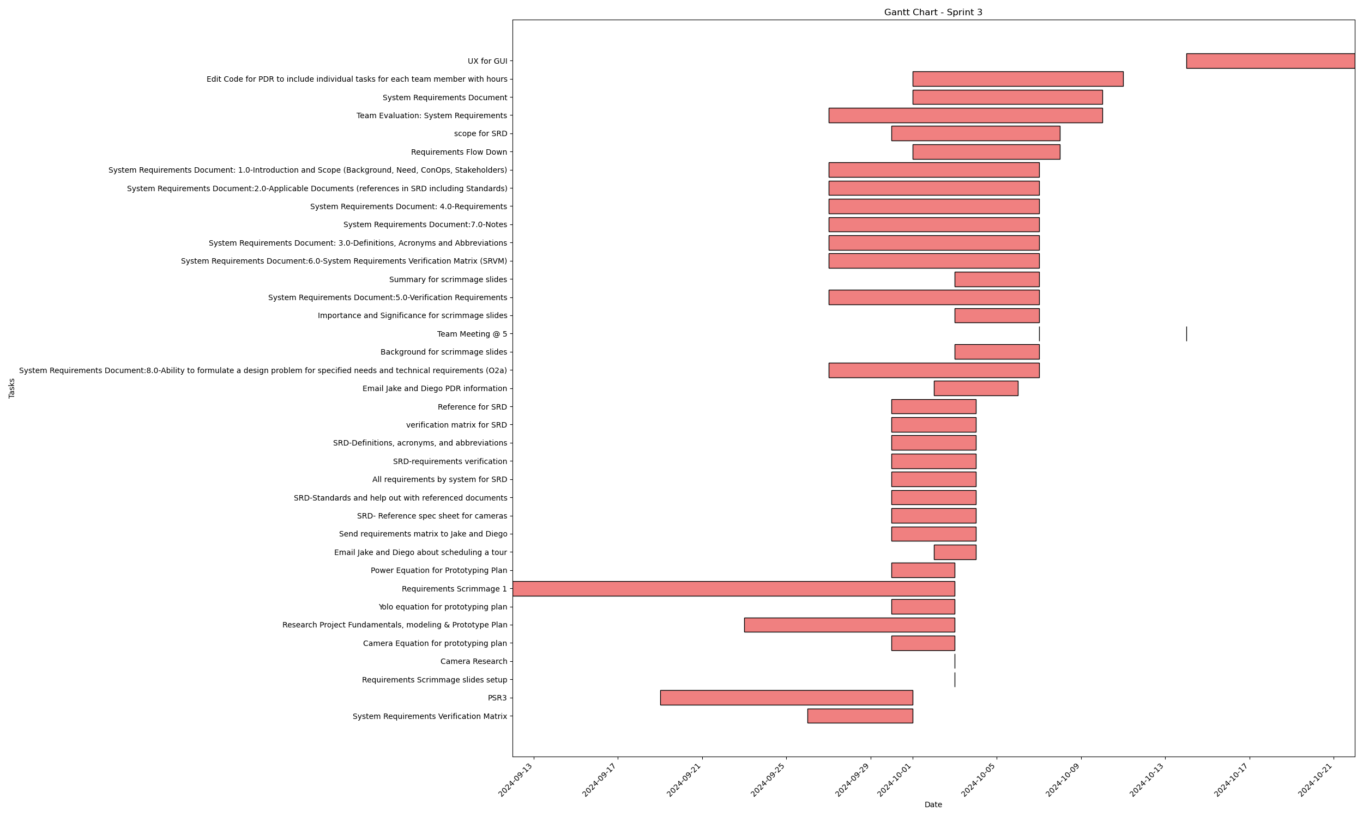
Task | Assignees | Start date | End date | Sprint | Status | Hours Completed | Corrective Action
System Requirements Verification Matrix | Diego | 2024-09-26 | 2024-10-01 | Sprint 3 | Done | 1
PSR3 | Aidan, Carly, Diego, John, Matthew, Amber | 2024-09-19 | 2024-10-01 | Sprint 3 | Done | 1.5
Requirements Scrimmage slides setup | John | 2024-10-03 | 2024-10-03 | Sprint 3 | Done | 1
Camera Research | Carly | 2024-10-03 | 2024-10-03 | Sprint 3 | Done | 1.5
Camera Equation for prototyping plan | Matthew | 2024-09-30 | 2024-10-03 | Sprint 3 | Done | 0.25
Research Project Fundamentals, modeling & Prototype Plan | Aidan, Carly, Diego, John, Matthew, Amber | 2024-09-23 | 2024-10-03 | Sprint 3 | Done | 1.5
Yolo equation for prototyping plan | Amber | 2024-09-30 | 2024-10-03 | Sprint 3 | Done | 0.25
Requirements Scrimmage 1 | Aidan, Carly, Diego, John, Matthew, Amber | 2024-09-12 | 2024-10-03 | Sprint 3 | Done | 2.5
Power Equation for Prototyping Plan | Carly, John | 2024-09-30 | 2024-10-03 | Sprint 3 | Done | 0.5
Email Jake and Diego about scheduling a tour | Amber | 2024-10-02 | 2024-10-04 | Sprint 3 | Done | 0.25
Send requirements matrix to Jake and Diego | Amber | 2024-09-30 | 2024-10-04 | Sprint 3 | Done | 0.25
SRD- Reference spec sheet for cameras | Matthew | 2024-09-30 | 2024-10-04 | Sprint 3 | Done | 0.5
SRD-Standards and help out with referenced documents | Matthew | 2024-09-30 | 2024-10-04 | Sprint 3 | Done | 1
All requirements by system for SRD | Diego, Amber | 2024-09-30 | 2024-10-04 | Sprint 3 | Done | 1.5
SRD-requirements verification | Carly | 2024-09-30 | 2024-10-04 | Sprint 3 | Done | 1
SRD-Definitions, acronyms, and abbreviations | Aidan | 2024-09-30 | 2024-10-04 | Sprint 3 | Done | 1
verification matrix for SRD | Carly, Diego | 2024-09-30 | 2024-10-04 | Sprint 3 | Done | 1
Reference for SRD | John | 2024-09-30 | 2024-10-04 | Sprint 3 | Done | 0.5
Email Jake and Diego PDR information | Amber | 2024-10-02 | 2024-10-06 | Sprint 3 | Done | 0.25
System Requirements Document:8.0-Ability to formulate a design problem for specified needs and technical requirements (O2a) | Aidan, Carly, Diego, John, Matthew, Amber | 2024-09-27 | 2024-10-07 | Sprint 3 | Done | 0.5
Background for scrimmage slides | Aidan | 2024-10-03 | 2024-10-07 | Sprint 3 | Done
Team Meeting @ 5 | Aidan, Carly, Diego, John, Matthew, Amber | 2024-10-07 | 2024-10-07 | Sprint 3 | Done | 1
Importance and Significance for scrimmage slides | John | 2024-10-03 | 2024-10-07 | Sprint 3 | Done | 1
System Requirements Document:5.0-Verification Requirements | Aidan, Carly, Diego, John, Matthew, Amber | 2024-09-27 | 2024-10-07 | Sprint 3 | Done | 0.5
Summary for scrimmage slides | Diego | 2024-10-03 | 2024-10-07 | Sprint 3 | Done | 1
System Requirements Document:6.0-System Requirements Verification Matrix (SRVM) | Aidan, Carly, Diego, John, Matthew, Amber | 2024-09-27 | 2024-10-07 | Sprint 3 | Done | 1
System Requirements Document: 3.0-Definitions, Acronyms and Abbreviations | Aidan, Carly, Diego, John, Matthew, Amber | 2024-09-27 | 2024-10-07 | Sprint 3 | Done | 0.25
System Requirements Document:7.0-Notes | Aidan, Carly, Diego, John, Matthew, Amber | 2024-09-27 | 2024-10-07 | Sprint 3 | Done | 0.5
System Requirements Document: 4.0-Requirements | Aidan, Carly, Diego, John, Matthew, Amber | 2024-09-27 | 2024-10-07 | Sprint 3 | Done | 1
System Requirements Document:2.0-Applicable Documents (references in SRD including Standards) | Aidan, Carly, Diego, John, Matthew, Amber | 2024-09-27 | 2024-10-07 | Sprint 3 | Done | 1
System Requirements Document: 1.0-Introduction and Scope (Background, Need, ConOps, Stakeholders) | Aidan, Carly, Diego, John, Matthew, Amber | 2024-09-27 | 2024-10-07 | Sprint 3 | Done | 1.5
Requirements Flow Down | Aidan, Carly, Diego, John, Matthew, Amber | 2024-10-01 | 2024-10-08 | Sprint 3 | Done | 2
scope for SRD | Amber | 2024-09-30 | 2024-10-08 | Sprint 3 | Done | 0.25
Team Evaluation: System Requirements | Aidan, Carly, Diego, John, Matthew, Amber | 2024-09-27 | 2024-10-10 | Sprint 3 | Done | 0.5
System Requirements Document | Aidan, Carly, Diego, John, Matthew, Amber | 2024-10-01 | 2024-10-10 | Sprint 3 | Done | 2
Edit Code for PDR to include individual tasks for each team member with hours | Amber | 2024-10-01 | 2024-10-11 | Sprint 3 | Done | 1
Team Meeting @ 5 | Aidan, Carly, Diego, John, Matthew, Amber | 2024-10-14 | 2024-10-14 | Sprint 3 | Done | 1
UX for GUI | Amber | 2024-10-14 | 2024-10-22 | Sprint 3 | Done | 1.5
 |  |  |  |  | Total Hours | 34.75

 |  |  |  |  | TODO Count | 0
 |  |  |  |  | In Progress Count | 0
 |  |  |  |  | Done Count | 38

Sprint Sprint 4
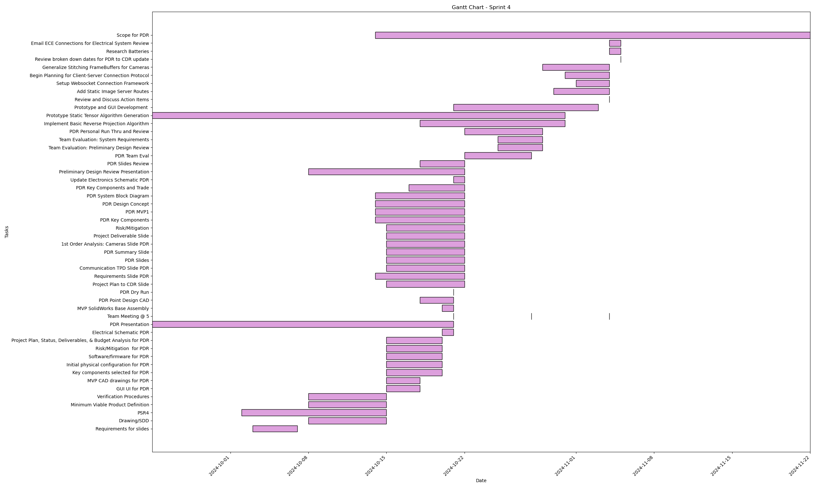
Task | Assignees | Start date | End date | Sprint | Status | Hours Completed | Corrective Action
Requirements for slides | Amber | 2024-10-03 | 2024-10-07 | Sprint 4 | Done | 0.5
Drawing/SDD | Matthew, Amber | 2024-10-08 | 2024-10-15 | Sprint 4 | Done | 1.5
PSR4 | Aidan, Carly, Diego, John, Matthew, Amber | 2024-10-02 | 2024-10-15 | Sprint 4 | Done | 4
Minimum Viable Product Definition | Aidan, Carly, Diego, John, Matthew, Amber | 2024-10-08 | 2024-10-15 | Sprint 4 | Done | 2
Verification Procedures | Aidan, Carly, Diego, John, Matthew, Amber | 2024-10-08 | 2024-10-15 | Sprint 4 | Done | 0.5
GUI UI for PDR | Amber | 2024-10-15 | 2024-10-18 | Sprint 4 | Done | 0.5
MVP CAD drawings for PDR | Carly | 2024-10-15 | 2024-10-18 | Sprint 4 | Done | 1
Key components selected for PDR | Aidan, Carly | 2024-10-15 | 2024-10-20 | Sprint 4 | Done | 1
Initial physical configuration for PDR | Aidan, Carly | 2024-10-15 | 2024-10-20 | Sprint 4 | Done | 1
Software/firmware for PDR | Matthew, Amber | 2024-10-15 | 2024-10-20 | Sprint 4 | Done | 2
Risk/Mitigation for PDR | Amber | 2024-10-15 | 2024-10-20 | Sprint 4 | Done | 1
Project Plan, Status, Deliverables, & Budget Analysis for PDR | Diego, Amber | 2024-10-15 | 2024-10-20 | Sprint 4 | Done | 1
Electrical Schematic PDR | John | 2024-10-20 | 2024-10-21 | Sprint 4 | Done | 1
PDR Presentation | Aidan, Carly, Diego, John, Matthew, Amber | 2024-09-24 | 2024-10-21 | Sprint 4 | Done | 2
Team Meeting @ 5 | Aidan, Carly, Diego, John, Matthew, Amber | 2024-10-21 | 2024-10-21 | Sprint 4 | Done | 1
MVP SolidWorks Base Assembly | John | 2024-10-20 | 2024-10-21 | Sprint 4 | Done | 5.5
PDR Point Design CAD | Aidan, Carly, John | 2024-10-18 | 2024-10-21 | Sprint 4 | Done | 10
PDR Dry Run | Aidan, Carly, Diego, John, Matthew, Amber | 2024-10-21 | 2024-10-21 | Sprint 4 | Done | 1
Project Plan to CDR Slide | Amber | 2024-10-15 | 2024-10-22 | Sprint 4 | Done | 1
Requirements Slide PDR | Amber | 2024-10-14 | 2024-10-22 | Sprint 4 | Done | 0.5
Communication TPD Slide PDR | Amber | 2024-10-15 | 2024-10-22 | Sprint 4 | Done | 0.5
PDR Slides | John | 2024-10-15 | 2024-10-22 | Sprint 4 | Done | 5.5
PDR Summary Slide | Amber | 2024-10-15 | 2024-10-22 | Sprint 4 | Done | 0.5
1st Order Analysis: Cameras Slide PDR | Carly, Amber | 2024-10-15 | 2024-10-22 | Sprint 4 | Done | 0.5
Project Deliverable Slide | Amber | 2024-10-15 | 2024-10-22 | Sprint 4 | Done | 1
Risk/Mitigation | Amber | 2024-10-15 | 2024-10-22 | Sprint 4 | Done | 1
PDR Key Components | Carly | 2024-10-14 | 2024-10-22 | Sprint 4 | Done | 2
PDR MVP1 | Carly | 2024-10-14 | 2024-10-22 | Sprint 4 | Done | 3
PDR Design Concept | Carly | 2024-10-14 | 2024-10-22 | Sprint 4 | Done | 4
PDR System Block Diagram | Carly | 2024-10-14 | 2024-10-22 | Sprint 4 | Done | 0.25
PDR Key Components and Trade | Carly | 2024-10-17 | 2024-10-22 | Sprint 4 | Done | 1
Update Electronics Schematic PDR | John | 2024-10-21 | 2024-10-22 | Sprint 4 | Done | 1
Preliminary Design Review Presentation | Aidan, Carly, Diego, John, Matthew, Amber | 2024-10-08 | 2024-10-22 | Sprint 4 | Done | 5
PDR Slides Review | Carly | 2024-10-18 | 2024-10-22 | Sprint 4 | Done | 5
Team Meeting @ 5 | Aidan, Carly, Diego, John, Matthew, Amber | 2024-10-28 | 2024-10-28 | Sprint 4 | Done | 1
PDR Team Eval | Aidan, Carly, Diego, John, Matthew, Amber | 2024-10-22 | 2024-10-28 | Sprint 4 | Done | 1
Team Evaluation: Preliminary Design Review | Aidan, Carly, Diego, John, Matthew, Amber | 2024-10-25 | 2024-10-29 | Sprint 4 | Done | 1
Team Evaluation: System Requirements | Aidan, Carly, Diego, John, Matthew, Amber | 2024-10-25 | 2024-10-29 | Sprint 4 | Done | 1
PDR Personal Run Thru and Review | John | 2024-10-22 | 2024-10-29 | Sprint 4 | Done | 3
Implement Basic Reverse Projection Algorithm | Matthew | 2024-10-18 | 2024-10-31 | Sprint 4 | Done | 20
Prototype Static Tensor Algorithm Generation | Matthew | 2024-09-24 | 2024-10-31 | Sprint 4 | Done | 40
Prototype and GUI Development | Matthew, Amber | 2024-10-21 | 2024-11-03 | Sprint 4 | Done | 2
Review and Discuss Action Items | John | 2024-11-04 | 2024-11-04 | Sprint 4 | Done | 0.5
Add Static Image Server Routes | Matthew | 2024-10-30 | 2024-11-04 | Sprint 4 | Done | 1
Setup Websocket Connection Framework | Matthew | 2024-11-01 | 2024-11-04 | Sprint 4 | Done | 1
Team Meeting @ 5 | Aidan, Carly, Diego, John, Matthew, Amber | 2024-11-04 | 2024-11-04 | Sprint 4 | Done | 1.5
Begin Planning for Client-Server Connection Protocol | Matthew | 2024-10-31 | 2024-11-04 | Sprint 4 | Done | 0.5
Generalize Stitching FrameBuffers for Cameras | Matthew | 2024-10-29 | 2024-11-04 | Sprint 4 | Done | 3
Review broken down dates for PDR to CDR update | Aidan, Carly, Diego, John, Matthew, Amber | 2024-11-05 | 2024-11-05 | Sprint 4 | Done | 1
Research Batteries | John | 2024-11-04 | 2024-11-05 | Sprint 4 | Done | 0.5
Email ECE Connections for Electrical System Review | John | 2024-11-04 | 2024-11-05 | Sprint 4 | Done | 0.5
Scope for PDR | Amber | 2024-10-14 | 2024-11-22 | Sprint 4 | Done | 0.25
 |  |  |  |  | Total Hours | 147

 |  |  |  |  | TODO Count | 0
 |  |  |  |  | In Progress Count | 0
 |  |  |  |  | Done Count | 52

Sprint Sprint 6
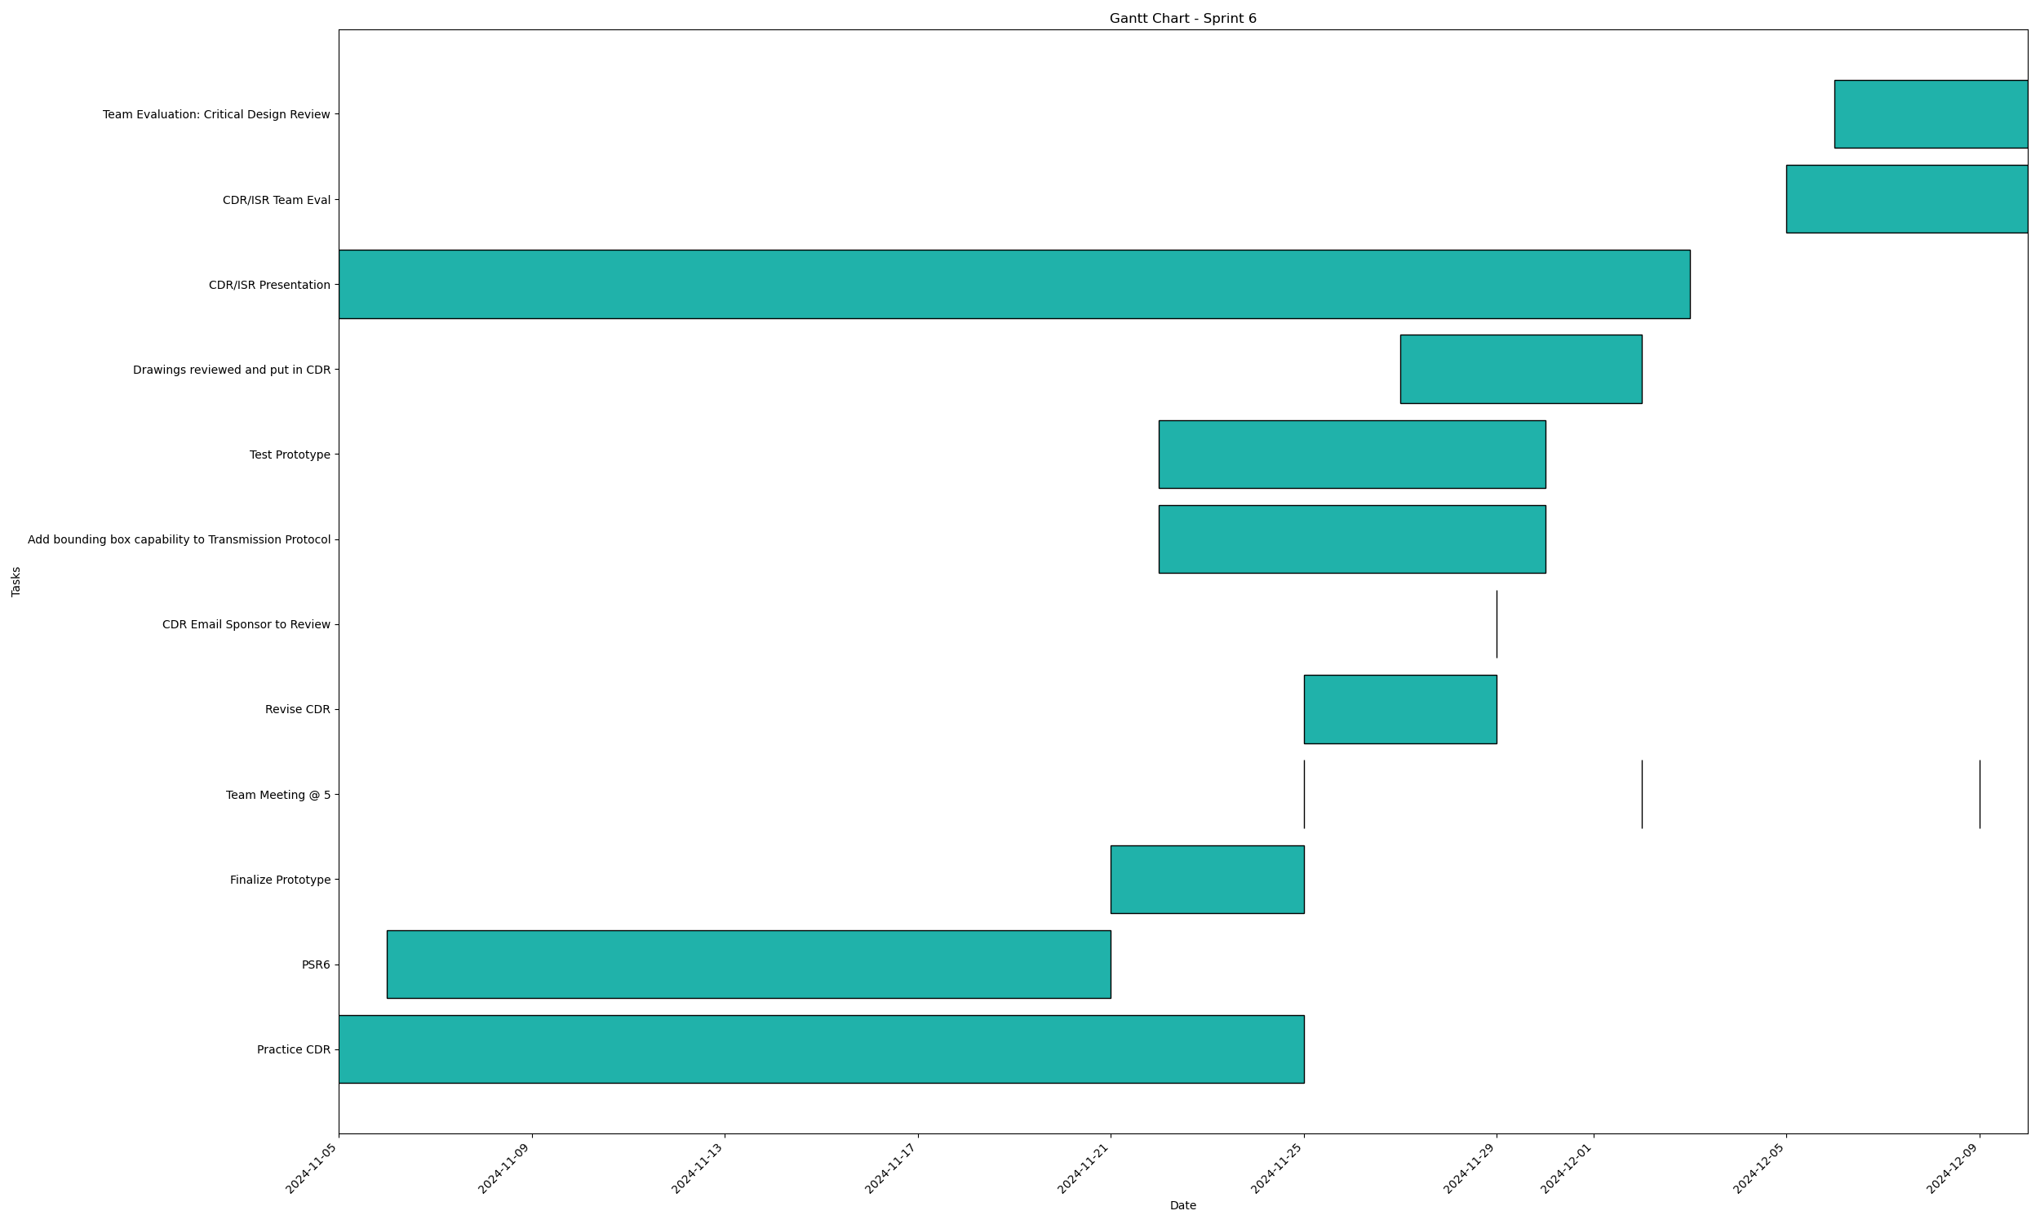
Task | Assignees | Start date | End date | Sprint | Status | Hours Completed | Corrective Action
Practice CDR | Aidan, Carly, Diego, John, Matthew, Amber | 2024-11-25 | 2024-10-28 | Sprint 6 | Done | 4
PSR6 | Amber | 2024-11-06 | 2024-11-21 | Sprint 6 | Done | 2
Finalize Prototype | Matthew, Amber | 2024-11-21 | 2024-11-25 | Sprint 6 | Done | 8
Team Meeting @ 5 | Aidan, Carly, Diego, John, Matthew, Amber | 2024-11-25 | 2024-11-25 | Sprint 6 | Done | 1
Revise CDR | Aidan, Carly, Diego, John, Matthew, Amber | 2024-11-25 | 2024-11-29 | Sprint 6 | Done | 2
CDR Email Sponsor to Review | Amber | 2024-11-29 | 2024-11-29 | Sprint 6 | Done | 0.5
Add bounding box capability to Transmission Protocol | Matthew, Amber | 2024-11-22 | 2024-11-30 | Sprint 6 | Done | 3
Test Prototype | Matthew, Amber | 2024-11-22 | 2024-11-30 | Sprint 6 | Done | 23
Team Meeting @ 5 | Aidan, Carly, Diego, John, Matthew, Amber | 2024-12-02 | 2024-12-02 | Sprint 6 | Done | 1
Drawings reviewed and put in CDR | Aidan, Carly, John | 2024-11-27 | 2024-12-02 | Sprint 6 | Done | 4
CDR/ISR Presentation | Aidan, Carly, Diego, John, Matthew, Amber | 2024-11-05 | 2024-12-03 | Sprint 6 | Done | 2
Team Meeting @ 5 | Aidan, Carly, Diego, John, Matthew, Amber | 2024-12-09 | 2024-12-09 | Sprint 6 | Done | 1
CDR/ISR Team Eval | Aidan, Carly, Diego, John, Matthew, Amber | 2024-12-05 | 2024-12-10 | Sprint 6 | Done | 1
Team Evaluation: Critical Design Review | Aidan, Carly, Diego, John, Matthew, Amber | 2024-12-06 | 2024-12-10 | Sprint 6 | Done | 1
 |  |  |  |  | Total Hours | 53.5

 |  |  |  |  | TODO Count | 0
 |  |  |  |  | In Progress Count | 0
 |  |  |  |  | Done Count | 14

Sprint Sprint 5
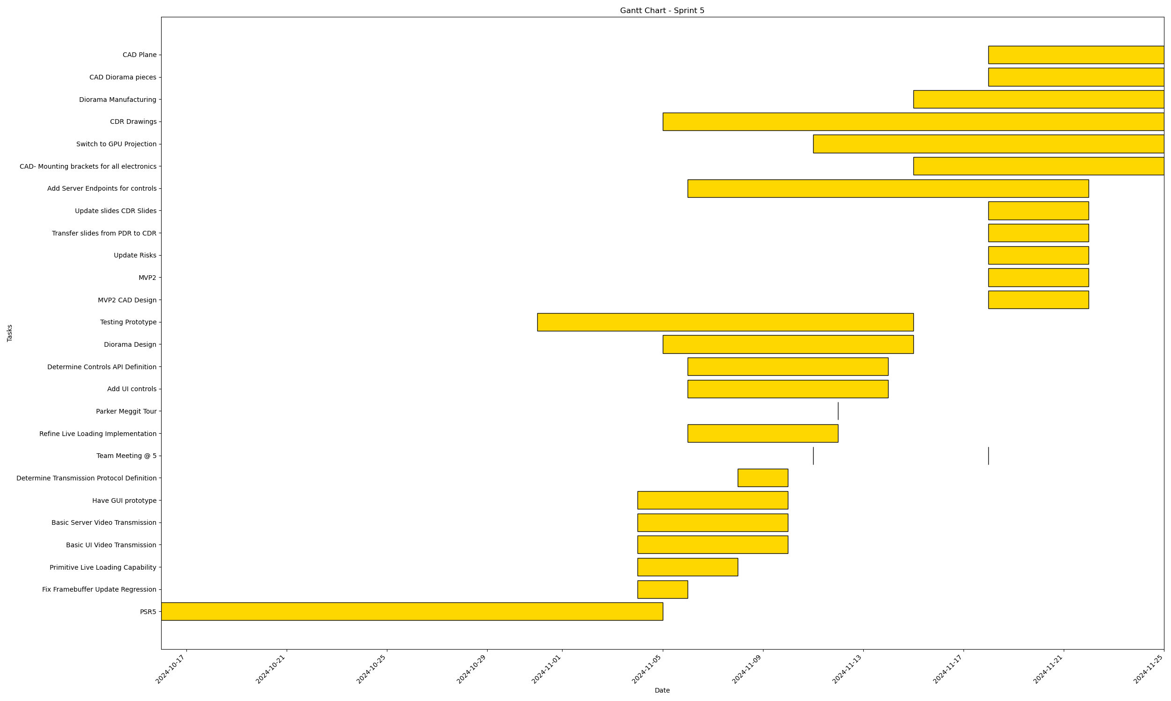
Task | Assignees | Start date | End date | Sprint | Status | Hours Completed | Corrective Action
PSR5 | Aidan, Carly, Diego, John, Matthew, Amber | 2024-10-16 | 2024-11-05 | Sprint 5 | Done | 2
Fix Framebuffer Update Regression | Matthew | 2024-11-04 | 2024-11-06 | Sprint 5 | Done | 3
Primitive Live Loading Capability | Matthew, Amber | 2024-11-04 | 2024-11-08 | Sprint 5 | Done | 4
Basic UI Video Transmission | Amber | 2024-11-04 | 2024-11-10 | Sprint 5 | Done | 2
Basic Server Video Transmission | Matthew | 2024-11-04 | 2024-11-10 | Sprint 5 | Done | 6
Have GUI prototype | Amber | 2024-11-04 | 2024-11-10 | Sprint 5 | Done | 4
Determine Transmission Protocol Definition | Matthew | 2024-11-08 | 2024-11-10 | Sprint 5 | Done | 2
Team Meeting @ 5 | Aidan, Carly, Diego, John, Matthew, Amber | 2024-11-11 | 2024-11-11 | Sprint 5 | Done | 1.5
Refine Live Loading Implementation | Matthew | 2024-11-06 | 2024-11-12 | Sprint 5 | Done | 15
Parker Meggit Tour | Aidan, Diego, Matthew, Amber | 2024-11-12 | 2024-11-12 | Sprint 5 | Done | 1
Add UI controls | Amber | 2024-11-06 | 2024-11-14 | Sprint 5 | Done | 2
Determine Controls API Definition | Matthew, Amber | 2024-11-06 | 2024-11-14 | Sprint 5 | Done | 1
Diorama Design | Carly, John | 2024-11-05 | 2024-11-15 | Sprint 5 | Done | 4
Testing Prototype | Aidan, Carly, Diego, John, Matthew, Amber | 2024-10-31 | 2024-11-15 | Sprint 5 | Done | 2
Team Meeting @ 5 | Aidan, Carly, Diego, John, Matthew, Amber | 2024-11-18 | 2024-11-18 | Sprint 5 | Done | 1
MVP2 CAD Design | Aidan, Carly, John | 2024-11-18 | 2024-11-22 | Sprint 5 | Done | 12
MVP2 | Aidan, Carly, Diego, John, Matthew, Amber | 2024-11-18 | 2024-11-22 | Sprint 5 | Done | 15
Update Risks | Amber | 2024-11-18 | 2024-11-22 | Sprint 5 | Done | 1
Transfer slides from PDR to CDR | Diego, Amber | 2024-11-18 | 2024-11-22 | Sprint 5 | Done | 5
Update slides CDR Slides | Diego, Amber | 2024-11-18 | 2024-11-22 | Sprint 5 | Done | 5
Add Server Endpoints for controls | Matthew | 2024-11-06 | 2024-11-22 | Sprint 5 | Done | 5
CAD- Mounting brackets for all electronics | Carly | 2024-11-15 | 2024-11-25 | Sprint 5 | Done | 10
Switch to GPU Projection | Matthew | 2024-11-11 | 2024-11-25 | Sprint 5 | Done | 7
CDR Drawings | Aidan, Carly, John | 2024-11-05 | 2024-11-25 | Sprint 5 | Done
Diorama Manufacturing | Carly, John | 2024-11-15 | 2024-11-25 | Sprint 5 | Done
CAD Diorama pieces | John | 2024-11-18 | 2024-11-25 | Sprint 5 | Done | 10
CAD Plane | Aidan | 2024-11-18 | 2024-11-25 | Sprint 5 | Done | 10
 |  |  |  |  | Total Hours | 130.5

 |  |  |  |  | TODO Count | 0
 |  |  |  |  | In Progress Count | 0
 |  |  |  |  | Done Count | 27

Sprint Sprint 10
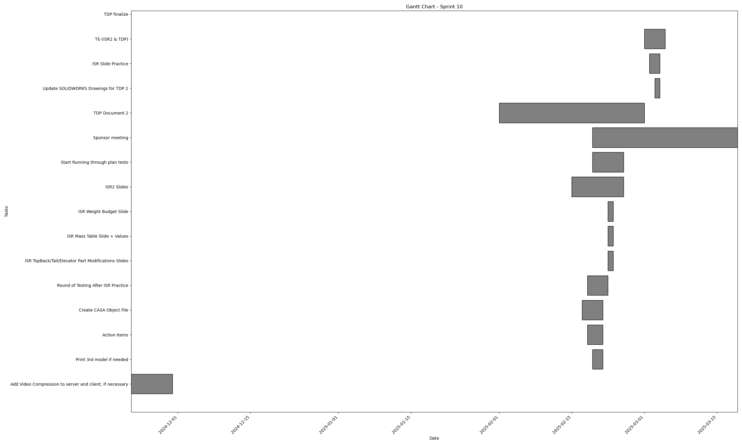
Task | Assignees | Start date | End date | Sprint | Status | Hours Completed | Corrective Action
Add Video Compression to server and client, if necessary | Matthew, Amber | 2024-11-22 | 2024-11-30 | Sprint 10 | Done | 2
Print 3rd model if needed | Aidan, Carly, John | 2025-02-19 | 2025-02-21 | Sprint 10 | Todo | 3
Action Items | Diego, Amber | 2025-02-18 | 2025-02-21 | Sprint 10 | Done | 5
Create CASA Object File | John | 2025-02-17 | 2025-02-21 | Sprint 10 | Done | 0.5
Round of Testing After ISR Practice | Aidan, Carly, Diego, John, Matthew, Amber | 2025-02-18 | 2025-02-22 | Sprint 10 | Done | 4
ISR TopBack/Tail/Elevator Part Modifications Slides | John | 2025-02-22 | 2025-02-23 | Sprint 10 | Done | 2.5
ISR Mass Table Slide + Values | John | 2025-02-22 | 2025-02-23 | Sprint 10 | Done | 1
ISR Weight Budget Slide | John | 2025-02-22 | 2025-02-23 | Sprint 10 | Done | 1
ISR2 Slides | Diego, Amber | 2025-02-15 | 2025-02-25 | Sprint 10 | Done | 5
Start Running through plan tests | Matthew, Amber | 2025-02-19 | 2025-02-25 | Sprint 10 | In Progress
Sponsor meeting | Aidan, Carly, Diego, John, Matthew, Amber | 2025-02-26 | 2025-02-26 | Sprint 10 | Done | 0.5
TDP Document 2 | Amber | 2025-02-01 | 2025-03-01 | Sprint 10 | Done | 5
Update SOLIDWORKS Drawings for TDP 2 | John | 2025-03-03 | 2025-03-04 | Sprint 10 | Done | 1.5
ISR Slide Practice | John | 2025-03-02 | 2025-03-04 | Sprint 10 | Done | 3.5
TE-(ISR2 & TDP) | Aidan, Carly, Diego, John, Matthew, Amber | 2025-03-01 | 2025-03-05 | Sprint 10 | Done | 1
Sponsor meeting | Aidan, Carly, Diego, John, Matthew, Amber | 2025-02-19 | 2025-03-19 | Sprint 10 | Done | 0.5
TDP finalize | Carly |  |  | Sprint 10 | Done | 2
ISR practice | Carly |  |  | Sprint 10 | Done | 5
Calibrate New Cameras/Plane | Matthew |  |  | Sprint 10 | In Progress | 4
Experiment with Auto Calibration Software | Matthew |  |  | Sprint 10 | In Progress | 5
Setup model rendering for the new plane | Matthew |  |  | Sprint 10 | Done | 3
Create masks for PlaneV2 | Matthew |  |  | Sprint 10 | Done | 2
Create more ergonomic config and world bounds | Matthew |  |  | Sprint 10 | Done | 5
 |  |  |  |  | Total Hours | 62

 |  |  |  |  | TODO Count | 1
 |  |  |  |  | In Progress Count | 3
 |  |  |  |  | Done Count | 19

Sprint Sprint 7
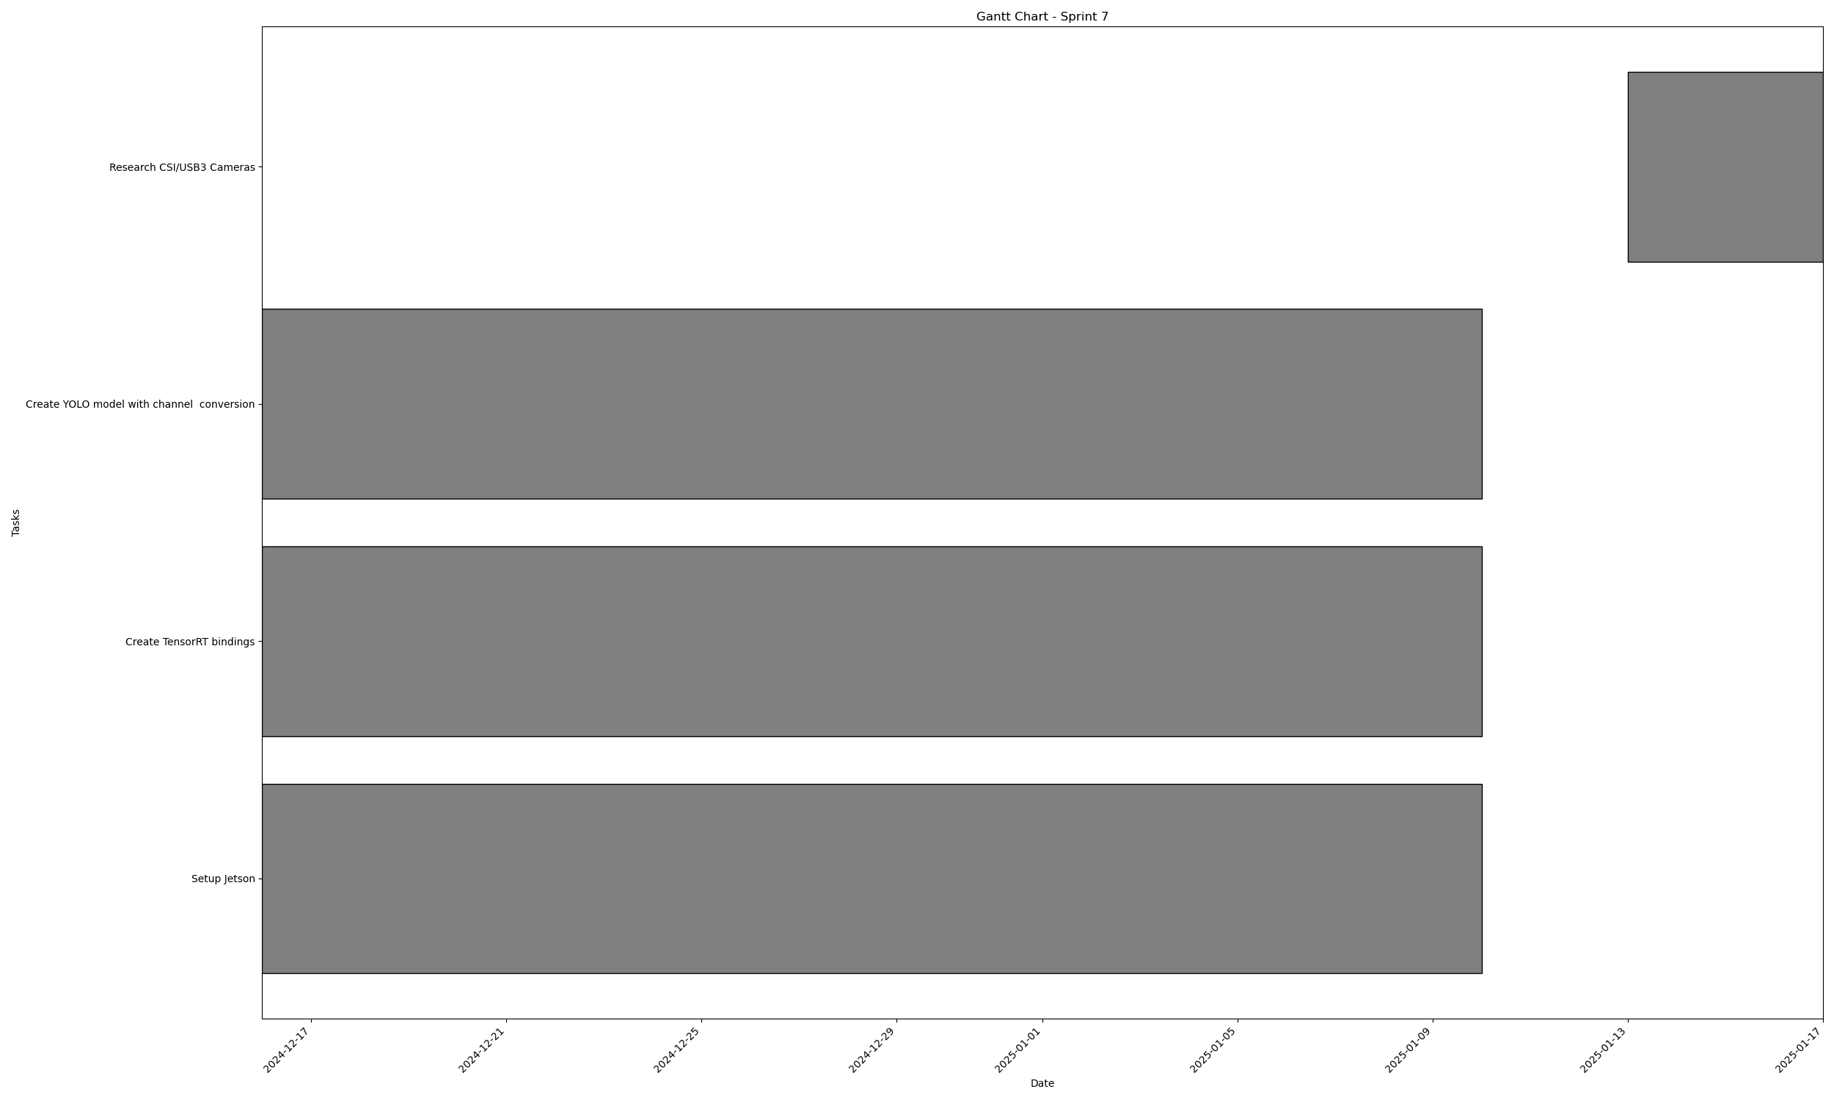
Task | Assignees | Start date | End date | Sprint | Status | Hours Completed | Corrective Action
Setup Jetson | Matthew | 2024-12-16 | 2025-01-10 | Sprint 7 | Done | 10
Create TensorRT bindings | Matthew | 2024-12-16 | 2025-01-10 | Sprint 7 | Done | 15
Create YOLO model with channel conversion | Matthew | 2024-12-16 | 2025-01-10 | Sprint 7 | Done | 3
Research CSI/USB3 Cameras | Aidan, Carly, Diego, John, Matthew, Amber | 2025-01-13 | 2025-01-17 | Sprint 7 | Done
 |  |  |  |  | Total Hours | 28

 |  |  |  |  | TODO Count | 0
 |  |  |  |  | In Progress Count | 0
 |  |  |  |  | Done Count | 4

Sprint Sprint 8
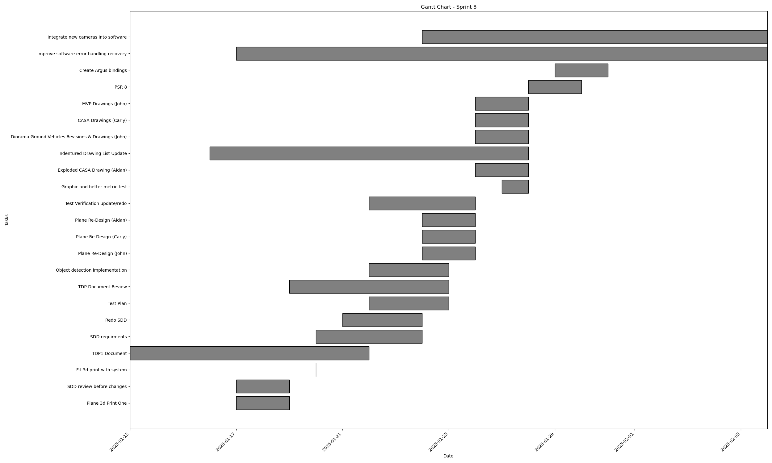
Task | Assignees | Start date | End date | Sprint | Status | Hours Completed | Corrective Action
Plane 3d Print One | Aidan, Carly | 2025-01-17 | 2025-01-19 | Sprint 8 | Done
SDD review before changes | Matthew, Amber | 2025-01-17 | 2025-01-19 | Sprint 8 | Done | 1
Fit 3d print with system | Matthew | 2025-01-20 | 2025-01-20 | Sprint 8 | Done | 1
TDP1 Document | Aidan, Carly, Diego, John, Matthew, Amber | 2025-01-13 | 2025-01-22 | Sprint 8 | Done | 6
SDD requirments | Amber | 2025-01-20 | 2025-01-24 | Sprint 8 | Done | 3
Redo SDD | Amber | 2025-01-21 | 2025-01-24 | Sprint 8 | Done | 7
Test Plan | Amber | 2025-01-22 | 2025-01-25 | Sprint 8 | Done | 3
TDP Document Review | Amber | 2025-01-19 | 2025-01-25 | Sprint 8 | Done | 3
Object detection implementation | Matthew, Amber | 2025-01-22 | 2025-01-25 | Sprint 8 | Done | 10
Plane Re-Design (John) | John | 2025-01-24 | 2025-01-26 | Sprint 8 | Done | 26
Plane Re-Design (Carly) | Carly | 2025-01-24 | 2025-01-26 | Sprint 8 | Done | 26
Plane Re-Design (Aidan) | Aidan | 2025-01-24 | 2025-01-26 | Sprint 8 | Done | 26
Test Verification update/redo | Amber | 2025-01-22 | 2025-01-26 | Sprint 8 | Done | 2
Graphic and better metric test | Amber | 2025-01-27 | 2025-01-28 | Sprint 8 | Done | 2
Exploded CASA Drawing (Aidan) | Aidan | 2025-01-26 | 2025-01-28 | Sprint 8 | Done | 1
Indentured Drawing List Update | Carly | 2025-01-16 | 2025-01-28 | Sprint 8 | Done | 1
Diorama Ground Vehicles Revisions & Drawings (John) | John | 2025-01-26 | 2025-01-28 | Sprint 8 | Done | 2
CASA Drawings (Carly) | Carly | 2025-01-26 | 2025-01-28 | Sprint 8 | Done | 4
MVP Drawings (John) | John | 2025-01-26 | 2025-01-28 | Sprint 8 | Done | 2
PSR 8 | Amber | 2025-01-28 | 2025-01-30 | Sprint 8 | Done | 2
Create Argus bindings | Matthew | 2025-01-29 | 2025-01-31 | Sprint 8 | Done | 6
Improve software error handling recovery | Matthew | 2025-01-17 | 2025-02-06 | Sprint 8 | Done | 2
Integrate new cameras into software | Matthew | 2025-01-24 | 2025-02-06 | Sprint 8 | Done | 10
 |  |  |  |  | Total Hours | 146

 |  |  |  |  | TODO Count | 0
 |  |  |  |  | In Progress Count | 0
 |  |  |  |  | Done Count | 23

Sprint Sprint 9
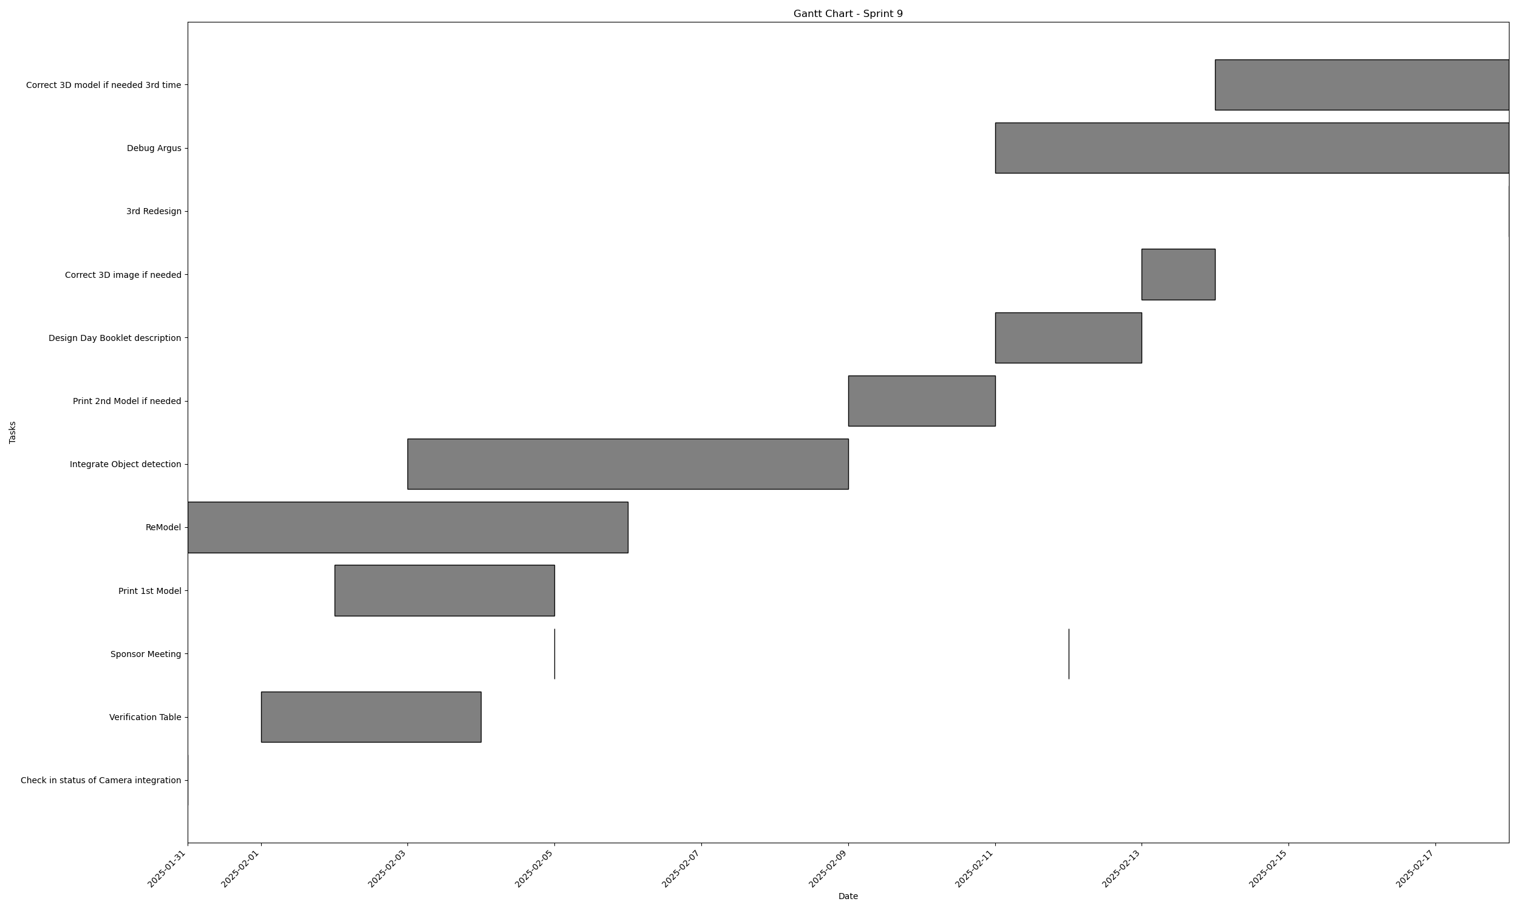
Task | Assignees | Start date | End date | Sprint | Status | Hours Completed | Corrective Action
Check in status of Camera integration | Matthew, Amber | 2025-01-31 | 2025-01-31 | Sprint 9 | Done | 0.5
Verification Table | Diego, Amber | 2025-02-01 | 2025-02-04 | Sprint 9 | Done | 2
Sponsor Meeting | Aidan, Carly, Diego, John, Matthew, Amber | 2025-02-05 | 2025-02-05 | Sprint 9 | Done | 1
Print 1st Model | Aidan, Carly, John | 2025-02-02 | 2025-02-05 | Sprint 9 | Done | 10
ReModel | Aidan, Carly, John | 2025-01-31 | 2025-02-06 | Sprint 9 | Done | 17
Integrate Object detection | Matthew | 2025-02-03 | 2025-02-09 | Sprint 9 | Done | 15
Print 2nd Model if needed | Aidan, Carly, John | 2025-02-09 | 2025-02-11 | Sprint 9 | Todo | 10
Sponsor Meeting | Aidan, Carly, Diego, John, Matthew, Amber | 2025-02-12 | 2025-02-12 | Sprint 9 | Done | 0.5
Design Day Booklet description | Diego, Amber | 2025-02-11 | 2025-02-13 | Sprint 9 | Done | 1.5
Correct 3D image if needed | Aidan, Carly, John | 2025-02-13 | 2025-02-14 | Sprint 9 | Todo | 4
3rd Redesign | Aidan, Carly, John | 2025-02-18 | 2025-02-18 | Sprint 9 | In Progress | 6
Debug Argus | Matthew | 2025-02-11 | 2025-02-18 | Sprint 9 | Done | 30
Correct 3D model if needed 3rd time | Aidan, Carly, John | 2025-02-14 | 2025-02-18 | Sprint 9 | Todo | 4
 |  |  |  |  | Total Hours | 101.5

 |  |  |  |  | TODO Count | 3
 |  |  |  |  | In Progress Count | 1
 |  |  |  |  | Done Count | 9

Sprint Sprint 11
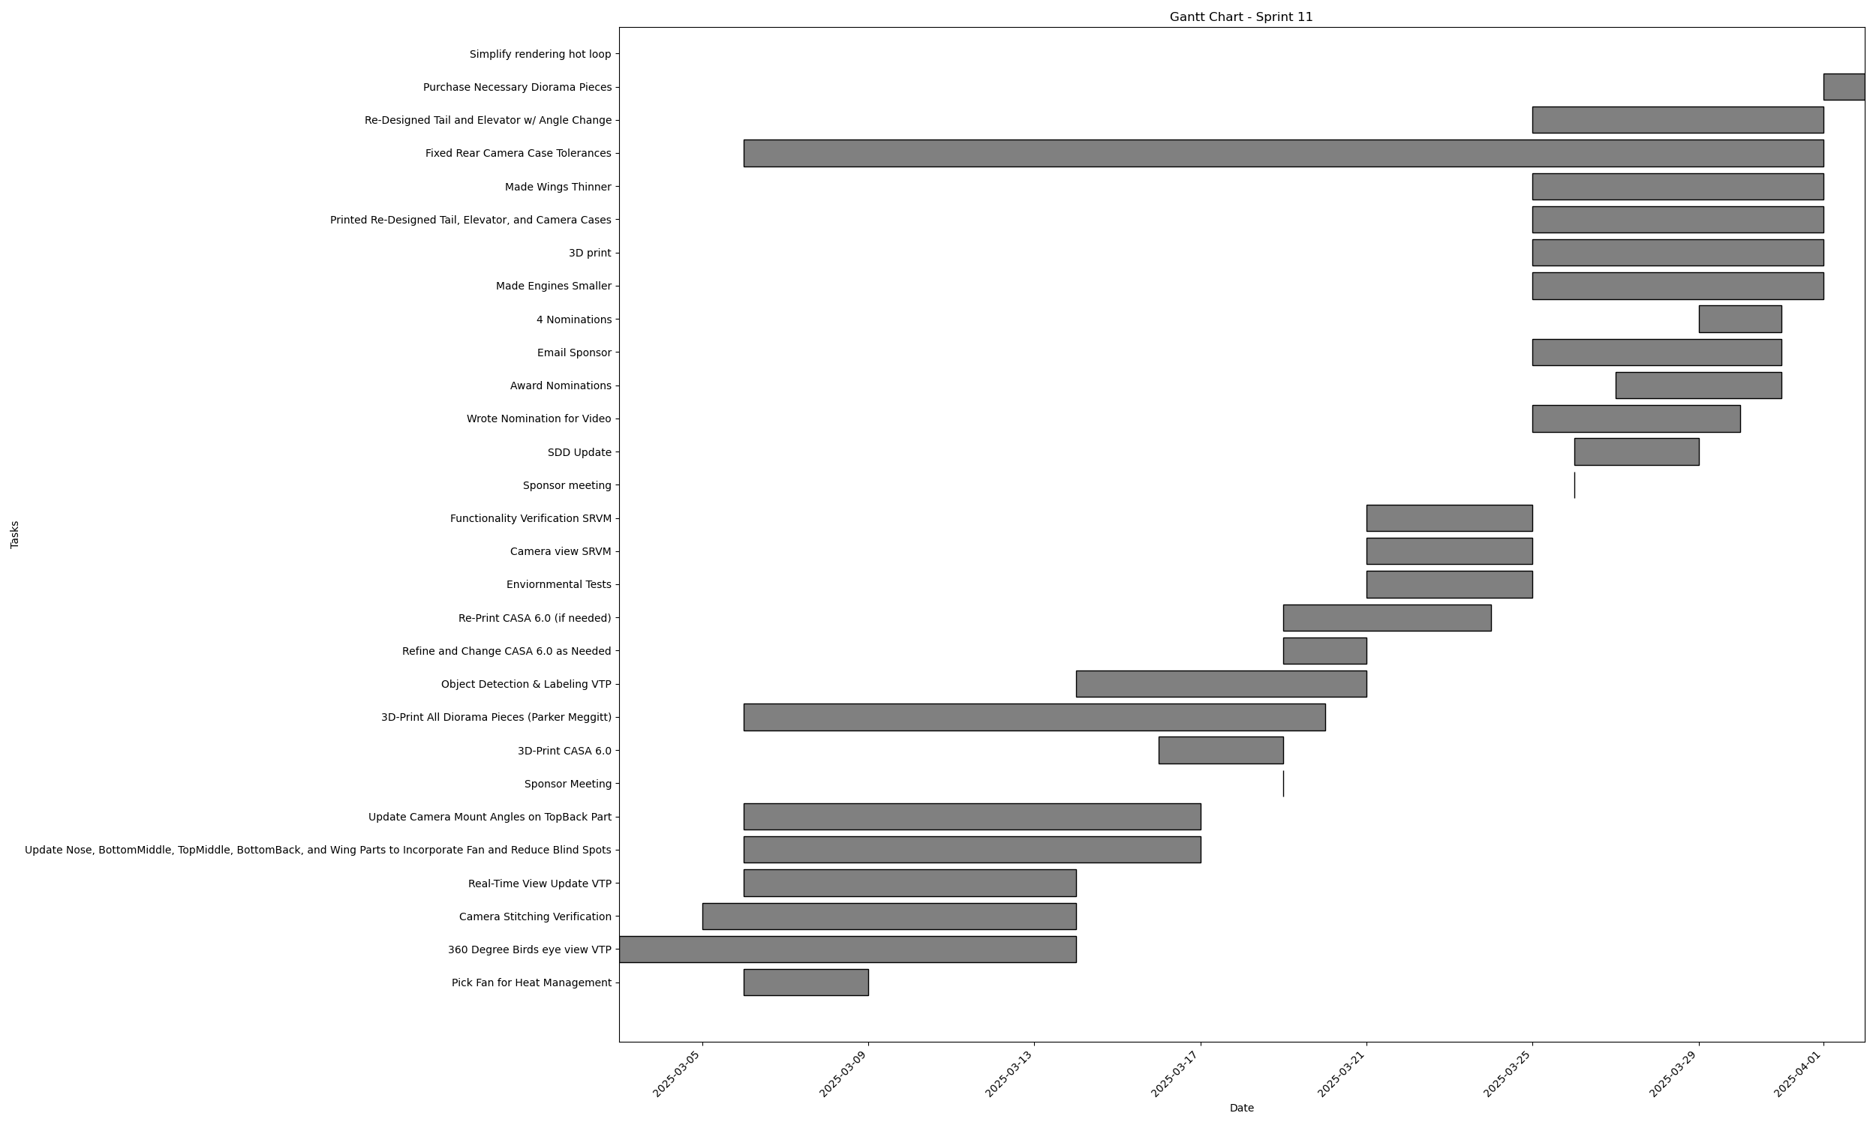
Task | Assignees | Start date | End date | Sprint | Status | Hours Completed | Corrective Action
Pick Fan for Heat Management | Aidan, Carly, Diego, John, Matthew, Amber | 2025-03-06 | 2025-03-09 | Sprint 11 | Done | 0.5
360 Degree Birds eye view VTP | Aidan, Carly, Diego, John, Matthew, Amber | 2025-03-03 | 2025-03-14 | Sprint 11 | Todo | 2
Camera Stitching Verification | Matthew | 2025-03-05 | 2025-03-14 | Sprint 11 | Todo | 2
Real-Time View Update VTP | Matthew | 2025-03-06 | 2025-03-14 | Sprint 11 | Todo | 2
Update Nose, BottomMiddle, TopMiddle, BottomBack, and Wing Parts to Incorporate Fan and Reduce Blind Spots | Aidan, Carly, John | 2025-03-06 | 2025-03-17 | Sprint 11 | In Progress | 4
Update Camera Mount Angles on TopBack Part | Aidan, Carly, John | 2025-03-06 | 2025-03-17 | Sprint 11 | In Progress | 5
Sponsor Meeting | Aidan, Carly, Diego, John, Matthew, Amber | 2025-03-19 | 2025-03-19 | Sprint 11 | Todo | 0.5
3D-Print CASA 6.0 | Aidan, Carly, John, Amber | 2025-03-16 | 2025-03-19 | Sprint 11 | In Progress | 2
3D-Print All Diorama Pieces (Parker Meggitt) | Amber | 2025-03-06 | 2025-03-20 | Sprint 11 | Done | 0.5
Object Detection & Labeling VTP | Matthew, Amber | 2025-03-14 | 2025-03-21 | Sprint 11 | In Progress | 2
Refine and Change CASA 6.0 as Needed | Aidan, Carly, John | 2025-03-19 | 2025-03-21 | Sprint 11 | In Progress | 4
Re-Print CASA 6.0 (if needed) | Aidan, Carly, John, Amber | 2025-03-19 | 2025-03-24 | Sprint 11 | In Progress | 5
Enviornmental Tests | Aidan, Carly, Diego, John, Matthew, Amber | 2025-03-21 | 2025-03-25 | Sprint 11 | Done | 1
Camera view SRVM | Aidan, Carly, Diego, John, Matthew, Amber | 2025-03-21 | 2025-03-25 | Sprint 11 | Todo
Functionality Verification SRVM | Aidan, Carly, Diego, John, Matthew, Amber | 2025-03-21 | 2025-03-25 | Sprint 11 | Todo
Sponsor meeting | Aidan, Carly, Diego, John, Matthew, Amber | 2025-03-26 | 2025-03-26 | Sprint 11 | Done | 0.5
SDD Update | Amber | 2025-03-26 | 2025-03-29 | Sprint 11 | Done | 5
Wrote Nomination for Video | John | 2025-03-25 | 2025-03-30 | Sprint 11 | Done | 1
Award Nominations | Carly | 2025-03-27 | 2025-03-31 | Sprint 11 | Done | 4
Email Sponsor | Carly | 2025-03-25 | 2025-03-31 | Sprint 11 | Done | 0.5
4 Nominations | Amber | 2025-03-29 | 2025-03-31 | Sprint 11 | Done | 4
Made Engines Smaller | John | 2025-03-25 | 2025-04-01 | Sprint 11 | Done | 0.5
3D print | Carly | 2025-03-25 | 2025-04-01 | Sprint 11 | Done | 3
Printed Re-Designed Tail, Elevator, and Camera Cases | John | 2025-03-25 | 2025-04-01 | Sprint 11 | Done | 0.5
Made Wings Thinner | John | 2025-03-25 | 2025-04-01 | Sprint 11 | Done | 1
Fixed Rear Camera Case Tolerances | John | 2025-03-06 | 2025-04-01 | Sprint 11 | Done | 0.5
Re-Designed Tail and Elevator w/ Angle Change | John | 2025-03-25 | 2025-04-01 | Sprint 11 | In Progress | 3
Purchase Necessary Diorama Pieces | Aidan, Carly, Diego, John | 2025-04-01 | 2025-04-02 | Sprint 11 | Todo | 0.5
Simplify rendering hot loop | Matthew |  |  | Sprint 11 | Done | 15
Migrate Loader to seperate crate | Matthew |  |  | Sprint 11 | Done | 2
Simplify smpgpu typed buffers | Matthew |  |  | Sprint 11 | Done | 4
Make UI buttons switch views | Matthew |  |  | Sprint 11 | Done | 3
Add frame rate limiter | Matthew |  |  | Sprint 11 | Done | 0.5
write award nominations for social impact and best pres | Diego |  |  | Sprint 11 | Done | 2
draft design day poster | Diego |  |  | Sprint 11 | Done | 1
order fans and filament | Diego |  |  | Sprint 11 | Done | 0.5
 |  |  |  |  | Total Hours | 82.5

 |  |  |  |  | TODO Count | 7
 |  |  |  |  | In Progress Count | 7
 |  |  |  |  | Done Count | 22

Sprint Sprint 12
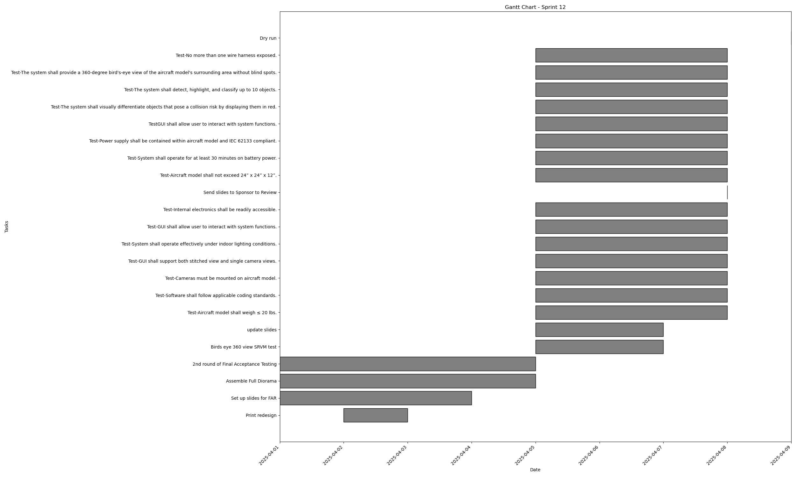
Task | Assignees | Start date | End date | Sprint | Status | Hours Completed | Corrective Action
Print redesign | Aidan, Carly, John | 2025-04-02 | 2025-04-03 | Sprint 12 | Todo
Set up slides for FAR | Diego, Amber | 2025-04-01 | 2025-04-04 | Sprint 12 | Todo
Assemble Full Diorama | Aidan, Carly, John | 2025-04-01 | 2025-04-05 | Sprint 12 | Todo
2nd round of Final Acceptance Testing | Aidan, Carly, Diego, John, Matthew, Amber | 2025-04-01 | 2025-04-05 | Sprint 12 | Todo
Birds eye 360 view SRVM test | Matthew | 2025-04-05 | 2025-04-07 | Sprint 12 | Todo
update slides | Aidan, Carly, Diego, John, Matthew, Amber | 2025-04-05 | 2025-04-07 | Sprint 12 | Todo
Test-Aircraft model shall weigh ≤ 20 lbs. | Aidan, Carly, John, Matthew | 2025-04-05 | 2025-04-08 | Sprint 12 | Todo
Test-Software shall follow applicable coding standards. | Matthew | 2025-04-05 | 2025-04-08 | Sprint 12 | Todo
Test-Cameras must be mounted on aircraft model. | Aidan, Carly, John, Matthew | 2025-04-05 | 2025-04-08 | Sprint 12 | Todo
Test-GUI shall support both stitched view and single camera views. | Matthew, Amber | 2025-04-05 | 2025-04-08 | Sprint 12 | Todo
Test-System shall operate effectively under indoor lighting conditions. | Aidan, Carly, John, Matthew | 2025-04-05 | 2025-04-08 | Sprint 12 | Todo
Test-GUI shall allow user to interact with system functions. | Matthew, Amber | 2025-04-05 | 2025-04-08 | Sprint 12 | Todo
Test-Internal electronics shall be readily accessible. | Aidan, Carly, John, Matthew | 2025-04-05 | 2025-04-08 | Sprint 12 | Todo
Send slides to Sponsor to Review | Amber | 2025-04-08 | 2025-04-08 | Sprint 12 | Todo
Test-Aircraft model shall not exceed 24” x 24” x 12”. | Aidan, Carly, John | 2025-04-05 | 2025-04-08 | Sprint 12 | Todo
Test-System shall operate for at least 30 minutes on battery power. | Aidan, Carly, John, Matthew | 2025-04-05 | 2025-04-08 | Sprint 12 | Todo
Test-Power supply shall be contained within aircraft model and IEC 62133 compliant. | Aidan, Carly, John, Matthew | 2025-04-05 | 2025-04-08 | Sprint 12 | Todo
TestGUI shall allow user to interact with system functions. | Matthew, Amber | 2025-04-05 | 2025-04-08 | Sprint 12 | Todo
Test-The system shall visually differentiate objects that pose a collision risk by displaying them in red. | Matthew, Amber | 2025-04-05 | 2025-04-08 | Sprint 12 | Todo
Test-The system shall detect, highlight, and classify up to 10 objects. | Matthew, Amber | 2025-04-05 | 2025-04-08 | Sprint 12 | Todo
Test-The system shall provide a 360-degree bird's-eye view of the aircraft model's surrounding area without blind spots. | Matthew, Amber | 2025-04-05 | 2025-04-08 | Sprint 12 | Todo
Test-No more than one wire harness exposed. | Aidan, Carly, John, Matthew | 2025-04-05 | 2025-04-08 | Sprint 12 | Todo
Dry run | Aidan, Carly, Diego, John, Matthew, Amber | 2025-04-09 | 2025-04-09 | Sprint 12 | Todo
 |  |  |  |  | Total Hours | 0

 |  |  |  |  | TODO Count | 23
 |  |  |  |  | In Progress Count | 0
 |  |  |  |  | Done Count | 0

