Hourly Pattern
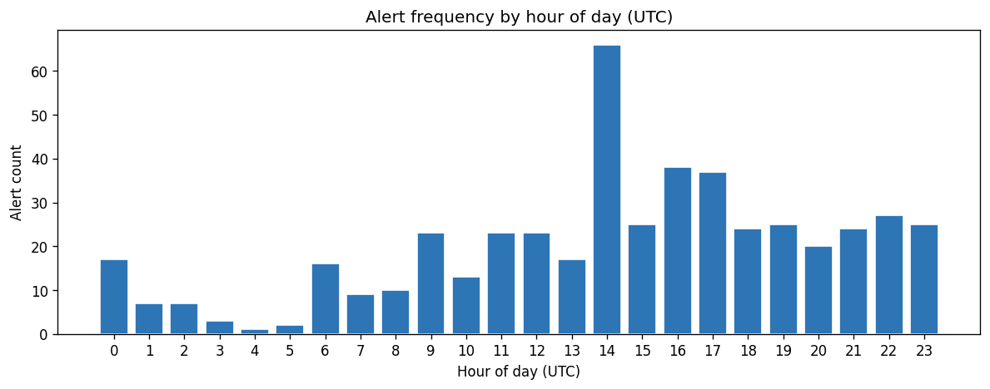
hour_utc | alert_count
0 | 17
1 | 7
2 | 7
3 | 3
4 | 1
5 | 2
6 | 16
7 | 9
8 | 10
9 | 23
10 | 13
11 | 23
12 | 23
13 | 17
14 | 66
15 | 25
16 | 38
17 | 37
18 | 24
19 | 25
20 | 20
21 | 24
22 | 27
23 | 25

Correlation Matrix
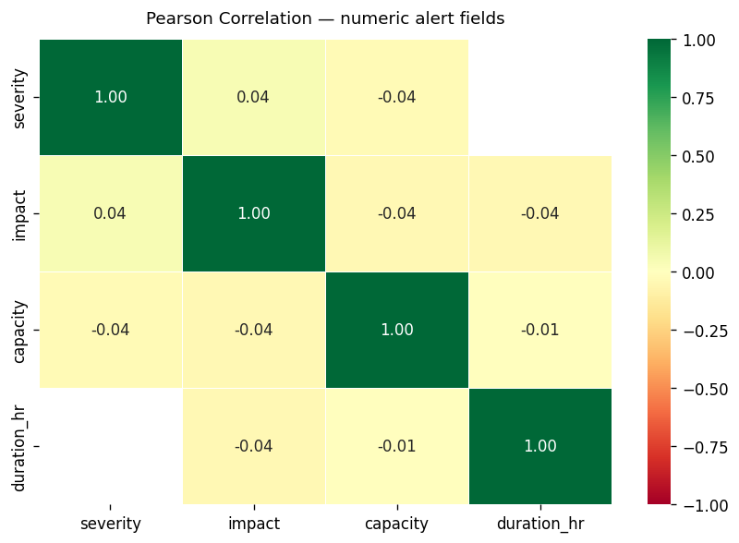
Field | severity | impact | capacity | duration_hr
severity | 1 | 0.043 | -0.036
impact | 0.043 | 1 | -0.039 | -0.044
capacity | -0.036 | -0.039 | 1 | -0.007
duration_hr |  | -0.044 | -0.007 | 1

