IP-CAM_INTERCOM_기본
Model Name | DC-I6212WRX
Status | 출시완료
Product Information
Project Name | PDC-I6211
Model Name (HLV4) | DC-I6212WRX
BRAND-GL Label Name | DC-I6212WRX
BRAND-KR Label Name | DC-I1262WRX
Product Img | 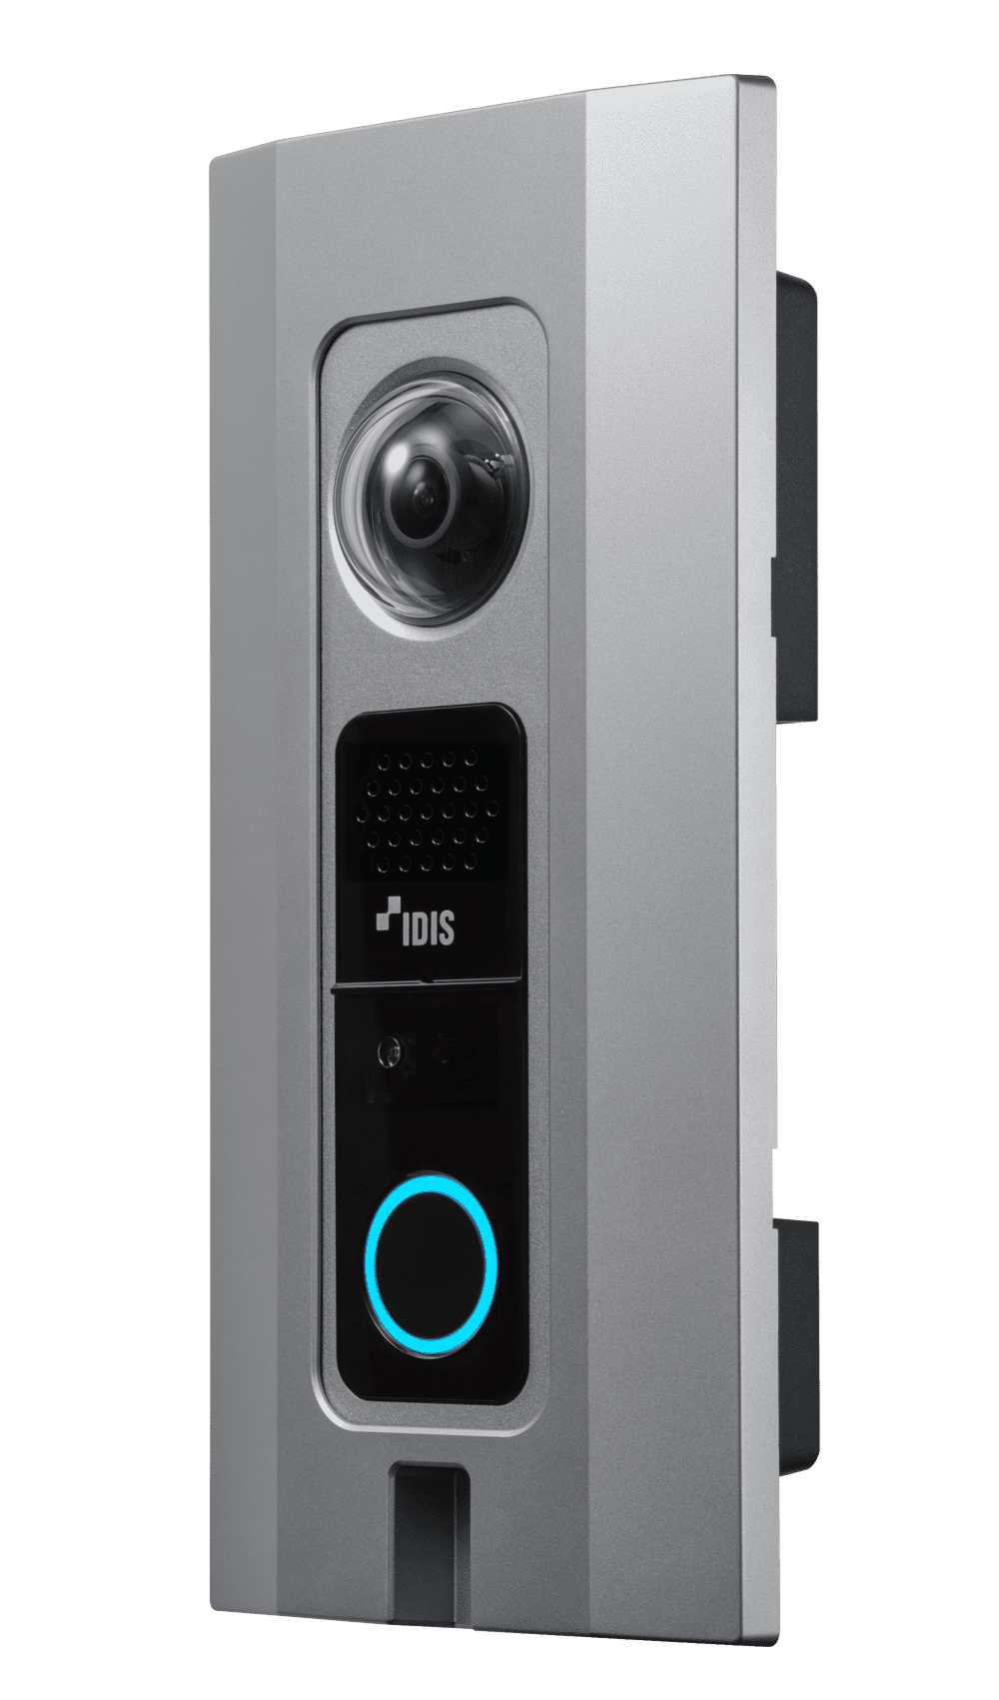
Release Date | 2023.9
Title | 2M Intercom
Video
Image Sensor | 1/2.8" CMOS
SoC | CV28S66M
Image Sensor Model Info | IMX307
Memory (RAM/ROM) | 8Gb / 2Gb
Max. Resolution | 1920 x 1080
Scanning Mode | Progressive Scan
Lens Type | Fixed-focal
Focal Length | 1.85mm
Aperture | F2.3
Lens Model Name | YTK-FC54185P50
Iris Control | Fixed Iris
Angular Field of View | 180º(H)
Min. Illumination | COLOR : 0.1 lux @ F2.3 B/W : 0 lux (IR LED ON)
S/N Ratio | More than 45dB
Dynamic Range | 120dB (True WDR)
Electronic Shutter Speed | Auto / Manual (1/30 ~ 1/10,000), Anti-Flicker, Slow Shutter (1/7.5, 1/15)
Day and Night | Yes (ICR)
IR Distance (LEDs) - OVERSEA | 5m / 16ft (1ea)
IR Distance (LEDs) - DOMESTIC | 5m (1ea)
IR Distance (LEDs) - 사내기준 | 5m / 16ft (1ea)
Image Setting | Exposure, White Balance, Self-Adjusting Video Mode(Sharpness, Contrast, Colors, Brightness Control)
Backlight Compensation | -
Mirroring / Pivot | Horizontal / Vertical
Image Stabilizer | -
De-fog | Yes
Privacy Masking | 8 Zones
Intelligent Video | Video Motion Detection, Active Tampering Alarm, Trip Zone
Video Out | -
Network
Video Compression | H.265, H.264 (MP), M-JPEG
Intelligent Codec | Yes
Video Compression Level (Quality) | Basic, Standard, High, Very High
Bitrate Control | H.265 - CBR / VBR, H.264 - CBR / VBR
Audio Compression | G.726, G.711 u-Law, G.711 a-Law, G.722
Two-way Audio | Yes
IP Camera Protocol | DirectIP 2.0, ONVIF Profile S/T
Max. Frame Rate | 30ips : 1920 x 1080 (WDR)
Supported Resolution | 1920x1080, 1280x720, 640x360, 352x240
Multi-video Streaming | Quadruple Streaming
Network Protocols | DirectIP 2.0 Protocol, IPv4, IPv6, RTP/RTSP/TCP, RTP/RTSP/HTTP/TCP, RTP/UDP RTSP/TCP, HTTP, HTTPS, FTP, SNTP, SMTP, FEN, mDNS, uPNP, SNMPv2, SIP
Security | Digest authentication, Password Protection, User access log, IP Filtering, IEEE802.1x(EAP-TLS), Chained Fingerprint, SSL Encryption, HTTPS Encryption
Ethernet | RJ45 (10/100BASE-T)
Recording Session Buffer (NLTSrec) | Yes (Up to 60MB)
Edge Storage | micro SD/SDHC/SDXC, Smart Failover (Up to 512GB)
Supported Language | English, French, German, Italian, Spanish, Dutch, Polish, Portuguese, Hungarian, Czech, Russian, Danish, Swedish, Finnish, Turkish, Croatian, Korean, Japanese, Chinese-PRC, Chinese-Taiwan
Alarm and Event
Trigger Event | Motion Detection, Alarm in, Audio detection, Tampering, Trip Zone
Event Notification | Remote S/W, Email (with Image)
Audio Alarm | Yes
Audio In / Out | 1 (Built In MIC with Echo Cancellation) / 1 (Built In SPK)
Audio Impedance | -
Alarm In / Out | 1 / 2
Alarm Characteristics | ALARM OUT : 1 TTL open collector, 30mA @ 5 VDC, 1 Relay out, 1A @ 12VDC
Environmental
Vandal Proof Casing | IK10
Outdoor Ready | IP66, NEMA4X
Material | Metal
Operating Temperature | -30°C ~ +55°C (-22°F ~ +131°F) *Starting up at above 0°C (32°F)
Operating Humidity | 0% ~ 90%
Electrical
Power Source | 12VDC, PoE IEEE 802.3af (Class 3)
Power Consumption | 12V=, 1.87A, 22.4W PoE, (IEEE 802.3af Class 3), 9.5W (DC Output : 12V=, 1A MAX with Adaptor)
Approval | FCC, CE, KC
Mechanical
Dimensions | 52mm x 165mm x 46mm (2.05" x 6.50" x 1.81")
Weight | 0.52 kg (1.15lb)
Bitrate (Very High / High / Standard / Basic)
352 x 240 @30ips | H.264 - 1Mbps / 0.75Mbps / 0.5Mbps / 0.25Mbps H.265 - 0.5Mbps / 0.375Mbps / 0.25Mbps / 0.125Mbps
640 x 360 @30ips | H.264 - 3Mbps / 2.25Mbps / 1.5Mbps / 0.75Mbps H.265 - 1.5Mbps / 1.125Mbps / 0.75Mbps / 0.375Mbps
1280 x 720 @30ips | H.264 - 8Mbps / 6Mbps / 4Mbps / 2Mbps H.265 - 4Mbps / 3Mbps / 2Mbps / 1Mbps
1920 x 1080 @30ips | H.264 : 12Mbps / 10Mbps / 8Mbps / 4Mbps H.265 : 6Mbps / 5Mbps / 4Mbps / 2Mbps
For Marketing Material Only
Key Feature | SIP(VoIP) Supports Clear Voice Communication with Echo Cancellation IR LED (Distance : 5m / 16ft) IK10 / IP66 supports

