IP-CAM_MODULAR_기본
Model Name | DC-V4212XJ 2.4mm | DC-V4212XJ 4.3mm
Status | 출시완료 | 출시완료
Product Information
Project Name | PDC-V4212 | PDC-V4212
Model Name (HLV4) | DC-V4212XJ | DC-V4212XJ
BRAND-GL Label Name | DC-V4212XJ 2.4mm | DC-V4212XJ 4.3mm
BRAND-KR Label Name | DC-V1242XJ 2.4mm | DC-V1242XJ 4.3mm
Product Img | 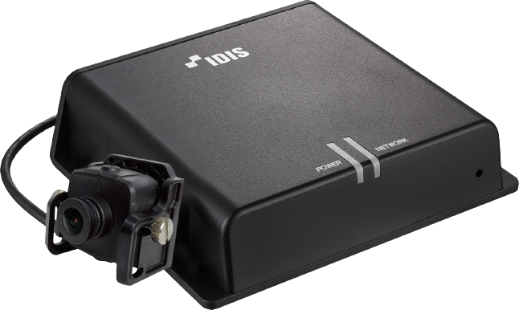 | 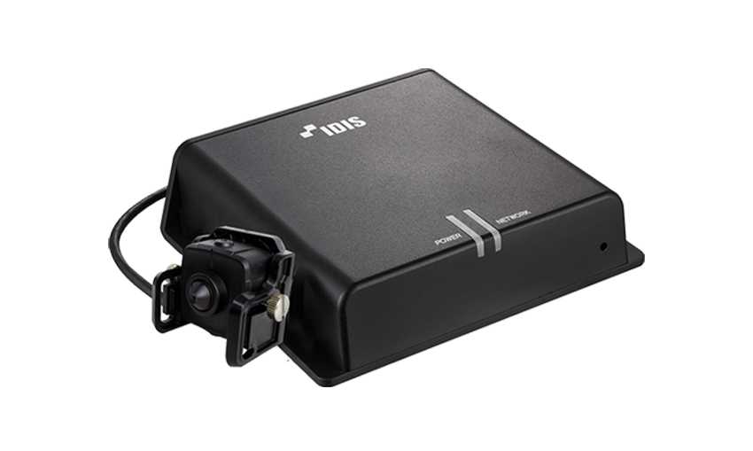
Release Date | 2022.5 | 2022.5
Title | 2M Modular Covert Camera | 2M Modular Covert Camera
Video
Image Sensor | 1/2.8" CMOS | 1/2.8" CMOS
SoC | S3L33M | S3L33M
Image Sensor Model Info | IMX307 | IMX307
Memory (RAM/ROM) | 4Gb / 1Gb | 4Gb / 1Gb
Max. Resolution | 1920 x 1080 | 1920 x 1080
Scanning Mode | Progressive Scan | Progressive Scan
Lens Type | Fixed-focal | Fixed-focal
Focal Length | 2.4mm | 4.3mm
Aperture | F2.0 | F2.0
Lens Model Name | HTV02420(3MP)-C1 | P43520CPH(A)-2MP-BIF
Iris Control | Fixed Iris | Fixed Iris
Angular Field of View | 132.5º(H), 72.7º(V), 154.7º(D) | 81.6º(H), 42.3º(V), 99º(D)
Connector for Camera Unit | RJ45 | RJ45
Cable Length for Camera Unit | 30m | 30m
Min. Illumination | COLOR : 0.1 lux @ F2.0 B/W : 0.01 lux @ F2.0 | COLOR : 0.1 lux @ F2.0 B/W : 0.01 lux @ F2.0
S/N Ratio | More than 45dB | More than 45dB
Dynamic Range | More than 70 dB | More than 70 dB
Electronic Shutter Speed | Auto / Manual (1/30,1/25Sec ~ 1/30000Sec) / Anti-Flicker | Auto / Manual (1/30,1/25Sec ~ 1/30000Sec) / Anti-Flicker
Day and Night | Yes (Electrical) | Yes (Electrical)
IR Distance (LEDs) - OVERSEA | - | -
IR Distance (LEDs) - DOMESTIC | - | -
IR Distance (LEDs) - 사내기준 | - | -
Image Setting | Sharpness, 3DNR, Exposure | Sharpness, 3DNR, Exposure
Backlight Compensation | BLC, WDR, HLC | BLC, WDR, HLC
Mirroring / Pivot | Horizontal / Vertical / Pivot | Horizontal / Vertical / Pivot
Image Stabilizer | - | -
De-fog | Yes | Yes
Privacy Masking | 8 Zones | 8 Zones
Intelligent Video | Video Motion Detection, Active Tampering Alarm, Trip Zone | Video Motion Detection, Active Tampering Alarm, Trip Zone
Video Out | - | -
Network
Video Compression | H.265, H.264 (MP), M-JPEG | H.265, H.264 (MP), M-JPEG
Intelligent Codec | Yes | Yes
Video Compression Level (Quality) | Basic, Standard, High, Very High | Basic, Standard, High, Very High
Bitrate Control | H.264 - CBR / VBR, H.265 - CBR / VBR | H.264 - CBR / VBR, H.265 - CBR / VBR
Audio Compression | G.726, G.711 u-Law, G.711 a-Law | G.726, G.711 u-Law, G.711 a-Law
Two-way Audio | Yes | Yes
IP Camera Protocol | DirectIP 2.0, ONVIF Profile S/T | DirectIP 2.0, ONVIF Profile S/T
Max. Frame Rate | 30ips : 1920 x 1080 (WDR) | 30ips : 1920 x 1080 (WDR)
Supported Resolution | 1920x1080, 1280x720, 640x360, 352x240 | 1920x1080, 1280x720, 640x360, 352x240
Multi-video Streaming | Quadruple Streaming | Quadruple Streaming
Network Protocols | DirectIP 2.0 Protocol, IPv4, RTP/RTSP/TCP, RTP/RTSP/HTTP/TCP, RTP/UDP RTSP/TCP, HTTP, HTTPS, FTP, SNTP, SMTP, FEN, mDNS, Upnp | DirectIP 2.0 Protocol, IPv4, RTP/RTSP/TCP, RTP/RTSP/HTTP/TCP, RTP/UDP RTSP/TCP, HTTP, HTTPS, FTP, SNTP, SMTP, FEN, mDNS, Upnp
Security | Digest authentication, Password Protection, User access log, IP Filtering, IEEE802.1x(EAP-TLS), Chained Fingerprint, SSL Encryption, HTTPS Encryption | Digest authentication, Password Protection, User access log, IP Filtering, IEEE802.1x(EAP-TLS), Chained Fingerprint, SSL Encryption, HTTPS Encryption
Ethernet | RJ45 (10/100BASE-T) | RJ45 (10/100BASE-T)
Recording Session Buffer (NLTSrec) | Yes (Up to 60MB) | Yes (Up to 60MB)
Edge Storage | micro SD/SDHC/SDXC, Smart Failover (Up to 512GB) | micro SD/SDHC/SDXC, Smart Failover (Up to 512GB)
Supported Language | English, French, German, Italian, Spanish, Dutch, Polish, Portuguese, Hungarian, Czech, Russian, Danish, Swedish, Finnish, Turkish, Croatian, Korean, Japanese, Chinese-PRC, Chinese-Taiwan | English, French, German, Italian, Spanish, Dutch, Polish, Portuguese, Hungarian, Czech, Russian, Danish, Swedish, Finnish, Turkish, Croatian, Korean, Japanese, Chinese-PRC, Chinese-Taiwan
Alarm and Event
Trigger Event | Motion Detection, Alarm in, Audio detection, Tampering, Trip Zone | Motion Detection, Alarm in, Audio detection, Tampering, Trip Zone
Event Notification | Remote S/W, Email (with Image) | Remote S/W, Email (with Image)
Audio Alarm | Yes | Yes
Audio In / Out | 1 / 1 | 1 / 1
Audio Impedance | - | -
Alarm In / Out | 1 / 1 | 1 / 1
Alarm Characteristics | - | -
Environmental
Vandal Proof Casing | - | -
Outdoor Ready | - | -
Material | - | -
Operating Temperature | -10°C ~ +50°C (+14°F ~ +122°F) *Starting up at above 0°C (32°F) | -10°C ~ +50°C (+14°F ~ +122°F) *Starting up at above 0°C (32°F)
Operating Humidity | 0% ~ 90% | 0% ~ 90%
Electrical
Power Source | 12VDC, PoE IEEE 802.3at (Class 4) | 12VDC, PoE IEEE 802.3at (Class 4)
Power Consumption | 12V=, 0.42A, 5.04W PoE, IEEE 802.3at(Class 4), 6.3W | 12V=, 0.42A, 5.04W PoE, IEEE 802.3at(Class 4), 6.3W
Approval | FCC, CE, KC | FCC, CE, KC
Mechanical
Dimensions (W x H x D) | Main Unit : 153mm x 36.5mm x 132.7mm ( 6.02" x 1.44" x 5.22") Camera Unit : 37(W) x 37(H) x 26.3(D) mm (1.46" x 1.46" x 1.04") - Body Only 58(W) x 45(H) x 55.3(D) mm (2.28" x 1.77" x 2.18") - With Bracket | Main Unit : 153mm x 36.5mm x 132.7mm ( 6.02" x 1.44" x 5.22") Camera Unit : 37(W) x 37(H) x 26.3(D) mm (1.46" x 1.46" x 1.04") - Body Only 58(W) x 45(H) x 55.3(D) mm (2.28" x 1.77" x 2.18") - With Bracket
Weight | Main Unit : 0.47kg (1.04 lb) Camera Unit : 0.06kg ( 0.13 lb) | Main Unit : 0.47kg (1.04 lb) Camera Unit : 0.06kg ( 0.13 lb)
Bitrate (Very High / High / Standard / Basic)
352 x 240 @30ips | H.264 - 1Mbps / 0.75Mbps / 0.5Mbps / 0.25Mbps H.265 - 0.5Mbps / 0.375Mbps / 0.25Mbps / 0.125Mbps | H.264 - 1Mbps / 0.75Mbps / 0.5Mbps / 0.25Mbps H.265 - 0.5Mbps / 0.375Mbps / 0.25Mbps / 0.125Mbps
640 x 360 @30ips | H.264 - 3Mbps / 2.25Mbps / 1.5Mbps / 0.75Mbps H.265 - 1.5Mbps / 1.125Mbps / 0.75Mbps / 0.375Mbps | H.264 - 3Mbps / 2.25Mbps / 1.5Mbps / 0.75Mbps H.265 - 1.5Mbps / 1.125Mbps / 0.75Mbps / 0.375Mbps
704 x 480 @30ips | - | -
1280 x 720 @30ips | H.264 - 8Mbps / 6Mbps / 4Mbps / 2Mbps H.265 - 4Mbps / 3Mbps / 2Mbps / 1Mbps | H.264 - 8Mbps / 6Mbps / 4Mbps / 2Mbps H.265 - 4Mbps / 3Mbps / 2Mbps / 1Mbps
1920 x 1080 @30ips | H.264 - 10Mbps / 8Mbps / 6Mbps / 4Mbps H.265 - 5Mbps / 4Mbps / 3Mbps / 2Mbps | H.264 - 10Mbps / 8Mbps / 6Mbps / 4Mbps H.265 - 5Mbps / 4Mbps / 3Mbps / 2Mbps
1920 x 1080 @60ips | - | -
2304 x 1296 @30ips | - | -
2592 x 1944 @30ips | - | -
For Marketing Material Only
Key Feature | Easy installation with DirectIP NVR Full HD (1080p) resolution micro SD/SDHC/SDXC Two-way audio Alarm in / out | Easy installation with DirectIP NVR Full HD (1080p) resolution Fixed-focal Sharp-cone lens (f=4.3mm) micro SD/SDHC/SDXC Two-way audio Alarm in / out

