IP-CAM_MULTI-IMAGER_Multi-direc
Model Name | DC-U6K31WRA
Status | 출시완료
Product Information
Project Name | PDC-U6K31
Model Name (HLV4) | DC-U6K31WRA
BRAND-GL Label Name | DC-U6K31WRA
BRAND-KR Label Name | DC-U316KWRA
Product Img | 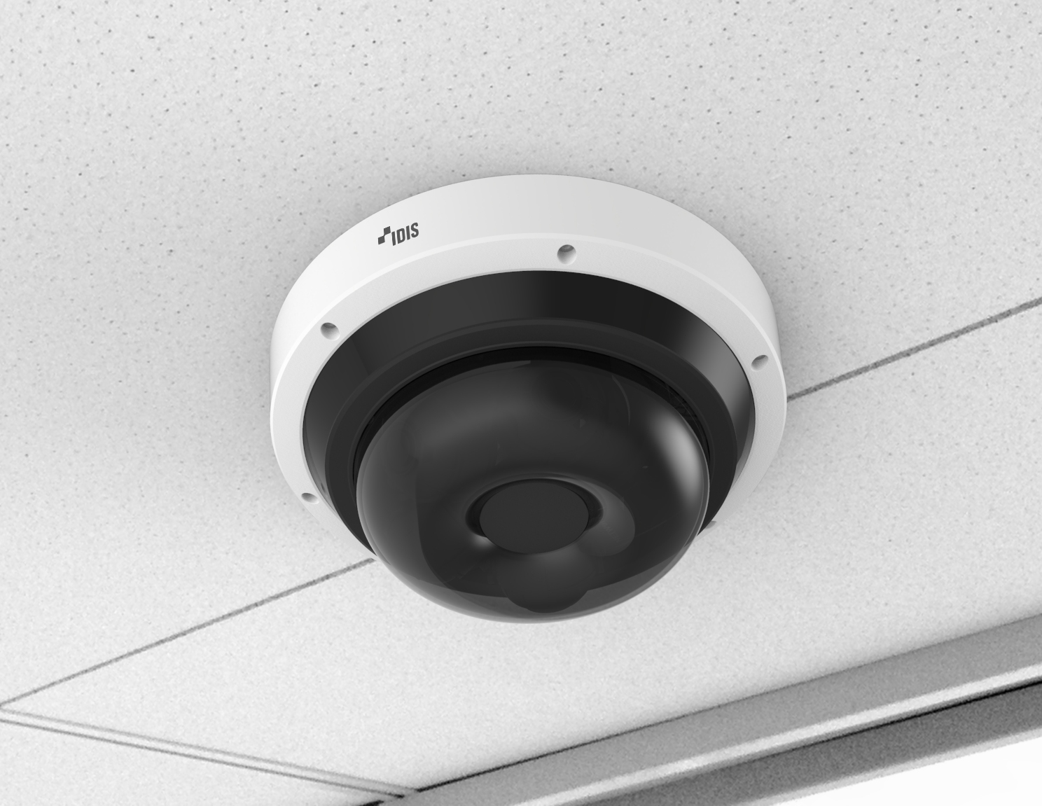
Release Date | 2025.09
Title | 5M AI Multi-directional Camera
Video - for 4CH
Image Sensor | 1/2.8" CMOS
SoC | CV5S88
Image Sensor Model Info | IMX675
Memory (RAM/ROM) | 64Gb / 4Gb
Max. Resolution | 2592x1944
Scanning Mode | Progressive Scan
Lens Type | Motorized Vari-focal
Focal Length | 3.3 ~ 7.02mm
Aperture | F1.8 ~ F2.74
Lens Model Name | FG20030(5MP)-H1C30G-1
Iris Control | Fixed Iris
Angular Field of View | Wide : 96º(H), 69.8º(V), 127.8º(D) Tele : 42.4º(H), 31.8º(V), 53.2º(D)
Min. Illumination | COLOR : 0.1 lux @ F1.8 B/W : 0 lux (IR LED ON)
S/N Ratio | More than 45dB
Dynamic Range | 120dB (True WDR)
Electronic Shutter Speed | Auto / Manual (1/30 ~ 1/10,000), Anti-Flicker, Slow Shutter (1/7.5, 1/15)
Day and Night | Yes (ICR)
IR Distance (LEDs) - OVERSEA | 25m / 82ft (3ea per unit)
IR Distance (LEDs) - DOMESTIC | 25m / 82ft (3ea per unit)
IR Distance (LEDs) - 사내기준 | 25m / 82ft (3ea per unit)
Image Setting | Exposure, White Balance, Self-Adjusting Video Mode(Sharpness, Contrast, Colors, Brightness Control)
Backlight Compensation | -
Mirroring / Pivot | Horizontal / Vertical / Pivot
Image Stabilizer | -
De-fog | Yes
Privacy Masking | 8 Zones
Intelligent Video | Object Metadata: Human, Vehicle, Face IDLA: Object Detection, Intrusion, Loitering, Line Crossing, Face Detection ETC: Video Motion Detection, Active Tampering Alarm
Video Out | -
Pan/Tilt/Rotate
Pan Range | 0° ~ 360°
Tilt Range | 0° ~ 80°
Rotate Range | 0° ~ 90°
Network
Video Compression | H.265, H.264 (MP), M-JPEG
Intelligent Codec | Yes
Video Compression Level (Quality) | Basic, Standard, High, Very High
Bitrate Control | H.265 - CBR / VBR, H.264 - CBR / VBR
Audio Compression | Opus, ADPCM 16K, G.726, G.711 u-Law, G.711 a-Law
Two-way Audio | Yes
IP Camera Protocol | DirectIP 2.0, ONVIF Profile S/T
Max. Frame Rate | 4:3 mode : 30ips : 2592 x 1944(WDR) 16:9 mode : 30ips : 2592 x 1456(WDR)
Supported Resolution | 4:3 : 2592x1944, 1920x1440, 1280x960, 640x480 16:9 : 2592x1456, 1920x1080, 1280x720, 640x360
Multi-video Streaming | Quadruple Streaming
Network Protocols | DirectIP 2.0 Protocol, IPv4, IPv6, RTP/RTSP/TCP, RTP/RTSP/HTTP/TCP, RTP/UDP RTSP/TCP, HTTP, HTTPS, FTP, SNTP, SMTP, FEN, mDNS, uPNP, SNMPv2
Security | FIPS 140-3 Level 3, Digest authentication, Password Protection, Brute force delay protection, User access log, IP Filtering, IEEE802.1x(EAP-TLS), Chained Fingerprint, SSL Encryption, HTTPS Encryption
Ethernet | RJ45 (10/100/1000BASE-T)
Recording Session Buffer (NLTSrec) | Yes (Up to 60MB)
Edge Storage | Micro SD/SDHC/SDXC,UHS Speed Class 3, Smart Failover (Up to 512GB)
Supported Language | English, French, German, Italian, Spanish, Dutch, Polish, Portuguese, Hungarian, Czech, Russian, Danish, Swedish, Finnish, Turkish, Croatian, Korean, Japanese, Chinese-PRC, Chinese-Taiwan
Alarm and Event
Trigger Event | Motion Detection, Alarm in, Audio detection, Tampering, Object Detection, Intrusion, Loitering, Line Crossing, Face Detection
Event Notification | Remote S/W, Email (with Image)
Audio Alarm | Yes
Audio In / Out | 1 / 1
Audio Impedance | Max output level : 1Vrms Input Impedance : 3.6k Ohm Output Impedance : 174.25 Ohm
Alarm In / Out | 1 / 1
Alarm Characteristics | ALARM IN : 1 TTL, NC/NO Programmable, 4.3V(NC) or 0.3V(NO) threshold, 5V DC ALARM OUT : 1 TTL open collector, 30mA @ 5 VDC
Environmental
Vandal Proof Casing | IK10
Outdoor Ready | IP67, NEMA4X
Material | Metal
Operating Temperature | -40°C ~ +55°C (-40°F ~ +131°F) *Starting up at above -20°C (-4°F)
Operating Humidity | 0% ~ 90%
Electrical
Power Source | PoE, IEEE 802.3at(Class 4)
Power Consumption | PoE, IEEE 802.3at(Class 4), 21W
Approval | FCC, CE, KC, UL
Mechanical
Dimensions | Ø258 x 112mm(Ø10.2” x 4.4”)
Weight | 2.8kg (6.2lb)
Bitrate (Very High / High / Standard / Basic)
640 x 360 @30ips | 1. 4:3 mode(640x480) H.264: 3.5Mbps / 2.63Mbps / 1.75Mbps / 0.88Mbps H.264: 1.75Mbps / 1.13Mbps / 0.88Mbps / 0.44Mbps 2. 16:9 mode(640x360) H.264: 3Mbps / 2.25Mbps / 1.5Mbps / 0.75Mbps H.265: 1.5Mbps / 1.13Mbps / 0.75Mbps / 0.38Mbps
704 x 480 @30ips | -
1280 x 720 @30ips | 1. 4:3 mode(1280x960) H.264: 9.5Mbps / 7.6Mbps / 5.51Mbps / 2.75Mbps H.265: 4.75Mbps / 3.8Mbps / 2.75Mbps / 1.38Mbps 2. 16:9 mode(1280x720) H.264: 8Mbps / 6Mbps / 4Mbps / 2Mbps H.265: 4Mbps / 3Mbps / 2Mbps / 1Mbps
1920 x 1080 @30ips | 1. 4:3 mode(1920x1440) H.264: 13.75Mbps / 11.46Mbps / 9.17Mbps / 5.50Mbps H.265: 6.88Mbps / 5.73Mbps / 4.58Mbps / 2.75Mbps 2. 16:9 mode(1920x1080) H.264: 12Mbps / 10Mbps / 8Mbps / 4Mbps H.265: 6Mbps / 5Mbps / 4Mbps / 2Mbps
1920 x 1080 @60ips | -
2304 x 1296 @30ips | -
2592 x 1944 @30ips | 1. 4:3 mode(2592x1944) H.264: 16Mbps / 13.33Mbps / 10.67Mbps / 8Mbps H.265: 8Mbps / 6.67Mbps / 5.33Mbps / 4Mbps 2. 16:9 mode(2592x1456) H.264: 14.6Mbps / 12.17Mbps / 9.73Mbps / 5.84Mbps H.265: 7.3Mbps / 6.08Mbps / 4.87Mbps / 2.92Mbps
For Marketing Material Only
Key Feature | - 4CH Multi-directional Cam - Easy installation with DirectIP NVR - H.265 and Intelligent Codec - Remote Motorized Focus and Zoom - PoE (IEEE 802.3at Class 4) - IR LED (Distance: 25m / 82ft) - IDIS Deep-Learning Analytics (IDLA)

