NVR_DR1_기본
Model Name | DR-1504P-A | DR-1508P-A | DR-1504P | DR-1508P
Status | 출시완료 | 출시완료 | 출시완료 | 출시완료
Product Information
Project Name | PDR-1504 | PDR-1508 | PDR-1504 | PDR-1508
Model Name (HLV4) | DR-1504P-A | DR-1508P-A | DR-1504P | DR-1508P
BRAND-GL Label Name | DR-1504P-A | DR-1508P-A | DR-1504P | DR-1508P
BRAND-KR Label Name | DR-0415P-A | DR-0815P-A | DR-0415P | DR-0815P
Product Img | 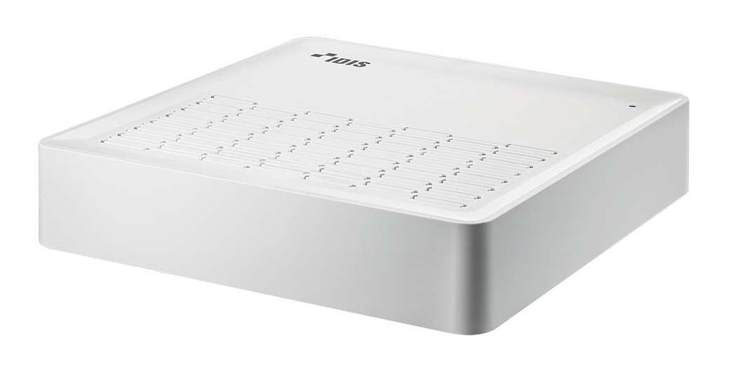
Release Date | 2023.8 | 2023.8 | 2022.01 | 2022.7
Title | DirectIP 1500 Series Full HD Recorder | DirectIP 1500 Series Full HD Recorder | DirectIP 1500 Series Full HD Recorder | DirectIP 1500 Series Full HD Recorder
Video
Video Inputs | 4 IP Channels | 8 IP Channels | 4 IP Channels | 8 IP Channels
Max. Incoming Throughput | 60Mbps | 100Mbps | 60Mbps | 100Mbps
Live + Recording + Remote | 20+20+20 | 40+40+20 | 20+20+20 | 40+40+20
Supported Camera | DirectIP | DirectIP | DirectIP | DirectIP
Video Outputs | 1 HDMI, 1 VGA | 1 HDMI, 1 VGA | 1 HDMI, 1 VGA | 1 HDMI, 1 VGA
Display Layout | 1x1, 1x2, 1x3, 2x2 | 1x1, 1x2, 1x3, 2x2, 1p5, 1p7, 3x3 | 1x1, 1x3, 2x2 | 1x1, 1x3, 2x2
Display Resolution | 1920 x 1200, 1920 x 1080, 1680 x 1050, 1600 x 1200 | 1920 x 1200, 1920 x 1080, 1680 x 1050, 1600 x 1200 | 1920 x 1200, 1920 x 1080, 1680 x 1050, 1600 x 1200 | 1920 x 1200, 1920 x 1080, 1680 x 1050, 1600 x 1200
Display Speed | Up to 120ips | Up to 240ips | Up to 120ips | Up to 240ips
Max. Display Throughput | 20Mbps | 40Mbps | 20Mbps | 40Mbps
Digital Zoom | x2 ~ x12 | x2 ~ x12 | x2 ~ x12 | x2 ~ x12
NVR Side Dewarping | - | - | - | -
Recording
Max. Throughput | 20Mbps, 120ips@8MP | 40Mbps, 240ips@8MP | 20Mbps, 120ips@8MP | 40Mbps, 240ips@8MP
Recording Resolution | Up to 8MP (Depending on IP Camera) | Up to 8MP (Depending on IP Camera) | Up to 8MP (Depending on IP Camera) | Up to 8MP (Depending on IP Camera)
Recording Bitrate | Depeding on IP Camera | Depeding on IP Camera | Depeding on IP Camera | Depeding on IP Camera
Video Compression | H.265, H.264 | H.265, H.264 | H.265, H.264 | H.265, H.264
Recording Mode | Time-lapse, Event, Pre-event, Panic | Time-lapse, Event, Pre-event, Panic | Time-lapse, Event, Pre-event, Panic | Time-lapse, Event, Pre-event, Panic
Trigger Event | Motion, Trip-zone, Tampering, Video Loss, System, Etc. | Motion, Trip-zone, Tampering, Video Loss, System, Etc. | Motion, Trip-zone, Tampering, Video Loss, System, Etc. | Motion, Trip-zone, Tampering, Video Loss, System, Etc.
Event Action | Record, Notification, Move PTZ, Event Monitoring | Record, Notification, Move PTZ, Event Monitoring | Record, Notification, Move PTZ, Event Monitoring | Record, Notification, Move PTZ, Event Monitoring
Playback
Performance | 4ch Full HD Synchronous Playback | 4ch Full HD Synchronous Playback | 4ch Full HD Synchronous Playback | 4ch Full HD Synchronous Playback
Search Mode | Time-lapse, Event Log | Time-lapse, Event Log | Time-lapse, Event Log | Time-lapse, Event Log
Digital Zoom | x2 ~ x12 | x2 ~ x12 | x2 ~ x12 | x2 ~ x12
Storage
HDD | SATA x 1 | SATA x 1 | SATA x 1 | SATA x 1
Total Capacity | 4TB=4TB x 1 | 4TB=4TB x 1 | 4TB=4TB x 1 | 4TB=4TB x 1
Data Export Device | USB HDD, USB stick | USB HDD, USB stick | USB HDD, USB stick | USB HDD, USB stick
Data Export Format | IDIS Player, AVI, JPG | IDIS Player, AVI, JPG | IDIS Player, AVI, JPG | IDIS Player, AVI, JPG
Network
Client Connection | Fast Ethernet (Client) x1 | Fast Ethernet (Client) x1 | Fast Ethernet (Client) x1 | Fast Ethernet (Client) x1
Video In Connection | Fast Ethernet (IP Camera) x4 | Fast Ethernet (IP Camera) x8 | Fast Ethernet (IP Camera) x4 | Fast Ethernet (IP Camera) x8
Transmission Speed | 20Mbps | 20Mbps | 20Mbps | 20Mbps
PSE Power | PoE (IEEE 802.3at Class 4) Supported 4 Ports, 35W | PoE (IEEE 802.3at Class 4) Supported 8 Ports, 70W | PoE (IEEE 802.3at Class 4) Supported 4 Ports, 30W | PoE (IEEE 802.3at Class 4) Supported 8 Ports, 50W
Event Notification | Email (MP4), Callback to Remote S/W, Push Notification (IDIS Mobile) | Email (MP4), Callback to Remote S/W, Push Notification (IDIS Mobile) | Email (MP4), Callback to Remote S/W, Push Notification (IDIS Mobile) | Email (MP4), Callback to Remote S/W, Push Notification (IDIS Mobile)
Two-way Audio | - | - | - | -
Interface
Audio In / Out | - | - | - | -
Sampling Frequency Live / Record | - | - | - | -
Audio Data Size | - | - | - | -
Audio Compression | - | - | - | -
Alarm In / Out | - | - | - | -
Alarm Characteristics | - | - | - | -
Internal Buzzer | - | - | - | -
Alarm Reset In | - | - | - | -
Serial Interface | - | - | - | -
USB | USB 2.0 x 2 | USB 2.0 x 2 | USB 2.0 x 2 | USB 2.0 x 2
User Interface | Mouse | Mouse | Mouse | Mouse
General
Operating System | Embedded Linux | Embedded Linux | Embedded Linux | Embedded Linux
System Language | English, French, German, Italian, Spanish, Dutch, Danish, Russian, Polish, Hungarian, Czech, Portuguese, Croatian, Finnish, Swedish, Turkish, Korean, Japanese | English, French, German, Italian, Spanish, Dutch, Danish, Russian, Polish, Hungarian, Czech, Portuguese, Croatian, Finnish, Swedish, Turkish, Korean, Japanese | English, French, German, Italian, Spanish, Dutch, Danish, Russian, Polish, Hungarian, Czech, Portuguese, Croatian, Finnish, Swedish, Turkish, Korean, Japanese | English, French, German, Italian, Spanish, Dutch, Danish, Russian, Polish, Hungarian, Czech, Portuguese, Croatian, Finnish, Swedish, Turkish, Korean, Japanese
User Guide Language | English, Korean, Japanese German, Italian, French, Spanish, Dutch, Turkish, Russian | English, Korean, Japanese German, Italian, French, Spanish, Dutch, Turkish, Russian | English, Korean, Japanese German, Italian, French, Spanish, Dutch, Turkish, Russian | English, Korean, Japanese German, Italian, French, Spanish, Dutch, Turkish, Russian
Quick Guide Language | English, Korean, Japanese German, Italian, French, Spanish, Dutch, Turkish, Russian | English, Korean, Japanese German, Italian, French, Spanish, Dutch, Turkish, Russian | English, Korean, Japanese German, Italian, French, Spanish, Dutch, Turkish, Russian | English, Korean, Japanese German, Italian, French, Spanish, Dutch, Turkish, Russian
Main Processor | Novatek, NT98323 | Novatek, NT98323 | Novatek, NT98323 | Novatek, NT98323
Environmental
Operating Temperature | 0°C to 40°C (32℉ ~ 104℉) | 0°C to 40°C (32℉ ~ 104℉) | 0°C to 40°C (32℉ ~ 104℉) | 0°C to 40°C (32℉ ~ 104℉)
Operating Humidity | 0% ~ 90% | 0% ~ 90% | 0% ~ 90% | 0% ~ 90%
Electrical
Power Input | NVR Adaptor (Input : 100-240V~, 50/60Hz, 1.5A, Output : 48V , 1.35A) NVR Adaptor (Input : 100-240V~, 50/60Hz, 1.5A, Output : 48V , 1.0A) // KR only | NVR Adaptor (Input : 100-240V~, 50/60Hz, 2.5A, Output : 54V , 1.86A) - In countries using 200~240V such as UK NVR Adaptor (Input : 100-240V~, 50/60Hz, 2.5A, Output : 54V , 2.33A) - In countries using 100~127V such as US | NVR Adaptor (Input : 100-240V~, 50/60Hz, 1.2A, Output : 48V , 1.0A) | NVR Adaptor (Input : 100-240V~, 50/60Hz, 2A, Output : 56V , 1.28A) - In countries using 200~240V such as UK NVR Adaptor (Input : 100-240V~, 50/60Hz, 1.2A, Output : 54V , 1.67A) - In countries using 100~127V such as US
Power Consumption | NVR: 48V , 1A, Max. 48W | 54V=, 1.65A, 89W MAX | 48V=, 0.9A, 43W MAX | 54-56V=, 1.28-1.24A, 69W MAX
Approval | KC, CE, FCC | KC, CE, FCC | KC, CE, FCC | KC, CE, FCC
Mechanical
Unit Dimensions (W x H x D) | 205mm x 44.5mm x 216.4mm (8.07" x 1.75" x 8.52") | 205mm x 44.5mm x 216.4mm (8.07" x 1.75" x 8.52") | 205mm x 44.5mm x 216.4mm (8.07" x 1.75" x 8.52") | 205mm x 44.5mm x 216.4mm (8.07" x 1.75" x 8.52")
Unit Weight | 1.2kg (2.65 lb) (with 1 HDD) | 1.2kg (2.65 lb) (with 1 HDD) | 1.2kg (2.65 lb) (with 1 HDD) | 1.2kg (2.65 lb) (with 1 HDD)
Shipment Dimensions (W x H x D) | - | - | - | -
Shipment Weight | - | - | - | -
For Marketing Material Only
Key Feature | - Total incoming throughput 60Mbps - Up to 120ips 8MP real-time recording - Up to 120ips live display - Easy to install, set-up, and play with DirectIP cameras - Built-in 4 channel PoE Switch - Supports one click network configuration through FEN service | - Total incoming throughput 80Mbps - Up to 240ips 8MP real-time recording - Up to 240ips live display - Easy to install, set-up, and play with DirectIP cameras - Built-in 8 channel PoE Switch - Supports one click network configuration through FEN service | - Total incoming throughput 60Mbps - Up to 120ips 8MP real-time recording - Up to 120ips live display - Easy to install, set-up, and play with DirectIP cameras - Built-in 4 channel PoE Switch - Supports one click network configuration through FEN service | - Total incoming throughput 80Mbps - Up to 240ips 8MP real-time recording - Up to 240ips live display - Easy to install, set-up, and play with DirectIP cameras - Built-in 8 channel PoE Switch - Supports one click network configuration through FEN service

