NVR_DR8_기본
Model Name | DR-8516 | DR-8532 | DR-8532D | DR-8564 | DR-8564D
Status | 출시완료 | 출시완료 | 출시완료 | 출시완료 | 출시완료
Product Information
Project Name | PDR-8532 | PDR-8532 | PDR-8532 | PDR-8564 | PDR-8564
Model Name (HLV4) | DR-8516 | DR-8532 | DR-8532D | DR-8564 | DR-8564D
BRAND-GL Label Name | DR-8516 | DR-8532 | DR-8532D | DR-8564 | DR-8564D
BRAND-KR Label Name | DR-1685 | DR-3285 | DR-3285D | DR-6485 | DR-6485D
Product Img | 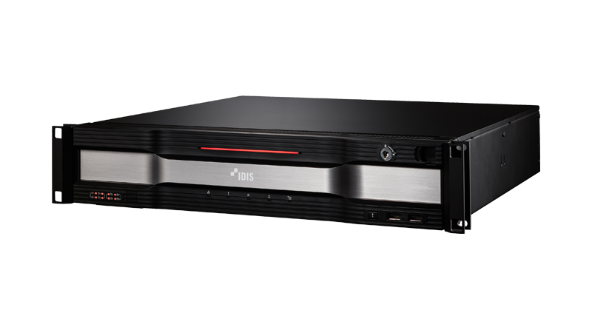 |  |  | 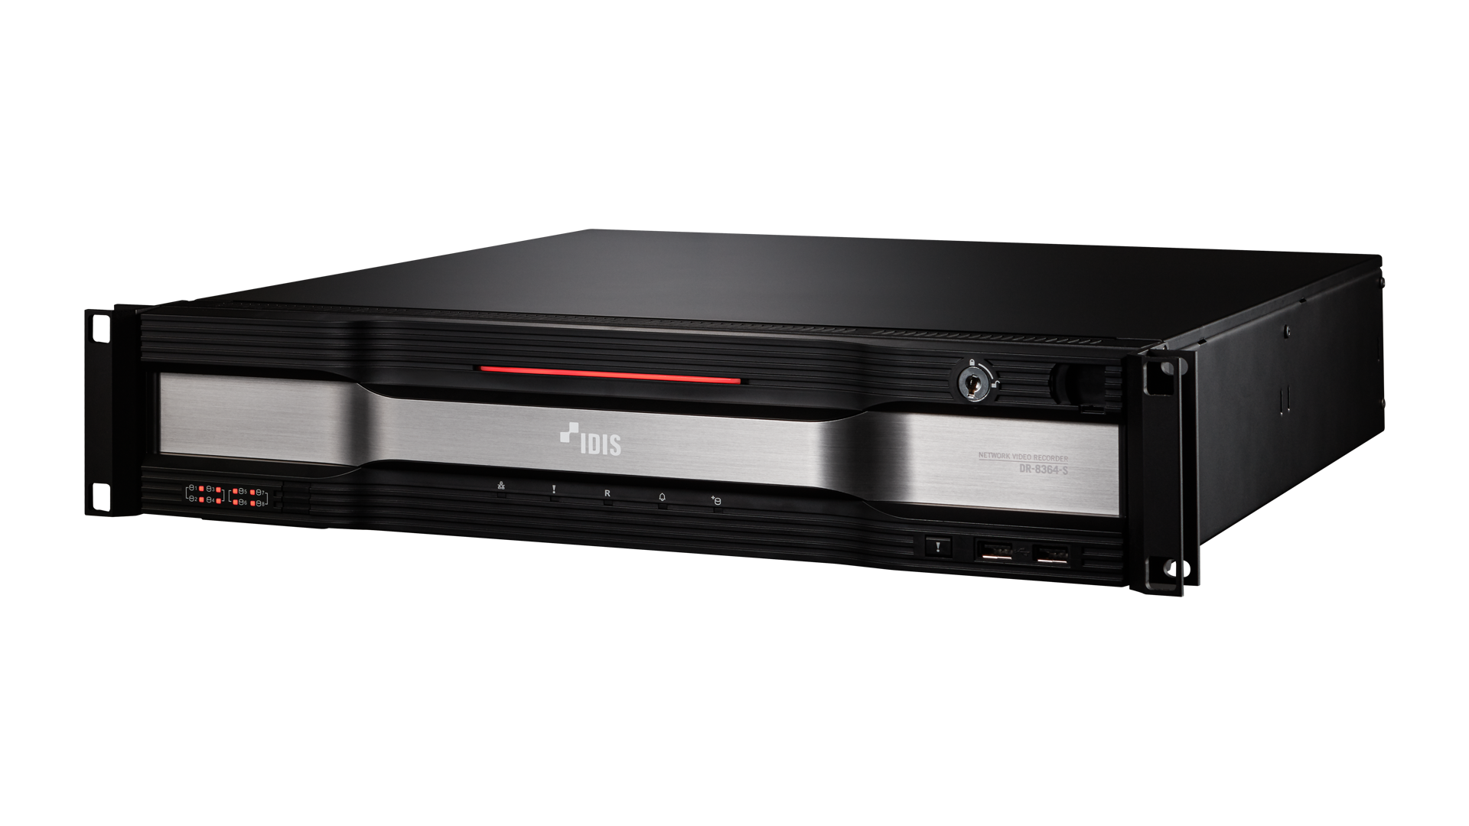
Release Date | 2022.2 | 2022.2 | 2022.2 | 2022.9 | 2022.9
Title | DirectIP 8500 Series H.265 4K Recorder | DirectIP 8500 Series H.265 4K Recorder | DirectIP 8500 Series H.265 4K Recorder | DirectIP 8500 Series H.265 4K Recorder | DirectIP 8500 Series H.265 4K Recorder
Video
Video Inputs | 16 IP Channels | 32 IP Channels | 32 IP Channels | 64 IP Channels | 64 IP Channels
Max. Incoming Throughput | 320Mbps | 370Mbps | 370Mbps | 540Mbps | 540Mbps
Live + Recording + Remote | (90 + 180 + 50) | (90 + 230+ 50) | (90 + 230+ 50) | (90 + 400 + 50) | (90 + 400 + 50)
Supported Camera | DirectIP, AXIS, PANASONIC, ONVIF | DirectIP, AXIS, PANASONIC, ONVIF | DirectIP, AXIS, PANASONIC, ONVIF | DirectIP, AXIS, PANASONIC, ONVIF | DirectIP, AXIS, PANASONIC, ONVIF
Video Outputs | 2 HDMI | 2 HDMI | 2 HDMI | 2 HDMI | 2 HDMI
Display Layout | 1x1, 2x2, 3x3, 4x4, 1p5, 1p7, 1x3, 1x2, 1p12 | 1x1, 2x2, 3x3, 4x4, 5x5, 6x6, 1p5, 1p7, 1x3, 1x2, 1p12 | 1x1, 2x2, 3x3, 4x4, 5x5, 6x6, 1p5, 1p7, 1x3, 1x2, 1p12 | 1x1, 1x2, 1x3, 2x2, 3x3, 4x4, 5x5, 6x6, 7x7, 8x8, 1p5, 1p7, 1p12 | 1x1, 1x2, 1x3, 2x2, 3x3, 4x4, 5x5, 6x6, 7x7, 8x8, 1p5, 1p7, 1p12
Display Resolution | HDMI : 3840x2160, 1920 x 1200 , 1920 x 1080, 1680 x 1050, 1600 x 1200 | HDMI : 3840 x 2160, 1920 x 1200 , 1920 x 1080, 1680 x 1050, 1600 x 1200 | HDMI : 3840 x 2160, 1920 x 1200 , 1920 x 1080, 1680 x 1050, 1600 x 1200 | HDMI : 3840x2160, 1920 x 1200 , 1920 x 1080, 1680 x 1050, 1600 x 1200 | HDMI : 3840x2160, 1920 x 1200 , 1920 x 1080, 1680 x 1050, 1600 x 1200
Display Speed | Up to 480ips | Up to 960ips | Up to 960ips | Up to 1080ips | Up to 1080ips
Max. Display Throughput | 90Mbps, up to 16ch@Full HD / 4ch@UHD | 90Mbps, up to 16ch@Full HD / 4ch@UHD | 90Mbps, up to 16ch@Full HD / 4ch@UHD | 90Mbps, up to 16ch@Full HD / 4ch@UHD | 90Mbps, up to 16ch@Full HD / 4ch@UHD
Digital Zoom | x2 ~ x12 | x2 ~ x12 | x2 ~ x12 | x2 ~ x12 | x2 ~ x12
NVR Side Dewarping | Yes | Yes | Yes | Yes | Yes
Recording
Max. Throughput | 180Mbps, 480ips@UHD | 230Mbps, 960ips@UHD | 230Mbps, 960ips@UHD | 400Mbps, 1920ips@UHD | 400Mbps, 1920ips@UHD
Recording Resolution | Up to 12MP (Depending on IP Camera) | Up to 12MP (Depending on IP Camera) | Up to 12MP (Depending on IP Camera) | Up to 12MP (Depending on IP Camera) | Up to 12MP (Depending on IP Camera)
Recording Bitrate | Depeding on IP Camera | Depeding on IP Camera | Depeding on IP Camera | Depending on IP Camera | Depending on IP Camera
Video Compression | H.265, H.264 | H.265, H.264 | H.265, H.264 | H.265, H.264 | H.265, H.264
Recording Mode | Time-lapse, Event, Pre-event, Panic | Time-lapse, Event, Pre-event, Panic | Time-lapse, Event, Pre-event, Panic | Time-lapse, Event, Pre-event, Panic | Time-lapse, Event, Pre-event, Panic
Trigger Event | IDLA(Object Detection, Intrusion, Loitering, Line Crossing, Face Detection), BI(Exceed Occupancy Limit, Social Distancing, Mask Rule Violation, Queue Congestion), Motion, Trip-zone, Tampering, Video Loss, Audio Detection, Alarm In, Network Alarm, Text-in, System, Etc. | IDLA(Object Detection, Intrusion, Loitering, Line Crossing, Face Detection), BI(Exceed Occupancy Limit, Social Distancing, Mask Rule Violation, Queue Congestion), Motion, Trip-zone, Tampering, Video Loss, Audio Detection, Alarm In, Network Alarm, Text-in, System, Etc. | IDLA(Object Detection, Intrusion, Loitering, Line Crossing, Face Detection), BI(Exceed Occupancy Limit, Social Distancing, Mask Rule Violation, Queue Congestion), Motion, Trip-zone, Tampering, Video Loss, Audio Detection, Alarm In, Network Alarm, Text-in, System, Etc. | IDLA(Object Detection, Intrusion, Loitering, Line Crossing, Face Detection), BI(Exceed Occupancy Limit, Social Distancing, Mask Rule Violation, Queue Congestion), Motion, Trip-zone, Tampering, Video Loss, Audio Detection, Alarm In, Network Alarm, Text-in, System, Etc. | IDLA(Object Detection, Intrusion, Loitering, Line Crossing, Face Detection), BI(Exceed Occupancy Limit, Social Distancing, Mask Rule Violation, Queue Congestion), Motion, Trip-zone, Tampering, Video Loss, Audio Detection, Alarm In, Network Alarm, Text-in, System, Etc.
Event Action |  | Record, Alarm-Out, Notification, Move PTZ, Event Monitoring | Record, Alarm-Out, Notification, Move PTZ, Event Monitoring | Record, Alarm-Out, Notification, Move PTZ, Event Monitoring | Record, Alarm-Out, Notification, Move PTZ, Event Monitoring
Playback
Performance | 16ch synchronous playback | 32ch synchronous playback | 32ch synchronous playback | 64ch synchronous playback | 64ch synchronous playback
Search Mode | Time-lapse, Event Log, Text-in, Thumbnail, Metadata(via IDIS Center, IDIS Solution Suite) | Time-lapse, Event Log, Text-in, Thumbnail, Metadata(via IDIS Center, IDIS Solution Suite) | Time-lapse, Event Log, Text-in, Thumbnail, Metadata(via IDIS Center, IDIS Solution Suite) | Time-lapse, Event Log, Text-in, Thumbnail, Metadata(via IDIS Center, IDIS Solution Suite) | Time-lapse, Event Log, Text-in, Thumbnail, Metadata(via IDIS Center, IDIS Solution Suite)
Digital Zoom | x2 ~ x12 | x2 ~ x12 | x2 ~ x12 | x2 ~ x12 | x2 ~ x12
Storage
HDD | SATA x 8, eSATA x 4, RAID 1, 5, 6, 10 Supported | SATA x 8, eSATA x 4, RAID 1, 5, 6, 10 Supported | SATA x 8, eSATA x 4, RAID 1, 5, 6, 10 Supported | SATA x 8, eSATA x 4, RAID 1, 5, 10 Supported | SATA x 8, eSATA x 4, RAID 1, 5, 10 Supported
Total Capacity | 144TB=10TB x 8(Internal) + 4TB x 4x4(External) | 144TB=10TB x 8(Internal) + 4TB x 4x4(External) | 144TB=10TB x 8(Internal) + 4TB x 4x4(External) | 360TB=18TB x 8(Internal) + 18TB x 4x4(External) | 360TB=18TB x 8(Internal) + 18TB x 4x4(External)
Data Export Device | USB HDD, USB Stick | USB HDD, USB Stick | USB HDD, USB Stick | USB HDD, USB Stick | USB HDD, USB Stick
Data Export Format | IDIS Player, AVI, JPG | IDIS Player, AVI, JPG | IDIS Player, AVI, JPG | IDIS Player, AVI, JPG | IDIS Player, AVI, JPG
Network
Client Connection | Gigabit Ethernet (Client) x 1 | Gigabit Ethernet (Client) x 1 | Gigabit Ethernet (Client) x 1 | Gigabit Ethernet(Client) x 1 | Gigabit Ethernet(Client) x 1
Video In Connection | Gigabit Ethernet(Video In) x 3, SFP(Video In ) x 2 | Gigabit Ethernet(Video In) x 3, SFP(Video In ) x 2 | Gigabit Ethernet(Video In) x 3, SFP(Video In ) x 2 | Gigabit Ethernet(Video In) x 3, SFP(Video In ) x 2 | Gigabit Ethernet(Video In) x 3, SFP(Video In ) x 2
Transmission Speed | 50Mbps / 100Mbps (BRP Mode) | 50Mbps / 100Mbps (BRP Mode) | 50Mbps / 100Mbps (BRP Mode) | 50Mbps / 100Mbps (BRP Mode) | 50Mbps / 100Mbps (BRP Mode)
PSE Power | - | - | - | - | -
Event Notification | Email (Attach Clip (.cbf) .MP4), Callback to Remote S/W, Push Notification (IDIS Mobile) | Email (Attach Clip (.cbf) .MP4), Callback to Remote S/W, Push Notification (IDIS Mobile) | Email (Attach Clip (.cbf) .MP4), Callback to Remote S/W, Push Notification (IDIS Mobile) | Email (Attach Clip (.cbf) .MP4), Callback to Remote S/W, Push Notification (IDIS Mobile) | Email (Attach Clip (.cbf) .MP4), Callback to Remote S/W, Push Notification (IDIS Mobile)
Two-way Audio | Yes | Yes | Yes | Yes | Yes
Interface
Audio In / Out | Local (NVR) : 1 RCA / 1RCA + 2HDMI IP Camera : 16 / 16 (Depending on IP Camera) | Local (NVR) : 1 RCA / 1RCA + 2HDMI IP Camera : 32 / 32 (Depending on IP Camera) | Local (NVR) : 1 RCA / 1RCA + 2HDMI IP Camera : 32 / 32 (Depending on IP Camera) | Local (NVR) : 1 RCA / 1RCA + 2HDMI IP Camera : 64 / 64 (Depending on IP Camera) | Local (NVR) : 1 RCA / 1RCA + 2HDMI IP Camera : 64 / 64 (Depending on IP Camera)
Sampling Frequency Live / Record | 16KHz sampling, 16bit per sample | 16KHz sampling, 16bit per sample | 16KHz sampling, 16bit per sample | 16KHz sampling, 16bit per sample | 16KHz sampling, 16bit per sample
Audio Data Size | 64Kbps (per channel) | 64Kbps (per channel) | 64Kbps (per channel) | 64Kbps (per channel) | 64Kbps (per channel)
Audio Compression | G.711, G.726 | G.711, G.726 | G.711, G.726 | G.711, G.726 | G.711, G.726
Alarm In / Out | Local(NVR) : 16 / 4 IP Camera : 16 / 16 (Depending on IP Camera) | Local(NVR) : 16 / 4 IP Camera : 32 / 32 (Depending on IP Camera) | Local(NVR) : 16 / 4 IP Camera : 32 / 32 (Depending on IP Camera) | Local(NVR) : 4 / 1 IP Camera : 64 / 64 (Depending on IP Camera) | Local(NVR) : 4 / 1 IP Camera : 64 / 64 (Depending on IP Camera)
Alarm Characteristics | 16 TTL, NC/NO Programmable, 2.4V(NC) or 0.3V(NO) threshold, 5V DC | 16 TTL, NC/NO Programmable, 2.4V(NC) or 0.3V(NO) threshold, 5V DC | 16 TTL, NC/NO Programmable, 2.4V(NC) or 0.3V(NO) threshold, 5V DC | 4 TTL, NC/NO Programmable, 2.4V(NC) or 0.3V(NO) threshold, 5V DC | 4 TTL, NC/NO Programmable, 2.4V(NC) or 0.3V(NO) threshold, 5V DC
Internal Buzzer | Yes | Yes | Yes | Yes | Yes
Alarm Reset In | Yes | Yes | Yes | Yes | Yes
Serial Interface | RS232 (Terminal Block), RS485 (Terminal Block) | RS232 (Terminal Block), RS485 (Terminal Block) | RS232 (Terminal Block), RS485 (Terminal Block) | RS232 (Terminal Block), RS485 (Terminal Block) | RS232 (Terminal Block), RS485 (Terminal Block)
USB | USB 2.0 x 2, USB 3.0 x 1 | USB 2.0 x 2, USB 3.0 x 1 | USB 2.0 x 2, USB 3.0 x 1 | USB 2.0 x 2, USB 3.0 x 1 | USB 2.0 x 2, USB 3.0 x 1
User Interface | Mouse, IR Remote Control, Network Remote Keyboard, Front Button(Panic) | Mouse, IR Remote Control, Network Remote Keyboard, Front Button(Panic) | Mouse, IR Remote Control, Network Remote Keyboard, Front Button(Panic) | Mouse, IR Remote Control, Network Remote Keyboard, Front Button(Panic) | Mouse, IR Remote Control, Network Remote Keyboard, Front Button(Panic)
General
Operating System | Embedded Linux | Embedded Linux | Embedded Linux | Embedded Linux | Embedded Linux
System Language | English, French, German, Italian, Spanish, Dutch, Danish, Russian, Polish, Hungarian, Czech, Portuguese, Croatian, Finnish, Swedish, Turkish, Korean, Japanese | English, French, German, Italian, Spanish, Dutch, Danish, Russian, Polish, Hungarian, Czech, Portuguese, Croatian, Finnish, Swedish, Turkish, Korean, Japanese | English, French, German, Italian, Spanish, Dutch, Danish, Russian, Polish, Hungarian, Czech, Portuguese, Croatian, Finnish, Swedish, Turkish, Korean, Japanese | English, French, German, Italian, Spanish, Dutch, Danish, Russian, Polish, Hungarian, Czech, Portuguese, Croatian, Finnish, Swedish, Turkish, Korean, Japanese | English, French, German, Italian, Spanish, Dutch, Danish, Russian, Polish, Hungarian, Czech, Portuguese, Croatian, Finnish, Swedish, Turkish, Korean, Japanese
User Guide Language | English, Korean, Japanese German, Italian, French, Spanish, Dutch, Turkish, Russian | English, Korean, Japanese German, Italian, French, Spanish, Dutch, Turkish, Russian | English, Korean, Japanese German, Italian, French, Spanish, Dutch, Turkish, Russian | English, Korean, Japanese, German, Italian, French, Spanish, Dutch, Turkish, Russian | English, Korean, Japanese, German, Italian, French, Spanish, Dutch, Turkish, Russian
Quick Guide Language | English, Korean, Japanese German, Italian, French, Spanish, Dutch, Turkish, Russian | English, Korean, Japanese German, Italian, French, Spanish, Dutch, Turkish, Russian | English, Korean, Japanese German, Italian, French, Spanish, Dutch, Turkish, Russian | English, Korean, Japanese, German, Italian, French, Spanish, Dutch, Turkish, Russian | English, Korean, Japanese, German, Italian, French, Spanish, Dutch, Turkish, Russian
Main Processor | Intel, X6413E | Intel, X6413E | Intel, X6413E | Intel, X6425E | Intel, X6425E
Environmental
Operating Temperature | 0°C to 40°C (32℉ ~ 104℉) | 0°C to 40°C (32℉ ~ 104℉) | 0°C to 40°C (32℉ ~ 104℉) | 0°C to 40°C (32℉ ~ 104℉) | 0°C to 40°C (32℉ ~ 104℉)
Operating Humidity | 0% ~ 90% | 0% ~ 90% | 0% ~ 90% | 0% ~ 90% | 0% ~ 90%
Electrical
Power Input | 100-240V~, 50/60Hz, 6.0 - 3.0A | 100-240V~, 50/60Hz, 6.0 - 3.0A | 100-240V~, 50/60Hz, 8.0 - 4.0A | 100-240V~, 50/60Hz, 6.0 - 3.0A | 100-240V~, 50/60Hz, 8.0 - 4.0A
Power Consumption | 100-240V~, 50/60Hz, 6.0 - 3.0A, 130W | 100-240V~, 50/60Hz, 6.0 - 3.0A, 130W | 100-240V~, 50/60Hz, 8.0 - 4.0A, 100W x 2 | 100-240V~, 50/60Hz, 6.0 - 3.0A, 145W | 100-240V~, 50/60Hz, 8.0 - 4.0A, 145W x2
Approval | FCC, UL, CE, CB, KC, PSE | FCC, UL, CE, CB, KC, PSE | FCC, UL, CE, CB, KC, PSE | FCC, UL, CE, CB, KC, PSE | FCC, UL, CE, CB, KC, PSE
Mechanical
Unit Dimensions (W x H x D) | 482.6mm x 88mm x 529.5mm (19" x 3.5" x 20.8") | 482.6mm x 88mm x 529.5mm (19" x 3.5" x 20.8") | 482.6mm x 88mm x 529.5mm (19" x 3.5" x 20.8") | 482.6mm x 88mm x 529.5mm (19" x 3.5" x 20.8") | 482.6mm x 88mm x 529.5mm (19" x 3.5" x 20.8")
Unit Weight | 11.3kg (24.8lb) (with 2 HDDs) | 11.25kg (24.8lb) (with 2 HDDs) | 12.6kg (27.8lb) (with 2 HDDs) | 11.16kg (24.6lb) (with 2 HDDs) | 12.2kg (27.0lb) (with 2 HDDs)
Shipment Dimensions (W x H x D) | 660mm x 250mm x 610mm (26.0" x 9.8" x 24.0") | 660mm x 250mm x 610mm (26.0" x 9.8" x 24.0") | 660mm x 250mm x 610mm (26.0" x 9.8" x 24.0") | 660mm x 250mm x 610mm (26.0" x 9.8" x 24.0") | 660mm x 250mm x 610mm (26.0" x 9.8" x 24.0")
Shipment Weight | 14.4kg (with 2 HDDs) | 14.2kg (31.3lb) (with 2 HDDs) | 15.7kg (34.6lb) (with 2 HDDs) | 15.7kg (34.6lb) (with 2 HDDs) | 15.7kg (34.6lb) (with 2 HDDs)
For Marketing Material Only
Key Feature | - Total incoming throughput 320Mbps - Up to 480ips UHD real-time recording - Supports H.265 / H.264 codec - Supports UHD display - Up to 480ips live display - Easy to install, set-up, and play with DirectIP cameras - Supports RAID 1, 5, 6, 10 - Supports one click network configuration through FEN service - Supports IDLA events with AI metadata Search (via IDIS Center, IDIS Solution Suite) - Supports BI analytics and events with VA Dashboard (via IDIS Center, IDIS Solution Suite) - Supports third party cameras (Axis, Panasonic, ONVIF) | - Total incoming throughput 370Mbps - Up to 960ips UHD real-time recording - Supports H.265 / H.264 codec - Supports UHD display - Up to 960ips live display - Easy to install, set-up, and play with DirectIP cameras - Supports RAID 1, 5, 6, 10 - Supports one click network configuration through FEN service - Supports IDLA events with AI metadata Search (via IDIS Center, IDIS Solution Suite) - Supports BI analytics and events with VA Dashboard (via IDIS Center, IDIS Solution Suite) - Supports third party cameras (Axis, Panasonic, ONVIF) | - Total incoming throughput 370Mbps - Up to 960ips UHD real-time recording - Supports H.265 / H.264 codec - Supports UHD display - Up to 960ips live display - Easy to install, set-up, and play with DirectIP cameras - Supports RAID 1, 5, 6, 10 - Supports Redundant Power - Supports one click network configuration through FEN service - Supports IDLA events with AI metadata Search (via IDIS Center, IDIS Solution Suite) - Supports BI analytics and events with VA Dashboard (via IDIS Center, IDIS Solution Suite) - Supports third party cameras (Axis, Panasonic, ONVIF) | - Total incoming throughput 540Mbps - Up to 1920ips UHD real-time recording - Supports H.265 / H.264 codec - Supports UHD display - Up to 1080ips live display - Easy to install, set-up, and play with DirectIP cameras - Supports RAID 1, 5, 10 - Supports one click network configuration through FEN service - Supports IDLA events with AI metadata Search (via IDIS Center, IDIS Solution Suite) - Supports BI analytics and events with VA Dashboard (via IDIS Center, IDIS Solution Suite) - Supports third party cameras (Axis, Panasonic, ONVIF, etc) | - Total incoming throughput 540Mbps - Up to 1920ips UHD real-time recording - Supports H.265 / H.264 codec - Supports UHD display - Up to 1080ips live display - Easy to install, set-up, and play with DirectIP cameras - Supports RAID 1, 5, 10 - Supports Redundant Power - Supports one click network configuration through FEN service - Supports IDLA events with AI metadata Search (via IDIS Center, IDIS Solution Suite) - Supports BI analytics and events with VA Dashboard (via IDIS Center, IDIS Solution Suite) - Supports third party cameras (Axis, Panasonic, ONVIF, etc)

