NVR_IR_IR-000
Model Name | IR-310 | IR-310D | IR-310D-B | IR-310D-A
Status | 출시완료 | 출시완료 | 출시완료 | 단종
Product Information
Project Name | PIR-310 | PIR-310 | PIR-310 | PIR-310
Model Name (HLV4) | IR-310 | IR-310D | IR-310D-B | IR-310D-A
BRAND-GL Label Name | IR-310 | IR-310D | IR-310D-B | IR-310D-A
BRAND-KR Label Name | IR-310 | IR-310D | IR-310D-B | IR-310D-A
Product Img | 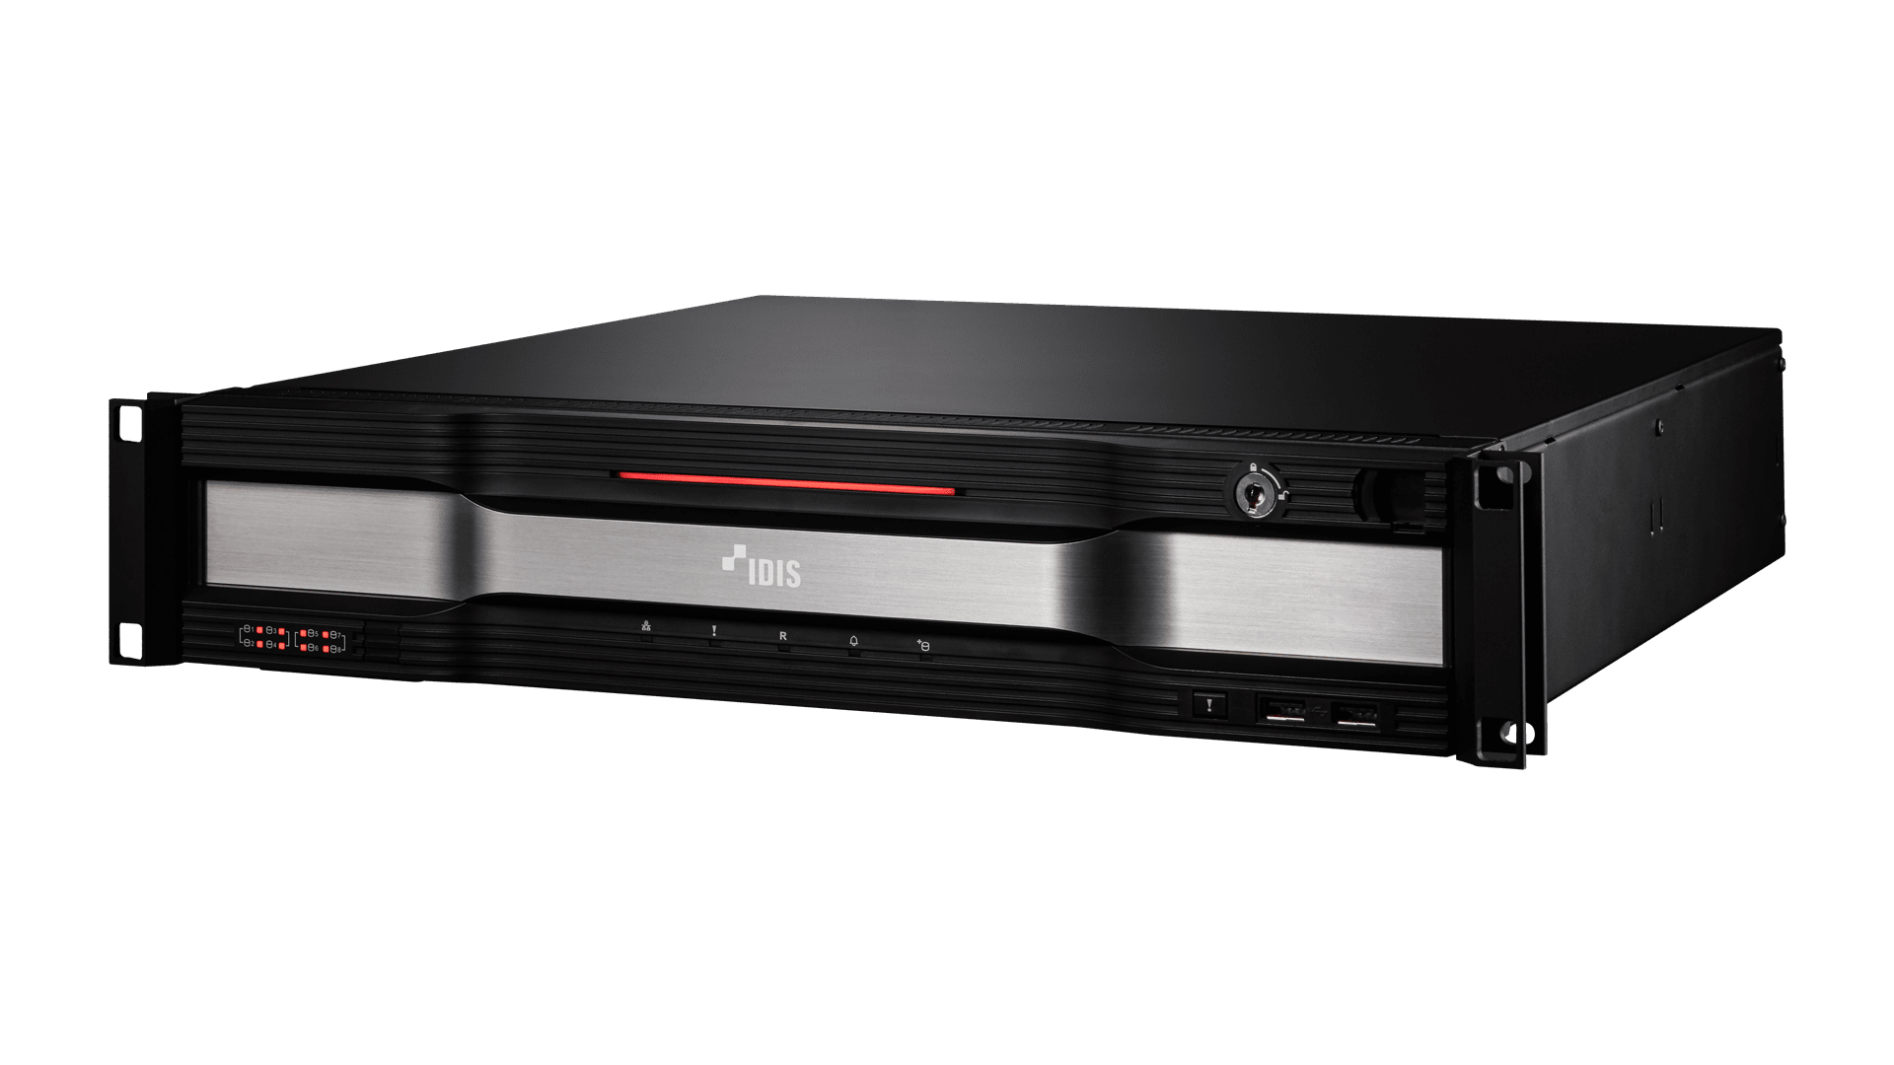
Release Date | 2022.4 | 2022.4 | 2024.1 | 2022.4
Title | Preinstalled VMS with IDIS workstation | Preinstalled VMS with IDIS workstation | Preinstalled VMS with IDIS workstation | Preinstalled VMS with IDIS workstation
Video
Video Inputs | 64Ch Recommanded | 64Ch Recommanded | 64Ch Recommanded | 64Ch Recommanded
Video Outputs | 2 HDMI 2.0 | 2 HDMI 2.0 | 2 HDMI 2.0 | 2 HDMI 2.0
Recording
Max. Throughput | Up to 400Mbps | Up to 400Mbps | Up to 400Mbps | Up to 400Mbps
Storage
HDD | SATA x 8, eSATA x 3, RAID 1, 5, 10 Supported, Hot-swappable | SATA x 8, eSATA x 3, RAID 1, 5, 10 Supported, Hot-swappable | SATA x 8, eSATA x 3, RAID 1, 5, 10 Supported, Hot-swappable | SATA x 8, eSATA x 3, RAID 1, 5, 10 Supported, Hot-swappable
SSD | 240G SSD for Operating System (M.2 type) | 240G SSD for Operating System (M.2 type) | 240G SSD for Operating System (M.2 type) | 240G SSD for Operating System (M.2 type)
Network
Network Connection | 2 GbE RJ-45 Ports (1000Base-T) | 2 GbE RJ-45 Ports (1000Base-T) | 2 GbE RJ-45 Ports (1000Base-T) | 2 GbE RJ-45 Ports (1000Base-T)
Interface
USB | 6 ( 2 Front USB 2.0 + 3 Back USB 3.0 Type-A + 1 Back USB 3.0 Type-C ) | 6 ( 2 Front USB 2.0 + 3 Back USB 3.0 Type-A + 1 Back USB 3.0 Type-C ) | 6 ( 2 Front USB 2.0 + 3 Back USB 3.0 Type-A + 1 Back USB 3.0 Type-C) | 6 ( 2 Front USB 2.0 + 3 Back USB 3.0 Type-A + 1 Back USB 3.0 Type-C)
Serial Interface | - | - | - | -
General
Supported Service | IDIS Solution Suite Expert and Federation Service | IDIS Solution Suite Expert and Federation Service | IDIS Solution Suite Expert and Federation Service | IDIS Solution Suite Expert and Federation Service
Supported Version | Version 3.6.0 or Higher | Version 3.6.0 or Higher | Version 3.6.0 or Higher | Version 3.6.0 or Higher
Operating System | Microsoft® Windows 10 Iot Enterprise | Microsoft® Windows 10 Iot Enterprise | Microsoft® Windows 10 Iot Enterprise | Microsoft® Windows 10 Iot Enterprise
Processor | Intel® I5-10500, 3.1GHz | Intel® I5-10500, 3.1GHz | Intel® I7-10700, 2.9GHz | Intel® I7-10700K, 3.8GHz
Memory | DDR4 PC-25600, 8GB | DDR4 PC-25600, 16GB | DDR4 PC-25600, 32GB | DDR4 PC-25600, 32GB
Environmental
Operating Temperature | 0°C to 40°C (32°F to 104°F) | 0°C to 40°C (32°F to 104°F) | 0°C to 40°C (32°F to 104°F) | 0°C to 40°C (32°F to 104°F)
Operating Humidity | 0% ~ 90% | 0% ~ 90% | 0% ~ 90% | 0% ~ 90%
Electrical
Power Input | 100-240V~, 50/60 Hz, 6.0 - 3.0A | 100-240V~, 50/60 Hz, 8.0 - 4.0A (Redundant) | 100-240V~, 50/60 Hz, 8.0 - 4.0A (Redundant) | 100-240V~, 50/60 Hz, 8.0 - 4.0A (Redundant)
Power Consumption | 190W | 120W x 2 | 120W x 2 | 120W x 2
Approval | FCC, CE, CB, UL, PSE, KC | FCC, CE, CB, UL, PSE, KC | KC | KC
Mechanical
Unit Dimensions (W x H x D) | 482.6mm x 88mm x 523.5mm (19" x 3.5" x 20.6") | 482.6mm x 88mm x 537mm (19" x 3.5" x 21.1") | 482.6mm x 88mm x 537mm (19" x 3.5" x 21.1") | 482.6mm x 88mm x 537mm (19" x 3.5" x 21.1")
Unit Weight | 11.5kg (25.35lb) | 12.6kg (27.8lb) | 12.6kg (27.8lb) | 12.6kg (27.8lb)
Shipment Dimensions (W x H x D) | 660mm x 250mm x 610mm (26.0" x 9.8" x 24.0") | 660mm x 250mm x 610mm (26.0" x 9.8" x 24.0") | 540mm x 290mm x 590mm (21.3" x 11.4" x 23.2") | 540mm x 290mm x 590mm (21.3" x 11.4" x 23.2")
Shipment Weight | 15.1kg (33.29lb) | 15.9kg (35.1lb) | 15.9kg (35.1lb) | 15.9kg (35.1lb)
For Marketing Material Only
Key Feature | - Pre-installed with IDIS Solution Suite VMS - Tested and validated with IDIS Solution Suite up to 32 Full HD H.264/265 IP cameras - Storage configuration: 8 SATA + 3 eSATA Ports - Equipped with RAID 1, 5, 10 recording, Hot swappable - Supports up to 64 Full HD cameras in real-time for enterprise-level surveillance systems - 400Mbps maximum recording bandwidth per server - Complete compatibility with IDIS components: IP cameras, analog DVR, DirectCX TVR, DirectIP NVR, and encoders - 2U rack mount chassis - Supports H.264, H.265 compression, and Intelligent Codec - Supports Onvif Profile S, Axis, Panasonic, etc. | - Pre-installed with IDIS Solution Suite VMS - Tested and validated with IDIS Solution Suite up to 32 Full HD H.264/265 IP cameras - Storage configuration: 8 SATA + 3 eSATA Ports - Equipped with RAID 1, 5, 10 recording, Hot swappable - Supports up to 64 Full HD cameras in real-time for enterprise-level surveillance systems - 400Mbps maximum recording bandwidth per server - Complete compatibility with IDIS components: IP cameras, analog DVR, DirectCX TVR, DirectIP NVR, and encoders - 2U rack mount chassis - Supports H.264, H.265 compression, and Intelligent Codec - Supports Onvif Profile S, Axis, Panasonic, etc. - Stable Power Management with Redundant Power Supply | - Pre-installed with IDIS Solution Suite VMS - Tested and validated with IDIS Solution Suite up to 32 Full HD H.264/265 IP cameras - Storage configuration: 8 SATA + 3 eSATA Ports - Equipped with RAID 1, 5, 10 recording, Hot swappable - Supports up to 64 Full HD cameras in real-time for enterprise-level surveillance systems - 400Mbps maximum recording bandwidth per server - Complete compatibility with IDIS components: IP cameras, analog DVR, DirectCX TVR, DirectIP NVR, and encoders - 2U rack mount chassis - Supports H.264, H.265 compression, and Intelligent Codec - Supports Onvif Profile S, Axis, Panasonic, etc. - Stable Power Management with Redundant Power Supply | - Pre-installed with IDIS Solution Suite VMS - Tested and validated with IDIS Solution Suite up to 32 Full HD H.264/265 IP cameras - Storage configuration: 8 SATA + 3 eSATA Ports - Equipped with RAID 1, 5, 10 recording, Hot swappable - Supports up to 64 Full HD cameras in real-time for enterprise-level surveillance systems - 400Mbps maximum recording bandwidth per server - Complete compatibility with IDIS components: IP cameras, analog DVR, DirectCX TVR, DirectIP NVR, and encoders - 2U rack mount chassis - Supports H.264, H.265 compression, and Intelligent Codec - Supports Onvif Profile S, Axis, Panasonic, etc. - Stable Power Management with Redundant Power Supply

