Inner Join
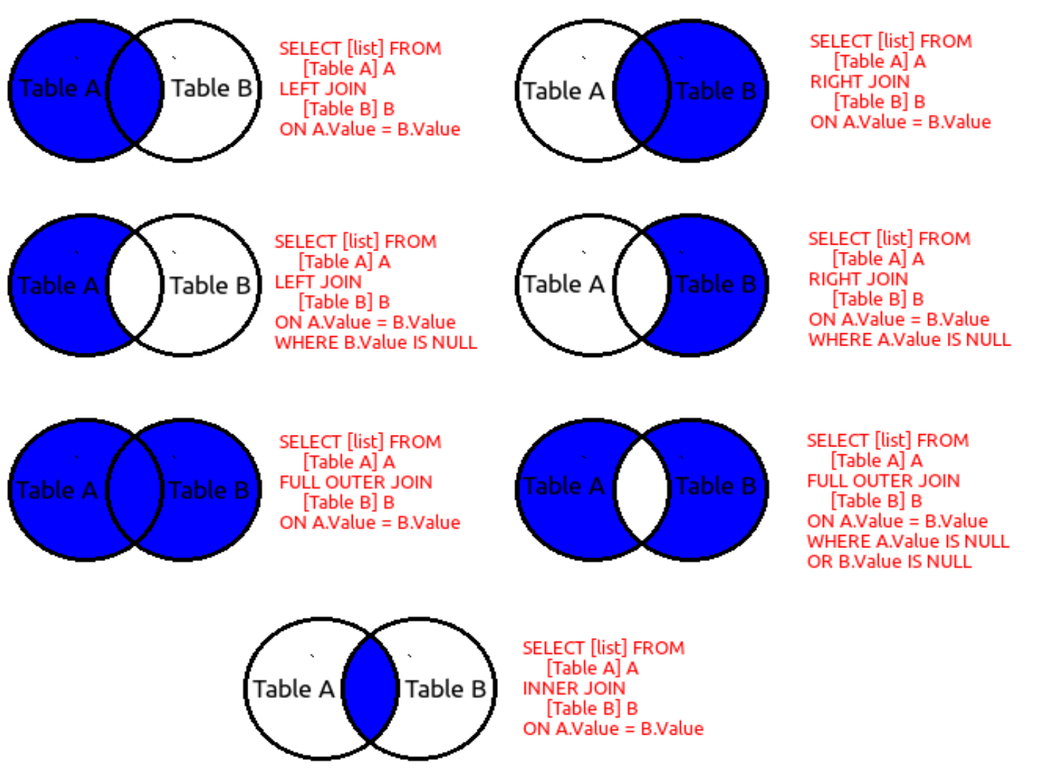
Table-A |  |  |  |  | Table-B
ID | Name |  |  |  | S.No. | Age
1 | Parmeet |  |  |  | 1 | 22
2 | Pravesh |  |  |  | 2 | 25
3 | Shikha |  |  |  | 4 | 32
4 | Shruti |  |  |  | 6 | 28
5 | Trishaan |  |  |  | 7 | 29
6 | Anit |  |  |  | 8 | 31

Inner Join | It will join both the tables based on the key having matching secondaries
Query | select a.ID, a.Name,b.S.No., b.Age from Table-A as a inner join Table-B as b on a.ID = b.S.NO.

 | ID | Name | S.No. | Age
 | 1 | Parmeet | 1 | 22
 | 2 | Pravesh | 2 | 25
 | 4 | Shruti | 4 | 32
 | 6 | Anit | 6 | 26

