Inner Join
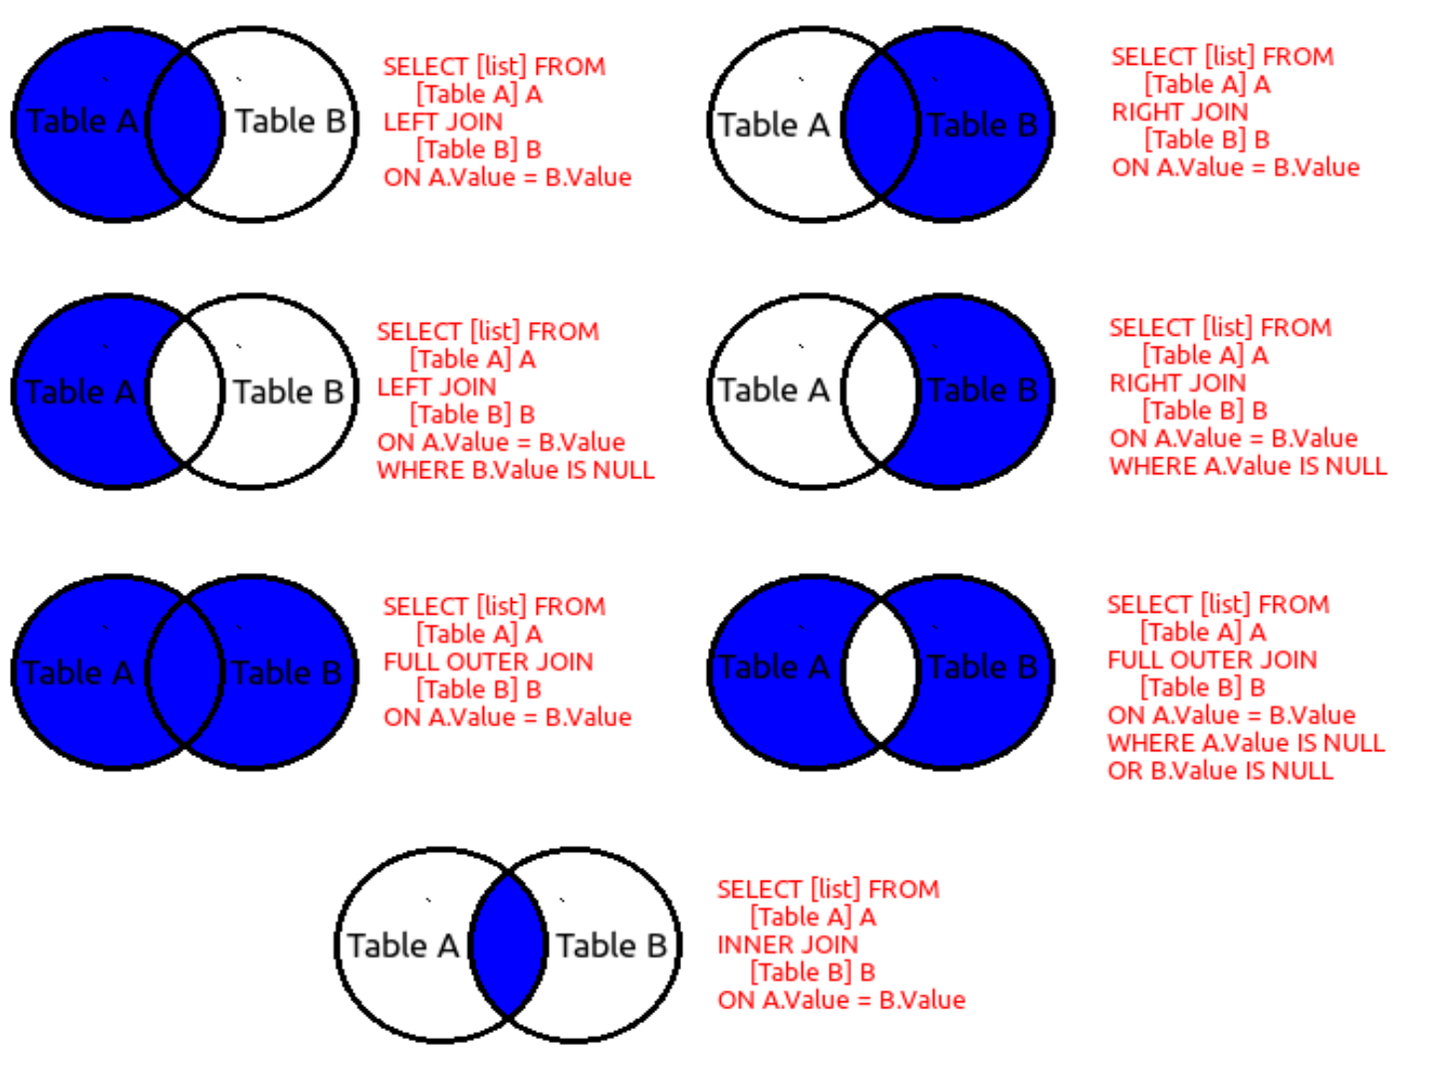
Table-A |  | "a" |  | Table-B |  | "b"
ID | Name |  |  | Sno | Age
1 | Rajesh |  |  | 1 | 21
2 | Rajnish |  |  | 3 | 22
3 | Sai |  |  | 5 | 23
4 | Shivashish |  |  | 7 | 24
5 | Aditya |  |  | 8 | 25
6 | Kunal |  |  | 9 | 26

Inner Join | It will fetch all the records from the primary table whose matching secondaries are found

Query | select a.ID, a.Name, b.Sno, b.Age from Table-A as a inner join Table-B as b on a.ID = b.Sno

 | ID | Name | Sno | Age
 | 1 | Rajesh | 1 | 21
 | 3 | Sai | 3 | 22
 | 5 | Aditya | 5 | 23

