DCF
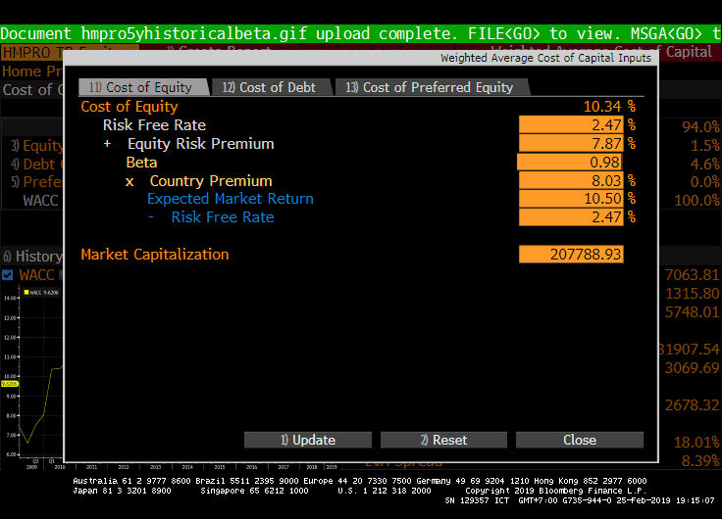
HMPRO : บริษัท โฮม โปรดักส์ เซ็นเตอร์ จำกัด (มหาชน)
amounts in millions, except per share data

WACC

Cash | 6,238
Debt | 17,262
Equity | 19,914
Wd | 0.46
We | 0.54

Tax Rate | 20%
Cost of Debt (Kd) | 2.64%

Risk Free Rate | 2.47%
Market Rate | 10.50%
Beta | 0.98
Cost of Equity (Ke) | 10.34%

WACC | 6.52%

 |  | Projected | Projected | Projected | Projected | Projected
DCF |  | 1907-01-05 | 1907-01-06 | 1907-01-07 | 1907-01-08 | 1907-01-09

Free Cash Flow to Firm (FCFF) |  | #REF! | #REF! | #REF! | #REF! | #REF!
Terminal Value of FCFF |  |  |  |  |  | #REF!
Terminal Growth Rate |  |  |  |  |  | 2.2%
Total Cash Flow |  | #REF! | #REF! | #REF! | #REF! | #REF!

Enterprise Value | #REF!
Equity Value | #REF!
Share | 13,151
Intrinsic Price | #REF!

