Sheet1
 | Կոմիտաս 49
 | Հեռ. 010 230670, 098 662180
Ապրանքի անվանում | Գին | ԱԱՀ (դր.) | ԵՐԱՇԽԻՔ

Laptop/ Netbook/ Tablet

ARCHOS 80XS Android 4.1 / Flash memory 8GB/ Ram 1GB/ White/ Front camera/ micro SD/ Bluetooth/ with Magnetic Coverboard | $220.00 | 90,000 | 6 ամիս
ARCHOS Arnova 7h G3 7" (800 x 480)/Flash memory 4GB / Ram 512MB/ Android 4.0/ ARM Cortex A8 1GHz | $105.00 | 43,000 | 6 ամիս
Android tablet PC Allwinner A13 1.2GHz/ 7”/ Dual camera/ Android 4.1.1/ 4GB memory/ Wi-Fi | $110.00 |  | 6 ամիս
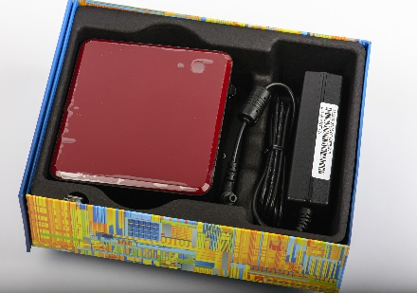
Desktop
Intel DC3217BY Core i3-3217/ 4GB memory/ 120GB SSD/ Wi-fi/ 3 x usb + LAN-USB adapter/ TB-VGA adapter | 190000 AMD

Monitor
Samsung 22SC300B 22” monitor | $144.00 |  | 6 ամիս
LG 24MN33A 24” TV monitor | $210.00 | 89,000 | 6 ամիս

Graphics Card
Afox GT630 1GB DDR3 128Bit 1333MHz | $60.00 |  | 12 ամիս
Afox GTX650 1GB DDR5 | $105.00 |  | 12 ամիս

HDD/ SSD
Toshiba MQ01ABF050 laptop HDD 2.5” | $60.00 | 25,000 | 6 ամիս
Kingston Digital 240GB SSDNow V300 SATA 3 2.5 (7mm height) with Adapter Solid State Drive SV300S37A/240G | $170.00 |  | 12 ամիս

Network
TP Link TP-WR720N Wifi Router | $19.00
TP-Link TL-WN721N USB Wifi Adapter/Wireless N adaper 150Mbps | $9.50
TP-Link TL-WR740N 150Mbps Wireless N Router | $19.00
TP-Link TL-SF1008D 8-port 10/100Mbps Desktop switch | $11.00
TP-Link TF-3239Dl 10/100Mbps PCI network adapter | $9.00
TP-Link TL-SF1016D 16-port 10/100Mbps Desktop switch | $26.00

RAM/ Flash Memory
USB Flash Silicon power Ultima U03 8 GB USB 2.0 White | $9.00
Compact flash Adata 2GB | $9.00
Lexar Jumpdrive S50 8GB | $10.00
Silicon Power 8GB, USB 2.0 FLASH DRIVE HELIOS 101, BLUE | $10.00
Silicon Power 16GB, USB 3.0 FLASH DRIVE BLAZE B06 White | $16.00
Silicon Power 16GB FLASH DRIVE TOUCH T02 | $15.50
Silicon Power 16GB FLASH DRIVE ULTIMA U03 | $15.00

Power Supply
Mercury power suply 550W Dual Fan | $13.00
Mercury power suply 550W 12cm Fan | $14.00
Coolmax V-600 600W/ 140mm silent fon | $70.00
Logisys - 550W 120MM SWTCHING PSU | $45.00

Case
Case Invader without power | $14.00
Case Copper Master 420 W 12CM FAN | $33.00

Cooler

Zalman CNPS9900A LED Ultra Quiet CPU Cooler | $75.00
CPU cooler Intel 1155 original | $4.00
CPU cooler D-Tech 1155 CL056 | $2.70

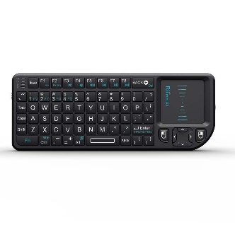
Mouse/Keyboard/Speaker/Headset
Rii Mini Wireless Keyboard with Mouse Touchpad-Black | $40.00
Wireless Mouse Memorex MX4350RF | $8.00
Genius Netscroll 120, PS/2, Black, bulk (w/o box) | $5.00
Genius NetScroll 110X comfy optical mouse | $6.00
Genius NS-6000 Wireless optical usb mouse | $10.00
Genius Xscroll optical Whell USB mouse | $6.00
Genius Netscroll 120 stylish optical USB mouse | $6.00
Wireless Keyboard + mouse Genius KB 8000 | $28.00
Keyboard Genius Slimstar i220 USB | $13.00
Keyboard Genius Slimstar i222 USB | $13.00
Genius Numpad i110 | 12.5 $
Speaker Genius SP-S110 | $10.00
Speaker Genius SP-J200 | $17.00

Other
20m VGA monitor connection cable with ferrite Core, bulk cable | $35.00
2m HDMI cable type A male - HDMI type A male,1.4 version, bulk | $4.00
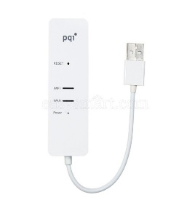
3m HDMI cable type A male - HDMI type A male,1.4 version, bulk | $5.00
5m HDMI cable type A male - HDMI type A male,1.4 version, bulk | $6.00
DVD-RW Samsung SH-224DB/BSBE | $19.00
NexStar Hard drive Dock NST-D100S2 Sata to USB 20. | $28.00
PQI WIFI.Air Card.A200.Class 10.32GB.Black.Cardboard Package. | $62.00 | 26,000
PQI Air Pen express, A500, White.Cardboard Package, Wifi AP router | $21.00 | 8,800
Emtec MP3 Player EKMP3CR205 + Apacer 2GB SD Card | $20.00
Notebook Cooling pad N-Tel Fan X-30 | $23.00
Notebook Cooling pad N-Tel Fan X-50 | $23.00
Bag Brinch BW-188 RED 7" | $16.00
Intuix Dock station | $3.00

Պատվերների դեպքում նախօրոք զանգահարել

