Sheet1
S.no | Changes Required/ Issues | Module | Issue Description | Status | MyCat Tool Remarks | MyCat Tool Remarks | Resolution Date/ETC | Groww remarks | Groww Obs. | Status | Groww Comments - 30-05 | MyCat Team Comments | Groww Comments 15-06 (Latest Status)
1 | The uploading of attachment of Circulars is not available while bulk uploading of circular in circular repository. | Circular Repository | The uploading of attachment of Circulars is not available while bulk uploading of circular in circular repository | Need To Disscuss | Need discussion | Need discussion | Awaiting | Require Discussion | - |  |  |  | TBD
2 | The "Documents button" given in Top right corner of the circular repository does not have any use case right now. | Circular Repository | The "Documents button" given in Top right corner of circular repository does not have any use case right now | Done | Button Hide | Button Hide done | 2025-05-24 | Corrected | - |  |  |  | Resolved
3 | Unable to fetch Gist and attachment of all Circular while downloading Complete Circular Repository. | Circular Repository | While downloading the Complete Circular Repository we are unable to fetch the Gist and attachment of each circular. | Done | Gist column addes in excel and rbi circular are added in system now you will able to see it. | Gist column addes in excel and rbi circular are added in system now you will able to see it. |  | Minor Changes required | Rearrange the order by keeping first column "Reg authority | Uploded On UAT | Not resolved | Done | Corrected--- Please use Forward slash (/] between Gist/Impact
4 | Names given for bulk upload of circular in circular repository i.e. Circulars, Gist is not correct. | Circular Repository | Names given for bulk upload of circular in circular repository i.e. Circulars, Gist is not correct. | Done |  | Done | 2025-05-24 | Corrected | - |  |  |  | Resolved
 | It should be "Bulk Circular Upload" instead of Circulars and "Bulk Circular Activity Upload" instead of Gist. |  | It should be "Bulk Circular Upload" instead of Circulars and "Bulk Circular Activity Upload" instead of Gist. | Done |  | Done | 2025-05-24 | Corrected | - |  |  |  | Resolved
5 | Unable to fetch Details (Actionable) while downloading assigned circular activity in excel | Circular Activity | While downloading the assigned circular activity in excel we are unable to fetch the details (actionable) | Done |  | Done | 2025-05-24 | Minor Changes required | 1 Change the word "details to "Actionable" 2. Change the word "Responsbility" to "Responsible function" | Uploded On UAT | Changes has not been done at UI level | Done | Corrected
6 | Change the word "is compliance record required" to "Evidence Required"? | Circular Activity | Change the word "is compliance record required" to "Evidence Required"? | Done |  | Done | 2025-05-24 | Corrected | - |  |  |  | Corrected
7 | User who is submitting the compliance is available to select any date even before the actionable creation date. | My Submission | The Various Function user are able to select date before the circular activity creation (actionable) date while submitting compliance status of any actionable. | Done | Logic for maximum back date that can selected will be , either 15 days or actionble created date which ever is less. | Logic for maximum back date that can selected will be , either 15 days or actionble created date which ever is less. | - | Minor Changes required | User is not able to select date backward to the target date at least it should allow till inward date of main communication under which said internal comms is created. | Uploded On UAT | 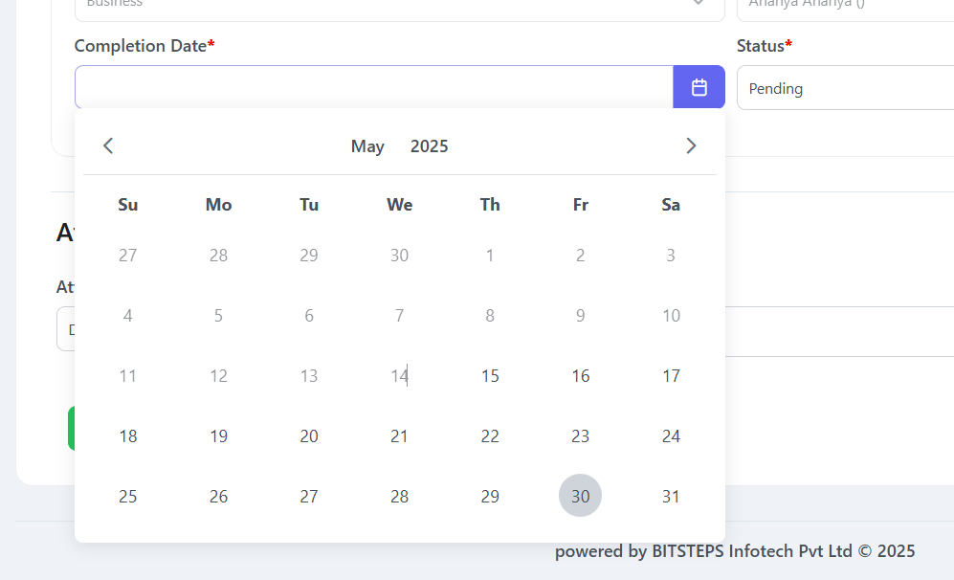 Not resolved PFA SS | Done | Corrected
8 | User is unable to see the Actionable in My submission Tab while filtering out the actionable through date filters | My Submission | The user is not able to see the assigned actionable while filtering the actionable on the basis of the due dates. | Done | Done | Done | 2025-05-24 | Corrected | - |  |  |  | Corrected
9 | Sort Issue while checking any options |  |  | Done | Table filters are only applicable for one data is fecthed they can not be persisted. Top lavel filters are persisted when user select any item and get back to ui Please refer the image for more details. | Table filters are only applicable for one data is fecthed they can not be persisted. Top lavel filters are persisted when user select any item and get back to ui Please refer the image for more details. | - | Minor Changes required | 1. Add Responsible Person in filter - "Circular Activity" 2. Single name shown mulitple times in table filter option 3. Automatically Sort basis on the below logic: A. Circular repositary: newest to oldest (Circular date) B. Circular activity : Oldest (already crossed/nearest Pending) to newest (Reg Due date) C. Communication : Oldest with Pending internal comm. status then newest with no pending internal communication D.Mysubmussion: : Oldest (already crossed/nearest Pending) to newest (Reg Due date) E. Historical Submisison: Newest to OIdest F. Internal comm. : Oldest (already crossed/nearest Pending) to newest (target date) G. All reports: Higest ageing to Lower ageing. H. Historical Submission: Newest to oldest (submission date) 4. Add Frquency filter in my submission and historical submission filter options. 5. Add table filter in every module. | Uploded On UAT | 1.If we select particular function lets say Compliance in responsible function filter then only compliance user should be visible in responsible user filter. 1a. What is "even based" in frequency filter as no such option is available in frequency while creating actionable. 2. Resolved 3b to H . Not resolved 4. Not resolved 5. Not resolved 6. please rearrange the frequency in Descending order. (one time---> Annually----> Half yearly etc.) | Done | 1. Not resolved 1a. Resolved 3b. to 3h Not resolved 4. Resolved 5. Resolved TBD
10 | Unable to see the attachments submitted by users while submitting compliance of assigned actionable/internal communication | Historical Filing -Compliance User | In "Historical Submission" we are not able to see the attachments submitted by users against their actionable and internal communication. | Done | Historical for filing and procedural : This is working, user needs to upload evidence and save the record we have shown to Mr.Ashish. For Internal Communication it has to devlop new as the module enhanced and as per requirment. We can take it as a change request. | Historical for filing and procedural : This is working, user needs to upload evidence and save the record For Internal Communication it has to devlop new as the module enhanced and as per requirment. We can take it as a change request. | 2025-05-24 | Corrected | - |  |  |  | Corrected
11 | Wrong attachment visible for CIC submission Equifax dated 07 April and 22nd April | Historical Filing -Compliance User | In "Historical Submission" tab the wrong attachments are visible for two circular activity having compliance due date 22-04-2025 and 07-05-2025 | Done |  | Done | 2025-05-24 | Corrected | - |  |  |  | Corrected
12 | "The Modules of MyCat Tool does not have any option to go Backward without clearing the applied filters/sorting. | All Module | The All Modules of MyCat Tool do not have any option to go Backward without clearing the applied filters/sorting. | Done | Same as point 9 | Same as point 9 | 2025-05-24 | Minor Changes required | Clear search buttion it is not working in every module as expected. | Uploded On UAT | 1. Circular Repo: Not working 2. Pending Internal Comms (report section) 3. No option of clear search in assigned activites tab and certificate download tab | Done | Corrected
 | Please note that ""Cancel Button"" removes the filter applied on the previous page." | All Module | Please note that "Cancel Button" removes the filter applied on the previous page. | Done |  |  |  |  |  | Uploded On UAT |  |  | Corrected
13 | We are unable to change the Reg. Due date in comms. | Communication | We have tried to change/update the regulatory due date in Communication but we are unable to do the same however the pop up is shown as successfully updated. | Done | Also Given clear date. | Also Given clear date. | 2025-05-24 | Corrected |  |  |  |  | Corrected
14 | Date of modification/alteration/change, User details, Timestamp of change, Old entry and new entry fields are missing in the audit trail preserved at your end. | Audit Trail in backend | We have checked the audit trail created in the system and found followings imp. fields are missing: 1. Date of modification/alteration/change, 2. User details, 3. Timestamp of change, 4. Old entry 5. new entry fields | Done | Communication and user trail added | Communication and user trail added | 2025-05-24 | Require evidence | Require evidence |  |  |  | Require evidence
15 | Unable to create backdated internal communication | Internal Communication | We are not able to create any internal communication for users on a backdated basis. | Done |  | Done | - | Minor Changes required | User is not able to select date backward to the target date at least it should allow till inward date of main communication under which said internal comms is created. | Uploded On UAT | Not resolved PFA SS | Done | Resolved
16 | The internal communication/ Communication has been created automatically even when a special character error has occurred. | Internal Communication | While adding communication received from RBI and creating internal communication the line item has been created in the system even if a special character has occurred. | Done |  | Done | 2025-05-24 | Corrected | - |  |  |  | Corrected
17 | Reminder and Alert - Logic | Email Issues | - | Done | If user wants to stop reminder for specific actionble then he can edit it and make them 0 | If user wants to stop reminder for specific actionble then he can edit it and make them 0 |  | Require Discussion |  |  |  |  | TBD
18 | Table given in the Alert/Reminder/Escalation email for Pending Actionable Filing is not correct as "Compliance Description" is linked instead of "Actionable Column". | Email Issues | Table given in the Alert/Reminder/Escalation email for Pending Actionable Filing is not correct as "Compliance Description" is linked instead of "Actionable Column". | WIP |  | WIP |  | Awaiting Response |  |  |  |  | Pending
19 | The Table given in the Alert/Reminder/Escalation email for Pending Internal Comm. is not correct as "Compliance Description" is linked instead of "Actionable Column". | Email Issues | Table given in the Alert/Reminder/Escalation email for Pending Internal Comm. is not correct as "Compliance Description" is linked instead of "Actionable Column". | WIP |  | WIP |  | Awaiting Response |  |  |  |  | Pending
20 | In "reminder and alert" logic, please exclude CXOs. |  |  | Done |  | Done | 2025-05-24 | Corrected | - |  |  |  | Resolved
21 | In addition to the above highlighted issues, we have noticed that users are still available in the List of responsible persons while assigning internal communication and circular activity (actionable) even if the user has been disabled in the system. |  |  | Done |  | Error found | 2025-05-24 | Minor Changes required | We are facing an error while deactivating user PFA screeshot of the same | Need To Check | Not working- PFA SS |  | Pending

