Frequency distribution table
Categorical variables. Visualization techniques
Ice cream shop

Note: You may solve these problems both on paper or in a software of your choice. The medium is not crucial.

Background | There is an ice cream shop, that is operating in New York, LA and San Francisco.
Data | You have sold 12,327 ice creams in New York; 17,129 in LA and 19,923 in San Francisco.
Task | Order the data in a frequency distribution table.

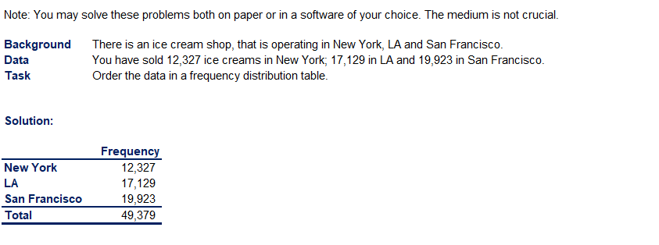
 | freuency distribution table
 |  | place | frequency
 |  | New York | 12,327
 |  | LA | 17,129
 |  | San Francisco | 19,923
 |  | total | 49,379

Bar chart
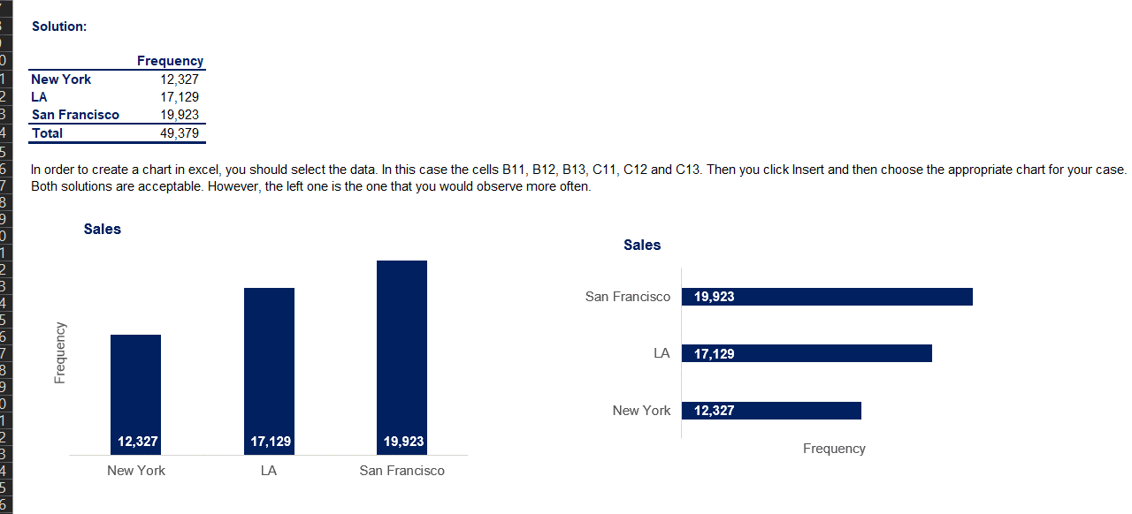
Categorical variables. Visualization techniques
Ice cream shop

Background | You have a frequency distribution table with all the sales.
Task | Create a bar chart, representing the data. Note that in Excel, the term for a bar charts are called both: 'column charts' and 'bar charts'.

 | frequency
New York | 12,327
LA | 17,129
San Francisco | 19,923

Pie chart
Categorical variables. Visualization techniques
Ice cream shop

Background | You have a frequency distribution table with all the sales.
Task 1 | Create a new column in your table, representing the relative frequency of input. You can choose to express it in percentages or as a decimal.
Task 2 | Create a pie chart, representing the share of each city to the sales of your company.

place | frequency | Relative Frequency
New York | 12,327 | 25%
LA | 17,129 | 35%
San Francisco | 19,923 | 40%
total | 49,379

