Influence Diagram
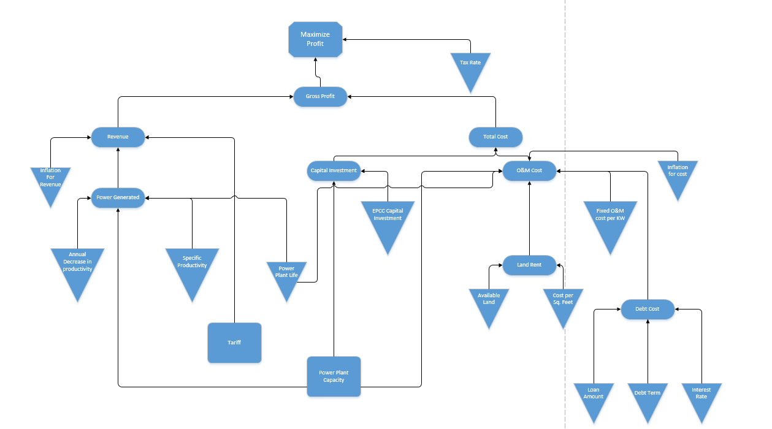

Base
Base Case Model
Group 1

Decisions
 | Power Plant lifetime(years) | 87
 | Power Plant capacity(MW) | 100
Parameters
 | Tariff($/kwhr) | 0.16
 | Specific Productivity(kwh/kwp/year) | 1300
 | Annual decrease in productivity(per year) | 1%
 | O&M Cost($/kw/ year) | 16.1
 | Loan Amount(million$) | 202.5
 | Loan Interest Rate(% per year) | 7%
 | Debt Term(years) | 25
 | Land rent ($/acre/year) | 600
 | Land area required(acre/MW) | 4
 | Tariff increment(% per year) | 1%
 | Currency Inflation Rate(% per year) | 3%
 | EPCC Cost of PV Plant ($/kw) | 2025
 | Tax Rate | 9%

Output | Net profit(million$) | 654
 | NPV | 291.5
 | IRR(net) | 5%

Calculation
 | Gross Profit(million$) | 950.7
 | Revenue(million$) | 1801.8
 | Capital investment(million$) | 202.5
 | Operations and Maintenance Cost(labors) | 648.7
 | Land Rent(million$) | 20.9
 | Debt Cost(million$) | 434.4
 | Total running cost(capex+opex)(million$) | 872.0
 | IRR(Gross) | 9%
Constraint
 |  | LHS |  | RHS
 | Capital investment(million$) | 202.5 | <= | 202.5

Calculation

 | Year ending | Date | Finyear |  | 1-Jul-17 | 1-Jul-18 | 1-Jul-19 | 1-Jul-20 | 1-Jul-21 | 1-Jul-22 | 1-Jul-23 | 1-Jul-24 | 1-Jul-25 | 1-Jul-26 | 1-Jul-27 | 1-Jul-28 | 1-Jul-29 | 1-Jul-30 | 1-Jul-31 | 1-Jul-32 | 1-Jul-33 | 1-Jul-34 | 1-Jul-35 | 1-Jul-36 | 1-Jul-37 | 1-Jul-38 | 1-Jul-39 | 1-Jul-40 | 1-Jul-41 | 1-Jul-42 | 1-Jul-43 | 1-Jul-44 | 1-Jul-45 | 2-Jul-46 | 2-Jul-47 | 2-Jul-48 | 2-Jul-49 | 3-Jul-50 | 4-Jul-51 | 3-Jul-52 | 4-Jul-53 | 4-Jul-54 | 5-Jul-55 | 4-Jul-56 | 5-Jul-57 | 6-Jul-58 | 6-Jul-59 | 6-Jul-60 | 6-Jul-61 | 7-Jul-62 | 7-Jul-63 | 7-Jul-64 | 8-Jul-65 | 8-Jul-66 | 9-Jul-67 | 8-Jul-68 | 9-Jul-69 | 9-Jul-70 | 10-Jul-71 | 10-Jul-72 | 10-Jul-73 | 11-Jul-74 | 11-Jul-75 | 11-Jul-76 | 11-Jul-77 | 12-Jul-78 | 13-Jul-79 | 12-Jul-80 | 13-Jul-81 | 13-Jul-82 | 14-Jul-83 | 13-Jul-84 | 14-Jul-85 | 15-Jul-86 | 15-Jul-87 | 15-Jul-88 | 15-Jul-89 | 16-Jul-90 | 16-Jul-91 | 16-Jul-92 | 17-Jul-93 | 17-Jul-94 | 18-Jul-95 | 17-Jul-96 | 18-Jul-97 | 18-Jul-98 | 19-Jul-99 | 20-Jul-00 | 20-Jul-01 | 21-Jul-02 | 21-Jul-03 | 21-Jul-04 | 21-Jul-05 | 22-Jul-06 | 23-Jul-07 | 22-Jul-08 | 23-Jul-09 | 23-Jul-10 | 24-Jul-11 | 23-Jul-12 | 24-Jul-13 | 25-Jul-14 | 25-Jul-15 | 25-Jul-16 | 25-Jul-17 | 26-Jul-18 | 26-Jul-19 | 26-Jul-20 | 27-Jul-21 | 27-Jul-22 | 28-Jul-23 | 27-Jul-24 | 28-Jul-25 | 28-Jul-26 | 29-Jul-27 | 29-Jul-28 | 29-Jul-29 | 30-Jul-30 | 30-Jul-31 | 30-Jul-32 | 30-Jul-33 | 31-Jul-34 | 1-Aug-35 | 31-Jul-36 | 1-Aug-37 | 1-Aug-38 | 2-Aug-39 | 1-Aug-40 | 2-Aug-41 | 3-Aug-42 | 3-Aug-43 | 3-Aug-44 | 3-Aug-45 | 4-Aug-46 | 4-Aug-47 | 4-Aug-48 | 5-Aug-49 | 5-Aug-50 | 6-Aug-51 | 5-Aug-52 | 6-Aug-53 | 6-Aug-54 | 7-Aug-55 | 7-Aug-56 | 7-Aug-57 | 8-Aug-58 | 8-Aug-59 | 8-Aug-60 | 8-Aug-61 | 9-Aug-62 | 10-Aug-63 | 9-Aug-64 | 10-Aug-65 | 10-Aug-66 | 11-Aug-67
 | Year Counter | Number | yearcounter |  |  | 1 | 2 | 3 | 4 | 5 | 6 | 7 | 8 | 9 | 10 | 11 | 12 | 13 | 14 | 15 | 16 | 17 | 18 | 19 | 20 | 21 | 22 | 23 | 24 | 25 | 26 | 27 | 28 | 29 | 30 | 31 | 32 | 33 | 34 | 35 | 36 | 37 | 38 | 39 | 40 | 41 | 42 | 43 | 44 | 45 | 46 | 47 | 48 | 49 | 50 | 51 | 52 | 53 | 54 | 55 | 56 | 57 | 58 | 59 | 60 | 61 | 62 | 63 | 64 | 65 | 66 | 67 | 68 | 69 | 70 | 71 | 72 | 73 | 74 | 75 | 76 | 77 | 78 | 79 | 80 | 81 | 82 | 83 | 84 | 85 | 86 | 87 | 88 | 89 | 90 | 91 | 92 | 93 | 94 | 95 | 96 | 97 | 98 | 99 | 100 | 101 | 102 | 103 | 104 | 105 | 106 | 107 | 108 | 109 | 110 | 111 | 112 | 113 | 114 | 115 | 116 | 117 | 118 | 119 | 120 | 121 | 122 | 123 | 124 | 125 | 126 | 127 | 128 | 129 | 130 | 131 | 132 | 133 | 134 | 135 | 136 | 137 | 138 | 139 | 140 | 141 | 142 | 143 | 144 | 145 | 146 | 147 | 148 | 149 | 150
Cash Flow Summary

 | Total Revenue | [$mn] |  |  |  | $20.8 | $20.8 | $20.8 | $20.8 | $20.8 | $20.8 | $20.8 | $20.8 | $20.8 | $20.8 | $20.8 | $20.8 | $20.8 | $20.8 | $20.8 | $20.8 | $20.8 | $20.8 | $20.8 | $20.8 | $20.8 | $20.8 | $20.8 | $20.8 | $20.8 | $20.7 | $20.7 | $20.7 | $20.7 | $20.7 | $20.7 | $20.7 | $20.7 | $20.7 | $20.7 | $20.7 | $20.7 | $20.7 | $20.7 | $20.7 | $20.7 | $20.7 | $20.7 | $20.7 | $20.7 | $20.7 | $20.7 | $20.7 | $20.7 | $20.7 | $20.7 | $20.7 | $20.7 | $20.7 | $20.7 | $20.7 | $20.7 | $20.7 | $20.7 | $20.7 | $20.7 | $20.7 | $20.7 | $20.7 | $20.7 | $20.7 | $20.7 | $20.7 | $20.7 | $20.7 | $20.7 | $20.7 | $20.7 | $20.6 | $20.6 | $20.6 | $20.6 | $20.6 | $20.6 | $20.6 | $20.6 | $20.6 | $20.6 | $20.6 | $20.6 | $20.6 | $20.6 | $20.6 | $20.6 | $20.6 | $20.6 | $20.6 | $20.6 | $20.6 | $20.6 | $20.6 | $20.6 | $20.6 | $20.6 | $20.6 | $20.6 | $20.6 | $20.6 | $20.6 | $20.6 | $20.6 | $20.6 | $20.6 | $20.6 | $20.6 | $20.6 | $20.6 | $20.6 | $20.6 | $20.6 | $20.6 | $20.6 | $20.6 | $20.6 | $20.6 | $20.6 | $20.5 | $20.5 | $20.5 | $20.5 | $20.5 | $20.5 | $20.5 | $20.5 | $20.5 | $20.5 | $20.5 | $20.5 | $20.5 | $20.5 | $20.5 | $20.5 | $20.5 | $20.5 | $20.5 | $20.5 | $20.5 | $20.5 | $20.5 | $20.5 | $20.5 | $20.5 | $20.5 | $20.5 | $20.5
 | Total Operating Expense | [$mn] |  |  |  | $1.850 | $1.898 | $1.948 | $1.999 | $2.052 | $2.106 | $2.162 | $2.220 | $2.279 | $2.341 | $2.404 | $2.469 | $2.535 | $2.604 | $2.675 | $2.748 | $2.824 | $2.901 | $2.981 | $3.063 | $3.148 | $3.235 | $3.325 | $3.417 | $3.513 | $3.611 | $3.712 | $3.816 | $3.924 | $4.034 | $4.148 | $4.265 | $4.386 | $4.510 | $4.638 | $4.770 | $4.906 | $5.046 | $5.190 | $5.339 | $5.492 | $5.649 | $5.812 | $5.979 | $6.151 | $6.328 | $6.511 | $6.699 | $6.893 | $7.093 | $7.298 | $7.510 | $7.728 | $7.953 | $8.184 | $8.422 | $8.668 | $8.921 | $9.181 | $9.449 | $9.725 | $10.010 | $10.303 | $10.605 | $10.916 | $11.236 | $11.566 | $11.906 | $12.256 | $12.616 | $12.988 | $13.370 | $13.764 | $14.170 | $14.588 | $15.018 | $15.461 | $15.918 | $16.388 | $16.873 | $17.372 | $17.886 | $18.415 | $18.960 | $19.522 | $20.100 | $20.696 | $21.310 | $21.942 | $22.593 | $23.264 | $23.954 | $24.666 | $25.399 | $26.153 | $26.931 | $27.732 | $28.556 | $29.406 | $30.281 | $31.182 | $32.110 | $33.066 | $34.051 | $35.065 | $36.110 | $37.186 | $38.295 | $39.436 | $40.612 | $41.823 | $43.071 | $44.356 | $45.679 | $47.043 | $48.447 | $49.893 | $51.382 | $52.917 | $54.497 | $56.125 | $57.801 | $59.528 | $61.307 | $63.139 | $65.026 | $66.969 | $68.971 | $71.033 | $73.157 | $75.344 | $77.597 | $79.918 | $82.309 | $84.771 | $87.307 | $89.919 | $92.609 | $95.380 | $98.234 | $101.174 | $104.202 | $107.321 | $110.533 | $113.842 | $117.250 | $120.760 | $124.376 | $128.100 | $131.936
 | Gross Profit | [$mn] |  |  | -202.5 | $19.2 | $19.1 | $19.1 | $19.0 | $19.0 | $18.9 | $18.9 | $18.8 | $18.7 | $18.7 | $18.6 | $18.5 | $18.5 | $18.4 | $18.3 | $18.3 | $18.2 | $18.1 | $18.0 | $17.9 | $17.9 | $17.8 | $17.7 | $17.6 | $17.5 | $17.4 | $17.3 | $17.2 | $17.1 | $16.9 | $16.8 | $16.7 | $16.6 | $16.5 | $16.3 | $16.2 | $16.1 | $15.9 | $15.8 | $15.6 | $15.5 | $15.3 | $15.1 | $15.0 | $14.8 | $14.6 | $14.4 | $14.2 | $14.0 | $13.8 | $13.6 | $13.4 | $13.2 | $13.0 | $12.7 | $12.5 | $12.3 | $12.0 | $11.7 | $11.5 | $11.2 | $10.9 | $10.6 | $10.3 | $10.0 | $9.7 | $9.3 | $9.0 | $8.6 | $8.3 | $7.9 | $7.5 | $7.1 | $6.7 | $6.3 | $5.9 | $5.4 | $5.0 | $4.5 | $4.0 | $3.5 | $3.0 | $2.5 | $1.9 | $1.3 | $0.8 | $0.2 | ($0.5) | ($1.1) | ($1.7) | ($2.4) | ($3.1) | ($3.8) | ($4.6) | ($5.3) | ($6.1) | ($6.9) | ($7.7) | ($8.6) | ($9.4) | ($10.3) | ($11.3) | ($12.2) | ($13.2) | ($14.2) | ($15.3) | ($16.4) | ($17.5) | ($18.6) | ($19.8) | ($21.0) | ($22.3) | ($23.5) | ($24.9) | ($26.2) | ($27.6) | ($29.1) | ($30.6) | ($32.1) | ($33.7) | ($35.3) | ($37.0) | ($38.7) | ($40.5) | ($42.4) | ($44.2) | ($46.2) | ($48.2) | ($50.3) | ($52.4) | ($54.6) | ($56.8) | ($59.2) | ($61.5) | ($64.0) | ($66.5) | ($69.2) | ($71.9) | ($74.6) | ($77.5) | ($80.4) | ($83.5) | ($86.6) | ($89.8) | ($93.1) | ($96.5) | ($100.0) | ($103.6) | ($107.4) | ($111.2)
 | Cumulative gross profit | [$mn] |  |  |  | ($183.3) | ($164.2) | ($145.1) | ($126.0) | ($107.1) | ($88.1) | ($69.3) | ($50.5) | ($31.7) | ($13.1) | $5.6 | $24.1 | $42.6 | $61.0 | $79.3 | $97.6 | $115.8 | $133.9 | $151.9 | $169.8 | $187.7 | $205.5 | $223.1 | $240.7 | $258.2 | $275.6 | $292.8 | $310.0 | $327.1 | $344.0 | $360.8 | $377.5 | $394.1 | $410.6 | $426.9 | $443.1 | $459.2 | $475.1 | $490.9 | $506.5 | $521.9 | $537.3 | $552.4 | $567.4 | $582.2 | $596.8 | $611.2 | $625.5 | $639.5 | $653.4 | $667.0 | $680.4 | $693.6 | $706.6 | $719.3 | $731.8 | $744.1 | $756.1 | $767.8 | $779.3 | $790.5 | $801.4 | $812.0 | $822.3 | $832.3 | $842.0 | $851.3 | $860.3 | $869.0 | $877.2 | $885.1 | $892.7 | $899.8 | $906.5 | $912.8 | $918.7 | $924.1 | $929.1 | $933.5 | $937.5 | $941.1 | $944.0 | $946.5 | $948.4 | $949.7 | $950.5 | $950.7 | $950.2 | $949.1 | $947.4 | $945.0 | $941.9 | $938.1 | $933.5 | $928.2 | $922.1 | $915.2 | $907.5 | $898.9 | $889.5 | $879.2 | $867.9 | $855.6 | $842.4 | $828.2 | $812.9 | $796.5 | $779.0 | $760.4 | $740.6 | $719.6 | $697.4 | $673.8 | $648.9 | $622.7 | $595.1 | $566.0 | $535.4 | $503.3 | $469.6 | $434.2 | $397.2 | $358.5 | $317.9 | $275.6 | $231.3 | $185.2 | $137.0 | $86.7 | $34.3 | ($20.3) | ($77.1) | ($136.2) | ($197.8) | ($261.8) | ($328.3) | ($397.5) | ($469.3) | ($544.0) | ($621.4) | ($701.9) | ($785.3) | ($871.9) | ($961.7) | ($1,054.8) | ($1,151.3) | ($1,251.3) | ($1,355.0) | ($1,462.3) | ($1,573.5)

 | Taxable income after debt service | [$mn] |  |  |  | $1.8 | $1.8 | $1.7 | $1.7 | $1.6 | $1.5 | $1.5 | $1.4 | $1.4 | $1.3 | $1.2 | $1.2 | $1.1 | $1.0 | $1.0 | $0.9 | $0.8 | $0.7 | $0.6 | $0.6 | $0.5 | $0.4 | $0.3 | $0.2 | $0.1 | $17.4 | $17.3 | $17.2 | $17.1 | $16.9 | $16.8 | $16.7 | $16.6 | $16.5 | $16.3 | $16.2 | $16.1 | $15.9 | $15.8 | $15.6 | $15.5 | $15.3 | $15.1 | $15.0 | $14.8 | $14.6 | $14.4 | $14.2 | $14.0 | $13.8 | $13.6 | $13.4 | $13.2 | $13.0 | $12.7 | $12.5 | $12.3 | $12.0 | $11.7 | $11.5 | $11.2 | $10.9 | $10.6 | $10.3 | $10.0 | $9.7 | $9.3 | $9.0 | $8.6 | $8.3 | $7.9 | $7.5 | $7.1 | $6.7 | $6.3 | $5.9 | $5.4 | $5.0 | $4.5 | $4.0 | $3.5 | $3.0 | $2.5 | $1.9 | $1.3 | $0.8 | $0.2 | ($0.5) | ($1.1) | ($1.7) | ($2.4) | ($3.1) | ($3.8) | ($4.6) | ($5.3) | ($6.1) | ($6.9) | ($7.7) | ($8.6) | ($9.4) | ($10.3) | ($11.3) | ($12.2) | ($13.2) | ($14.2) | ($15.3) | ($16.4) | ($17.5) | ($18.6) | ($19.8) | ($21.0) | ($22.3) | ($23.5) | ($24.9) | ($26.2) | ($27.6) | ($29.1) | ($30.6) | ($32.1) | ($33.7) | ($35.3) | ($37.0) | ($38.7) | ($40.5) | ($42.4) | ($44.2) | ($46.2) | ($48.2) | ($50.3) | ($52.4) | ($54.6) | ($56.8) | ($59.2) | ($61.5) | ($64.0) | ($66.5) | ($69.2) | ($71.9) | ($74.6) | ($77.5) | ($80.4) | ($83.5) | ($86.6) | ($89.8) | ($93.1) | ($96.5) | ($100.0) | ($103.6) | ($107.4) | ($111.2)
 | Tax Payable | [$mn] |  |  |  | $0.16 | $0.16 | $0.15 | $0.15 | $0.14 | $0.14 | $0.13 | $0.13 | $0.12 | $0.12 | $0.11 | $0.11 | $0.10 | $0.09 | $0.09 | $0.08 | $0.07 | $0.07 | $0.06 | $0.05 | $0.04 | $0.03 | $0.03 | $0.02 | $0.01 | $1.56 | $1.55 | $1.55 | $1.54 | $1.53 | $1.51 | $1.50 | $1.49 | $1.48 | $1.47 | $1.46 | $1.45 | $1.43 | $1.42 | $1.41 | $1.39 | $1.38 | $1.36 | $1.35 | $1.33 | $1.32 | $1.30 | $1.28 | $1.26 | $1.25 | $1.23 | $1.21 | $1.19 | $1.17 | $1.15 | $1.13 | $1.10 | $1.08 | $1.06 | $1.03 | $1.01 | $0.98 | $0.95 | $0.93 | $0.90 | $0.87 | $0.84 | $0.81 | $0.78 | $0.75 | $0.71 | $0.68 | $0.64 | $0.60 | $0.57 | $0.53 | $0.49 | $0.45 | $0.40 | $0.36 | $0.32 | $0.27 | $0.22 | $0.17 | $0.12 | $0.07 | $0.01 | ($0.04) | ($0.10) | ($0.16) | ($0.22) | ($0.28) | ($0.34) | ($0.41) | ($0.48) | ($0.55) | ($0.62) | ($0.69) | ($0.77) | ($0.85) | ($0.93) | ($1.02) | ($1.10) | ($1.19) | ($1.28) | ($1.38) | ($1.47) | ($1.57) | ($1.68) | ($1.78) | ($1.89) | ($2.00) | ($2.12) | ($2.24) | ($2.36) | ($2.49) | ($2.62) | ($2.75) | ($2.89) | ($3.03) | ($3.18) | ($3.33) | ($3.49) | ($3.65) | ($3.81) | ($3.98) | ($4.16) | ($4.34) | ($4.52) | ($4.71) | ($4.91) | ($5.11) | ($5.32) | ($5.54) | ($5.76) | ($5.99) | ($6.22) | ($6.47) | ($6.72) | ($6.97) | ($7.24) | ($7.51) | ($7.79) | ($8.08) | ($8.38) | ($8.69) | ($9.00) | ($9.33) | ($9.66) | ($10.01)
 | Interest Expense | [$mn] |  |  |  | $14.18 | $13.95 | $13.71 | $13.45 | $13.18 | $12.89 | $12.57 | $12.24 | $11.88 | $11.49 | $11.08 | $10.64 | $10.17 | $9.66 | $9.12 | $8.54 | $7.92 | $7.26 | $6.56 | $5.80 | $4.99 | $4.12 | $3.19 | $2.20 | $1.14

 | Net Profit | [$mn] |  |  | -202.5 | $4.9 | $5.0 | $5.2 | $5.4 | $5.7 | $5.9 | $6.2 | $6.4 | $6.7 | $7.1 | $7.4 | $7.8 | $8.2 | $8.7 | $9.1 | $9.6 | $10.2 | $10.8 | $11.4 | $12.1 | $12.8 | $13.6 | $14.5 | $15.4 | $16.3 | $15.8 | $15.7 | $15.6 | $15.5 | $15.4 | $15.3 | $15.2 | $15.1 | $15.0 | $14.9 | $14.7 | $14.6 | $14.5 | $14.4 | $14.2 | $14.1 | $13.9 | $13.8 | $13.6 | $13.5 | $13.3 | $13.1 | $13.0 | $12.8 | $12.6 | $12.4 | $12.2 | $12.0 | $11.8 | $11.6 | $11.4 | $11.2 | $10.9 | $10.7 | $10.4 | $10.2 | $9.9 | $9.7 | $9.4 | $9.1 | $8.8 | $8.5 | $8.2 | $7.9 | $7.5 | $7.2 | $6.8 | $6.5 | $6.1 | $5.7 | $5.3 | $4.9 | $4.5 | $4.1 | $3.6 | $3.2 | $2.7 | $2.2 | $1.7 | $1.2 | $0.7 | $0.2 | ($0.4) | ($1.0) | ($1.6) | ($2.2) | ($2.8) | ($3.5) | ($4.1) | ($4.8) | ($5.5) | ($6.3) | ($7.0) | ($7.8) | ($8.6) | ($9.4) | ($10.3) | ($11.1) | ($12.0) | ($13.0) | ($13.9) | ($14.9) | ($15.9) | ($16.9) | ($18.0) | ($19.1) | ($20.3) | ($21.4) | ($22.6) | ($23.9) | ($25.2) | ($26.5) | ($27.8) | ($29.2) | ($30.7) | ($32.2) | ($33.7) | ($35.3) | ($36.9) | ($38.5) | ($40.3) | ($42.0) | ($43.9) | ($45.7) | ($47.7) | ($49.7) | ($51.7) | ($53.8) | ($56.0) | ($58.2) | ($60.6) | ($62.9) | ($65.4) | ($67.9) | ($70.5) | ($73.2) | ($75.9) | ($78.8) | ($81.7) | ($84.7) | ($87.8) | ($91.0) | ($94.3) | ($97.7) | ($101.2)
 | Cumulative Net Profit | [$mn] |  |  | -202.5 | ($197.65) | ($192.62) | ($187.40) | ($181.96) | ($176.31) | ($170.41) | ($164.25) | ($157.81) | ($151.07) | ($143.99) | ($136.57) | ($128.76) | ($120.55) | ($111.89) | ($102.77) | ($93.13) | ($82.94) | ($72.17) | ($60.76) | ($48.67) | ($35.85) | ($22.24) | ($7.79) | $7.57 | $23.90 | $39.71 | $55.43 | $71.05 | $86.58 | $102.00 | $117.31 | $132.52 | $147.61 | $162.59 | $177.45 | $192.19 | $206.81 | $221.29 | $235.64 | $249.86 | $263.93 | $277.86 | $291.64 | $305.26 | $318.73 | $332.03 | $345.16 | $358.13 | $370.91 | $383.51 | $395.92 | $408.13 | $420.15 | $431.96 | $443.56 | $454.94 | $466.09 | $477.01 | $487.69 | $498.13 | $508.31 | $518.23 | $527.89 | $537.26 | $546.36 | $555.15 | $563.65 | $571.84 | $579.70 | $587.24 | $594.43 | $601.28 | $607.76 | $613.88 | $619.61 | $624.95 | $629.88 | $634.40 | $638.48 | $642.13 | $645.31 | $648.03 | $650.27 | $652.00 | $653.22 | $653.92 | $654.07 | $653.66 | $652.67 | $651.09 | $648.90 | $646.08 | $642.60 | $638.46 | $633.63 | $628.09 | $621.82 | $614.80 | $607.00 | $598.41 | $588.99 | $578.72 | $567.59 | $555.55 | $542.59 | $528.68 | $513.79 | $497.89 | $480.94 | $462.93 | $443.81 | $423.55 | $402.12 | $379.49 | $355.61 | $330.45 | $303.98 | $276.15 | $246.92 | $216.25 | $184.09 | $150.41 | $115.16 | $78.29 | $39.74 | ($0.52) | ($42.55) | ($86.41) | ($132.14) | ($179.81) | ($229.47) | ($281.19) | ($335.01) | ($391.02) | ($449.26) | ($509.82) | ($572.76) | ($638.14) | ($706.05) | ($776.56) | ($849.74) | ($925.69) | ($1,004.47) | ($1,086.18) | ($1,170.90) | ($1,258.72) | ($1,349.74) | ($1,444.05) | ($1,541.75) | ($1,642.95)

 | Cash Flow Available for Debt Service | [$mn] | CFADS |  |  | $19.2 | $19.1 | $19.1 | $19.0 | $19.0 | $18.9 | $18.9 | $18.8 | $18.7 | $18.7 | $18.6 | $18.5 | $18.5 | $18.4 | $18.3 | $18.3 | $18.2 | $18.1 | $18.0 | $17.9 | $17.9 | $17.8 | $17.7 | $17.6 | $17.5 | $17.4 | $17.3 | $17.2 | $17.1 | $16.9 | $16.8 | $16.7 | $16.6 | $16.5 | $16.3 | $16.2 | $16.1 | $15.9 | $15.8 | $15.6 | $15.5 | $15.3 | $15.1 | $15.0 | $14.8 | $14.6 | $14.4 | $14.2 | $14.0 | $13.8 | $13.6 | $13.4 | $13.2 | $13.0 | $12.7 | $12.5 | $12.3 | $12.0 | $11.7 | $11.5 | $11.2 | $10.9 | $10.6 | $10.3 | $10.0 | $9.7 | $9.3 | $9.0 | $8.6 | $8.3 | $7.9 | $7.5 | $7.1 | $6.7 | $6.3 | $5.9 | $5.4 | $5.0 | $4.5 | $4.0 | $3.5 | $3.0 | $2.5 | $1.9 | $1.3 | $0.8 | $0.2 | ($0.5) | ($1.1) | ($1.7) | ($2.4) | ($3.1) | ($3.8) | ($4.6) | ($5.3) | ($6.1) | ($6.9) | ($7.7) | ($8.6) | ($9.4) | ($10.3) | ($11.3) | ($12.2) | ($13.2) | ($14.2) | ($15.3) | ($16.4) | ($17.5) | ($18.6) | ($19.8) | ($21.0) | ($22.3) | ($23.5) | ($24.9) | ($26.2) | ($27.6) | ($29.1) | ($30.6) | ($32.1) | ($33.7) | ($35.3) | ($37.0) | ($38.7) | ($40.5) | ($42.4) | ($44.2) | ($46.2) | ($48.2) | ($50.3) | ($52.4) | ($54.6) | ($56.8) | ($59.2) | ($61.5) | ($64.0) | ($66.5) | ($69.2) | ($71.9) | ($74.6) | ($77.5) | ($80.4) | ($83.5) | ($86.6) | ($89.8) | ($93.1) | ($96.5) | ($100.0) | ($103.6) | ($107.4) | ($111.2)
 | Principal Repayment | [$mn] |  |  |  | $3.20 | $3.43 | $3.67 | $3.92 | $4.20 | $4.49 | $4.80 | $5.14 | $5.50 | $5.89 | $6.30 | $6.74 | $7.21 | $7.72 | $8.26 | $8.83 | $9.45 | $10.11 | $10.82 | $11.58 | $12.39 | $13.26 | $14.18 | $15.18 | $16.24

Indicators

 | Inflation Index | % | inf_index |  |  | 3.0% | 3.0% | 3.0% | 3.0% | 3.0% | 3.0% | 3.0% | 3.0% | 3.0% | 3.0% | 3.0% | 3.0% | 3.0% | 3.0% | 3.0% | 3.0% | 3.0% | 3.0% | 3.0% | 3.0% | 3.0% | 3.0% | 3.0% | 3.0% | 3.0% | 3.0% | 3.0% | 3.0% | 3.0% | 3.0% | 3.0% | 3.0% | 3.0% | 3.0% | 3.0% | 3.0% | 3.0% | 3.0% | 3.0% | 3.0% | 3.0% | 3.0% | 3.0% | 3.0% | 3.0% | 3.0% | 3.0% | 3.0% | 3.0% | 3.0% | 3.0% | 3.0% | 3.0% | 3.0% | 3.0% | 3.0% | 3.0% | 3.0% | 3.0% | 3.0% | 3.0% | 3.0% | 3.0% | 3.0% | 3.0% | 3.0% | 3.0% | 3.0% | 3.0% | 3.0% | 3.0% | 3.0% | 3.0% | 3.0% | 3.0% | 3.0% | 3.0% | 3.0% | 3.0% | 3.0% | 3.0% | 3.0% | 3.0% | 3.0% | 3.0% | 3.0% | 3.0% | 3.0% | 3.0% | 3.0% | 3.0% | 3.0% | 3.0% | 3.0% | 3.0% | 3.0% | 3.0% | 3.0% | 3.0% | 3.0% | 3.0% | 3.0% | 3.0% | 3.0% | 3.0% | 3.0% | 3.0% | 3.0% | 3.0% | 3.0% | 3.0% | 3.0% | 3.0% | 3.0% | 3.0% | 3.0% | 3.0% | 3.0% | 3.0% | 3.0% | 3.0% | 3.0% | 3.0% | 3.0% | 3.0% | 3.0% | 3.0% | 3.0% | 3.0% | 3.0% | 3.0% | 3.0% | 3.0% | 3.0% | 3.0% | 3.0% | 3.0% | 3.0% | 3.0% | 3.0% | 3.0% | 3.0% | 3.0% | 3.0% | 3.0% | 3.0% | 3.0% | 3.0% | 3.0% | 3.0%
 | Tariff increment(% per year) |  |  |  |  | 1.0% | 1.0% | 1.0% | 1.0% | 1.0% | 1.0% | 1.0% | 1.0% | 1.0% | 1.0% | 1.0% | 1.0% | 1.0% | 1.0% | 1.0% | 1.0% | 1.0% | 1.0% | 1.0% | 1.0% | 1.0% | 1.0% | 1.0% | 1.0% | 1.0% | 1.0% | 1.0% | 1.0% | 1.0% | 1.0% | 1.0% | 1.0% | 1.0% | 1.0% | 1.0% | 1.0% | 1.0% | 1.0% | 1.0% | 1.0% | 1.0% | 1.0% | 1.0% | 1.0% | 1.0% | 1.0% | 1.0% | 1.0% | 1.0% | 1.0% | 1.0% | 1.0% | 1.0% | 1.0% | 1.0% | 1.0% | 1.0% | 1.0% | 1.0% | 1.0% | 1.0% | 1.0% | 1.0% | 1.0% | 1.0% | 1.0% | 1.0% | 1.0% | 1.0% | 1.0% | 1.0% | 1.0% | 1.0% | 1.0% | 1.0% | 1.0% | 1.0% | 1.0% | 1.0% | 1.0% | 1.0% | 1.0% | 1.0% | 1.0% | 1.0% | 1.0% | 1.0% | 1.0% | 1.0% | 1.0% | 1.0% | 1.0% | 1.0% | 1.0% | 1.0% | 1.0% | 1.0% | 1.0% | 1.0% | 1.0% | 1.0% | 1.0% | 1.0% | 1.0% | 1.0% | 1.0% | 1.0% | 1.0% | 1.0% | 1.0% | 1.0% | 1.0% | 1.0% | 1.0% | 1.0% | 1.0% | 1.0% | 1.0% | 1.0% | 1.0% | 1.0% | 1.0% | 1.0% | 1.0% | 1.0% | 1.0% | 1.0% | 1.0% | 1.0% | 1.0% | 1.0% | 1.0% | 1.0% | 1.0% | 1.0% | 1.0% | 1.0% | 1.0% | 1.0% | 1.0% | 1.0% | 1.0% | 1.0% | 1.0% | 1.0% | 1.0% | 1.0% | 1.0% | 1.0% | 1.0%
 | Tariff | $ | PPA_Index |  | . | 0.16 | 0.16 | 0.16 | 0.16 | 0.17 | 0.17 | 0.17 | 0.17 | 0.17 | 0.17 | 0.18 | 0.18 | 0.18 | 0.18 | 0.18 | 0.19 | 0.19 | 0.19 | 0.19 | 0.19 | 0.20 | 0.20 | 0.20 | 0.20 | 0.20 | 0.21 | 0.21 | 0.21 | 0.21 | 0.21 | 0.22 | 0.22 | 0.22 | 0.22 | 0.22 | 0.23 | 0.23 | 0.23 | 0.23 | 0.24 | 0.24 | 0.24 | 0.24 | 0.25 | 0.25 | 0.25 | 0.25 | 0.26 | 0.26 | 0.26 | 0.26 | 0.27 | 0.27 | 0.27 | 0.27 | 0.28 | 0.28 | 0.28 | 0.28 | 0.29 | 0.29 | 0.29 | 0.30 | 0.30 | 0.30 | 0.31 | 0.31 | 0.31 | 0.31 | 0.32 | 0.32 | 0.32 | 0.33 | 0.33 | 0.33 | 0.34 | 0.34 | 0.34 | 0.35 | 0.35 | 0.35 | 0.36 | 0.36 | 0.37 | 0.37 | 0.37 | 0.38 | 0.38 | 0.38 | 0.39 | 0.39 | 0.40 | 0.40 | 0.40 | 0.41 | 0.41 | 0.42 | 0.42 | 0.42 | 0.43 | 0.43 | 0.44 | 0.44 | 0.45 | 0.45 | 0.45 | 0.46 | 0.46 | 0.47 | 0.47 | 0.48 | 0.48 | 0.49 | 0.49 | 0.50 | 0.50 | 0.51 | 0.51 | 0.52 | 0.52 | 0.53 | 0.53 | 0.54 | 0.54 | 0.55 | 0.55 | 0.56 | 0.57 | 0.57 | 0.58 | 0.58 | 0.59 | 0.60 | 0.60 | 0.61 | 0.61 | 0.62 | 0.63 | 0.63 | 0.64 | 0.64 | 0.65 | 0.66 | 0.66 | 0.67 | 0.68 | 0.68 | 0.69 | 0.70 | 0.70
 | Annual decrease in productivity(% per year) |  |  |  |  | 0.010 | 0.010 | 0.010 | 0.010 | 0.010 | 0.010 | 0.010 | 0.010 | 0.010 | 0.010 | 0.010 | 0.010 | 0.010 | 0.010 | 0.010 | 0.010 | 0.010 | 0.010 | 0.010 | 0.010 | 0.010 | 0.010 | 0.010 | 0.010 | 0.010 | 0.010 | 0.010 | 0.010 | 0.010 | 0.010 | 0.010 | 0.010 | 0.010 | 0.010 | 0.010 | 0.010 | 0.010 | 0.010 | 0.010 | 0.010 | 0.010 | 0.010 | 0.010 | 0.010 | 0.010 | 0.010 | 0.010 | 0.010 | 0.010 | 0.010 | 0.010 | 0.010 | 0.010 | 0.010 | 0.010 | 0.010 | 0.010 | 0.010 | 0.010 | 0.010 | 0.010 | 0.010 | 0.010 | 0.010 | 0.010 | 0.010 | 0.010 | 0.010 | 0.010 | 0.010 | 0.010 | 0.010 | 0.010 | 0.010 | 0.010 | 0.010 | 0.010 | 0.010 | 0.010 | 0.010 | 0.010 | 0.010 | 0.010 | 0.010 | 0.010 | 0.010 | 0.010 | 0.010 | 0.010 | 0.010 | 0.010 | 0.010 | 0.010 | 0.010 | 0.010 | 0.010 | 0.010 | 0.010 | 0.010 | 0.010 | 0.010 | 0.010 | 0.010 | 0.010 | 0.010 | 0.010 | 0.010 | 0.010 | 0.010 | 0.010 | 0.010 | 0.010 | 0.010 | 0.010 | 0.010 | 0.010 | 0.010 | 0.010 | 0.010 | 0.010 | 0.010 | 0.010 | 0.010 | 0.010 | 0.010 | 0.010 | 0.010 | 0.010 | 0.010 | 0.010 | 0.010 | 0.010 | 0.010 | 0.010 | 0.010 | 0.010 | 0.010 | 0.010 | 0.010 | 0.010 | 0.010 | 0.010 | 0.010 | 0.010 | 0.010 | 0.010 | 0.010 | 0.010 | 0.010 | 0.010
 | Specific productivity |  |  |  |  | 1300.00 | 1287.00 | 1274.13 | 1261.39 | 1248.77 | 1236.29 | 1223.92 | 1211.68 | 1199.57 | 1187.57 | 1175.70 | 1163.94 | 1152.30 | 1140.78 | 1129.37 | 1118.08 | 1106.90 | 1095.83 | 1084.87 | 1074.02 | 1063.28 | 1052.65 | 1042.12 | 1031.70 | 1021.38 | 1011.17 | 1001.06 | 991.05 | 981.14 | 971.32 | 961.61 | 951.99 | 942.47 | 933.05 | 923.72 | 914.48 | 905.34 | 896.28 | 887.32 | 878.45 | 869.66 | 860.97 | 852.36 | 843.83 | 835.40 | 827.04 | 818.77 | 810.58 | 802.48 | 794.45 | 786.51 | 778.64 | 770.86 | 763.15 | 755.52 | 747.96 | 740.48 | 733.08 | 725.75 | 718.49 | 711.30 | 704.19 | 697.15 | 690.18 | 683.28 | 676.44 | 669.68 | 662.98 | 656.35 | 649.79 | 643.29 | 636.86 | 630.49 | 624.18 | 617.94 | 611.76 | 605.65 | 599.59 | 593.59 | 587.66 | 581.78 | 575.96 | 570.20 | 564.50 | 558.86 | 553.27 | 547.73 | 542.26 | 536.83 | 531.47 | 526.15 | 520.89 | 515.68 | 510.52 | 505.42 | 500.36 | 495.36 | 490.41 | 485.50 | 480.65 | 475.84 | 471.08 | 466.37 | 461.71 | 457.09 | 452.52 | 448.00 | 443.52 | 439.08 | 434.69 | 430.34 | 426.04 | 421.78 | 417.56 | 413.39 | 409.25 | 405.16 | 401.11 | 397.10 | 393.13 | 389.19 | 385.30 | 381.45 | 377.64 | 373.86 | 370.12 | 366.42 | 362.75 | 359.13 | 355.54 | 351.98 | 348.46 | 344.98 | 341.53 | 338.11 | 334.73 | 331.38 | 328.07 | 324.79 | 321.54 | 318.32 | 315.14 | 311.99 | 308.87 | 305.78 | 302.72 | 299.70 | 296.70 | 293.73 | 290.80
 | Annual production of power(kwhr) | kwh | Powerprod_index |  |  | 130000000 | 128700000 | 127413000 | 126138870 | 124877481.3 | 123628706.49 | 122392419.42 | 121168495.23 | 119956810.28 | 118757242.17 | 117569669.75 | 116393973.05 | 115230033.32 | 114077732.99 | 112936955.66 | 111807586.1 | 110689510.24 | 109582615.14 | 108486788.99 | 107401921.1 | 106327901.89 | 105264622.87 | 104211976.64 | 103169856.87 | 102138158.3 | 101116776.72 | 100105608.95 | 99104552.865 | 98113507.336 | 97132372.263 | 96161048.54 | 95199438.055 | 94247443.675 | 93304969.238 | 92371919.545 | 91448200.35 | 90533718.346 | 89628381.163 | 88732097.351 | 87844776.378 | 86966328.614 | 86096665.328 | 85235698.675 | 84383341.688 | 83539508.271 | 82704113.188 | 81877072.056 | 81058301.336 | 80247718.322 | 79445241.139 | 78650788.728 | 77864280.841 | 77085638.032 | 76314781.652 | 75551633.835 | 74796117.497 | 74048156.322 | 73307674.759 | 72574598.011 | 71848852.031 | 71130363.511 | 70419059.876 | 69714869.277 | 69017720.584 | 68327543.378 | 67644267.945 | 66967825.265 | 66298147.012 | 65635165.542 | 64978813.887 | 64329025.748 | 63685735.491 | 63048878.136 | 62418389.354 | 61794205.461 | 61176263.406 | 60564500.772 | 59958855.764 | 59359267.207 | 58765674.535 | 58178017.789 | 57596237.611 | 57020275.235 | 56450072.483 | 55885571.758 | 55326716.041 | 54773448.88 | 54225714.391 | 53683457.247 | 53146622.675 | 52615156.448 | 52089004.884 | 51568114.835 | 51052433.687 | 50541909.35 | 50036490.256 | 49536125.354 | 49040764.1 | 48550356.459 | 48064852.894 | 47584204.366 | 47108362.322 | 46637278.699 | 46170905.912 | 45709196.853 | 45252104.884 | 44799583.835 | 44351587.997 | 43908072.117 | 43468991.396 | 43034301.482 | 42603958.467 | 42177918.882 | 41756139.693 | 41338578.296 | 40925192.514 | 40515940.588 | 40110781.183 | 39709673.371 | 39312576.637 | 38919450.871 | 38530256.362 | 38144953.798 | 37763504.26 | 37385869.218 | 37012010.526 | 36641890.42 | 36275471.516 | 35912716.801 | 35553589.633 | 35198053.737 | 34846073.199 | 34497612.467 | 34152636.343 | 33811109.979 | 33472998.879 | 33138268.891 | 32806886.202 | 32478817.34 | 32154029.166 | 31832488.875 | 31514163.986 | 31199022.346 | 30887032.122 | 30578161.801 | 30272380.183 | 29969656.381 | 29669959.818 | 29373260.219 | 29079527.617

Operations
 | Revenue
 | Annual revenue | [$mn/year] |  |  |  | 21 | 21 | 21 | 21 | 21 | 21 | 21 | 21 | 21 | 21 | 21 | 21 | 21 | 21 | 21 | 21 | 21 | 21 | 21 | 21 | 21 | 21 | 21 | 21 | 21 | 21 | 21 | 21 | 21 | 21 | 21 | 21 | 21 | 21 | 21 | 21 | 21 | 21 | 21 | 21 | 21 | 21 | 21 | 21 | 21 | 21 | 21 | 21 | 21 | 21 | 21 | 21 | 21 | 21 | 21 | 21 | 21 | 21 | 21 | 21 | 21 | 21 | 21 | 21 | 21 | 21 | 21 | 21 | 21 | 21 | 21 | 21 | 21 | 21 | 21 | 21 | 21 | 21 | 21 | 21 | 21 | 21 | 21 | 21 | 21 | 21 | 21 | 21 | 21 | 21 | 21 | 21 | 21 | 21 | 21 | 21 | 21 | 21 | 21 | 21 | 21 | 21 | 21 | 21 | 21 | 21 | 21 | 21 | 21 | 21 | 21 | 21 | 21 | 21 | 21 | 21 | 21 | 21 | 21 | 21 | 21 | 21 | 21 | 21 | 21 | 21 | 21 | 21 | 21 | 21 | 21 | 21 | 21 | 21 | 21 | 21 | 21 | 21 | 21 | 21 | 21 | 21 | 21 | 21 | 21 | 21 | 20 | 20 | 20 | 20
 | Total cumulative Revenue | [$mn] |  |  |  | 21 | 42 | 62 | 83 | 104 | 125 | 146 | 166 | 187 | 208 | 229 | 249 | 270 | 291 | 312 | 333 | 353 | 374 | 395 | 416 | 436 | 457 | 478 | 499 | 519 | 540 | 561 | 582 | 602 | 623 | 644 | 665 | 685 | 706 | 727 | 747 | 768 | 789 | 810 | 830 | 851 | 872 | 893 | 913 | 934 | 955 | 975 | 996 | 1017 | 1037 | 1058 | 1079 | 1100 | 1120 | 1141 | 1162 | 1182 | 1203 | 1224 | 1244 | 1265 | 1286 | 1306 | 1327 | 1348 | 1368 | 1389 | 1410 | 1430 | 1451 | 1472 | 1492 | 1513 | 1534 | 1554 | 1575 | 1596 | 1616 | 1637 | 1657 | 1678 | 1699 | 1719 | 1740 | 1761 | 1781 | 1802 | 1822 | 1843 | 1864 | 1884 | 1905 | 1926 | 1946 | 1967 | 1987 | 2008 | 2029 | 2049 | 2070 | 2090 | 2111 | 2132 | 2152 | 2173 | 2193 | 2214 | 2234 | 2255 | 2276 | 2296 | 2317 | 2337 | 2358 | 2378 | 2399 | 2420 | 2440 | 2461 | 2481 | 2502 | 2522 | 2543 | 2563 | 2584 | 2604 | 2625 | 2646 | 2666 | 2687 | 2707 | 2728 | 2748 | 2769 | 2789 | 2810 | 2830 | 2851 | 2871 | 2892 | 2912 | 2933 | 2953 | 2974 | 2994 | 3015 | 3035 | 3056 | 3076 | 3097

 | Capital Expenses
 | Capital Expenses | [$mn] |  |  | 202.5

 | Operating Expense
 | O&M cost per KW | [$/KW/Yr] |  |  |  | 16.1 | 16.6 | 17.1 | 17.6 | 18.1 | 18.7 | 19.2 | 19.8 | 20.4 | 21.0 | 21.6 | 22.3 | 23.0 | 23.6 | 24.4 | 25.1 | 25.8 | 26.6 | 27.4 | 28.2 | 29.1 | 30.0 | 30.8 | 31.8 | 32.7 | 33.7 | 34.7 | 35.8 | 36.8 | 37.9 | 39.1 | 40.3 | 41.5 | 42.7 | 44.0 | 45.3 | 46.7 | 48.1 | 49.5 | 51.0 | 52.5 | 54.1 | 55.7 | 57.4 | 59.1 | 60.9 | 62.7 | 64.6 | 66.5 | 68.5 | 70.6 | 72.7 | 74.9 | 77.1 | 79.4 | 81.8 | 84.3 | 86.8 | 89.4 | 92.1 | 94.9 | 97.7 | 100.6 | 103.7 | 106.8 | 110.0 | 113.3 | 116.7 | 120.2 | 123.8 | 127.5 | 131.3 | 135.2 | 139.3 | 143.5 | 147.8 | 152.2 | 156.8 | 161.5 | 166.3 | 171.3 | 176.5 | 181.8 | 187.2 | 192.8 | 198.6 | 204.6 | 210.7 | 217.0 | 223.5 | 230.2 | 237.1 | 244.3 | 251.6 | 259.1 | 266.9 | 274.9 | 283.2 | 291.7 | 300.4 | 309.4 | 318.7 | 328.3 | 338.1 | 348.3 | 358.7 | 369.5 | 380.5 | 392.0 | 403.7 | 415.8 | 428.3 | 441.2 | 454.4 | 468.0 | 482.1 | 496.5 | 511.4 | 526.8 | 542.6 | 558.8 | 575.6 | 592.9 | 610.7 | 629.0 | 647.9 | 667.3 | 687.3 | 707.9 | 729.2 | 751.0 | 773.6 | 796.8 | 820.7 | 845.3 | 870.7 | 896.8 | 923.7 | 951.4 | 979.9 | 1009.3 | 1039.6 | 1070.8 | 1102.9 | 1136.0 | 1170.1 | 1205.2 | 1241.4 | 1278.6 | 1317.0
 | Power Plant O&M cost($/Yr) | [$mn/yr] |  |  |  | 1.6 | 1.7 | 1.7 | 1.8 | 1.8 | 1.9 | 1.9 | 2.0 | 2.0 | 2.1 | 2.2 | 2.2 | 2.3 | 2.4 | 2.4 | 2.5 | 2.6 | 2.7 | 2.7 | 2.8 | 2.9 | 3.0 | 3.1 | 3.2 | 3.3 | 3.4 | 3.5 | 3.6 | 3.7 | 3.8 | 3.9 | 4.0 | 4.1 | 4.3 | 4.4 | 4.5 | 4.7 | 4.8 | 5.0 | 5.1 | 5.3 | 5.4 | 5.6 | 5.7 | 5.9 | 6.1 | 6.3 | 6.5 | 6.7 | 6.9 | 7.1 | 7.3 | 7.5 | 7.7 | 7.9 | 8.2 | 8.4 | 8.7 | 8.9 | 9.2 | 9.5 | 9.8 | 10.1 | 10.4 | 10.7 | 11.0 | 11.3 | 11.7 | 12.0 | 12.4 | 12.7 | 13.1 | 13.5 | 13.9 | 14.3 | 14.8 | 15.2 | 15.7 | 16.1 | 16.6 | 17.1 | 17.6 | 18.2 | 18.7 | 19.3 | 19.9 | 20.5 | 21.1 | 21.7 | 22.4 | 23.0 | 23.7 | 24.4 | 25.2 | 25.9 | 26.7 | 27.5 | 28.3 | 29.2 | 30.0 | 30.9 | 31.9 | 32.8 | 33.8 | 34.8 | 35.9 | 36.9 | 38.1 | 39.2 | 40.4 | 41.6 | 42.8 | 44.1 | 45.4 | 46.8 | 48.2 | 49.7 | 51.1 | 52.7 | 54.3 | 55.9 | 57.6 | 59.3 | 61.1 | 62.9 | 64.8 | 66.7 | 68.7 | 70.8 | 72.9 | 75.1 | 77.4 | 79.7 | 82.1 | 84.5 | 87.1 | 89.7 | 92.4 | 95.1 | 98.0 | 100.9 | 104.0 | 107.1 | 110.3 | 113.6 | 117.0 | 120.5 | 124.1 | 127.9 | 131.7
 | Cumulative O&M Cost | $mn |  |  |  | 1.6 | 3.3 | 5.0 | 6.7 | 8.5 | 10.4 | 12.3 | 14.3 | 16.4 | 18.5 | 20.6 | 22.8 | 25.1 | 27.5 | 29.9 | 32.5 | 35.0 | 37.7 | 40.4 | 43.3 | 46.2 | 49.2 | 52.2 | 55.4 | 58.7 | 62.1 | 65.5 | 69.1 | 72.8 | 76.6 | 80.5 | 84.5 | 88.7 | 92.9 | 97.3 | 101.9 | 106.5 | 111.3 | 116.3 | 121.4 | 126.6 | 132.1 | 137.6 | 143.4 | 149.3 | 155.4 | 161.6 | 168.1 | 174.8 | 181.6 | 188.7 | 195.9 | 203.4 | 211.1 | 219.1 | 227.3 | 235.7 | 244.4 | 253.3 | 262.5 | 272.0 | 281.8 | 291.8 | 302.2 | 312.9 | 323.9 | 335.2 | 346.9 | 358.9 | 371.3 | 384.0 | 397.1 | 410.7 | 424.6 | 438.9 | 453.7 | 468.9 | 484.6 | 500.8 | 517.4 | 534.5 | 552.2 | 570.3 | 589.1 | 608.3 | 628.2 | 648.7 | 669.7 | 691.4 | 713.8 | 736.8 | 760.5 | 785.0 | 810.1 | 836.0 | 862.7 | 890.2 | 918.5 | 947.7 | 977.7 | 1008.7 | 1040.5 | 1073.4 | 1107.2 | 1142.0 | 1177.9 | 1214.8 | 1252.9 | 1292.1 | 1332.4 | 1374.0 | 1416.9 | 1461.0 | 1506.4 | 1553.2 | 1601.4 | 1651.1 | 1702.2 | 1754.9 | 1809.2 | 1865.0 | 1922.6 | 1981.9 | 2043.0 | 2105.9 | 2170.6 | 2237.4 | 2306.1 | 2376.9 | 2449.8 | 2524.9 | 2602.3 | 2682.0 | 2764.0 | 2848.6 | 2935.6 | 3025.3 | 3117.7 | 3212.8 | 3310.8 | 3411.7 | 3515.7 | 3622.8 | 3733.1 | 3846.7 | 3963.7 | 4084.2 | 4208.3 | 4336.2 | 4467.9

 | Land Rent(mn) | $/yr |  |  |  | 0.240 | 0.240 | 0.240 | 0.240 | 0.240 | 0.240 | 0.240 | 0.240 | 0.240 | 0.240 | 0.240 | 0.240 | 0.240 | 0.240 | 0.240 | 0.240 | 0.240 | 0.240 | 0.240 | 0.240 | 0.240 | 0.240 | 0.240 | 0.240 | 0.240 | 0.240 | 0.240 | 0.240 | 0.240 | 0.240 | 0.240 | 0.240 | 0.240 | 0.240 | 0.240 | 0.240 | 0.240 | 0.240 | 0.240 | 0.240 | 0.240 | 0.240 | 0.240 | 0.240 | 0.240 | 0.240 | 0.240 | 0.240 | 0.240 | 0.240 | 0.240 | 0.240 | 0.240 | 0.240 | 0.240 | 0.240 | 0.240 | 0.240 | 0.240 | 0.240 | 0.240 | 0.240 | 0.240 | 0.240 | 0.240 | 0.240 | 0.240 | 0.240 | 0.240 | 0.240 | 0.240 | 0.240 | 0.240 | 0.240 | 0.240 | 0.240 | 0.240 | 0.240 | 0.240 | 0.240 | 0.240 | 0.240 | 0.240 | 0.240 | 0.240 | 0.240 | 0.240 | 0.240 | 0.240 | 0.240 | 0.240 | 0.240 | 0.240 | 0.240 | 0.240 | 0.240 | 0.240 | 0.240 | 0.240 | 0.240 | 0.240 | 0.240 | 0.240 | 0.240 | 0.240 | 0.240 | 0.240 | 0.240 | 0.240 | 0.240 | 0.240 | 0.240 | 0.240 | 0.240 | 0.240 | 0.240 | 0.240 | 0.240 | 0.240 | 0.240 | 0.240 | 0.240 | 0.240 | 0.240 | 0.240 | 0.240 | 0.240 | 0.240 | 0.240 | 0.240 | 0.240 | 0.240 | 0.240 | 0.240 | 0.240 | 0.240 | 0.240 | 0.240 | 0.240 | 0.240 | 0.240 | 0.240 | 0.240 | 0.240 | 0.240 | 0.240 | 0.240 | 0.240 | 0.240 | 0.240

 | Running Cost |  |  |  | 202.5 | 1.850 | 1.898 | 1.948 | 1.999 | 2.052 | 2.106 | 2.162 | 2.220 | 2.279 | 2.341 | 2.404 | 2.469 | 2.535 | 2.604 | 2.675 | 2.748 | 2.824 | 2.901 | 2.981 | 3.063 | 3.148 | 3.235 | 3.325 | 3.417 | 3.513 | 3.611 | 3.712 | 3.816 | 3.924 | 4.034 | 4.148 | 4.265 | 4.386 | 4.510 | 4.638 | 4.770 | 4.906 | 5.046 | 5.190 | 5.339 | 5.492 | 5.649 | 5.812 | 5.979 | 6.151 | 6.328 | 6.511 | 6.699 | 6.893 | 7.093 | 7.298 | 7.510 | 7.728 | 7.953 | 8.184 | 8.422 | 8.668 | 8.921 | 9.181 | 9.449 | 9.725 | 10.010 | 10.303 | 10.605 | 10.916 | 11.236 | 11.566 | 11.906 | 12.256 | 12.616 | 12.988 | 13.370 | 13.764 | 14.170 | 14.588 | 15.018 | 15.461 | 15.918 | 16.388 | 16.873 | 17.372 | 17.886 | 18.415 | 18.960 | 19.522 | 20.100 | 20.696 | 21.310 | 21.942 | 22.593 | 23.264 | 23.954 | 24.666 | 25.399 | 26.153 | 26.931 | 27.732 | 28.556 | 29.406 | 30.281 | 31.182 | 32.110 | 33.066 | 34.051 | 35.065 | 36.110 | 37.186 | 38.295 | 39.436 | 40.612 | 41.823 | 43.071 | 44.356 | 45.679 | 47.043 | 48.447 | 49.893 | 51.382 | 52.917 | 54.497 | 56.125 | 57.801 | 59.528 | 61.307 | 63.139 | 65.026 | 66.969 | 68.971 | 71.033 | 73.157 | 75.344 | 77.597 | 79.918 | 82.309 | 84.771 | 87.307 | 89.919 | 92.609 | 95.380 | 98.234 | 101.174 | 104.202 | 107.321 | 110.533 | 113.842 | 117.250 | 120.760 | 124.376 | 128.100 | 131.936

 | Cumulative Running Cost | [$mn] |  |  | 202.5 | $204.35 | $206.25 | $208.20 | $210.20 | $212.25 | $214.35 | $216.52 | $218.74 | $221.02 | $223.36 | $225.76 | $228.23 | $230.76 | $233.37 | $236.04 | $238.79 | $241.62 | $244.52 | $247.50 | $250.56 | $253.71 | $256.94 | $260.27 | $263.69 | $267.20 | $270.81 | $274.52 | $278.34 | $282.26 | $286.30 | $290.44 | $294.71 | $299.10 | $303.61 | $308.24 | $313.01 | $317.92 | $322.97 | $328.16 | $333.50 | $338.99 | $344.64 | $350.45 | $356.43 | $362.58 | $368.91 | $375.42 | $382.12 | $389.01 | $396.10 | $403.40 | $410.91 | $418.64 | $426.59 | $434.78 | $443.20 | $451.87 | $460.79 | $469.97 | $479.42 | $489.14 | $499.15 | $509.45 | $520.06 | $530.98 | $542.21 | $553.78 | $565.68 | $577.94 | $590.56 | $603.54 | $616.91 | $630.68 | $644.85 | $659.44 | $674.45 | $689.92 | $705.83 | $722.22 | $739.09 | $756.47 | $774.35 | $792.77 | $811.73 | $831.25 | $851.35 | $872.05 | $893.36 | $915.30 | $937.89 | $961.16 | $985.11 | $1,009.78 | $1,035.17 | $1,061.33 | $1,088.26 | $1,115.99 | $1,144.55 | $1,173.95 | $1,204.23 | $1,235.42 | $1,267.53 | $1,300.59 | $1,334.64 | $1,369.71 | $1,405.82 | $1,443.01 | $1,481.30 | $1,520.74 | $1,561.35 | $1,603.17 | $1,646.24 | $1,690.60 | $1,736.28 | $1,783.32 | $1,831.77 | $1,881.66 | $1,933.04 | $1,985.96 | $2,040.46 | $2,096.58 | $2,154.38 | $2,213.91 | $2,275.22 | $2,338.36 | $2,403.38 | $2,470.35 | $2,539.32 | $2,610.35 | $2,683.51 | $2,758.86 | $2,836.45 | $2,916.37 | $2,998.68 | $3,083.45 | $3,170.76 | $3,260.68 | $3,353.28 | $3,448.66 | $3,546.90 | $3,648.07 | $3,752.27 | $3,859.60 | $3,970.13 | $4,083.97 | $4,201.22 | $4,321.98 | $4,446.36 | $4,574.46 | $4,706.39
 | Capital Expense | [$mn] |  |  | 202.5

Financing
 | Debt /Green investment promoters
 | Opening Balance |  |  |  |  | ($202.50) | ($199.30) | ($195.87) | ($192.21) | ($188.28) | ($184.09) | ($179.60) | ($174.79) | ($169.65) | ($164.15) | ($158.26) | ($151.97) | ($145.23) | ($138.02) | ($130.30) | ($122.05) | ($113.21) | ($103.76) | ($93.65) | ($82.83) | ($71.25) | ($58.86) | ($45.60) | ($31.42) | ($16.24)
 | Principal Repayment |  |  |  |  | $3.20 | $3.43 | $3.67 | $3.92 | $4.20 | $4.49 | $4.80 | $5.14 | $5.50 | $5.89 | $6.30 | $6.74 | $7.21 | $7.72 | $8.26 | $8.83 | $9.45 | $10.11 | $10.82 | $11.58 | $12.39 | $13.26 | $14.18 | $15.18 | $16.24
 | Closing Balance |  |  |  | ($202.50) | ($199.30) | ($195.87) | ($192.21) | ($188.28) | ($184.09) | ($179.60) | ($174.79) | ($169.65) | ($164.15) | ($158.26) | ($151.97) | ($145.23) | ($138.02) | ($130.30) | ($122.05) | ($113.21) | ($103.76) | ($93.65) | ($82.83) | ($71.25) | ($58.86) | ($45.60) | ($31.42) | ($16.24) | $0.00

 | Interest Expense |  |  |  |  | $14.18 | $13.95 | $13.71 | $13.45 | $13.18 | $12.89 | $12.57 | $12.24 | $11.88 | $11.49 | $11.08 | $10.64 | $10.17 | $9.66 | $9.12 | $8.54 | $7.92 | $7.26 | $6.56 | $5.80 | $4.99 | $4.12 | $3.19 | $2.20 | $1.14
 | Debt Service |  |  |  |  | $17.38 | $17.38 | $17.38 | $17.38 | $17.38 | $17.38 | $17.38 | $17.38 | $17.38 | $17.38 | $17.38 | $17.38 | $17.38 | $17.38 | $17.38 | $17.38 | $17.38 | $17.38 | $17.38 | $17.38 | $17.38 | $17.38 | $17.38 | $17.38 | $17.38
 | Cumulative Debt Cost |  |  |  |  | $17.38 | $34.75 | $52.13 | $69.51 | $86.88 | $104.26 | $121.64 | $139.01 | $156.39 | $173.77 | $191.14 | $208.52 | $225.90 | $243.27 | $260.65 | $278.03 | $295.40 | $312.78 | $330.16 | $347.53 | $364.91 | $382.29 | $399.66 | $417.04 | $434.42

 | Credit Foncier Repayment Profile- Principal Repaymet |  |  |  |  | $3.20 | $3.43 | $3.67 | $3.92 | $4.20 | $4.49 | $4.80 | $5.14 | $5.50 | $5.89 | $6.30 | $6.74 | $7.21 | $7.72 | $8.26 | $8.83 | $9.45 | $10.11 | $10.82 | $11.58 | $12.39 | $13.26 | $14.18 | $15.18 | $16.24

Ratios

 | Cash Flow Available for Debt Service | [$mn] | CFADS |  |  | $19.19 | $19.14 | $19.09 | $19.03 | $18.98 | $18.92 | $18.87 | $18.81 | $18.74 | $18.68 | $18.62 | $18.55 | $18.48 | $18.41 | $18.34 | $18.26 | $18.18 | $18.10 | $18.02 | $17.94 | $17.85 | $17.76 | $17.67 | $17.57
 | Debt Service | [$mn] |  |  |  | $17.38 | $17.38 | $17.38 | $17.38 | $17.38 | $17.38 | $17.38 | $17.38 | $17.38 | $17.38 | $17.38 | $17.38 | $17.38 | $17.38 | $17.38 | $17.38 | $17.38 | $17.38 | $17.38 | $17.38 | $17.38 | $17.38 | $17.38 | $17.38
 | DSCR | [$mn] | DSCR |  |  | 1.10 | 1.10 | 1.10 | 1.10 | 1.09 | 1.09 | 1.09 | 1.08 | 1.08 | 1.08 | 1.07 | 1.07 | 1.06 | 1.06 | 1.06 | 1.05 | 1.05 | 1.04 | 1.04 | 1.03 | 1.03 | 1.02 | 1.02 | 1.01

 | Gross Internal Rate of Return the Project( years ) | % | IRR |  |  | -90.523% | -64.155% | -43.826% | -30.130% | -20.806% | -14.258% | -9.515% | -5.984% | -3.292% | -1.198% | 0.457% | 1.785% | 2.865% | 3.751% | 4.487% | 5.102% | 5.620% | 6.060% | 6.435% | 6.756% | 7.034% | 7.274% | 7.482% | 7.664% | 7.823% | 7.962% | 8.085% | 8.193% | 8.289% | 8.373% | 8.448% | 8.515% | 8.574% | 8.627% | 8.674% | 8.716% | 8.754% | 8.788% | 8.818% | 8.845% | 8.869% | 8.891% | 8.910% | 8.928% | 8.943% | 8.957% | 8.970% | 8.981% | 8.992% | 9.001% | 9.009% | 9.016% | 9.023% | 9.029% | 9.034% | 9.039% | 9.043% | 9.047% | 9.051% | 9.054% | 9.056% | 9.059% | 9.061% | 9.063% | 9.065% | 9.066% | 9.067% | 9.069% | 9.070% | 9.071% | 9.071% | 9.072% | 9.073% | 9.073% | 9.074% | 9.074% | 9.074% | 9.075% | 9.075% | 9.075% | 9.075% | 9.075% | 9.075% | 9.075% | 9.075% | 9.075% | 9.075% | 9.075% | 9.075% | 9.075% | 9.075% | 9.075% | 9.075% | 9.075% | 9.075% | 9.075% | 9.075% | 9.075% | 9.075% | 9.075% | 9.075% | 9.075% | 9.075% | 9.074% | 9.074% | 9.074% | 9.074% | 9.074% | 9.074% | 9.074% | 9.074% | 9.074% | 9.074% | 9.074% | 9.074% | 9.074% | 9.074% | 9.074% | 9.073% | 9.073% | 9.073% | 9.073% | 9.073% | 9.073% | 9.073% | 9.073% | 9.073% | 9.073% | 9.073% | 9.073% | 9.073% | 9.073% | 9.073% | 9.073% | 9.073% | 9.073% | 9.073% | 9.073% | 9.073% | 9.073% | 9.073% | 9.073% | 9.073% | 9.073% | 9.073% | 9.073% | 9.073% | 9.073% | 9.073% | 9.073%
 | Net Internal Rate of Return the Project( years ) | % | IRR |  |  | -97.604% | -82.996% | -66.771% | -53.548% | -43.341% | -35.465% | -29.304% | -24.404% | -20.444% | -17.195% | -14.492% | -12.217% | -10.282% | -8.619% | -7.178% | -5.920% | -4.813% | -3.834% | -2.963% | -2.183% | -1.482% | -0.849% | -0.275% | 0.247% | 0.724% | 1.124% | 1.473% | 1.778% | 2.048% | 2.287% | 2.501% | 2.692% | 2.864% | 3.018% | 3.158% | 3.284% | 3.399% | 3.504% | 3.599% | 3.686% | 3.766% | 3.838% | 3.905% | 3.966% | 4.023% | 4.075% | 4.122% | 4.166% | 4.206% | 4.244% | 4.278% | 4.310% | 4.339% | 4.366% | 4.391% | 4.414% | 4.435% | 4.455% | 4.473% | 4.490% | 4.505% | 4.519% | 4.532% | 4.544% | 4.555% | 4.565% | 4.574% | 4.583% | 4.590% | 4.597% | 4.604% | 4.609% | 4.614% | 4.619% | 4.623% | 4.627% | 4.630% | 4.633% | 4.635% | 4.637% | 4.639% | 4.640% | 4.641% | 4.642% | 4.6428% | 4.6431% | 4.6432% | 4.6430% | 4.6426% | 4.642% | 4.641% | 4.640% | 4.639% | 4.638% | 4.637% | 4.635% | 4.634% | 4.632% | 4.630% | 4.628% | 4.626% | 4.624% | 4.621% | 4.619% | 4.617% | 4.614% | 4.612% | 4.609% | 4.606% | 4.604% | 4.601% | 4.598% | 4.595% | 4.592% | 4.589% | 4.586% | 4.583% | 4.580% | -0.818% | -0.685% | -0.558% | -0.436% | -0.320% | -0.209% | -0.102% | 0.001% | 0.100% | 0.195% | 0.287% | 0.375% | 0.461% | 0.543% | 0.622% | 0.699% | 0.774% | 0.846% | 0.916% | 0.983% | 1.049% | 1.112% | 1.174% | 1.234% | 1.292% | 1.349% | 1.404% | 1.457% | 1.509% | 1.560% | 1.609% | 1.657%
 | Net Present Value (NPV) | [$mn] | NPV |  |  | ($178.51) | ($161.00) | ($144.04) | ($127.62) | ($111.72) | ($96.34) | ($81.45) | ($67.03) | ($53.09) | ($39.59) | ($26.53) | ($13.90) | ($1.69) | $10.13 | $21.56 | $32.60 | $43.28 | $53.61 | $63.59 | $73.23 | $82.54 | $91.54 | $100.24 | $108.63 | $116.73 | $124.56 | $132.11 | $139.39 | $146.42 | $153.20 | $159.73 | $166.03 | $172.11 | $177.96 | $183.59 | $189.02 | $194.24 | $199.27 | $204.10 | $208.75 | $213.22 | $217.51 | $221.64 | $225.59 | $229.39 | $233.04 | $236.53 | $239.88 | $243.08 | $246.15 | $249.08 | $251.88 | $254.56 | $257.11 | $259.55 | $261.87 | $264.07 | $266.17 | $268.16 | $270.05 | $271.84 | $273.54 | $275.14 | $276.65 | $278.07 | $279.40 | $280.65 | $281.82 | $282.91 | $283.93 | $284.87 | $285.74 | $286.54 | $287.27 | $287.94 | $288.54 | $289.08 | $289.56 | $289.98 | $290.35 | $290.66 | $290.91 | $291.12 | $291.27 | $291.38 | $291.44 | $291.45 | $291.42 | $291.34 | $291.22 | $291.07 | $290.87 | $290.63 | $290.36 | $290.04 | $289.70 | $289.32 | $288.90 | $288.46 | $287.98 | $287.47 | $286.94 | $286.37 | $285.78 | $285.16 | $284.51 | $283.84 | $283.14 | $282.42 | $281.68 | $280.91 | $280.12 | $279.31 | $278.48 | $277.63 | $276.76 | $275.87 | $274.96 | $274.04 | $273.09 | $272.13 | $271.16 | $270.17 | $269.16 | $268.14 | $267.10 | $266.05 | $264.99 | $263.91 | $262.82 | $261.72 | $260.60 | $259.48 | $258.34 | $257.19 | $256.03 | $254.86 | $253.68 | $252.49 | $251.29 | $250.08 | $248.86 | $247.63 | $246.40 | $245.15 | $243.90 | $242.64 | $241.38 | $240.10 | $238.82

Debt Service Coverage Ratio variation during the loan period

Sensitivity Analysis Tariff
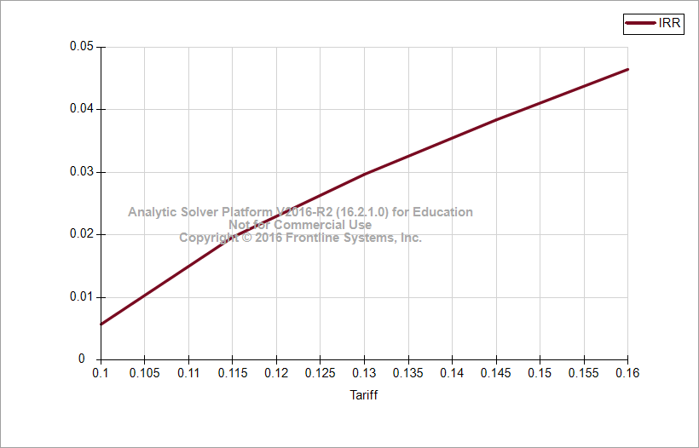
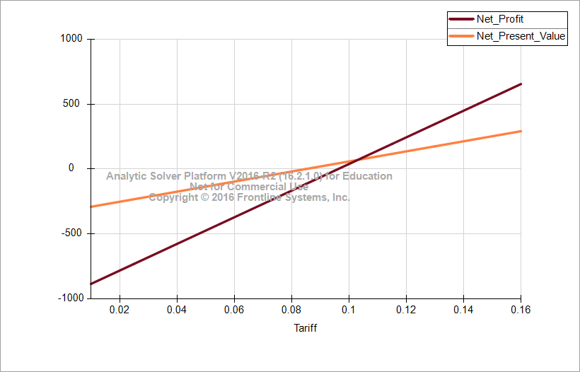
$C$8 | [Base case final 30_11_2016.xlsx]Base (2)'!$C$22
0.010 | -883
0.015 | -832
0.020 | -781
0.025 | -729
0.030 | -678
0.035 | -627
0.040 | -576
0.045 | -524
0.050 | -473
0.055 | -422
0.060 | -371
0.065 | -319
0.070 | -268
0.075 | -217
0.080 | -166
0.085 | -115
0.090 | -63
0.095 | -12
0.100 | 39
0.105 | 90
0.110 | 142
0.115 | 193
0.120 | 244
0.125 | 295
0.130 | 347
0.135 | 398
0.140 | 449
0.145 | 500
0.150 | 552
0.155 | 603
0.160 | 654

Parametric sensitivity - years
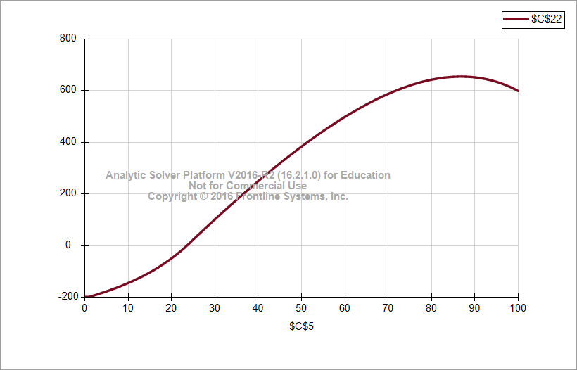
Years | Net Profit
0 | -198
1 | -198
2 | -193
3 | -187
4 | -182
5 | -176
6 | -170
7 | -164
8 | -158
9 | -151
10 | -144
11 | -137
12 | -129
13 | -121
14 | -112
15 | -103
16 | -93
17 | -83
18 | -72
19 | -61
20 | -49
21 | -36
22 | -22
23 | -8
24 | 8
25 | 24
26 | 40
27 | 55
28 | 71
29 | 87
30 | 102
31 | 117
32 | 133
33 | 148
34 | 163
35 | 177
36 | 192
37 | 207
38 | 221
39 | 236
40 | 250
41 | 264
42 | 278
43 | 292
44 | 305
45 | 319
46 | 332
47 | 345
48 | 358
49 | 371
50 | 384
51 | 396
52 | 408
53 | 420
54 | 432
55 | 444
56 | 455
57 | 466
58 | 477
59 | 488
60 | 498
61 | 508
62 | 518
63 | 528
64 | 537
65 | 546
66 | 555
67 | 564
68 | 572
69 | 580
70 | 587
71 | 594
72 | 601
73 | 608
74 | 614
75 | 620
76 | 625
77 | 630
78 | 634
79 | 638
80 | 642
81 | 645
82 | 648
83 | 650
84 | 652
85 | 653
86 | 654
87 | 654
88 | 654
89 | 653
90 | 651
91 | 649
92 | 646
93 | 643
94 | 638
95 | 634
96 | 628
97 | 622
98 | 615
99 | 607
100 | 598

Sensitivity_inflation
Base Case Model
Group 1

Decisions
 | Power Plant lifetime(years) | 87
 | Power Plant capacity(MW) | 100
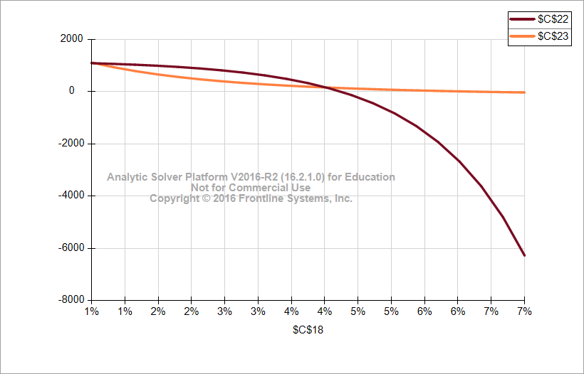
Parameters
 | Tariff($/kwhr) | 0.16
 | Specific Productivity(kwh/kwp/year) | 1300
 | Annual decrease in productivity(per year) | 1%
 | O&M Cost($/kw/ year) | 16.1
 | Loan Amount(million$) | 202.5
 | Loan Interest Rate(% per year) | 7%
 | Debt Term(years) | 25
 | Land rent ($/acre/year) | 600
 | Land area required(acre/MW) | 4
 | Tariff increment(% per year) | 1%
 | Currency Inflation Rate(% per year) | 4%
 | EPCC Cost of PV Plant ($/kw) | 2025
 | Tax Rate | 9%

Output | Net profit(million$) | 170
 | NPV | 158.2
 | IRR(net) | -2%

Calculation
 | Gross Profit(million$) | 418.7
 | Revenue(million$) | 1801.8
 | Capital investment(million$) | 202.5
 | Operations and Maintenance Cost(labors) | 1180.6
 | Land Rent(million$) | 20.9
 | Debt Cost(million$) | 434.4
 | Total running cost(capex+opex)(million$) | 1404.0
 | IRR(Gross) | 9%
Constraint
 |  | LHS |  | RHS
 | Capital investment(million$) | 202.5 | <= | 202.5

Calculation

 | Year ending | Date | Finyear |  | 1-Jul-17 | 1-Jul-18 | 1-Jul-19 | 1-Jul-20 | 1-Jul-21 | 1-Jul-22 | 1-Jul-23 | 1-Jul-24 | 1-Jul-25 | 1-Jul-26 | 1-Jul-27 | 1-Jul-28 | 1-Jul-29 | 1-Jul-30 | 1-Jul-31 | 1-Jul-32 | 1-Jul-33 | 1-Jul-34 | 1-Jul-35 | 1-Jul-36 | 1-Jul-37 | 1-Jul-38 | 1-Jul-39 | 1-Jul-40 | 1-Jul-41 | 1-Jul-42 | 1-Jul-43 | 1-Jul-44 | 1-Jul-45 | 2-Jul-46 | 2-Jul-47 | 2-Jul-48 | 2-Jul-49 | 3-Jul-50 | 4-Jul-51 | 3-Jul-52 | 4-Jul-53 | 4-Jul-54 | 5-Jul-55 | 4-Jul-56 | 5-Jul-57 | 6-Jul-58 | 6-Jul-59 | 6-Jul-60 | 6-Jul-61 | 7-Jul-62 | 7-Jul-63 | 7-Jul-64 | 8-Jul-65 | 8-Jul-66 | 9-Jul-67 | 8-Jul-68 | 9-Jul-69 | 9-Jul-70 | 10-Jul-71 | 10-Jul-72 | 10-Jul-73 | 11-Jul-74 | 11-Jul-75 | 11-Jul-76 | 11-Jul-77 | 12-Jul-78 | 13-Jul-79 | 12-Jul-80 | 13-Jul-81 | 13-Jul-82 | 14-Jul-83 | 13-Jul-84 | 14-Jul-85 | 15-Jul-86 | 15-Jul-87 | 15-Jul-88 | 15-Jul-89 | 16-Jul-90 | 16-Jul-91 | 16-Jul-92 | 17-Jul-93 | 17-Jul-94 | 18-Jul-95 | 17-Jul-96 | 18-Jul-97 | 18-Jul-98 | 19-Jul-99 | 20-Jul-00 | 20-Jul-01 | 21-Jul-02 | 21-Jul-03 | 21-Jul-04 | 21-Jul-05 | 22-Jul-06 | 23-Jul-07 | 22-Jul-08 | 23-Jul-09 | 23-Jul-10 | 24-Jul-11 | 23-Jul-12 | 24-Jul-13 | 25-Jul-14 | 25-Jul-15 | 25-Jul-16 | 25-Jul-17 | 26-Jul-18 | 26-Jul-19 | 26-Jul-20 | 27-Jul-21 | 27-Jul-22 | 28-Jul-23 | 27-Jul-24 | 28-Jul-25 | 28-Jul-26 | 29-Jul-27 | 29-Jul-28 | 29-Jul-29 | 30-Jul-30 | 30-Jul-31 | 30-Jul-32 | 30-Jul-33 | 31-Jul-34 | 1-Aug-35 | 31-Jul-36 | 1-Aug-37 | 1-Aug-38 | 2-Aug-39 | 1-Aug-40 | 2-Aug-41 | 3-Aug-42 | 3-Aug-43 | 3-Aug-44 | 3-Aug-45 | 4-Aug-46 | 4-Aug-47 | 4-Aug-48 | 5-Aug-49 | 5-Aug-50 | 6-Aug-51 | 5-Aug-52 | 6-Aug-53 | 6-Aug-54 | 7-Aug-55 | 7-Aug-56 | 7-Aug-57 | 8-Aug-58 | 8-Aug-59 | 8-Aug-60 | 8-Aug-61 | 9-Aug-62 | 10-Aug-63 | 9-Aug-64 | 10-Aug-65 | 10-Aug-66 | 11-Aug-67
 | Year Counter | Number | yearcounter |  |  | 1 | 2 | 3 | 4 | 5 | 6 | 7 | 8 | 9 | 10 | 11 | 12 | 13 | 14 | 15 | 16 | 17 | 18 | 19 | 20 | 21 | 22 | 23 | 24 | 25 | 26 | 27 | 28 | 29 | 30 | 31 | 32 | 33 | 34 | 35 | 36 | 37 | 38 | 39 | 40 | 41 | 42 | 43 | 44 | 45 | 46 | 47 | 48 | 49 | 50 | 51 | 52 | 53 | 54 | 55 | 56 | 57 | 58 | 59 | 60 | 61 | 62 | 63 | 64 | 65 | 66 | 67 | 68 | 69 | 70 | 71 | 72 | 73 | 74 | 75 | 76 | 77 | 78 | 79 | 80 | 81 | 82 | 83 | 84 | 85 | 86 | 87 | 88 | 89 | 90 | 91 | 92 | 93 | 94 | 95 | 96 | 97 | 98 | 99 | 100 | 101 | 102 | 103 | 104 | 105 | 106 | 107 | 108 | 109 | 110 | 111 | 112 | 113 | 114 | 115 | 116 | 117 | 118 | 119 | 120 | 121 | 122 | 123 | 124 | 125 | 126 | 127 | 128 | 129 | 130 | 131 | 132 | 133 | 134 | 135 | 136 | 137 | 138 | 139 | 140 | 141 | 142 | 143 | 144 | 145 | 146 | 147 | 148 | 149 | 150
Cash Flow Summary

 | Total Revenue | [$mn] |  |  |  | $20.8 | $20.8 | $20.8 | $20.8 | $20.8 | $20.8 | $20.8 | $20.8 | $20.8 | $20.8 | $20.8 | $20.8 | $20.8 | $20.8 | $20.8 | $20.8 | $20.8 | $20.8 | $20.8 | $20.8 | $20.8 | $20.8 | $20.8 | $20.8 | $20.8 | $20.7 | $20.7 | $20.7 | $20.7 | $20.7 | $20.7 | $20.7 | $20.7 | $20.7 | $20.7 | $20.7 | $20.7 | $20.7 | $20.7 | $20.7 | $20.7 | $20.7 | $20.7 | $20.7 | $20.7 | $20.7 | $20.7 | $20.7 | $20.7 | $20.7 | $20.7 | $20.7 | $20.7 | $20.7 | $20.7 | $20.7 | $20.7 | $20.7 | $20.7 | $20.7 | $20.7 | $20.7 | $20.7 | $20.7 | $20.7 | $20.7 | $20.7 | $20.7 | $20.7 | $20.7 | $20.7 | $20.7 | $20.7 | $20.6 | $20.6 | $20.6 | $20.6 | $20.6 | $20.6 | $20.6 | $20.6 | $20.6 | $20.6 | $20.6 | $20.6 | $20.6 | $20.6 | $20.6 | $20.6 | $20.6 | $20.6 | $20.6 | $20.6 | $20.6 | $20.6 | $20.6 | $20.6 | $20.6 | $20.6 | $20.6 | $20.6 | $20.6 | $20.6 | $20.6 | $20.6 | $20.6 | $20.6 | $20.6 | $20.6 | $20.6 | $20.6 | $20.6 | $20.6 | $20.6 | $20.6 | $20.6 | $20.6 | $20.6 | $20.6 | $20.6 | $20.6 | $20.5 | $20.5 | $20.5 | $20.5 | $20.5 | $20.5 | $20.5 | $20.5 | $20.5 | $20.5 | $20.5 | $20.5 | $20.5 | $20.5 | $20.5 | $20.5 | $20.5 | $20.5 | $20.5 | $20.5 | $20.5 | $20.5 | $20.5 | $20.5 | $20.5 | $20.5 | $20.5 | $20.5 | $20.5
 | Total Operating Expense | [$mn] |  |  |  | $1.850 | $1.914 | $1.981 | $2.051 | $2.123 | $2.199 | $2.277 | $2.359 | $2.443 | $2.532 | $2.623 | $2.719 | $2.818 | $2.921 | $3.028 | $3.140 | $3.255 | $3.376 | $3.502 | $3.632 | $3.768 | $3.909 | $4.056 | $4.208 | $4.367 | $4.532 | $4.704 | $4.882 | $5.068 | $5.261 | $5.462 | $5.671 | $5.888 | $6.114 | $6.349 | $6.593 | $6.847 | $7.112 | $7.386 | $7.672 | $7.970 | $8.279 | $8.600 | $8.935 | $9.283 | $9.644 | $10.020 | $10.412 | $10.819 | $11.242 | $11.682 | $12.139 | $12.615 | $13.110 | $13.625 | $14.161 | $14.717 | $15.297 | $15.899 | $16.525 | $17.177 | $17.854 | $18.559 | $19.291 | $20.053 | $20.846 | $21.670 | $22.527 | $23.419 | $24.346 | $25.310 | $26.313 | $27.356 | $28.441 | $29.569 | $30.742 | $31.962 | $33.231 | $34.550 | $35.923 | $37.350 | $38.835 | $40.378 | $41.984 | $43.654 | $45.390 | $47.196 | $49.074 | $51.028 | $53.059 | $55.172 | $57.369 | $59.655 | $62.031 | $64.503 | $67.073 | $69.747 | $72.527 | $75.418 | $78.426 | $81.553 | $84.805 | $88.188 | $91.706 | $95.365 | $99.170 | $103.127 | $107.242 | $111.522 | $115.974 | $120.603 | $125.418 | $130.425 | $135.632 | $141.048 | $146.680 | $152.538 | $158.630 | $164.965 | $171.554 | $178.407 | $185.533 | $192.945 | $200.653 | $208.670 | $217.007 | $225.678 | $234.695 | $244.073 | $253.827 | $263.970 | $274.519 | $285.491 | $296.901 | $308.767 | $321.108 | $333.943 | $347.291 | $361.173 | $375.610 | $390.625 | $406.241 | $422.481 | $439.370 | $456.936 | $475.203 | $494.202 | $513.960 | $534.509 | $555.880
 | Gross Profit | [$mn] |  |  | -202.5 | $19.2 | $19.1 | $19.1 | $19.0 | $18.9 | $18.8 | $18.8 | $18.7 | $18.6 | $18.5 | $18.4 | $18.3 | $18.2 | $18.1 | $18.0 | $17.9 | $17.8 | $17.6 | $17.5 | $17.4 | $17.2 | $17.1 | $16.9 | $16.8 | $16.6 | $16.5 | $16.3 | $16.1 | $15.9 | $15.7 | $15.5 | $15.3 | $15.1 | $14.9 | $14.6 | $14.4 | $14.1 | $13.9 | $13.6 | $13.3 | $13.0 | $12.7 | $12.4 | $12.0 | $11.7 | $11.3 | $10.9 | $10.5 | $10.1 | $9.7 | $9.3 | $8.8 | $8.3 | $7.8 | $7.3 | $6.8 | $6.2 | $5.6 | $5.0 | $4.4 | $3.7 | $3.1 | $2.4 | $1.6 | $0.9 | $0.1 | ($0.8) | ($1.6) | ($2.5) | ($3.4) | ($4.4) | ($5.4) | ($6.5) | ($7.6) | ($8.7) | ($9.9) | ($11.1) | ($12.4) | ($13.7) | ($15.0) | ($16.5) | ($18.0) | ($19.5) | ($21.1) | ($22.8) | ($24.5) | ($26.3) | ($28.2) | ($30.2) | ($32.2) | ($34.3) | ($36.5) | ($38.8) | ($41.2) | ($43.7) | ($46.2) | ($48.9) | ($51.7) | ($54.6) | ($57.6) | ($60.7) | ($64.0) | ($67.4) | ($70.9) | ($74.5) | ($78.3) | ($82.3) | ($86.4) | ($90.7) | ($95.2) | ($99.8) | ($104.6) | ($109.6) | ($114.8) | ($120.2) | ($125.9) | ($131.7) | ($137.8) | ($144.2) | ($150.8) | ($157.6) | ($164.7) | ($172.2) | ($179.9) | ($187.9) | ($196.2) | ($204.9) | ($213.9) | ($223.3) | ($233.1) | ($243.2) | ($253.8) | ($264.7) | ($276.1) | ($288.0) | ($300.3) | ($313.2) | ($326.5) | ($340.4) | ($354.9) | ($369.9) | ($385.5) | ($401.7) | ($418.6) | ($436.2) | ($454.5) | ($473.5) | ($493.2) | ($513.8) | ($535.1)
 | Cumulative gross profit | [$mn] |  |  |  | ($183.3) | ($164.2) | ($145.1) | ($126.1) | ($107.2) | ($88.4) | ($69.7) | ($51.0) | ($32.4) | ($13.9) | $4.5 | $22.8 | $41.0 | $59.1 | $77.0 | $94.9 | $112.7 | $130.3 | $147.8 | $165.2 | $182.4 | $199.5 | $216.4 | $233.2 | $249.8 | $266.3 | $282.6 | $298.7 | $314.6 | $330.3 | $345.8 | $361.1 | $376.2 | $391.1 | $405.7 | $420.1 | $434.2 | $448.0 | $461.6 | $474.9 | $487.9 | $500.6 | $512.9 | $524.9 | $536.6 | $547.9 | $558.8 | $569.3 | $579.5 | $589.2 | $598.4 | $607.2 | $615.5 | $623.3 | $630.7 | $637.4 | $643.6 | $649.2 | $654.3 | $658.7 | $662.4 | $665.5 | $667.8 | $669.4 | $670.3 | $670.3 | $669.6 | $667.9 | $665.4 | $662.0 | $657.6 | $652.1 | $645.7 | $638.1 | $629.4 | $619.6 | $608.5 | $596.2 | $582.5 | $567.4 | $551.0 | $533.0 | $513.5 | $492.4 | $469.6 | $445.1 | $418.7 | $390.5 | $360.3 | $328.1 | $293.8 | $257.3 | $218.5 | $177.3 | $133.7 | $87.4 | $38.5 | ($13.2) | ($67.7) | ($125.3) | ($186.1) | ($250.0) | ($317.4) | ($388.3) | ($462.8) | ($541.2) | ($623.5) | ($709.9) | ($800.6) | ($895.8) | ($995.5) | ($1,100.1) | ($1,209.8) | ($1,324.6) | ($1,444.8) | ($1,570.7) | ($1,702.5) | ($1,840.3) | ($1,984.5) | ($2,135.2) | ($2,292.8) | ($2,457.6) | ($2,629.7) | ($2,809.6) | ($2,997.5) | ($3,193.7) | ($3,398.6) | ($3,612.5) | ($3,835.8) | ($4,068.9) | ($4,312.1) | ($4,565.8) | ($4,830.5) | ($5,106.7) | ($5,394.7) | ($5,695.0) | ($6,008.2) | ($6,334.8) | ($6,675.2) | ($7,030.0) | ($7,399.9) | ($7,785.4) | ($8,187.1) | ($8,605.8) | ($9,041.9) | ($9,496.4) | ($9,969.9) | ($10,463.1) | ($10,976.9) | ($11,512.0)

 | Taxable income after debt service | [$mn] |  |  |  | $1.8 | $1.7 | $1.7 | $1.6 | $1.5 | $1.5 | $1.4 | $1.3 | $1.2 | $1.1 | $1.0 | $0.9 | $0.8 | $0.7 | $0.6 | $0.5 | $0.4 | $0.3 | $0.1 | ($0.0) | ($0.1) | ($0.3) | ($0.4) | ($0.6) | ($0.8) | $16.5 | $16.3 | $16.1 | $15.9 | $15.7 | $15.5 | $15.3 | $15.1 | $14.9 | $14.6 | $14.4 | $14.1 | $13.9 | $13.6 | $13.3 | $13.0 | $12.7 | $12.4 | $12.0 | $11.7 | $11.3 | $10.9 | $10.5 | $10.1 | $9.7 | $9.3 | $8.8 | $8.3 | $7.8 | $7.3 | $6.8 | $6.2 | $5.6 | $5.0 | $4.4 | $3.7 | $3.1 | $2.4 | $1.6 | $0.9 | $0.1 | ($0.8) | ($1.6) | ($2.5) | ($3.4) | ($4.4) | ($5.4) | ($6.5) | ($7.6) | ($8.7) | ($9.9) | ($11.1) | ($12.4) | ($13.7) | ($15.0) | ($16.5) | ($18.0) | ($19.5) | ($21.1) | ($22.8) | ($24.5) | ($26.3) | ($28.2) | ($30.2) | ($32.2) | ($34.3) | ($36.5) | ($38.8) | ($41.2) | ($43.7) | ($46.2) | ($48.9) | ($51.7) | ($54.6) | ($57.6) | ($60.7) | ($64.0) | ($67.4) | ($70.9) | ($74.5) | ($78.3) | ($82.3) | ($86.4) | ($90.7) | ($95.2) | ($99.8) | ($104.6) | ($109.6) | ($114.8) | ($120.2) | ($125.9) | ($131.7) | ($137.8) | ($144.2) | ($150.8) | ($157.6) | ($164.7) | ($172.2) | ($179.9) | ($187.9) | ($196.2) | ($204.9) | ($213.9) | ($223.3) | ($233.1) | ($243.2) | ($253.8) | ($264.7) | ($276.1) | ($288.0) | ($300.3) | ($313.2) | ($326.5) | ($340.4) | ($354.9) | ($369.9) | ($385.5) | ($401.7) | ($418.6) | ($436.2) | ($454.5) | ($473.5) | ($493.2) | ($513.8) | ($535.1)
 | Tax Payable | [$mn] |  |  |  | $0.16 | $0.16 | $0.15 | $0.14 | $0.14 | $0.13 | $0.12 | $0.12 | $0.11 | $0.10 | $0.09 | $0.08 | $0.07 | $0.06 | $0.05 | $0.04 | $0.03 | $0.02 | $0.01 | ($0.00) | ($0.01) | ($0.03) | ($0.04) | ($0.05) | ($0.07) | $1.48 | $1.47 | $1.45 | $1.43 | $1.41 | $1.40 | $1.38 | $1.36 | $1.34 | $1.32 | $1.29 | $1.27 | $1.25 | $1.22 | $1.20 | $1.17 | $1.14 | $1.11 | $1.08 | $1.05 | $1.02 | $0.98 | $0.95 | $0.91 | $0.87 | $0.83 | $0.79 | $0.75 | $0.70 | $0.66 | $0.61 | $0.56 | $0.51 | $0.45 | $0.40 | $0.34 | $0.28 | $0.21 | $0.15 | $0.08 | $0.01 | ($0.07) | ($0.15) | ($0.23) | ($0.31) | ($0.40) | ($0.49) | ($0.58) | ($0.68) | ($0.78) | ($0.89) | ($1.00) | ($1.11) | ($1.23) | ($1.35) | ($1.48) | ($1.62) | ($1.76) | ($1.90) | ($2.05) | ($2.21) | ($2.37) | ($2.54) | ($2.72) | ($2.90) | ($3.09) | ($3.29) | ($3.49) | ($3.71) | ($3.93) | ($4.16) | ($4.40) | ($4.65) | ($4.91) | ($5.18) | ($5.46) | ($5.76) | ($6.06) | ($6.38) | ($6.71) | ($7.05) | ($7.41) | ($7.78) | ($8.16) | ($8.56) | ($8.98) | ($9.41) | ($9.87) | ($10.33) | ($10.82) | ($11.33) | ($11.86) | ($12.40) | ($12.98) | ($13.57) | ($14.19) | ($14.83) | ($15.49) | ($16.19) | ($16.91) | ($17.66) | ($18.44) | ($19.25) | ($20.10) | ($20.97) | ($21.89) | ($22.84) | ($23.83) | ($24.85) | ($25.92) | ($27.03) | ($28.19) | ($29.39) | ($30.64) | ($31.94) | ($33.29) | ($34.69) | ($36.16) | ($37.68) | ($39.26) | ($40.90) | ($42.61) | ($44.39) | ($46.24) | ($48.16)
 | Interest Expense | [$mn] |  |  |  | $14.18 | $13.95 | $13.71 | $13.45 | $13.18 | $12.89 | $12.57 | $12.24 | $11.88 | $11.49 | $11.08 | $10.64 | $10.17 | $9.66 | $9.12 | $8.54 | $7.92 | $7.26 | $6.56 | $5.80 | $4.99 | $4.12 | $3.19 | $2.20 | $1.14

 | Net Profit | [$mn] |  |  | -202.5 | $4.9 | $5.0 | $5.2 | $5.4 | $5.6 | $5.8 | $6.1 | $6.3 | $6.6 | $6.9 | $7.2 | $7.6 | $8.0 | $8.4 | $8.8 | $9.3 | $9.8 | $10.3 | $10.9 | $11.6 | $12.3 | $13.0 | $13.8 | $14.6 | $15.6 | $15.0 | $14.8 | $14.7 | $14.5 | $14.3 | $14.1 | $13.9 | $13.7 | $13.5 | $13.3 | $13.1 | $12.8 | $12.6 | $12.4 | $12.1 | $11.8 | $11.5 | $11.2 | $10.9 | $10.6 | $10.3 | $9.9 | $9.6 | $9.2 | $8.8 | $8.4 | $8.0 | $7.6 | $7.1 | $6.6 | $6.2 | $5.6 | $5.1 | $4.6 | $4.0 | $3.4 | $2.8 | $2.1 | $1.5 | $0.8 | $0.1 | ($0.7) | ($1.5) | ($2.3) | ($3.1) | ($4.0) | ($4.9) | ($5.9) | ($6.9) | ($7.9) | ($9.0) | ($10.1) | ($11.2) | ($12.4) | ($13.7) | ($15.0) | ($16.3) | ($17.8) | ($19.2) | ($20.7) | ($22.3) | ($24.0) | ($25.7) | ($27.5) | ($29.3) | ($31.2) | ($33.2) | ($35.3) | ($37.5) | ($39.7) | ($42.1) | ($44.5) | ($47.0) | ($49.7) | ($52.4) | ($55.3) | ($58.2) | ($61.3) | ($64.5) | ($67.8) | ($71.3) | ($74.9) | ($78.6) | ($82.5) | ($86.6) | ($90.8) | ($95.2) | ($99.8) | ($104.5) | ($109.4) | ($114.5) | ($119.9) | ($125.4) | ($131.2) | ($137.2) | ($143.4) | ($149.9) | ($156.7) | ($163.7) | ($171.0) | ($178.6) | ($186.5) | ($194.7) | ($203.2) | ($212.1) | ($221.3) | ($230.9) | ($240.9) | ($251.3) | ($262.1) | ($273.3) | ($285.0) | ($297.1) | ($309.8) | ($322.9) | ($336.6) | ($350.8) | ($365.6) | ($380.9) | ($396.9) | ($413.6) | ($430.9) | ($448.8) | ($467.5) | ($487.0)
 | Cumulative Net Profit | [$mn] |  |  | -202.5 | ($197.65) | ($192.63) | ($187.44) | ($182.06) | ($176.47) | ($170.65) | ($164.60) | ($158.28) | ($151.69) | ($144.79) | ($137.56) | ($129.98) | ($122.03) | ($113.66) | ($104.85) | ($95.57) | ($85.78) | ($75.44) | ($64.50) | ($52.93) | ($40.67) | ($27.68) | ($13.89) | $0.74 | $16.30 | $31.27 | $46.09 | $60.74 | $75.22 | $89.53 | $103.65 | $117.58 | $131.30 | $144.82 | $158.13 | $171.21 | $184.06 | $196.66 | $209.01 | $221.11 | $232.92 | $244.46 | $255.70 | $266.63 | $277.25 | $287.54 | $297.48 | $307.06 | $316.27 | $325.09 | $333.52 | $341.52 | $349.09 | $356.20 | $362.85 | $369.00 | $374.65 | $379.77 | $384.34 | $388.34 | $391.74 | $394.52 | $396.67 | $398.14 | $398.91 | $398.97 | $398.27 | $396.79 | $394.50 | $391.36 | $387.34 | $382.41 | $376.53 | $369.65 | $361.75 | $352.78 | $342.70 | $331.46 | $319.02 | $305.33 | $290.33 | $273.99 | $256.24 | $237.02 | $216.28 | $193.96 | $170.00 | $144.32 | $116.87 | $87.56 | $56.33 | $23.10 | ($12.21) | ($49.69) | ($89.41) | ($131.48) | ($175.99) | ($223.02) | ($272.69) | ($325.10) | ($380.35) | ($438.57) | ($499.87) | ($564.37) | ($632.20) | ($703.50) | ($778.39) | ($857.04) | ($939.58) | ($1,026.18) | ($1,116.99) | ($1,212.18) | ($1,311.93) | ($1,416.42) | ($1,525.84) | ($1,640.39) | ($1,760.27) | ($1,885.70) | ($2,016.89) | ($2,154.09) | ($2,297.51) | ($2,447.43) | ($2,604.09) | ($2,767.77) | ($2,938.75) | ($3,117.32) | ($3,303.77) | ($3,498.44) | ($3,701.64) | ($3,913.72) | ($4,135.03) | ($4,365.94) | ($4,606.84) | ($4,858.12) | ($5,120.21) | ($5,393.52) | ($5,678.52) | ($5,975.67) | ($6,285.45) | ($6,608.37) | ($6,944.95) | ($7,295.75) | ($7,661.33) | ($8,042.28) | ($8,439.21) | ($8,852.77) | ($9,283.63) | ($9,732.46) | ($10,199.99) | ($10,686.98)

 | Cash Flow Available for Debt Service | [$mn] | CFADS |  |  | $19.2 | $19.1 | $19.1 | $19.0 | $18.9 | $18.8 | $18.8 | $18.7 | $18.6 | $18.5 | $18.4 | $18.3 | $18.2 | $18.1 | $18.0 | $17.9 | $17.8 | $17.6 | $17.5 | $17.4 | $17.2 | $17.1 | $16.9 | $16.8 | $16.6 | $16.5 | $16.3 | $16.1 | $15.9 | $15.7 | $15.5 | $15.3 | $15.1 | $14.9 | $14.6 | $14.4 | $14.1 | $13.9 | $13.6 | $13.3 | $13.0 | $12.7 | $12.4 | $12.0 | $11.7 | $11.3 | $10.9 | $10.5 | $10.1 | $9.7 | $9.3 | $8.8 | $8.3 | $7.8 | $7.3 | $6.8 | $6.2 | $5.6 | $5.0 | $4.4 | $3.7 | $3.1 | $2.4 | $1.6 | $0.9 | $0.1 | ($0.8) | ($1.6) | ($2.5) | ($3.4) | ($4.4) | ($5.4) | ($6.5) | ($7.6) | ($8.7) | ($9.9) | ($11.1) | ($12.4) | ($13.7) | ($15.0) | ($16.5) | ($18.0) | ($19.5) | ($21.1) | ($22.8) | ($24.5) | ($26.3) | ($28.2) | ($30.2) | ($32.2) | ($34.3) | ($36.5) | ($38.8) | ($41.2) | ($43.7) | ($46.2) | ($48.9) | ($51.7) | ($54.6) | ($57.6) | ($60.7) | ($64.0) | ($67.4) | ($70.9) | ($74.5) | ($78.3) | ($82.3) | ($86.4) | ($90.7) | ($95.2) | ($99.8) | ($104.6) | ($109.6) | ($114.8) | ($120.2) | ($125.9) | ($131.7) | ($137.8) | ($144.2) | ($150.8) | ($157.6) | ($164.7) | ($172.2) | ($179.9) | ($187.9) | ($196.2) | ($204.9) | ($213.9) | ($223.3) | ($233.1) | ($243.2) | ($253.8) | ($264.7) | ($276.1) | ($288.0) | ($300.3) | ($313.2) | ($326.5) | ($340.4) | ($354.9) | ($369.9) | ($385.5) | ($401.7) | ($418.6) | ($436.2) | ($454.5) | ($473.5) | ($493.2) | ($513.8) | ($535.1)
 | Principal Repayment | [$mn] |  |  |  | $3.20 | $3.43 | $3.67 | $3.92 | $4.20 | $4.49 | $4.80 | $5.14 | $5.50 | $5.89 | $6.30 | $6.74 | $7.21 | $7.72 | $8.26 | $8.83 | $9.45 | $10.11 | $10.82 | $11.58 | $12.39 | $13.26 | $14.18 | $15.18 | $16.24

Indicators

 | Inflation Index | % | inf_index |  |  | 4.0% | 4.0% | 4.0% | 4.0% | 4.0% | 4.0% | 4.0% | 4.0% | 4.0% | 4.0% | 4.0% | 4.0% | 4.0% | 4.0% | 4.0% | 4.0% | 4.0% | 4.0% | 4.0% | 4.0% | 4.0% | 4.0% | 4.0% | 4.0% | 4.0% | 4.0% | 4.0% | 4.0% | 4.0% | 4.0% | 4.0% | 4.0% | 4.0% | 4.0% | 4.0% | 4.0% | 4.0% | 4.0% | 4.0% | 4.0% | 4.0% | 4.0% | 4.0% | 4.0% | 4.0% | 4.0% | 4.0% | 4.0% | 4.0% | 4.0% | 4.0% | 4.0% | 4.0% | 4.0% | 4.0% | 4.0% | 4.0% | 4.0% | 4.0% | 4.0% | 4.0% | 4.0% | 4.0% | 4.0% | 4.0% | 4.0% | 4.0% | 4.0% | 4.0% | 4.0% | 4.0% | 4.0% | 4.0% | 4.0% | 4.0% | 4.0% | 4.0% | 4.0% | 4.0% | 4.0% | 4.0% | 4.0% | 4.0% | 4.0% | 4.0% | 4.0% | 4.0% | 4.0% | 4.0% | 4.0% | 4.0% | 4.0% | 4.0% | 4.0% | 4.0% | 4.0% | 4.0% | 4.0% | 4.0% | 4.0% | 4.0% | 4.0% | 4.0% | 4.0% | 4.0% | 4.0% | 4.0% | 4.0% | 4.0% | 4.0% | 4.0% | 4.0% | 4.0% | 4.0% | 4.0% | 4.0% | 4.0% | 4.0% | 4.0% | 4.0% | 4.0% | 4.0% | 4.0% | 4.0% | 4.0% | 4.0% | 4.0% | 4.0% | 4.0% | 4.0% | 4.0% | 4.0% | 4.0% | 4.0% | 4.0% | 4.0% | 4.0% | 4.0% | 4.0% | 4.0% | 4.0% | 4.0% | 4.0% | 4.0% | 4.0% | 4.0% | 4.0% | 4.0% | 4.0% | 4.0%
 | Tariff increment(% per year) |  |  |  |  | 1.0% | 1.0% | 1.0% | 1.0% | 1.0% | 1.0% | 1.0% | 1.0% | 1.0% | 1.0% | 1.0% | 1.0% | 1.0% | 1.0% | 1.0% | 1.0% | 1.0% | 1.0% | 1.0% | 1.0% | 1.0% | 1.0% | 1.0% | 1.0% | 1.0% | 1.0% | 1.0% | 1.0% | 1.0% | 1.0% | 1.0% | 1.0% | 1.0% | 1.0% | 1.0% | 1.0% | 1.0% | 1.0% | 1.0% | 1.0% | 1.0% | 1.0% | 1.0% | 1.0% | 1.0% | 1.0% | 1.0% | 1.0% | 1.0% | 1.0% | 1.0% | 1.0% | 1.0% | 1.0% | 1.0% | 1.0% | 1.0% | 1.0% | 1.0% | 1.0% | 1.0% | 1.0% | 1.0% | 1.0% | 1.0% | 1.0% | 1.0% | 1.0% | 1.0% | 1.0% | 1.0% | 1.0% | 1.0% | 1.0% | 1.0% | 1.0% | 1.0% | 1.0% | 1.0% | 1.0% | 1.0% | 1.0% | 1.0% | 1.0% | 1.0% | 1.0% | 1.0% | 1.0% | 1.0% | 1.0% | 1.0% | 1.0% | 1.0% | 1.0% | 1.0% | 1.0% | 1.0% | 1.0% | 1.0% | 1.0% | 1.0% | 1.0% | 1.0% | 1.0% | 1.0% | 1.0% | 1.0% | 1.0% | 1.0% | 1.0% | 1.0% | 1.0% | 1.0% | 1.0% | 1.0% | 1.0% | 1.0% | 1.0% | 1.0% | 1.0% | 1.0% | 1.0% | 1.0% | 1.0% | 1.0% | 1.0% | 1.0% | 1.0% | 1.0% | 1.0% | 1.0% | 1.0% | 1.0% | 1.0% | 1.0% | 1.0% | 1.0% | 1.0% | 1.0% | 1.0% | 1.0% | 1.0% | 1.0% | 1.0% | 1.0% | 1.0% | 1.0% | 1.0% | 1.0% | 1.0%
 | Tariff | $ | PPA_Index |  | . | 0.16 | 0.16 | 0.16 | 0.16 | 0.17 | 0.17 | 0.17 | 0.17 | 0.17 | 0.17 | 0.18 | 0.18 | 0.18 | 0.18 | 0.18 | 0.19 | 0.19 | 0.19 | 0.19 | 0.19 | 0.20 | 0.20 | 0.20 | 0.20 | 0.20 | 0.21 | 0.21 | 0.21 | 0.21 | 0.21 | 0.22 | 0.22 | 0.22 | 0.22 | 0.22 | 0.23 | 0.23 | 0.23 | 0.23 | 0.24 | 0.24 | 0.24 | 0.24 | 0.25 | 0.25 | 0.25 | 0.25 | 0.26 | 0.26 | 0.26 | 0.26 | 0.27 | 0.27 | 0.27 | 0.27 | 0.28 | 0.28 | 0.28 | 0.28 | 0.29 | 0.29 | 0.29 | 0.30 | 0.30 | 0.30 | 0.31 | 0.31 | 0.31 | 0.31 | 0.32 | 0.32 | 0.32 | 0.33 | 0.33 | 0.33 | 0.34 | 0.34 | 0.34 | 0.35 | 0.35 | 0.35 | 0.36 | 0.36 | 0.37 | 0.37 | 0.37 | 0.38 | 0.38 | 0.38 | 0.39 | 0.39 | 0.40 | 0.40 | 0.40 | 0.41 | 0.41 | 0.42 | 0.42 | 0.42 | 0.43 | 0.43 | 0.44 | 0.44 | 0.45 | 0.45 | 0.45 | 0.46 | 0.46 | 0.47 | 0.47 | 0.48 | 0.48 | 0.49 | 0.49 | 0.50 | 0.50 | 0.51 | 0.51 | 0.52 | 0.52 | 0.53 | 0.53 | 0.54 | 0.54 | 0.55 | 0.55 | 0.56 | 0.57 | 0.57 | 0.58 | 0.58 | 0.59 | 0.60 | 0.60 | 0.61 | 0.61 | 0.62 | 0.63 | 0.63 | 0.64 | 0.64 | 0.65 | 0.66 | 0.66 | 0.67 | 0.68 | 0.68 | 0.69 | 0.70 | 0.70
 | Annual decrease in productivity(% per year) |  |  |  |  | 0.010 | 0.010 | 0.010 | 0.010 | 0.010 | 0.010 | 0.010 | 0.010 | 0.010 | 0.010 | 0.010 | 0.010 | 0.010 | 0.010 | 0.010 | 0.010 | 0.010 | 0.010 | 0.010 | 0.010 | 0.010 | 0.010 | 0.010 | 0.010 | 0.010 | 0.010 | 0.010 | 0.010 | 0.010 | 0.010 | 0.010 | 0.010 | 0.010 | 0.010 | 0.010 | 0.010 | 0.010 | 0.010 | 0.010 | 0.010 | 0.010 | 0.010 | 0.010 | 0.010 | 0.010 | 0.010 | 0.010 | 0.010 | 0.010 | 0.010 | 0.010 | 0.010 | 0.010 | 0.010 | 0.010 | 0.010 | 0.010 | 0.010 | 0.010 | 0.010 | 0.010 | 0.010 | 0.010 | 0.010 | 0.010 | 0.010 | 0.010 | 0.010 | 0.010 | 0.010 | 0.010 | 0.010 | 0.010 | 0.010 | 0.010 | 0.010 | 0.010 | 0.010 | 0.010 | 0.010 | 0.010 | 0.010 | 0.010 | 0.010 | 0.010 | 0.010 | 0.010 | 0.010 | 0.010 | 0.010 | 0.010 | 0.010 | 0.010 | 0.010 | 0.010 | 0.010 | 0.010 | 0.010 | 0.010 | 0.010 | 0.010 | 0.010 | 0.010 | 0.010 | 0.010 | 0.010 | 0.010 | 0.010 | 0.010 | 0.010 | 0.010 | 0.010 | 0.010 | 0.010 | 0.010 | 0.010 | 0.010 | 0.010 | 0.010 | 0.010 | 0.010 | 0.010 | 0.010 | 0.010 | 0.010 | 0.010 | 0.010 | 0.010 | 0.010 | 0.010 | 0.010 | 0.010 | 0.010 | 0.010 | 0.010 | 0.010 | 0.010 | 0.010 | 0.010 | 0.010 | 0.010 | 0.010 | 0.010 | 0.010 | 0.010 | 0.010 | 0.010 | 0.010 | 0.010 | 0.010
 | Specific productivity |  |  |  |  | 1300.00 | 1287.00 | 1274.13 | 1261.39 | 1248.77 | 1236.29 | 1223.92 | 1211.68 | 1199.57 | 1187.57 | 1175.70 | 1163.94 | 1152.30 | 1140.78 | 1129.37 | 1118.08 | 1106.90 | 1095.83 | 1084.87 | 1074.02 | 1063.28 | 1052.65 | 1042.12 | 1031.70 | 1021.38 | 1011.17 | 1001.06 | 991.05 | 981.14 | 971.32 | 961.61 | 951.99 | 942.47 | 933.05 | 923.72 | 914.48 | 905.34 | 896.28 | 887.32 | 878.45 | 869.66 | 860.97 | 852.36 | 843.83 | 835.40 | 827.04 | 818.77 | 810.58 | 802.48 | 794.45 | 786.51 | 778.64 | 770.86 | 763.15 | 755.52 | 747.96 | 740.48 | 733.08 | 725.75 | 718.49 | 711.30 | 704.19 | 697.15 | 690.18 | 683.28 | 676.44 | 669.68 | 662.98 | 656.35 | 649.79 | 643.29 | 636.86 | 630.49 | 624.18 | 617.94 | 611.76 | 605.65 | 599.59 | 593.59 | 587.66 | 581.78 | 575.96 | 570.20 | 564.50 | 558.86 | 553.27 | 547.73 | 542.26 | 536.83 | 531.47 | 526.15 | 520.89 | 515.68 | 510.52 | 505.42 | 500.36 | 495.36 | 490.41 | 485.50 | 480.65 | 475.84 | 471.08 | 466.37 | 461.71 | 457.09 | 452.52 | 448.00 | 443.52 | 439.08 | 434.69 | 430.34 | 426.04 | 421.78 | 417.56 | 413.39 | 409.25 | 405.16 | 401.11 | 397.10 | 393.13 | 389.19 | 385.30 | 381.45 | 377.64 | 373.86 | 370.12 | 366.42 | 362.75 | 359.13 | 355.54 | 351.98 | 348.46 | 344.98 | 341.53 | 338.11 | 334.73 | 331.38 | 328.07 | 324.79 | 321.54 | 318.32 | 315.14 | 311.99 | 308.87 | 305.78 | 302.72 | 299.70 | 296.70 | 293.73 | 290.80
 | Annual production of power(kwhr) | kwh | Powerprod_index |  |  | 130000000 | 128700000 | 127413000 | 126138870 | 124877481.3 | 123628706.49 | 122392419.42 | 121168495.23 | 119956810.28 | 118757242.17 | 117569669.75 | 116393973.05 | 115230033.32 | 114077732.99 | 112936955.66 | 111807586.1 | 110689510.24 | 109582615.14 | 108486788.99 | 107401921.1 | 106327901.89 | 105264622.87 | 104211976.64 | 103169856.87 | 102138158.3 | 101116776.72 | 100105608.95 | 99104552.865 | 98113507.336 | 97132372.263 | 96161048.54 | 95199438.055 | 94247443.675 | 93304969.238 | 92371919.545 | 91448200.35 | 90533718.346 | 89628381.163 | 88732097.351 | 87844776.378 | 86966328.614 | 86096665.328 | 85235698.675 | 84383341.688 | 83539508.271 | 82704113.188 | 81877072.056 | 81058301.336 | 80247718.322 | 79445241.139 | 78650788.728 | 77864280.841 | 77085638.032 | 76314781.652 | 75551633.835 | 74796117.497 | 74048156.322 | 73307674.759 | 72574598.011 | 71848852.031 | 71130363.511 | 70419059.876 | 69714869.277 | 69017720.584 | 68327543.378 | 67644267.945 | 66967825.265 | 66298147.012 | 65635165.542 | 64978813.887 | 64329025.748 | 63685735.491 | 63048878.136 | 62418389.354 | 61794205.461 | 61176263.406 | 60564500.772 | 59958855.764 | 59359267.207 | 58765674.535 | 58178017.789 | 57596237.611 | 57020275.235 | 56450072.483 | 55885571.758 | 55326716.041 | 54773448.88 | 54225714.391 | 53683457.247 | 53146622.675 | 52615156.448 | 52089004.884 | 51568114.835 | 51052433.687 | 50541909.35 | 50036490.256 | 49536125.354 | 49040764.1 | 48550356.459 | 48064852.894 | 47584204.366 | 47108362.322 | 46637278.699 | 46170905.912 | 45709196.853 | 45252104.884 | 44799583.835 | 44351587.997 | 43908072.117 | 43468991.396 | 43034301.482 | 42603958.467 | 42177918.882 | 41756139.693 | 41338578.296 | 40925192.514 | 40515940.588 | 40110781.183 | 39709673.371 | 39312576.637 | 38919450.871 | 38530256.362 | 38144953.798 | 37763504.26 | 37385869.218 | 37012010.526 | 36641890.42 | 36275471.516 | 35912716.801 | 35553589.633 | 35198053.737 | 34846073.199 | 34497612.467 | 34152636.343 | 33811109.979 | 33472998.879 | 33138268.891 | 32806886.202 | 32478817.34 | 32154029.166 | 31832488.875 | 31514163.986 | 31199022.346 | 30887032.122 | 30578161.801 | 30272380.183 | 29969656.381 | 29669959.818 | 29373260.219 | 29079527.617

Operations
 | Revenue
 | Annual revenue | [$mn/year] |  |  |  | 21 | 21 | 21 | 21 | 21 | 21 | 21 | 21 | 21 | 21 | 21 | 21 | 21 | 21 | 21 | 21 | 21 | 21 | 21 | 21 | 21 | 21 | 21 | 21 | 21 | 21 | 21 | 21 | 21 | 21 | 21 | 21 | 21 | 21 | 21 | 21 | 21 | 21 | 21 | 21 | 21 | 21 | 21 | 21 | 21 | 21 | 21 | 21 | 21 | 21 | 21 | 21 | 21 | 21 | 21 | 21 | 21 | 21 | 21 | 21 | 21 | 21 | 21 | 21 | 21 | 21 | 21 | 21 | 21 | 21 | 21 | 21 | 21 | 21 | 21 | 21 | 21 | 21 | 21 | 21 | 21 | 21 | 21 | 21 | 21 | 21 | 21 | 21 | 21 | 21 | 21 | 21 | 21 | 21 | 21 | 21 | 21 | 21 | 21 | 21 | 21 | 21 | 21 | 21 | 21 | 21 | 21 | 21 | 21 | 21 | 21 | 21 | 21 | 21 | 21 | 21 | 21 | 21 | 21 | 21 | 21 | 21 | 21 | 21 | 21 | 21 | 21 | 21 | 21 | 21 | 21 | 21 | 21 | 21 | 21 | 21 | 21 | 21 | 21 | 21 | 21 | 21 | 21 | 21 | 21 | 21 | 20 | 20 | 20 | 20
 | Total cumulative Revenue | [$mn] |  |  |  | 21 | 42 | 62 | 83 | 104 | 125 | 146 | 166 | 187 | 208 | 229 | 249 | 270 | 291 | 312 | 333 | 353 | 374 | 395 | 416 | 436 | 457 | 478 | 499 | 519 | 540 | 561 | 582 | 602 | 623 | 644 | 665 | 685 | 706 | 727 | 747 | 768 | 789 | 810 | 830 | 851 | 872 | 893 | 913 | 934 | 955 | 975 | 996 | 1017 | 1037 | 1058 | 1079 | 1100 | 1120 | 1141 | 1162 | 1182 | 1203 | 1224 | 1244 | 1265 | 1286 | 1306 | 1327 | 1348 | 1368 | 1389 | 1410 | 1430 | 1451 | 1472 | 1492 | 1513 | 1534 | 1554 | 1575 | 1596 | 1616 | 1637 | 1657 | 1678 | 1699 | 1719 | 1740 | 1761 | 1781 | 1802 | 1822 | 1843 | 1864 | 1884 | 1905 | 1926 | 1946 | 1967 | 1987 | 2008 | 2029 | 2049 | 2070 | 2090 | 2111 | 2132 | 2152 | 2173 | 2193 | 2214 | 2234 | 2255 | 2276 | 2296 | 2317 | 2337 | 2358 | 2378 | 2399 | 2420 | 2440 | 2461 | 2481 | 2502 | 2522 | 2543 | 2563 | 2584 | 2604 | 2625 | 2646 | 2666 | 2687 | 2707 | 2728 | 2748 | 2769 | 2789 | 2810 | 2830 | 2851 | 2871 | 2892 | 2912 | 2933 | 2953 | 2974 | 2994 | 3015 | 3035 | 3056 | 3076 | 3097

 | Capital Expenses
 | Capital Expenses | [$mn] |  |  | 202.5

 | Operating Expense
 | O&M cost per KW | [$/KW/Yr] |  |  |  | 16.1 | 16.7 | 17.4 | 18.1 | 18.8 | 19.6 | 20.4 | 21.2 | 22.0 | 22.9 | 23.8 | 24.8 | 25.8 | 26.8 | 27.9 | 29.0 | 30.2 | 31.4 | 32.6 | 33.9 | 35.3 | 36.7 | 38.2 | 39.7 | 41.3 | 42.9 | 44.6 | 46.4 | 48.3 | 50.2 | 52.2 | 54.3 | 56.5 | 58.7 | 61.1 | 63.5 | 66.1 | 68.7 | 71.5 | 74.3 | 77.3 | 80.4 | 83.6 | 86.9 | 90.4 | 94.0 | 97.8 | 101.7 | 105.8 | 110.0 | 114.4 | 119.0 | 123.8 | 128.7 | 133.9 | 139.2 | 144.8 | 150.6 | 156.6 | 162.9 | 169.4 | 176.1 | 183.2 | 190.5 | 198.1 | 206.1 | 214.3 | 222.9 | 231.8 | 241.1 | 250.7 | 260.7 | 271.2 | 282.0 | 293.3 | 305.0 | 317.2 | 329.9 | 343.1 | 356.8 | 371.1 | 385.9 | 401.4 | 417.4 | 434.1 | 451.5 | 469.6 | 488.3 | 507.9 | 528.2 | 549.3 | 571.3 | 594.1 | 617.9 | 642.6 | 668.3 | 695.1 | 722.9 | 751.8 | 781.9 | 813.1 | 845.7 | 879.5 | 914.7 | 951.2 | 989.3 | 1028.9 | 1070.0 | 1112.8 | 1157.3 | 1203.6 | 1251.8 | 1301.8 | 1353.9 | 1408.1 | 1464.4 | 1523.0 | 1583.9 | 1647.3 | 1713.1 | 1781.7 | 1852.9 | 1927.1 | 2004.1 | 2084.3 | 2167.7 | 2254.4 | 2344.6 | 2438.3 | 2535.9 | 2637.3 | 2742.8 | 2852.5 | 2966.6 | 3085.3 | 3208.7 | 3337.0 | 3470.5 | 3609.3 | 3753.7 | 3903.9 | 4060.0 | 4222.4 | 4391.3 | 4567.0 | 4749.6 | 4939.6 | 5137.2 | 5342.7 | 5556.4
 | Power Plant O&M cost($/Yr) | [$mn/yr] |  |  |  | 1.6 | 1.7 | 1.7 | 1.8 | 1.9 | 2.0 | 2.0 | 2.1 | 2.2 | 2.3 | 2.4 | 2.5 | 2.6 | 2.7 | 2.8 | 2.9 | 3.0 | 3.1 | 3.3 | 3.4 | 3.5 | 3.7 | 3.8 | 4.0 | 4.1 | 4.3 | 4.5 | 4.6 | 4.8 | 5.0 | 5.2 | 5.4 | 5.6 | 5.9 | 6.1 | 6.4 | 6.6 | 6.9 | 7.1 | 7.4 | 7.7 | 8.0 | 8.4 | 8.7 | 9.0 | 9.4 | 9.8 | 10.2 | 10.6 | 11.0 | 11.4 | 11.9 | 12.4 | 12.9 | 13.4 | 13.9 | 14.5 | 15.1 | 15.7 | 16.3 | 16.9 | 17.6 | 18.3 | 19.1 | 19.8 | 20.6 | 21.4 | 22.3 | 23.2 | 24.1 | 25.1 | 26.1 | 27.1 | 28.2 | 29.3 | 30.5 | 31.7 | 33.0 | 34.3 | 35.7 | 37.1 | 38.6 | 40.1 | 41.7 | 43.4 | 45.2 | 47.0 | 48.8 | 50.8 | 52.8 | 54.9 | 57.1 | 59.4 | 61.8 | 64.3 | 66.8 | 69.5 | 72.3 | 75.2 | 78.2 | 81.3 | 84.6 | 87.9 | 91.5 | 95.1 | 98.9 | 102.9 | 107.0 | 111.3 | 115.7 | 120.4 | 125.2 | 130.2 | 135.4 | 140.8 | 146.4 | 152.3 | 158.4 | 164.7 | 171.3 | 178.2 | 185.3 | 192.7 | 200.4 | 208.4 | 216.8 | 225.4 | 234.5 | 243.8 | 253.6 | 263.7 | 274.3 | 285.3 | 296.7 | 308.5 | 320.9 | 333.7 | 347.1 | 360.9 | 375.4 | 390.4 | 406.0 | 422.2 | 439.1 | 456.7 | 475.0 | 494.0 | 513.7 | 534.3 | 555.6
 | Cumulative O&M Cost | $mn |  |  |  | 1.6 | 3.3 | 5.0 | 6.8 | 8.7 | 10.7 | 12.7 | 14.8 | 17.0 | 19.3 | 21.7 | 24.2 | 26.8 | 29.4 | 32.2 | 35.1 | 38.2 | 41.3 | 44.6 | 47.9 | 51.5 | 55.1 | 59.0 | 62.9 | 67.0 | 71.3 | 75.8 | 80.4 | 85.3 | 90.3 | 95.5 | 100.9 | 106.6 | 112.5 | 118.6 | 124.9 | 131.5 | 138.4 | 145.6 | 153.0 | 160.7 | 168.8 | 177.1 | 185.8 | 194.9 | 204.3 | 214.0 | 224.2 | 234.8 | 245.8 | 257.2 | 269.1 | 281.5 | 294.4 | 307.8 | 321.7 | 336.2 | 351.2 | 366.9 | 383.2 | 400.1 | 417.7 | 436.0 | 455.1 | 474.9 | 495.5 | 516.9 | 539.2 | 562.4 | 586.5 | 611.6 | 637.7 | 664.8 | 693.0 | 722.3 | 752.8 | 784.5 | 817.5 | 851.8 | 887.5 | 924.6 | 963.2 | 1003.3 | 1045.1 | 1088.5 | 1133.7 | 1180.6 | 1229.4 | 1280.2 | 1333.1 | 1388.0 | 1445.1 | 1504.5 | 1566.3 | 1630.6 | 1697.4 | 1766.9 | 1839.2 | 1914.4 | 1992.6 | 2073.9 | 2158.5 | 2246.4 | 2337.9 | 2433.0 | 2531.9 | 2634.8 | 2741.8 | 2853.1 | 2968.8 | 3089.2 | 3214.4 | 3344.6 | 3479.9 | 3620.8 | 3767.2 | 3919.5 | 4077.9 | 4242.6 | 4413.9 | 4592.1 | 4777.4 | 4970.1 | 5170.5 | 5378.9 | 5595.7 | 5821.1 | 6055.6 | 6299.4 | 6553.0 | 6816.7 | 7091.0 | 7376.3 | 7672.9 | 7981.5 | 8302.3 | 8636.0 | 8983.1 | 9344.0 | 9719.4 | 10109.8 | 10515.8 | 10938.0 | 11377.1 | 11833.8 | 12308.8 | 12802.8 | 13316.5 | 13850.7 | 14406.4

 | Land Rent(mn) | $/yr |  |  |  | 0.240 | 0.240 | 0.240 | 0.240 | 0.240 | 0.240 | 0.240 | 0.240 | 0.240 | 0.240 | 0.240 | 0.240 | 0.240 | 0.240 | 0.240 | 0.240 | 0.240 | 0.240 | 0.240 | 0.240 | 0.240 | 0.240 | 0.240 | 0.240 | 0.240 | 0.240 | 0.240 | 0.240 | 0.240 | 0.240 | 0.240 | 0.240 | 0.240 | 0.240 | 0.240 | 0.240 | 0.240 | 0.240 | 0.240 | 0.240 | 0.240 | 0.240 | 0.240 | 0.240 | 0.240 | 0.240 | 0.240 | 0.240 | 0.240 | 0.240 | 0.240 | 0.240 | 0.240 | 0.240 | 0.240 | 0.240 | 0.240 | 0.240 | 0.240 | 0.240 | 0.240 | 0.240 | 0.240 | 0.240 | 0.240 | 0.240 | 0.240 | 0.240 | 0.240 | 0.240 | 0.240 | 0.240 | 0.240 | 0.240 | 0.240 | 0.240 | 0.240 | 0.240 | 0.240 | 0.240 | 0.240 | 0.240 | 0.240 | 0.240 | 0.240 | 0.240 | 0.240 | 0.240 | 0.240 | 0.240 | 0.240 | 0.240 | 0.240 | 0.240 | 0.240 | 0.240 | 0.240 | 0.240 | 0.240 | 0.240 | 0.240 | 0.240 | 0.240 | 0.240 | 0.240 | 0.240 | 0.240 | 0.240 | 0.240 | 0.240 | 0.240 | 0.240 | 0.240 | 0.240 | 0.240 | 0.240 | 0.240 | 0.240 | 0.240 | 0.240 | 0.240 | 0.240 | 0.240 | 0.240 | 0.240 | 0.240 | 0.240 | 0.240 | 0.240 | 0.240 | 0.240 | 0.240 | 0.240 | 0.240 | 0.240 | 0.240 | 0.240 | 0.240 | 0.240 | 0.240 | 0.240 | 0.240 | 0.240 | 0.240 | 0.240 | 0.240 | 0.240 | 0.240 | 0.240 | 0.240

 | Running Cost |  |  |  | 202.5 | 1.850 | 1.914 | 1.981 | 2.051 | 2.123 | 2.199 | 2.277 | 2.359 | 2.443 | 2.532 | 2.623 | 2.719 | 2.818 | 2.921 | 3.028 | 3.140 | 3.255 | 3.376 | 3.502 | 3.632 | 3.768 | 3.909 | 4.056 | 4.208 | 4.367 | 4.532 | 4.704 | 4.882 | 5.068 | 5.261 | 5.462 | 5.671 | 5.888 | 6.114 | 6.349 | 6.593 | 6.847 | 7.112 | 7.386 | 7.672 | 7.970 | 8.279 | 8.600 | 8.935 | 9.283 | 9.644 | 10.020 | 10.412 | 10.819 | 11.242 | 11.682 | 12.139 | 12.615 | 13.110 | 13.625 | 14.161 | 14.717 | 15.297 | 15.899 | 16.525 | 17.177 | 17.854 | 18.559 | 19.291 | 20.053 | 20.846 | 21.670 | 22.527 | 23.419 | 24.346 | 25.310 | 26.313 | 27.356 | 28.441 | 29.569 | 30.742 | 31.962 | 33.231 | 34.550 | 35.923 | 37.350 | 38.835 | 40.378 | 41.984 | 43.654 | 45.390 | 47.196 | 49.074 | 51.028 | 53.059 | 55.172 | 57.369 | 59.655 | 62.031 | 64.503 | 67.073 | 69.747 | 72.527 | 75.418 | 78.426 | 81.553 | 84.805 | 88.188 | 91.706 | 95.365 | 99.170 | 103.127 | 107.242 | 111.522 | 115.974 | 120.603 | 125.418 | 130.425 | 135.632 | 141.048 | 146.680 | 152.538 | 158.630 | 164.965 | 171.554 | 178.407 | 185.533 | 192.945 | 200.653 | 208.670 | 217.007 | 225.678 | 234.695 | 244.073 | 253.827 | 263.970 | 274.519 | 285.491 | 296.901 | 308.767 | 321.108 | 333.943 | 347.291 | 361.173 | 375.610 | 390.625 | 406.241 | 422.481 | 439.370 | 456.936 | 475.203 | 494.202 | 513.960 | 534.509 | 555.880

 | Cumulative Running Cost | [$mn] |  |  | 202.5 | $204.35 | $206.26 | $208.25 | $210.30 | $212.42 | $214.62 | $216.90 | $219.25 | $221.70 | $224.23 | $226.85 | $229.57 | $232.39 | $235.31 | $238.34 | $241.48 | $244.73 | $248.11 | $251.61 | $255.24 | $259.01 | $262.92 | $266.97 | $271.18 | $275.55 | $280.08 | $284.79 | $289.67 | $294.74 | $300.00 | $305.46 | $311.13 | $317.02 | $323.13 | $329.48 | $336.07 | $342.92 | $350.03 | $357.42 | $365.09 | $373.06 | $381.34 | $389.94 | $398.87 | $408.16 | $417.80 | $427.82 | $438.23 | $449.05 | $460.29 | $471.98 | $484.12 | $496.73 | $509.84 | $523.47 | $537.63 | $552.34 | $567.64 | $583.54 | $600.07 | $617.24 | $635.10 | $653.65 | $672.95 | $693.00 | $713.85 | $735.52 | $758.04 | $781.46 | $805.81 | $831.12 | $857.43 | $884.79 | $913.23 | $942.80 | $973.54 | $1,005.50 | $1,038.73 | $1,073.28 | $1,109.20 | $1,146.55 | $1,185.39 | $1,225.77 | $1,267.75 | $1,311.41 | $1,356.80 | $1,403.99 | $1,453.07 | $1,504.09 | $1,557.15 | $1,612.33 | $1,669.69 | $1,729.35 | $1,791.38 | $1,855.88 | $1,922.96 | $1,992.70 | $2,065.23 | $2,140.65 | $2,219.07 | $2,300.63 | $2,385.43 | $2,473.62 | $2,565.33 | $2,660.69 | $2,759.86 | $2,862.99 | $2,970.23 | $3,081.75 | $3,197.73 | $3,318.33 | $3,443.75 | $3,574.17 | $3,709.80 | $3,850.85 | $3,997.53 | $4,150.07 | $4,308.70 | $4,473.66 | $4,645.22 | $4,823.62 | $5,009.16 | $5,202.10 | $5,402.76 | $5,611.43 | $5,828.43 | $6,054.11 | $6,288.81 | $6,532.88 | $6,786.71 | $7,050.68 | $7,325.20 | $7,610.69 | $7,907.59 | $8,216.36 | $8,537.46 | $8,871.41 | $9,218.70 | $9,579.87 | $9,955.48 | $10,346.11 | $10,752.35 | $11,174.83 | $11,614.20 | $12,071.13 | $12,546.34 | $13,040.54 | $13,554.50 | $14,089.01 | $14,644.89
 | Capital Expense | [$mn] |  |  | 202.5

Financing
 | Debt /Green investment promoters
 | Opening Balance |  |  |  |  | ($202.50) | ($199.30) | ($195.87) | ($192.21) | ($188.28) | ($184.09) | ($179.60) | ($174.79) | ($169.65) | ($164.15) | ($158.26) | ($151.97) | ($145.23) | ($138.02) | ($130.30) | ($122.05) | ($113.21) | ($103.76) | ($93.65) | ($82.83) | ($71.25) | ($58.86) | ($45.60) | ($31.42) | ($16.24)
 | Principal Repayment |  |  |  |  | $3.20 | $3.43 | $3.67 | $3.92 | $4.20 | $4.49 | $4.80 | $5.14 | $5.50 | $5.89 | $6.30 | $6.74 | $7.21 | $7.72 | $8.26 | $8.83 | $9.45 | $10.11 | $10.82 | $11.58 | $12.39 | $13.26 | $14.18 | $15.18 | $16.24
 | Closing Balance |  |  |  | ($202.50) | ($199.30) | ($195.87) | ($192.21) | ($188.28) | ($184.09) | ($179.60) | ($174.79) | ($169.65) | ($164.15) | ($158.26) | ($151.97) | ($145.23) | ($138.02) | ($130.30) | ($122.05) | ($113.21) | ($103.76) | ($93.65) | ($82.83) | ($71.25) | ($58.86) | ($45.60) | ($31.42) | ($16.24) | $0.00

 | Interest Expense |  |  |  |  | $14.18 | $13.95 | $13.71 | $13.45 | $13.18 | $12.89 | $12.57 | $12.24 | $11.88 | $11.49 | $11.08 | $10.64 | $10.17 | $9.66 | $9.12 | $8.54 | $7.92 | $7.26 | $6.56 | $5.80 | $4.99 | $4.12 | $3.19 | $2.20 | $1.14
 | Debt Service |  |  |  |  | $17.38 | $17.38 | $17.38 | $17.38 | $17.38 | $17.38 | $17.38 | $17.38 | $17.38 | $17.38 | $17.38 | $17.38 | $17.38 | $17.38 | $17.38 | $17.38 | $17.38 | $17.38 | $17.38 | $17.38 | $17.38 | $17.38 | $17.38 | $17.38 | $17.38
 | Cumulative Debt Cost |  |  |  |  | $17.38 | $34.75 | $52.13 | $69.51 | $86.88 | $104.26 | $121.64 | $139.01 | $156.39 | $173.77 | $191.14 | $208.52 | $225.90 | $243.27 | $260.65 | $278.03 | $295.40 | $312.78 | $330.16 | $347.53 | $364.91 | $382.29 | $399.66 | $417.04 | $434.42

 | Credit Foncier Repayment Profile- Principal Repaymet |  |  |  |  | $3.20 | $3.43 | $3.67 | $3.92 | $4.20 | $4.49 | $4.80 | $5.14 | $5.50 | $5.89 | $6.30 | $6.74 | $7.21 | $7.72 | $8.26 | $8.83 | $9.45 | $10.11 | $10.82 | $11.58 | $12.39 | $13.26 | $14.18 | $15.18 | $16.24

Ratios

 | Cash Flow Available for Debt Service | [$mn] | CFADS |  |  | $19.19 | $19.12 | $19.05 | $18.98 | $18.91 | $18.83 | $18.75 | $18.67 | $18.58 | $18.49 | $18.40 | $18.30 | $18.20 | $18.09 | $17.98 | $17.87 | $17.75 | $17.63 | $17.50 | $17.37 | $17.23 | $17.09 | $16.94 | $16.78
 | Debt Service | [$mn] |  |  |  | $17.38 | $17.38 | $17.38 | $17.38 | $17.38 | $17.38 | $17.38 | $17.38 | $17.38 | $17.38 | $17.38 | $17.38 | $17.38 | $17.38 | $17.38 | $17.38 | $17.38 | $17.38 | $17.38 | $17.38 | $17.38 | $17.38 | $17.38 | $17.38
 | DSCR | [$mn] | DSCR |  |  | 1.10 | 1.10 | 1.10 | 1.09 | 1.09 | 1.08 | 1.08 | 1.07 | 1.07 | 1.06 | 1.06 | 1.05 | 1.05 | 1.04 | 1.03 | 1.03 | 1.02 | 1.01 | 1.01 | 1.00 | 0.99 | 0.98 | 0.97 | 0.97

 | Gross Internal Rate of Return the Project( years ) | % | IRR |  |  | -90.523% | -64.168% | -43.854% | -30.171% | -20.857% | -14.319% | -9.583% | -6.057% | -3.371% | -1.282% | 0.368% | 1.693% | 2.768% | 3.651% | 4.383% | 4.995% | 5.510% | 5.946% | 6.318% | 6.636% | 6.911% | 7.148% | 7.353% | 7.532% | 7.688% | 7.825% | 7.945% | 8.050% | 8.143% | 8.225% | 8.298% | 8.362% | 8.418% | 8.469% | 8.513% | 8.553% | 8.588% | 8.619% | 8.647% | 8.671% | 8.693% | 8.713% | 8.730% | 8.745% | 8.758% | 8.770% | 8.781% | 8.790% | 8.798% | 8.805% | 8.811% | 8.817% | 8.821% | 8.825% | 8.829% | 8.832% | 8.834% | 8.836% | 8.838% | 8.839% | 8.840% | 8.841% | 8.842% | 8.842% | 8.842% | 8.842% | 8.842% | 8.842% | 8.841% | 8.841% | 8.840% | 8.840% | 8.839% | 8.839% | 8.838% | 8.837% | 8.836% | 8.835% | 8.835% | 8.834% | 8.833% | 8.832% | 8.831% | 8.830% | 8.829% | 8.829% | 8.828% | 8.827% | 8.826% | 8.825% | 8.825% | 8.824% | 8.823% | 8.822% | 8.822% | 8.821% | 8.820% | 8.820% | 8.819% | 8.818% | 8.818% | 8.817% | 8.817% | 8.816% | 8.816% | 8.815% | 8.815% | 8.814% | 8.814% | 8.813% | 8.813% | 8.812% | 8.812% | 8.812% | 8.811% | 8.811% | 8.811% | 8.810% | 8.810% | 8.810% | 8.809% | 8.809% | 8.809% | 8.809% | 8.808% | 8.808% | 8.808% | 8.808% | 8.807% | 8.807% | 8.807% | 8.807% | 8.807% | 8.807% | 8.806% | 8.806% | 8.806% | 8.806% | 8.806% | 8.806% | 8.806% | 8.805% | 8.805% | 8.805% | 8.805% | 8.805% | 8.805% | 8.805% | 8.805% | 8.805%
 | Net Internal Rate of Return the Project( years ) | % | IRR |  |  | -97.604% | -83.019% | -66.831% | -53.643% | -43.465% | -35.611% | -29.469% | -24.584% | -20.635% | -17.395% | -14.700% | -12.431% | -10.500% | -8.840% | -7.402% | -6.145% | -5.040% | -4.061% | -3.190% | -2.410% | -1.708% | -1.074% | -0.499% | 0.025% | 0.503% | 0.903% | 1.251% | 1.555% | 1.822% | 2.059% | 2.270% | 2.457% | 2.625% | 2.776% | 2.912% | 3.034% | 3.145% | 3.245% | 3.335% | 3.417% | 3.492% | 3.559% | 3.621% | 3.677% | 3.727% | 3.773% | 3.815% | 3.852% | 3.886% | 3.917% | 3.945% | 3.970% | 3.992% | 4.012% | 4.029% | 4.045% | 4.058% | 4.070% | 4.079% | 4.088% | 4.094% | 4.100% | 4.103% | 4.106% | 4.107% | 4.107% | 4.106% | 4.104% | 4.101% | 4.097% | 4.091% | 4.085% | 4.078% | 4.070% | 4.061% | 4.050% | 4.039% | 4.028% | 4.015% | 4.001% | 3.986% | 3.970% | 3.953% | 3.935% | 3.9155% | -1.8629% | -1.5381% | -1.2325% | 3.8247% | -0.670% | -0.409% | -0.159% | 0.080% | 0.312% | 0.536% | 0.755% | 0.970% | 1.184% | 1.398% | 1.617% | 1.848% | 2.107% | 2.471% | #NUM! | #NUM! | #NUM! | #NUM! | #NUM! | #NUM! | #NUM! | #NUM! | #NUM! | #NUM! | #NUM! | #NUM! | #NUM! | #NUM! | #NUM! | #NUM! | #NUM! | #NUM! | #NUM! | #NUM! | #NUM! | #NUM! | #NUM! | #NUM! | #NUM! | #NUM! | #NUM! | #NUM! | #NUM! | #NUM! | #NUM! | #NUM! | #NUM! | #NUM! | #NUM! | #NUM! | #NUM! | #NUM! | #NUM! | #NUM! | #NUM! | #NUM! | #NUM! | #NUM! | #NUM! | #NUM! | #NUM!
 | Net Present Value (NPV) | [$mn] | NPV |  |  | ($176.97) | ($159.97) | ($143.68) | ($128.08) | ($113.13) | ($98.83) | ($85.12) | ($72.01) | ($59.46) | ($47.45) | ($35.96) | ($24.97) | ($14.46) | ($4.41) | $5.19 | $14.36 | $23.12 | $31.49 | $39.48 | $47.10 | $54.37 | $61.30 | $67.91 | $74.21 | $80.20 | $85.91 | $91.34 | $96.50 | $101.41 | $106.07 | $110.49 | $114.69 | $118.66 | $122.43 | $125.99 | $129.36 | $132.54 | $135.54 | $138.37 | $141.03 | $143.53 | $145.88 | $148.08 | $150.13 | $152.06 | $153.84 | $155.51 | $157.05 | $158.47 | $159.78 | $160.99 | $162.09 | $163.09 | $163.99 | $164.80 | $165.53 | $166.17 | $166.72 | $167.20 | $167.60 | $167.93 | $168.19 | $168.38 | $168.51 | $168.57 | $168.57 | $168.52 | $168.41 | $168.25 | $168.04 | $167.78 | $167.47 | $167.11 | $166.71 | $166.27 | $165.79 | $165.27 | $164.71 | $164.12 | $163.49 | $162.83 | $162.14 | $161.42 | $160.66 | $159.88 | $159.07 | $158.24 | $157.38 | $156.49 | $155.59 | $154.66 | $153.71 | $152.73 | $151.74 | $150.73 | $149.70 | $148.65 | $147.59 | $146.51 | $145.41 | $144.30 | $143.17 | $142.03 | $140.88 | $139.71 | $138.53 | $137.34 | $136.14 | $134.93 | $133.70 | $132.47 | $131.23 | $129.97 | $128.71 | $127.44 | $126.16 | $124.87 | $123.58 | $122.27 | $120.96 | $119.65 | $118.32 | $116.99 | $115.66 | $114.32 | $112.97 | $111.62 | $110.26 | $108.89 | $107.53 | $106.15 | $104.78 | $103.40 | $102.01 | $100.62 | $99.23 | $97.83 | $96.43 | $95.03 | $93.62 | $92.21 | $90.79 | $89.38 | $87.96 | $86.54 | $85.11 | $83.69 | $82.26 | $80.83 | $79.39

 |  |  |  |  |  |  |  |  |  |  |  |  |  |  |  |  |  |  |  |  |  |  |  |  |  |  |  |  |  |  |  |  |  |  |  |  |  |  |  |  |  |  |  |  |  |  |  |  |  |  |  |  |  |  |  |  |  |  |  |  |  |  |  |  |  |  |  |  |  |  |  |  |  |  |  |  |  |  |  |  |  |  |  |  |  |  |  |  |  |  |  |  |  |  |  |  |  |  |  |  |  |  |  |  |  |  |  |  |  |  |  |  |  |  |  |  |  |  |  |  |  |  |  |  |  |  |  |  |  |  |  |  |  |  |  |  |  |  |  |  |  |  |  |  |  |  |  |  |  |  |  |  |  |  |  | 0

Sensitivity_ADP
Base Case Model
Group 1
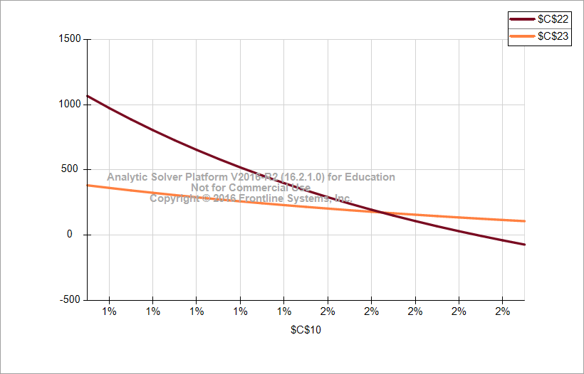
Decisions
 | Power Plant lifetime(years) | 87
 | Power Plant capacity(MW) | 100
Parameters
 | Tariff($/kwhr) | 0.16
 | Specific Productivity(kwh/kwp/year) | 1300
 | Annual decrease in productivity(per year) | 2%
 | O&M Cost($/kw/ year) | 16.1
 | Loan Amount(million$) | 202.5
 | Loan Interest Rate(% per year) | 7%
 | Debt Term(years) | 25
 | Land rent ($/acre/year) | 600
 | Land area required(acre/MW) | 4
 | Tariff increment(% per year) | 1%
 | Currency Inflation Rate(% per year) | 3%
 | EPCC Cost of PV Plant ($/kw) | 2025
 | Tax Rate | 9%

Output | Net profit(million$) | 344
 | NPV | 217.9
 | IRR(net) | 4%

Calculation
 | Gross Profit(million$) | 610.4
 | Revenue(million$) | 1461.5
 | Capital investment(million$) | 202.5
 | Operations and Maintenance Cost(labors) | 648.7
 | Land Rent(million$) | 20.9
 | Debt Cost(million$) | 434.4
 | Total running cost(capex+opex)(million$) | 872.0
 | IRR(Gross) | 8%
Constraint
 |  | LHS |  | RHS
 | Capital investment(million$) | 202.5 | <= | 202.5

Calculation

 | Year ending | Date | Finyear |  | 1-Jul-17 | 1-Jul-18 | 1-Jul-19 | 1-Jul-20 | 1-Jul-21 | 1-Jul-22 | 1-Jul-23 | 1-Jul-24 | 1-Jul-25 | 1-Jul-26 | 1-Jul-27 | 1-Jul-28 | 1-Jul-29 | 1-Jul-30 | 1-Jul-31 | 1-Jul-32 | 1-Jul-33 | 1-Jul-34 | 1-Jul-35 | 1-Jul-36 | 1-Jul-37 | 1-Jul-38 | 1-Jul-39 | 1-Jul-40 | 1-Jul-41 | 1-Jul-42 | 1-Jul-43 | 1-Jul-44 | 1-Jul-45 | 2-Jul-46 | 2-Jul-47 | 2-Jul-48 | 2-Jul-49 | 3-Jul-50 | 4-Jul-51 | 3-Jul-52 | 4-Jul-53 | 4-Jul-54 | 5-Jul-55 | 4-Jul-56 | 5-Jul-57 | 6-Jul-58 | 6-Jul-59 | 6-Jul-60 | 6-Jul-61 | 7-Jul-62 | 7-Jul-63 | 7-Jul-64 | 8-Jul-65 | 8-Jul-66 | 9-Jul-67 | 8-Jul-68 | 9-Jul-69 | 9-Jul-70 | 10-Jul-71 | 10-Jul-72 | 10-Jul-73 | 11-Jul-74 | 11-Jul-75 | 11-Jul-76 | 11-Jul-77 | 12-Jul-78 | 13-Jul-79 | 12-Jul-80 | 13-Jul-81 | 13-Jul-82 | 14-Jul-83 | 13-Jul-84 | 14-Jul-85 | 15-Jul-86 | 15-Jul-87 | 15-Jul-88 | 15-Jul-89 | 16-Jul-90 | 16-Jul-91 | 16-Jul-92 | 17-Jul-93 | 17-Jul-94 | 18-Jul-95 | 17-Jul-96 | 18-Jul-97 | 18-Jul-98 | 19-Jul-99 | 20-Jul-00 | 20-Jul-01 | 21-Jul-02 | 21-Jul-03 | 21-Jul-04 | 21-Jul-05 | 22-Jul-06 | 23-Jul-07 | 22-Jul-08 | 23-Jul-09 | 23-Jul-10 | 24-Jul-11 | 23-Jul-12 | 24-Jul-13 | 25-Jul-14 | 25-Jul-15 | 25-Jul-16 | 25-Jul-17 | 26-Jul-18 | 26-Jul-19 | 26-Jul-20 | 27-Jul-21 | 27-Jul-22 | 28-Jul-23 | 27-Jul-24 | 28-Jul-25 | 28-Jul-26 | 29-Jul-27 | 29-Jul-28 | 29-Jul-29 | 30-Jul-30 | 30-Jul-31 | 30-Jul-32 | 30-Jul-33 | 31-Jul-34 | 1-Aug-35 | 31-Jul-36 | 1-Aug-37 | 1-Aug-38 | 2-Aug-39 | 1-Aug-40 | 2-Aug-41 | 3-Aug-42 | 3-Aug-43 | 3-Aug-44 | 3-Aug-45 | 4-Aug-46 | 4-Aug-47 | 4-Aug-48 | 5-Aug-49 | 5-Aug-50 | 6-Aug-51 | 5-Aug-52 | 6-Aug-53 | 6-Aug-54 | 7-Aug-55 | 7-Aug-56 | 7-Aug-57 | 8-Aug-58 | 8-Aug-59 | 8-Aug-60 | 8-Aug-61 | 9-Aug-62 | 10-Aug-63 | 9-Aug-64 | 10-Aug-65 | 10-Aug-66 | 11-Aug-67
 | Year Counter | Number | yearcounter |  |  | 1 | 2 | 3 | 4 | 5 | 6 | 7 | 8 | 9 | 10 | 11 | 12 | 13 | 14 | 15 | 16 | 17 | 18 | 19 | 20 | 21 | 22 | 23 | 24 | 25 | 26 | 27 | 28 | 29 | 30 | 31 | 32 | 33 | 34 | 35 | 36 | 37 | 38 | 39 | 40 | 41 | 42 | 43 | 44 | 45 | 46 | 47 | 48 | 49 | 50 | 51 | 52 | 53 | 54 | 55 | 56 | 57 | 58 | 59 | 60 | 61 | 62 | 63 | 64 | 65 | 66 | 67 | 68 | 69 | 70 | 71 | 72 | 73 | 74 | 75 | 76 | 77 | 78 | 79 | 80 | 81 | 82 | 83 | 84 | 85 | 86 | 87 | 88 | 89 | 90 | 91 | 92 | 93 | 94 | 95 | 96 | 97 | 98 | 99 | 100 | 101 | 102 | 103 | 104 | 105 | 106 | 107 | 108 | 109 | 110 | 111 | 112 | 113 | 114 | 115 | 116 | 117 | 118 | 119 | 120 | 121 | 122 | 123 | 124 | 125 | 126 | 127 | 128 | 129 | 130 | 131 | 132 | 133 | 134 | 135 | 136 | 137 | 138 | 139 | 140 | 141 | 142 | 143 | 144 | 145 | 146 | 147 | 148 | 149 | 150
Cash Flow Summary

 | Total Revenue | [$mn] |  |  |  | $20.8 | $20.7 | $20.6 | $20.5 | $20.4 | $20.3 | $20.2 | $20.1 | $20.0 | $19.9 | $19.8 | $19.7 | $19.6 | $19.4 | $19.3 | $19.2 | $19.2 | $19.1 | $19.0 | $18.9 | $18.8 | $18.7 | $18.6 | $18.5 | $18.4 | $18.3 | $18.2 | $18.1 | $18.0 | $17.9 | $17.8 | $17.7 | $17.6 | $17.5 | $17.5 | $17.4 | $17.3 | $17.2 | $17.1 | $17.0 | $16.9 | $16.8 | $16.7 | $16.7 | $16.6 | $16.5 | $16.4 | $16.3 | $16.2 | $16.2 | $16.1 | $16.0 | $15.9 | $15.8 | $15.7 | $15.7 | $15.6 | $15.5 | $15.4 | $15.3 | $15.3 | $15.2 | $15.1 | $15.0 | $14.9 | $14.9 | $14.8 | $14.7 | $14.6 | $14.6 | $14.5 | $14.4 | $14.3 | $14.3 | $14.2 | $14.1 | $14.0 | $14.0 | $13.9 | $13.8 | $13.8 | $13.7 | $13.6 | $13.6 | $13.5 | $13.4 | $13.3 | $13.3 | $13.2 | $13.1 | $13.1 | $13.0 | $12.9 | $12.9 | $12.8 | $12.7 | $12.7 | $12.6 | $12.5 | $12.5 | $12.4 | $12.3 | $12.3 | $12.2 | $12.2 | $12.1 | $12.0 | $12.0 | $11.9 | $11.8 | $11.8 | $11.7 | $11.7 | $11.6 | $11.5 | $11.5 | $11.4 | $11.4 | $11.3 | $11.3 | $11.2 | $11.1 | $11.1 | $11.0 | $11.0 | $10.9 | $10.9 | $10.8 | $10.7 | $10.7 | $10.6 | $10.6 | $10.5 | $10.5 | $10.4 | $10.4 | $10.3 | $10.3 | $10.2 | $10.1 | $10.1 | $10.0 | $10.0 | $9.9 | $9.9 | $9.8 | $9.8 | $9.7 | $9.7 | $9.6
 | Total Operating Expense | [$mn] |  |  |  | $1.850 | $1.898 | $1.948 | $1.999 | $2.052 | $2.106 | $2.162 | $2.220 | $2.279 | $2.341 | $2.404 | $2.469 | $2.535 | $2.604 | $2.675 | $2.748 | $2.824 | $2.901 | $2.981 | $3.063 | $3.148 | $3.235 | $3.325 | $3.417 | $3.513 | $3.611 | $3.712 | $3.816 | $3.924 | $4.034 | $4.148 | $4.265 | $4.386 | $4.510 | $4.638 | $4.770 | $4.906 | $5.046 | $5.190 | $5.339 | $5.492 | $5.649 | $5.812 | $5.979 | $6.151 | $6.328 | $6.511 | $6.699 | $6.893 | $7.093 | $7.298 | $7.510 | $7.728 | $7.953 | $8.184 | $8.422 | $8.668 | $8.921 | $9.181 | $9.449 | $9.725 | $10.010 | $10.303 | $10.605 | $10.916 | $11.236 | $11.566 | $11.906 | $12.256 | $12.616 | $12.988 | $13.370 | $13.764 | $14.170 | $14.588 | $15.018 | $15.461 | $15.918 | $16.388 | $16.873 | $17.372 | $17.886 | $18.415 | $18.960 | $19.522 | $20.100 | $20.696 | $21.310 | $21.942 | $22.593 | $23.264 | $23.954 | $24.666 | $25.399 | $26.153 | $26.931 | $27.732 | $28.556 | $29.406 | $30.281 | $31.182 | $32.110 | $33.066 | $34.051 | $35.065 | $36.110 | $37.186 | $38.295 | $39.436 | $40.612 | $41.823 | $43.071 | $44.356 | $45.679 | $47.043 | $48.447 | $49.893 | $51.382 | $52.917 | $54.497 | $56.125 | $57.801 | $59.528 | $61.307 | $63.139 | $65.026 | $66.969 | $68.971 | $71.033 | $73.157 | $75.344 | $77.597 | $79.918 | $82.309 | $84.771 | $87.307 | $89.919 | $92.609 | $95.380 | $98.234 | $101.174 | $104.202 | $107.321 | $110.533 | $113.842 | $117.250 | $120.760 | $124.376 | $128.100 | $131.936
 | Gross Profit | [$mn] |  |  | -202.5 | $19.2 | $19.0 | $18.9 | $18.7 | $18.6 | $18.4 | $18.2 | $18.1 | $17.9 | $17.8 | $17.6 | $17.4 | $17.3 | $17.1 | $16.9 | $16.7 | $16.6 | $16.4 | $16.2 | $16.0 | $15.9 | $15.7 | $15.5 | $15.3 | $15.1 | $14.9 | $14.7 | $14.5 | $14.3 | $14.1 | $13.9 | $13.7 | $13.5 | $13.3 | $13.1 | $12.8 | $12.6 | $12.4 | $12.1 | $11.9 | $11.7 | $11.4 | $11.2 | $10.9 | $10.7 | $10.4 | $10.1 | $9.9 | $9.6 | $9.3 | $9.0 | $8.7 | $8.4 | $8.1 | $7.8 | $7.5 | $7.1 | $6.8 | $6.5 | $6.1 | $5.8 | $5.4 | $5.0 | $4.7 | $4.3 | $3.9 | $3.5 | $3.1 | $2.6 | $2.2 | $1.7 | $1.3 | $0.8 | $0.3 | ($0.2) | ($0.7) | ($1.2) | ($1.7) | ($2.2) | ($2.8) | ($3.4) | ($4.0) | ($4.6) | ($5.2) | ($5.8) | ($6.4) | ($7.1) | ($7.8) | ($8.5) | ($9.2) | ($10.0) | ($10.7) | ($11.5) | ($12.3) | ($13.1) | ($14.0) | ($14.8) | ($15.7) | ($16.6) | ($17.6) | ($18.5) | ($19.5) | ($20.5) | ($21.6) | ($22.7) | ($23.8) | ($24.9) | ($26.1) | ($27.3) | ($28.5) | ($29.8) | ($31.1) | ($32.5) | ($33.8) | ($35.3) | ($36.7) | ($38.2) | ($39.8) | ($41.4) | ($43.0) | ($44.7) | ($46.4) | ($48.2) | ($50.0) | ($51.9) | ($53.9) | ($55.9) | ($57.9) | ($60.1) | ($62.2) | ($64.5) | ($66.8) | ($69.2) | ($71.6) | ($74.1) | ($76.7) | ($79.4) | ($82.1) | ($84.9) | ($87.8) | ($90.8) | ($93.9) | ($97.1) | ($100.4) | ($103.7) | ($107.2) | ($110.7) | ($114.4) | ($118.2) | ($122.1)
 | Cumulative gross profit | [$mn] |  |  |  | ($183.3) | ($164.3) | ($145.4) | ($126.7) | ($108.1) | ($89.7) | ($71.5) | ($53.4) | ($35.5) | ($17.7) | ($0.1) | $17.3 | $34.6 | $51.6 | $68.6 | $85.3 | $101.9 | $118.3 | $134.5 | $150.5 | $166.4 | $182.0 | $197.5 | $212.8 | $227.9 | $242.8 | $257.5 | $272.0 | $286.4 | $300.5 | $314.4 | $328.1 | $341.6 | $354.8 | $367.9 | $380.7 | $393.3 | $405.7 | $417.8 | $429.8 | $441.4 | $452.8 | $464.0 | $474.9 | $485.6 | $496.0 | $506.1 | $516.0 | $525.6 | $534.9 | $543.9 | $552.6 | $561.0 | $569.1 | $576.9 | $584.4 | $591.5 | $598.3 | $604.8 | $611.0 | $616.7 | $622.1 | $627.2 | $631.8 | $636.1 | $640.0 | $643.4 | $646.5 | $649.1 | $651.3 | $653.1 | $654.3 | $655.2 | $655.5 | $655.3 | $654.7 | $653.5 | $651.8 | $649.6 | $646.8 | $643.4 | $639.4 | $634.9 | $629.7 | $623.9 | $617.5 | $610.4 | $602.6 | $594.1 | $584.8 | $574.9 | $564.2 | $552.7 | $540.4 | $527.3 | $513.3 | $498.5 | $482.8 | $466.2 | $448.6 | $430.1 | $410.6 | $390.0 | $368.4 | $345.8 | $322.0 | $297.1 | $271.0 | $243.7 | $215.2 | $185.4 | $154.3 | $121.8 | $88.0 | $52.7 | $16.0 | ($22.2) | ($62.0) | ($103.4) | ($146.4) | ($191.1) | ($237.5) | ($285.7) | ($335.7) | ($387.7) | ($441.5) | ($497.4) | ($555.4) | ($615.4) | ($677.6) | ($742.1) | ($808.9) | ($878.1) | ($949.7) | ($1,023.8) | ($1,100.5) | ($1,179.9) | ($1,262.0) | ($1,346.9) | ($1,434.8) | ($1,525.6) | ($1,619.5) | ($1,716.6) | ($1,817.0) | ($1,920.7) | ($2,027.8) | ($2,138.6) | ($2,253.0) | ($2,371.1) | ($2,493.2)

 | Taxable income after debt service | [$mn] |  |  |  | $1.8 | $1.7 | $1.5 | $1.3 | $1.2 | $1.0 | $0.9 | $0.7 | $0.5 | $0.4 | $0.2 | $0.0 | ($0.1) | ($0.3) | ($0.5) | ($0.6) | ($0.8) | ($1.0) | ($1.2) | ($1.3) | ($1.5) | ($1.7) | ($1.9) | ($2.1) | ($2.3) | $14.9 | $14.7 | $14.5 | $14.3 | $14.1 | $13.9 | $13.7 | $13.5 | $13.3 | $13.1 | $12.8 | $12.6 | $12.4 | $12.1 | $11.9 | $11.7 | $11.4 | $11.2 | $10.9 | $10.7 | $10.4 | $10.1 | $9.9 | $9.6 | $9.3 | $9.0 | $8.7 | $8.4 | $8.1 | $7.8 | $7.5 | $7.1 | $6.8 | $6.5 | $6.1 | $5.8 | $5.4 | $5.0 | $4.7 | $4.3 | $3.9 | $3.5 | $3.1 | $2.6 | $2.2 | $1.7 | $1.3 | $0.8 | $0.3 | ($0.2) | ($0.7) | ($1.2) | ($1.7) | ($2.2) | ($2.8) | ($3.4) | ($4.0) | ($4.6) | ($5.2) | ($5.8) | ($6.4) | ($7.1) | ($7.8) | ($8.5) | ($9.2) | ($10.0) | ($10.7) | ($11.5) | ($12.3) | ($13.1) | ($14.0) | ($14.8) | ($15.7) | ($16.6) | ($17.6) | ($18.5) | ($19.5) | ($20.5) | ($21.6) | ($22.7) | ($23.8) | ($24.9) | ($26.1) | ($27.3) | ($28.5) | ($29.8) | ($31.1) | ($32.5) | ($33.8) | ($35.3) | ($36.7) | ($38.2) | ($39.8) | ($41.4) | ($43.0) | ($44.7) | ($46.4) | ($48.2) | ($50.0) | ($51.9) | ($53.9) | ($55.9) | ($57.9) | ($60.1) | ($62.2) | ($64.5) | ($66.8) | ($69.2) | ($71.6) | ($74.1) | ($76.7) | ($79.4) | ($82.1) | ($84.9) | ($87.8) | ($90.8) | ($93.9) | ($97.1) | ($100.4) | ($103.7) | ($107.2) | ($110.7) | ($114.4) | ($118.2) | ($122.1)
 | Tax Payable | [$mn] |  |  |  | $0.16 | $0.15 | $0.14 | $0.12 | $0.11 | $0.09 | $0.08 | $0.06 | $0.05 | $0.03 | $0.02 | $0.00 | ($0.01) | ($0.03) | ($0.04) | ($0.06) | ($0.07) | ($0.09) | ($0.10) | ($0.12) | ($0.14) | ($0.15) | ($0.17) | ($0.19) | ($0.20) | $1.34 | $1.32 | $1.31 | $1.29 | $1.27 | $1.25 | $1.23 | $1.21 | $1.19 | $1.17 | $1.15 | $1.13 | $1.11 | $1.09 | $1.07 | $1.05 | $1.03 | $1.01 | $0.98 | $0.96 | $0.94 | $0.91 | $0.89 | $0.86 | $0.84 | $0.81 | $0.78 | $0.76 | $0.73 | $0.70 | $0.67 | $0.64 | $0.61 | $0.58 | $0.55 | $0.52 | $0.49 | $0.45 | $0.42 | $0.38 | $0.35 | $0.31 | $0.27 | $0.24 | $0.20 | $0.16 | $0.12 | $0.07 | $0.03 | ($0.01) | ($0.06) | ($0.11) | ($0.15) | ($0.20) | ($0.25) | ($0.30) | ($0.36) | ($0.41) | ($0.47) | ($0.52) | ($0.58) | ($0.64) | ($0.70) | ($0.76) | ($0.83) | ($0.90) | ($0.96) | ($1.03) | ($1.11) | ($1.18) | ($1.26) | ($1.33) | ($1.41) | ($1.50) | ($1.58) | ($1.67) | ($1.76) | ($1.85) | ($1.94) | ($2.04) | ($2.14) | ($2.24) | ($2.35) | ($2.46) | ($2.57) | ($2.68) | ($2.80) | ($2.92) | ($3.05) | ($3.17) | ($3.30) | ($3.44) | ($3.58) | ($3.72) | ($3.87) | ($4.02) | ($4.18) | ($4.34) | ($4.50) | ($4.67) | ($4.85) | ($5.03) | ($5.21) | ($5.40) | ($5.60) | ($5.80) | ($6.01) | ($6.22) | ($6.44) | ($6.67) | ($6.90) | ($7.14) | ($7.39) | ($7.64) | ($7.91) | ($8.18) | ($8.45) | ($8.74) | ($9.03) | ($9.33) | ($9.65) | ($9.97) | ($10.30) | ($10.64) | ($10.99)
...

Sensitivity_o&M cost
Base Case Model
Group 1

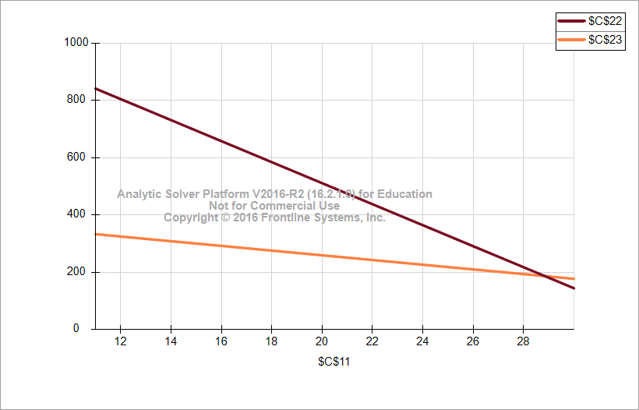
Decisions
 | Power Plant lifetime(years) | 87
 | Power Plant capacity(MW) | 100
Parameters
 | Tariff($/kwhr) | 0.16
 | Specific Productivity(kwh/kwp/year) | 1300
 | Annual decrease in productivity(per year) | 1%
 | O&M Cost($/kw/ year) | 20.5
 | Loan Amount(million$) | 202.5
 | Loan Interest Rate(% per year) | 7%
 | Debt Term(years) | 25
 | Land rent ($/acre/year) | 600
 | Land area required(acre/MW) | 4
 | Tariff increment(% per year) | 1%
 | Currency Inflation Rate(% per year) | 3%
 | EPCC Cost of PV Plant ($/kw) | 2025
 | Tax Rate | 9%

Output | Net profit(million$) | 493
 | NPV | 255.4
 | IRR(net) | 4%

Calculation
...

Sensitivity Analysis Report - 2
...
2800 | 2840 | 2880 | 2920 | 2960 | 3000
14 | 7 | -1 | -9 | -17 | -25
24 | 16 | 8 | 1 | -7 | -15
34 | 26 | 18 | 10 | 2 | -5
43 | 36 | 28 | 20 | 12 | 4
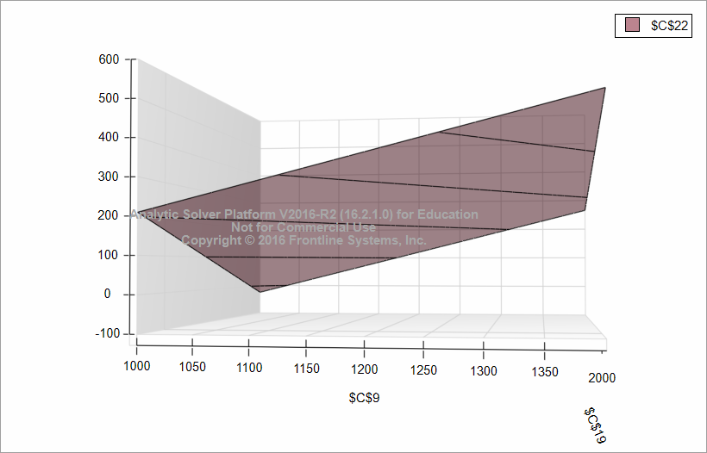
53 | 45 | 37 | 30 | 22 | 14
63 | 55 | 47 | 39 | 32 | 24
72 | 65 | 57 | 49 | 41 | 33
82 | 74 | 67 | 59 | 51 | 43
92 | 84 | 76 | 68 | 61 | 53
101 | 94 | 86 | 78 | 70 | 62
111 | 103 | 96 | 88 | 80 | 72
121 | 113 | 105 | 97 | 90 | 82
131 | 123 | 115 | 107 | 99 | 91
140 | 132 | 125 | 117 | 109 | 101
150 | 142 | 134 | 126 | 119 | 111
160 | 152 | 144 | 136 | 128 | 121
169 | 161 | 154 | 146 | 138 | 130
179 | 171 | 163 | 156 | 148 | 140
189 | 181 | 173 | 165 | 157 | 150
198 | 191 | 183 | 175 | 167 | 159
208 | 200 | 192 | 185 | 177 | 169
218 | 210 | 202 | 194 | 186 | 179
227 | 220 | 212 | 204 | 196 | 188
237 | 229 | 221 | 214 | 206 | 198
247 | 239 | 231 | 223 | 216 | 208
256 | 249 | 241 | 233 | 225 | 217
266 | 258 | 250 | 243 | 235 | 227
276 | 268 | 260 | 252 | 245 | 237
285 | 278 | 270 | 262 | 254 | 246
295 | 287 | 280 | 272 | 264 | 256
305 | 297 | 289 | 281 | 274 | 266

Sensitivity Analysis Report3
Variation of NPV wrt Tariff and currency Inflation rate

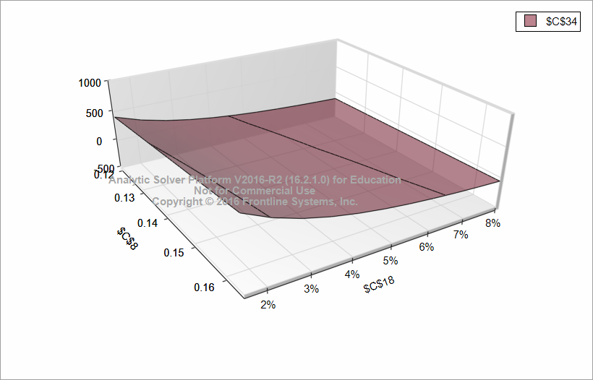
...
5% | 5% | 6% | 7% | 7% | 8%
-13.6 | -47.4 | -74.2 | -95.7 | -113.1 | -127.5
-11.3 | -45.4 | -72.4 | -94.1 | -111.7 | -126.1
-9.0 | -43.4 | -70.6 | -92.4 | -110.2 | -124.8
-6.7 | -41.3 | -68.8 | -90.8 | -108.7 | -123.4
-4.4 | -39.3 | -67.0 | -89.2 | -107.2 | -122.1
-2.0 | -37.3 | -65.2 | -87.5 | -105.8 | -120.7
0.3 | -35.2 | -63.3 | -85.9 | -104.3 | -119.4
2.6 | -33.2 | -61.5 | -84.3 | -102.8 | -118.0
4.9 | -31.2 | -59.7 | -82.7 | -101.3 | -116.7
7.2 | -29.1 | -57.9 | -81.0 | -99.8 | -115.3
9.5 | -27.1 | -56.1 | -79.4 | -98.4 | -114.0
11.8 | -25.1 | -54.3 | -77.8 | -96.9 | -112.6
14.1 | -23.1 | -52.5 | -76.2 | -95.4 | -111.3
16.4 | -21.0 | -50.7 | -74.5 | -93.9 | -109.9
18.7 | -19.0 | -48.9 | -72.9 | -92.5 | -108.6
21.0 | -17.0 | -47.1 | -71.3 | -91.0 | -107.2
23.3 | -14.9 | -45.2 | -69.6 | -89.5 | -105.9
25.6 | -12.9 | -43.4 | -68.0 | -88.0 | -104.5
27.9 | -10.9 | -41.6 | -66.4 | -86.5 | -103.2
30.2 | -8.8 | -39.8 | -64.8 | -85.1 | -101.8
32.5 | -6.8 | -38.0 | -63.1 | -83.6 | -100.5
34.8 | -4.8 | -36.2 | -61.5 | -82.1 | -99.1
37.1 | -2.7 | -34.4 | -59.9 | -80.6 | -97.8
39.5 | -0.7 | -32.6 | -58.2 | -79.2 | -96.4
41.8 | 1.3 | -30.8 | -56.6 | -77.7 | -95.1
44.1 | 3.4 | -29.0 | -55.0 | -76.2 | -93.7
46.4 | 5.4 | -27.2 | -53.4 | -74.7 | -92.4
48.7 | 7.4 | -25.3 | -51.7 | -73.2 | -91.0
51.0 | 9.4 | -23.5 | -50.1 | -71.8 | -89.7
53.3 | 11.5 | -21.7 | -48.5 | -70.3 | -88.3
55.6 | 13.5 | -19.9 | -46.8 | -68.8 | -87.0
57.9 | 15.5 | -18.1 | -45.2 | -67.3 | -85.6
...

Sensitivity Land Rent
Base Case Model
Group 1

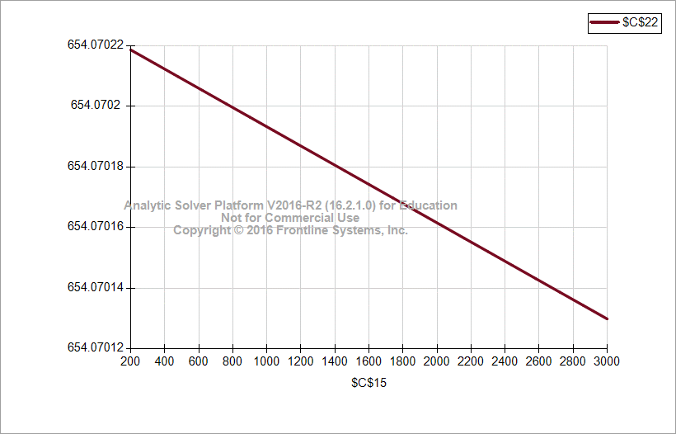
Decisions
 | Power Plant lifetime(years) | 87
 | Power Plant capacity(MW) | 100
Parameters
 | Tariff($/kwhr) | 0.16
 | Specific Productivity(kwh/kwp/year) | 1300
 | Annual decrease in productivity(per year) | 1%
 | O&M Cost($/kw/ year) | 16.1
 | Loan Amount(million$) | 202.5
 | Loan Interest Rate(% per year) | 7%
 | Debt Term(years) | 25
 | Land rent ($/acre/year) | 1600
 | Land area required(acre/MW) | 4
 | Tariff increment(% per year) | 1%
 | Currency Inflation Rate(% per year) | 3%
 | EPCC Cost of PV Plant ($/kw) | 2025
 | Tax Rate | 9%

Output | Net profit(million$) | 654
 | NPV | 291.5
 | IRR(net) | 5%

Calculation
 | Gross Profit(million$) | 950.7
 | Revenue(million$) | 1801.8
 | Capital investment(million$) | 202.5
 | Operations and Maintenance Cost(labors) | 648.7
 | Land Rent(million$) | 55.7
 | Debt Cost(million$) | 434.4
 | Total running cost(capex+opex)(million$) | 906.8
 | IRR(Gross) | 9%
Constraint
 |  | LHS |  | RHS
 | Capital investment(million$) | 202.5 | <= | 202.5
...

Sensitivity Tax
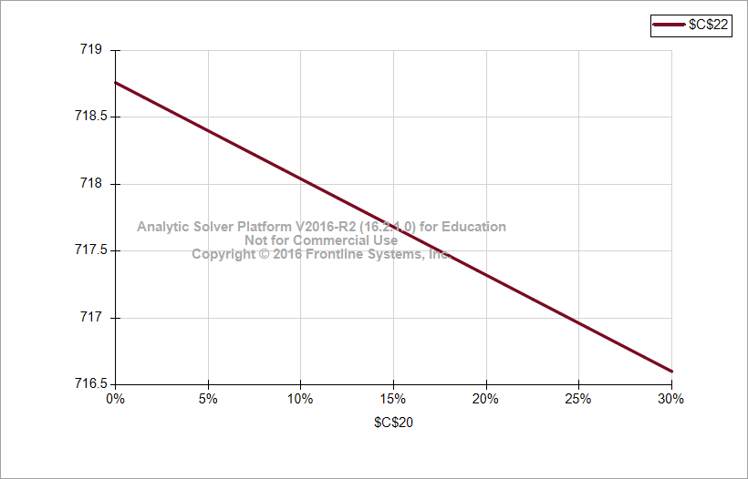
Base Case Model
Group 1

Decisions
 | Power Plant lifetime(years) | 87
 | Power Plant capacity(MW) | 100
Parameters
 | Tariff($/kwhr) | 0.16
 | Specific Productivity(kwh/kwp/year) | 1300
 | Annual decrease in productivity(per year) | 1%
 | O&M Cost($/kw/ year) | 16.1
 | Loan Amount(million$) | 202.5
 | Loan Interest Rate(% per year) | 7%
 | Debt Term(years) | 25
 | Land rent ($/acre/year) | 600
 | Land area required(acre/MW) | 4
 | Tariff increment(% per year) | 1%
 | Currency Inflation Rate(% per year) | 3%
 | EPCC Cost of PV Plant ($/kw) | 2025
 | Tax Rate | 15%

Output | Net profit(million$) | 611
 | NPV | 291.5
 | IRR(net) | 4%

Calculation
 | Gross Profit(million$) | 950.7
 | Revenue(million$) | 1801.8
 | Capital investment(million$) | 202.5
...

Analysis Report for NOS tariff
Marginal Value
Tariff | Net Profit | Marginal Value
0.12 | 266
0.125 | 313 | 92.377466526
0.13 | 359 | 93.292742943
0.135 | 406 | 93.804686904
0.14 | 455 | 96.691224527
0.145 | 504 | 98.022110784
0.15 | 553 | 99.01281035
0.155 | 603 | 100.35032654
0.16 | 654 | 101.60817039
0.165 | 705 | 102.83311156
0.17 | 757 | 103.2070608

Analysis Report - NOSP
Marginal Value
Specific Productivity | Net Profit | Marginal Value
1000 | 295
1030 | 329 | 1.1374931274
1060 | 364 | 1.1516407773
1090 | 399 | 1.1644945536
1120 | 434 | 1.1794360056
1150 | 470 | 1.1913593502
1180 | 506 | 1.2036454027
1210 | 542 | 1.2179781578
1240 | 579 | 1.2298691596
1270 | 617 | 1.2411375304
1300 | 654 | 1.2518755597

Tornado Charts
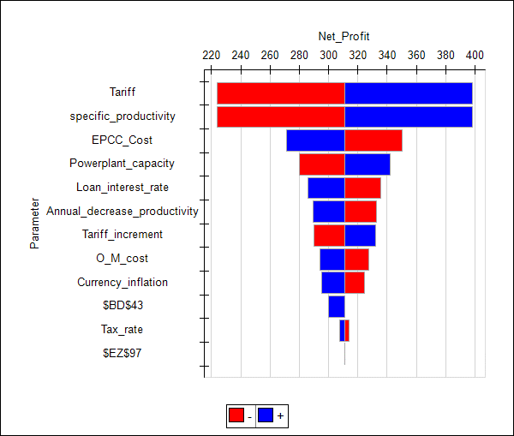
Base Case Model |  |  |  |  | Tornado for Net Profit
Group 1

Decisions
 | Power Plant lifetime(years) | 87
 | Power Plant capacity(MW) | 100
Parameters
 | Tariff($/kwhr) | 0.16
 | Specific Productivity(kwh/kwp/year) | 1300
 | Annual decrease in productivity(per year) | 1%
 | O&M Cost($/kw/ year) | 16.1
 | Loan Amount(million$) | 202.5
 | Loan Interest Rate(% per year) | 7%
 | Debt Term(years) | 25
 | Land rent ($/acre/year) | 600
 | Land area required(acre/MW) | 4
 | Tariff increment(% per year) | 1%
 | Currency Inflation Rate(% per year) | 3% |  |  | Tornado for NPV |  |  |  |  |  |  |  |  |  | 0.1275
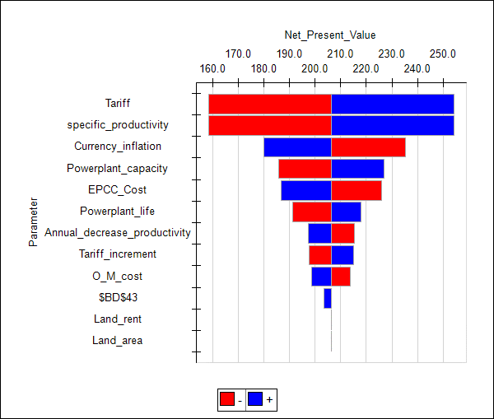
 | EPCC Cost of PV Plant ($/kw) | 2025
 | Tax Rate | 9%

Output | Net profit(million$) | 654
 | IRR(net) | 5%
 | NPV | 291.5

Calculation
 | Gross Profit(million$) | 950.7
 | Revenue(million$) | 1801.8
 | Capital investment(million$) | 202.5
 | Operations and Maintenance Cost(labors) | 648.7
 | Land Rent(million$) | 20.9
 | Debt Cost(million$) | 434.4
 | Total running cost(capex+opex)(million$) | 872.0
 | IRR(Gross) | 9%
Constraint
 |  | LHS |  | RHS
 | Capital investment(million$) | 202.5 | <= | 202.5

Calculation

 | Year ending | Date | Finyear |  | 1-Jul-17 | 1-Jul-18 | 1-Jul-19 | 1-Jul-20 | 1-Jul-21 | 1-Jul-22 | 1-Jul-23 | 1-Jul-24 | 1-Jul-25 | 1-Jul-26 | 1-Jul-27 | 1-Jul-28
 | Year Counter | Number | yearcounter |  |  | 1 | 2 | 3 | 4 | 5 | 6 | 7 | 8 | 9 | 10 | 11
Cash Flow Summary
...

Simulation
Base Case Model
Group 1

Decisions |  |  | Min Value | Max Value | Most likely | Mean Value | Standard Deviation
 | Power Plant lifetime(years) | 87
 | Power Plant capacity(MW) | 100
Parameters
 | Tariff($/kwhr) | #N/A | 0.12 | 0.16
 | Specific Productivity(kwh/kwp/year) | #N/A | 900 | 1300 | 1100
 | Annual decrease in productivity(per year) | 1% |  |  |  | 1% | 0.20%
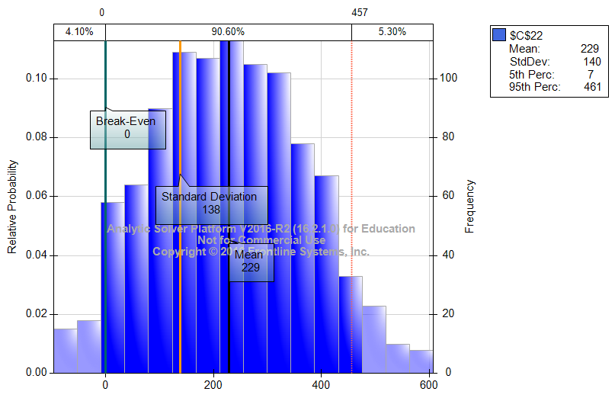
 | O&M Cost($/kw/ year) | 16.1
 | Loan Amount(million$) | 202.5
 | Loan Interest Rate(% per year) | 7%
 | Debt Term(years) | 25
 | Land rent ($/acre/year) | 600
 | Land area required(acre/MW) | 4
 | Tariff increment(% per year) | 1%
 | Currency Inflation Rate(% per year) | 3%
 | EPCC Cost of PV Plant ($/kw) | 2025
 | Tax Rate | 9%

Output | Net profit(million$) | #N/A |  |  |  | #N/A | #N/A

Calculation
 | Gross Profit(million$) | #N/A
 | Revenue(million$) | #N/A
 | Capital investment(million$) | 202.5
 | Operations and Maintenance Cost(labors) | 648.7
 | Land Rent(million$) | 20.9
 | Debt Cost(million$) | 434.4
 | Total running cost(cap+opex)(million$) | 872.0
 | IRR | #VALUE!
 | NPV | #N/A
...

Sim Analysis Report
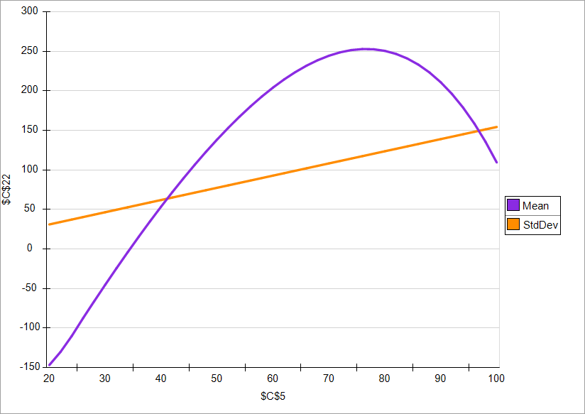
Power Plant Life | Mean | StdDev
20 | -146.91231144 | 30.607992411
22 | -130.298594 | 33.665425951
24 | -110.30151996 | 36.722248035
26 | -87.966446913 | 39.778458785
28 | -66.432263863 | 42.834058324
30 | -45.294284748 | 45.889046774
32 | -24.57629688 | 48.943424256
34 | -4.3035362824 | 51.997190893
36 | 15.497224077 | 55.050346808
38 | 34.797580689 | 58.102892121
40 | 53.567400202 | 61.154826957
42 | 71.774714076 | 64.206151436
44 | 89.385606817 | 67.25686568
46 | 106.36409741 | 70.306969812
48 | 122.67201353 | 73.356463954
50 | 138.26885809 | 76.405348228
52 | 153.11166765 | 79.453622755
54 | 167.15486225 | 82.501287657
56 | 180.35008602 | 85.548343058
58 | 192.64603817 | 88.594789077
60 | 203.98829361 | 91.640625838
62 | 214.31911269 | 94.685853462
64 | 223.57723936 | 97.730472071
66 | 231.697687 | 100.77448179
68 | 238.61151125 | 103.81788273
70 | 244.24556895 | 106.86067502
72 | 248.52226246 | 109.90285879
74 | 251.35926839 | 112.94443415
76 | 252.66924978 | 115.98540123
78 | 252.35955077 | 119.02576014
...

Simulation - Inflation
Base Case Model
Group 1

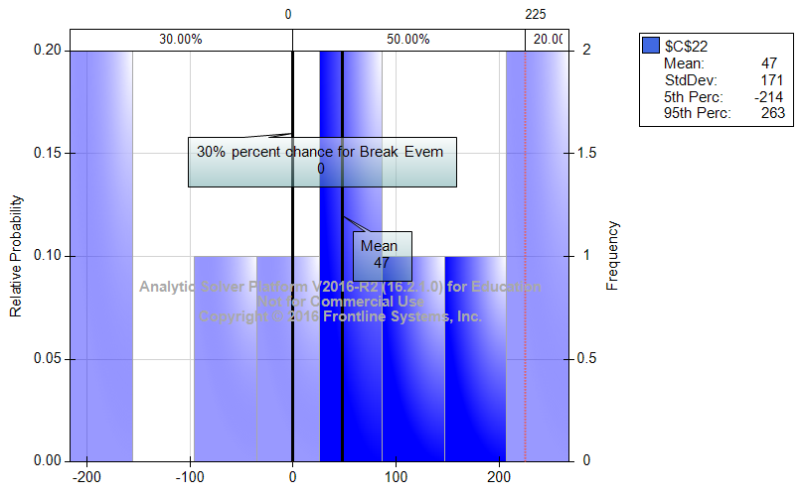
Decisions
 | Power Plant lifetime(years) | 87
 | Power Plant capacity(MW) | 100
Parameters
 | Tariff($/kwhr) | 0.16
 | Specific Productivity(kwh/kwp/year) | 1300
 | Annual decrease in productivity(per year) | 1%
 | O&M Cost($/kw/ year) | 16.1
 | Loan Amount(million$) | 202.5
 | Loan Interest Rate(% per year) | 7%
 | Debt Term(years) | 25
 | Land rent ($/acre/year) | 600
 | Land area required(acre/MW) | 4
 | Tariff increment(% per year) | 1%
 | Currency Inflation Rate(% per year) | 3%
 | EPCC Cost of PV Plant ($/kw) | 2025
 | Tax Rate | 9%

Output | Net profit(million$) | #N/A

Calculation
 | Gross Profit(million$) | #N/A
 | Revenue(million$) | 1801.8
...

ARizona
Base Case Model
Group 1

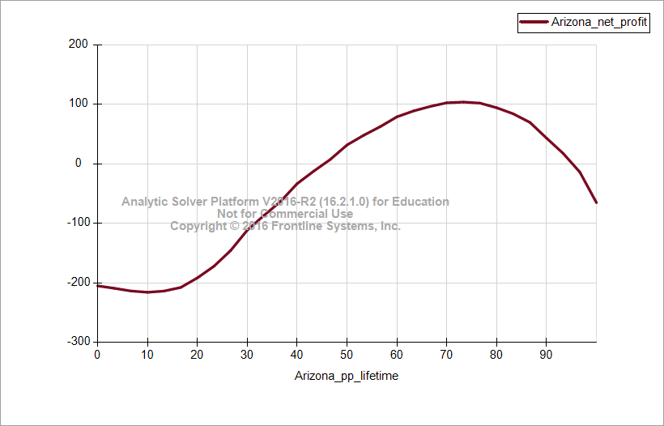
Decisions
 | Power Plant lifetime(years) | 50
 | Power Plant capacity(MW) | 100
Parameters
 | Tariff($/kwhr) | 0.08
 | Specific Productivity(kwh/kwp/year) | 1450
 | Annual decrease in productivity(per year) | 1%
 | O&M Cost($/kw/ year) | 15
 | Loan Amount(million$) | 202.5
 | Loan Interest Rate(% per year) | 7%
 | Debt Term(years) | 25
 | Land rent ($/acre/year) | 600
 | Land area required(acre/MW) | 4
 | Tariff increment(% per year) | 1%
 | Currency Inflation Rate(% per year) | 3%
 | EPCC Cost of PV Plant ($/kw) | 2025
 | Tax Rate | 9%

Output | Net profit(million$) | -23
 | NPV | 21.9
 | IRR(net) | 0%

Calculation
...

Washington
Base Case Model
Group 1

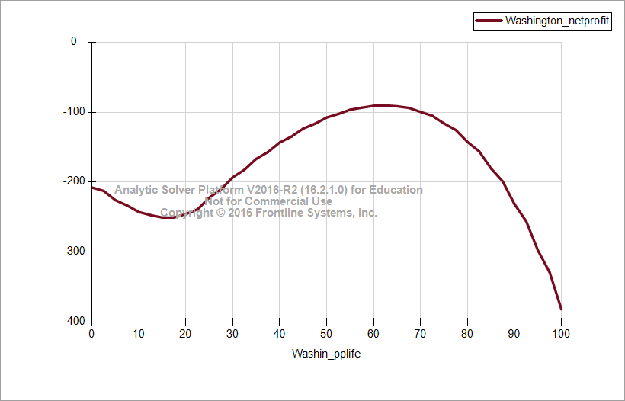
Decisions
 | Power Plant lifetime(years) | 50
 | Power Plant capacity(MW) | 100
Parameters
 | Tariff($/kwhr) | 0.07677
 | Specific Productivity(kwh/kwp/year) | 1300
 | Annual decrease in productivity(per year) | 1%
 | O&M Cost($/kw/ year) | 16.1
 | Loan Amount(million$) | 202.5
 | Loan Interest Rate(% per year) | 7%
 | Debt Term(years) | 25
 | Land rent ($/acre/year) | 600
 | Land area required(acre/MW) | 4
 | Tariff increment(% per year) | 1%
 | Currency Inflation Rate(% per year) | 3%
 | EPCC Cost of PV Plant ($/kw) | 2025
 | Tax Rate | 9%

Output | Net profit(million$) | -108
 | NPV | -23.6
 | IRR(net) | -2%

Calculation
 | Gross Profit(million$) | 113.7
 | Revenue(million$) | 497.8
 | Capital investment(million$) | 202.5
 | Operations and Maintenance Cost(labors) | 181.6
 | Land Rent(million$) | 12.0
...

Florida
Base Case Model
Group 1

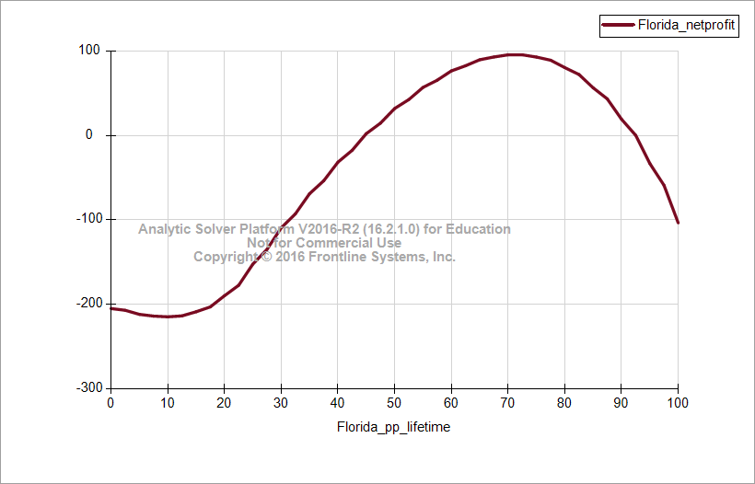
Decisions
 | Power Plant lifetime(years) | 50
 | Power Plant capacity(MW) | 100
Parameters
 | Tariff($/kwhr) | 0.09
 | Specific Productivity(kwh/kwp/year) | 1450
 | Annual decrease in productivity(per year) | 1%
 | O&M Cost($/kw/ year) | 16.1
 | Loan Amount(million$) | 202.5
 | Loan Interest Rate(% per year) | 7%
 | Debt Term(years) | 25
 | Land rent ($/acre/year) | 600
 | Land area required(acre/MW) | 4
 | Tariff increment(% per year) | 1%
 | Currency Inflation Rate(% per year) | 3%
 | EPCC Cost of PV Plant ($/kw) | 2025
 | Tax Rate | 9%

Output | Net profit(million$) | 32
 | NPV | 52.9
 | IRR(net) | 0%

Calculation
 | Gross Profit(million$) | 266.8
 | Revenue(million$) | 650.9
 | Capital investment(million$) | 202.5
 | Operations and Maintenance Cost(labors) | 181.6
...

NPV IRR Variation
NPV V/s years
 | ($178.51)
 | ($161.00)
 | ($144.04)
 | ($127.62)
 | ($111.72)
 | ($96.34)
 | ($81.45)
 | ($67.03)
 | ($53.09)
 | ($39.59)
 | ($26.53)
 | ($13.90)
 | ($1.69)
 | $10.13
 | $21.56
 | $32.60
 | $43.28
 | $53.61
 | $63.59
 | $73.23
 | $82.54
 | $91.54
 | $100.24
 | $108.63
 | $116.73
 | $124.56
 | $132.11
 | $139.39
 | $146.42
 | $153.20
 | $159.73
 | $166.03
 | $172.11
 | $177.96
 | $183.59
 | $189.02
 | $194.24
 | $199.27
 | $204.10
 | $208.75
 | $213.22
 | $217.51
 | $221.64
 | $225.59
 | $229.39
 | $233.04
 | $236.53
 | $239.88
 | $243.08
 | $246.15
...
IRR V/s years
 | -0.90523456909
 | -0.64155175686
 | -0.43826027463
 | -0.30129895537
 | -0.20805895932
 | -0.14258459707
 | -0.095153078771
 | -0.059836307901
 | -0.032916526131
 | -0.011984778761
 | 0.0045692775146
 | 0.017852934507
 | 0.028646922118
 | 0.037514077177
 | 0.044868214051
 | 0.051018944398
 | 0.056201555431
 | 0.060597366358
 | 0.064347873701
 | 0.067564758029
 | 0.070337079041
 | 0.072736526235
 | 0.074821303131
 | 0.07663903642
 | 0.07822898009
 | 0.079623703052
 | 0.080850394023
 | 0.081931879658
 | 0.082887425684
 | 0.083733372259
 | 0.084483641574
 | 0.085150146196
 | 0.085743119676
 | 0.08627138586
 | 0.086742579516
 | 0.087163328054
 | 0.087539401971
 | 0.087875839991
 | 0.088177053645
 | 0.088446915036
 | 0.088688830803
 | 0.088905804696
 | 0.089100490712
 | 0.089275238369
 | 0.089432131428
 | 0.089573021105
 | 0.08969955464
 | 0.089813199964
 | 0.089915267039
 | 0.090006926375
...

