parthi_output_dock
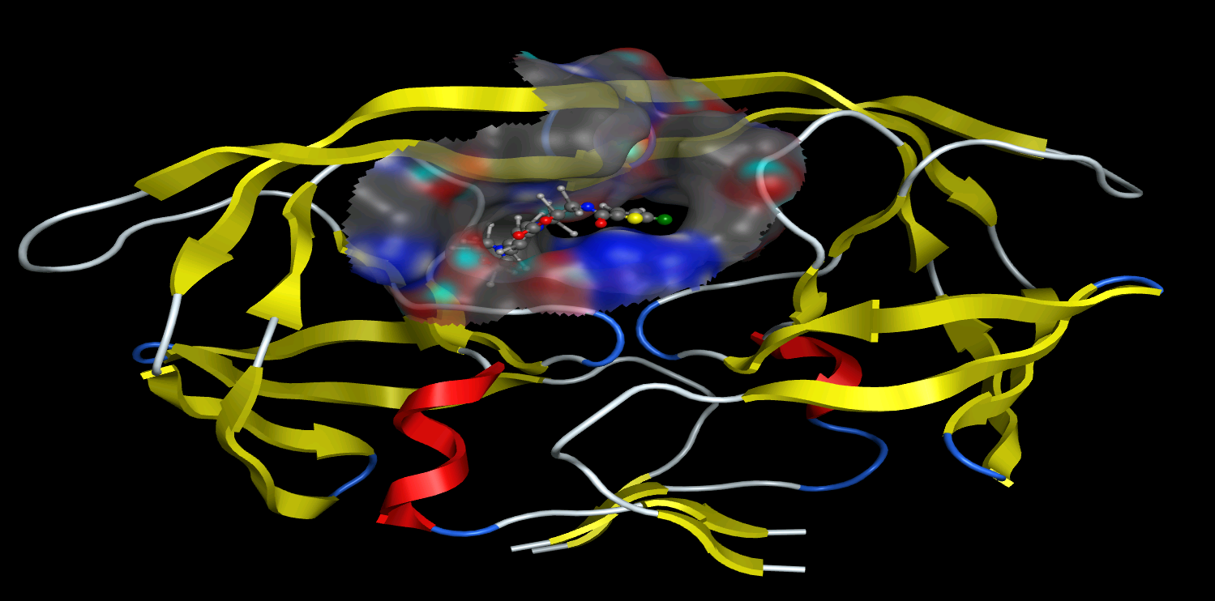
mol | S | E_conf | E_place | E_score1
Clc1sc(cc1)C(=O)NC[C@@H]1OC(=O)N(C1)c1ccc(N2CCOCC2=O)cc1 | -12.329266 | 1.7861387 | -149.10672 | -12.329266
Clc1sc(cc1)C(=O)NC[C@@H]1OC(=O)N(C1)c1ccc(N2CCOCC2=O)cc1 | -12.232953 | 0.84034193 | -120.05811 | -12.232953
Clc1sc(cc1)C(=O)NC[C@@H]1OC(=O)N(C1)c1ccc(N2CCOCC2=O)cc1 | -12.107644 | 1.7985789 | -124.41245 | -12.107644
Clc1sc(cc1)C(=O)NC[C@@H]1OC(=O)N(C1)c1ccc(N2CCOCC2=O)cc1 | -11.936191 | 2.3944292 | -133.39177 | -11.936191
Clc1sc(cc1)C(=O)NC[C@@H]1OC(=O)N(C1)c1ccc(N2CCOCC2=O)cc1 | -11.865878 | 3.3925254 | -122.44689 | -11.865878
Clc1sc(cc1)C(=O)NC[C@@H]1OC(=O)N(C1)c1ccc(N2CCOCC2=O)cc1 | -11.828547 | 0.83569396 | -124.54855 | -11.828547
Clc1sc(cc1)C(=O)NC[C@@H]1OC(=O)N(C1)c1ccc(N2CCOCC2=O)cc1 | -11.775189 | 0.44126737 | -127.83312 | -11.775189
Clc1sc(cc1)C(=O)NC[C@@H]1OC(=O)N(C1)c1ccc(N2CCOCC2=O)cc1 | -11.751289 | 0.83478343 | -124.55783 | -11.751289
Clc1sc(cc1)C(=O)NC[C@@H]1OC(=O)N(C1)c1ccc(N2CCOCC2=O)cc1 | -11.708097 | 2.1987417 | -132.9373 | -11.708097
Clc1sc(cc1)C(=O)NC[C@@H]1OC(=O)N(C1)c1ccc(N2CCOCC2=O)cc1 | -11.676436 | 2.9873865 | -125.41524 | -11.676436
Clc1sc(cc1)C(=O)NC[C@@H]1OC(=O)N(C1)c1ccc(N2CCOCC2=O)cc1 | -11.646679 | 1.5939243 | -130.10606 | -11.646679
Clc1sc(cc1)C(=O)NC[C@@H]1OC(=O)N(C1)c1ccc(N2CCOCC2=O)cc1 | -11.63136 | 1.7985789 | -149.0217 | -11.63136
Clc1sc(cc1)C(=O)NC[C@@H]1OC(=O)N(C1)c1ccc(N2CCOCC2=O)cc1 | -11.599051 | 1.3930171 | -123.60773 | -11.599051
Clc1sc(cc1)C(=O)NC[C@@H]1OC(=O)N(C1)c1ccc(N2CCOCC2=O)cc1 | -11.588947 | 1.9929979 | -130.46681 | -11.588947
Clc1sc(cc1)C(=O)NC[C@@H]1OC(=O)N(C1)c1ccc(N2CCOCC2=O)cc1 | -11.551569 | 1.9929996 | -142.77963 | -11.551569
Clc1sc(cc1)C(=O)NC[C@@H]1OC(=O)N(C1)c1ccc(N2CCOCC2=O)cc1 | -11.550283 | 1.7930005 | -125.99008 | -11.550283
Clc1sc(cc1)C(=O)NC[C@@H]1OC(=O)N(C1)c1ccc(N2CCOCC2=O)cc1 | -11.481313 | 2.3930051 | -144.69695 | -11.481313
Clc1sc(cc1)C(=O)NC[C@@H]1OC(=O)N(C1)c1ccc(N2CCOCC2=O)cc1 | -11.467175 | 0.99490136 | -120.50701 | -11.467175
Clc1sc(cc1)C(=O)NC[C@@H]1OC(=O)N(C1)c1ccc(N2CCOCC2=O)cc1 | -11.45574 | 0.39437079 | -122.83402 | -11.45574
Clc1sc(cc1)C(=O)NC[C@@H]1OC(=O)N(C1)c1ccc(N2CCOCC2=O)cc1 | -11.449858 | 3.9854767 | -123.11789 | -11.449858
Clc1sc(cc1)C(=O)NC[C@@H]1OC(=O)N(C1)c1ccc(N2CCOCC2=O)cc1 | -11.441597 | 3.035053 | -133.49446 | -11.441597
Clc1sc(cc1)C(=O)NC[C@@H]1OC(=O)N(C1)c1ccc(N2CCOCC2=O)cc1 | -11.418637 | 0 | -141.73509 | -11.418637
Clc1sc(cc1)C(=O)NC[C@@H]1OC(=O)N(C1)c1ccc(N2CCOCC2=O)cc1 | -11.405658 | 3.3854766 | -131.62242 | -11.405658
Clc1sc(cc1)C(=O)NC[C@@H]1OC(=O)N(C1)c1ccc(N2CCOCC2=O)cc1 | -11.370217 | 3.3854833 | -119.05753 | -11.370217
Clc1sc(cc1)C(=O)NC[C@@H]1OC(=O)N(C1)c1ccc(N2CCOCC2=O)cc1 | -11.342056 | 1.3959801 | -118.87365 | -11.342056
Clc1sc(cc1)C(=O)NC[C@@H]1OC(=O)N(C1)c1ccc(N2CCOCC2=O)cc1 | -11.338865 | 1.7939408 | -118.95822 | -11.338865
Clc1sc(cc1)C(=O)NC[C@@H]1OC(=O)N(C1)c1ccc(N2CCOCC2=O)cc1 | -11.319639 | 2.1883023 | -120.07607 | -11.319639
Clc1sc(cc1)C(=O)NC[C@@H]1OC(=O)N(C1)c1ccc(N2CCOCC2=O)cc1 | -11.308575 | 0.8403511 | -151.7292 | -11.308575
Clc1sc(cc1)C(=O)NC[C@@H]1OC(=O)N(C1)c1ccc(N2CCOCC2=O)cc1 | -11.305819 | 1.2014041 | -118.50065 | -11.305819
Clc1sc(cc1)C(=O)NC[C@@H]1OC(=O)N(C1)c1ccc(N2CCOCC2=O)cc1 | -11.289018 | 3.786407 | -122.18465 | -11.289018

