Example sheet
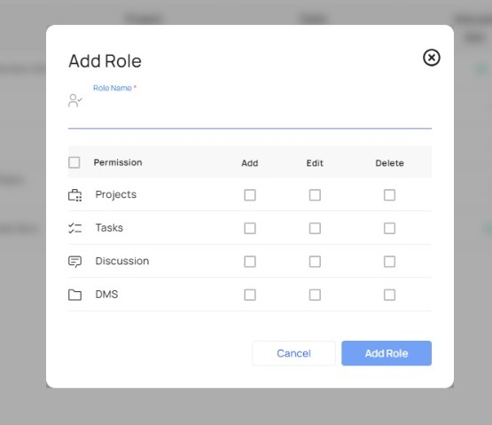
first_name | last_name | email | mobile_number | date_of_birth | gender | designation | reporting_to | roles_assigned | is_admin | (Highlighted Fields are mandatory)
Keval | Shah | kvs@lumossolution.com | 9913536307 |  | Male | Director | NA |  | Yes
Deepal | Patel | ea@lumossolution.com | 9427511213 |  | Female | EAD | kvs@lumossolution.com |  | Yes
Jaydip | Chavda | accounts@lumossolution.com | 9265963039 |  | Male | Sales Executive | manish@lumossolution.com |  | Yes
Manish | Patel | manish.patel@lumossolution.com | 7574850388 |  | Male | Vice President | kvs@lumossolution.com |  | No
Vishal | Vandra | sales@lumossolution.com | 8200749495 |  | Male | Sales Manager | manish@lumossolution.com |  | No
Prasenjit | Sahana | support@lumossolution.com | 9265792047 |  | Male | Project Head | manish@lumossolution.com |  | Yes
Kuldeep | Chauhan | info@lumossolution.com | 6354990658 |  | Male | Senior Technical Engg. | support@lumossolution.com |  | No

