Automation_ReadMe
Automation ReadMe:-

Tools Used:- Java, eclipse, Selenium Webdriver, Maven build, POM, Junit testing framework.

1. Download Java in your machine. Set the Path and class path in Environment variables. I have used version 1.8.
2. Download Maven-Apache. Set the path and class path in Environment variables. I have used version 3.8.6.
3. Download eclipse java IDE for developers. Create a new maven project. Create Group Id and artifact id in the maven build.
 | Wait for the explorer to automatically fully load the structure and reference libraries required like Junit (version 4), selenium libraries.
4. Download chromedriver.exe and put in some safe location which will be referred in the setproperty command in the setup method.
 | The chromeDriver version should be corresponding to the Chrome browser of your machine.
5. Append selenium dependencies in POM.xml file.
 | <artifactId>selenium-api</artifactId>, <artifactId>selenium-server</artifactId>, <artifactId>selenium-remote-driver</artifactId> from <groupId>org.seleniumhq.selenium</groupId>.
6. The project structure is divided in to POM based model. The pages and tests are depicted in separate folder packages.
7. Write the java and selenium code to create pages and tests. Add Junit annotations like @Before, @Test, @After to better structure the flow of execution.
8. Save all changes before executing the test.
9. Right click the project and Run the test class using Junit application.
10. The output is displayed on console. The testcase count, pass, failures is displayed under Junit result tab.

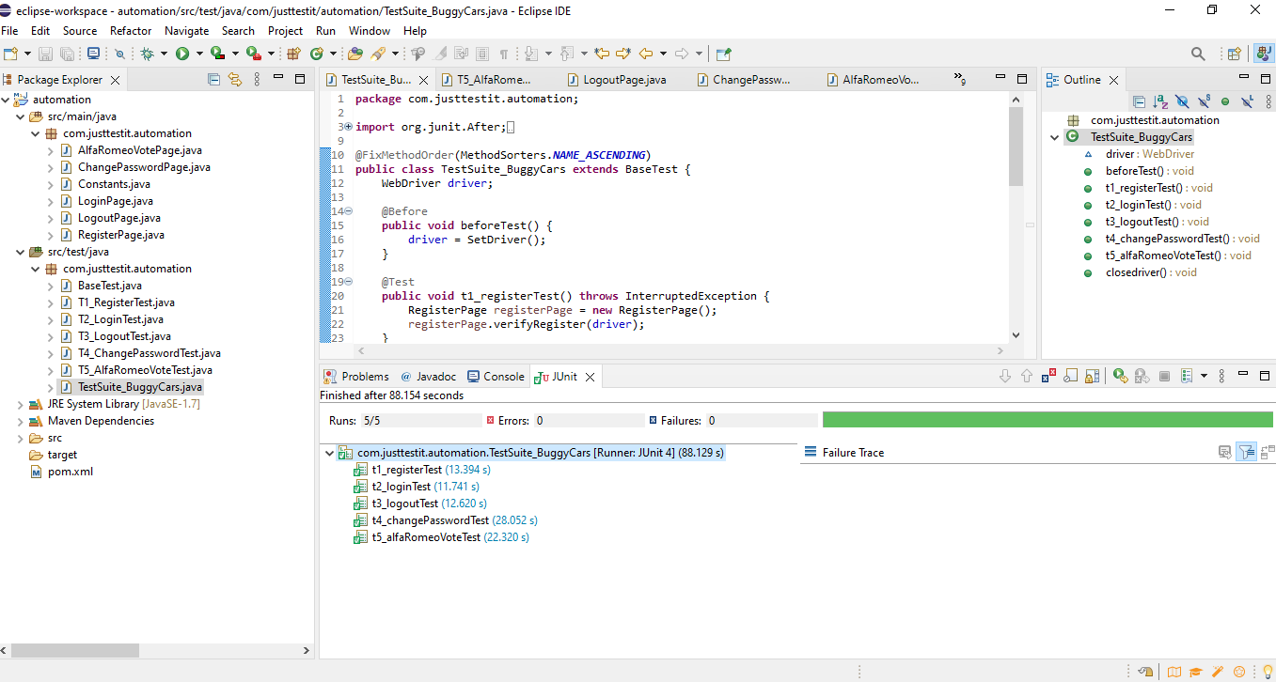

 | Starting ChromeDriver 102.0.5005.61 (0e59bcc00cc4985ce39ad31c150065f159d95ad3-refs/branch-heads/5005@{#819}) on port 40420
 | Only local connections are allowed.
 | Please see https://chromedriver.chromium.org/security-considerations for suggestions on keeping ChromeDriver safe.
 | ChromeDriver was started successfully.
 | Jul 03, 2022 9:06:51 PM org.openqa.selenium.remote.ProtocolHandshake createSession
 | INFO: Detected dialect: W3C

 | Testcase1: Verify Registration
 | The login name is ef75d058-fb88-46b5-a619-90edb3fe8c73
 | Resgistration is successful
 | Testcase1:Registration ends.....
 | Starting ChromeDriver 102.0.5005.61 (0e59bcc00cc4985ce39ad31c150065f159d95ad3-refs/branch-heads/5005@{#819}) on port 13495
 | Only local connections are allowed.
 | Please see https://chromedriver.chromium.org/security-considerations for suggestions on keeping ChromeDriver safe.
 | ChromeDriver was started successfully.
 | Jul 03, 2022 9:07:03 PM org.openqa.selenium.remote.ProtocolHandshake createSession
 | INFO: Detected dialect: W3C

 | Testcase2: Verify Login
 | Input username and password
 | Hi, Profile link, Logout button visibility shows successful Login
 | Testcase2: Login ends.....
 | Starting ChromeDriver 102.0.5005.61 (0e59bcc00cc4985ce39ad31c150065f159d95ad3-refs/branch-heads/5005@{#819}) on port 9524
 | Only local connections are allowed.
 | Please see https://chromedriver.chromium.org/security-considerations for suggestions on keeping ChromeDriver safe.
 | ChromeDriver was started successfully.
 | Jul 03, 2022 9:07:15 PM org.openqa.selenium.remote.ProtocolHandshake createSession
 | INFO: Detected dialect: W3C

 | Testcase3: Verify Logout
 | Logging In
 | Click Logout
 | Logout successfully
 | Testcase3: Logout ends.....
 | Starting ChromeDriver 102.0.5005.61 (0e59bcc00cc4985ce39ad31c150065f159d95ad3-refs/branch-heads/5005@{#819}) on port 7554
 | Only local connections are allowed.
 | Please see https://chromedriver.chromium.org/security-considerations for suggestions on keeping ChromeDriver safe.
 | ChromeDriver was started successfully.
 | Jul 03, 2022 9:07:27 PM org.openqa.selenium.remote.ProtocolHandshake createSession
 | INFO: Detected dialect: W3C

 | Testcase4: Verify Change Password
 | Logging in
 | Navigating to Profile page
 | Changing password
 | The profile has been saved successful with new password
 | Logging out
 | Logout successfully
 | Verifying login with new password
 | Login with new password successful
 | Resetting to previous password
 | Change Password save successful
 | Logout successfully
 | Verifying login with previous password
 | Login success with changed password again
 | Testcase4: Verify Change Password ends.....
 | Starting ChromeDriver 102.0.5005.61 (0e59bcc00cc4985ce39ad31c150065f159d95ad3-refs/branch-heads/5005@{#819}) on port 13836
 | Only local connections are allowed.
 | Please see https://chromedriver.chromium.org/security-considerations for suggestions on keeping ChromeDriver safe.
 | ChromeDriver was started successfully.
 | Jul 03, 2022 9:07:55 PM org.openqa.selenium.remote.ProtocolHandshake createSession
 | INFO: Detected dialect: W3C

 | Testcase5: Verify AlfaRomeo Vote Test
 | Registering new user
 | The login name is f62e570c-80a9-4b49-bc2b-0ef9dcfa3519
 | Registration success
 | Navigate to home page
 | Logging in with new user
 | Click on Alfa Romeo Guilia Quadrifoglio image on home page
 | The current vote count is 2959
 | Proceeding for Comment and click vote
 | Voting button disappeared success
 | The new vote count is 2960
 | Thank you for your vote!
 | Testcase5: Verify AlfaRomeo Vote Test ends.....

