CommonMean1
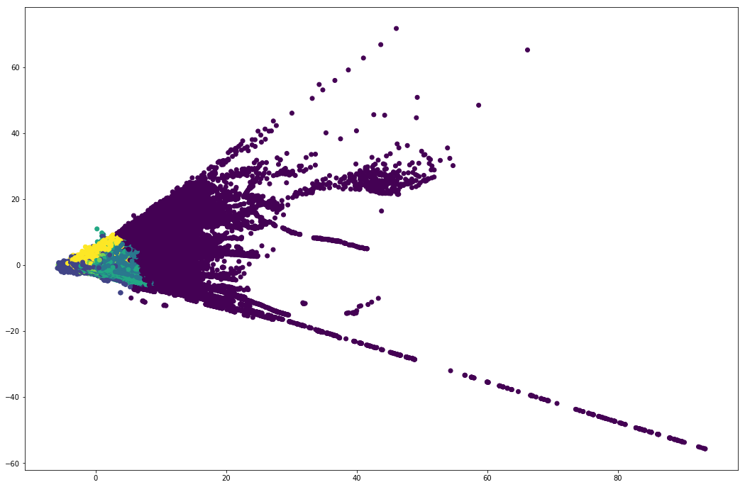
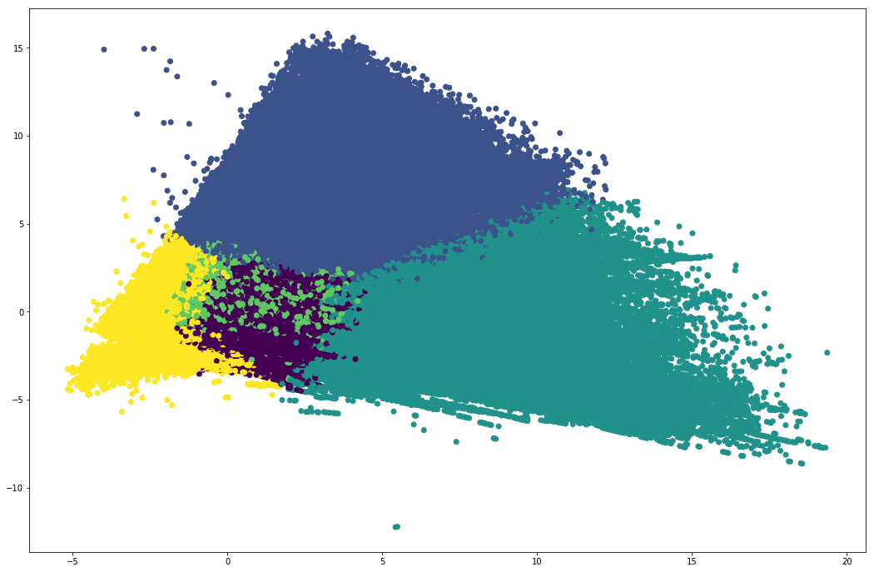
 | 0.50 | mean | 0.50 | mean | 0.50 | mean | 0.50 | mean | 0.50 | mean | 0.50 | mean
PartnerID | 37224 |  | 779345 |  | 112343 |  | 271921 |  | 969887 |  | 123285
ZB | 203.00 | 272.72 | 5.00 | 14.48 | 8.00 | 19.74 | 8.00 | 20.33 | 14.00 | 27.01 | 25.00 | 40.52
Sex | 1.00 | 63% | 0.00 | 32% | 0.00 | 31% | 0.00 | 31% | 0.00 | 29% | 0.00 | 27%
Age | 41.00 | 42.33 | 36.00 | 38.84 | 37.00 | 39.38 | 37.00 | 39.49 | 38.00 | 40.16 | 40.00 | 41.77
CreditCondition | 3.00 | 2.76 | 1.00 | 1.58 | 2.00 | 1.85 | 2.00 | 1.86 | 2.00 | 2.21 | 2.00 | 2.55
LombardRating | 2.00 | 2.39 | 2.00 | 1.95 | 2.00 | 2.11 | 2.00 | 2.10 | 2.00 | 2.32 | 2.00 | 2.49
SumAmountzb | 6285227.25 | 10405154.66 | 26450.00 | 118635.93 | 38850.00 | 159265.40 | 39730.00 | 162613.64 | 64716.85 | 213094.12 | 122100.00 | 317363.17
AVGAmountzb | 56740.70 | 65624.65 | 4850.00 | 7540.32 | 4781.50 | 7354.55 | 4751.00 | 7322.28 | 4700.00 | 7081.28 | 4739.87 | 7002.08
Good | 150.00 | 232.59 | 4.00 | 13.20 | 7.00 | 18.10 | 7.00 | 18.65 | 12.00 | 24.90 | 23.00 | 37.46
PercentGood | 96.67 | 84.25 | 100.00 | 80.04 | 100.00 | 81.34 | 100.00 | 81.46 | 97.46 | 83.45 | 96.15 | 86.73
Promo | 0.00 | 0.16 | 0.00 | 0.16 | 0.00 | 0.16 | 0.00 | 0.16 | 0.00 | 0.16 | 0.00 | 0.15
QntNew | 115.00 | 151.90 | 4.00 | 9.45 | 6.00 | 12.50 | 6.00 | 12.89 | 9.00 | 16.78 | 16.00 | 24.47
QntPerez | 58.00 | 120.06 | 0.00 | 4.92 | 1.00 | 7.13 | 1.00 | 7.33 | 2.00 | 10.12 | 6.00 | 15.94
QntOSN | 0.00 | 0.47 | 0.00 | 0.04 | 0.00 | 0.05 | 0.00 | 0.05 | 0.00 | 0.07 | 0.00 | 0.08
QntBuyUp | 0.00 | 0.28 | 0.00 | 0.07 | 0.00 | 0.05 | 0.00 | 0.06 | 0.00 | 0.04 | 0.00 | 0.04
AVGDneyZaloga | 41.00 | 41.23 | 31.00 | 32.10 | 34.00 | 34.38 | 34.00 | 34.47 | 37.00 | 37.40 | 43.00 | 42.56
AVGDneySProshZB | 5.00 | 13.93 | 26.00 | 54.72 | 31.00 | 64.19 | 31.00 | 64.81 | 36.00 | 75.34 | 38.00 | 79.52
AVGWeightGross | 48.65 | 60.24 | 4.54 | 6.98 | 4.72 | 7.13 | 4.68 | 7.11 | 4.88 | 7.28 | 5.11 | 7.47
AVGCostPerGram | 1140.33 | 1178.18 | 1198.27 | 1171.35 | 1112.52 | 1118.78 | 1108.06 | 1118.08 | 1039.04 | 1055.37 | 995.26 | 1013.77
AVGCost | 61408.34 | 70080.23 | 5227.50 | 8134.00 | 5164.13 | 7933.10 | 5125.00 | 7903.24 | 5075.88 | 7649.59 | 5099.00 | 7567.86
AVGPercentPerDay | 0.26 | 0.27 | 0.33 | 0.33 | 0.33 | 0.33 | 0.33 | 0.33 | 0.32 | 0.33 | 0.32 | 0.33
MINPercentPerDay | 0.18 | 0.19 | 0.30 | 0.30 | 0.27 | 0.28 | 0.25 | 0.28 | 0.25 | 0.27 | 0.25 | 0.26
MAXPercentPerDay | 0.35 | 0.40 | 0.35 | 0.37 | 0.35 | 0.38 | 0.35 | 0.38 | 0.37 | 0.40 | 0.39 | 0.42
BudetSledVisit3M | 1.00 | 0.96 | 1.00 | 0.73 | 1.00 | 0.75 | 1.00 | 0.75 | 1.00 | 0.79 | 1.00 | 0.85
BudetSledVisit6M | 1.00 | 0.97 | 1.00 | 0.78 | 1.00 | 0.80 | 1.00 | 0.80 | 1.00 | 0.84 | 1.00 | 0.89
BudetSledVisit12M | 1.00 | 0.97 | 1.00 | 0.81 | 1.00 | 0.83 | 1.00 | 0.84 | 1.00 | 0.87 | 1.00 | 0.92
labels | 0.00 | 0.00 | 2.00 | 2.00 | 4.00 | 4.00 | 1.00 | 1.00 | 0.00 | 0.00 | 3.00 | 3.00

