Sheet1
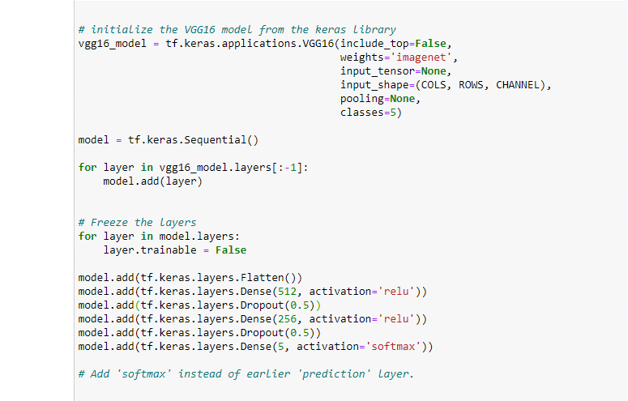

Experiment | Layer 1 | Dropout | Layer 2 | Dropout | Layer 3 | Drooput | Epochs | Performed? | Graph?
1 | 512 | 0.5 | 256 | 0.5
2 | 512 | 0.4 | 256 | 0.4 | 128 | 0.4 | 30 | Yes

