PT 4
REGION WISE SALES PERCENTAGE

Row Labels | Sum of Sales Amount
East | 10.44% | 10.44% | 89.56% | 100%
North | 29.71% | 29.71% | 70.29% | 100%
South | 30.94% | 30.94% | 69.06% | 100%
West | 28.90% | 28.90% | 71.10% | 100%
Grand Total | 100.00%

PT 7
CITY WISE NET SALES

Row Labels | Sum of Sales Amount
Hyderabad | 264306
Jaipur | 255813
Kolkata | 250991
Ahmedabad | 243875
Chennai | 242884
Grand Total | 1257869

PT 8
Yearly Net Sales Trend

Yearly Net Sales Trend
Row Labels | Sum of Sales Amount
2024 | 1252411
2025 | 1151331
Grand Total | 2403742

PT 9
Region Wise Total Sales

Row Labels | Sum of Sales Amount
East | 250991
North | 714240
South | 743771
West | 694740
Grand Total | 2403742

PT 10
Row Labels | Sum of Sales Amount | Sales Percentage
Non-Veg | 1362010 | 56.66%
Veg | 1041732 | 43.34%
Grand Total | 2403742 | 100.00%

Sales Share: Veg v/s Non Veg

PT 11
Orders by Type
Row Labels | Orders | Count of Order ID2
Delivery | 2772 | 55.44%
Dine-in | 1477 | 29.54%
Takeaway | 751 | 15.02%
Grand Total | 5000 | 100.00%

PT 12
Top 5 Stores by Net Sales
Row Labels | Sum of Sales Amount
HYD-01 | 92455
JAI-03 | 91541
KOL-02 | 90312
JAI-01 | 90085
KOL-03 | 90033
Grand Total | 454426

PT 13
Top 5 Pizzas by Sales
Row Labels | Sum of Sales Amount
Non-Veg Supreme | 259886
Peri Peri Chicken | 238005
Pepper Barbecue Chicken | 226350
Chicken Dominator | 222781
Keema Do Pyaza | 211541
Grand Total | 1158563

Dominos Dashboard
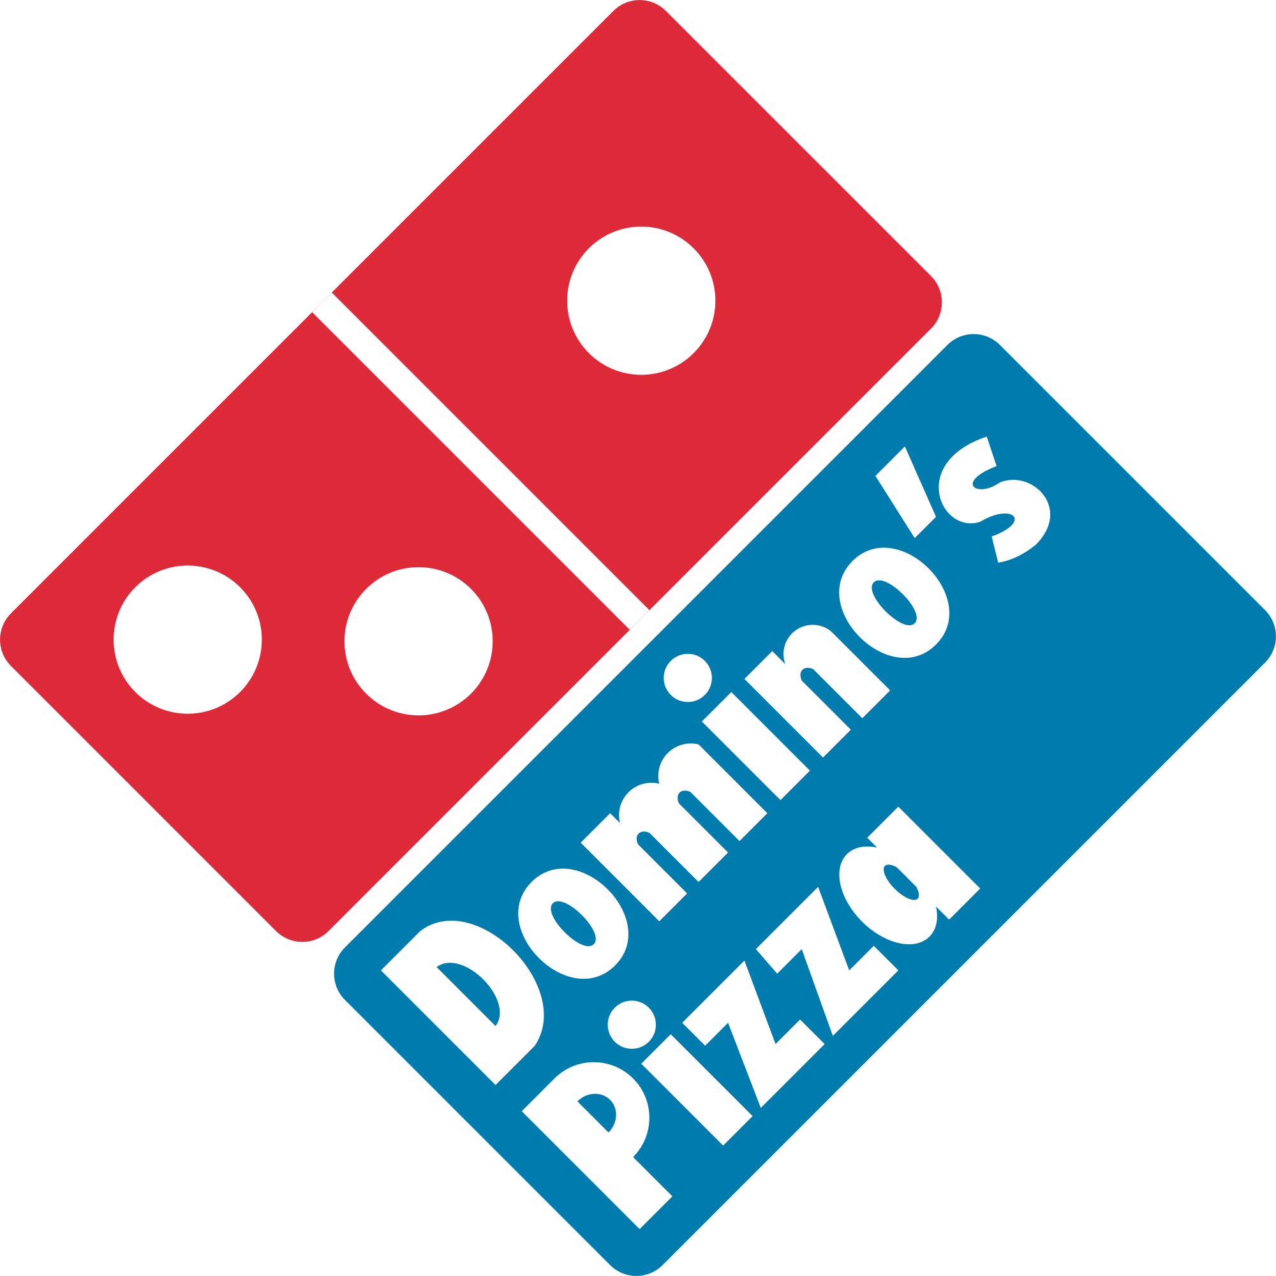
Avg. Delivery Time
31.4
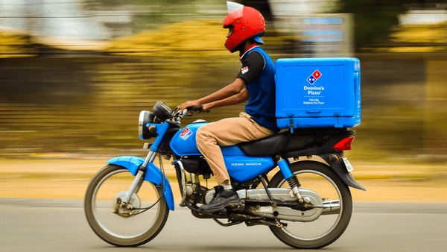

Total Sales
24,03,742
Total Orders
5,000
Avg. Order Value
480.7
Avg. Customer Rating
4.05

Top 5 Cities by Net Sales
 | Total
Hyderabad | 264306
Jaipur | 255813
Kolkata | 250991
Ahmedabad | 243875
Chennai | 242884
 | 10.44%
 | 89.56%
 | 100.00%
 | 29.71%
 | 70.29%
 | 100.00%
Sales Share: Veg v/s Non Veg
 | Sum of Sales Amount | Sales Percentage
Non-Veg | 1362010 | 56.66%
Veg | 1041732 | 43.34%

Sales Percentage by Region

 | 30.94%
 | 69.06%
 | 100.00%
 | 29.71%
 | 70.29%
 | 100.00%

Top 5 Pizzas by Sales
 | Total
Non-Veg Supreme | 259886
Peri Peri Chicken | 238005
Pepper Barbecue Chicken | 226350
Chicken Dominator | 222781
Keema Do Pyaza | 211541
Orders by Type
 | Orders | Count of Order ID2
Delivery | 2772 | 55.44%
Dine-in | 1477 | 29.54%
Takeaway | 751 | 15.02%

Regionwise Net sales
 | Total
East | 250991
North | 714240
South | 743771
West | 694740
Top 5 Stores by Net Sales
 | Total
HYD-01 | 92455
JAI-03 | 91541
KOL-02 | 90312
JAI-01 | 90085
KOL-03 | 90033

Yearly Net Sales Trend
 | Total
2024 | 1252411
2025 | 1151331

PREPARED BY PARV JAIN

