Sheet1
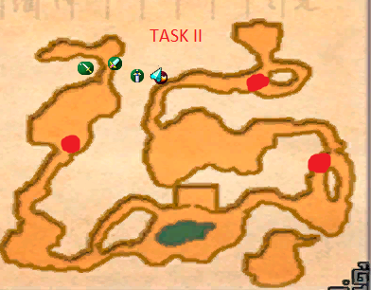
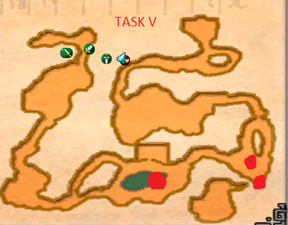
character | sintoons1 | sintoons2 | sintoons3 | sintoons4 | sintoons5 | sintoons6 | sintoons7 | sintoons8 | sintoons9 | grocery1 | grocery2 | grocery3 | grocery4 | grocery5 | grocery6 | traicay | traicay1 | traicay2 | traicay3 | traicay4 | traicay5 | traicay6 | traicay7 | traicay8
1 | III | I | IV | I | I | III | I | IV | II | III | I | V | II | II | V | V | III | IV | II | III | I | IV | IV | IV
2 | II | IV | II | V | V | IV |  |  |  | I | V | III | I | I | IV | II | III | V | III | IV | IV | I | III | II
3 | V | IV | I | V | II | IV |  |  |  |  |  |  |  |  |  | I | III | II | I | III | II
4 | III | III | V | III | III | I |  |  |  |  |  |  |  |  |  |  | II | V
5 | II | II | II | IV | IV | IV
6

Main |  |  |  |  |  |  |  | Task | Boss 1 | Boss 2 | Boss 3
Nhựt | Psy | Wiz | Veno | EA | Barb | ER |  | 1 | Cave Yeti | Demonic Centaur | Stone Spider
Task | IV | IV | V | II | I |  |  | 2 | Grunt Demon | Soul Keeper | Soul Demon
 |  |  |  |  |  |  |  | 3 | Stone Demon | Lava Demon | Torture Demon
Bi | SK | Sin | BM |  |  |  |  | 4 | Demonic Centaur | Tangled Lava Demon | Spectral Demon
Task | I | I | I |  |  |  |  | 5 | Demonic Guardian | Larva Queen | Lava Breeder

Huy | SB | DB | EP | SK | BM
Task | V | I | V | II | V
 |  |  |  |  |  |  |  | Rustdesk | ID | Pass |  | Glyph | 600 | 300 | 300 | 330 | 315 | 300
Must have | SK | BM | Sin | DB | Veno |  |  | Bi | 5199042 | Sintoons123 |  | TOTAL | 2145
 |  |  |  |  |  |  |  | Huy | 377017573 | Sintoons123
Turn |  |  |  |  |  |  |  | Nhut Desk | 27410353 | Sintoons123
Task I | 2024-02-02 | 2024-03-03 | 2024-04-01 | 2024-05-01 | 2024-06-04 |  |  | Nhut Lap | 195772800 | Sintoons123
Task I | g1-2 | g2-1 | g4-2 | g5-2 | 2024-07-01
Task I | t1-3 | t3-3 | t5-1 | t6-2 | Barb
Task II | 2024-01-02 | 2024-02-05 | 2024-03-02 | 2024-05-03 | 2024-09-01
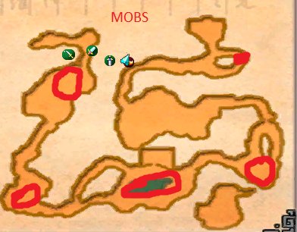
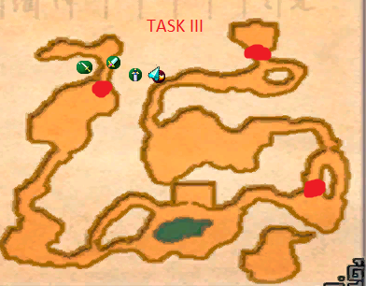
Task II | g4-1 | g5-1 | t-2 | t1-4 | t2-3
Task III | 2024-01-01 | 2024-02-04 | 2024-04-04 | t1-2 | t4-3
Task III | g1-1 | g3-2 | t1-1 | t3-2 | t4-1
Task III | t7-2 | t1-3 | 2024-05-04 | 2024-06-01
Task IV | t4-2 | t5-2 | t6-1 | t7-1 | 2024-06-02
Task IV | 2024-02-02 | 2024-03-01 | 2024-04-05 | 2024-05-05 | 2024-06-03
Task IV | Psy | Wiz | 2024-06-05 | 2024-08-01 | t8-1
Task V | t-1 | t2-2 | 2024-01-03 | 2024-03-04 | 2024-04-02
Task V | 2024-04-03 | 2024-05-02 | g2-2 | g3-1 | t2-4
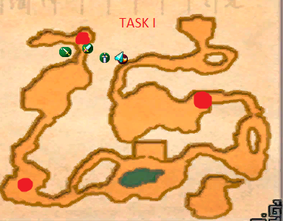
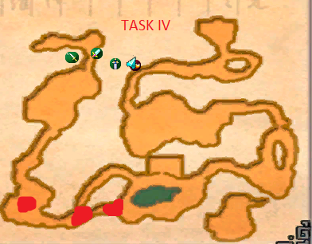

Task V | g6-1 | SB | EP

