Sheet3
Source System | Report/Product | Metric Name | Metric Description | Granularity | Cadence | Extraction Status | Exact URL | URL Sanity Check
AMFI | Industry Monthly Report | Redemptions | Monthly aggregate of mutual fund flows and AUM by scheme category (e.g., Growth, Income, Hybrid). | Per scheme category | Monthly | Extracted | https://www.amfiindia.com/research-information/amfi-monthly | 200 OK
AMFI | Industry Monthly Report | Net Inflow / Outflow | Monthly aggregate of mutual fund flows and AUM by scheme category (e.g., Growth, Income, Hybrid). | Per scheme category | Monthly | Extracted | https://www.amfiindia.com/research-information/amfi-monthly | 200 OK
AMFI | Industry Monthly Report | Assets Under Management (AUM) | Mutual fund performance and investor metrics. | Per scheme category | Monthly | Extracted | https://www.amfiindia.com/research-information/amfi-monthly | 200 OK
AMFI | Industry Monthly Report | Average AUM (AAUM) | Monthly aggregate of mutual fund flows and AUM by scheme category (e.g., Growth, Income, Hybrid). | Per scheme category | Monthly | Extracted | https://www.amfiindia.com/research-information/amfi-monthly | 200 OK
AMFI | Industry Monthly Report | Number of Schemes | Monthly aggregate of mutual fund flows and AUM by scheme category (e.g., Growth, Income, Hybrid). | Per scheme category | Monthly | Extracted | https://www.amfiindia.com/research-information/amfi-monthly | 200 OK
AMFI | Industry Monthly Report | Grand Total (all categories summed) | Reporting data for Grand Total (all categories summed) | Industry-wide | Monthly | Extracted | https://www.amfiindia.com/research-information/amfi-monthly | 200 OK
VAHAN | All Views (Category, Maker, Fuel, State, Norms) | Monthly Registrations by Vehicle Class | Vehicle registration metrics. | ~73 vehicle types | Monthly | Extracted | https://vahan.parivahan.gov.in/vahan4dashboard/ | 200 OK
VAHAN | All Views (Category, Maker, Fuel, State, Norms) | Total Annual Registrations by Class | Vehicle registration metrics. | Per class | Annual (sum) | Extracted | https://vahan.parivahan.gov.in/vahan4dashboard/ | 200 OK
VAHAN | All Views (Category, Maker, Fuel, State, Norms) | Monthly Registrations by Manufacturer | Vehicle registration metrics. | Per OEM (Maruti, Tata, M&M, etc.) | Monthly | Extracted | https://vahan.parivahan.gov.in/vahan4dashboard/ | 200 OK
VAHAN | All Views (Category, Maker, Fuel, State, Norms) | Registrations by Fuel Type | Vehicle registration metrics. | Petrol, Diesel, CNG, LPG, Electric, Hybrid, Solar, Ethanol | Monthly | To Scrape | https://vahan.parivahan.gov.in/vahan4dashboard/ | 200 OK
VAHAN | All Views (Category, Maker, Fuel, State, Norms) | Registrations by State/UT | Vehicle registration metrics. | All 36 States + UTs | Monthly | To Scrape | https://vahan.parivahan.gov.in/vahan4dashboard/ | 200 OK
VAHAN | All Views (Category, Maker, Fuel, State, Norms) | Registrations by Emission Norm | Vehicle registration metrics. | BS-IV, BS-VI, etc. | Monthly | To Scrape | https://vahan.parivahan.gov.in/vahan4dashboard/ | 200 OK
VAHAN | All Views (Category, Maker, Fuel, State, Norms) | Vehicle Class × State matrix | Reporting data for Vehicle Class × State matrix | ~73 classes × 36 states | Monthly | To Scrape | https://vahan.parivahan.gov.in/vahan4dashboard/ | 200 OK
VAHAN | All Views (Category, Maker, Fuel, State, Norms) | Maker × State matrix | Reporting data for Maker × State matrix | OEM × State | Monthly | To Scrape | https://vahan.parivahan.gov.in/vahan4dashboard/ | 200 OK
VAHAN | All Views (Category, Maker, Fuel, State, Norms) | Fuel × State matrix | Reporting data for Fuel × State matrix | Fuel type × State | Monthly | To Scrape | https://vahan.parivahan.gov.in/vahan4dashboard/ | 200 OK
RBI DBIE | Payment System Indicators | UPI Transaction Volume | Total volume and value of UPI transactions processed in India. | National total | Monthly | To Scrape | https://rbi.org.in/Scripts/BS_ViewDBIE.aspx | 200 OK
RBI DBIE | Payment System Indicators | UPI Transaction Value (₹ Cr) | Financial transaction metrics (volume/value). | National total | Monthly | To Scrape | https://rbi.org.in/Scripts/BS_ViewDBIE.aspx | 200 OK
RBI DBIE | Payment System Indicators | IMPS Transaction Volume | Financial transaction metrics (volume/value). | National total | Monthly | To Scrape | https://rbi.org.in/Scripts/BS_ViewDBIE.aspx | 200 OK
RBI DBIE | Payment System Indicators | IMPS Transaction Value | Financial transaction metrics (volume/value). | National total | Monthly | To Scrape | https://rbi.org.in/Scripts/BS_ViewDBIE.aspx | 200 OK
RBI DBIE | Payment System Indicators | NEFT Volume | Financial transaction metrics (volume/value). | National total | Monthly | To Scrape | https://rbi.org.in/Scripts/BS_ViewDBIE.aspx | 200 OK
RBI DBIE | Payment System Indicators | NEFT Value | Financial transaction metrics (volume/value). | National total | Monthly | To Scrape | https://rbi.org.in/Scripts/BS_ViewDBIE.aspx | 200 OK
RBI DBIE | Payment System Indicators | RTGS Volume | Financial transaction metrics (volume/value). | National total | Monthly | To Scrape | https://rbi.org.in/Scripts/BS_ViewDBIE.aspx | 200 OK
RBI DBIE | Payment System Indicators | RTGS Value | Financial transaction metrics (volume/value). | National total | Monthly | To Scrape | https://rbi.org.in/Scripts/BS_ViewDBIE.aspx | 200 OK
RBI DBIE | Payment System Indicators | Credit Card Transactions (Volume) | Fortnightly and monthly business aggregates of scheduled commercial banks reported by RBI. | National total | Monthly | To Scrape | https://rbi.org.in/Scripts/BS_ViewDBIE.aspx | 200 OK
RBI DBIE | Payment System Indicators | Credit Card Transactions (Value) | Fortnightly and monthly business aggregates of scheduled commercial banks reported by RBI. | National total | Monthly | To Scrape | https://rbi.org.in/Scripts/BS_ViewDBIE.aspx | 200 OK
RBI DBIE | Payment System Indicators | Debit Card POS Transactions (Volume) | Financial transaction metrics (volume/value). | National total | Monthly | To Scrape | https://rbi.org.in/Scripts/BS_ViewDBIE.aspx | 200 OK
RBI DBIE | Payment System Indicators | Debit Card POS Transactions (Value) | Financial transaction metrics (volume/value). | National total | Monthly | To Scrape | https://rbi.org.in/Scripts/BS_ViewDBIE.aspx | 200 OK
RBI DBIE | Payment System Indicators | Debit Card ATM Withdrawals (Volume) | Financial transaction metrics (volume/value). | National total | Monthly | To Scrape | https://rbi.org.in/Scripts/BS_ViewDBIE.aspx | 200 OK
RBI DBIE | Payment System Indicators | Debit Card ATM Withdrawals (Value) | Financial transaction metrics (volume/value). | National total | Monthly | To Scrape | https://rbi.org.in/Scripts/BS_ViewDBIE.aspx | 200 OK
RBI DBIE | Payment System Indicators | PPI (Prepaid Payment Instruments) Volume | Financial transaction metrics (volume/value). | National total | Monthly | To Scrape | https://rbi.org.in/Scripts/BS_ViewDBIE.aspx | 200 OK
RBI DBIE | Payment System Indicators | PPI Value | Financial transaction metrics (volume/value). | National total | Monthly | To Scrape | https://rbi.org.in/Scripts/BS_ViewDBIE.aspx | 200 OK
RBI DBIE | Payment System Indicators | NACH Volume | Financial transaction metrics (volume/value). | National total | Monthly | To Scrape | https://rbi.org.in/Scripts/BS_ViewDBIE.aspx | 200 OK
RBI DBIE | Payment System Indicators | NACH Value | Financial transaction metrics (volume/value). | National total | Monthly | To Scrape | https://rbi.org.in/Scripts/BS_ViewDBIE.aspx | 200 OK
RBI DBIE | ATM/Card Statistics | Credit Cards Outstanding | Fortnightly and monthly business aggregates of scheduled commercial banks reported by RBI. | Per bank / aggregate | Monthly | To Scrape | https://rbi.org.in/Scripts/BS_ViewDBIE.aspx | 200 OK
RBI DBIE | ATM/Card Statistics | Debit Cards Outstanding | Reporting data for Debit Cards Outstanding | Per bank / aggregate | Monthly | To Scrape | https://rbi.org.in/Scripts/BS_ViewDBIE.aspx | 200 OK
RBI DBIE | ATM/Card Statistics | ATMs Deployed (On-site + Off-site) | Reporting data for ATMs Deployed (On-site + Off-site) | Per bank group | Monthly | To Scrape | https://rbi.org.in/Scripts/BS_ViewDBIE.aspx | 200 OK
RBI DBIE | ATM/Card Statistics | PoS Terminals Deployed | Reporting data for PoS Terminals Deployed | Per bank group | Monthly | To Scrape | https://rbi.org.in/Scripts/BS_ViewDBIE.aspx | 200 OK
RBI DBIE | ATM/Card Statistics | QR Codes Deployed | Reporting data for QR Codes Deployed | Aggregate | Monthly | To Scrape | https://rbi.org.in/Scripts/BS_ViewDBIE.aspx | 200 OK
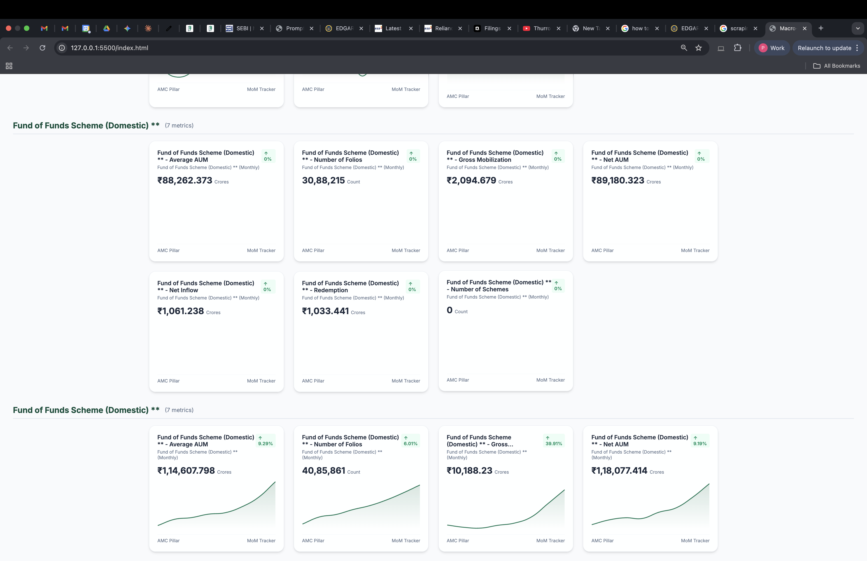
RBI DBIE | Financial Soundness Indicators | Gross NPA Ratio | Reporting data for Gross NPA Ratio | Per bank group | Quarterly | To Scrape | https://rbi.org.in/Scripts/BS_ViewDBIE.aspx | 200 OK
RBI DBIE | Financial Soundness Indicators | Net NPA Ratio | Reporting data for Net NPA Ratio | Per bank group | Quarterly | To Scrape | https://rbi.org.in/Scripts/BS_ViewDBIE.aspx | 200 OK
RBI DBIE | Financial Soundness Indicators | Capital Adequacy (CRAR) | Reporting data for Capital Adequacy (CRAR) | Per bank group | Quarterly | To Scrape | https://rbi.org.in/Scripts/BS_ViewDBIE.aspx | 200 OK
RBI DBIE | Financial Soundness Indicators | CET1 Ratio | Reporting data for CET1 Ratio | Per bank group | Quarterly | To Scrape | https://rbi.org.in/Scripts/BS_ViewDBIE.aspx | 200 OK
RBI DBIE | Financial Soundness Indicators | Provision Coverage Ratio | Reporting data for Provision Coverage Ratio | Per bank group | Quarterly | To Scrape | https://rbi.org.in/Scripts/BS_ViewDBIE.aspx | 200 OK
RBI DBIE | Financial Soundness Indicators | Return on Assets (RoA) | Reporting data for Return on Assets (RoA) | Per bank group | Annual | To Scrape | https://rbi.org.in/Scripts/BS_ViewDBIE.aspx | 200 OK
RBI DBIE | Sectoral Credit Deployment | Credit to Agriculture | Fortnightly and monthly business aggregates of scheduled commercial banks reported by RBI. | National | Monthly | To Scrape | https://rbi.org.in/Scripts/BS_ViewDBIE.aspx | 200 OK
RBI DBIE | Sectoral Credit Deployment | Credit to Industry (Large) | Fortnightly and monthly business aggregates of scheduled commercial banks reported by RBI. | National | Monthly | To Scrape | https://rbi.org.in/Scripts/BS_ViewDBIE.aspx | 200 OK
RBI DBIE | Sectoral Credit Deployment | Credit to Industry (MSMEs) | Fortnightly and monthly business aggregates of scheduled commercial banks reported by RBI. | National | Monthly | To Scrape | https://rbi.org.in/Scripts/BS_ViewDBIE.aspx | 200 OK
RBI DBIE | Sectoral Credit Deployment | Credit to Services | Fortnightly and monthly business aggregates of scheduled commercial banks reported by RBI. | National | Monthly | To Scrape | https://rbi.org.in/Scripts/BS_ViewDBIE.aspx | 200 OK
RBI DBIE | Sectoral Credit Deployment | Personal Loans (Housing) | Reporting data for Personal Loans (Housing) | National | Monthly | To Scrape | https://rbi.org.in/Scripts/BS_ViewDBIE.aspx | 200 OK
RBI DBIE | Sectoral Credit Deployment | Personal Loans (Vehicle) | Reporting data for Personal Loans (Vehicle) | National | Monthly | To Scrape | https://rbi.org.in/Scripts/BS_ViewDBIE.aspx | 200 OK
RBI DBIE | Sectoral Credit Deployment | Personal Loans (Education) | Reporting data for Personal Loans (Education) | National | Monthly | To Scrape | https://rbi.org.in/Scripts/BS_ViewDBIE.aspx | 200 OK
RBI DBIE | Sectoral Credit Deployment | Personal Loans (Credit Cards) | Fortnightly and monthly business aggregates of scheduled commercial banks reported by RBI. | National | Monthly | To Scrape | https://rbi.org.in/Scripts/BS_ViewDBIE.aspx | 200 OK
RBI DBIE | Quarterly Spatial Distribution | Deposits by District | Fortnightly and monthly business aggregates of scheduled commercial banks reported by RBI. | ~730 districts | Quarterly | To Scrape | https://rbi.org.in/Scripts/BS_ViewDBIE.aspx | 200 OK
RBI DBIE | Quarterly Spatial Distribution | Credit by District | Fortnightly and monthly business aggregates of scheduled commercial banks reported by RBI. | ~730 districts | Quarterly | To Scrape | https://rbi.org.in/Scripts/BS_ViewDBIE.aspx | 200 OK
RBI DBIE | Quarterly Spatial Distribution | Deposits by State | Fortnightly and monthly business aggregates of scheduled commercial banks reported by RBI. | 36 states | Quarterly | To Scrape | https://rbi.org.in/Scripts/BS_ViewDBIE.aspx | 200 OK
RBI DBIE | Quarterly Spatial Distribution | Credit by State | Fortnightly and monthly business aggregates of scheduled commercial banks reported by RBI. | 36 states | Quarterly | To Scrape | https://rbi.org.in/Scripts/BS_ViewDBIE.aspx | 200 OK

