Pivot1 - State of Project
Filter Chart by Country Here | (Multiple Items)

Category of Project by State | Sort Columns Here
Parent Category | canceled | failed | live | successful | Grand Total
film & video | 40 | 180 |  | 300 | 520
food | 20 | 140 | 6 | 34 | 200
games |  | 140 |  | 80 | 220
journalism | 24 |  |  |  | 24
music | 20 | 120 | 20 | 540 | 700
photography |  | 117 |  | 103 | 220
publishing | 30 | 127 |  | 80 | 237
technology | 178 | 213 |  | 209 | 600
theater | 37 | 493 | 24 | 839 | 1393
Grand Total | 349 | 1530 | 50 | 2185 | 4114

State of Project - Filtered by Country
 | canceled | failed | live | successful
film & video | 40 | 180 |  | 300
food | 20 | 140 | 6 | 34
games |  | 140 |  | 80
journalism | 24
music | 20 | 120 | 20 | 540
photography |  | 117 |  | 103
publishing | 30 | 127 |  | 80
technology | 178 | 213 |  | 209
theater | 37 | 493 | 24 | 839

Pivot2 - Project by SubCategory
Filter by Country Here | (Multiple Items)
Filter by Parent Category Here | (Multiple Items)

Count of Project by State | Sort Columns Here
Sub Category | canceled | failed | live | successful | Grand Total
animation |  | 100 |  |  | 100
State of Project - Filtered by Country and/or Parent Category
 | canceled | failed | live | successful
animation |  | 100
art books | 20
audio | 24
children's books |  | 40
classical music |  |  |  | 40
documentary |  |  |  | 180
drama |  | 80
electronic music |  |  |  | 40
faith |  | 40 | 20
fiction |  | 40
food trucks | 20 | 120
gadgets |  | 20
hardware |  |  |  | 140
indie rock |  | 20 |  | 140
jazz |  | 60
makerspaces |  | 11 |  | 9
metal |  |  |  | 20
mobile games |  | 40
musical | 20 | 60 |  | 60
nature |  | 20
nonfiction |  |  |  | 60
people |  | 20
photobooks |  | 57 |  | 103
places |  | 20
plays |  | 353 | 19 | 694
pop |  |  |  | 40
radio & podcasts |  |  |  | 20
restaurants |  | 20
rock |  |  |  | 260
science fiction | 40
shorts |  |  |  | 60
small batch |  |  | 6 | 34
space exploration | 18 | 2 |  | 40
spaces | 17 | 80 | 5 | 85
tabletop games |  |  |  | 80
television |  |  |  | 60
translations | 10 | 47
video games |  | 100
wearables | 60 | 120 |  | 20
web | 100 | 60
world music | 20
art books | 20 |  |  |  | 20
audio | 24 |  |  |  | 24
children's books |  | 40 |  |  | 40
classical music |  |  |  | 40 | 40
documentary |  |  |  | 180 | 180
drama |  | 80 |  |  | 80
electronic music |  |  |  | 40 | 40
faith |  | 40 | 20 |  | 60
fiction |  | 40 |  |  | 40
food trucks | 20 | 120 |  |  | 140
gadgets |  | 20 |  |  | 20
hardware |  |  |  | 140 | 140
indie rock |  | 20 |  | 140 | 160
jazz |  | 60 |  |  | 60
makerspaces |  | 11 |  | 9 | 20
metal |  |  |  | 20 | 20
mobile games |  | 40 |  |  | 40
musical | 20 | 60 |  | 60 | 140
nature |  | 20 |  |  | 20
nonfiction |  |  |  | 60 | 60
people |  | 20 |  |  | 20
photobooks |  | 57 |  | 103 | 160
places |  | 20 |  |  | 20
plays |  | 353 | 19 | 694 | 1066
pop |  |  |  | 40 | 40
radio & podcasts |  |  |  | 20 | 20
restaurants |  | 20 |  |  | 20
rock |  |  |  | 260 | 260
science fiction | 40 |  |  |  | 40
shorts |  |  |  | 60 | 60
small batch |  |  | 6 | 34 | 40
space exploration | 18 | 2 |  | 40 | 60
spaces | 17 | 80 | 5 | 85 | 187
tabletop games |  |  |  | 80 | 80
television |  |  |  | 60 | 60
translations | 10 | 47 |  |  | 57
video games |  | 100 |  |  | 100
wearables | 60 | 120 |  | 20 | 200
web | 100 | 60 |  |  | 160
world music | 20 |  |  |  | 20
Grand Total | 349 | 1530 | 50 | 2185 | 4114

Pivot3 - Project by Date
Filter by Parent Category Here | (All)
Filter by Year Created Here | (All)

State of Project, by Date | Column Labels
Created on Date | canceled | failed | live | successful | Grand Total
Jan | 34 | 149 | 2 | 182 | 367
Feb | 27 | 106 | 18 | 202 | 353
Mar | 28 | 108 | 30 | 180 | 346
Apr | 27 | 102 |  | 192 | 321
May | 26 | 126 |  | 234 | 386
Jun | 27 | 147 |  | 211 | 385
Jul | 43 | 150 |  | 194 | 387
Aug | 33 | 134 |  | 166 | 333
Sep | 24 | 127 |  | 147 | 298
Oct | 20 | 149 |  | 183 | 352
Nov | 37 | 114 |  | 183 | 334
Dec | 23 | 118 |  | 111 | 252
Grand Total | 349 | 1530 | 50 | 2185 | 4114

State of Project - Filtered by Parent Category and/or Year
 | canceled | failed | live | successful
Jan | 34 | 149 | 2 | 182
Feb | 27 | 106 | 18 | 202
Mar | 28 | 108 | 30 | 180
Apr | 27 | 102 |  | 192
May | 26 | 126 |  | 234
Jun | 27 | 147 |  | 211
Jul | 43 | 150 |  | 194
Aug | 33 | 134 |  | 166
Sep | 24 | 127 |  | 147
Oct | 20 | 149 |  | 183
Nov | 37 | 114 |  | 183
Dec | 23 | 118 |  | 111

Bonus1 Goal Size
Goal | Number Successful | Number Failed | Number Canceled | Total Projects | Percentage Successful | Percentage Failed | Percentage Canceled
Less than $1000 | 322 | 113 | 18 | 453 | 71.1 | 24.9 | 4.0
1000 to 4999 | 932 | 420 | 60 | 1412 | 66.0 | 29.7 | 4.2
5000 to 9999 | 381 | 283 | 52 | 716 | 53.2 | 39.5 | 7.3
10000 to 14999 | 168 | 144 | 40 | 352 | 47.7 | 40.9 | 11.4
15000 to 19999 | 94 | 90 | 17 | 201 | 46.8 | 44.8 | 8.5
20000 to 24999 | 62 | 72 | 14 | 148 | 41.9 | 48.6 | 9.5
25000 to 29999 | 55 | 64 | 18 | 137 | 40.1 | 46.7 | 13.1
30000 to 34999 | 32 | 37 | 13 | 82 | 39.0 | 45.1 | 15.9
35000 to 39999 | 26 | 22 | 7 | 55 | 47.3 | 40.0 | 12.7
40000 to 44999 | 21 | 16 | 16 | 53 | 39.6 | 30.2 | 30.2
45000 to 49999 | 6 | 11 | 4 | 21 | 28.6 | 52.4 | 19.0
Greater than $50,000 | 86 | 258 | 100 | 444 | 19.4 | 58.1 | 22.5

Project Success Based on Goal Size

Bonus2 Backer Raw Data
Backers per Succesful Project | Successful Projects with Backers | Backers per Canceled Projects | Backers per Failed Projects | Total Backers of Unsuccessful Projects | Unsuccessful Projects with Backers
182 | 2185 | 0 | 0 | 0 | 1475
79 |  | 0 | 0 | 0
35 |  | 0 | 0 | 0 |  | Summary Statistics Table
150 |  | 0 | 0 | 0
284 |  | 0 | 0 | 0 |  |  | Successful Projects | Unsuccessful Projects
47 |  | 0 | 0 | 0 |  | Total Number of Backers | 424819 | 36626
58 |  | 0 | 0 | 0 |  | Number of Projects | 2185 | 1475
57 |  | 0 | 0 | 0 |  | Mean Number of Backers | 194 | 25
12 |  | 0 | 0 | 0 |  | Median Number of Backers | 62 | 6
20 |  | 0 | 0 | 0 |  | Min Number of Backers | 1 | 0
19 |  | 0 | 0 | 0 |  | Max Number of Backers | 26457 | 1501
75 |  | 0 | 0 | 0 |  | Variance of Number of Backers | 712841 | 6547
827 |  | 0 | 0 | 0 |  | Std. Dev. of Number of Backers | 844 | 81
51 |  | 0 | 0 | 0
41 |  | 0 | 0 | 0
98 |  | 0 | 0 | 0
70 |  | 0 | 0 | 0
36 |  | 0 | 0 | 0
342 |  | 0 | 0 | 0
22 |  | 0 | 0 | 0 |  | My answers to the bonus questions are also in the provided Word doc.
25 |  | 0 | 0 | 0 |  | I assumed unsuccessul = failed + canceled, as neither made their funding targets!
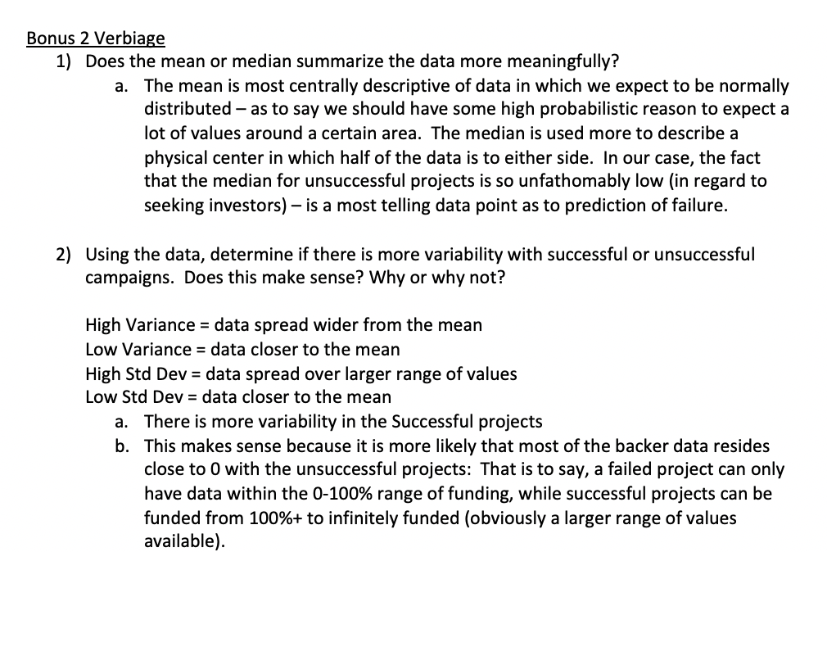
101 |  | 0 | 0 | 0
8 |  | 0 | 0 | 0
23 |  | 0 | 0 | 0
574 |  | 0 | 0 | 0
14 |  | 0 | 0 | 0
19 |  | 0 | 0 | 0
150 |  | 0 | 0 | 0
71 |  | 0 | 0 | 0
117 |  | 0 | 0 | 0
53 |  | 0 | 0 | 0
1 |  | 0 | 0 | 0
89 |  | 0 | 0 | 0
64 |  | 0 | 0 | 0
68 |  | 0 | 0 | 0
28 |  | 0 | 0 | 0
44 |  | 0 | 0 | 0
253 |  | 0 | 0 | 0
66 |  | 0 | 0 | 0
217 |  | 0 | 0 | 0
16 |  | 0 | 0 | 0
19 |  | 0 | 0 | 0
169 |  | 0 | 0 | 0
263 |  | 0 | 0 | 0
15 |  | 0 | 0 | 0
61 |  | 0 | 0 | 0
45 |  | 0 | 0 | 0
70 |  | 0 | 0 | 0
38 |  | 0 | 0 | 0
87 |  | 0 | 0 | 0
22 |  | 0 | 0 | 0
119 |  | 0 | 0 | 0
52 |  | 0 | 0 | 0
117 |  | 0 | 0 | 0
52 |  | 0 | 0 | 0
86 |  | 0 | 0 | 0
174 |  | 0 | 0 | 0
69 |  | 0 | 0 | 0
75 |  | 0 | 0 | 0
33 |  | 0 | 0 | 0
108 |  | 0 | 0 | 0
23 |  | 0 | 0 | 0
48 |  | 0 | 0 | 0
64 |  | 0 | 0 | 0
24 |  | 0 | 0 | 0
57 |  | 0 | 0 | 0
26 |  | 0 | 0 | 0
20 |  | 0 | 0 | 0
36 |  | 0 | 0 | 0
178 |  | 0 | 0 | 0
17 |  | 0 | 0 | 0
32 |  | 0 | 0 | 0
41 |  | 0 | 0 | 0
18 |  | 0 | 0 | 0
29 |  | 0 | 0 | 0
47 |  | 0 | 0 | 0
15 |  | 0 | 0 | 0
26 |  | 0 | 0 | 0
35 |  | 0 | 0 | 0
41 |  | 0 | 0 | 0
47 |  | 0 | 0 | 0
28 |  | 0 | 0 | 0
100 |  | 0 | 0 | 0
13 |  | 0 | 0 | 0
7 |  | 0 | 0 | 0
21 |  | 0 | 0 | 0
17 |  | 0 | 0 | 0
25 |  | 0 | 0 | 0
60 |  | 0 | 0 | 0
56 |  | 0 | 0 | 0
16 |  | 0 | 0 | 0
46 |  | 0 | 0 | 0
43 |  | 0 | 0 | 0
15 |  | 0 | 0 | 0
12 |  | 0 | 0 | 0
21 |  | 0 | 0 | 0
34 |  | 0 | 0 | 0
8 |  | 0 | 0 | 0
60 |  | 0 | 0 | 0
39 |  | 0 | 0 | 0
26 |  | 0 | 0 | 0
35 |  | 0 | 0 | 0
65 |  | 0 | 0 | 0
49 |  | 0 | 0 | 0
10 |  | 0 | 0 | 0
60 |  | 0 | 0 | 0
27 |  | 0 | 0 | 0
69 |  | 0 | 0 | 0
47 |  | 0 | 0 | 0
47 |  | 0 | 0 | 0
26 |  | 0 | 0 | 0
53 |  | 0 | 0 | 0
81 |  | 0 | 0 | 0
78 |  | 0 | 0 | 0
35 |  | 0 | 0 | 0
22 |  | 0 | 0 | 0
57 |  | 0 | 0 | 0
27 |  | 0 | 0 | 0
39 |  | 0 | 0 | 0
37 |  | 0 | 0 | 0
0 |  | 1 | 0 | 1
0 |  | 1 | 0 | 1
0 |  | 0 | 0 | 0
0 |  | 6 | 0 | 6
0 |  | 0 | 0 | 0
0 |  | 6 | 0 | 6
0 |  | 13 | 0 | 13
0 |  | 4 | 0 | 4
0 |  | 6 | 0 | 6
0 |  | 0 | 0 | 0
0 |  | 0 | 0 | 0
0 |  | 0 | 0 | 0
0 |  | 81 | 0 | 81
0 |  | 0 | 0 | 0
0 |  | 0 | 0 | 0
0 |  | 5 | 0 | 5
0 |  | 0 | 0 | 0
0 |  | 0 | 0 | 0
0 |  | 58 | 0 | 58
0 |  | 1 | 0 | 1
0 |  | 0 | 0 | 0
0 |  | 28 | 0 | 28
0 |  | 1 | 0 | 1
0 |  | 0 | 0 | 0
0 |  | 37 | 0 | 37
0 |  | 9 | 0 | 9
0 |  | 3 | 0 | 3
0 |  | 0 | 0 | 0
0 |  | 2 | 0 | 2
0 |  | 6 | 0 | 6
0 |  | 67 | 0 | 67
0 |  | 5 | 0 | 5
0 |  | 2 | 0 | 2
0 |  | 10 | 0 | 10
0 |  | 3 | 0 | 3
0 |  | 4 | 0 | 4
0 |  | 15 | 0 | 15
0 |  | 2 | 0 | 2
0 |  | 0 | 0 | 0
0 |  | 1 | 0 | 1
0 |  | 0 | 0 | 0
0 |  | 0 | 1 | 1
0 |  | 0 | 10 | 10
0 |  | 0 | 0 | 0
0 |  | 0 | 7 | 7
0 |  | 0 | 0 | 0
0 |  | 0 | 1 | 1
0 |  | 0 | 2 | 2
0 |  | 0 | 3 | 3
0 |  | 0 | 10 | 10
0 |  | 0 | 10 | 10
0 |  | 0 | 1 | 1
0 |  | 0 | 0 | 0
0 |  | 0 | 0 | 0
0 |  | 0 | 0 | 0
0 |  | 0 | 26 | 26
0 |  | 0 | 0 | 0
0 |  | 0 | 7 | 7
0 |  | 0 | 0 | 0
0 |  | 0 | 2 | 2
0 |  | 0 | 13 | 13
0 |  | 0 | 4 | 4
0 |  | 0 | 0 | 0
0 |  | 0 | 12 | 12
0 |  | 0 | 2 | 2
0 |  | 0 | 10 | 10
0 |  | 0 | 0 | 0
0 |  | 0 | 5 | 5
0 |  | 0 | 0 | 0
0 |  | 0 | 5 | 5
0 |  | 0 | 1 | 1
0 |  | 0 | 3 | 3
0 |  | 0 | 3 | 3
0 |  | 0 | 0 | 0
0 |  | 0 | 3 | 3
0 |  | 0 | 0 | 0
0 |  | 0 | 19 | 19
0 |  | 0 | 8 | 8
0 |  | 0 | 6 | 6
0 |  | 0 | 0 | 0
0 |  | 0 | 18 | 18
0 |  | 0 | 7 | 7
0 |  | 0 | 0 | 0
0 |  | 0 | 8 | 8
0 |  | 0 | 1293 | 1293
0 |  | 0 | 17 | 17
0 |  | 0 | 0 | 0
0 |  | 0 | 13 | 13
0 |  | 0 | 0 | 0
0 |  | 0 | 0 | 0
0 |  | 0 | 33 | 33
0 |  | 0 | 12 | 12
0 |  | 0 | 1 | 1
0 |  | 0 | 1 | 1
0 |  | 0 | 1 | 1
0 |  | 0 | 1 | 1
0 |  | 0 | 84 | 84
0 |  | 0 | 38 | 38
0 |  | 0 | 1 | 1
0 |  | 0 | 76 | 76
0 |  | 0 | 3 | 3
0 |  | 0 | 0 | 0
0 |  | 0 | 2 | 2
0 |  | 0 | 0 | 0
0 |  | 0 | 0 | 0
0 |  | 0 | 0 | 0
0 |  | 0 | 2 | 2
0 |  | 0 | 0 | 0
0 |  | 0 | 0 | 0
0 |  | 0 | 0 | 0
0 |  | 0 | 2 | 2
0 |  | 0 | 0 | 0
0 |  | 0 | 7 | 7
0 |  | 0 | 0 | 0
0 |  | 0 | 5 | 5
0 |  | 0 | 0 | 0
0 |  | 0 | 0 | 0
0 |  | 0 | 1 | 1
0 |  | 0 | 0 | 0
0 |  | 0 | 5 | 5
137 |  | 0 | 0 | 0
376 |  | 0 | 0 | 0
202 |  | 0 | 0 | 0
328 |  | 0 | 0 | 0
84 |  | 0 | 0 | 0
96 |  | 0 | 0 | 0
223 |  | 0 | 0 | 0
62 |  | 0 | 0 | 0
146 |  | 0 | 0 | 0
235 |  | 0 | 0 | 0
437 |  | 0 | 0 | 0
77 |  | 0 | 0 | 0
108 |  | 0 | 0 | 0
7 |  | 0 | 0 | 0
314 |  | 0 | 0 | 0
188 |  | 0 | 0 | 0
275 |  | 0 | 0 | 0
560 |  | 0 | 0 | 0
688 |  | 0 | 0 | 0
942 |  | 0 | 0 | 0
88 |  | 0 | 0 | 0
220 |  | 0 | 0 | 0
145 |  | 0 | 0 | 0
963 |  | 0 | 0 | 0
91 |  | 0 | 0 | 0
58 |  | 0 | 0 | 0
36 |  | 0 | 0 | 0
165 |  | 0 | 0 | 0
111 |  | 0 | 0 | 0
1596 |  | 0 | 0 | 0
61 |  | 0 | 0 | 0
287 |  | 0 | 0 | 0
65 |  | 0 | 0 | 0
118 |  | 0 | 0 | 0
113 |  | 0 | 0 | 0
332 |  | 0 | 0 | 0
62 |  | 0 | 0 | 0
951 |  | 0 | 0 | 0
415 |  | 0 | 0 | 0
305 |  | 0 | 0 | 0
2139 |  | 0 | 0 | 0
79 |  | 0 | 0 | 0
179 |  | 0 | 0 | 0
202 |  | 0 | 0 | 0
760 |  | 0 | 0 | 0
563 |  | 0 | 0 | 0
135 |  | 0 | 0 | 0
290 |  | 0 | 0 | 0
447 |  | 0 | 0 | 0
232 |  | 0 | 0 | 0
168 |  | 0 | 0 | 0
128 |  | 0 | 0 | 0
493 |  | 0 | 0 | 0
131 |  | 0 | 0 | 0
50 |  | 0 | 0 | 0
665 |  | 0 | 0 | 0
129 |  | 0 | 0 | 0
142 |  | 0 | 0 | 0
2436 |  | 0 | 0 | 0
244 |  | 0 | 0 | 0
298 |  | 0 | 0 | 0
251 |  | 0 | 0 | 0
108 |  | 0 | 0 | 0
82 |  | 0 | 0 | 0
74 |  | 0 | 0 | 0
189 |  | 0 | 0 | 0
80 |  | 0 | 0 | 0
576 |  | 0 | 0 | 0
202 |  | 0 | 0 | 0
238 |  | 0 | 0 | 0
36 |  | 0 | 0 | 0
150 |  | 0 | 0 | 0
146 |  | 0 | 0 | 0
222 |  | 0 | 0 | 0
120 |  | 0 | 0 | 0
126 |  | 0 | 0 | 0
158 |  | 0 | 0 | 0
316 |  | 0 | 0 | 0
...

