Stamp QR Codes
ATLANTA PASSPORT — Stamp QR Codes
Scan a spot's QR code to collect a stamp. 11 partner spots with a Passport offer.

QR Code | Spot | Neighborhood | Category | Passport Offer | Scan URL | Status
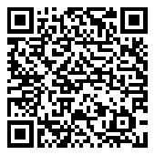 | Atlantucky Brewing | Castleberry Hill | Drink | 10% off your tab when you show your Atlanta Passport. | https://fb9954b1-03a2-4563-bd46-f2c651216b72-00-1zry9jh1hlhz4.kirk.replit.dev/stamp/atlantucky | Live
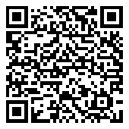 | Peachtree Wellness | Grant Park | Retail | 10% off for Passport holders. | https://fb9954b1-03a2-4563-bd46-f2c651216b72-00-1zry9jh1hlhz4.kirk.replit.dev/stamp/peachtree-wellness | Live
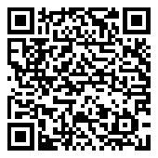 | Wheelhaus Bikes | East Atlanta Village | Rentals | Rental specials and guided ride options during World Cup season. | https://fb9954b1-03a2-4563-bd46-f2c651216b72-00-1zry9jh1hlhz4.kirk.replit.dev/stamp/wheelhaus | Live
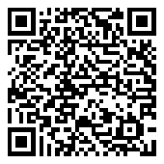 | The Westwood | West End | Drink | A complimentary Bloody Mary when you show your Atlanta Passport. | https://fb9954b1-03a2-4563-bd46-f2c651216b72-00-1zry9jh1hlhz4.kirk.replit.dev/stamp/westwood | Live
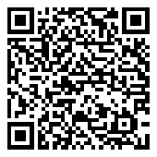 | Vickery's Bar & Grill | Glenwood Park | Food | Free dessert with each entrée purchase. Dine-in only. Offer valid through July 31, 2026. | https://fb9954b1-03a2-4563-bd46-f2c651216b72-00-1zry9jh1hlhz4.kirk.replit.dev/stamp/vickerys | Live
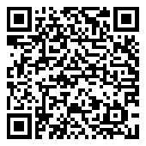 | BoxCar at Hop City | West End | Retail | 10% off THC Drinks | https://fb9954b1-03a2-4563-bd46-f2c651216b72-00-1zry9jh1hlhz4.kirk.replit.dev/stamp/boxcar | Live
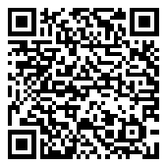 | Hop City at Krog St Market | Krog | Retail | 10% off THC Drinks | https://fb9954b1-03a2-4563-bd46-f2c651216b72-00-1zry9jh1hlhz4.kirk.replit.dev/stamp/hop-city-krog | Live
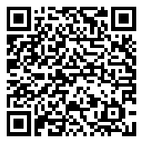 | La Semilla | Reynoldstown | Food | 10% off | https://fb9954b1-03a2-4563-bd46-f2c651216b72-00-1zry9jh1hlhz4.kirk.replit.dev/stamp/la-semilla | Live
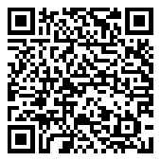 | Trap Museum | Westside | Experiences | 10% off admission when you show your Atlanta Passport. | https://fb9954b1-03a2-4563-bd46-f2c651216b72-00-1zry9jh1hlhz4.kirk.replit.dev/stamp/trap-museum | Needs setup — not yet a scannable stamp
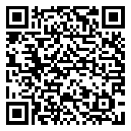 | Varasanos | Buckhead | Food | 15% off any food & drink purchase! | https://fb9954b1-03a2-4563-bd46-f2c651216b72-00-1zry9jh1hlhz4.kirk.replit.dev/stamp/varasanos | Live
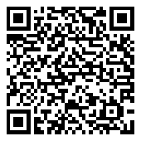 | Nakato Japanese Restaurant | Piedmont Heights | Food | BOGO: Spicy Tuna Roll | https://fb9954b1-03a2-4563-bd46-f2c651216b72-00-1zry9jh1hlhz4.kirk.replit.dev/stamp/nakato | Live

Bonus Stamp Events
ATLANTA PASSPORT — Bonus Stamp Events
Scan at the event to add a bonus stamp toward your rewards total. 5 featured events.

QR Code | Event | Date | Venue | Scan URL
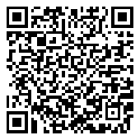 | Battle of the Bands | June 13, 2026 | Atlantucky Brewing | https://fb9954b1-03a2-4563-bd46-f2c651216b72-00-1zry9jh1hlhz4.kirk.replit.dev/stamp/event-battle-of-the-bands
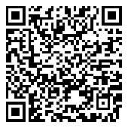 | Video Game Prelims + Soccer Tourney | June 16, 2026 | Atlantucky Brewing | https://fb9954b1-03a2-4563-bd46-f2c651216b72-00-1zry9jh1hlhz4.kirk.replit.dev/stamp/event-video-game-prelims
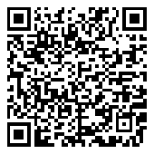 | Hot Sauce Market | June 20, 2026 | Atlantucky Brewing | https://fb9954b1-03a2-4563-bd46-f2c651216b72-00-1zry9jh1hlhz4.kirk.replit.dev/stamp/event-hot-sauce-market
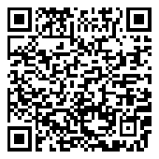 | Post-Match Vibes at Atlantucky | June 21, 2026 | Atlantucky Brewing | https://fb9954b1-03a2-4563-bd46-f2c651216b72-00-1zry9jh1hlhz4.kirk.replit.dev/stamp/event-post-match-atlantucky
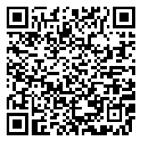 | Soccer Video Game Tournament + Wing Eating Comp | June 22–23, 2026 | Atlantucky Brewing | https://fb9954b1-03a2-4563-bd46-f2c651216b72-00-1zry9jh1hlhz4.kirk.replit.dev/stamp/event-soccer-gaming-finals

