Sheet3
Model | E6766 | N81 Ultra | H93E | S87 | P71 | X100 | H67J2
ID | 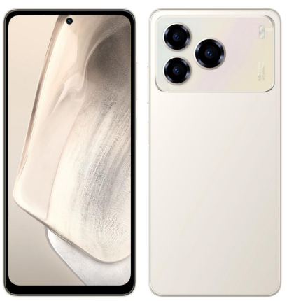 | 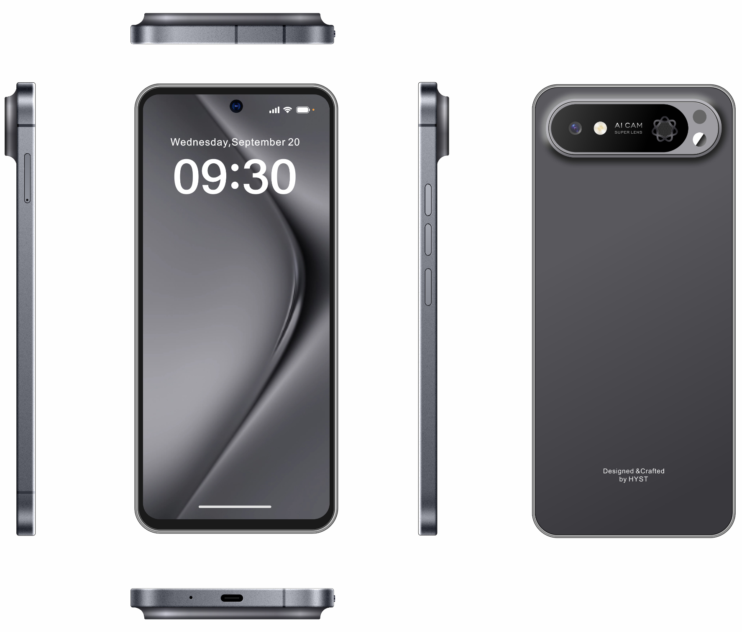 | 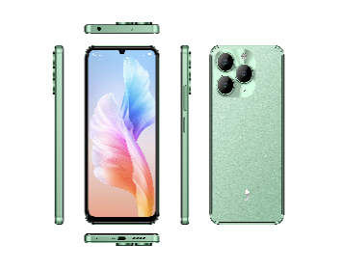 | 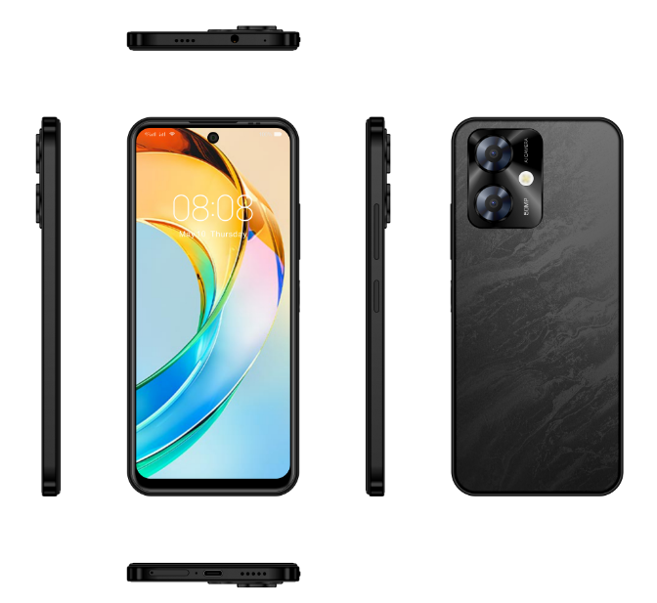 | 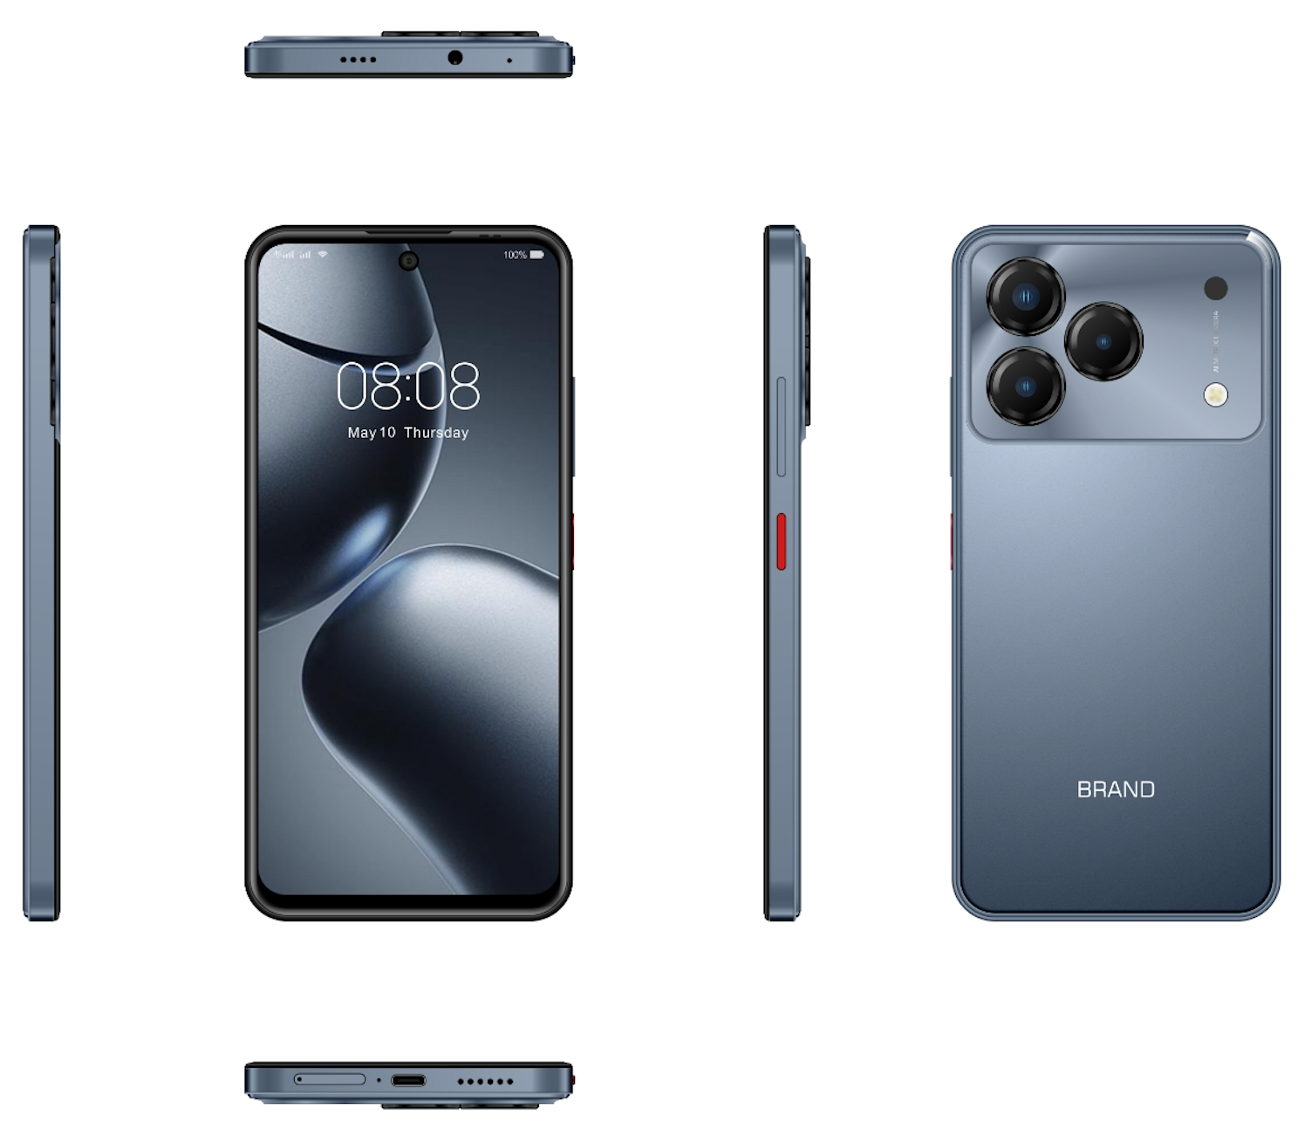 | 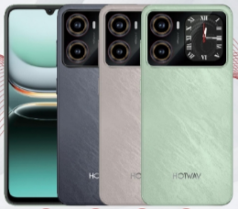 | 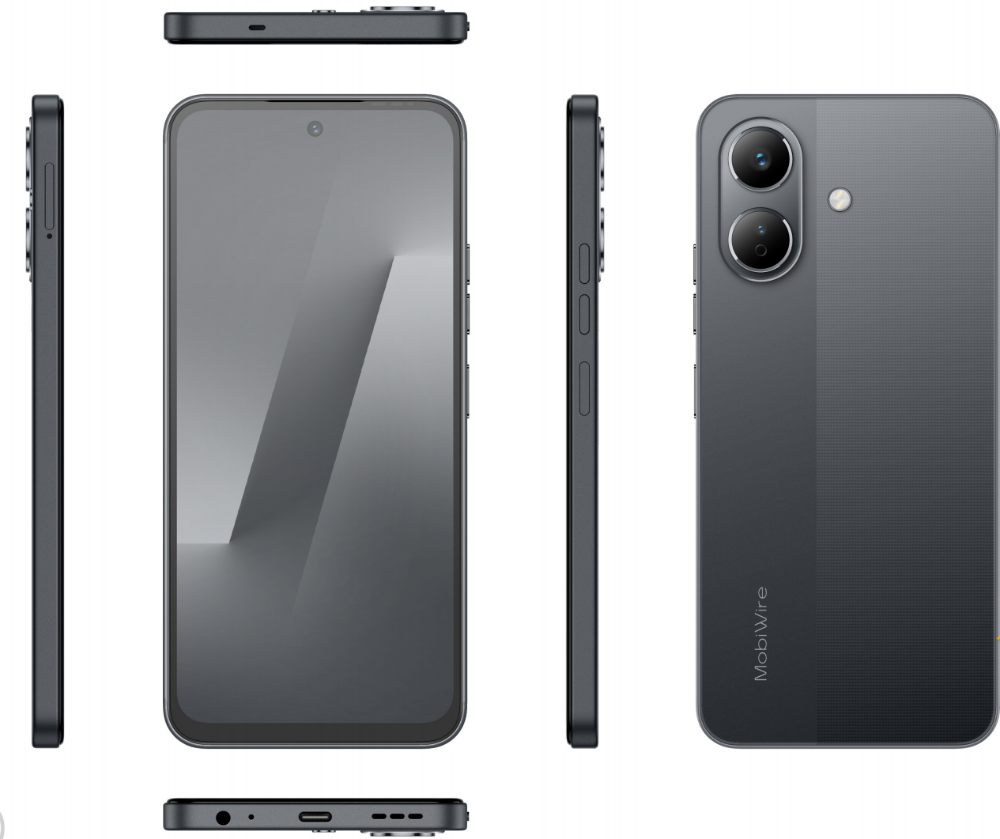
Price | 4GB+128GB = $55.5 6GB+128GB = $58.5 | 6GB+128GB = $60.5 8GB+128GB = $62 | G81: $58.6 G88: $59.2 | $56.80 | 6GB+128GB:$60.60 6GB+256GB:$64.50 | 6GB+128GB =$66.7 8GB+256GB = $84 | 4GB+128GB : $69.9 6GB+128GB : $78.5
OS (Operating System) | Android 15 or above | Android 15 or above | Android 15 or above | Android 15 | Android 15 | Android 16 | Android 15 or above
Screen/Display/LCD | 6.67” HD+ Punch-hole 120Hz 480Nits | 6.95”FHD+ Punch -hole | 6.745”,HD+(720*1600),waterdrop, Max Refresh Rate:90Hz, Water-drop display | 6.79'', HD+, INCELL, Punch-hole display | 7.2'' HD+, Incell, IPS,PH | 6.9" waterdrop | 6.67"IPS, HD+, Punch-hole
Camera (Rear & Front) | Front: 8MP Rear: 50MP + CIF&CIF | Front:16MP FF Rear:48MP AF | Triple Camera : Main - 64 MP. Macro - 2MP shielding - 0.08MP Front Camera : 16MP | Rear Camera : 50MP Front Camera : 8MP | Rear:50MP Front: 8MP | Front: 16MP Rear: 64MP | Front: 8MP Rear: 50MP + .8MP Sony 852 sensor
Memory (RAM + ROM) | 4GB+128GB 6GB+128GB | 8GB+128GB 6GB+128GB UFS | 4GB+128GB 6GB+128GB 8GB+128GB | 4GB+128GB | 6GB+128GB/256GB | 6GB+128GB | 4GB+128GB 6GB+128GB
Battery | 6000mAh | 5000mAh | 5000mAh | 5000mAh | 5000mAh | 6180mAh | 6000mAh
CPU | MTK G81 | T606 (+$1.7 for T615) | Mediatek G81 Mediatek G88 | Mediatek G81 | Mediatek G81 | T7250/12nm | Mediatek G81
Fingerprint | Side mounted fingerprint | side | Yes | Side | Side | Side fingerprint | Side
Charging Capacity | 18W | 18W | 18W | 18W | 20W | PD 20W | 18W
Ingress Protection(IP) Water and Dust resistance | IP64 | NO | IP53 | IP53 | IP53 | IP53 | IP64

