Sheet1
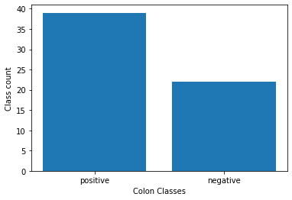
Sample size | 61
Features | 2000
Classes | {'negative', 'positive'}

