Sheet1
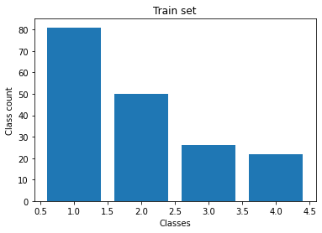
Sample size | 180
Features | 49152
Classes | {1,2,3,4}

