Sheet1
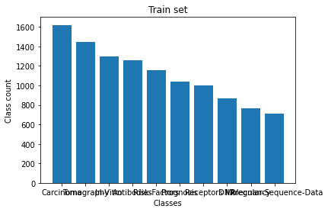
Sample size | 11161
Features | 11466
Classes | ['Carcinoma' 'Tomography' 'In-Vitro' 'Antibodies' 'Risk-Factors' 'Prognosis' 'Receptors' 'DNA' 'Pregnancy' 'Molecular-Sequence-Data']=10

