Sheet1
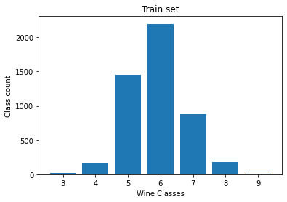
Sample size | 4898
Features | 12
Classes | {3,4,5,6,7,8,9}

